TRACP-5b
2.946 | 1.105 | 1.258 | 1.243 | 1.227 | 1.154 | 1.067 | 1.108 | 1.026 | 1.008 | 0.902 | 0.936
2.212 | 1.258 | 1.18 | 1.109 | 1.087 | 1.043 | 0.952 | 1.002 | 0.964 | 0.98 | 0.943 | 0.854
1.388 | 1.214 | 1.177 | 1.152 | 1.116 | 0.931 | 0.96 | 1.057 | 0.964 | 0.907 | 0.865 | 0.834
0.778 | 1.154 | 1.182 | 1.125 | 1.099 | 1.041 | 0.986 | 0.977 | 0.945 | 0.889 | 0.843 | 0.794
0.425 | 1.18 | 1.077 | 1.154 | 1.103 | 1.054 | 1.049 | 1.055 | 1.011 | 0.939 | 0.825 | 0.82
0.094 | 1.244 | 1.197 | 1.049 | 1.116 | 1.07 | 0.983 | 1.031 | 0.973 | 0.881 | 0.834 | 1.02

TRACP-5b
 | abs | abs-blank | expected | result
std1 | 2.946 | 2.852 | 8 | 7.7838161248
std2 | 2.212 | 2.118 | 4 | 4.4664194488
std3 | 1.388 | 1.294 | 2 | 1.8799539832
std4 | 0.778 | 0.684 | 1 | 0.7404107872
std5 | 0.425 | 0.331 | 0.5 | 0.3822241582
blank | 0.094 | 0 | 0 | 0.247

 |  |  |  |  |  |  |  |  | concentratıon (U/L)

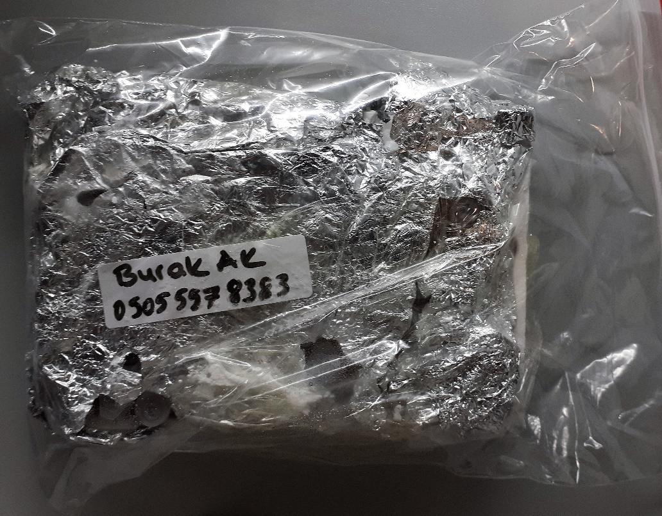
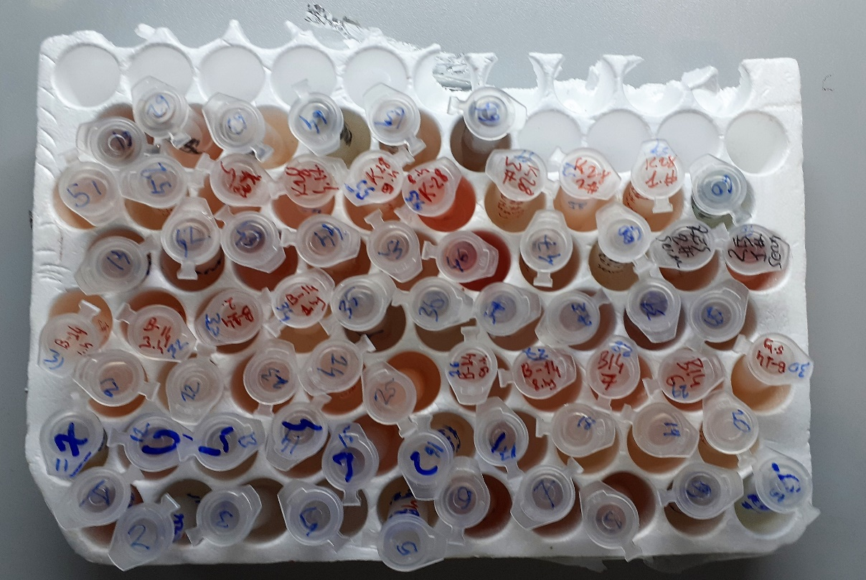
Numune | absorbans | abs-blank | result
1 | 1.105 | 1.011 | 1.2692708302
2 | 1.258 | 1.164 | 1.5818016352
3 | 1.214 | 1.12 | 1.48767328
4 | 1.154 | 1.06 | 1.36484632
5 | 1.18 | 1.086 | 1.4172879352
6 | 1.244 | 1.15 | 1.5514795
7 | 1.258 | 1.164 | 1.5818016352
8 | 1.18 | 1.086 | 1.4172879352
9 | 1.177 | 1.083 | 1.4111758318
10 | 1.182 | 1.088 | 1.4213715328
11 | 1.077 | 0.983 | 1.2165669118
12 | 1.197 | 1.103 | 1.4522244958
13 | 1.243 | 1.149 | 1.5493269262
14 | 1.109 | 1.015 | 1.276913395
15 | 1.152 | 1.058 | 1.3608619768
16 | 1.125 | 1.031 | 1.3077672382
17 | 1.154 | 1.06 | 1.36484632
18 | 1.049 | 0.955 | 1.165252555
19 | 1.227 | 1.133 | 1.5151267918
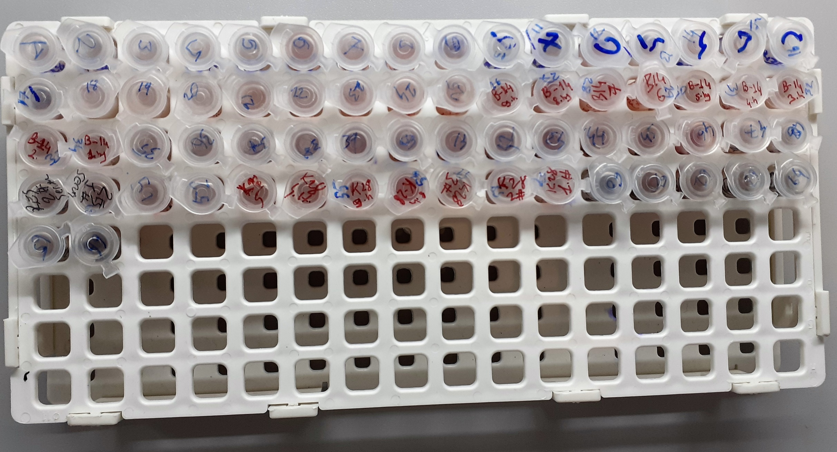
20 | 1.087 | 0.993 | 1.2352302238
21 | 1.116 | 1.022 | 1.2903561208
22 | 1.099 | 1.005 | 1.257860155
23 | 1.103 | 1.009 | 1.2654601822
24 | 1.116 | 1.022 | 1.2903561208
25 | 1.154 | 1.06 | 1.36484632
26 | 1.043 | 0.949 | 1.1544374062
27 | 0.931 | 0.837 | 0.9642666478
28 | 1.041 | 0.947 | 1.1508465358
29 | 1.054 | 0.96 | 1.17431392
30 | 1.07 | 0.976 | 1.2036080512
31 | 1.067 | 0.973 | 1.1980808398
32 | 0.952 | 0.858 | 0.9982301368
33 | 0.96 | 0.866 | 1.0113742072
34 | 0.986 | 0.892 | 1.0548758368
35 | 1.049 | 0.955 | 1.165252555
36 | 0.983 | 0.889 | 1.0497952702
37 | 1.108 | 1.014 | 1.2750000952
38 | 1.002 | 0.908 | 1.0822415968
39 | 1.057 | 0.963 | 1.1797720078
40 | 0.977 | 0.883 | 1.0396819918
41 | 1.055 | 0.961 | 1.1761315102
42 | 1.031 | 0.937 | 1.1329985278
43 | 1.026 | 0.932 | 1.1241409888
44 | 0.964 | 0.87 | 1.01798878
45 | 0.964 | 0.87 | 1.01798878
46 | 0.945 | 0.851 | 0.9868221262
47 | 1.011 | 0.917 | 1.0978342318
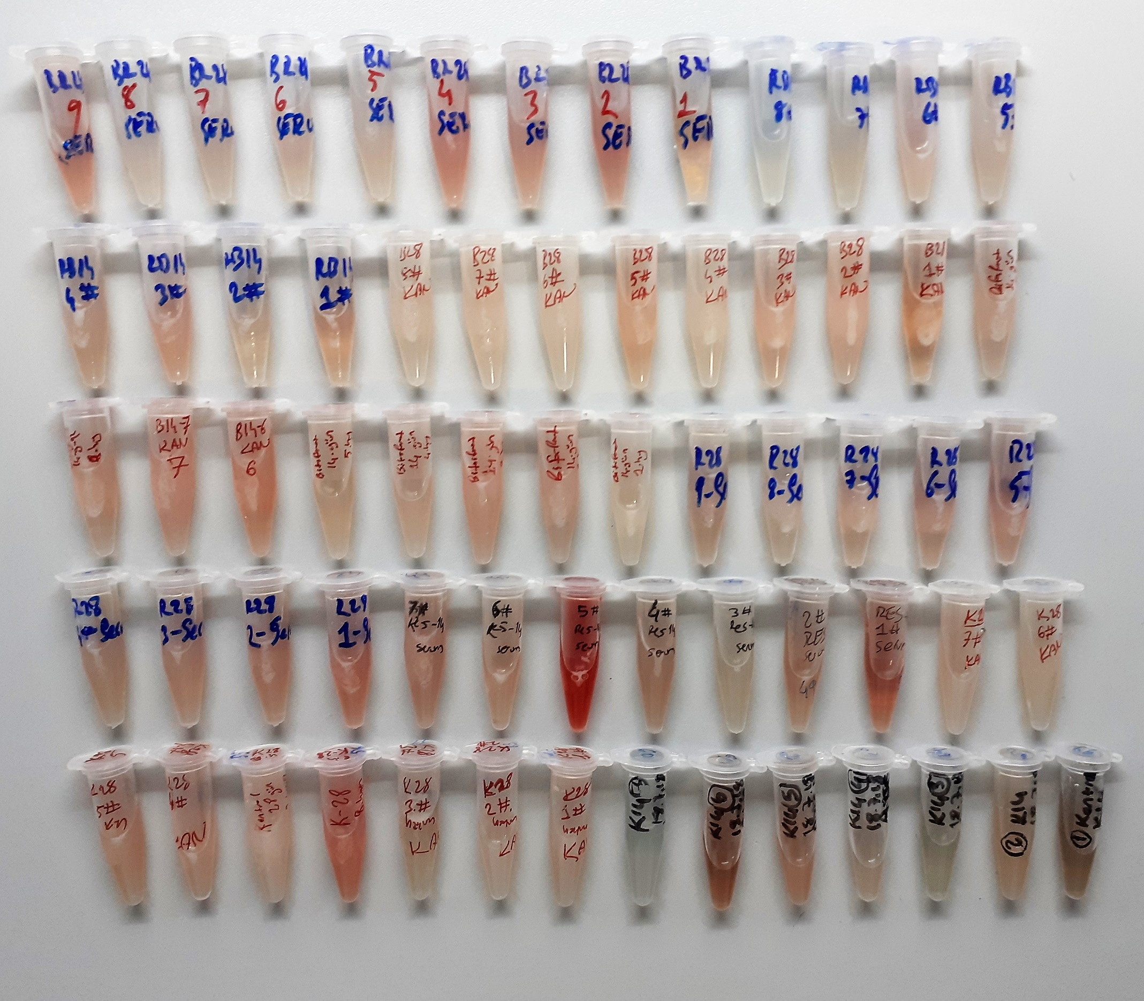
48 | 0.973 | 0.879 | 1.0329752542
49 | 1.008 | 0.914 | 1.0926207352
50 | 0.98 | 0.886 | 1.0447306552
51 | 0.907 | 0.813 | 0.9264083278
52 | 0.889 | 0.795 | 0.898684555
53 | 0.939 | 0.845 | 0.977112955
54 | 0.881 | 0.787 | 0.8865472078
55 | 0.902 | 0.808 | 0.9186496768
56 | 0.943 | 0.849 | 0.9835786462
57 | 0.865 | 0.771 | 0.8626128142
58 | 0.843 | 0.749 | 0.8304438862
59 | 0.825 | 0.731 | 0.8047619182
60 | 0.834 | 0.74 | 0.81753112
61 | 0.936 | 0.842 | 0.9722822968
62 | 0.854 | 0.76 | 0.84642112
63 | 0.834 | 0.74 | 0.81753112
64 | 0.794 | 0.7 | 0.761878
65 | 0.82 | 0.726 | 0.7977299512
66 | 1.02 | 0.926 | 1.1135704312

CTX-1
0.077 | 0.679 | 0.865 | 0.835 | 0.911 | 0.844 | 0.799 | 0.798 | 0.711 | 0.686 | 0.679 | 0.66
0.302 | 0.792 | 0.815 | 0.853 | 0.823 | 0.778 | 0.729 | 0.761 | 0.657 | 0.621 | 0.701 | 0.664
0.565 | 0.676 | 0.83 | 0.77 | 0.81 | 0.737 | 0.662 | 0.742 | 0.635 | 0.639 | 0.665 | 0.692
0.899 | 0.701 | 0.772 | 0.749 | 0.765 | 0.727 | 0.738 | 0.696 | 0.638 | 0.622 | 0.646 | 0.684
1.642 | 0.719 | 0.776 | 0.779 | 0.816 | 0.775 | 0.75 | 0.729 | 0.134 | 0.639 | 0.697 | 0.694
2.35 | 0.655 | 0.734 | 0.739 | 0.796 | 0.671 | 0.673 | 0.724 | 0.548 | 0.584 | 0.569 | 0.706

CTX-1
2.273 | 48
1.565 | 24
0.822 | 12
0.488 | 6
0.225 | 3
0 | 0
 | abs | abs-blank | expected | result
std1 | 2.35 | 2.273 | 48 | 47.225905471
std2 | 1.642 | 1.565 | 24 | 26.105005373
std3 | 0.899 | 0.822 | 12 | 10.453938696
std4 | 0.565 | 0.488 | 6 | 5.5917834624
std5 | 0.302 | 0.225 | 3 | 2.7118763125
blank | 0.077 | 0 | 0 | 0.9115

 |  |  |  |  |  |  |  |  | concentratıon (ng/mL)

Numune | absorbans | abs-blank | result
1 | 0.679 | 0.602 | 7.0997856084
2 | 0.792 | 0.715 | 8.7495455725
3 | 0.676 | 0.599 | 7.0580893221
4 | 0.701 | 0.624 | 7.4088815296
5 | 0.719 | 0.642 | 7.6661285044
6 | 0.655 | 0.578 | 6.7692605364
7 | 0.865 | 0.788 | 9.8973593424
8 | 0.815 | 0.738 | 9.1042371124
9 | 0.83 | 0.753 | 9.3390016789
10 | 0.772 | 0.695 | 8.4463143525
11 | 0.776 | 0.699 | 8.5065739021
12 | 0.734 | 0.657 | 7.8834918229
13 | 0.835 | 0.758 | 9.4178607444
14 | 0.853 | 0.776 | 9.7042548096
15 | 0.77 | 0.693 | 8.4162570829
16 | 0.749 | 0.672 | 8.1035740864
17 | 0.779 | 0.702 | 8.5518954484
18 | 0.739 | 0.662 | 7.9565504724
19 | 0.911 | 0.834 | 10.653713708
20 | 0.823 | 0.746 | 9.2291065236
21 | 0.81 | 0.733 | 9.0265864669
22 | 0.765 | 0.688 | 8.3413253824
23 | 0.816 | 0.739 | 9.1198034941
24 | 0.796 | 0.719 | 8.8107718581
25 | 0.844 | 0.767 | 9.5605683669
26 | 0.778 | 0.701 | 8.5367761821
27 | 0.737 | 0.66 | 7.92729076
28 | 0.727 | 0.65 | 7.78171725
29 | 0.775 | 0.698 | 8.4914908884
30 | 0.671 | 0.594 | 6.9888371956
31 | 0.799 | 0.722 | 8.8568184564
32 | 0.729 | 0.652 | 7.8107352784
33 | 0.662 | 0.585 | 6.8649446725
34 | 0.738 | 0.661 | 7.9419145741
35 | 0.75 | 0.673 | 8.1183429109
36 | 0.673 | 0.596 | 7.0165017936
37 | 0.798 | 0.721 | 8.8414575061
38 | 0.761 | 0.684 | 8.2815975376
39 | 0.742 | 0.665 | 8.0005306725
40 | 0.696 | 0.619 | 7.3381188781
41 | 0.729 | 0.652 | 7.8107352784
42 | 0.724 | 0.647 | 7.7382808389
43 | 0.711 | 0.634 | 7.5513131476
44 | 0.657 | 0.58 | 6.79653844
45 | 0.635 | 0.558 | 6.4991400244
46 | 0.638 | 0.561 | 6.5393499541
47 | 0.134 | 0.057 | 1.3097361829
48 | 0.548 | 0.471 | 5.3803617061
49 | 0.686 | 0.609 | 7.1974998901
50 | 0.621 | 0.544 | 6.3129317056
51 | 0.639 | 0.562 | 6.5527774324
52 | 0.622 | 0.545 | 6.3261537525
53 | 0.639 | 0.562 | 6.5527774324
54 | 0.584 | 0.507 | 5.8322111629
55 | 0.679 | 0.602 | 7.0997856084
56 | 0.701 | 0.624 | 7.4088815296
57 | 0.665 | 0.588 | 6.9061334224
58 | 0.646 | 0.569 | 6.6471081381
59 | 0.697 | 0.62 | 7.35224724
60 | 0.569 | 0.492 | 5.6420372944
61 | 0.66 | 0.583 | 6.8375459269
62 | 0.664 | 0.587 | 6.8923917549
63 | 0.692 | 0.615 | 7.2817262725
64 | 0.684 | 0.607 | 7.1695211029
65 | 0.694 | 0.617 | 7.3098984069
66 | 0.706 | 0.629 | 7.4799462861

