Çalışma-1
2.644 | 0.362 | 0.341 | 0.321 | 0.406 | 0.515 | 0.369 | 0.423 | 0.429 | 0.32 | 0.4 | 1.339
1.602 | 0.273 | 0.322 | 0.257 | 0.362 | 0.276 | 0.395 | 0.368 | 0.384 | 0.6 | 0.349 | 0.464
0.981 | 0.308 | 0.341 | 0.338 | 0.665 | 0.359 | 1.031 | 0.404 | 0.377 | 0.376 | 0.346 | 0.395
0.59 | 1.405 | 0.378 | 0.267 | 0.321 | 1.003 | 0.377 | 0.101 | 0.375 | 1.459 | 1.851 | 0.307
0.352 | 0.357 | 0.389 | 0.314 | 0.409 | 0.46 | 0.364 | 0.534 | 0.39 | 1.636 | 1.869 | 0.418
0.25 | 1.946 | 0.3 | 0.449 | 0.298 | 0.356 | 2.063 | 0.477 | 0.412 | 0.32 | 1.128 | 0.374
0.079 | 0.469 | 0.409 | 0.326 | 0.328 | 0.414 | 0.464 | 1.026 | 0.39 | 0.524 | 0.402 | 0.464
0.079 | 0.293 | 0.355 | 0.274 | 0.264 | 1.03 | 0.322 | 0.536 | 0.294 | 1.107 | 0.32 | 0.392

Human Bisphenol
 | abs | abs-blank | expected | result
std1 | 2.644 | 2.565 | 240 | 240.45
std2 | 1.602 | 1.523 | 120 | 118.26
std3 | 0.981 | 0.902 | 60 | 61.00
std4 | 0.59 | 0.511 | 30 | 30.91
std5 | 0.352 | 0.273 | 15 | 14.85
std6 | 0.25 | 0.171 | 7.5 | 8.49
blank | 0.079 | 0 | 0 | -1.46

 |  |  |  |  |  |  |  | concentratıon (ng/ml)

Numune | absorbans | blank | abs-blank | Sonuç(ng/ml)
1 | 0.362 | 0.079 | 0.283 | 15.49
2 | 0.273 | 0.079 | 0.194 | 9.90
3 | 0.308 | 0.079 | 0.229 | 12.07
6 | 1.405 | 0.079 | 1.326 | 98.83
8 | 0.357 | 0.079 | 0.278 | 15.17
9 | 1.946 | 0.079 | 1.867 | 154.98
10 | 0.469 | 0.079 | 0.39 | 22.53
11 | 0.293 | 0.079 | 0.214 | 11.14
12 | 0.341 | 0.079 | 0.262 | 14.15
14 | 0.322 | 0.079 | 0.243 | 12.95
15 | 0.341 | 0.079 | 0.262 | 14.15
16 | 0.378 | 0.079 | 0.299 | 16.52
18 | 0.389 | 0.079 | 0.31 | 17.24
19 | 0.3 | 0.079 | 0.221 | 11.57
20 | 0.409 | 0.079 | 0.33 | 18.54
21 | 0.355 | 0.079 | 0.276 | 15.04
22 | 0.321 | 0.079 | 0.242 | 12.89
23 | 0.257 | 0.079 | 0.178 | 8.92
24 | 0.338 | 0.079 | 0.259 | 13.96
25 | 0.267 | 0.079 | 0.188 | 9.53
26 | 0.314 | 0.079 | 0.235 | 12.45
27 | 0.449 | 0.079 | 0.37 | 21.19
28 | 0.326 | 0.079 | 0.247 | 13.20
29 | 0.274 | 0.079 | 0.195 | 9.96
30 | 0.406 | 0.079 | 0.327 | 18.35
31 | 0.362 | 0.079 | 0.283 | 15.49
32 | 0.665 | 0.079 | 0.586 | 36.32
33 | 0.321 | 0.079 | 0.242 | 12.89
34 | 0.409 | 0.079 | 0.33 | 18.54
35 | 0.298 | 0.079 | 0.219 | 11.45
36 | 0.328 | 0.079 | 0.249 | 13.33
37 | 0.264 | 0.079 | 0.185 | 9.35
38 | 0.515 | 0.079 | 0.436 | 25.67
39 | 0.276 | 0.079 | 0.197 | 10.08
41 | 0.359 | 0.079 | 0.28 | 15.30
43 | 1.003 | 0.079 | 0.924 | 62.83
44 | 0.46 | 0.079 | 0.381 | 21.93
45 | 0.356 | 0.079 | 0.277 | 15.11
46 | 0.414 | 0.079 | 0.335 | 18.87
48 | 1.03 | 0.079 | 0.951 | 65.09
49 | 0.369 | 0.079 | 0.29 | 15.94
50 | 0.395 | 0.079 | 0.316 | 17.63
52 | 1.031 | 0.079 | 0.952 | 65.18
53 | 0.377 | 0.079 | 0.298 | 16.46
54 | 0.364 | 0.079 | 0.285 | 15.62
56 | 2.063 | 0.079 | 1.984 | 168.28
57 | 0.464 | 0.079 | 0.385 | 22.20
59 | 0.322 | 0.079 | 0.243 | 12.95
60 | 0.423 | 0.079 | 0.344 | 19.46
61 | 0.368 | 0.079 | 0.289 | 15.88
62 | 0.404 | 0.079 | 0.325 | 18.22
63 | 0.101 | 0.079 | 0.022 | -0.23
64 | 0.534 | 0.079 | 0.455 | 26.98
65 | 0.477 | 0.079 | 0.398 | 23.07
66 | 1.026 | 0.079 | 0.947 | 64.76
67 | 0.536 | 0.079 | 0.457 | 27.12
68 | 0.429 | 0.079 | 0.35 | 19.86
69 | 0.384 | 0.079 | 0.305 | 16.91
70 | 0.377 | 0.079 | 0.298 | 16.46
71 | 0.375 | 0.079 | 0.296 | 16.33
72 | 0.39 | 0.079 | 0.311 | 17.30
73 | 0.412 | 0.079 | 0.333 | 18.74
74 | 0.39 | 0.079 | 0.311 | 17.30
75 | 0.294 | 0.079 | 0.215 | 11.20
76 | 0.32 | 0.079 | 0.241 | 12.82
77 | 0.6 | 0.079 | 0.521 | 31.62
78 | 0.376 | 0.079 | 0.297 | 16.39
79 | 1.459 | 0.079 | 1.38 | 104.04
80 | 1.636 | 0.079 | 1.557 | 121.73
81 | 0.32 | 0.079 | 0.241 | 12.82
82 | 0.524 | 0.079 | 0.445 | 26.29
83 | 1.107 | 0.079 | 1.028 | 71.68
84 | 0.4 | 0.079 | 0.321 | 17.95
85 | 0.349 | 0.079 | 0.27 | 14.66
86 | 0.346 | 0.079 | 0.267 | 14.47
87 | 1.851 | 0.079 | 1.772 | 144.48
88 | 1.869 | 0.079 | 1.79 | 146.45
89 | 1.128 | 0.079 | 1.049 | 73.50
90 | 0.402 | 0.079 | 0.323 | 18.08
91 | 0.32 | 0.079 | 0.241 | 12.82
92 | 1.339 | 0.079 | 1.26 | 92.59
93 | 0.464 | 0.079 | 0.385 | 22.20
94 | 0.395 | 0.079 | 0.316 | 17.63
95 | 0.307 | 0.079 | 0.228 | 12.01
97 | 0.418 | 0.079 | 0.339 | 19.13
98 | 0.374 | 0.079 | 0.295 | 16.27
99 | 0.464 | 0.079 | 0.385 | 22.20
100 | 0.392 | 0.079 | 0.313 | 17.43

Çalışma-2
2.405 | 1.037 | 0.472 | 2.164 | 0.594 | 0.53 | 0.61 | 1.084 | 0.796 | 0.749 | 0.606 | 0.547
1.548 | 0.421 | 0.517 | 0.544 | 0.522 | 0.529 | 0.563 | 1.492 | 0.566 | 0.544 | 0.617 | 0.689
0.995 | 0.417 | 0.651 | 0.459 | 0.474 | 0.5 | 2.596 | 0.6 | 1.504 | 1.304 | 0.774 | 0.74
0.595 | 0.431 | 0.658 | 0.472 | 0.427 | 0.413 | 2.82 | 0.54 | 1.338 | 2.611 | 0.624 | 1.87
0.394 | 2.508 | 0.52 | 0.47 | 0.495 | 1.083 | 0.655 | 0.598 | 0.567 | 0.754 | 0.723 | 1.509
0.26 | 0.801 | 0.683 | 0.567 | 0.466 | 0.673 | 0.768 | 0.565 | 0.592 | 2.025 | 1.635
0.084 | 1.473 | 0.49 | 2.073 | 0.64 | 0.612 | 0.476 | 0.492 | 0.875 | 0.539 | 2.788
0.086 | 0.828 | 0.475 | 0.862 | 0.599 | 1.003 | 0.51 | 0.475 | 0.523 | 0.59 | 0.595

Human Bisphenol

 | abs | abs-blank | expected | result
std1 | 2.405 | 2.32 | 240 | 240.17
std2 | 1.548 | 1.463 | 120 | 119.25
std3 | 0.995 | 0.91 | 60 | 61.12
std4 | 0.595 | 0.51 | 30 | 28.81
std5 | 0.394 | 0.309 | 15 | 15.66
std6 | 0.26 | 0.175 | 7.5 | 8.04
blank | 0.085 | 0 | 0 | -0.54

 |  |  |  |  |  |  |  |  | concentratıon (ng/ml)

Numune | absorbans | blank | abs-blank | Sonuç(ng/ml)
1 | 1.037 | 0.085 | 0.952 | 64.99
2 | 0.421 | 0.085 | 0.336 | 17.30
4 | 0.417 | 0.085 | 0.332 | 17.06
5 | 0.431 | 0.085 | 0.346 | 17.92
7 | 2.508 | 0.085 | 2.423 | 257.23
8 | 0.801 | 0.085 | 0.716 | 44.43
9 | 1.473 | 0.085 | 1.388 | 110.45
13 | 0.828 | 0.085 | 0.743 | 46.64
14 | 0.472 | 0.085 | 0.387 | 20.52
15 | 0.517 | 0.085 | 0.432 | 23.46
16 | 0.651 | 0.085 | 0.566 | 32.84
17 | 0.658 | 0.085 | 0.573 | 33.36
18 | 0.52 | 0.085 | 0.435 | 23.66
19 | 0.683 | 0.085 | 0.598 | 35.22
20 | 0.49 | 0.085 | 0.405 | 21.68
21 | 0.475 | 0.085 | 0.39 | 20.71
24 | 2.164 | 0.085 | 2.079 | 202.38
25 | 0.544 | 0.085 | 0.459 | 25.28
26 | 0.459 | 0.085 | 0.374 | 19.68
27 | 0.472 | 0.085 | 0.387 | 20.52
28 | 0.47 | 0.085 | 0.385 | 20.39
29 | 0.567 | 0.085 | 0.482 | 26.85
30 | 2.073 | 0.085 | 1.988 | 188.88
31 | 0.862 | 0.085 | 0.777 | 49.47
32 | 0.594 | 0.085 | 0.509 | 28.74
33 | 0.522 | 0.085 | 0.437 | 23.79
34 | 0.474 | 0.085 | 0.389 | 20.65
35 | 0.427 | 0.085 | 0.342 | 17.68
36 | 0.495 | 0.085 | 0.41 | 22.01
37 | 0.466 | 0.085 | 0.381 | 20.13
38 | 0.64 | 0.085 | 0.555 | 32.04
40 | 0.599 | 0.085 | 0.514 | 29.09
41 | 0.53 | 0.085 | 0.445 | 24.33
43 | 0.529 | 0.085 | 0.444 | 24.26
44 | 0.5 | 0.085 | 0.415 | 22.34
45 | 0.413 | 0.085 | 0.328 | 16.81
46 | 1.083 | 0.085 | 0.998 | 69.33
47 | 0.673 | 0.085 | 0.588 | 34.47
49 | 0.612 | 0.085 | 0.527 | 30.02
50 | 1.003 | 0.085 | 0.918 | 61.85
51 | 0.61 | 0.085 | 0.525 | 29.87
52 | 0.563 | 0.085 | 0.478 | 26.58
53 | 2.596 | 0.085 | 2.511 | 272.24
54 | 2.82 | 0.085 | 2.735 | 312.21
55 | 0.655 | 0.085 | 0.57 | 33.14
57 | 0.768 | 0.085 | 0.683 | 41.78
58 | 0.476 | 0.085 | 0.391 | 20.77
59 | 0.51 | 0.085 | 0.425 | 23.00
60 | 1.084 | 0.085 | 0.999 | 69.42
61 | 1.492 | 0.085 | 1.407 | 112.65
62 | 0.6 | 0.085 | 0.515 | 29.16
63 | 0.54 | 0.085 | 0.455 | 25.01
64 | 0.598 | 0.085 | 0.513 | 29.02
65 | 0.565 | 0.085 | 0.48 | 26.72
67 | 0.492 | 0.085 | 0.407 | 21.81
68 | 0.475 | 0.085 | 0.39 | 20.71
69 | 0.796 | 0.085 | 0.711 | 44.02
70 | 0.566 | 0.085 | 0.481 | 26.78
72 | 1.504 | 0.085 | 1.419 | 114.05
73 | 1.338 | 0.085 | 1.253 | 95.33
74 | 0.567 | 0.085 | 0.482 | 26.85
75 | 0.592 | 0.085 | 0.507 | 28.60
76 | 0.875 | 0.085 | 0.79 | 50.57
77 | 0.523 | 0.085 | 0.438 | 23.86
78 | 0.749 | 0.085 | 0.664 | 40.28
80 | 0.544 | 0.085 | 0.459 | 25.28
81 | 1.304 | 0.085 | 1.219 | 91.67
82 | 2.611 | 0.085 | 2.526 | 274.83
83 | 0.754 | 0.085 | 0.669 | 40.67
84 | 2.025 | 0.085 | 1.94 | 181.93
85 | 0.539 | 0.085 | 0.454 | 24.94
86 | 0.59 | 0.085 | 0.505 | 28.46
88 | 0.606 | 0.085 | 0.521 | 29.59
89 | 0.617 | 0.085 | 0.532 | 30.37
90 | 0.774 | 0.085 | 0.689 | 42.26
91 | 0.624 | 0.085 | 0.539 | 30.88
92 | 0.723 | 0.085 | 0.638 | 38.26
93 | 1.635 | 0.085 | 1.55 | 129.81
94 | 2.788 | 0.085 | 2.703 | 306.34
95 | 0.595 | 0.085 | 0.51 | 28.81
96 | 0.547 | 0.085 | 0.462 | 25.48
97 | 0.689 | 0.085 | 0.604 | 35.67
98 | 0.74 | 0.085 | 0.655 | 39.58
99 | 1.87 | 0.085 | 1.785 | 160.28
100 | 1.509 | 0.085 | 1.424 | 114.63

**3 ve 11 nolu numuneler yoktu.

Materyal-metod
KİT ADI | TÜR | MARKA | LOT | CAT. NO | Yöntem | Kullanılan Cihaz
Bisphenol A | Human | BT | 202109018 | E4284Hu | ELİSA | Mıcroplate reader: BIO-TEK EL X 800-Aotu strıp washer:BIO TEK EL X 50

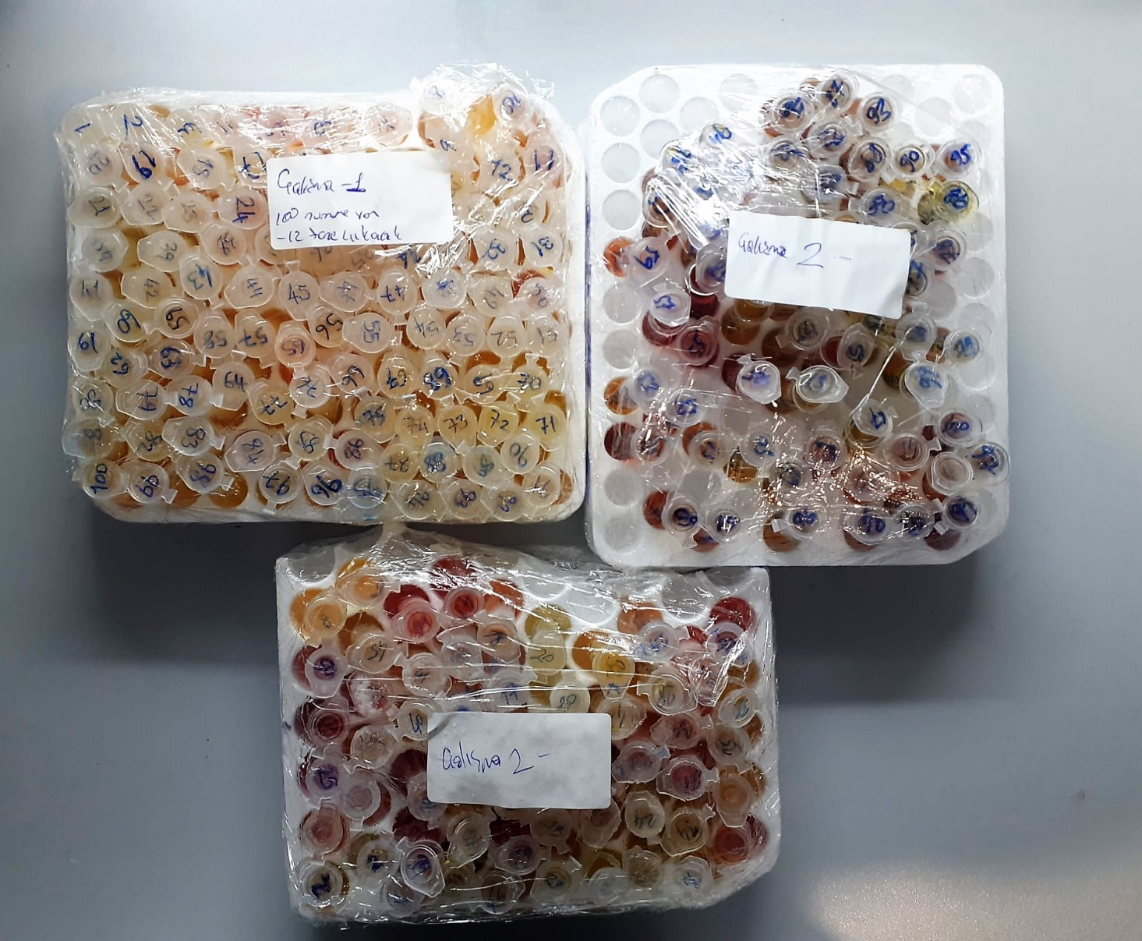
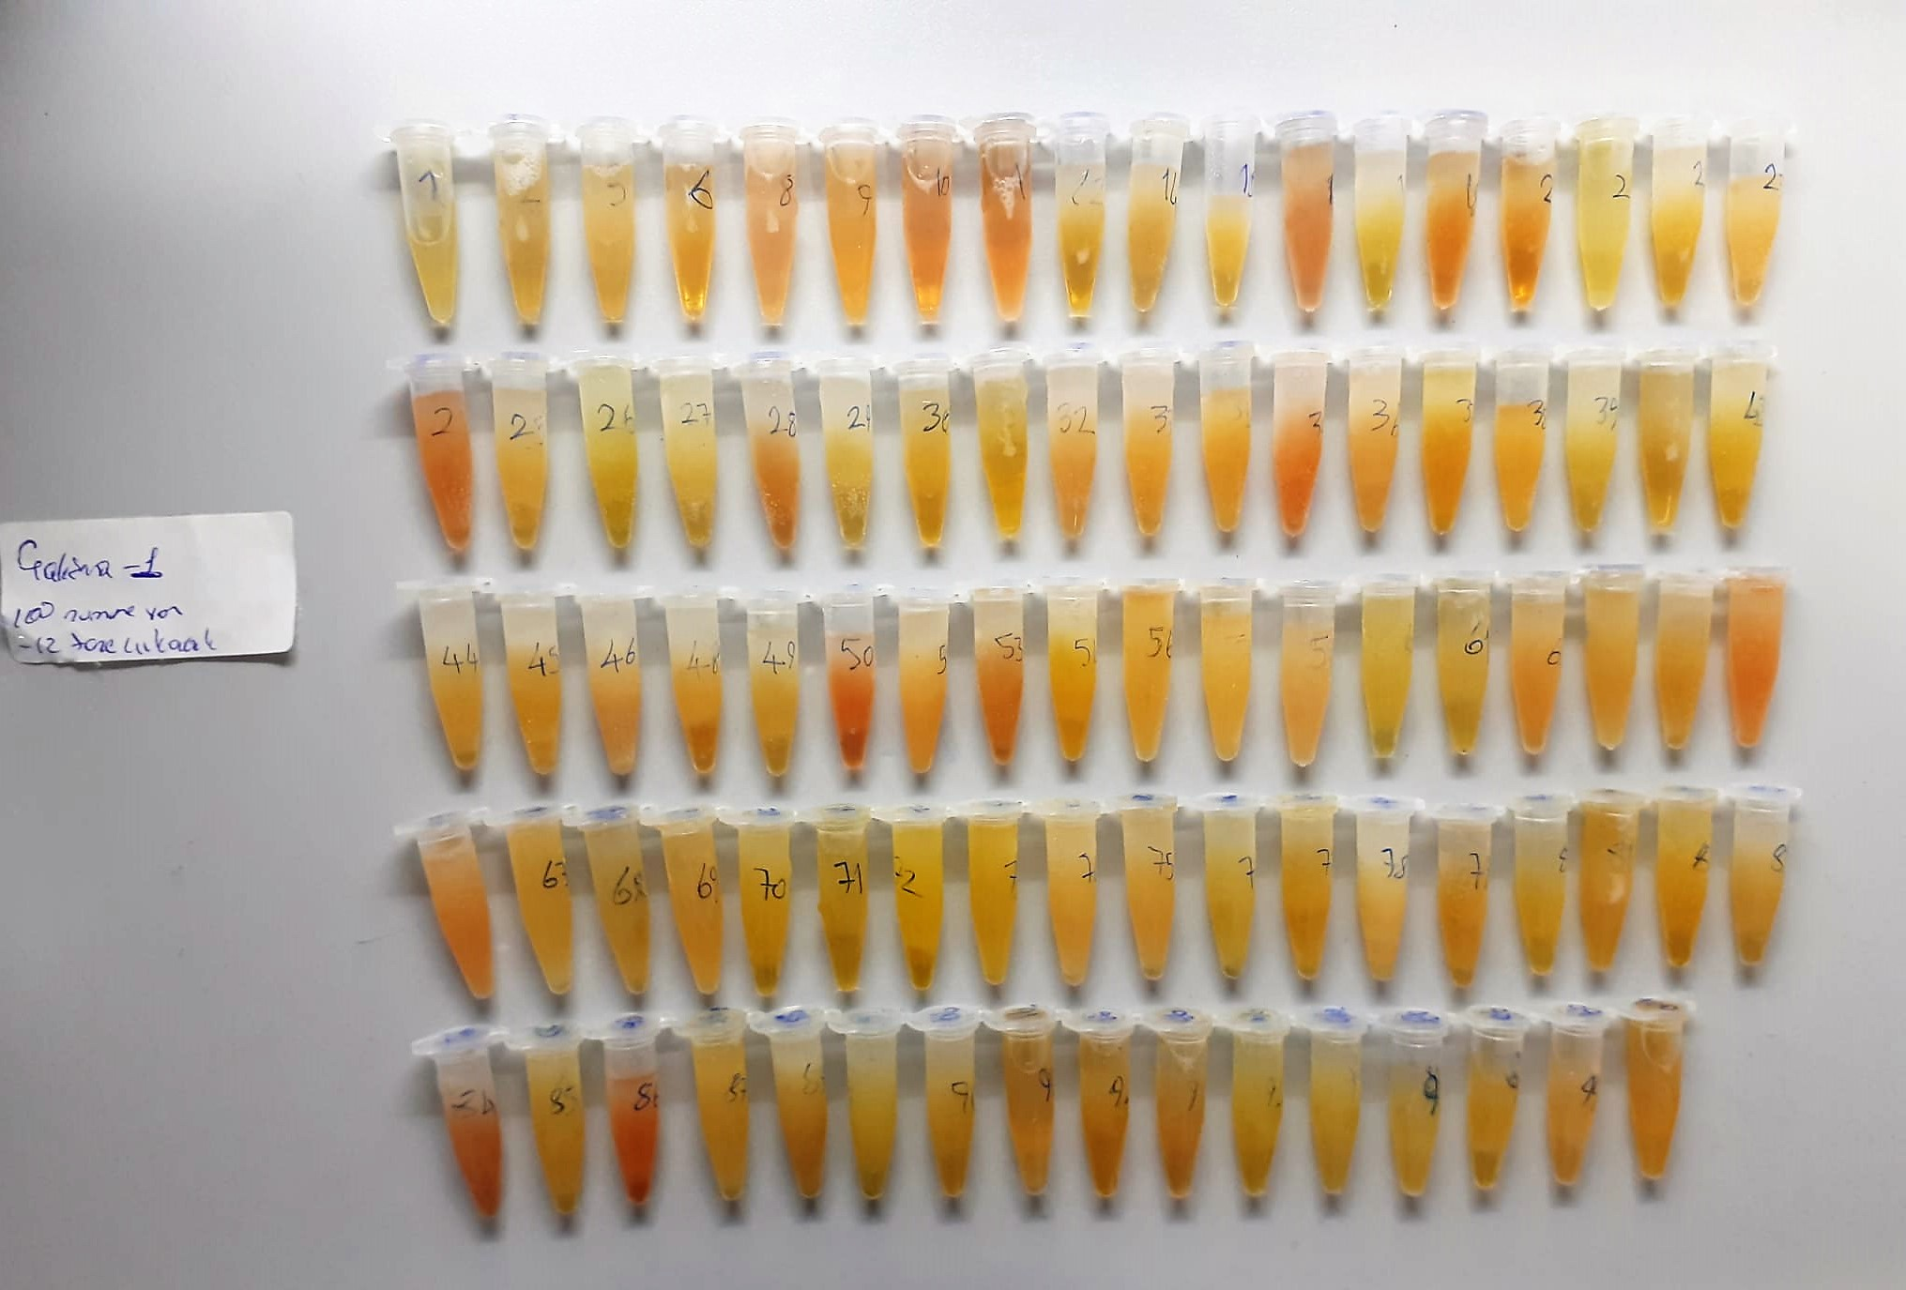

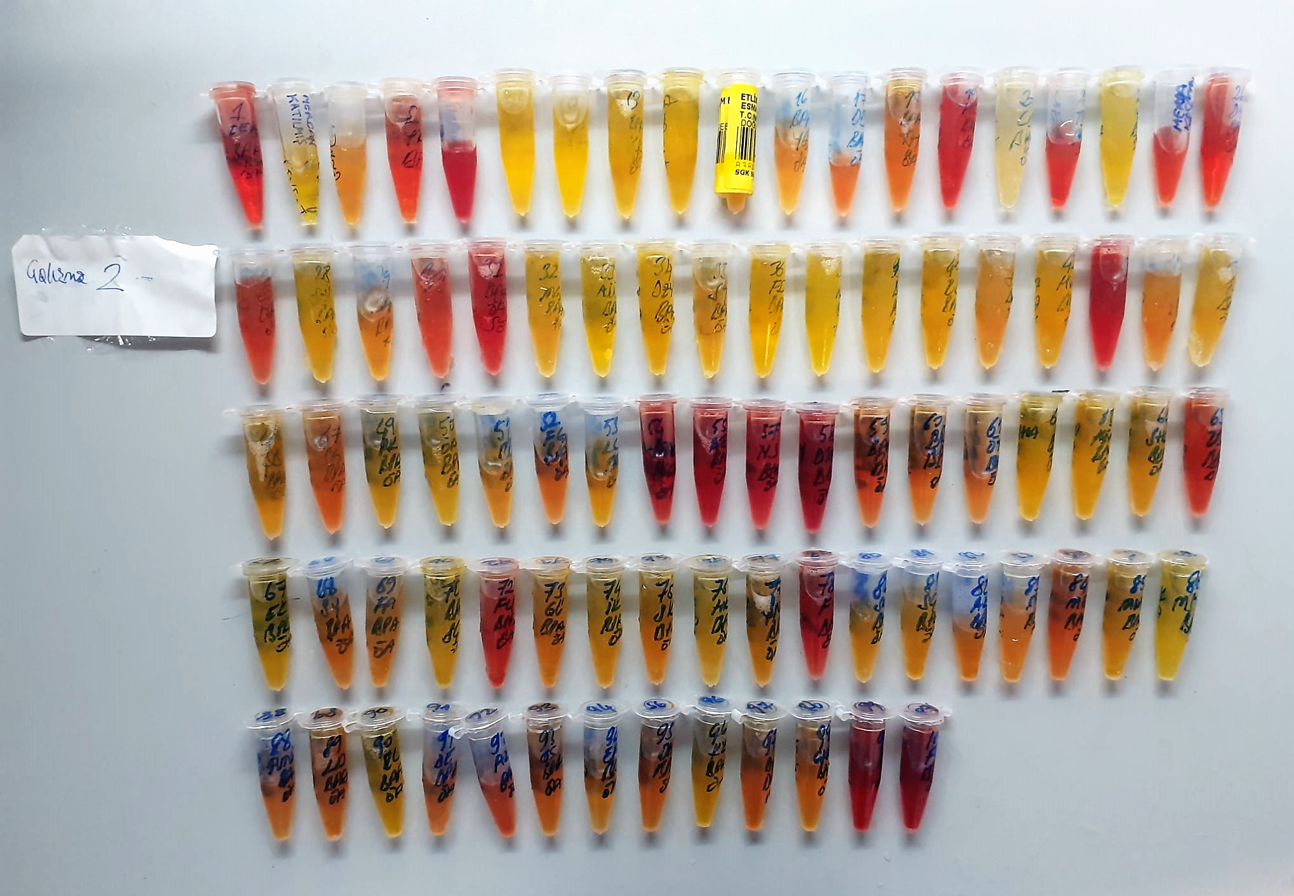

Human Bisphenol A Assay Principle
This kit is an Enzyme-Linked Immunosorbent Assay (ELISA). The plate has been pre-coated with Rat BPA antibody. BPA present in the sample is added and binds to antibodies coated on the wells.
And then biotinylated Rat BPA Antibody is added and binds to BPA in the sample. Then Streptavidin-HRP is added and binds to the Biotinylated BPA antibody.
After incubation unbound Streptavidin-HRP is washed away during a washing step. Substrate solution is then added and color develops in proportion to the amount of Rat BPA.
The reaction is terminated by addition of acidic stop solution and absorbance is measured at 450 nm.

