Asprosin-plate-1
1.957 | 2.037 | 0.426 | 0.737 | 0.465 | 1.078 | 0.878 | 2.152 | 0.507 | 0.204 | 2.771 | 0.537
1.028 | 0.707 | 0.38 | 2.233 | 0.443 | 0.509 | 0.66 | 2.025 | 0.464 | 2.327 | 0.536 | 0.651
0.583 | 0.458 | 1.844 | 0.517 | 0.498 | 0.596 | 1.463 | 2.235 | 2.586 | 0.392 | 0.545 | 2.764
0.397 | 0.334 | 0.391 | 0.597 | 0.442 | 1.096 | 0.484 | 0.483 | 0.476 | 0.403 | 0.541 | 0.624
0.278 | 0.371 | 0.488 | 2.497 | 0.746 | 0.675 | 2.849 | 0.918 | 0.566 | 0.48 | 0.552 | 0.582
0.087 | 2.122 | 1.134 | 0.526 | 2.669 | 0.44 | 2.436 | 0.524 | 0.545 | 0.441 | 0.8 | 0.502
2.633 | 0.433 | 0.573 | 0.493 | 2.228 | 0.523 | 0.624 | 0.502 | 0.534 | 1.957 | 0.458 | 0.748
0.397 | 0.442 | 0.434 | 0.396 | 2.337 | 2.573 | 0.555 | 0.46 | 0.087 | 0.658 | 1.347 | 1.587

Asprosin
 | abs | abs-blank | expected | result
std1 | 1.957 | 1.87 | 64 | 64.19
std2 | 1.028 | 0.941 | 32 | 31.16
std3 | 0.583 | 0.496 | 16 | 15.66
std4 | 0.397 | 0.31 | 8 | 9.23
std5 | 0.278 | 0.191 | 4 | 5.14
blank | 0.087 | 0 | 0 | -1.39

 |  |  |  |  |  |  |  | concentratıon (ng/ml)

Numune Prt.No | absorbans | blank | abs-blank | Result (ng/ml)
29205265 | 2.633 | 0.087 | 2.546 | 88.77
29259531 | 0.397 | 0.087 | 0.31 | 9.23
2821..32 | 2.037 | 0.087 | 1.95 | 67.08
29212784 | 0.707 | 0.087 | 0.62 | 19.96
29217471 | 0.458 | 0.087 | 0.371 | 11.34
29215976 | 0.334 | 0.087 | 0.247 | 7.07
29229023 | 0.371 | 0.087 | 0.284 | 8.34
29229125 | 2.122 | 0.087 | 2.035 | 70.15
29255915 | 0.433 | 0.087 | 0.346 | 10.47
29255611 | 0.442 | 0.087 | 0.355 | 10.79
29256210 | 0.426 | 0.087 | 0.339 | 10.23
29256077 | 0.38 | 0.087 | 0.293 | 8.65
29197966 | 1.844 | 0.087 | 1.757 | 60.13
29264941 | 0.391 | 0.087 | 0.304 | 9.03
29224186 | 0.488 | 0.087 | 0.401 | 12.37
29221070 | 1.134 | 0.087 | 1.047 | 34.89
29260866 | 0.573 | 0.087 | 0.486 | 15.31
29225784 | 0.434 | 0.087 | 0.347 | 10.51
29229201 | 0.737 | 0.087 | 0.65 | 21.00
29259652 | 2.233 | 0.087 | 2.146 | 74.17
29292602 | 0.517 | 0.087 | 0.43 | 13.37
29263938 | 0.597 | 0.087 | 0.51 | 16.14
29234268 | 2.497 | 0.087 | 2.41 | 83.79
29265207 | 0.526 | 0.087 | 0.439 | 13.69
29268461 | 0.493 | 0.087 | 0.406 | 12.55
29264435 | 0.396 | 0.087 | 0.309 | 9.20
29265248 | 0.465 | 0.087 | 0.378 | 11.58
29256999 | 0.443 | 0.087 | 0.356 | 10.82
29255556 | 0.498 | 0.087 | 0.411 | 12.72
29260872 | 0.442 | 0.087 | 0.355 | 10.79
29270597 | 0.746 | 0.087 | 0.659 | 21.31
29231764 | 2.669 | 0.087 | 2.582 | 90.10
29273906 | 2.228 | 0.087 | 2.141 | 73.99
29222077 | 2.337 | 0.087 | 2.25 | 77.95
29229120 | 1.078 | 0.087 | 0.991 | 32.92
29240680 | 0.509 | 0.087 | 0.422 | 13.10
29265825 | 0.596 | 0.087 | 0.509 | 16.11
29272707 | 1.096 | 0.087 | 1.009 | 33.55
29265044 | 0.675 | 0.087 | 0.588 | 18.85
29304517 | 0.44 | 0.087 | 0.353 | 10.72
29220715 | 0.523 | 0.087 | 0.436 | 13.58
29270817 | 2.573 | 0.087 | 2.486 | 86.57
29276804 | 0.878 | 0.087 | 0.791 | 25.91
29266289 | 0.66 | 0.087 | 0.573 | 18.33
29273659 | 1.463 | 0.087 | 1.376 | 46.52
29269902 | 0.484 | 0.087 | 0.397 | 12.23
29276226 | 2.849 | 0.087 | 2.762 | 96.73
29273060 | 2.436 | 0.087 | 2.349 | 81.56
29270468 | 0.624 | 0.087 | 0.537 | 17.08
29248195 | 0.555 | 0.087 | 0.468 | 14.69
29275252 | 2.152 | 0.087 | 2.065 | 71.23
29275137 | 2.025 | 0.087 | 1.938 | 66.64
29278485 | 2.235 | 0.087 | 2.148 | 74.24
29273490 | 0.483 | 0.087 | 0.396 | 12.20
29273306 | 0.918 | 0.087 | 0.831 | 27.31
29277378 | 0.524 | 0.087 | 0.437 | 13.62
29273151 | 0.502 | 0.087 | 0.415 | 12.86
29251008 | 0.46 | 0.087 | 0.373 | 11.41
29240692 | 0.507 | 0.087 | 0.42 | 13.03
29226328 | 0.464 | 0.087 | 0.377 | 11.54
29278591 | 2.586 | 0.087 | 2.499 | 87.05
29281753 | 0.476 | 0.087 | 0.389 | 11.96
29281204 | 0.566 | 0.087 | 0.479 | 15.07
29285517 | 0.545 | 0.087 | 0.458 | 14.34
29280964 | 0.534 | 0.087 | 0.447 | 13.96
29235075 | 0.087 | 0.087 | 0 | -1.39
29292542 | 0.204 | 0.087 | 0.117 | 2.61
29293350 | 2.327 | 0.087 | 2.24 | 77.59
29273277 | 0.392 | 0.087 | 0.305 | 9.06
29305196 | 0.403 | 0.087 | 0.316 | 9.44
29286369 | 0.48 | 0.087 | 0.393 | 12.10
29283132 | 0.441 | 0.087 | 0.354 | 10.75
29286753 | 1.957 | 0.087 | 1.87 | 64.19
29288753 | 0.658 | 0.087 | 0.571 | 18.26
29285058 | 2.771 | 0.087 | 2.684 | 93.85
29285047 | 0.536 | 0.087 | 0.449 | 14.03
29286984 | 0.545 | 0.087 | 0.458 | 14.34
29293438 | 0.541 | 0.087 | 0.454 | 14.20
29289470 | 0.552 | 0.087 | 0.465 | 14.58
29292586 | 0.8 | 0.087 | 0.713 | 23.19
29248442 | 0.458 | 0.087 | 0.371 | 11.34
29288735 | 1.347 | 0.087 | 1.26 | 42.41
29292939 | 0.537 | 0.087 | 0.45 | 14.07
29234263 | 0.651 | 0.087 | 0.564 | 18.01
29293214 | 2.764 | 0.087 | 2.677 | 93.59
29305295 | 0.624 | 0.087 | 0.537 | 17.08
29303804 | 0.582 | 0.087 | 0.495 | 15.62
29304122 | 0.502 | 0.087 | 0.415 | 12.86
29255724 | 0.748 | 0.087 | 0.661 | 21.38
29285145 | 1.587 | 0.087 | 1.5 | 50.93

Asprosin-plate-2
1.601 | 2.405 | 0.473 | 0.563 | 0.44 | 0.68 | 0.709 | 1.426 | 0.512 | 0.714 | 0.388 | 2.644
1.081 | 1.006 | 0.466 | 1.543 | 2.624 | 0.831 | 2.45 | 0.527 | 2.938 | 0.525 | 2.613 | 0.755
0.675 | 0.563 | 0.47 | 0.795 | 0.591 | 0.503 | 1.897 | 2.348 | 1.064 | 0.755 | 2.911 | 2.095
0.455 | 0.615 | 0.607 | 0.471 | 0.563 | 0.556 | 1.346 | 0.726 | 2.934 | 0.547 | 2.557 | 0.349
0.254 | 0.595 | 0.516 | 1.432 | 0.521 | 0.531 | 0.921 | 1.042 | 1.674 | 0.553 | 0.868 | 1.573
0.081 | 0.873 | 2.979 | 0.647 | 2.042 | 1.864 | 0.672 | 0.499 | 0.671 | 0.932 | 2.146 | 1.899
2.736 | 1.244 | 0.802 | 0.759 | 2.787 | 2.503 | 0.654 | 2.39 | 0.632 | 2.425 | 2.849 | 1.355
2.975 | 0.638 | 1.995 | 0.484 | 0.665 | 2.967 | 1.952 | 0.708 | 1.442 | 0.625 | 2.928 | 0.555

Asprosin
 | abs | abs-blank | expected | result
std1 | 1.601 | 1.52 | 64 | 63.77
std2 | 1.081 | 1 | 32 | 32.75
std3 | 0.675 | 0.594 | 16 | 15.29
std4 | 0.455 | 0.374 | 8 | 8.31
std5 | 0.254 | 0.173 | 4 | 3.45
blank | 0.081 | 0 | 0 | 0.43

 |  |  |  |  |  |  |  |  |  | concentratıon (ng/ml)

Numune Prt.No | absorbans | blank | abs-blank | Result (ng/ml)
29305221 | 2.736 | 0.081 | 2.655 | 165.30
29299047 | 2.975 | 0.081 | 2.894 | 192.59
29292796 | 2.405 | 0.081 | 2.324 | 130.90
29262569 | 1.006 | 0.081 | 0.925 | 29.07
29300451 | 0.563 | 0.081 | 0.482 | 11.52
29292812 | 0.615 | 0.081 | 0.534 | 13.21
29292937 | 0.595 | 0.081 | 0.514 | 12.55
29272874 | 0.873 | 0.081 | 0.792 | 23.06
29289918 | 1.244 | 0.081 | 1.163 | 41.43
29284625 | 0.638 | 0.081 | 0.557 | 13.99
28976828 | 0.473 | 0.081 | 0.392 | 8.81
29978231 | 0.466 | 0.081 | 0.385 | 8.61
28979191 | 0.47 | 0.081 | 0.389 | 8.73
28975355 | 0.607 | 0.081 | 0.526 | 12.94
28981642 | 0.516 | 0.081 | 0.435 | 10.07
29185855 | 2.979 | 0.081 | 2.898 | 193.06
28503912 | 0.802 | 0.081 | 0.721 | 20.11
28563111 | 1.995 | 0.081 | 1.914 | 93.76
28555608 | 0.563 | 0.081 | 0.482 | 11.52
28531518 | 1.543 | 0.081 | 1.462 | 59.83
29133419 | 0.795 | 0.081 | 0.714 | 19.83
29189361 | 0.471 | 0.081 | 0.39 | 8.76
29186353 | 1.432 | 0.081 | 1.351 | 52.62
29186413 | 0.647 | 0.081 | 0.566 | 14.30
29186870 | 0.759 | 0.081 | 0.678 | 18.41
29165340 | 0.484 | 0.081 | 0.403 | 9.13
29153423 | 0.44 | 0.081 | 0.359 | 7.89
29152919 | 2.624 | 0.081 | 2.543 | 153.22
29152408 | 0.591 | 0.081 | 0.51 | 12.42
29152301 | 0.563 | 0.081 | 0.482 | 11.52
29186394 | 0.521 | 0.081 | 0.44 | 10.22
29180410 | 2.042 | 0.081 | 1.961 | 97.71
29187265 | 2.787 | 0.081 | 2.706 | 170.95
29190251 | 0.665 | 0.081 | 0.584 | 14.93
29160922 | 0.68 | 0.081 | 0.599 | 15.47
29189337 | 0.831 | 0.081 | 0.75 | 21.29
29155859 | 0.503 | 0.081 | 0.422 | 9.68
29152820 | 0.556 | 0.081 | 0.475 | 11.30
29147325 | 0.531 | 0.081 | 0.45 | 10.52
29152806 | 1.864 | 0.081 | 1.783 | 83.17
29193318 | 2.503 | 0.081 | 2.422 | 140.67
29196611 | 2.967 | 0.081 | 2.886 | 191.64
29185698 | 0.709 | 0.081 | 0.628 | 16.52
29138097 | 2.45 | 0.081 | 2.369 | 135.35
29146512 | 1.897 | 0.081 | 1.816 | 85.78
29190136 | 1.346 | 0.081 | 1.265 | 47.34
29179943 | 0.921 | 0.081 | 0.84 | 25.16
29186693 | 0.672 | 0.081 | 0.591 | 15.18
29153069 | 0.654 | 0.081 | 0.573 | 14.55
29160100 | 1.952 | 0.081 | 1.871 | 90.22
29196604 | 1.426 | 0.081 | 1.345 | 52.24
29196891 | 0.527 | 0.081 | 0.446 | 10.40
29196617 | 2.348 | 0.081 | 2.267 | 125.38
29196924 | 0.726 | 0.081 | 0.645 | 17.16
29187479 | 1.042 | 0.081 | 0.961 | 30.81
291377637 | 0.499 | 0.081 | 0.418 | 9.56
29198311 | 2.39 | 0.081 | 2.309 | 129.44
29197302 | 0.708 | 0.081 | 0.627 | 16.49
29187395 | 0.512 | 0.081 | 0.431 | 9.95
29197740 | 2.938 | 0.081 | 2.857 | 188.23
29098844 | 1.064 | 0.081 | 0.983 | 31.90
29206533 | 2.934 | 0.081 | 2.853 | 187.76
29195609 | 1.674 | 0.081 | 1.593 | 68.91
29170718 | 0.671 | 0.081 | 0.59 | 15.15
29202078 | 0.632 | 0.081 | 0.551 | 13.79
29205295 | 1.442 | 0.081 | 1.361 | 53.25
28103784 | 0.714 | 0.081 | 0.633 | 16.71
29205123 | 0.525 | 0.081 | 0.444 | 10.34
29197387 | 0.755 | 0.081 | 0.674 | 18.26
28084902 | 0.547 | 0.081 | 0.466 | 11.01
29206906 | 0.553 | 0.081 | 0.472 | 11.20
29206126 | 0.932 | 0.081 | 0.851 | 25.65
29206122 | 2.425 | 0.081 | 2.344 | 132.87
29181429 | 0.625 | 0.081 | 0.544 | 13.55
29205881 | 0.388 | 0.081 | 0.307 | 6.53
29205131 | 2.613 | 0.081 | 2.532 | 152.06
29205649 | 2.911 | 0.081 | 2.83 | 185.08
28118136 | 2.557 | 0.081 | 2.476 | 146.21
28119326 | 0.868 | 0.081 | 0.787 | 22.85
29196933 | 2.146 | 0.081 | 2.065 | 106.74
28119213 | 2.849 | 0.081 | 2.768 | 177.94
28103868 | 2.928 | 0.081 | 2.847 | 187.06
28093344 | 2.644 | 0.081 | 2.563 | 155.34
28103775 | 0.755 | 0.081 | 0.674 | 18.26
28093948 | 2.095 | 0.081 | 2.014 | 102.26
28066465 | 0.349 | 0.081 | 0.268 | 5.56
28092035 | 1.573 | 0.081 | 1.492 | 61.85
29155023 | 1.899 | 0.081 | 1.818 | 85.94
28079014 | 1.355 | 0.081 | 1.274 | 47.88
28079541 | 0.555 | 0.081 | 0.474 | 11.26

Asprosin-plate-3
1.683 | 0.333 | 0.489 | 0.264 | 0.52 | 0.612 | 0.472
0.981 | 0.311 | 0.339 | 0.126 | 0.353 | 0.329 | 0.193
0.611 | 0.479 | 0.424 | 0.156 | 0.293 | 0.381 | 0.269
0.432 | 0.432 | 0.484 | 0.358 | 0.229 | 0.326 | 0.403
0.234 | 0.264 | 0.47 | 0.35 | 0.282 | 0.38 | 0.375
0.08 | 0.341 | 0.175 | 0.341 | 0.255 | 0.325 | 0.365
Asprosin
0.331 | 0.189 | 0.254 | 0.357 | 0.249 | 0.543 | 0.607
0.137 | 0.164 | 0.185 | 0.143 | 0.22 | 0.319 | 0.49

 | abs | abs-blank | expected | result
std1 | 1.683 | 1.603 | 64 | 64.32
std2 | 0.981 | 0.901 | 32 | 30.63
std3 | 0.611 | 0.531 | 16 | 16.14
std4 | 0.432 | 0.352 | 8 | 9.94
std5 | 0.234 | 0.154 | 4 | 3.69
blank | 0.08 | 0 | 0 | -0.73

 |  |  |  |  |  |  | concentratıon (ng/ml)

Numune Prt.No | absorbans | blank | abs-blank | Result (ng/ml)
29154062 | 0.331 | 0.08 | 0.251 | 6.67
28077854 | 0.137 | 0.08 | 0.057 | 0.86
28078703 | 0.333 | 0.08 | 0.253 | 6.73
28078019 | 0.311 | 0.08 | 0.231 | 6.04
28079155 | 0.479 | 0.08 | 0.399 | 11.51
28040397 | 0.432 | 0.08 | 0.352 | 9.94
28104553 | 0.264 | 0.08 | 0.184 | 4.59
28067352 | 0.341 | 0.08 | 0.261 | 6.98
28056669 | 0.189 | 0.08 | 0.109 | 2.36
28053622 | 0.164 | 0.08 | 0.084 | 1.63
28035915 | 0.489 | 0.08 | 0.409 | 11.85
28029299 | 0.339 | 0.08 | 0.259 | 6.92
28037115 | 0.424 | 0.08 | 0.344 | 9.67
28040230 | 0.484 | 0.08 | 0.404 | 11.68
28064995 | 0.47 | 0.08 | 0.39 | 11.21
28034810 | 0.175 | 0.08 | 0.095 | 1.95
28048818 | 0.254 | 0.08 | 0.174 | 4.29
28047187 | 0.185 | 0.08 | 0.105 | 2.24
28047454 | 0.264 | 0.08 | 0.184 | 4.59
29126590 | 0.126 | 0.08 | 0.046 | 0.55
29076993 | 0.156 | 0.08 | 0.076 | 1.40
29304644 | 0.358 | 0.08 | 0.278 | 7.53
29299702 | 0.35 | 0.08 | 0.27 | 7.27
29299970 | 0.341 | 0.08 | 0.261 | 6.98
29303608 | 0.357 | 0.08 | 0.277 | 7.49
29299440 | 0.143 | 0.08 | 0.063 | 1.03
29304030 | 0.52 | 0.08 | 0.44 | 12.92
29304876 | 0.353 | 0.08 | 0.273 | 7.37
29304438 | 0.293 | 0.08 | 0.213 | 5.48
29252161 | 0.229 | 0.08 | 0.149 | 3.54
29302066 | 0.282 | 0.08 | 0.202 | 5.14
29301867 | 0.255 | 0.08 | 0.175 | 4.32
29301446 | 0.249 | 0.08 | 0.169 | 4.14
29301162 | 0.22 | 0.08 | 0.14 | 3.27
29313885 | 0.612 | 0.08 | 0.532 | 16.18
29308895 | 0.329 | 0.08 | 0.249 | 6.61
29309040 | 0.381 | 0.08 | 0.301 | 8.27
29310121 | 0.326 | 0.08 | 0.246 | 6.51
29309681 | 0.38 | 0.08 | 0.3 | 8.23
29309168 | 0.325 | 0.08 | 0.245 | 6.48
29313669 | 0.543 | 0.08 | 0.463 | 13.72
29243474 | 0.319 | 0.08 | 0.239 | 6.29
29310769 | 0.472 | 0.08 | 0.392 | 11.28
29013360 | 0.193 | 0.08 | 0.113 | 2.47
29173062 | 0.269 | 0.08 | 0.189 | 4.75
29144181 | 0.403 | 0.08 | 0.323 | 8.98
29310717 | 0.375 | 0.08 | 0.295 | 8.07
29310738 | 0.365 | 0.08 | 0.285 | 7.75
29315335 | 0.607 | 0.08 | 0.527 | 16.00
29255495 | 0.49 | 0.08 | 0.41 | 11.89

Materyal-metod
KİT ADI | TÜR | MARKA | CAT. NO | Yöntem | Kullanılan Cihaz
Asprosin | Human | BT | E4095Hu | Kolorimetrik | Mıcroplate reader: BIO-TEK EL X 800-Aotu strıp washer:BIO TEK EL X 50

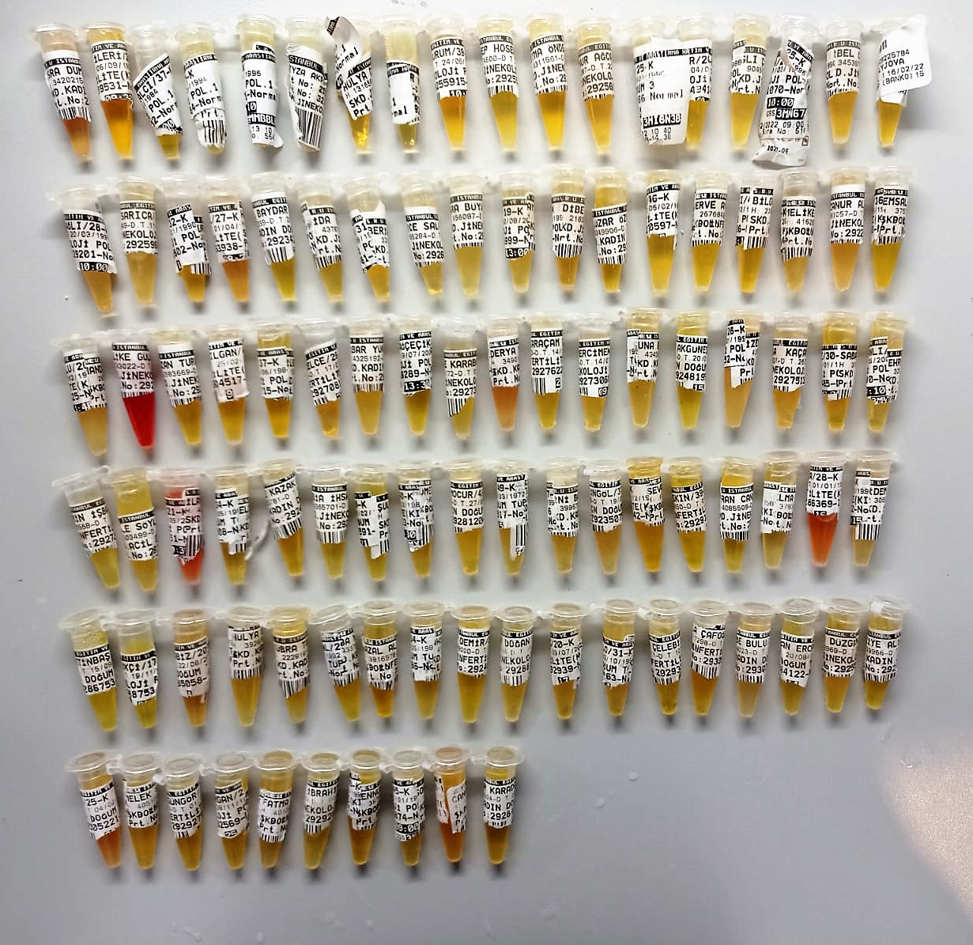
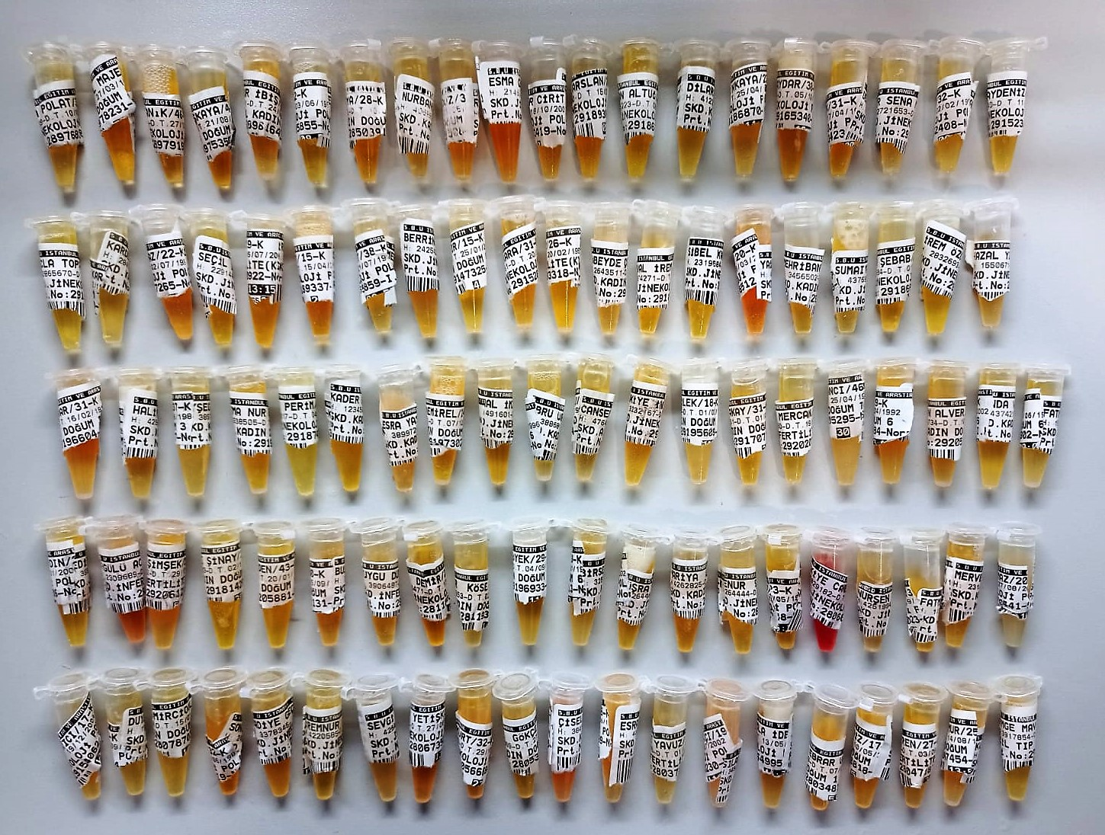

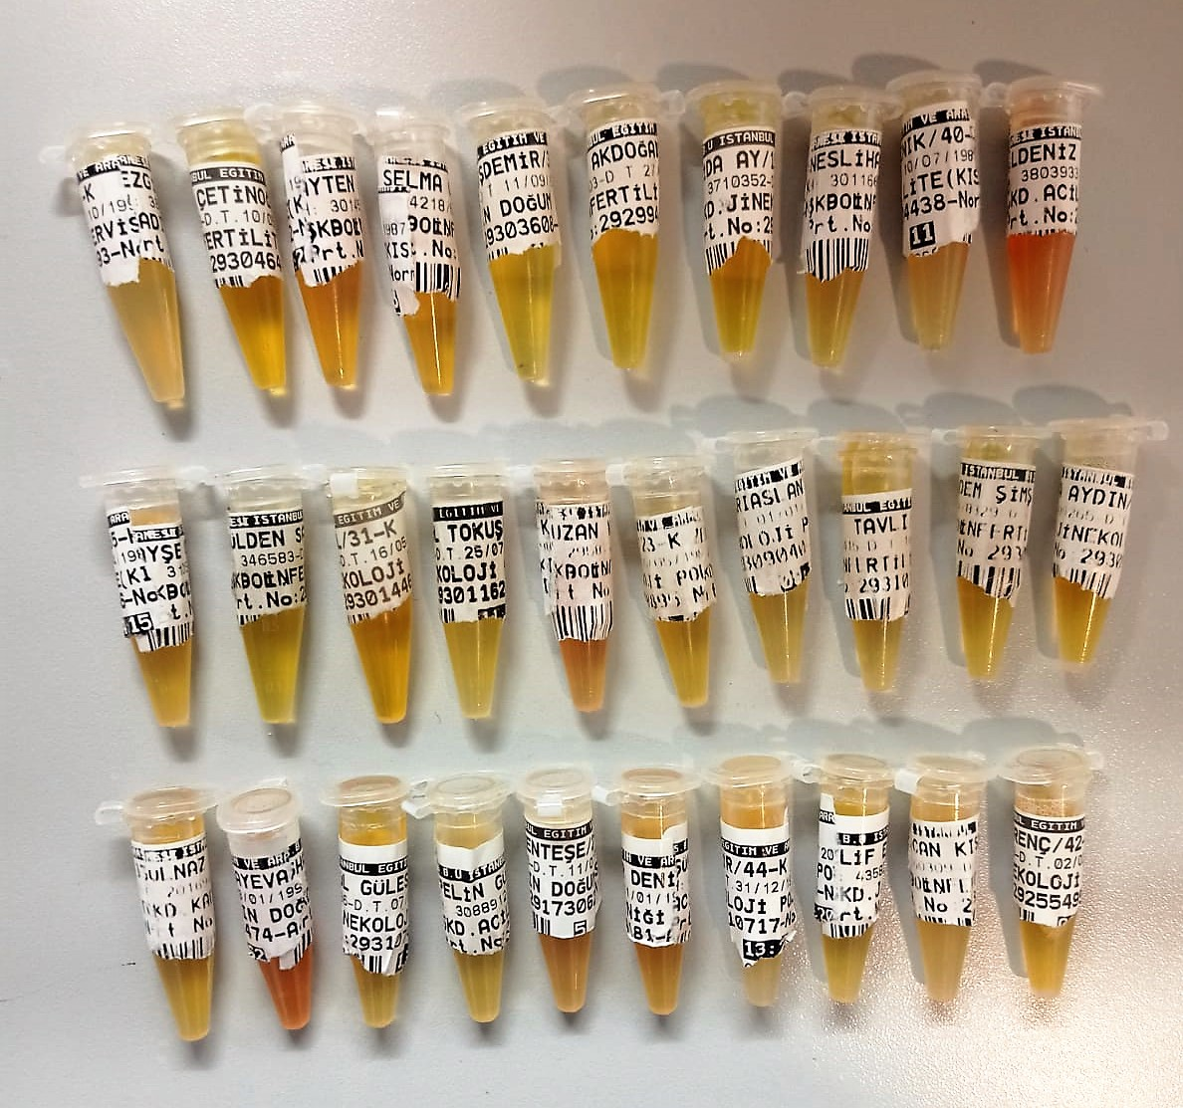

Human Asprosin Assay Principle
This kit is an Enzyme-Linked Immunosorbent Assay (ELISA). The plate has been pre-coated with Human ASPROSIN antibody. ASPROSIN present in the sample is added and binds to antibodies coated on the wells.
And then biotinylated Human ASPROSIN Antibody is added and binds to ASPROSIN in the sample. Then Streptavidin-HRP is added and binds to the Biotinylated ASPROSIN antibody.
After incubation unbound Streptavidin-HRP is washed away during a washing step. Substrate solution is then added and color develops in proportion to the amount of Human ASPROSIN.
The reaction is terminated by addition of acidic stop solution and absorbance is measured at 450 nm.

