FSH
0.136 | 0.749 | 0.9 | 0.844 | 0.739
0.586 | 0.887 | 0.775 | 0.906 | 0.856
0.901 | 0.589 | 0.897 | 0.931 | 0.904
1.14 | 0.824 | 0.816 | 0.791 | 0.655
1.618 | 0.644 | 0.952 | 0.615 | 0.695
0.089 | 0.771 | 0.679 | 0.754 | 0.499
FSH
 | 0.863 | 0.905 | 1.273 | 0.043
 | 0.66 | 0.9 | 0.732 | 0.044

 | abs | abs-blank | expected | result
std1 | 0.136 | 0.047 | 12.8 | 12.84
std2 | 0.586 | 0.497 | 6.4 | 6.30
std3 | 0.901 | 0.812 | 3.2 | 3.21
std4 | 1.14 | 1.051 | 1.6 | 1.69
std5 | 1.618 | 1.529 | 0.8 | 0.77
blank | 0.089 | 0 | 0 | 0.00
 |  |  |  |  | concentration (mlU/ml)

Numune | absorbans | blank | abs-blank | result(mlU/ml)
K-1 | 0.749 | 0.089 | 0.66 | 4.55
K-2 | 0.887 | 0.089 | 0.798 | 3.32
K-3 | 0.589 | 0.089 | 0.5 | 6.26
K-4 | 0.824 | 0.089 | 0.735 | 3.85
K-5 | 0.644 | 0.089 | 0.555 | 5.64
S-1 | 0.771 | 0.089 | 0.682 | 4.34
S-2 | 0.863 | 0.089 | 0.774 | 3.52
S-3 | 0.66 | 0.089 | 0.571 | 5.46
S-4 | 0.9 | 0.089 | 0.811 | 3.22
S-5 | 0.775 | 0.089 | 0.686 | 4.30
A-1 | 0.897 | 0.089 | 0.808 | 3.24
A-2 | 0.816 | 0.089 | 0.727 | 3.92
A-3 | 0.952 | 0.089 | 0.863 | 2.83
A-4 | 0.679 | 0.089 | 0.59 | 5.26
A-5 | 0.905 | 0.089 | 0.816 | 3.18
A-6 | 0.9 | 0.089 | 0.811 | 3.22
A-7 | 0.844 | 0.089 | 0.755 | 3.68
A-8 | 0.906 | 0.089 | 0.817 | 3.17
A-9 | 0.931 | 0.089 | 0.842 | 2.98
A-10 | 0.791 | 0.089 | 0.702 | 4.15
V-1 | 0.615 | 0.089 | 0.526 | 5.96
V-2 | 0.754 | 0.089 | 0.665 | 4.50
V-3 | 1.273 | 0.089 | 1.184 | 1.15
V-4 | 0.732 | 0.089 | 0.643 | 4.71
V-5 | 0.739 | 0.089 | 0.65 | 4.64
V-6 | 0.856 | 0.089 | 0.767 | 3.58
V-7 | 0.904 | 0.089 | 0.815 | 3.19
V-8 | 0.655 | 0.089 | 0.566 | 5.52
V-9 | 0.695 | 0.089 | 0.606 | 5.09
V-10 | 0.499 | 0.089 | 0.41 | 7.37

LH
0.105 | 0.555 | 0.577 | 0.589 | 0.509
0.544 | 0.76 | 0.526 | 0.824 | 0.592
0.965 | 0.617 | 0.641 | 0.764 | 0.6
1.199 | 0.689 | 0.645 | 0.72 | 0.549
1.633 | 0.437 | 0.572 | 0.606 | 0.579
0.075 | 0.612 | 0.428 | 0.653 | 0.423
LH
 | 0.635 | 0.691 | 1.117 | 0.049
 | 0.523 | 0.519 | 0.729 | 0.049

 | abs | abs-blank | expected | result
std1 | 0.105 | 0.03 | 64 | 63.49
std2 | 0.544 | 0.469 | 32 | 33.51
std3 | 0.965 | 0.89 | 16 | 14.57
std4 | 1.199 | 1.124 | 8 | 8.20
std5 | 1.633 | 1.558 | 4 | 4.22
blank | 0.075 | 0 | 0 | 0.00

 |  |  |  |  | concentration (mlU/ml)

Numune | absorbans | blank | abs-blank | result(mlU/ml)
K-1 | 0.555 | 0.075 | 0.48 | 32.90
K-2 | 0.76 | 0.075 | 0.685 | 22.60
K-3 | 0.617 | 0.075 | 0.542 | 29.54
K-4 | 0.689 | 0.075 | 0.614 | 25.91
K-5 | 0.437 | 0.075 | 0.362 | 39.86
S-1 | 0.612 | 0.075 | 0.537 | 29.80
S-2 | 0.635 | 0.075 | 0.56 | 28.61
S-3 | 0.523 | 0.075 | 0.448 | 34.71
S-4 | 0.577 | 0.075 | 0.502 | 31.68
S-5 | 0.526 | 0.075 | 0.451 | 34.54
A-1 | 0.641 | 0.075 | 0.566 | 28.30
A-2 | 0.645 | 0.075 | 0.57 | 28.10
A-3 | 0.572 | 0.075 | 0.497 | 31.96
A-4 | 0.428 | 0.075 | 0.353 | 40.42
A-5 | 0.691 | 0.075 | 0.616 | 25.81
A-6 | 0.519 | 0.075 | 0.444 | 34.94
A-7 | 0.589 | 0.075 | 0.514 | 31.03
A-8 | 0.824 | 0.075 | 0.749 | 19.85
A-9 | 0.764 | 0.075 | 0.689 | 22.42
A-10 | 0.72 | 0.075 | 0.645 | 24.43
V-1 | 0.606 | 0.075 | 0.531 | 30.12
V-2 | 0.653 | 0.075 | 0.578 | 27.69
V-3 | 1.117 | 0.075 | 1.042 | 10.10
V-4 | 0.729 | 0.075 | 0.654 | 24.01
V-5 | 0.509 | 0.075 | 0.434 | 35.52
V-6 | 0.592 | 0.075 | 0.517 | 30.87
V-7 | 0.6 | 0.075 | 0.525 | 30.44
V-8 | 0.549 | 0.075 | 0.474 | 33.23
V-9 | 0.579 | 0.075 | 0.504 | 31.57
V-10 | 0.423 | 0.075 | 0.348 | 40.73

TESTOSTERONE
0.176 | 0.817 | 0.852 | 0.78 | 0.679
0.681 | 0.823 | 0.745 | 0.976 | 0.873
1.018 | 0.662 | 0.833 | 0.883 | 0.949
1.382 | 0.769 | 0.9 | 0.841 | 0.643
1.783 | 0.654 | 0.765 | 0.726 | 0.669
0.081 | 0.691 | 0.643 | 0.744 | 0.481
0.071 | 0.726 | 0.851 | 1.269 | 0.192
TESTOSTERONE
0.043 | 0.662 | 0.74 | 0.778 | 0.161

 | abs | abs-blank | expected | result
std1 | 0.176 | 0.095 | 24 | 24.01
std2 | 0.681 | 0.6 | 12 | 11.85
std3 | 1.018 | 0.937 | 6 | 6.34
std4 | 1.382 | 1.301 | 3 | 2.73
std5 | 1.783 | 1.702 | 1.5 | 1.58
blank | 0.081 | 0 | 0 | 26.83

 |  |  |  |  | concentration (ng/ml)

Numune | absorbans | blank | abs-blank | result(ng/ml)
K-1 | 0.817 | 0.081 | 0.736 | 9.37
K-2 | 0.823 | 0.081 | 0.742 | 9.27
K-3 | 0.662 | 0.081 | 0.581 | 12.22
K-4 | 0.769 | 0.081 | 0.688 | 10.21
K-5 | 0.654 | 0.081 | 0.573 | 12.38
S-1 | 0.691 | 0.081 | 0.61 | 11.65
S-2 | 0.726 | 0.081 | 0.645 | 10.99
S-3 | 0.662 | 0.081 | 0.581 | 12.22
S-4 | 0.852 | 0.081 | 0.771 | 8.79
S-5 | 0.745 | 0.081 | 0.664 | 10.64
A-1 | 0.833 | 0.081 | 0.752 | 9.10
A-2 | 0.9 | 0.081 | 0.819 | 8.03
A-3 | 0.765 | 0.081 | 0.684 | 10.28
A-4 | 0.643 | 0.081 | 0.562 | 12.60
A-5 | 0.851 | 0.081 | 0.77 | 8.81
A-6 | 0.74 | 0.081 | 0.659 | 10.73
A-7 | 0.78 | 0.081 | 0.699 | 10.01
A-8 | 0.976 | 0.081 | 0.895 | 6.91
A-9 | 0.883 | 0.081 | 0.802 | 8.29
A-10 | 0.841 | 0.081 | 0.76 | 8.97
V-1 | 0.726 | 0.081 | 0.645 | 10.99
V-2 | 0.744 | 0.081 | 0.663 | 10.66
V-3 | 1.269 | 0.081 | 1.188 | 3.59
V-4 | 0.778 | 0.081 | 0.697 | 10.05
V-5 | 0.679 | 0.081 | 0.598 | 11.89
V-6 | 0.873 | 0.081 | 0.792 | 8.45
V-7 | 0.949 | 0.081 | 0.868 | 7.29
V-8 | 0.643 | 0.081 | 0.562 | 12.60
V-9 | 0.669 | 0.081 | 0.588 | 12.08
V-10 | 0.481 | 0.081 | 0.4 | 16.10

Materyal-metod
KİT ADI | TÜR | MARKA | CAT. NO | Yöntem | Kullanılan Cihaz
Testosterone | Rat | BT-lab | EA0023Ra | ELİSA | Mıcroplate reader: BIO-TEK EL X 800-Aotu strıp washer:BIO TEK EL X 50
Follicle-stimulating hormone | Rat | BT-lab | EA0015Ra | ELİSA | Mıcroplate reader: BIO-TEK EL X 800-Aotu strıp washer:BIO TEK EL X 50
Luteinizing Hormone | Rat | BT-lab | EA0013Ra | ELİSA | Mıcroplate reader: BIO-TEK EL X 800-Aotu strıp washer:BIO TEK EL X 50

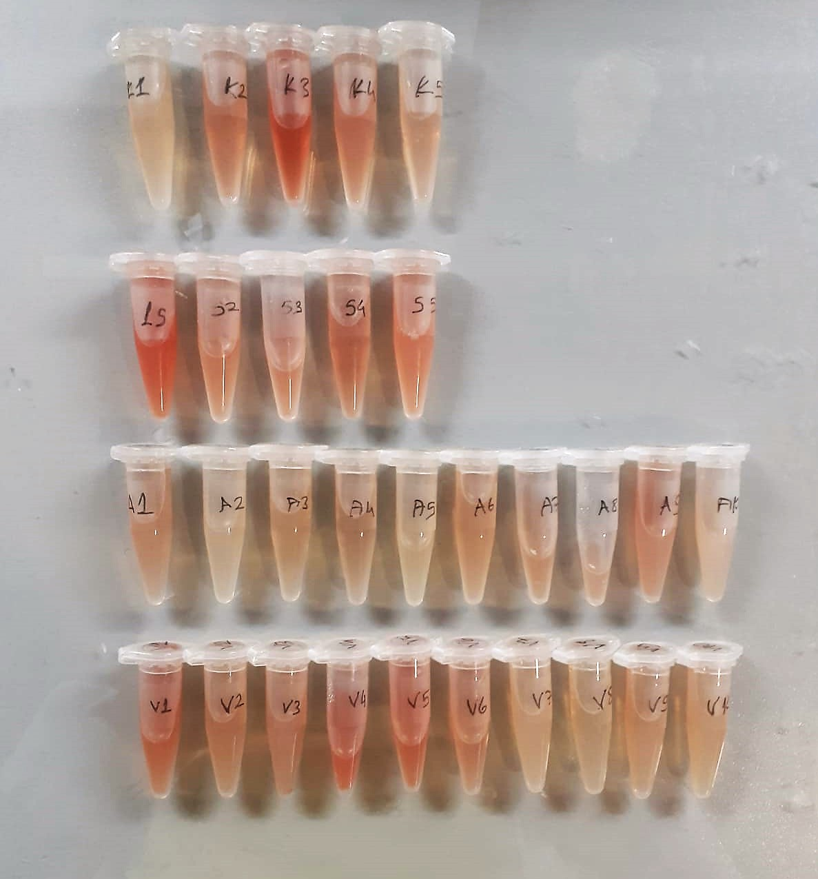

Luteinizing Hormone Assay Principle
This kit is an Enzyme-Linked Immunosorbent Assay (ELISA). The plate has been pre-coated with Rat LH antibody. Rat LH present in the sample is added and binds to antibodies coated on the wells.
And then biotinylated Rat LH Antibody is added and binds to Rat LH in the sample. Then Streptavidin-HRP is added and binds to the Biotinylated Rat LH antibody.
After incubation unbound Streptavidin-HRP is washed away during a washing step. Substrate solution is then added and color develops in proportion to the amount of Rat LH .
The reaction is terminated by addition of acidic stop solution and absorbance is measured at 450 nm.

Follicle-stimulating Hormone Assay Principle
This kit is an Enzyme-Linked Immunosorbent Assay (ELISA). The plate has been pre-coated with Rat FSH antibody. Rat FSH present in the sample is added and binds to antibodies coated on the wells.
And then biotinylated Rat FSH Antibody is added and binds to Rat FSH in the sample. Then Streptavidin-HRP is added and binds to the Biotinylated Rat FSH antibody.
After incubation unbound Streptavidin-HRP is washed away during a washing step. Substrate solution is then added and color develops in proportion to the amount of Rat FSH .
The reaction is terminated by addition of acidic stop solution and absorbance is measured at 450 nm.

Testosterone Assay Principle
This kit is an Enzyme-Linked Immunosorbent Assay (ELISA). The plate has been pre-coated with Rat T antibody. Rat T present in the sample is added and binds to antibodies coated on the wells.
And then biotinylated Rat T Antibody is added and binds to Rat T in the sample. Then Streptavidin-HRP is added and binds to the Biotinylated Rat T antibody.
After incubation unbound Streptavidin-HRP is washed away during a washing step. Substrate solution is then added and color develops in proportion to the amount of Rat T .
The reaction is terminated by addition of acidic stop solution and absorbance is measured at 450 nm.

