MDA
MDA
2.481 | 100
1.673 | 50
0.994 | 25
0.513 | 12.5
0.288 | 6.25
0.122 | 3.125
0 | 0
 | absorbans | abs-blank | expected | result
std1 | 2.511 | 2.481 | 100 | 99.11
std2 | 1.703 | 1.673 | 50 | 52.40
std3 | 1.024 | 0.994 | 25 | 24.30
std4 | 0.543 | 0.513 | 12.5 | 10.55
std5 | 0.318 | 0.288 | 6.25 | 5.87
std6 | 0.152 | 0.122 | 3.125 | 3.14
blank | 0.03 | 0 | 0 | 1.51

 |  |  |  |  | concentratıon (nmol/L)

Numune | absorbans | blank | abs-blank | result(nmol/L)
KRC-KONTROL-1 | 1.784 | 0.03 | 1.754 | 56.43
KRC-KONTROL-2 | 1.884 | 0.03 | 1.854 | 61.61
KRC-KONTROL-3 | 1.928 | 0.03 | 1.898 | 63.96
KRC-KONTROL-4 | 1.457 | 0.03 | 1.427 | 41.04
KRC-KONTROL-5 | 1.683 | 0.03 | 1.653 | 51.43
KRC-KONTROL-6 | 1.459 | 0.03 | 1.429 | 41.13
KRC-ABA-1 | 1.553 | 0.03 | 1.523 | 45.32
KRC-ABA-2 | 1.575 | 0.03 | 1.545 | 46.33
KRC-ABA-3 | 1.52 | 0.03 | 1.49 | 43.83
KRC-ABA-4 | 1.55 | 0.03 | 1.52 | 45.18
KRC-ABA-5 | 1.483 | 0.03 | 1.453 | 42.18
KRC-ABA-6 | 1.715 | 0.03 | 1.685 | 52.99
KRC-MELA-1 | 1.667 | 0.03 | 1.637 | 50.66
KRC-MELA-2 | 1.276 | 0.03 | 1.246 | 33.54
KRC-MELA-3 | 1.778 | 0.03 | 1.748 | 56.13
KRC-MELA-4 | 2.095 | 0.03 | 2.065 | 73.26
KRC-MELA-5 | 2.031 | 0.03 | 2.001 | 69.63
KRC-MELA-6 | 1.42 | 0.03 | 1.39 | 39.45
KRC-(MELA+ABA)-1 | 1.416 | 0.03 | 1.386 | 39.28
KRC-(MELA+ABA)-2 | 1.372 | 0.03 | 1.342 | 37.43
KRC-(MELA+ABA)-3 | 1.612 | 0.03 | 1.582 | 48.05
KRC-(MELA+ABA)-4 | 1.511 | 0.03 | 1.481 | 43.42
KRC-(MELA+ABA)-5 | 1.369 | 0.03 | 1.339 | 37.31
KRC-(MELA+ABA)-6 | 1.391 | 0.03 | 1.361 | 38.22
BBR-KONTROL-1 | 0.389 | 0.03 | 0.359 | 7.23
BBR-KONTROL-2 | 0.541 | 0.03 | 0.511 | 10.50
BBR-KONTROL-3 | 0.43 | 0.03 | 0.4 | 8.06
BBR-KONTROL-4 | 0.217 | 0.03 | 0.187 | 4.13
BBR-KONTROL-5 | 0.493 | 0.03 | 0.463 | 9.41
BBR-KONTROL-6 | 0.558 | 0.03 | 0.528 | 10.90
BBR-ABA-1 | 0.517 | 0.03 | 0.487 | 9.95
BBR-ABA-2 | 0.432 | 0.03 | 0.402 | 8.10
BBR-ABA-3 | 0.265 | 0.03 | 0.235 | 4.93
BBR-ABA-4 | 0.154 | 0.03 | 0.124 | 3.16
BBR-ABA-5 | 0.135 | 0.03 | 0.105 | 2.89
BBR-ABA-6 | 0.19 | 0.03 | 0.16 | 3.71
BBR-MELA-1 | 0.21 | 0.03 | 0.18 | 4.02
BBR-MELA-2 | 0.371 | 0.03 | 0.341 | 6.87
BBR-MELA-3 | 0.455 | 0.03 | 0.425 | 8.59
BBR-MELA-4 | 0.219 | 0.03 | 0.189 | 4.17
BBR-MELA-5 | 0.171 | 0.03 | 0.141 | 3.42
BBR-MELA-6 | 0.974 | 0.03 | 0.944 | 22.63
BBR-(MELA+ABA)-1 | 0.155 | 0.03 | 0.125 | 3.18
BBR-(MELA+ABA)-2 | 0.308 | 0.03 | 0.278 | 5.69
BBR-(MELA+ABA)-3 | 0.151 | 0.03 | 0.121 | 3.12
BBR-(MELA+ABA)-4 | 1.036 | 0.03 | 1.006 | 24.71
BBR-(MELA+ABA)-5 | 0.173 | 0.03 | 0.143 | 3.45
BBR-(MELA+ABA)-6 | 0.184 | 0.03 | 0.154 | 3.62
TESTİS-KONTROL-1 | 0.843 | 0.03 | 0.813 | 18.52
TESTİS-KONTROL-2 | 0.779 | 0.03 | 0.749 | 16.66
TESTİS-KONTROL-3 | 0.871 | 0.03 | 0.841 | 19.37
TESTİS-KONTROL-4 | 0.888 | 0.03 | 0.858 | 19.89
TESTİS-KONTROL-5 | 0.854 | 0.03 | 0.824 | 18.85
TESTİS-KONTROL-6 | 2.006 | 0.03 | 1.976 | 68.23
TESTİS-ABA-1 | 0.813 | 0.03 | 0.783 | 17.64
TESTİS-ABA-2 | 0.908 | 0.03 | 0.878 | 20.51
TESTİS-ABA-3 | 1.115 | 0.03 | 1.085 | 27.47
TESTİS-ABA-4 | 1.067 | 0.03 | 1.037 | 25.78
TESTİS-ABA-5 | 1.287 | 0.03 | 1.257 | 33.98
TESTİS-ABA-6 | 1.217 | 0.03 | 1.187 | 31.25
TESTİS-MELA-1 | 1.144 | 0.03 | 1.114 | 28.52
TESTİS-MELA-2 | 0.947 | 0.03 | 0.917 | 21.75
TESTİS-MELA-3 | 1.033 | 0.03 | 1.003 | 24.60
TESTİS-MELA-4 | 1.016 | 0.03 | 0.986 | 24.03
TESTİS-MELA-5 | 1.091 | 0.03 | 1.061 | 26.62
TESTİS-MELA-6 | 0.913 | 0.03 | 0.883 | 20.67
TESTİS-(MELA+ABA)-1 | 0.949 | 0.03 | 0.919 | 21.82
TESTİS-(MELA+ABA)-2 | 1.008 | 0.03 | 0.978 | 23.76
TESTİS-(MELA+ABA)-3 | 0.919 | 0.03 | 0.889 | 20.86
TESTİS-(MELA+ABA)-4 | 1.031 | 0.03 | 1.001 | 24.54
TESTİS-(MELA+ABA)-5 | 1.252 | 0.03 | 1.222 | 32.60
TESTİS-(MELA+ABA)-6 | 1.039 | 0.03 | 1.009 | 24.81
SERUM-11 | 0.301 | 0.03 | 0.271 | 5.56
SERUM-12 | 0.359 | 0.03 | 0.329 | 6.64
SERUM-13 | 0.188 | 0.03 | 0.158 | 3.68
SERUM-14 | 0.37 | 0.03 | 0.34 | 6.85
SERUM-15 | 0.473 | 0.03 | 0.443 | 8.97
SERUM-16 | 0.244 | 0.03 | 0.214 | 4.58
SERUM-21 | 1.083 | 0.03 | 1.053 | 26.34
SERUM-22 | 0.352 | 0.03 | 0.322 | 6.51
SERUM-23 | 0.287 | 0.03 | 0.257 | 5.31
SERUM-24 | 0.315 | 0.03 | 0.285 | 5.82
SERUM-25 | 0.337 | 0.03 | 0.307 | 6.22
SERUM-26 | 0.294 | 0.03 | 0.264 | 5.44
SERUM-31 | 0.321 | 0.03 | 0.291 | 5.93
SERUM-32 | 0.156 | 0.03 | 0.126 | 3.19
SERUM-33 | 0.325 | 0.03 | 0.295 | 6.00
SERUM-34 | 0.43 | 0.03 | 0.4 | 8.06
SERUM-35 | 0.565 | 0.03 | 0.535 | 11.07
SERUM-36 | 0.912 | 0.03 | 0.882 | 20.64
SERUM-41 | 0.301 | 0.03 | 0.271 | 5.56
SERUM-42 | 0.218 | 0.03 | 0.188 | 4.15
SERUM-43 | 0.253 | 0.03 | 0.223 | 4.73
SERUM-44 | 0.166 | 0.03 | 0.136 | 3.34
SERUM-45 | 0.139 | 0.03 | 0.109 | 2.95
SERUM-46 | 0.134 | 0.03 | 0.104 | 2.88

IL-17
2.756 | 1.515 | 1.352 | 1.429 | 1.576 | 1.869 | 1.977 | 1.975 | 2.337 | 2.286 | 2.574 | 2.911
1.799 | 1.218 | 1.039 | 1.275 | 1.691 | 1.907 | 2.056 | 1.65 | 1.95 | 1.853 | 2.41 | 2.633
1.102 | 1.088 | 1.158 | 1.118 | 1.71 | 1.867 | 1.916 | 1.827 | 2.384 | 1.893 | 2.585 | 2.751
0.69 | 1.139 | 1.394 | 1.696 | 2.099 | 2.357 | 2.377 | 2.093 | 2.175 | 2.186 | 2.893 | 2.871
0.413 | 1.233 | 1.135 | 1.245 | 1.948 | 2.048 | 2.253 | 1.979 | 1.991 | 2.051 | 2.508 | 2.366
0.099 | 1.496 | 1.97 | 1.679 | 2.509 | 2.469 | 2.584 | 2.201 | 2.278 | 2.201 | 2.629 | 2.704
1.447 | 1.673 | 2.08 | 2.372 | 2.577 | 2.49 | 2.103 | 2.056 | 2.63 | 2.471 | 2.608 | 2.613
1.301 | 1.881 | 1.751 | 2.071 | 2.489 | 1.989 | 1.82 | 1.718 | 2.21 | 2.534 | 2.976 | 2.454

IL-17

 | abs | abs-blank | expected | result
std1 | 2.756 | 2.657 | 800 | 798.34
std2 | 1.799 | 1.7 | 400 | 405.83
std3 | 1.102 | 1.003 | 200 | 194.93
std4 | 0.69 | 0.591 | 100 | 99.98
std5 | 0.413 | 0.314 | 50 | 48.56
blank | 0.099 | 0 | 0 | 2.34

 |  |  |  |  |  |  |  |  |  | concentration (pg/ml)

Numune | absorbans | blank | abs-blank | result(pg/ml)
KRC-KONTROL-1 | 1.447 | 0.099 | 1.348 | 291.42
KRC-KONTROL-2 | 1.301 | 0.099 | 1.202 | 248.70
KRC-KONTROL-3 | 1.515 | 0.099 | 1.416 | 312.26
KRC-KONTROL-4 | 1.218 | 0.099 | 1.119 | 225.64
KRC-KONTROL-5 | 1.088 | 0.099 | 0.989 | 191.34
KRC-KONTROL-6 | 1.139 | 0.099 | 1.04 | 204.53
KRC-ABA-1 | 1.233 | 0.099 | 1.134 | 229.74
KRC-ABA-2 | 1.496 | 0.099 | 1.397 | 306.38
KRC-ABA-3 | 1.673 | 0.099 | 1.574 | 363.02
KRC-ABA-4 | 1.881 | 0.099 | 1.782 | 434.79
KRC-ABA-5 | 1.352 | 0.099 | 1.253 | 263.30
KRC-ABA-6 | 1.039 | 0.099 | 0.94 | 178.98
KRC-MELA-1 | 1.158 | 0.099 | 1.059 | 209.54
KRC-MELA-2 | 1.394 | 0.099 | 1.295 | 275.59
KRC-MELA-3 | 1.135 | 0.099 | 1.036 | 203.49
KRC-MELA-4 | 1.97 | 0.099 | 1.871 | 467.22
KRC-MELA-5 | 2.08 | 0.099 | 1.981 | 508.73
KRC-MELA-6 | 1.751 | 0.099 | 1.652 | 389.28
KRC-(MELA+ABA)-1 | 1.429 | 0.099 | 1.33 | 286.00
KRC-(MELA+ABA)-2 | 1.275 | 0.099 | 1.176 | 241.38
KRC-(MELA+ABA)-3 | 1.118 | 0.099 | 1.019 | 199.06
KRC-(MELA+ABA)-4 | 1.696 | 0.099 | 1.597 | 370.68
KRC-(MELA+ABA)-5 | 1.245 | 0.099 | 1.146 | 233.04
KRC-(MELA+ABA)-6 | 1.679 | 0.099 | 1.58 | 365.01
BBR-KONTROL-1 | 2.372 | 0.099 | 2.273 | 626.53
BBR-KONTROL-2 | 2.071 | 0.099 | 1.972 | 505.27
BBR-KONTROL-3 | 1.576 | 0.099 | 1.477 | 331.48
BBR-KONTROL-4 | 1.691 | 0.099 | 1.592 | 369.01
BBR-KONTROL-5 | 1.71 | 0.099 | 1.611 | 375.38
BBR-KONTROL-6 | 2.099 | 0.099 | 2 | 516.05
BBR-ABA-1 | 1.948 | 0.099 | 1.849 | 459.11
BBR-ABA-2 | 2.509 | 0.099 | 2.41 | 685.63
BBR-ABA-3 | 2.577 | 0.099 | 2.478 | 715.87
BBR-ABA-4 | 2.489 | 0.099 | 2.39 | 676.85
BBR-ABA-5 | 1.869 | 0.099 | 1.77 | 430.50
BBR-ABA-6 | 1.907 | 0.099 | 1.808 | 444.16
BBR-MELA-1 | 1.867 | 0.099 | 1.768 | 429.79
BBR-MELA-2 | 2.357 | 0.099 | 2.258 | 620.21
BBR-MELA-3 | 2.048 | 0.099 | 1.949 | 496.49
BBR-MELA-4 | 2.469 | 0.099 | 2.37 | 668.12
BBR-MELA-5 | 2.49 | 0.099 | 2.391 | 677.29
BBR-MELA-6 | 1.989 | 0.099 | 1.89 | 474.28
BBR-(MELA+ABA)-1 | 1.977 | 0.099 | 1.878 | 469.82
BBR-(MELA+ABA)-2 | 2.056 | 0.099 | 1.957 | 499.54
BBR-(MELA+ABA)-3 | 1.916 | 0.099 | 1.817 | 447.42
BBR-(MELA+ABA)-4 | 2.377 | 0.099 | 2.278 | 628.65
BBR-(MELA+ABA)-5 | 2.253 | 0.099 | 2.154 | 577.18
BBR-(MELA+ABA)-6 | 2.584 | 0.099 | 2.485 | 719.02
TESTİS-KONTROL-1 | 2.103 | 0.099 | 2.004 | 517.60
TESTİS-KONTROL-2 | 1.82 | 0.099 | 1.721 | 413.16
TESTİS-KONTROL-3 | 1.975 | 0.099 | 1.876 | 469.07
TESTİS-KONTROL-4 | 1.65 | 0.099 | 1.551 | 355.43
TESTİS-KONTROL-5 | 1.827 | 0.099 | 1.728 | 415.62
TESTİS-KONTROL-6 | 2.093 | 0.099 | 1.994 | 513.73
TESTİS-ABA-1 | 1.979 | 0.099 | 1.88 | 470.56
TESTİS-ABA-2 | 2.201 | 0.099 | 2.102 | 556.20
TESTİS-ABA-3 | 2.056 | 0.099 | 1.957 | 499.54
TESTİS-ABA-4 | 1.718 | 0.099 | 1.619 | 378.07
TESTİS-ABA-5 | 2.337 | 0.099 | 2.238 | 611.83
TESTİS-ABA-6 | 1.95 | 0.099 | 1.851 | 459.84
TESTİS-MELA-1 | 2.384 | 0.099 | 2.285 | 631.61
TESTİS-MELA-2 | 2.175 | 0.099 | 2.076 | 545.84
TESTİS-MELA-3 | 1.991 | 0.099 | 1.892 | 475.02
TESTİS-MELA-4 | 2.278 | 0.099 | 2.179 | 587.40
TESTİS-MELA-5 | 2.63 | 0.099 | 2.531 | 739.85
TESTİS-MELA-6 | 2.21 | 0.099 | 2.111 | 559.80
TESTİS-(MELA+ABA)-1 | 2.286 | 0.099 | 2.187 | 590.68
TESTİS-(MELA+ABA)-2 | 1.853 | 0.099 | 1.754 | 424.80
TESTİS-(MELA+ABA)-3 | 1.893 | 0.099 | 1.794 | 439.10
TESTİS-(MELA+ABA)-4 | 2.186 | 0.099 | 2.087 | 550.21
TESTİS-(MELA+ABA)-5 | 2.051 | 0.099 | 1.952 | 497.63
TESTİS-(MELA+ABA)-6 | 2.201 | 0.099 | 2.102 | 556.20
SERUM-11 | 2.471 | 0.099 | 2.372 | 668.99
SERUM-12 | 2.534 | 0.099 | 2.435 | 696.68
SERUM-13 | 2.574 | 0.099 | 2.475 | 714.52
SERUM-14 | 2.41 | 0.099 | 2.311 | 642.68
SERUM-21 | 2.585 | 0.099 | 2.486 | 719.47
SERUM-22 | 2.893 | 0.099 | 2.794 | 864.28
SERUM-23 | 2.508 | 0.099 | 2.409 | 685.19
SERUM-24 | 2.629 | 0.099 | 2.53 | 739.40
SERUM-31 | 2.608 | 0.099 | 2.509 | 729.85
SERUM-32 | 2.976 | 0.099 | 2.877 | 905.42
SERUM-33 | 2.911 | 0.099 | 2.812 | 873.13
SERUM-34 | 2.633 | 0.099 | 2.534 | 741.22
SERUM-35 | 2.751 | 0.099 | 2.652 | 795.98
SERUM-41 | 2.871 | 0.099 | 2.772 | 853.53
SERUM-42 | 2.366 | 0.099 | 2.267 | 624.00
SERUM-43 | 2.704 | 0.099 | 2.605 | 773.96
SERUM-44 | 2.613 | 0.099 | 2.514 | 732.12
SERUM-45 | 2.454 | 0.099 | 2.355 | 661.61

GSTs
2.586 | 0.421 | 0.351 | 0.36 | 0.453 | 0.446 | 0.446 | 0.407 | 0.431 | 0.44 | 0.501 | 0.407
1.473 | 0.498 | 0.568 | 0.62 | 0.711 | 0.833 | 0.906 | 0.724 | 0.723 | 0.728 | 0.65 | 0.777
0.848 | 0.395 | 0.309 | 0.388 | 0.59 | 0.589 | 0.608 | 0.504 | 0.602 | 0.539 | 0.682 | 0.607
0.546 | 0.525 | 0.447 | 0.452 | 0.689 | 0.707 | 0.83 | 0.623 | 0.661 | 0.688 | 0.701 | 0.62
0.295 | 0.443 | 0.427 | 0.442 | 0.642 | 0.66 | 0.696 | 0.599 | 0.627 | 0.584 | 0.706 | 0.602
0.087 | 0.519 | 0.503 | 0.488 | 0.696 | 0.791 | 0.734 | 0.632 | 0.661 | 0.691 | 0.759 | 0.699
1.027 | 0.706 | 0.631 | 0.986 | 1.013 | 0.79 | 0.793 | 0.717 | 0.742 | 0.755 | 0.759 | 0.721
1.01 | 0.713 | 0.641 | 0.699 | 0.734 | 0.693 | 0.678 | 0.644 | 0.647 | 0.668 | 0.725 | 0.793

GSTs

 | abs | abs-blank | expected | result
std1 | 2.586 | 2.499 | 120 | 120.25
std2 | 1.473 | 1.386 | 60 | 59.04
std3 | 0.848 | 0.761 | 30 | 29.83
std4 | 0.546 | 0.459 | 15 | 17.04
std5 | 0.295 | 0.208 | 7.5 | 7.08
blank | 0.087 | 0 | 0 | -0.73

 |  |  |  |  |  |  |  |  |  | concentration (ng/ml)

Numune | absorbans | blank | abs-blank | result(ng/ml)
KRC-KONTROL-1 | 1.027 | 0.087 | 0.94 | 37.81
KRC-KONTROL-2 | 1.01 | 0.087 | 0.923 | 37.04
KRC-KONTROL-3 | 0.421 | 0.087 | 0.334 | 12.00
KRC-KONTROL-4 | 0.498 | 0.087 | 0.411 | 15.09
KRC-KONTROL-5 | 0.395 | 0.087 | 0.308 | 10.97
KRC-KONTROL-6 | 0.525 | 0.087 | 0.438 | 16.19
KRC-ABA-1 | 0.443 | 0.087 | 0.356 | 12.88
KRC-ABA-2 | 0.519 | 0.087 | 0.432 | 15.94
KRC-ABA-3 | 0.706 | 0.087 | 0.619 | 23.71
KRC-ABA-4 | 0.713 | 0.087 | 0.626 | 24.01
KRC-ABA-5 | 0.351 | 0.087 | 0.264 | 9.25
KRC-ABA-6 | 0.568 | 0.087 | 0.481 | 17.94
KRC-MELA-1 | 0.309 | 0.087 | 0.222 | 7.62
KRC-MELA-2 | 0.447 | 0.087 | 0.36 | 13.04
KRC-MELA-3 | 0.427 | 0.087 | 0.34 | 12.24
KRC-MELA-4 | 0.503 | 0.087 | 0.416 | 15.29
KRC-MELA-5 | 0.631 | 0.087 | 0.544 | 20.55
KRC-MELA-6 | 0.641 | 0.087 | 0.554 | 20.97
KRC-(MELA+ABA)-1 | 0.36 | 0.087 | 0.273 | 9.60
KRC-(MELA+ABA)-2 | 0.62 | 0.087 | 0.533 | 20.10
KRC-(MELA+ABA)-3 | 0.388 | 0.087 | 0.301 | 10.70
KRC-(MELA+ABA)-4 | 0.452 | 0.087 | 0.365 | 13.24
KRC-(MELA+ABA)-5 | 0.442 | 0.087 | 0.355 | 12.84
KRC-(MELA+ABA)-6 | 0.488 | 0.087 | 0.401 | 14.69
BBR-KONTROL-1 | 0.986 | 0.087 | 0.899 | 35.96
BBR-KONTROL-2 | 0.699 | 0.087 | 0.612 | 23.41
BBR-KONTROL-3 | 0.453 | 0.087 | 0.366 | 13.28
BBR-KONTROL-4 | 0.711 | 0.087 | 0.624 | 23.92
BBR-KONTROL-5 | 0.59 | 0.087 | 0.503 | 18.85
BBR-KONTROL-6 | 0.689 | 0.087 | 0.602 | 22.99
BBR-ABA-1 | 0.642 | 0.087 | 0.555 | 21.01
BBR-ABA-2 | 0.696 | 0.087 | 0.609 | 23.28
BBR-ABA-3 | 1.013 | 0.087 | 0.926 | 37.18
BBR-ABA-4 | 0.734 | 0.087 | 0.647 | 24.90
BBR-ABA-5 | 0.446 | 0.087 | 0.359 | 13.00
BBR-ABA-6 | 0.833 | 0.087 | 0.746 | 29.17
BBR-MELA-1 | 0.589 | 0.087 | 0.502 | 18.81
BBR-MELA-2 | 0.707 | 0.087 | 0.62 | 23.75
BBR-MELA-3 | 0.66 | 0.087 | 0.573 | 21.77
BBR-MELA-4 | 0.791 | 0.087 | 0.704 | 27.35
BBR-MELA-5 | 0.79 | 0.087 | 0.703 | 27.31
BBR-MELA-6 | 0.693 | 0.087 | 0.606 | 23.16
BBR-(MELA+ABA)-1 | 0.446 | 0.087 | 0.359 | 13.00
BBR-(MELA+ABA)-2 | 0.906 | 0.087 | 0.819 | 32.38
BBR-(MELA+ABA)-3 | 0.608 | 0.087 | 0.521 | 19.60
BBR-(MELA+ABA)-4 | 0.83 | 0.087 | 0.743 | 29.04
BBR-(MELA+ABA)-5 | 0.696 | 0.087 | 0.609 | 23.28
BBR-(MELA+ABA)-6 | 0.734 | 0.087 | 0.647 | 24.90
TESTİS-KONTROL-1 | 0.793 | 0.087 | 0.706 | 27.43
TESTİS-KONTROL-2 | 0.678 | 0.087 | 0.591 | 22.52
TESTİS-KONTROL-3 | 0.407 | 0.087 | 0.32 | 11.45
TESTİS-KONTROL-4 | 0.724 | 0.087 | 0.637 | 24.47
TESTİS-KONTROL-5 | 0.504 | 0.087 | 0.417 | 15.33
TESTİS-KONTROL-6 | 0.623 | 0.087 | 0.536 | 20.22
TESTİS-ABA-1 | 0.599 | 0.087 | 0.512 | 19.22
TESTİS-ABA-2 | 0.632 | 0.087 | 0.545 | 20.60
TESTİS-ABA-3 | 0.717 | 0.087 | 0.63 | 24.18
TESTİS-ABA-4 | 0.644 | 0.087 | 0.557 | 21.10
TESTİS-ABA-5 | 0.431 | 0.087 | 0.344 | 12.40
TESTİS-ABA-6 | 0.723 | 0.087 | 0.636 | 24.43
TESTİS-MELA-1 | 0.602 | 0.087 | 0.515 | 19.35
TESTİS-MELA-2 | 0.661 | 0.087 | 0.574 | 21.81
TESTİS-MELA-3 | 0.627 | 0.087 | 0.54 | 20.39
TESTİS-MELA-4 | 0.661 | 0.087 | 0.574 | 21.81
TESTİS-MELA-5 | 0.742 | 0.087 | 0.655 | 25.24
TESTİS-MELA-6 | 0.647 | 0.087 | 0.56 | 21.22
TESTİS-(MELA+ABA)-1 | 0.44 | 0.087 | 0.353 | 12.76
TESTİS-(MELA+ABA)-2 | 0.728 | 0.087 | 0.641 | 24.64
TESTİS-(MELA+ABA)-3 | 0.539 | 0.087 | 0.452 | 16.76
TESTİS-(MELA+ABA)-4 | 0.688 | 0.087 | 0.601 | 22.95
TESTİS-(MELA+ABA)-5 | 0.584 | 0.087 | 0.497 | 18.60
TESTİS-(MELA+ABA)-6 | 0.691 | 0.087 | 0.604 | 23.07
SERUM-11 | 0.755 | 0.087 | 0.668 | 25.80
SERUM-12 | 0.668 | 0.087 | 0.581 | 22.10
SERUM-13 | 0.501 | 0.087 | 0.414 | 15.21
SERUM-14 | 0.65 | 0.087 | 0.563 | 21.35
SERUM-21 | 0.682 | 0.087 | 0.595 | 22.69
SERUM-22 | 0.701 | 0.087 | 0.614 | 23.50
SERUM-23 | 0.706 | 0.087 | 0.619 | 23.71
SERUM-24 | 0.759 | 0.087 | 0.672 | 25.97
SERUM-31 | 0.759 | 0.087 | 0.672 | 25.97
SERUM-32 | 0.725 | 0.087 | 0.638 | 24.52
SERUM-33 | 0.407 | 0.087 | 0.32 | 11.45
SERUM-34 | 0.777 | 0.087 | 0.69 | 26.74
SERUM-35 | 0.607 | 0.087 | 0.52 | 19.56
SERUM-41 | 0.62 | 0.087 | 0.533 | 20.10
SERUM-42 | 0.602 | 0.087 | 0.515 | 19.35
SERUM-43 | 0.699 | 0.087 | 0.612 | 23.41
SERUM-44 | 0.721 | 0.087 | 0.634 | 24.35
SERUM-45 | 0.793 | 0.087 | 0.706 | 27.43

8-OHdG
0.197 | 2.617 | 2.58 | 2.596 | 2.82 | 2.732 | 2.787 | 2.392 | 2.153 | 2.211 | 1.798 | 1.348
0.318 | 2.578 | 2.608 | 2.587 | 2.852 | 2.725 | 2.616 | 2.139 | 2.255 | 2.154 | 1.421 | 1.884
0.906 | 2.593 | 2.697 | 2.688 | 2.838 | 2.873 | 2.671 | 2.212 | 2.106 | 2.071 | 1.763 | 2.015
1.272 | 2.605 | 2.584 | 2.701 | 2.554 | 2.896 | 2.564 | 2.15 | 2.051 | 2.189 | 1.95 | 2.013
1.653 | 2.617 | 2.659 | 2.73 | 2.815 | 2.984 | 2.554 | 2.25 | 2.21 | 2.281 | 2.145 | 2.048
1.981 | 2.766 | 2.685 | 2.808 | 2.895 | 2.355 | 2.946 | 2.599 | 2.257 | 2.406 | 2.302 | 2.175
2.314 | 2.841 | 2.566 | 2.881 | 2.866 | 2.489 | 2.872 | 2.613 | 2.449 | 2.579 | 2.621 | 2.437
2.764 | 2.784 | 2.766 | 2.898 | 2.377 | 2.781 | 2.607 | 2.763 | 2.615 | 2.826 | 2.544 | 2.564

8-OHdG

 | abs | expected | result
std1 | 0.109 | 100 | 99.47
std2 | 0.657 | 50 | 51.43
std3 | 1.111 | 25 | 23.56
std4 | 1.364 | 12.5 | 12.73
std5 | 1.518 | 6.25 | 7.78
std6 | 1.801 | 3.13 | 1.94
std7 | 1.961 | 1.56 | 0.49
blank | 2.227 | 0 | 1.06

 |  |  |  |  |  |  |  |  | concentration (ng/ml)

Numune | absorbans | result(ng/ml)
KRC-KONTROL-1 | 2.617 | 8.61
KRC-KONTROL-2 | 2.578 | 7.50
KRC-KONTROL-3 | 2.593 | 7.92
KRC-KONTROL-4 | 2.605 | 8.26
KRC-KONTROL-5 | 2.617 | 8.61
KRC-KONTROL-6 | 2.766 | 13.61
KRC-ABA-1 | 2.841 | 16.56
KRC-ABA-2 | 2.784 | 14.29
KRC-ABA-3 | 2.58 | 7.55
KRC-ABA-4 | 2.608 | 8.35
KRC-ABA-5 | 2.697 | 11.15
KRC-ABA-6 | 2.584 | 7.67
KRC-MELA-1 | 2.659 | 9.90
KRC-MELA-2 | 2.685 | 10.75
KRC-MELA-3 | 2.566 | 7.17
KRC-MELA-4 | 2.766 | 13.61
KRC-MELA-5 | 2.596 | 8.00
KRC-MELA-6 | 2.587 | 7.75
KRC-(MELA+ABA)-1 | 2.688 | 10.85
KRC-(MELA+ABA)-2 | 2.701 | 11.29
KRC-(MELA+ABA)-3 | 2.73 | 12.29
KRC-(MELA+ABA)-4 | 2.808 | 15.23
KRC-(MELA+ABA)-5 | 2.881 | 18.26
KRC-(MELA+ABA)-6 | 2.898 | 19.00
BBR-KONTROL-1 | 2.82 | 15.70
BBR-KONTROL-2 | 2.852 | 17.02
BBR-KONTROL-3 | 2.838 | 16.44
BBR-KONTROL-4 | 2.554 | 6.85
BBR-KONTROL-5 | 2.815 | 15.50
BBR-KONTROL-6 | 2.895 | 18.87
BBR-ABA-1 | 2.866 | 17.61
BBR-ABA-2 | 2.377 | 3.02
BBR-ABA-3 | 2.732 | 12.37
BBR-ABA-4 | 2.725 | 12.12
BBR-ABA-5 | 2.873 | 17.91
BBR-ABA-6 | 2.896 | 18.92
BBR-MELA-1 | 2.984 | 23.01
BBR-MELA-2 | 2.355 | 2.66
BBR-MELA-3 | 2.489 | 5.26
BBR-MELA-4 | 2.781 | 14.17
BBR-MELA-5 | 2.787 | 14.41
BBR-MELA-6 | 2.616 | 8.58
BBR-(MELA+ABA)-1 | 2.671 | 10.29
BBR-(MELA+ABA)-2 | 2.564 | 7.12
BBR-(MELA+ABA)-3 | 2.554 | 6.85
BBR-(MELA+ABA)-4 | 2.946 | 21.19
BBR-(MELA+ABA)-5 | 2.872 | 17.87
BBR-(MELA+ABA)-6 | 2.607 | 8.32
TESTİS-KONTROL-1 | 2.392 | 3.28
TESTİS-KONTROL-2 | 2.139 | 0.46
TESTİS-KONTROL-3 | 2.212 | 0.93
TESTİS-KONTROL-4 | 2.15 | 0.51
TESTİS-KONTROL-5 | 2.25 | 1.29
TESTİS-KONTROL-6 | 2.599 | 8.09
TESTİS-ABA-1 | 2.613 | 8.50
TESTİS-ABA-2 | 2.763 | 13.50
TESTİS-ABA-3 | 2.153 | 0.53
TESTİS-ABA-4 | 2.255 | 1.34
TESTİS-ABA-5 | 2.106 | 0.34
TESTİS-ABA-6 | 2.051 | 0.27
TESTİS-MELA-1 | 2.21 | 0.91
TESTİS-MELA-2 | 2.257 | 1.36
TESTİS-MELA-3 | 2.449 | 4.38
TESTİS-MELA-4 | 2.615 | 8.56
TESTİS-MELA-5 | 2.211 | 0.92
TESTİS-MELA-6 | 2.154 | 0.54
TESTİS-(MELA+ABA)-1 | 2.071 | 0.28
TESTİS-(MELA+ABA)-2 | 2.189 | 0.75
TESTİS-(MELA+ABA)-3 | 2.281 | 1.63
TESTİS-(MELA+ABA)-4 | 2.406 | 3.54
TESTİS-(MELA+ABA)-5 | 2.579 | 7.53
TESTİS-(MELA+ABA)-6 | 2.826 | 15.95
SERUM-11 | 1.798 | 1.98
SERUM-12 | 1.421 | 10.76
SERUM-13 | 1.763 | 2.48
SERUM-14 | 1.95 | 0.55
SERUM-21 | 2.145 | 0.49
SERUM-22 | 2.302 | 1.89
SERUM-23 | 2.621 | 8.73
SERUM-24 | 2.544 | 6.59
SERUM-31 | 1.348 | 13.32
SERUM-32 | 1.884 | 1.02
SERUM-33 | 2.015 | 0.31
SERUM-34 | 2.013 | 0.31
SERUM-41 | 2.048 | 0.27
SERUM-42 | 2.175 | 0.66
SERUM-43 | 2.437 | 4.14
SERUM-44 | 2.564 | 7.12

AChE
2.925 | 0.823 | 0.701 | 0.713 | 1.157 | 1.293 | 1.108 | 0.853 | 0.956 | 1.026 | 1.284 | 1.408
1.907 | 0.616 | 0.523 | 0.71 | 1.065 | 1.21 | 1.234 | 0.819 | 0.913 | 0.852 | 1.156 | 1.207
1.096 | 0.699 | 0.476 | 0.63 | 1.175 | 1.129 | 1.174 | 0.916 | 0.994 | 0.912 | 1.089 | 1.117
0.647 | 0.67 | 0.638 | 0.694 | 1.112 | 1.256 | 1.807 | 0.752 | 0.901 | 0.821 | 1.178 | 1.14
0.305 | 0.741 | 0.691 | 0.783 | 1.299 | 1.385 | 1.391 | 1.051 | 0.9 | 0.939 | 1.205 | 1.112
0.089 | 0.763 | 0.65 | 0.683 | 1.273 | 1.136 | 1.066 | 0.771 | 0.721 | 0.776 | 1.037 | 1.201
0.7 | 0.736 | 0.57 | 1.075 | 1.173 | 1.066 | 0.783 | 0.877 | 0.959 | 1.066 | 1.182 | 1.183
0.719 | 0.773 | 0.526 | 0.929 | 1.192 | 1.181 | 0.748 | 0.666 | 0.757 | 1.061 | 1.19 | 1.262

AChE

 | abs | abs-blank | expected | result
std1 | 2.925 | 2.836 | 80 | 79.55
std2 | 1.907 | 1.818 | 40 | 41.41
std3 | 1.096 | 1.007 | 20 | 19.05
std4 | 0.647 | 0.558 | 10 | 9.72
std5 | 0.305 | 0.216 | 5 | 4.08
blank | 0.089 | 0 | 0 | 1.17

Numune | absorbans | blank | abs-blank | result(U/L)
KRC-KONTROL-1 | 0.7 | 0.089 | 0.611 | 10.71
KRC-KONTROL-2 | 0.719 | 0.089 | 0.63 | 11.07
KRC-KONTROL-3 | 0.823 | 0.089 | 0.734 | 13.12
KRC-KONTROL-4 | 0.616 | 0.089 | 0.527 | 9.16
KRC-KONTROL-5 | 0.699 | 0.089 | 0.61 | 10.69
KRC-KONTROL-6 | 0.67 | 0.089 | 0.581 | 10.15
KRC-ABA-1 | 0.741 | 0.089 | 0.652 | 11.50
KRC-ABA-2 | 0.763 | 0.089 | 0.674 | 11.92
KRC-ABA-3 | 0.736 | 0.089 | 0.647 | 11.40
KRC-ABA-4 | 0.773 | 0.089 | 0.684 | 12.12
KRC-ABA-5 | 0.701 | 0.089 | 0.612 | 10.73
KRC-ABA-6 | 0.523 | 0.089 | 0.434 | 7.53
KRC-MELA-1 | 0.476 | 0.089 | 0.387 | 6.75
KRC-MELA-2 | 0.638 | 0.089 | 0.549 | 9.56
KRC-MELA-3 | 0.691 | 0.089 | 0.602 | 10.54
KRC-MELA-4 | 0.65 | 0.089 | 0.561 | 9.78
KRC-MELA-5 | 0.57 | 0.089 | 0.481 | 8.34
KRC-MELA-6 | 0.526 | 0.089 | 0.437 | 7.58
KRC-(MELA+ABA)-1 | 0.713 | 0.089 | 0.624 | 10.96
KRC-(MELA+ABA)-2 | 0.71 | 0.089 | 0.621 | 10.90
KRC-(MELA+ABA)-3 | 0.63 | 0.089 | 0.541 | 9.41
KRC-(MELA+ABA)-4 | 0.694 | 0.089 | 0.605 | 10.60
KRC-(MELA+ABA)-5 | 0.783 | 0.089 | 0.694 | 12.32
KRC-(MELA+ABA)-6 | 0.683 | 0.089 | 0.594 | 10.39
BBR-KONTROL-1 | 1.075 | 0.089 | 0.986 | 18.56
BBR-KONTROL-2 | 0.929 | 0.089 | 0.84 | 15.33
BBR-KONTROL-3 | 1.157 | 0.089 | 1.068 | 20.48
BBR-KONTROL-4 | 1.065 | 0.089 | 0.976 | 18.34
BBR-KONTROL-5 | 1.175 | 0.089 | 1.086 | 20.92
BBR-KONTROL-6 | 1.112 | 0.089 | 1.023 | 19.42
BBR-ABA-1 | 1.299 | 0.089 | 1.21 | 23.98
BBR-ABA-2 | 1.273 | 0.089 | 1.184 | 23.32
BBR-ABA-3 | 1.173 | 0.089 | 1.084 | 20.87
BBR-ABA-4 | 1.192 | 0.089 | 1.103 | 21.33
BBR-ABA-5 | 1.293 | 0.089 | 1.204 | 23.83
BBR-ABA-6 | 1.21 | 0.089 | 1.121 | 21.76
BBR-MELA-1 | 1.129 | 0.089 | 1.04 | 19.82
BBR-MELA-2 | 1.256 | 0.089 | 1.167 | 22.90
BBR-MELA-3 | 1.385 | 0.089 | 1.296 | 26.20
BBR-MELA-4 | 1.136 | 0.089 | 1.047 | 19.99
BBR-MELA-5 | 1.066 | 0.089 | 0.977 | 18.36
BBR-MELA-6 | 1.181 | 0.089 | 1.092 | 21.06
BBR-(MELA+ABA)-1 | 1.108 | 0.089 | 1.019 | 19.33
BBR-(MELA+ABA)-2 | 1.234 | 0.089 | 1.145 | 22.35
BBR-(MELA+ABA)-3 | 1.174 | 0.089 | 1.085 | 20.89
BBR-(MELA+ABA)-4 | 1.807 | 0.089 | 1.718 | 38.27
BBR-(MELA+ABA)-5 | 1.391 | 0.089 | 1.302 | 26.36
BBR-(MELA+ABA)-6 | 1.066 | 0.089 | 0.977 | 18.36
TESTİS-KONTROL-1 | 0.783 | 0.089 | 0.694 | 12.32
TESTİS-KONTROL-2 | 0.748 | 0.089 | 0.659 | 11.63
TESTİS-KONTROL-3 | 0.853 | 0.089 | 0.764 | 13.73
TESTİS-KONTROL-4 | 0.819 | 0.089 | 0.73 | 13.04
TESTİS-KONTROL-5 | 0.916 | 0.089 | 0.827 | 15.05
TESTİS-KONTROL-6 | 0.752 | 0.089 | 0.663 | 11.71
TESTİS-ABA-1 | 1.051 | 0.089 | 0.962 | 18.02
TESTİS-ABA-2 | 0.771 | 0.089 | 0.682 | 12.08
TESTİS-ABA-3 | 0.877 | 0.089 | 0.788 | 14.23
TESTİS-ABA-4 | 0.666 | 0.089 | 0.577 | 10.07
TESTİS-ABA-5 | 0.956 | 0.089 | 0.867 | 15.91
TESTİS-ABA-6 | 0.913 | 0.089 | 0.824 | 14.99
TESTİS-MELA-1 | 0.994 | 0.089 | 0.905 | 16.74
TESTİS-MELA-2 | 0.901 | 0.089 | 0.812 | 14.73
TESTİS-MELA-3 | 0.9 | 0.089 | 0.811 | 14.71
TESTİS-MELA-4 | 0.721 | 0.089 | 0.632 | 11.11
TESTİS-MELA-5 | 0.959 | 0.089 | 0.87 | 15.97
TESTİS-MELA-6 | 0.757 | 0.089 | 0.668 | 11.81
TESTİS-(MELA+ABA)-1 | 1.026 | 0.089 | 0.937 | 17.45
TESTİS-(MELA+ABA)-2 | 0.852 | 0.089 | 0.763 | 13.71
TESTİS-(MELA+ABA)-3 | 0.912 | 0.089 | 0.823 | 14.96
TESTİS-(MELA+ABA)-4 | 0.821 | 0.089 | 0.732 | 13.08
TESTİS-(MELA+ABA)-5 | 0.939 | 0.089 | 0.85 | 15.54
TESTİS-(MELA+ABA)-6 | 0.776 | 0.089 | 0.687 | 12.18
SERUM-11 | 1.066 | 0.089 | 0.977 | 18.36
SERUM-12 | 1.061 | 0.089 | 0.972 | 18.24
SERUM-13 | 1.284 | 0.089 | 1.195 | 23.60
SERUM-14 | 1.156 | 0.089 | 1.067 | 20.46
SERUM-21 | 1.089 | 0.089 | 1 | 18.89
SERUM-22 | 1.178 | 0.089 | 1.089 | 20.99
SERUM-23 | 1.205 | 0.089 | 1.116 | 21.64
SERUM-24 | 1.037 | 0.089 | 0.948 | 17.70
SERUM-31 | 1.182 | 0.089 | 1.093 | 21.08
SERUM-32 | 1.19 | 0.089 | 1.101 | 21.28
SERUM-33 | 1.408 | 0.089 | 1.319 | 26.81
SERUM-34 | 1.207 | 0.089 | 1.118 | 21.69
SERUM-35 | 1.117 | 0.089 | 1.028 | 19.54
SERUM-41 | 1.14 | 0.089 | 1.051 | 20.08
SERUM-42 | 1.112 | 0.089 | 1.023 | 19.42
SERUM-43 | 1.201 | 0.089 | 1.112 | 21.54
SERUM-44 | 1.183 | 0.089 | 1.094 | 21.11
SERUM-45 | 1.262 | 0.089 | 1.173 | 23.05

Materyal-metod
KİT ADI | TÜR | MARKA | Numune Türü | CAT. NO | Yöntem | Kullanılan Cihaz
TAS(Total Antioxidant Status) | Universal | REL ASSAY | Doku | RL0017 | Kolorimetrik | MINDRAY BS-400
TOS(Total Oxidant Status) | Universal | REL ASSAY | Doku | RL0024 | Kolorimetrik | MINDRAY BS-400
SOD: Super Oxıde Dismutase | Universal | Otto Scientific | Serum+Doku | Otto3047 | Kolorimetrik | MINDRAY-BS400
GPx: Glutathione Peroxidase | Universal | Otto Scientific | Serum+Doku | Otto2085 | Kolorimetrik | MINDRAY-BS400
MDA: Malondialdehit | Universal | Otto Scientific | Serum+Doku | Otto1001 | Kolorimetrik | REL BIOCHEM-REL ASSAY
CAT: Catalase | Universal | Elabscience | Serum+Doku | E-BC-K031-S | Kolorimetrik | REL BIOCHEM-REL ASSAY
AST: Aspartat Aminotransferaz | Universal | Otto Scientific | Serum | OttoBC127 | Kolorimetrik | MINDRAY-BS400
ALT: Alanin aminotransferaz | Universal | Otto Scientific | Serum | OttoBC128 | Kolorimetrik | MINDRAY-BS400
CREA: Creatinine | Universal | Otto Scientific | Serum | OttoBC139 | Kolorimetrik | MINDRAY-BS400
UREA: Üre | Universal | Otto Scientific | Serum | OttoBC157 | Kolorimetrik | MINDRAY-BS400
CHOL: Total Cholesterol | Universal | Otto Scientific | Serum | OttoBC135 | Kolorimetrik | MINDRAY-BS400
TG: Triglycerides | Universal | Otto Scientific | Serum | OttoBC155 | Kolorimetrik | MINDRAY-BS400
ALP: Alkaline Phosphatase | Universal | Otto Scientific | Serum | OttoBC124 | Kolorimetrik | MINDRAY-BS400
LDH: Laktat dehidrogenaz | Universal | Otto Scientific | Serum | OttoBC129 | Kolorimetrik | MINDRAY-BS400
UA: Uric Acid | Universal | Otto Scientific | Serum | OttoBC158 | Kolorimetrik | MINDRAY-BS400
TP: Total protein | Universal | Otto Scientific | Serum | OttoBC154 | Kolorimetrik | MINDRAY-BS400
ALB: Albumin | Universal | Otto Scientific | Serum | OttoBC123 | Kolorimetrik | MINDRAY-BS400
Interleukin-17 | Rat | BT-lab | Serum+Doku | E0115Ra | ELİSA | Mıcroplate reader: BIO-TEK EL X 800-Aotu strıp washer:BIO TEK EL X 50
Glutathione S-transferases | Rat | BT-lab | Serum+Doku | E0513Ra | ELİSA | Mıcroplate reader: BIO-TEK EL X 800-Aotu strıp washer:BIO TEK EL X 50
8-OHdG | Universal | Elabscience | Serum+Doku | E-EL-0028 | ELİSA | Mıcroplate reader: BIO-TEK EL X 800-Aotu strıp washer:BIO TEK EL X 50
Acetylcholinesterase | Rat | BT-lab | Serum+Doku | E0724Ra | ELİSA | Mıcroplate reader: BIO-TEK EL X 800-Aotu strıp washer:BIO TEK EL X 50
NOT: Dokular 1/9 oranında( 0,1 gr doku: 0,9ml 140 mmol. lık KCl) Potasyum Klorür tamponu ile homojenize edildikten sonra 7000 rpm + 4' de 5 dk santrifüj edildi.

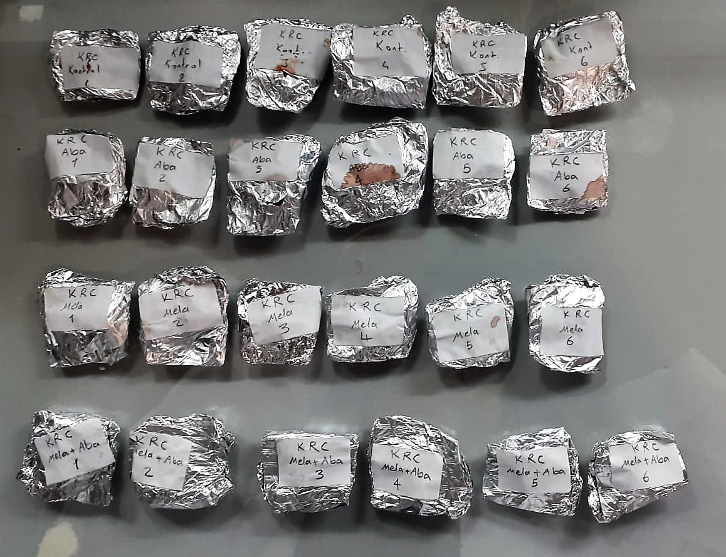
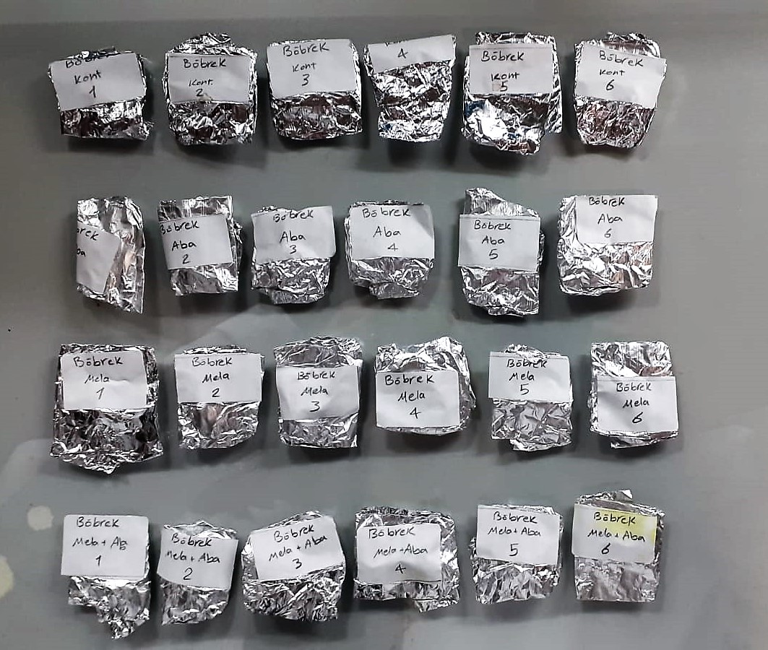

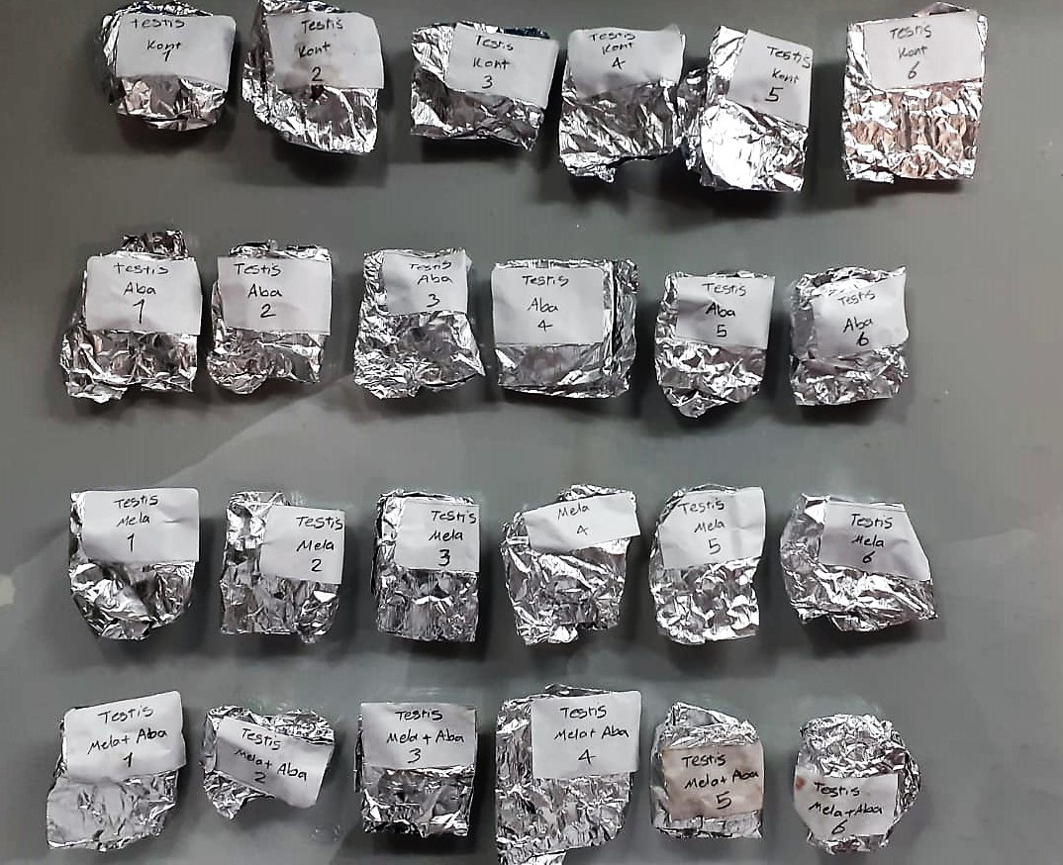
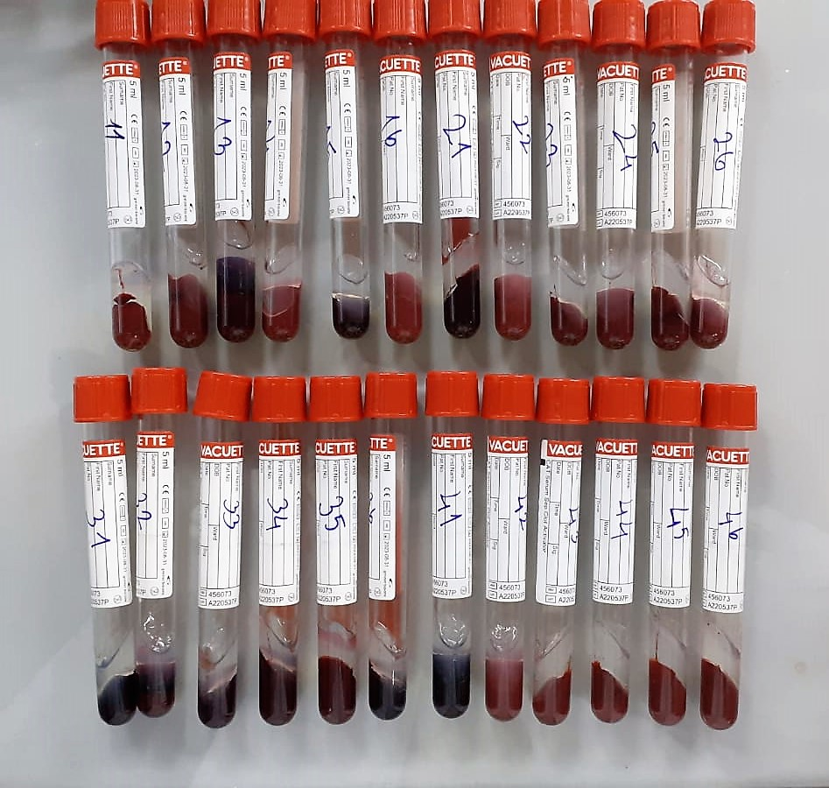

TOTAL ANTIOXDANT STATUS (TAS) (mmol/L)
TAS levels were measured using commercially available kits (Relassay, Turkey). The novel
automated method is based on the bleaching of characteristic color of a more stable ABTS
(2,2 ′ - Azino-bis(3-ethylbenzothiazoline-6-sulfonic acid)) radical cation by antioxidants. The
assay has excellent precision values, which are lower than 3%. The results were expressed as
mmol Trolox equivalent/L (Erel O. A novel automated direct measurement method for total
antioxidant capacity using a new generation, more stable ABTS radicalcation. Clin Biochem
2004;37:277-85.)
(Relassay,Turkey)

TOTAL OXIDANT STATUS (TOS) (µmol/L)
TOS levels were measured using commercially available kits (Relassay, Turkey. In the new
method, oxidants present in the sample oxidized the ferrous ion-o-dianisidine complex to
ferric ion. The oxidation reaction was enhanced by glycerol molecules abundantly present in
the reaction medium. The ferric ion produced a colored complex with xylenol orange in an
acidic medium. The color intensity, which could be measured spectrophotometrically, was
related to the total amount of oxidant molecules present in the sample. The assay was
calibrated with hydrogen peroxide and the results were expressed in terms of
micromolar hydrogen peroxide equivalent per liter (μmol H2O2 equivalent/L). ( Erel O. A
new automated colorimetric method for measuringtotal oxidant status. Clin Biochem
2005;38:1103-11. ).
(Relassay,Turkey)

OXIDATIVE STRESS INDEX (OSI)
The ratio of TOS to TAS was accepted as the oxidative stress index (OSI). For calculation, the
resulting unit of TAS was converted to μmol/L, and the OSI value was calculated according to
the following Formula : OSI (arbitrary unit) =
TOS (μmol H2O2 equivalent/L) / TAC (μmol Trolox equivalent/L). (1-3).
1. Yumru M, Savas HA, Kalenderoglu A, Bulut M, Celik H, Erel O. Oxidative imbalance in
bipolar disorder subtypes: a comparative study. Prog Neuropsychopharmacol Biol Psychiatry.
2009 Aug 31;33(6):1070-4.
2. Kosecik M, Erel O, Sevinc E, Selek S. Increased oxidative stress in children exposed to
passive smoking. Int J Cardiol 2005;100:61–4.
3. (Harma M, Harma M, Erel O (2003) Increased oxidative stress in patients with
hydatidiform mole. Swiss Med Wkly 133:563-536).

Malondialdehyde (MDA) nmol/L
The MDA level was determined by a method based
on the reaction with thiobarbituric acid (TBA) at 90–100_C
. In the TBA test reaction, MDA or MDA-like
substances and TBA react with the production of a pink
pigment with a maximum absorption at 532 nm. The
reaction was performed at pH 2–3 at 90_C for 15 min. The
sample was mixed with two volumes of cold 10% (w/v)
trichloroacetic acid for the precipitation of protein. The
precipitate was pelleted by centrifugation, and an aliquot of
the supernatant was reacted with an equal volume of 0.67%
(w/v) TBA in a boiling water bath for 10 min. After
cooling, the absorbance was read at 532 nm.

Super Oxide Dismutase (SOD) U/ml
The role of speroxide dismutase is to accelerate the dismutation of the toxic radical, produced
during oxidative energy processes to hydrogen peroxide and molecular oxygen. This method
employs xanthine and xanthine oxidase to generate superoxide radicals which react with 2-(4-
iodophenyl)-3-(4-nitrophenol)-5-phenyltetrazolium chloride to form a red formazan dye.. the
superoxide dismutase activity is then measured by the degree of inhibiton of this reaction

GPx (U/L)
This method is based on that of Paglia and Valentine. Glutathione Peroxidase (GPx) catalses of the
oxidation of glutathione by cumene hydroperoxide. In the presence of glutathione (GSSG) is
immediately converted to the reduced form with a concomitant oxidation of NADPH to NADP. The decrease in absorbance at 340 nm is measured
Referanslar
Paglia, D.E. and Valentine, W.N., J. Lab. Clin. Med., 1967; 70: 158.
Prohaska, J.R., Oh, S.H., Hoekstra, W.G. & Ganther,
H.E. Biochem. & Biophys. Res. Comm. 1977; 74: 64.
Kraus, R.J. & Ganther, H. E. Biochem. & Biophys. Res. Comm 1980; 96: 1116.

Catalase Assay Principle
The reaction that catalase (CAT) decomposes H2O2 can be quickly stopped by ammonium molybdate. The residual H2O2 reacts with ammonium molybdate to generate a yellowish complex.
CAT activity can be calculated by production of the yellowish complex at 405 nm.

Cholesterol Total mg/dl
Cholesterol ester + H2O Cholesterol + fatty acids
Cholesterol esters are ceaved by the action of choesterol esterase to yield free
choesterol and fatty acids Cholesterol oxidase Cholesterol + O2 Cholesten-3-on + H2O2
Peroxidase
2H2O2 + Phenol + 4-Aminoantipyrine Quinoneimine dye + 4 H2O
Cholesterol is converted by oxygen with the aid of cholesterol oxidase to A4- Cholestenone and hydrogen peroxide.
Hydrogen peroxide created forms a red dyestuff by reacting with 4-aminoantipyrine and phenol under the catalytic action of peroxidase.
The color intensity is directly proportional to the concentration of cholesterol and can be determined photometrically.

Triglycerides mg/dl
Triglycerides in the sample originates, by means of the coupled reactions described below, acoloured complex that can be measured by spectrophotometry.
Triglycerides + H2O lipase Glycerol + Fatty acids
Glycerol + ATP glycerol kinase Glycerol – 3 – P + ADP
Glycerol – 3 –P + O2 G-3-P-oxidase Dihidroxyacetone – P +H2O2
2 H2O2 + 4 – Aminoantipyrine + 4 – Chlorophenol G-3-P-oxidas Quinoneimine + 4 H2O

Creatinine mg/L
Immunoturbidimetric assay
Anti-CRP antibodies react with antigen in the sample to form an ntigen/antibody complex. Following agglutination, this is measured turbidimetrically.
Addition of PEG allows the reaction to progress rapidly to the end point,increases sensitivity, and reduces the risk of samples containing excess antigen
producing false negative results.

Urea (BUN) mg/dl
Urea is hydrolysed in presence of urease to produce ammonia and CO2. The ammonia produced combines with 2 – oxoglutarate and NADH in presence of GLDH to yield glutamate and NAD.
urease
Urea+H2O+2H+ 2 NH4+ + 2+ CO2
GLDH
2 NH4+ + 2-Oxoglutarate + 2 NADH H2O + 2 NAD+ + Gl utamate The decrease in absorbance due to consumption of NADH is measured kinetically.

AST U/L
UV test according to a standarrized method
Sample and addition of R1 (buffer)
Addition of R2 and start of reaction: AST
α-ketoglutarate + L-aspartate L- glutamate + oxaloasetate
AST is the enzyme which catalyzes this equilibrium reaction. The oxaloacetate in- crease is measured in a subsequent indicator reaction which is catalyzed by malate dehydrogenase.
MDH
oxalacetate + NADH + H+ L-Malate + NAD+
In the second reaction, NADH is oxidized to NAD. The rate of decrease in NADH
(Measured photometrically) is directly proportional to the rate of formation of
oxaloasetate, and thus the AST activity.

ALT U/L
UV test according to the IFCC method.
ALT
L-Alanin + 2-Oxoglutarate ⎯⎯ L-Glutamate + Pyruvat

Alkaline Phosphatase (ALP) U/L
Colorimetric assay in accordance with a standardized method.
ALP, Mg2
p - Nitrophenylphosphate+ H2O Phosphate + p - Nitrophenol
In the presence of magnesium and zinc ions, p-nitrophenyl phosphate is hydrolyzed by phosphatases to form phosphate and p-nitrophenol.
In this process AMP serves as transient phosphate acceptor. The release of coloured p-nitrophenol is proportional to the ALP activity and can be measured photometrically.

LDH
Pyruvat + NADH + H+ ⎯⎯ D-Lactate+ NAD+
The enzyme alanine aminotransferase (EC 2.6.1.2; L-Alanine:2-Oxoglutarate Aminotransferase,
ALT or A1aAT; Glutamate Pyruvate Transaminase, GPT) catalyzes the tran- saminase reaction between L-Alanine and 2-Oxoglutarate.
The pyruvate formed, is reduced to lactate in the presence of LDH. As the reactions proceed,
NADH is oxidized to NAD+. The disappearance of NADH per unit time is followed by measuring the decrease in absorbance at 340 nm.
(Otto Scientific)

Total Protein g/dl
Colorimetric assay, Sample and addition of Reagent start of the reaction:
Divalent copper reacts in alkaline solution with protein peptide bonds to form the characteristic purple-colored biuret complex.
Sodium potassium tartrate prevents the precipitation of copper hydroxide and potassium iodide prevents auto reduction of copper. alkaline protein + Cu2+ solution Cu-protein complex
The color intensity is directly proportional to the protein concentration which can be determined photometrically.

Albumin g/dl
Colorimetric assay, endpoint method
• Sample and addition of R1
• Start of the reaction:
At a pH value of 4.1 albumin displays a sufficiently cationic character to be able to bind with bromocresol green (BCG), any anionic dyestuff, to form a blue-green complex.
pH 4.1 albumin + BCG albumin BCG- complex
The color intensity of the blue-green color is directly proportional to the albumin concentration and can be determined photometrical

Uric Asit mg/dl
Colorimetric endpoint assay
Uricase
Uric acid + 2 H2O + O2 Allantoin + CO 2 + H 2O 2
Uricase cleaves uric acid to form allantoin and hydrogen peroxide.
POD
2H2O2 + 4H+ + phenole + 4-aminoantipyrine quinonimine dye + 4H2O
The increase in absorbance is measured.

IL-17 Assay Principle
This kit is an Enzyme-Linked Immunosorbent Assay (ELISA). The plate has been pre-coated with Rat IL-17 antibody. IL-17 present in the sample is added and binds to antibodies coated on the wells.
And then biotinylated Rat IL-17 Antibody is added and binds to IL-17 in the sample. Then Streptavidin-HRP is added and binds to the Biotinylated IL-17 antibody.
After incubation unbound Streptavidin-HRP is washed away during a washing step. Substrate solution is then added and color develops in proportion to the amount of Rat IL-17.
The reaction is terminated by addition of acidic stop solution and absorbance is measured at 450 nm.

GSTs Assay Principle
This kit is an Enzyme-Linked Immunosorbent Assay (ELISA). The plate has been pre-coated with Rat GSTs antibody. GSTs present in the sample is added and binds to antibodies coated on the wells.
And then biotinylated Rat GSTs Antibody is added and binds to GSTs in the sample. Then Streptavidin-HRP is added and binds to the Biotinylated GSTs antibody.
After incubation unbound Streptavidin-HRP is washed away during a washing step. Substrate solution is then added and color develops in proportion to the amount of Rat GSTs.
The reaction is terminated by addition of acidic stop solution and absorbance is measured at 450 nm.

8-0HdG Test Principle
This ELISA kit uses the Competitive-ELISA principle. The micro ELISA plate provided in this kit has been pre-coated wit 8-OHdG.
During the reaction, 8-OHdG in the sample or standard competes with a fixed amount of 8-OHdG on the solid phase supporter for sites on the Biotinylated Detection Ab specific to 8-OHdG.
Excess conjugate and unbound sample or standard are washed from the plate, and Avidin conjugated to Horseradish Peroxidase (HRP) are added to each microplate well and incubated.
Then a TMB substrate solution is added to each well. The enzyme-substrate reaction is terminated by the addition of stop solution and the color change is measured spectrophotometrically at a wavelength of 450 nm ± 2 nm.
The concentration of 8-OHdG in the samples is then determined by comparing the OD of the samples to the standard curve.

AChE Test Principle
This kit is an Enzyme-Linked Immunosorbent Assay (ELISA). The plate has been pre-coated with Rat AChE antibody. AChE present in the sample is added and binds to antibodies coated on the wells.
And then biotinylated Rat AChE Antibody is added and binds to AChE in the sample. Then Streptavidin-HRP is added and binds to the Biotinylated AChE antibody.
After incubation unbound Streptavidin-HRP is washed away during a washing step. Substrate solution is then added and color develops in proportion to the amount of Rat AChE.
The reaction is terminated by addition of acidic stop solution and absorbance is measured at 450 nm.

