TESTİS-8-OHdG
0.104 | 1.123 | 1.194 | 1.11
0.705 | 1.154 | 1.21 | 1.156
1.117 | 1.262 | 1.203 | 1.129
1.367 | 1.285 | 1.356 | 1.21
1.531 | 1.375 | 1.29 | 1.162
1.767 | 1.158 | 1.268 | 1.196
1.961 | 1.117 | 1.024 | 1.135
8-OHdG
2.206 | 1.308 | 1.158 | 1.252

 | abs | expected | result
std1 | 0.104 | 100 | 100.46
std2 | 0.705 | 50 | 48.94
std3 | 1.117 | 25 | 24.20
std4 | 1.367 | 12.5 | 13.39
std5 | 1.531 | 6.25 | 8.02
std6 | 1.767 | 3.13 | 2.69
std7 | 1.961 | 1.56 | 0.42
blank | 2.206 | 0 | 0.28
 |  |  |  | concentration (ng/ml)

Numune | absorbans | result(ng/ml)
KONTROL-1 | 1.123 | 23.90
KONTROL-2 | 1.154 | 22.40
KONTROL-3 | 1.262 | 17.54
KONTROL-4 | 1.285 | 16.59
POW ORAL-2 | 1.375 | 13.10
POW ORAL-3 | 1.158 | 22.21
POW ORAL-4 | 1.117 | 24.20
POW IP-2 | 1.308 | 15.66
POW IP-3 | 1.194 | 20.53
POW IP-4 | 1.21 | 19.81
POW IV-1 | 1.203 | 20.12
POW IV-2 | 1.356 | 13.80
POW IV-3 | 1.29 | 16.38
POW IV-4 | 1.268 | 17.29
NP ORAL-2 | 1.024 | 29.03
NP ORAL-3 | 1.158 | 22.21
NP ORAL-4 | 1.11 | 24.55
NP IP-2 | 1.156 | 22.31
NP IP-3 | 1.129 | 23.61
NP IP-4 | 1.21 | 19.81
NP IV-1 | 1.162 | 22.02
NP IV-2 | 1.196 | 20.44
NP IV-3 | 1.135 | 23.32
NP IV-4 | 1.252 | 17.97

IL-1BETA
1.824 | 0.561 | 0.662 | 0.559 | 0.703 | 0.662 | 0.63 | 0.601 | 0.555 | 0.591 | 0.74 | 0.561
1.278 | 0.503 | 0.361 | 0.544 | 0.414 | 0.443 | 0.544 | 0.484 | 0.554 | 0.445 | 0.563 | 0.511
0.761 | 0.476 | 0.497 | 0.484 | 0.385 | 0.599 | 0.519 | 0.611 | 0.478 | 0.49 | 0.496 | 0.118
0.561 | 0.496 | 0.437 | 0.379 | 0.549 | 0.593 | 0.564 | 0.469 | 0.435 | 0.438 | 0.488 | 0.088
0.315 | 0.471 | 0.405 | 0.397 | 0.715 | 0.579 | 0.351 | 0.531 | 0.503 | 0.508 | 0.496 | 0.108
0.079 | 0.762 | 0.521 | 0.434 | 0.76 | 0.438 | 0.578 | 0.57 | 0.527 | 0.506 | 0.441 | 0.104
0.64 | 0.558 | 0.461 | 0.384 | 0.74 | 0.59 | 0.549 | 0.447 | 0.501 | 0.626 | 0.347 | 0.099
0.442 | 0.453 | 0.456 | 0.477 | 0.697 | 0.63 | 0.521 | 0.484 | 0.37 | 0.423 | 0.408 | 0.083

IL-1BETA

 | abs | abs-blank | expected | result
std1 | 1.824 | 1.745 | 40 | 39.64
std2 | 1.278 | 1.199 | 20 | 21.11
std3 | 0.761 | 0.682 | 10 | 8.79
std4 | 0.561 | 0.482 | 5 | 5.39
std5 | 0.315 | 0.236 | 2.5 | 2.25
blank | 0.079 | 0 | 0 | 0.32

 |  |  |  |  |  |  |  |  | concentration (ng/ml)

Numune | absorbans | blank | abs-blank | result(ng/ml)
KRC-KONTROL-1 | 0.64 | 0.079 | 0.561 | 6.64
KRC-KONTROL-2 | 0.442 | 0.079 | 0.363 | 3.73
KRC-KONTROL-3 | 0.561 | 0.079 | 0.482 | 5.39
KRC-KONTROL-4 | 0.503 | 0.079 | 0.424 | 4.55
KRC-POW ORAL-1 | 0.476 | 0.079 | 0.397 | 4.18
KRC-POW ORAL-2 | 0.496 | 0.079 | 0.417 | 4.45
KRC-POW ORAL-3 | 0.471 | 0.079 | 0.392 | 4.11
KRC-POW ORAL-4 | 0.762 | 0.079 | 0.683 | 8.81
KRC-POW IP-1 | 0.558 | 0.079 | 0.479 | 5.35
KRC-POW IP-2 | 0.453 | 0.079 | 0.374 | 3.87
KRC-POW IP-3 | 0.662 | 0.079 | 0.583 | 7.01
KRC-POW IP-4 | 0.361 | 0.079 | 0.282 | 2.75
KRC-POW IV-1 | 0.497 | 0.079 | 0.418 | 4.46
KRC-POW IV-2 | 0.437 | 0.079 | 0.358 | 3.66
KRC-POW IV-3 | 0.405 | 0.079 | 0.326 | 3.27
KRC-POW IV-4 | 0.521 | 0.079 | 0.442 | 4.80
KRC-NP ORAL-1 | 0.461 | 0.079 | 0.382 | 3.98
KRC-NP ORAL-2 | 0.456 | 0.079 | 0.377 | 3.91
KRC-NP ORAL-3 | 0.559 | 0.079 | 0.48 | 5.36
KRC-NP ORAL-4 | 0.544 | 0.079 | 0.465 | 5.14
KRC-NP IP-1 | 0.484 | 0.079 | 0.405 | 4.28
KRC-NP IP-2 | 0.379 | 0.079 | 0.3 | 2.96
KRC-NP IP-3 | 0.397 | 0.079 | 0.318 | 3.17
KRC-NP IP-4 | 0.434 | 0.079 | 0.355 | 3.63
KRC-NP IV-1 | 0.384 | 0.079 | 0.305 | 3.02
KRC-NP IV-2 | 0.477 | 0.079 | 0.398 | 4.19
KRC-NP IV-3 | 0.703 | 0.079 | 0.624 | 7.73
KRC-NP IV-4 | 0.414 | 0.079 | 0.335 | 3.38
BBR-KONTROL-1 | 0.385 | 0.079 | 0.306 | 3.03
BBR-KONTROL-2 | 0.549 | 0.079 | 0.47 | 5.21
BBR-KONTROL-3 | 0.715 | 0.079 | 0.636 | 7.94
BBR-KONTROL-4 | 0.76 | 0.079 | 0.681 | 8.77
BBR POW -ORAL-1 | 0.74 | 0.079 | 0.661 | 8.40
BBR POW -ORAL-2 | 0.697 | 0.079 | 0.618 | 7.62
BBR POW -ORAL-3 | 0.662 | 0.079 | 0.583 | 7.01
BBR POW -ORAL-4 | 0.443 | 0.079 | 0.364 | 3.74
BBR-NP IP-1 | 0.599 | 0.079 | 0.52 | 5.98
BBR-NP IP-2 | 0.593 | 0.079 | 0.514 | 5.88
BBR-NP IP-3 | 0.579 | 0.079 | 0.5 | 5.67
BBR-NP IP-4 | 0.438 | 0.079 | 0.359 | 3.68
BBR-NP ORAL-1 | 0.59 | 0.079 | 0.511 | 5.84
BBR-NP ORAL-2 | 0.63 | 0.079 | 0.551 | 6.48
BBR-NP ORAL-3 | 0.63 | 0.079 | 0.551 | 6.48
BBR-NP ORAL-4 | 0.544 | 0.079 | 0.465 | 5.14
BBR-POW IP-1 | 0.519 | 0.079 | 0.44 | 4.77
BBR-POW IP-2 | 0.564 | 0.079 | 0.485 | 5.44
BBR-POW IP-3 | 0.351 | 0.079 | 0.272 | 2.64
BBR-POW IP-4 | 0.578 | 0.079 | 0.499 | 5.65
BBR-POW IV-1 | 0.549 | 0.079 | 0.47 | 5.21
BBR-POW IV-2 | 0.521 | 0.079 | 0.442 | 4.80
BBR-POW IV-3 | 0.601 | 0.079 | 0.522 | 6.01
BBR-POW IV-4 | 0.484 | 0.079 | 0.405 | 4.28
BBR-NP IV-1 | 0.611 | 0.079 | 0.532 | 6.17
BBR-NP IV-2 | 0.469 | 0.079 | 0.39 | 4.08
BBR-NP IV-3 | 0.531 | 0.079 | 0.452 | 4.95
BBR-NP IV-4 | 0.57 | 0.079 | 0.491 | 5.53
TESTİS-KONROL-1 | 0.447 | 0.079 | 0.368 | 3.79
TESTİS-KONROL-2 | 0.484 | 0.079 | 0.405 | 4.28
TESTİS-KONROL-3 | 0.555 | 0.079 | 0.476 | 5.30
TESTİS-KONROL-4 | 0.554 | 0.079 | 0.475 | 5.29
TESTİS-POW ORAL-1 | 0.478 | 0.079 | 0.399 | 4.20
TESTİS-POW ORAL-2 | 0.435 | 0.079 | 0.356 | 3.64
TESTİS-POW ORAL-3 | 0.503 | 0.079 | 0.424 | 4.55
TESTİS-POW ORAL-4 | 0.527 | 0.079 | 0.448 | 4.89
TESTİS POW IP-1 | 0.501 | 0.079 | 0.422 | 4.52
TESTİS POW IP-2 | 0.37 | 0.079 | 0.291 | 2.85
TESTİS POW IP-3 | 0.591 | 0.079 | 0.512 | 5.85
TESTİS POW IP-4 | 0.445 | 0.079 | 0.366 | 3.77
TESTİS POW IV-1 | 0.49 | 0.079 | 0.411 | 4.37
TESTİS POW IV-2 | 0.438 | 0.079 | 0.359 | 3.68
TESTİS POW IV-3 | 0.508 | 0.079 | 0.429 | 4.62
TESTİS POW IV-4 | 0.506 | 0.079 | 0.427 | 4.59
TESTİS-NP ORAL-1 | 0.626 | 0.079 | 0.547 | 6.41
TESTİS-NP ORAL-2 | 0.423 | 0.079 | 0.344 | 3.49
TESTİS-NP ORAL-3 | 0.74 | 0.079 | 0.661 | 8.40
TESTİS-NP ORAL-4 | 0.563 | 0.079 | 0.484 | 5.42
TESTİS NP IP-1 | 0.496 | 0.079 | 0.417 | 4.45
TESTİS NP IP-2 | 0.488 | 0.079 | 0.409 | 4.34
TESTİS NP IP-3 | 0.496 | 0.079 | 0.417 | 4.45
TESTİS NP IP-4 | 0.441 | 0.079 | 0.362 | 3.72
TESTİS NP IV-1 | 0.347 | 0.079 | 0.268 | 2.59
TESTİS NP IV-2 | 0.408 | 0.079 | 0.329 | 3.30
TESTİS NP IV-3 | 0.561 | 0.079 | 0.482 | 5.39
TESTİS NP IV-4 | 0.511 | 0.079 | 0.432 | 4.66

Materyal-metod
KİT ADI | TÜR | MARKA | Numune Türü | CAT. NO | Yöntem | Kullanılan Cihaz
Interleukin-1Beta | Rat | BT-lab | Doku | E0119Ra | ELİSA | Mıcroplate reader: BIO-TEK EL X 800-Aotu strıp washer:BIO TEK EL X 50
8-OHdG | Universal | Elabscience | Doku | E-EL-0028 | ELİSA | Mıcroplate reader: BIO-TEK EL X 800-Aotu strıp washer:BIO TEK EL X 50

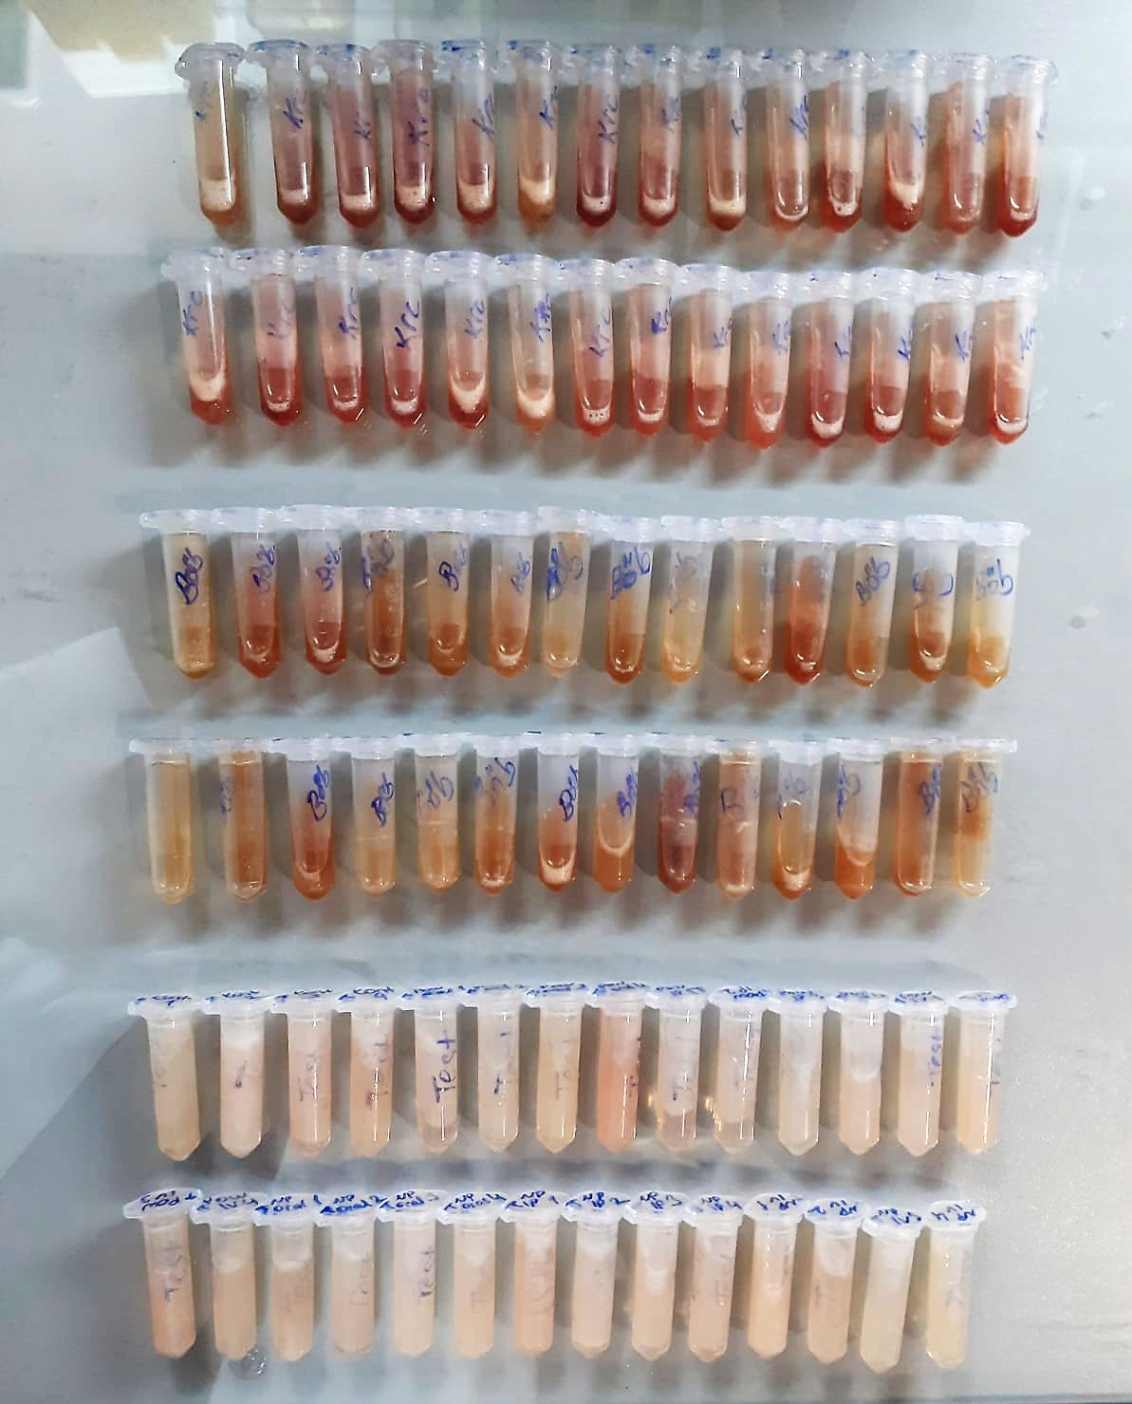

IL-1beta Assay Principle
This kit is an Enzyme-Linked Immunosorbent Assay (ELISA). The plate has been pre-coated with Rat IL-1b antibody. IL-1b present in the sample is added and binds to antibodies coated on the wells.
And then biotinylated Rat IL-1b Antibody is added and binds to IL-1b in the sample. Then Streptavidin-HRP is added and binds to the Biotinylated IL-1b antibody.
After incubation unbound Streptavidin-HRP is washed away during a washing step. Substrate solution is then added and color develops in proportion to the amount of Rat IL-1b.
The reaction is terminated by addition of acidic stop solution and absorbance is measured at 450 nm.

8-0HdG Test Principle
This ELISA kit uses the Competitive-ELISA principle. The micro ELISA plate provided in this kit has been pre-coated wit 8-OHdG.
During the reaction, 8-OHdG in the sample or standard competes with a fixed amount of 8-OHdG on the solid phase supporter for sites on the Biotinylated Detection Ab specific to 8-OHdG.
Excess conjugate and unbound sample or standard are washed from the plate, and Avidin conjugated to Horseradish Peroxidase (HRP) are added to each microplate well and incubated.
Then a TMB substrate solution is added to each well. The enzyme-substrate reaction is terminated by the addition of stop solution and the color change is measured spectrophotometrically at a wavelength of 450 nm ± 2 nm.
The concentration of 8-OHdG in the samples is then determined by comparing the OD of the samples to the standard curve.

