CORTİSOL
2.327 | 0.811 | 0.736 | 0.613 | 0.658 | 0.775 | 0.54 | 1.347 | 1.295 | 1.123 | 0.614 | 0.785
1.485 | 1.757 | 0.973 | 1.97 | 1.213 | 1.457 | 0.786 | 0.623 | 1.187 | 1.841 | 1.071 | 1.204
0.865 | 0.657 | 0.85 | 0.82 | 0.559 | 1.137 | 1.066 | 1.555 | 1.148 | 1.226 | 1.076 | 1.391
0.438 | 0.57 | 0.646 | 0.455 | 0.947 | 0.786 | 0.889 | 1.383 | 1.072 | 1.077 | 0.825 | 0.766
0.254 | 0.77 | 0.804 | 0.668 | 1.846 | 0.685 | 1.019 | 1.036 | 1.027 | 1.117 | 1.361 | 1.122
0.089 | 0.575 | 0.882 | 0.761 | 0.91 | 0.523 | 0.616 | 1.093 | 0.793 | 0.936 | 1.501 | 0.784
0.966 | 0.775 | 0.791 | 0.559 | 0.944 | 0.919 | 0.896 | 1.13 | 0.904 | 0.707 | 0.664 | 0.557
0.529 | 0.382 | 0.571 | 0.483 | 0.546 | 0.5 | 1.417 | 0.637 | 0.641 | 1.039 | 0.748 | 0.771

CORTİSOL
 | abs | abs-blank | expected | result
std1 | 2.327 | 2.238 | 160 | 159.22
std2 | 1.485 | 1.396 | 80 | 82.32
std3 | 0.865 | 0.776 | 40 | 39.60
std4 | 0.438 | 0.349 | 20 | 17.04
std5 | 0.254 | 0.165 | 10 | 9.05
blank | 0.089 | 0 | 0 | 2.76

 |  |  |  |  |  |  |  |  | concentratıon (ng/ml)

Numune | absorbans | blank | abs-blank | result
İVESİ
1-13-%30 | 0.966 | 0.089 | 0.877 | 45.76
1-3-%30 | 0.529 | 0.089 | 0.44 | 21.38
1-15-%15 | 0.811 | 0.089 | 0.722 | 36.44
1-21-%15 | 1.757 | 0.089 | 1.668 | 104.78
1-19-İK | 0.657 | 0.089 | 0.568 | 27.91
1-5-%15 | 0.57 | 0.089 | 0.481 | 23.42
1-23-%30 | 0.77 | 0.089 | 0.681 | 34.10
1-1-İK | 0.575 | 0.089 | 0.486 | 23.67
1-11-İK | 0.775 | 0.089 | 0.686 | 34.38
3-3-%30 | 0.382 | 0.089 | 0.293 | 14.50
3-15-%15 | 0.736 | 0.089 | 0.647 | 32.20
3-13-%30 | 0.973 | 0.089 | 0.884 | 46.19
3-25-İK | 0.85 | 0.089 | 0.761 | 38.71
3-5-%15 | 0.646 | 0.089 | 0.557 | 27.33
3-23-%30 | 0.804 | 0.089 | 0.715 | 36.04
3-1-İK | 0.882 | 0.089 | 0.793 | 40.62
3-19-İK | 0.791 | 0.089 | 0.702 | 35.29
3-11-İK | 0.571 | 0.089 | 0.482 | 23.47
3-30-%15 | 0.613 | 0.089 | 0.524 | 25.61
3-21-%15 | 1.97 | 0.089 | 1.881 | 123.96
3-28-%30 | 0.82 | 0.089 | 0.731 | 36.96
5-3-%30 | 0.455 | 0.089 | 0.366 | 17.84
5-1-İK | 0.668 | 0.089 | 0.579 | 28.50
5-28-%30 | 0.761 | 0.089 | 0.672 | 33.59
5-30-%15 | 0.559 | 0.089 | 0.47 | 22.87
5-15-%15 | 0.483 | 0.089 | 0.394 | 19.16
5-19-İK | 0.658 | 0.089 | 0.569 | 27.97
5-13-%30 | 1.213 | 0.089 | 1.124 | 62.13
5-5-%15 | 0.559 | 0.089 | 0.47 | 22.87
5-23-%30 | 0.947 | 0.089 | 0.858 | 44.57
5-21-%15 | 1.846 | 0.089 | 1.757 | 112.62
5-25-İK | 0.91 | 0.089 | 0.821 | 42.31
5-11-İK | 0.944 | 0.089 | 0.855 | 44.39
7-5-%15 | 0.546 | 0.089 | 0.457 | 22.22
7-13-%30 | 0.775 | 0.089 | 0.686 | 34.38
7-21-%15 | 1.457 | 0.089 | 1.368 | 80.13
7-19-İK | 1.137 | 0.089 | 1.048 | 56.89
7-11-İK | 0.786 | 0.089 | 0.697 | 35.01
7-1-İK | 0.685 | 0.089 | 0.596 | 29.41
7-3-%30 | 0.523 | 0.089 | 0.434 | 21.09
7-23-%30 | 0.919 | 0.089 | 0.83 | 42.85
7-30-%15 | 0.5 | 0.089 | 0.411 | 19.97
7-5-%15 | 0.54 | 0.089 | 0.451 | 21.92
7-28-%30 | 0.786 | 0.089 | 0.697 | 35.01
7-25-İK | 1.066 | 0.089 | 0.977 | 52.16
ÇET
1-14-%30 | 0.889 | 0.089 | 0.8 | 41.04
1-6-%15 | 1.019 | 0.089 | 0.93 | 49.11
1-12-ÇK | 0.616 | 0.089 | 0.527 | 25.77
1-22-%15 | 0.896 | 0.089 | 0.807 | 41.46
1-20-ÇK | 1.417 | 0.089 | 1.328 | 77.06
1-10-%15 | 1.347 | 0.089 | 1.258 | 71.79
1-4-%30 | 0.623 | 0.089 | 0.534 | 26.13
1-24-%30 | 1.555 | 0.089 | 1.466 | 87.88
1-2-ÇK | 1.383 | 0.089 | 1.294 | 74.48
3-22-%15 | 1.036 | 0.089 | 0.947 | 50.20
3-29-%15 | 1.093 | 0.089 | 1.004 | 53.94
3-10-%15 | 1.13 | 0.089 | 1.041 | 56.42
3-26-ÇK | 0.637 | 0.089 | 0.548 | 26.86
3-6-%15 | 1.295 | 0.089 | 1.206 | 67.97
3-20-ÇK | 1.187 | 0.089 | 1.098 | 60.31
3-12-ÇK | 1.148 | 0.089 | 1.059 | 57.64
3-2-ÇK | 1.072 | 0.089 | 0.983 | 52.55
3-4-%30 | 1.027 | 0.089 | 0.938 | 49.62
3-14-%30 | 0.793 | 0.089 | 0.704 | 35.41
3-24-%30 | 0.904 | 0.089 | 0.815 | 41.94
3-27-%30 | 0.641 | 0.089 | 0.552 | 27.07
5-20-ÇK | 1.123 | 0.089 | 1.034 | 55.94
5-10-%15 | 1.841 | 0.089 | 1.752 | 112.18
5-29-%15 | 1.226 | 0.089 | 1.137 | 63.04
5-22-%15 | 1.077 | 0.089 | 0.988 | 52.88
5-12-ÇK | 1.117 | 0.089 | 1.028 | 55.54
5-6-%15 | 0.936 | 0.089 | 0.847 | 43.90
5-26-ÇK | 0.707 | 0.089 | 0.618 | 30.60
5-2-ÇK | 1.039 | 0.089 | 0.95 | 50.40
5-4-%30 | 0.614 | 0.089 | 0.525 | 25.66
5-14-%30 | 1.071 | 0.089 | 0.982 | 52.49
5-24-%30 | 1.076 | 0.089 | 0.987 | 52.81
5-27-%30 | 0.825 | 0.089 | 0.736 | 37.25
7-2-ÇK | 1.361 | 0.089 | 1.272 | 72.83
7-20-ÇK | 1.501 | 0.089 | 1.412 | 83.58
7-12-ÇK | 0.664 | 0.089 | 0.575 | 28.29
7-6-%15 | 0.748 | 0.089 | 0.659 | 32.86
7-26-ÇK | 0.785 | 0.089 | 0.696 | 34.95
7-29-%15 | 1.204 | 0.089 | 1.115 | 61.50
7-10-%15 | 1.391 | 0.089 | 1.302 | 75.08
7-4-%30 | 0.766 | 0.089 | 0.677 | 33.87
7-22-%15 | 1.122 | 0.089 | 1.033 | 55.88
7-14-%30 | 0.784 | 0.089 | 0.695 | 34.89
7-27-%30 | 0.557 | 0.089 | 0.468 | 22.77
7-24-%30 | 0.771 | 0.089 | 0.682 | 34.16

ADH
1.416 | 0.233 | 0.208 | 0.246 | 0.216 | 0.176 | 0.269 | 0.503 | 0.394 | 0.501 | 0.381 | 0.402
0.852 | 0.174 | 0.151 | 0.223 | 0.241 | 0.253 | 0.234 | 0.458 | 0.302 | 0.38 | 0.28 | 0.799
0.476 | 0.186 | 0.213 | 0.18 | 0.187 | 0.268 | 0.298 | 0.303 | 0.42 | 0.704 | 0.273 | 0.457
0.304 | 0.161 | 0.176 | 0.406 | 0.18 | 0.21 | 0.659 | 0.34 | 0.289 | 0.276 | 0.236 | 0.238
0.145 | 0.19 | 0.171 | 0.479 | 0.235 | 0.395 | 0.42 | 0.327 | 0.365 | 0.342 | 0.3 | 0.226
0.078 | 0.394 | 0.445 | 0.547 | 0.205 | 0.378 | 0.232 | 0.735 | 0.203 | 0.337 | 0.337 | 0.196
0.16 | 0.244 | 0.158 | 0.179 | 0.154 | 0.185 | 0.26 | 0.405 | 0.251 | 0.238 | 0.218 | 0.239
0.395 | 0.364 | 0.163 | 0.157 | 0.218 | 0.193 | 0.281 | 0.182 | 0.302 | 0.27 | 0.31 | 0.201

ADH
1.338 | 160
0.774 | 80
0.398 | 40
0.226 | 20
0.067 | 10
0 | 0
 | abs | abs-blank | expected | result
std1 | 1.416 | 1.338 | 160 | 159.77
std2 | 0.852 | 0.774 | 80 | 81.01
std3 | 0.476 | 0.398 | 40 | 38.39
std4 | 0.304 | 0.226 | 20 | 21.53
std5 | 0.145 | 0.067 | 10 | 7.42
blank | 0.078 | 0 | 0 | 1.89

 |  |  |  |  |  |  |  | concentratıon (ng/L)

Numune | absorbans | blank | abs-blank | result
İVESİ
1-13-%30 | 0.16 | 0.078 | 0.082 | 8.69
1-3-%30 | 0.395 | 0.078 | 0.317 | 30.24
1-15-%15 | 0.233 | 0.078 | 0.155 | 15.05
1-21-%15 | 0.174 | 0.078 | 0.096 | 9.88
1-19-İK | 0.186 | 0.078 | 0.108 | 10.92
1-5-%15 | 0.161 | 0.078 | 0.083 | 8.77
1-23-%30 | 0.19 | 0.078 | 0.112 | 11.27
1-1-İK | 0.394 | 0.078 | 0.316 | 30.14
1-11-İK | 0.244 | 0.078 | 0.166 | 16.04
3-3-%30 | 0.364 | 0.078 | 0.286 | 27.22
3-15-%15 | 0.208 | 0.078 | 0.13 | 12.84
3-13-%30 | 0.151 | 0.078 | 0.073 | 7.92
3-25-İK | 0.213 | 0.078 | 0.135 | 13.28
3-5-%15 | 0.176 | 0.078 | 0.098 | 10.06
3-23-%30 | 0.171 | 0.078 | 0.093 | 9.63
3-1-İK | 0.445 | 0.078 | 0.367 | 35.23
3-19-İK | 0.158 | 0.078 | 0.08 | 8.52
3-11-İK | 0.163 | 0.078 | 0.085 | 8.94
3-30-%15 | 0.246 | 0.078 | 0.168 | 16.22
3-21-%15 | 0.223 | 0.078 | 0.145 | 14.16
3-28-%30 | 0.18 | 0.078 | 0.102 | 10.40
5-3-%30 | 0.406 | 0.078 | 0.328 | 31.33
5-1-İK | 0.479 | 0.078 | 0.401 | 38.70
5-28-%30 | 0.547 | 0.078 | 0.469 | 45.83
5-30-%15 | 0.179 | 0.078 | 0.101 | 10.31
5-15-%15 | 0.157 | 0.078 | 0.079 | 8.43
5-19-İK | 0.216 | 0.078 | 0.138 | 13.54
5-13-%30 | 0.241 | 0.078 | 0.163 | 15.77
5-5-%15 | 0.187 | 0.078 | 0.109 | 11.01
5-23-%30 | 0.18 | 0.078 | 0.102 | 10.40
5-21-%15 | 0.235 | 0.078 | 0.157 | 15.23
5-25-İK | 0.205 | 0.078 | 0.127 | 12.58
5-11-İK | 0.154 | 0.078 | 0.076 | 8.18
7-5-%15 | 0.218 | 0.078 | 0.14 | 13.72
7-13-%30 | 0.176 | 0.078 | 0.098 | 10.06
7-21-%15 | 0.253 | 0.078 | 0.175 | 16.85
7-19-İK | 0.268 | 0.078 | 0.19 | 18.21
7-11-İK | 0.21 | 0.078 | 0.132 | 13.01
7-1-İK | 0.395 | 0.078 | 0.317 | 30.24
7-3-%30 | 0.378 | 0.078 | 0.3 | 28.58
7-23-%30 | 0.185 | 0.078 | 0.107 | 10.83
7-30-%15 | 0.193 | 0.078 | 0.115 | 11.53
7-5-%15 | 0.269 | 0.078 | 0.191 | 18.30
7-28-%30 | 0.234 | 0.078 | 0.156 | 15.14
7-25-İK | 0.298 | 0.078 | 0.22 | 20.97
ÇET
1-14-%30 | 0.659 | 0.078 | 0.581 | 58.14
1-6-%15 | 0.42 | 0.078 | 0.342 | 32.72
1-12-ÇK | 0.232 | 0.078 | 0.154 | 14.96
1-22-%15 | 0.26 | 0.078 | 0.182 | 17.48
1-20-ÇK | 0.281 | 0.078 | 0.203 | 19.40
1-10-%15 | 0.503 | 0.078 | 0.425 | 41.18
1-4-%30 | 0.458 | 0.078 | 0.38 | 36.55
1-24-%30 | 0.303 | 0.078 | 0.225 | 21.44
1-2-ÇK | 0.34 | 0.078 | 0.262 | 24.92
3-22-%15 | 0.327 | 0.078 | 0.249 | 23.69
3-29-%15 | 0.735 | 0.078 | 0.657 | 66.90
3-10-%15 | 0.405 | 0.078 | 0.327 | 31.23
3-26-ÇK | 0.182 | 0.078 | 0.104 | 10.57
3-6-%15 | 0.394 | 0.078 | 0.316 | 30.14
3-20-ÇK | 0.302 | 0.078 | 0.224 | 21.34
3-12-ÇK | 0.42 | 0.078 | 0.342 | 32.72
3-2-ÇK | 0.289 | 0.078 | 0.211 | 20.14
3-4-%30 | 0.365 | 0.078 | 0.287 | 27.32
3-14-%30 | 0.203 | 0.078 | 0.125 | 12.40
3-24-%30 | 0.251 | 0.078 | 0.173 | 16.67
3-27-%30 | 0.302 | 0.078 | 0.224 | 21.34
5-20-ÇK | 0.501 | 0.078 | 0.423 | 40.98
5-10-%15 | 0.38 | 0.078 | 0.302 | 28.77
5-29-%15 | 0.704 | 0.078 | 0.626 | 63.29
5-22-%15 | 0.276 | 0.078 | 0.198 | 18.94
5-12-ÇK | 0.342 | 0.078 | 0.264 | 25.11
5-6-%15 | 0.337 | 0.078 | 0.259 | 24.63
5-26-ÇK | 0.238 | 0.078 | 0.16 | 15.50
5-2-ÇK | 0.27 | 0.078 | 0.192 | 18.39
5-4-%30 | 0.381 | 0.078 | 0.303 | 28.87
5-14-%30 | 0.28 | 0.078 | 0.202 | 19.31
5-24-%30 | 0.273 | 0.078 | 0.195 | 18.67
5-27-%30 | 0.236 | 0.078 | 0.158 | 15.32
7-2-ÇK | 0.3 | 0.078 | 0.222 | 21.16
7-20-ÇK | 0.337 | 0.078 | 0.259 | 24.63
7-12-ÇK | 0.218 | 0.078 | 0.14 | 13.72
7-6-%15 | 0.31 | 0.078 | 0.232 | 22.09
7-26-ÇK | 0.402 | 0.078 | 0.324 | 30.93
7-29-%15 | 0.799 | 0.078 | 0.721 | 74.52
7-10-%15 | 0.457 | 0.078 | 0.379 | 36.44
7-4-%30 | 0.238 | 0.078 | 0.16 | 15.50
7-22-%15 | 0.226 | 0.078 | 0.148 | 14.43
7-14-%30 | 0.196 | 0.078 | 0.118 | 11.79
7-27-%30 | 0.239 | 0.078 | 0.161 | 15.59
7-24-%30 | 0.201 | 0.078 | 0.123 | 12.23

Materyal-metod
KİT ADI | TÜR | MARKA | Yöntem
CREA: Creatinine | Universal | REL ASSAY | Kolorimetrik
UREA: Üre | Universal | REL ASSAY | Kolorimetrik
CHOL: Total Cholesterol | Universal | REL ASSAY | Kolorimetrik
GLU: Glucose | Universal | REL ASSAY | Kolorimetrik
TG: Triglycerides | Universal | REL ASSAY | Kolorimetrik
ALB: Albumin | Universal | REL ASSAY | Kolorimetrik
TP: Total protein | Universal | REL ASSAY | Kolorimetrik
Antidiüetic Hormone | sheep | BT | ELİSA
Cortisol | Universal | BT | ELİSA
Na | Universal | Roche | ISE
K | Universal | Roche | ISE
Cl | Universal | Roche | ISE
Centrifuge: HETTICH Mıcro 200-R
Microplate Reader: BIO-TEK EL X 800
Auto Strip Washer: BIO-TEK EL X 50
MINDRAY BS-400 Tam Otomatik Analizör

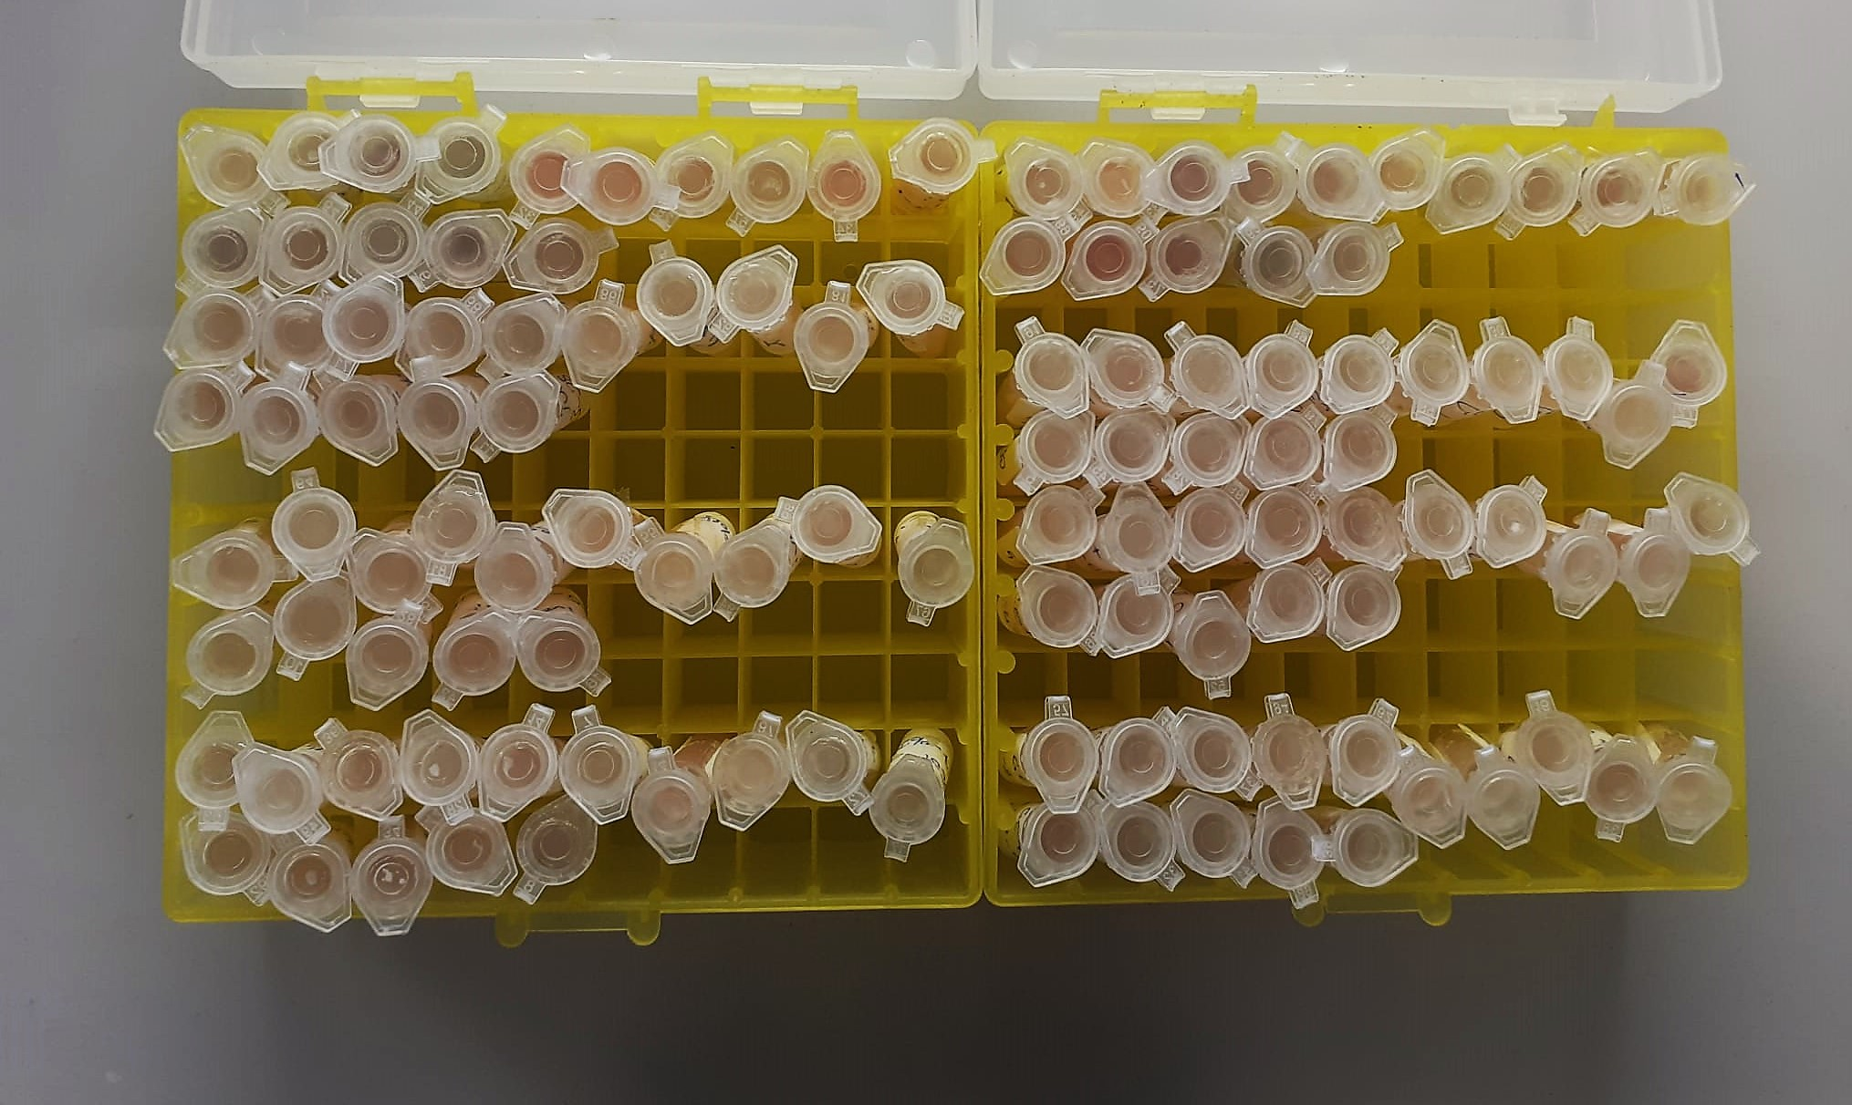

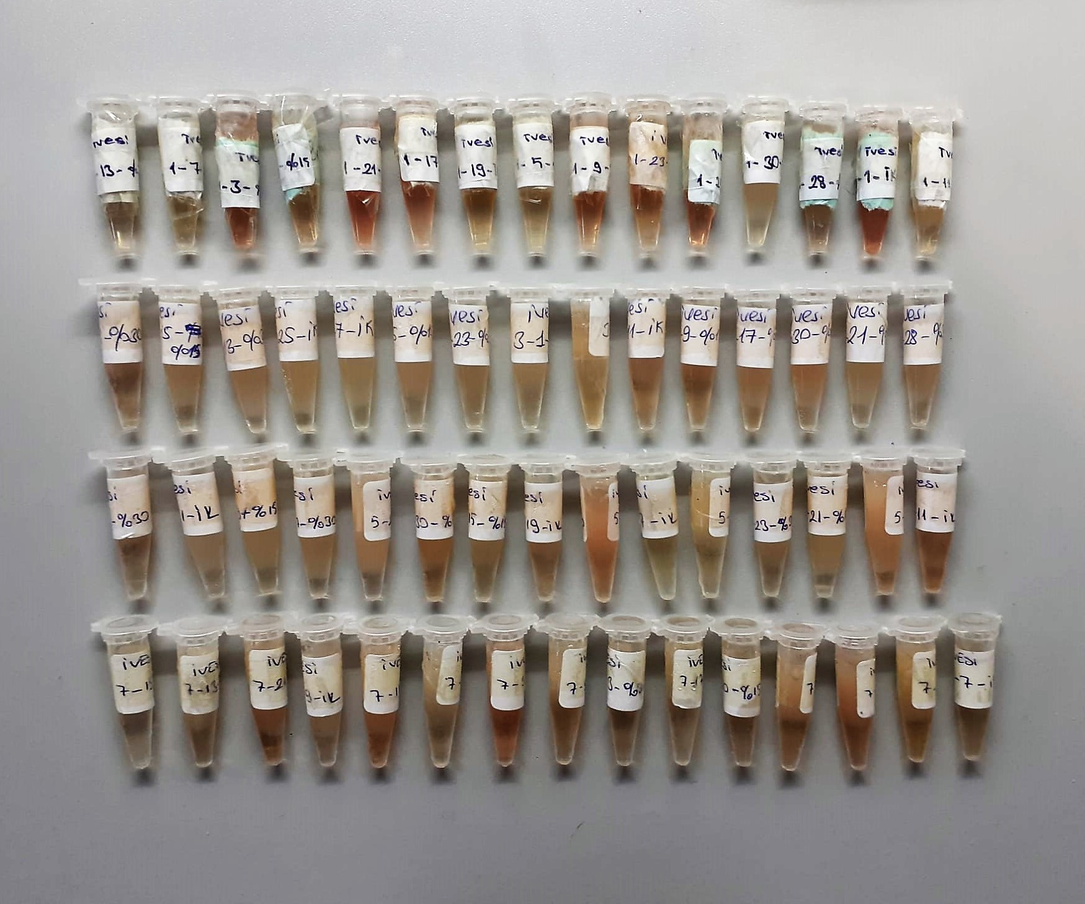

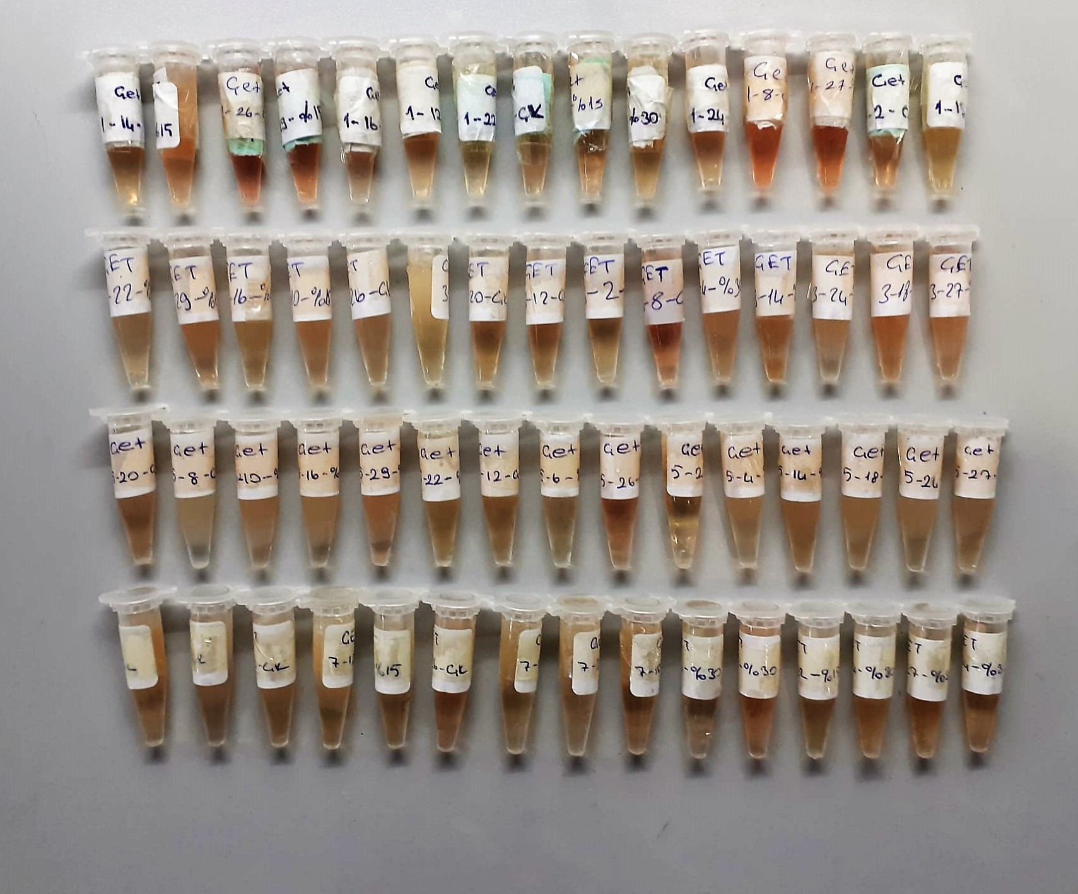

Creatinine mg/L
Immunoturbidimetric assay
Anti-CRP antibodies react with antigen in the sample to form an ntigen/antibody complex. Following agglutination, this is measured turbidimetrically.
Addition of PEG allows the reaction to progress rapidly to the end point,increases sensitivity, and reduces the risk of samples containing excess antigen
producing false negative results.

Urea (BUN) mg/dl
Urea is hydrolysed in presence of urease to produce ammonia and CO2. The ammonia produced combines with 2 – oxoglutarate and NADH in presence of GLDH to yield glutamate and NAD.
urease
Urea+H2O+2H+ 2 NH4+ + 2+ CO2
GLDH
2 NH4+ + 2-Oxoglutarate + 2 NADH H2O + 2 NAD+ + Gl utamate The decrease in absorbance due to consumption of NADH is measured kinetically.

Clolesterol Total mg/dl
Cholesterol ester + H2O Cholesterol + fatty acids
Cholesterol esters are ceaved by the action of choesterol esterase to yield free
choesterol and fatty acids Cholesterol oxidase Cholesterol + O2 Cholesten-3-on + H2O2
Peroxidase
2H2O2 + Phenol + 4-Aminoantipyrine Quinoneimine dye + 4 H2O
Cholesterol is converted by oxygen with the aid of cholesterol oxidase to A4- Cholestenone and hydrogen peroxide.
Hydrogen peroxide created forms a red dyestuff by reacting with 4-aminoantipyrine and phenol under the catalytic action of peroxidase.
The color intensity is directly proportional to the concentration of cholesterol and can be determined photometrically.

Triglycerides mg/dl
Triglycerides in the sample originates, by means of the coupled reactions described below, acoloured complex that can be measured by spectrophotometry.
Triglycerides + H2O lipase Glycerol + Fatty acids
Glycerol + ATP glycerol kinase Glycerol – 3 – P + ADP
Glycerol – 3 –P + O2 G-3-P-oxidase Dihidroxyacetone – P +H2O2
2 H2O2 + 4 – Aminoantipyrine + 4 – Chlorophenol G-3-P-oxidas Quinoneimine + 4 H2O

Glucose mg/dl
Enzymatic colorimetric test on basis of Trinder – Reaction:
Glucose oxidase Glucose + O2 Gluconic acid + H2O2
Peroxidase
2H2O2 + Phenol + 4–Aminoantipyrine Red Quinoneimine + 4H2O

Albumin g/dl
Colorimetric assay, endpoint method
• Sample and addition of R1
• Start of the reaction:
At a pH value of 4.1 albumin displays a sufficiently cationic character to be able to bind with bromocresol green (BCG), any anionic dyestuff, to form a blue-green complex.
pH 4.1 albumin + BCG albumin BCG- complex
The color intensity of the blue-green color is directly proportional to the albumin concentration and can be determined photometrical

Total Protein g/dl
Colorimetric assay, Sample and addition of Reagent start of the reaction:
Divalent copper reacts in alkaline solution with protein peptide bonds to form the characteristic purple-colored biuret complex.
Sodium potassium tartrate prevents the precipitation of copper hydroxide and potassium iodide prevents auto reduction of copper. alkaline protein + Cu2+ solution Cu-protein complex
The color intensity is directly proportional to the protein concentration which can be determined photometrically.

Sheep Antidiuretic Hormone Assay Principle
This kit is an enzyme -linked ımmunosorbent assay.(elisa). The plate has been pre-coated with sheep ADH antibody.ADH present in the sample is added and binds to antibodies coated on the wells.
And then biotinylated sheep ADH antibody is added and binds to ADH in the sample. Then Streptavidin-HRP is added and binds to the Biotinylated ADH antibody.
After incubation unbound HRP is washed away during a washing step.Subsrate solution is then added and color develops in proportion to the amount of sheep Adh.
The reaction is terminated by addition of acidic stop solution and absorbance is measured at 450 nm.

Cortisol Assay Principle
This kit is an enzyme -linked ımmunosorbent assay.(elisa).COR standards or samples are added to the wells pre-coated with a monoclonal antibody.
Then biotin-conjugated target antigen are added to the wells. The antigens in the standards or sample compete with the biotin-conjugated antigen to the bind to the capture antibody and incubate.
Unbound antigen is washed away during a washing step.An avidin-HRP is then added and then incubate.Unbound avidin hrp is washed away during a washing step.TMB Subsrate is then added and color develops.
The reaction is stopped by addition of acidic stop solution and color changes into yellow that can be measured at 450 nm. The intensity of the color developed in inversely proportional to the concentration of COR in the sample.
The concentratıon of COR in the sample is then determined by comparing the O.D of the samples to the standard curve.

