Materyal-metod
KİT ADI | TÜR | Numune Türü | MARKA | CAT. NO | Yöntem | Kullanılan Cihaz
CREA: Creatinine | Universal | Serum | Otto Scientific | OttoBC139 | Kolorimetrik | MINDRAY-BS400
UREA: Üre | Universal | Serum | Otto Scientific | OttoBC157 | Kolorimetrik | MINDRAY-BS400
TAS(Total Antioxidant Status) | Universal | Serum-Doku | REL ASSAY | RL0017 | Kolorimetrik | MINDRAY-BS400
TOS(Total Oxidant Status) | Universal | Serum | REL ASSAY | RL0024 | Kolorimetrik | MINDRAY-BS400
PON-1: Paraoxanase-1 | Universal | Serum-Doku | REL ASSAY | RL0031 | Kolorimetrik | MINDRAY-BS400
NOT: Dokular 1/9 oranında( 0,1 gr doku: 0,9ml 140 mmol. lık KCl) Potasyum Klorür tamponu ile homojenize edildikten sonra 7000 rpm + 4' de 5 dk santrifüj edildi.

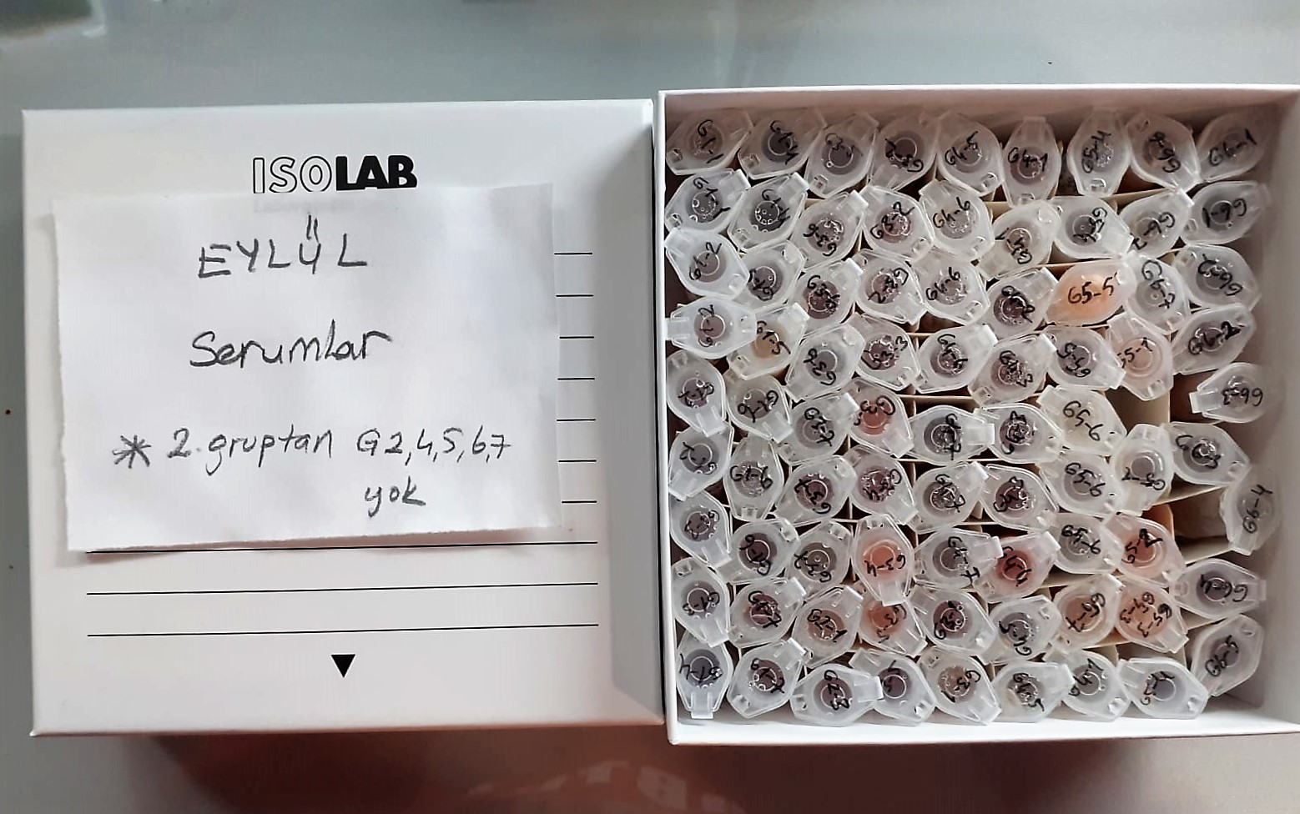
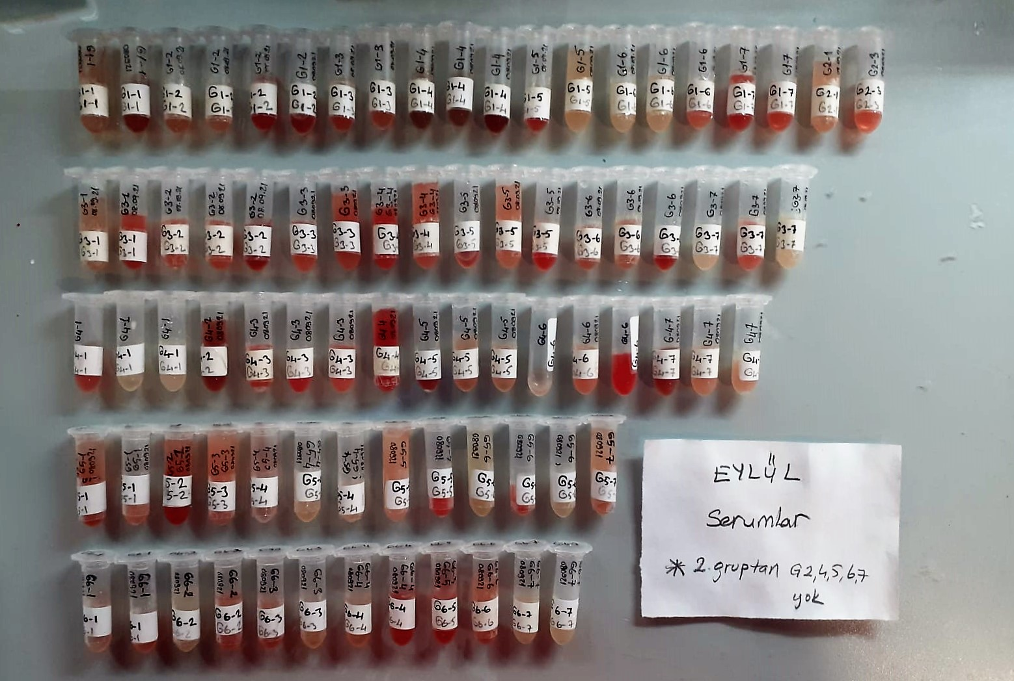

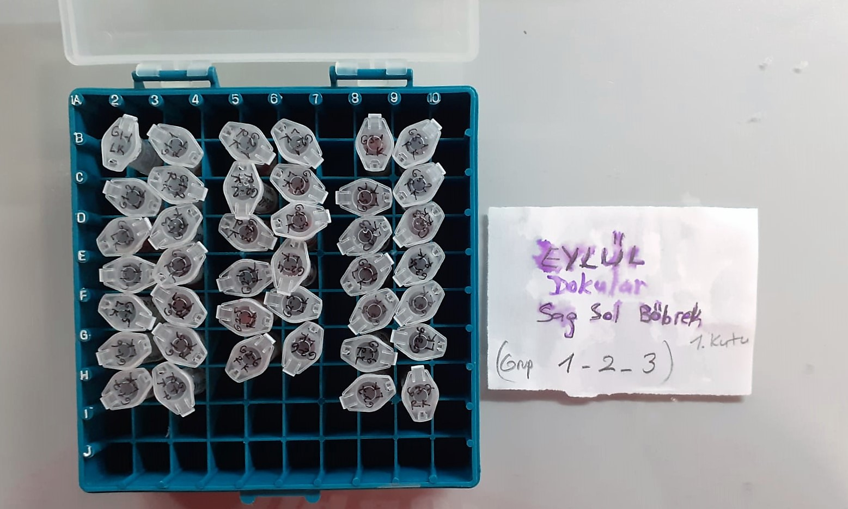
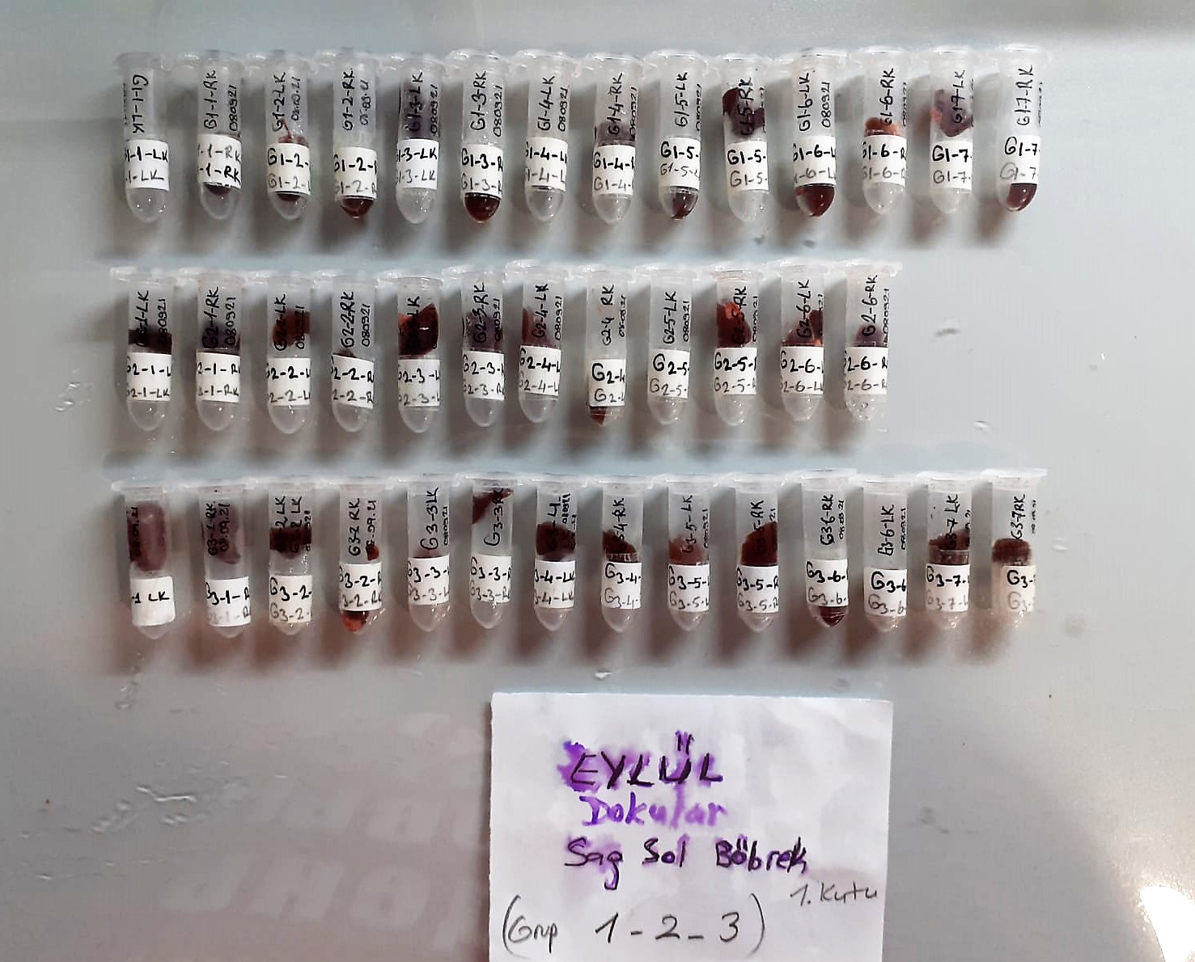

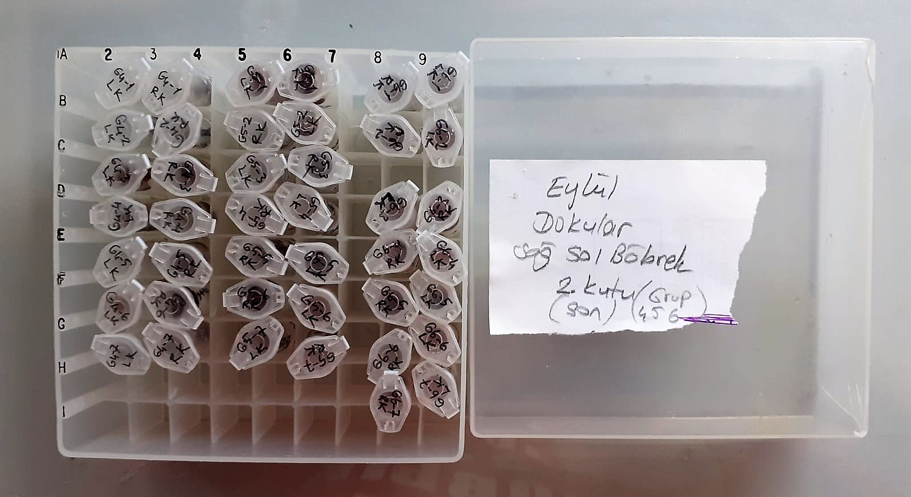
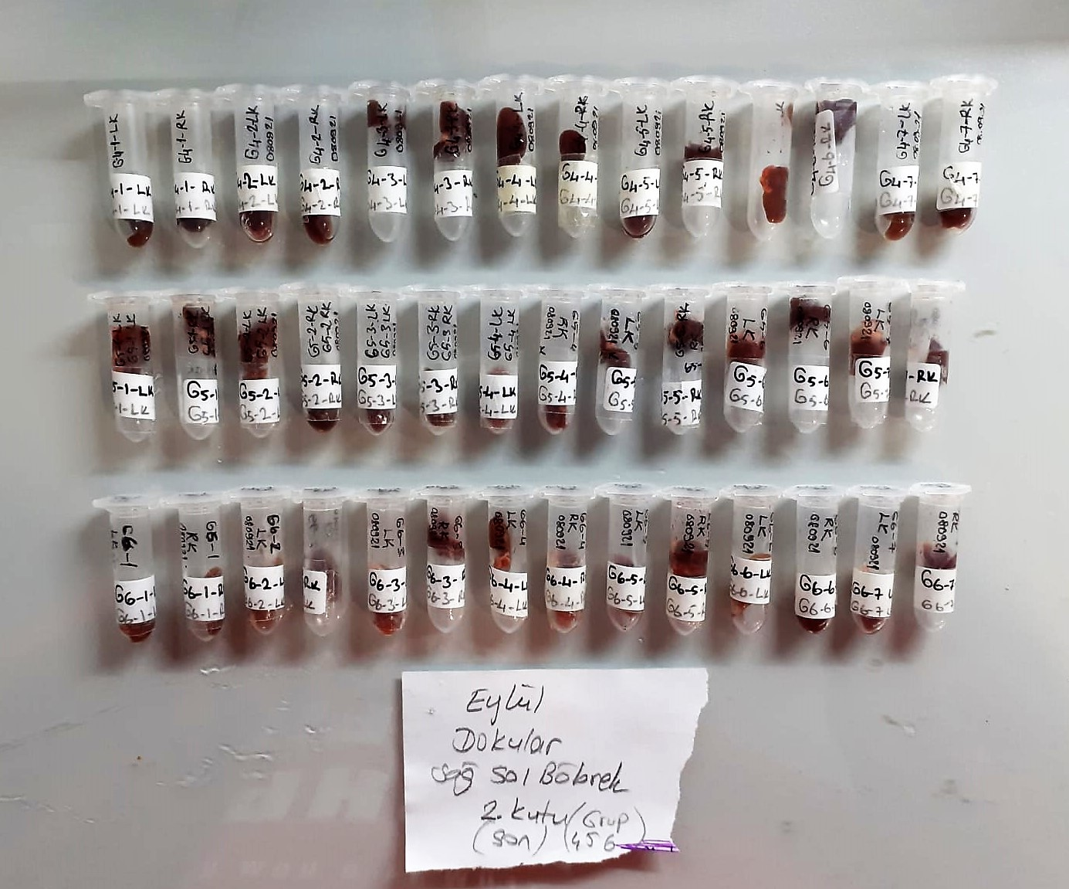

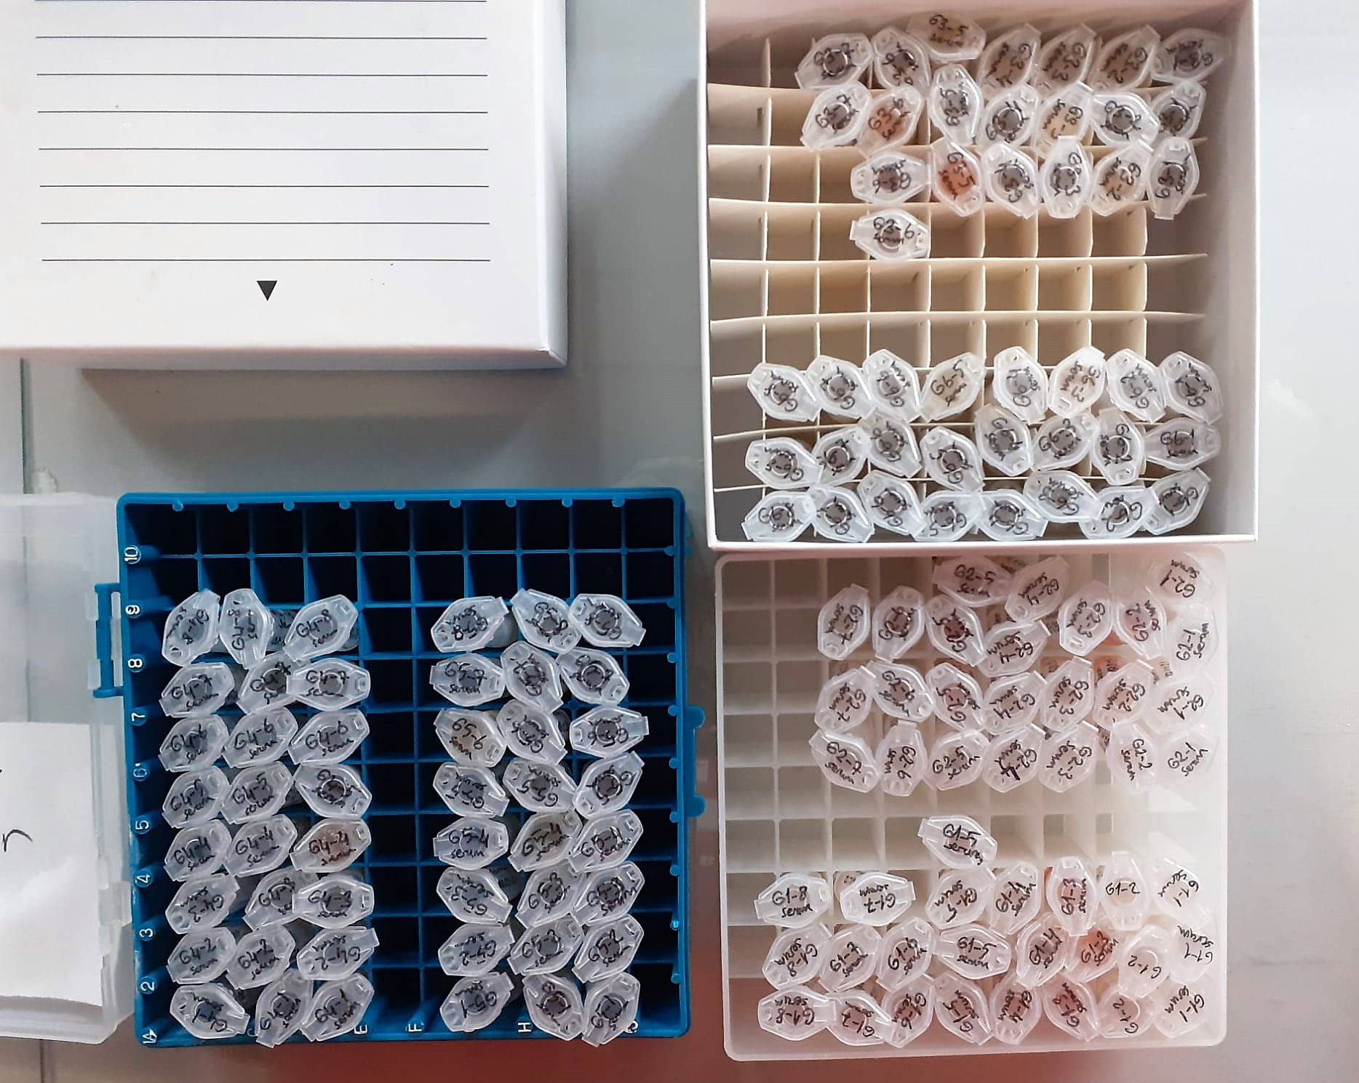
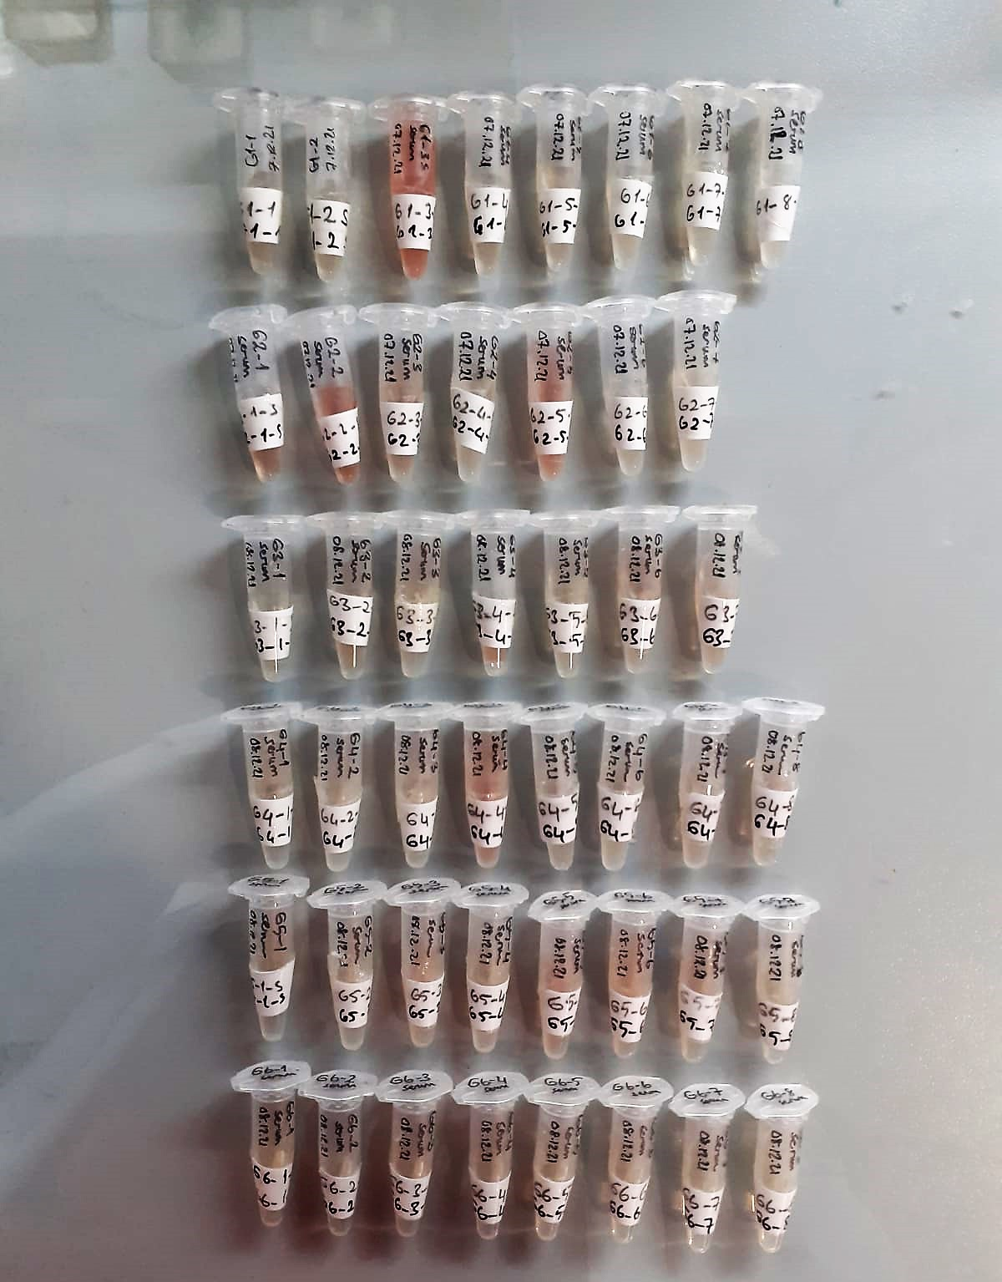

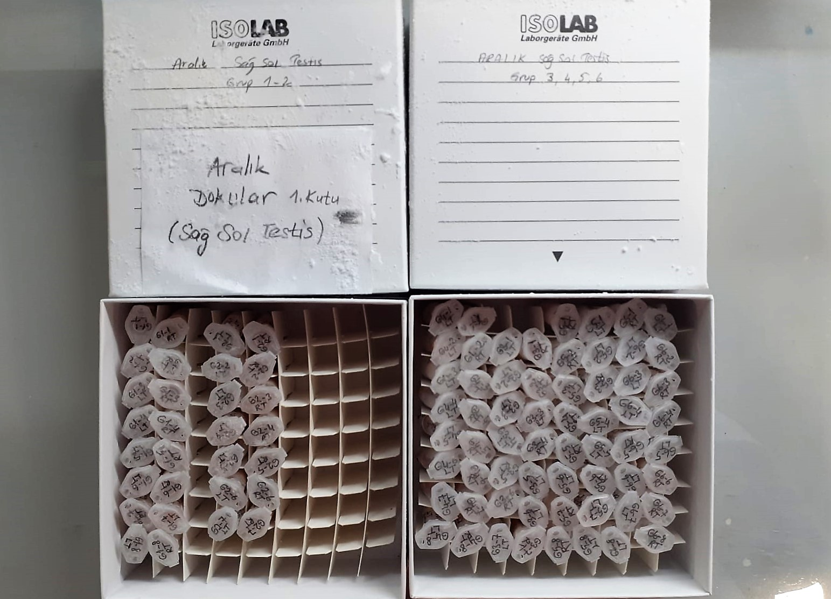
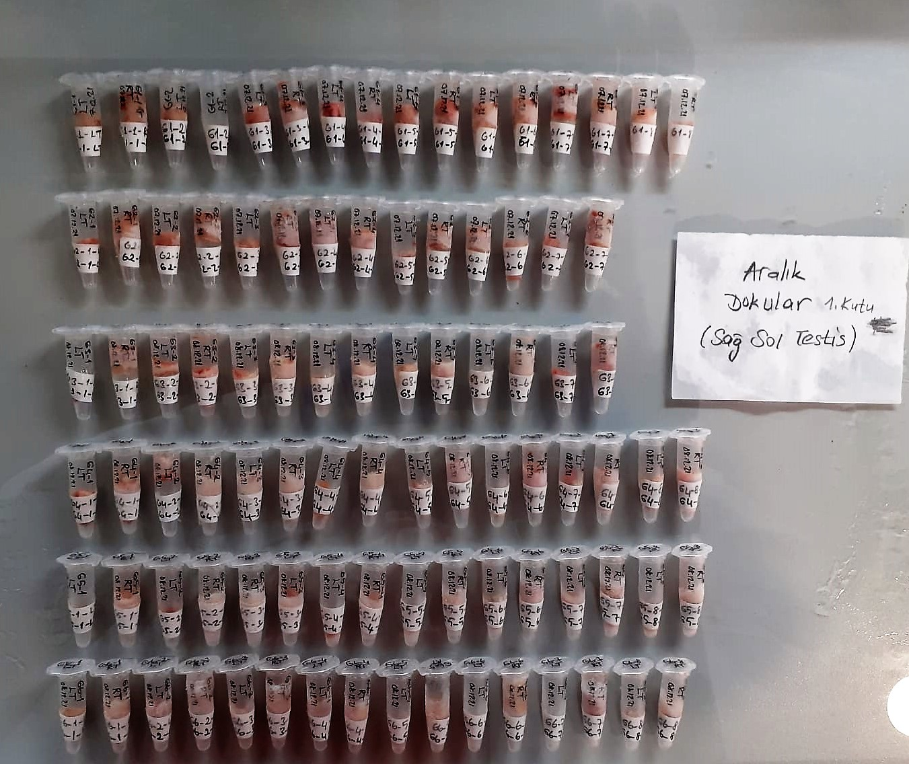

Creatinine mg/L
Immunoturbidimetric assay
Anti-CRP antibodies react with antigen in the sample to form an ntigen/antibody complex. Following agglutination, this is measured turbidimetrically.
Addition of PEG allows the reaction to progress rapidly to the end point,increases sensitivity, and reduces the risk of samples containing excess antigen
producing false negative results.

Urea (BUN) mg/dl
Urea is hydrolysed in presence of urease to produce ammonia and CO2. The ammonia produced combines with 2 – oxoglutarate and NADH in presence of GLDH to yield glutamate and NAD.
urease
Urea+H2O+2H+ 2 NH4+ + 2+ CO2
GLDH
2 NH4+ + 2-Oxoglutarate + 2 NADH H2O + 2 NAD+ + Gl utamate The decrease in absorbance due to consumption of NADH is measured kinetically.

TOTAL ANTIOXDANT STATUS (TAS) (mmol/L)
TAS levels were measured using commercially available kits (Relassay, Turkey). The novel
automated method is based on the bleaching of characteristic color of a more stable ABTS
(2,2 ′ - Azino-bis(3-ethylbenzothiazoline-6-sulfonic acid)) radical cation by antioxidants. The
assay has excellent precision values, which are lower than 3%. The results were expressed as
mmol Trolox equivalent/L (Erel O. A novel automated direct measurement method for total
antioxidant capacity using a new generation, more stable ABTS radicalcation. Clin Biochem
2004;37:277-85.)
(Relassay,Turkey)

TOTAL OXIDANT STATUS (TOS) (µmol/L)
TOS levels were measured using commercially available kits (Relassay, Turkey. In the new
method, oxidants present in the sample oxidized the ferrous ion-o-dianisidine complex to
ferric ion. The oxidation reaction was enhanced by glycerol molecules abundantly present in
the reaction medium. The ferric ion produced a colored complex with xylenol orange in an
acidic medium. The color intensity, which could be measured spectrophotometrically, was
related to the total amount of oxidant molecules present in the sample. The assay was
calibrated with hydrogen peroxide and the results were expressed in terms of
micromolar hydrogen peroxide equivalent per liter (μmol H2O2 equivalent/L). ( Erel O. A
new automated colorimetric method for measuringtotal oxidant status. Clin Biochem
2005;38:1103-11. ).
(Relassay,Turkey)

OXIDATIVE STRESS INDEX (OSI)
The ratio of TOS to TAS was accepted as the oxidative stress index (OSI). For calculation, the
resulting unit of TAS was converted to μmol/L, and the OSI value was calculated according to
the following Formula : OSI (arbitrary unit) =
TOS (μmol H2O2 equivalent/L) / TAC (μmol Trolox equivalent/L). (1-3).
1. Yumru M, Savas HA, Kalenderoglu A, Bulut M, Celik H, Erel O. Oxidative imbalance in
bipolar disorder subtypes: a comparative study. Prog Neuropsychopharmacol Biol Psychiatry.
2009 Aug 31;33(6):1070-4.
2. Kosecik M, Erel O, Sevinc E, Selek S. Increased oxidative stress in children exposed to
passive smoking. Int J Cardiol 2005;100:61–4.
3. (Harma M, Harma M, Erel O (2003) Increased oxidative stress in patients with
hydatidiform mole. Swiss Med Wkly 133:563-536).

Paraoxonase-1 PON-1) U/L
Measurement of paraoxonase activity;
Paraoxonase activity was measured using
commercially available kits (Relassay, Turkey).
The rate of paraoxon hydrolysis (diethylpnitrophenylphosphate)
was measured by monitoring the increase of
absorption at 412 nm at 37 °C. The amount of generated p-nitrophenol
was calculated from the molar absorption coefficient at pH 8.5, which
was 18.290 M−1 cm−1 Paraoxonase activity was expressed as U/L serum
(Relassay, Turkey)

