TNF-A
2.62 | 0.987 | 1.029 | 1.134 | 1.204 | 1.06 | 0.717 | 0.754 | 0.761 | 1.031 | 1.317 | 1.082
1.501 | 1.006 | 0.989 | 1.072 | 1.111 | 1.026 | 0.711 | 0.474 | 0.528 | 0.943 | 0.974 | 1.006
0.763 | 1.211 | 0.784 | 1.014 | 1.118 | 1.011 | 0.507 | 0.538 | 0.462 | 1.007 | 0.847 | 0.969
0.346 | 1.074 | 0.583 | 1.089 | 1.016 | 0.967 | 0.46 | 0.452 | 0.395 | 0.986 | 1.069 | 1.113
0.201 | 1.112 | 1.017 | 1.057 | 0.979 | 0.968 | 0.539 | 0.466 | 0.418 | 0.944 | 1.323 | 1.258
0.058 | 0.835 | 1.1 | 1.021 | 1.015 | 0.896 | 0.498 | 0.422 | 0.386 | 1.137 | 1.061 | 1.072
 | 1.164 | 1.115 | 1.136 | 0.81 | 0.431 | 0.548 | 0.539 | 0.774 | 1.159 | 1.134
 | 1.069 | 1.07 | 1.002 | 0.841 | 0.639 | 0.484 | 0.511 | 0.338 | 0.984 | 0.842

TNF-ALFA
 | abs | abs-blank | expected | result
std1 | 2.62 | 2.562 | 640 | 637.64
std2 | 1.501 | 1.443 | 320 | 329.05
std3 | 0.763 | 0.705 | 160 | 155.32
std4 | 0.346 | 0.288 | 80 | 67.62
std5 | 0.201 | 0.143 | 40 | 38.90
blank | 0.058 | 0 | 0 | 11.47

 |  |  |  |  |  |  |  |  | concentratıon /ng/L)

Numune | absorbans | blank | abs-blank | result(ng/L)
Serum-NC-1 | 0.987 | 0.058 | 0.929 | 205.55
Serum-NC-1 | 1.006 | 0.058 | 0.948 | 209.91
Serum-NC-2 | 1.211 | 0.058 | 1.153 | 257.96
Serum-NC-2 | 1.074 | 0.058 | 1.016 | 225.64
Serum-NC-3 | 1.112 | 0.058 | 1.054 | 234.52
Serum-NC-3 | 0.835 | 0.058 | 0.777 | 171.23
Serum-NC-4 | 1.164 | 0.058 | 1.106 | 246.78
Serum-NC-4 | 1.069 | 0.058 | 1.011 | 224.48
Serum-NC-5 | 1.029 | 0.058 | 0.971 | 215.21
Serum-NC-5 | 0.989 | 0.058 | 0.931 | 206.01
Serum-A4-1 | 0.784 | 0.058 | 0.726 | 159.93
Serum-A4-1 | 0.583 | 0.058 | 0.525 | 116.54
Serum-A4-2 | 1.017 | 0.058 | 0.959 | 212.44
Serum-A4-2 | 1.1 | 0.058 | 1.042 | 231.71
Serum-A4-3 | 1.115 | 0.058 | 1.057 | 235.23
Serum-A4-3 | 1.07 | 0.058 | 1.012 | 224.71
Serum-A4-4 | 1.134 | 0.058 | 1.076 | 239.70
Serum-A4-4 | 1.072 | 0.058 | 1.014 | 225.18
Serum-A4-5 | 1.014 | 0.058 | 0.956 | 211.75
Serum-A4-5 | 1.089 | 0.058 | 1.031 | 229.14
Serum-A4-6 | 1.057 | 0.058 | 0.999 | 221.69
Serum-A4-6 | 1.021 | 0.058 | 0.963 | 213.36
Serum-A4-7 | 1.136 | 0.058 | 1.078 | 240.17
Serum-A4-7 | 1.002 | 0.058 | 0.944 | 208.99
Serum-P4-1 | 1.204 | 0.058 | 1.146 | 256.29
Serum-P4-1 | 1.111 | 0.058 | 1.053 | 234.29
Serum-P4-2 | 1.118 | 0.058 | 1.06 | 235.93
Serum-P4-2 | 1.016 | 0.058 | 0.958 | 212.21
Serum-P4-3 | 0.979 | 0.058 | 0.921 | 203.72
Serum-P4-3 | 1.015 | 0.058 | 0.957 | 211.98
Serum-P4-4 | 0.81 | 0.058 | 0.752 | 165.68
Serum-P4-4 | 0.841 | 0.058 | 0.783 | 172.56
Serum-P4-5 | 1.06 | 0.058 | 1.002 | 222.39
Serum-P4-5 | 1.026 | 0.058 | 0.968 | 214.52
Serum-P4-6 | 1.011 | 0.058 | 0.953 | 211.06
Serum-P4-6 | 0.967 | 0.058 | 0.909 | 200.97
Serum-P4-7 | 0.968 | 0.058 | 0.91 | 201.20
Serum-P4-7 | 0.896 | 0.058 | 0.838 | 184.88
Karaciğer-NC-1 | 0.431 | 0.058 | 0.373 | 84.88
Karaciğer-NC-2 | 0.639 | 0.058 | 0.581 | 128.45
Karaciğer-NC-3 | 0.717 | 0.058 | 0.659 | 145.27
Karaciğer-NC-4 | 0.711 | 0.058 | 0.653 | 143.97
Karaciğer-NC-5 | 0.507 | 0.058 | 0.449 | 100.58
Karaciğer-A4-1 | 0.46 | 0.058 | 0.402 | 90.85
Karaciğer-A4-2 | 0.539 | 0.058 | 0.481 | 107.27
Karaciğer-A4-3 | 0.498 | 0.058 | 0.44 | 98.71
Karaciğer-A4-4 | 0.548 | 0.058 | 0.49 | 109.16
Karaciğer-A4-5 | 0.484 | 0.058 | 0.426 | 95.81
Karaciğer-A4-6 | 0.754 | 0.058 | 0.696 | 153.35
Karaciğer-A4-7 | 0.474 | 0.058 | 0.416 | 93.74
Karaciğer-P2-1 | 0.538 | 0.058 | 0.48 | 107.06
Karaciğer-P2-2 | 0.452 | 0.058 | 0.394 | 89.20
Karaciğer-P2-3 | 0.466 | 0.058 | 0.408 | 92.08
Karaciğer-P2-4 | 0.422 | 0.058 | 0.364 | 83.04
Karaciğer-P2-5 | 0.539 | 0.058 | 0.481 | 107.27
Karaciğer-P4-1 | 0.511 | 0.058 | 0.453 | 101.42
Karaciğer-P4-2 | 0.761 | 0.058 | 0.703 | 154.88
Karaciğer-P4-3 | 0.528 | 0.058 | 0.47 | 104.97
Karaciğer-P4-4 | 0.462 | 0.058 | 0.404 | 91.26
Karaciğer-P4-5 | 0.395 | 0.058 | 0.337 | 77.53
Karaciğer-P4-6 | 0.418 | 0.058 | 0.36 | 82.22
Karaciğer-P4-7 | 0.386 | 0.058 | 0.328 | 75.71
Yara-NC-1 | 0.774 | 0.058 | 0.716 | 157.73
Yara-NC-2 | 0.338 | 0.058 | 0.28 | 66.01
Yara-NC-3 | 1.031 | 0.058 | 0.973 | 215.67
Yara-NC-4 | 0.943 | 0.058 | 0.885 | 195.51
Yara-NC-5 | 1.007 | 0.058 | 0.949 | 210.14
Yara-A4-1 | 0.986 | 0.058 | 0.928 | 205.32
Yara-A4-2 | 0.944 | 0.058 | 0.886 | 195.74
Yara-A4-3 | 1.137 | 0.058 | 1.079 | 240.40
Yara-A4-4 | 1.159 | 0.058 | 1.101 | 245.60
Yara-A4-5 | 0.984 | 0.058 | 0.926 | 204.86
Yara-A4-6 | 1.317 | 0.058 | 1.259 | 283.52
Yara-A4-7 | 0.974 | 0.058 | 0.916 | 202.57
Yara-P2-1 | 0.847 | 0.058 | 0.789 | 173.90
Yara-P2-2 | 1.069 | 0.058 | 1.011 | 224.48
Yara-P2-3 | 1.323 | 0.058 | 1.265 | 284.98
Yara-P2-4 | 1.061 | 0.058 | 1.003 | 222.62
Yara-P2-5 | 1.134 | 0.058 | 1.076 | 239.70
Yara-P4-1 | 0.842 | 0.058 | 0.784 | 172.78
Yara-P4-2 | 1.082 | 0.058 | 1.024 | 227.51
Yara-P4-3 | 1.006 | 0.058 | 0.948 | 209.91
Yara-P4-4 | 0.969 | 0.058 | 0.911 | 201.43
Yara-P4-5 | 1.113 | 0.058 | 1.055 | 234.76
Yara-P4-6 | 1.258 | 0.058 | 1.2 | 269.23
Yara-P4-7 | 1.072 | 0.058 | 1.014 | 225.18

**Plate'de boş yer kaldığı için serum numuneleri duplike çalışıldı.

IL-6
2.089 | 0.468 | 0.432 | 0.494 | 0.578 | 0.523 | 0.367 | 0.502 | 0.524 | 0.803 | 0.93 | 0.989
1.215 | 0.458 | 0.389 | 0.518 | 0.494 | 0.503 | 0.323 | 0.31 | 0.321 | 0.74 | 0.695 | 0.766
0.791 | 0.625 | 0.445 | 0.606 | 0.493 | 0.484 | 0.317 | 0.371 | 0.413 | 0.733 | 0.647 | 0.794
0.541 | 0.696 | 0.584 | 0.619 | 0.557 | 0.487 | 0.371 | 0.347 | 0.47 | 0.699 | 0.761 | 0.746
0.224 | 0.826 | 0.593 | 0.409 | 0.557 | 0.393 | 0.362 | 0.434 | 0.495 | 0.663 | 0.994 | 0.938
0.045 | 0.511 | 0.582 | 0.498 | 0.546 | 0.441 | 0.424 | 0.35 | 0.292 | 0.729 | 0.877 | 0.623
 | 0.497 | 0.511 | 0.567 | 0.429 | 0.485 | 0.446 | 0.386 | 0.547 | 0.776 | 0.828
 | 0.446 | 0.523 | 0.496 | 0.463 | 0.5 | 0.453 | 0.358 | 0.715 | 0.71 | 0.603

IL-6

 | abs | abs-blank | expected | result
std1 | 2.089 | 2.044 | 320 | 322.30
std2 | 1.215 | 1.17 | 160 | 149.48
std3 | 0.791 | 0.746 | 80 | 84.01
std4 | 0.541 | 0.496 | 40 | 51.03
std5 | 0.224 | 0.179 | 20 | 15.22
blank | 0.045 | 0 | 0 | -2.04

 |  |  |  |  |  |  |  |  | concentratıon (pg/ml)

Numune | absorbans | blank | abs-blank | result(pg/ml)
Serum-NC-1 | 0.468 | 0.045 | 0.423 | 42.19
Serum-NC-1 | 0.458 | 0.045 | 0.413 | 41.01
Serum-NC-2 | 0.625 | 0.045 | 0.58 | 61.65
Serum-NC-2 | 0.696 | 0.045 | 0.651 | 70.99
Serum-NC-3 | 0.826 | 0.045 | 0.781 | 88.96
Serum-NC-3 | 0.511 | 0.045 | 0.466 | 47.36
Serum-NC-4 | 0.497 | 0.045 | 0.452 | 45.66
Serum-NC-4 | 0.446 | 0.045 | 0.401 | 39.60
Serum-NC-5 | 0.432 | 0.045 | 0.387 | 37.96
Serum-NC-5 | 0.389 | 0.045 | 0.344 | 33.02
Serum-A4-1 | 0.445 | 0.045 | 0.4 | 39.48
Serum-A4-1 | 0.584 | 0.045 | 0.539 | 56.41
Serum-A4-2 | 0.593 | 0.045 | 0.548 | 57.55
Serum-A4-2 | 0.582 | 0.045 | 0.537 | 56.16
Serum-A4-3 | 0.511 | 0.045 | 0.466 | 47.36
Serum-A4-3 | 0.523 | 0.045 | 0.478 | 48.82
Serum-A4-4 | 0.494 | 0.045 | 0.449 | 45.30
Serum-A4-4 | 0.518 | 0.045 | 0.473 | 48.21
Serum-A4-5 | 0.606 | 0.045 | 0.561 | 59.21
Serum-A4-5 | 0.619 | 0.045 | 0.574 | 60.87
Serum-A4-6 | 0.409 | 0.045 | 0.364 | 35.30
Serum-A4-6 | 0.498 | 0.045 | 0.453 | 45.78
Serum-A4-7 | 0.567 | 0.045 | 0.522 | 54.27
Serum-A4-7 | 0.496 | 0.045 | 0.451 | 45.54
Serum-P4-1 | 0.578 | 0.045 | 0.533 | 55.65
Serum-P4-1 | 0.494 | 0.045 | 0.449 | 45.30
Serum-P4-2 | 0.493 | 0.045 | 0.448 | 45.18
Serum-P4-2 | 0.557 | 0.045 | 0.512 | 53.02
Serum-P4-3 | 0.557 | 0.045 | 0.512 | 53.02
Serum-P4-3 | 0.546 | 0.045 | 0.501 | 51.65
Serum-P4-4 | 0.429 | 0.045 | 0.384 | 37.61
Serum-P4-4 | 0.463 | 0.045 | 0.418 | 41.60
Serum-P4-5 | 0.523 | 0.045 | 0.478 | 48.82
Serum-P4-5 | 0.503 | 0.045 | 0.458 | 46.39
Serum-P4-6 | 0.484 | 0.045 | 0.439 | 44.10
Serum-P4-6 | 0.487 | 0.045 | 0.442 | 44.46
Serum-P4-7 | 0.393 | 0.045 | 0.348 | 33.48
Serum-P4-7 | 0.441 | 0.045 | 0.396 | 39.01
Karaciğer-NC-1 | 0.485 | 0.045 | 0.44 | 44.22
Karaciğer-NC-2 | 0.5 | 0.045 | 0.455 | 46.02
Karaciğer-NC-3 | 0.367 | 0.045 | 0.322 | 30.54
Karaciğer-NC-4 | 0.323 | 0.045 | 0.278 | 25.68
Karaciğer-NC-5 | 0.317 | 0.045 | 0.272 | 25.03
Karaciğer-A4-1 | 0.371 | 0.045 | 0.326 | 30.99
Karaciğer-A4-2 | 0.362 | 0.045 | 0.317 | 29.99
Karaciğer-A4-3 | 0.424 | 0.045 | 0.379 | 37.03
Karaciğer-A4-4 | 0.446 | 0.045 | 0.401 | 39.60
Karaciğer-A4-5 | 0.453 | 0.045 | 0.408 | 40.42
Karaciğer-A4-6 | 0.502 | 0.045 | 0.457 | 46.27
Karaciğer-A4-7 | 0.31 | 0.045 | 0.265 | 24.27
Karaciğer-P2-1 | 0.371 | 0.045 | 0.326 | 30.99
Karaciğer-P2-2 | 0.347 | 0.045 | 0.302 | 28.32
Karaciğer-P2-3 | 0.434 | 0.045 | 0.389 | 38.19
Karaciğer-P2-4 | 0.35 | 0.045 | 0.305 | 28.65
Karaciğer-P2-5 | 0.386 | 0.045 | 0.341 | 32.68
Karaciğer-P4-1 | 0.358 | 0.045 | 0.313 | 29.54
Karaciğer-P4-2 | 0.524 | 0.045 | 0.479 | 48.94
Karaciğer-P4-3 | 0.321 | 0.045 | 0.276 | 25.47
Karaciğer-P4-4 | 0.413 | 0.045 | 0.368 | 35.76
Karaciğer-P4-5 | 0.47 | 0.045 | 0.425 | 42.43
Karaciğer-P4-6 | 0.495 | 0.045 | 0.45 | 45.42
Karaciğer-P4-7 | 0.292 | 0.045 | 0.247 | 22.34
Yara-NC-1 | 0.547 | 0.045 | 0.502 | 51.78
Yara-NC-2 | 0.715 | 0.045 | 0.67 | 73.54
Yara-NC-3 | 0.803 | 0.045 | 0.758 | 85.70
Yara-NC-4 | 0.74 | 0.045 | 0.695 | 76.94
Yara-NC-5 | 0.733 | 0.045 | 0.688 | 75.99
Yara-A4-1 | 0.699 | 0.045 | 0.654 | 71.39
Yara-A4-2 | 0.663 | 0.045 | 0.618 | 66.60
Yara-A4-3 | 0.729 | 0.045 | 0.684 | 75.44
Yara-A4-4 | 0.776 | 0.045 | 0.731 | 81.91
Yara-A4-5 | 0.71 | 0.045 | 0.665 | 72.87
Yara-A4-6 | 0.93 | 0.045 | 0.885 | 104.15
Yara-A4-7 | 0.695 | 0.045 | 0.65 | 70.85
Yara-P2-1 | 0.647 | 0.045 | 0.602 | 64.51
Yara-P2-2 | 0.761 | 0.045 | 0.716 | 79.83
Yara-P2-3 | 0.994 | 0.045 | 0.949 | 113.86
Yara-P2-4 | 0.877 | 0.045 | 0.832 | 96.32
Yara-P2-5 | 0.828 | 0.045 | 0.783 | 89.25
Yara-P4-1 | 0.603 | 0.045 | 0.558 | 58.82
Yara-P4-2 | 0.989 | 0.045 | 0.944 | 113.09
Yara-P4-3 | 0.766 | 0.045 | 0.721 | 80.52
Yara-P4-4 | 0.794 | 0.045 | 0.749 | 84.43
Yara-P4-5 | 0.746 | 0.045 | 0.701 | 77.77
Yara-P4-6 | 0.938 | 0.045 | 0.893 | 105.35
Yara-P4-7 | 0.623 | 0.045 | 0.578 | 61.39

IL-1B
2.619 | 0.638 | 0.265 | 0.471 | 0.459 | 0.45 | 0.705 | 0.728 | 0.771 | 1.192 | 1.207 | 1.259
1.514 | 1.199 | 1.094 | 0.443 | 0.525 | 0.419 | 0.475 | 0.487 | 0.516 | 1.015 | 1.166 | 1.131
0.791 | 0.45 | 1.132 | 0.605 | 0.628 | 0.654 | 0.51 | 0.613 | 0.418 | 0.932 | 1.468 | 1.034
0.488 | 0.808 | 1.07 | 0.574 | 0.595 | 0.485 | 0.709 | 0.419 | 0.465 | 1.099 | 1.14 | 1.311
0.231 | 1.313 | 0.693 | 0.419 | 0.52 | 0.315 | 0.525 | 0.407 | 0.563 | 1.229 | 1.398 | 1.373
0.074 | 0.836 | 0.524 | 0.269 | 0.325 | 0.235 | 0.356 | 0.283 | 0.141 | 1.197 | 1.212 | 0.847
 | 0.586 | 0.5 | 0.521 | 0.488 | 0.563 | 0.448 | 0.431 | 0.823 | 1.147 | 1.166
 | 0.553 | 0.61 | 0.492 | 0.346 | 0.737 | 0.405 | 0.614 | 1.193 | 1.04 | 1.087

IL-1BETA
 | abs | abs-blank | expected | result
std1 | 2.619 | 2.545 | 4800 | 4850.38
std2 | 1.514 | 1.44 | 2400 | 2456.08
std3 | 0.791 | 0.717 | 1200 | 1140.28
std4 | 0.488 | 0.414 | 600 | 647.84
std5 | 0.231 | 0.157 | 300 | 257.47
blank | 0.074 | 0 | 0 | 31.33

 |  |  |  |  |  |  |  |  | concentratıon (pg/L)

Numune | absorbans | blank | abs-blank | result(pg/L)
Serum-NC-1 | 0.638 | 0.074 | 0.564 | 887.27
Serum-NC-1 | 1.199 | 0.074 | 1.125 | 1858.42
Serum-NC-2 | 0.45 | 0.074 | 0.376 | 588.54
Serum-NC-2 | 0.808 | 0.074 | 0.734 | 1168.94
Serum-NC-3 | 1.313 | 0.074 | 1.239 | 2070.36
Serum-NC-3 | 0.836 | 0.074 | 0.762 | 1216.39
Serum-NC-4 | 0.586 | 0.074 | 0.512 | 803.30
Serum-NC-4 | 0.553 | 0.074 | 0.479 | 750.54
Serum-NC-5 | 0.265 | 0.074 | 0.191 | 307.67
Serum-NC-5 | 1.094 | 0.074 | 1.02 | 1667.57
Serum-A4-1 | 1.132 | 0.074 | 1.058 | 1736.15
Serum-A4-1 | 1.07 | 0.074 | 0.996 | 1624.53
Serum-A4-2 | 0.693 | 0.074 | 0.619 | 977.20
Serum-A4-2 | 0.524 | 0.074 | 0.45 | 704.52
Serum-A4-3 | 0.5 | 0.074 | 0.426 | 666.68
Serum-A4-3 | 0.61 | 0.074 | 0.536 | 841.93
Serum-A4-4 | 0.471 | 0.074 | 0.397 | 621.24
Serum-A4-4 | 0.443 | 0.074 | 0.369 | 577.68
Serum-A4-5 | 0.605 | 0.074 | 0.531 | 833.86
Serum-A4-5 | 0.574 | 0.074 | 0.5 | 784.07
Serum-A4-6 | 0.419 | 0.074 | 0.345 | 540.57
Serum-A4-6 | 0.269 | 0.074 | 0.195 | 313.61
Serum-A4-7 | 0.521 | 0.074 | 0.447 | 699.78
Serum-A4-7 | 0.492 | 0.074 | 0.418 | 654.11
Serum-P4-1 | 0.459 | 0.074 | 0.385 | 602.54
Serum-P4-1 | 0.525 | 0.074 | 0.451 | 706.10
Serum-P4-2 | 0.628 | 0.074 | 0.554 | 871.04
Serum-P4-2 | 0.595 | 0.074 | 0.521 | 817.76
Serum-P4-3 | 0.52 | 0.074 | 0.446 | 698.20
Serum-P4-3 | 0.325 | 0.074 | 0.251 | 397.34
Serum-P4-4 | 0.488 | 0.074 | 0.414 | 647.84
Serum-P4-4 | 0.346 | 0.074 | 0.272 | 429.05
Serum-P4-5 | 0.45 | 0.074 | 0.376 | 588.54
Serum-P4-5 | 0.419 | 0.074 | 0.345 | 540.57
Serum-P4-6 | 0.654 | 0.074 | 0.58 | 913.31
Serum-P4-6 | 0.485 | 0.074 | 0.411 | 643.14
Serum-P4-7 | 0.315 | 0.074 | 0.241 | 382.30
Serum-P4-7 | 0.235 | 0.074 | 0.161 | 263.35
Karaciğer-NC-1 | 0.563 | 0.074 | 0.489 | 766.49
Karaciğer-NC-2 | 0.737 | 0.074 | 0.663 | 1049.97
Karaciğer-NC-3 | 0.705 | 0.074 | 0.631 | 996.97
Karaciğer-NC-4 | 0.475 | 0.074 | 0.401 | 627.49
Karaciğer-NC-5 | 0.51 | 0.074 | 0.436 | 682.42
Karaciğer-A4-1 | 0.709 | 0.074 | 0.635 | 1003.57
Karaciğer-A4-2 | 0.525 | 0.074 | 0.451 | 706.10
Karaciğer-A4-3 | 0.356 | 0.074 | 0.282 | 444.21
Karaciğer-A4-4 | 0.448 | 0.074 | 0.374 | 585.43
Karaciğer-A4-5 | 0.405 | 0.074 | 0.331 | 519.03
Karaciğer-A4-6 | 0.728 | 0.074 | 0.654 | 1035.02
Karaciğer-A4-7 | 0.487 | 0.074 | 0.413 | 646.27
Karaciğer-P2-1 | 0.613 | 0.074 | 0.539 | 846.77
Karaciğer-P2-2 | 0.419 | 0.074 | 0.345 | 540.57
Karaciğer-P2-3 | 0.407 | 0.074 | 0.333 | 522.10
Karaciğer-P2-4 | 0.283 | 0.074 | 0.209 | 334.43
Karaciğer-P2-5 | 0.431 | 0.074 | 0.357 | 559.10
Karaciğer-P4-1 | 0.614 | 0.074 | 0.54 | 848.39
Karaciğer-P4-2 | 0.771 | 0.074 | 0.697 | 1106.70
Karaciğer-P4-3 | 0.516 | 0.074 | 0.442 | 691.88
Karaciğer-P4-4 | 0.418 | 0.074 | 0.344 | 539.03
Karaciğer-P4-5 | 0.465 | 0.074 | 0.391 | 611.88
Karaciğer-P4-6 | 0.563 | 0.074 | 0.489 | 766.49
Karaciğer-P4-7 | 0.141 | 0.074 | 0.067 | 126.69
Yara-NC-1 | 0.823 | 0.074 | 0.749 | 1194.32
Yara-NC-2 | 1.193 | 0.074 | 1.119 | 1847.40
Yara-NC-3 | 1.192 | 0.074 | 1.118 | 1845.56
Yara-NC-4 | 1.015 | 0.074 | 0.941 | 1526.73
Yara-NC-5 | 0.932 | 0.074 | 0.858 | 1381.32
Yara-A4-1 | 1.099 | 0.074 | 1.025 | 1676.56
Yara-A4-2 | 1.229 | 0.074 | 1.155 | 1913.71
Yara-A4-3 | 1.197 | 0.074 | 1.123 | 1854.74
Yara-A4-4 | 1.147 | 0.074 | 1.073 | 1763.38
Yara-A4-5 | 1.04 | 0.074 | 0.966 | 1571.04
Yara-A4-6 | 1.207 | 0.074 | 1.133 | 1873.13
Yara-A4-7 | 1.166 | 0.074 | 1.092 | 1797.98
Yara-P2-1 | 1.468 | 0.074 | 1.394 | 2366.45
Yara-P2-2 | 1.14 | 0.074 | 1.066 | 1750.66
Yara-P2-3 | 1.398 | 0.074 | 1.324 | 2231.61
Yara-P2-4 | 1.212 | 0.074 | 1.138 | 1882.34
Yara-P2-5 | 1.166 | 0.074 | 1.092 | 1797.98
Yara-P4-1 | 1.087 | 0.074 | 1.013 | 1654.99
Yara-P4-2 | 1.259 | 0.074 | 1.185 | 1969.35
Yara-P4-3 | 1.131 | 0.074 | 1.057 | 1734.34
Yara-P4-4 | 1.034 | 0.074 | 0.96 | 1560.39
Yara-P4-5 | 1.311 | 0.074 | 1.237 | 2066.60
Yara-P4-6 | 1.373 | 0.074 | 1.299 | 2183.90
Yara-P4-7 | 0.847 | 0.074 | 0.773 | 1235.11

GSH
0.072 | 1.776 | 1.632 | 1.728 | 1.307 | 0.879 | 0.781
0.524 | 1.707 | 1.74 | 1.733 | 1.174 | 0.968 | 0.623
0.765 | 1.646 | 1.662 | 1.778 | 1.095 | 0.986 | 0.77
0.998 | 1.656 | 1.739 | 1.829 | 0.886 | 0.931 | 0.806
1.222 | 1.64 | 1.826 | 1.916 | 0.981 | 1.079 | 0.647
1.343 | 1.702 | 1.792 | 1.78 | 0.905 | 1.038 | 0.666
1.643 | 1.709 | 1.777 | 1.849 | 0.964 | 1.118 | 0.671
1.882 | 1.644 | 1.66 | 1.944 | 1.132 | 1.044 | 0.824

GSH

 | abs | expected | result
std1 | 0.072 | 100 | 99.47
std2 | 0.524 | 50 | 48.18
std3 | 0.765 | 25 | 28.26
std4 | 0.998 | 12.5 | 14.01
std5 | 1.222 | 6.25 | 4.96
std6 | 1.343 | 3.13 | 1.97
std7 | 1.643 | 1.56 | 0.29
blank | 1.882 | 0 | 4.81

 |  |  |  |  |  |  | concentratıon (ug/ml)

Numune | absorbans | result(ug/ml)
Karaciğer-NC-1 | 1.776 | 2.16
Karaciğer-NC-2 | 1.707 | 0.99
Karaciğer-NC-3 | 1.646 | 0.32
Karaciğer-NC-4 | 1.656 | 0.40
Karaciğer-NC-5 | 1.64 | 0.27
Karaciğer-A4-1 | 1.702 | 0.92
Karaciğer-A4-2 | 1.709 | 1.02
Karaciğer-A4-3 | 1.644 | 0.30
Karaciğer-A4-4 | 1.632 | 0.21
Karaciğer-A4-5 | 1.74 | 1.50
Karaciğer-A4-6 | 1.662 | 0.46
Karaciğer-A4-7 | 1.739 | 1.48
Karaciğer-P2-1 | 1.826 | 3.28
Karaciğer-P2-2 | 1.792 | 2.50
Karaciğer-P2-3 | 1.777 | 2.18
Karaciğer-P2-4 | 1.66 | 0.44
Karaciğer-P2-5 | 1.728 | 1.30
Karaciğer-P4-1 | 1.733 | 1.38
Karaciğer-P4-2 | 1.778 | 2.20
Karaciğer-P4-3 | 1.829 | 3.36
Karaciğer-P4-4 | 1.916 | 5.87
Karaciğer-P4-5 | 1.78 | 2.24
Karaciğer-P4-6 | 1.849 | 3.87
Karaciğer-P4-7 | 1.944 | 6.82
Yara-NC-1 | 1.307 | 2.72
Yara-NC-2 | 1.174 | 6.52
Yara-NC-3 | 1.095 | 9.53
Yara-NC-4 | 0.886 | 20.24
Yara-NC-5 | 0.981 | 14.88
Yara-A4-1 | 0.905 | 19.10
Yara-A4-2 | 0.964 | 15.78
Yara-A4-3 | 1.132 | 8.05
Yara-A4-4 | 0.879 | 20.67
Yara-A4-5 | 0.968 | 15.57
Yara-A4-6 | 0.986 | 14.62
Yara-A4-7 | 0.931 | 17.60
Yara-P2-1 | 1.079 | 10.21
Yara-P2-2 | 1.038 | 12.06
Yara-P2-3 | 1.118 | 8.59
Yara-P2-4 | 1.044 | 11.78
Yara-P2-5 | 0.781 | 27.12
Yara-P4-1 | 0.623 | 39.36
Yara-P4-2 | 0.77 | 27.90
Yara-P4-3 | 0.806 | 25.39
Yara-P4-4 | 0.647 | 37.35
Yara-P4-5 | 0.666 | 35.80
Yara-P4-6 | 0.671 | 35.40
Yara-P4-7 | 0.824 | 24.18

MDA
MDA
2.481 | 100
1.673 | 50
0.994 | 25
0.513 | 12.5
0.288 | 6.25
0.122 | 3.125
0 | 0
 | absorbans | abs-blank | expected | result
std1 | 2.511 | 2.481 | 100 | 99.11
std2 | 1.703 | 1.673 | 50 | 52.40
std3 | 1.024 | 0.994 | 25 | 24.30
std4 | 0.543 | 0.513 | 12.5 | 10.55
std5 | 0.318 | 0.288 | 6.25 | 5.87
std6 | 0.152 | 0.122 | 3.125 | 3.14
blank | 0.03 | 0 | 0 | 1.51

 |  |  |  |  | concentratıon (mmol/L)

Numune | absorbans | blank | abs-blank | result(mmol/L)
Karaciğer-NC-1 | 2.119 | 0.03 | 2.089 | 74.65
Karaciğer-NC-2 | 1.198 | 0.03 | 1.168 | 30.53
Karaciğer-NC-3 | 1.086 | 0.03 | 1.056 | 26.44
Karaciğer-NC-4 | 1.007 | 0.03 | 0.977 | 23.72
Karaciğer-NC-5 | 0.85 | 0.03 | 0.82 | 18.73
Karaciğer-A4-1 | 0.998 | 0.03 | 0.968 | 23.42
Karaciğer-A4-2 | 1.105 | 0.03 | 1.075 | 27.12
Karaciğer-A4-3 | 1.002 | 0.03 | 0.972 | 23.56
Karaciğer-A4-4 | 0.955 | 0.03 | 0.925 | 22.01
Karaciğer-A4-5 | 1.04 | 0.03 | 1.01 | 24.84
Karaciğer-A4-6 | 1.079 | 0.03 | 1.049 | 26.20
Karaciğer-A4-7 | 0.981 | 0.03 | 0.951 | 22.86
Karaciğer-P2-1 | 1.061 | 0.03 | 1.031 | 25.57
Karaciğer-P2-2 | 1.045 | 0.03 | 1.015 | 25.01
Karaciğer-P2-3 | 1.281 | 0.03 | 1.251 | 33.74
Karaciğer-P2-4 | 1.545 | 0.03 | 1.515 | 44.95
Karaciğer-P2-5 | 1.084 | 0.03 | 1.054 | 26.37
Karaciğer-P4-1 | 1.045 | 0.03 | 1.015 | 25.01
Karaciğer-P4-2 | 1.187 | 0.03 | 1.157 | 30.12
Karaciğer-P4-3 | 1.004 | 0.03 | 0.974 | 23.62
Karaciğer-P4-4 | 0.943 | 0.03 | 0.913 | 21.62
Karaciğer-P4-5 | 1.156 | 0.03 | 1.126 | 28.96
Karaciğer-P4-6 | 0.967 | 0.03 | 0.937 | 22.40
Karaciğer-P4-7 | 1.088 | 0.03 | 1.058 | 26.51
Yara-NC-1 | 1.761 | 0.03 | 1.731 | 55.28
Yara-NC-2 | 1.191 | 0.03 | 1.161 | 30.27
Yara-NC-3 | 1.256 | 0.03 | 1.226 | 32.76
Yara-NC-4 | 1.042 | 0.03 | 1.012 | 24.91
Yara-NC-5 | 0.806 | 0.03 | 0.776 | 17.43
Yara-A4-1 | 0.739 | 0.03 | 0.709 | 15.53
Yara-A4-2 | 1.182 | 0.03 | 1.152 | 29.93
Yara-A4-3 | 1.786 | 0.03 | 1.756 | 56.54
Yara-A4-4 | 0.979 | 0.03 | 0.949 | 22.79
Yara-A4-5 | 1.294 | 0.03 | 1.264 | 34.25
Yara-A4-6 | 0.972 | 0.03 | 0.942 | 22.56
Yara-A4-7 | 0.867 | 0.03 | 0.837 | 19.25
Yara-P2-1 | 0.451 | 0.03 | 0.421 | 8.50
Yara-P2-2 | 1.347 | 0.03 | 1.317 | 36.40
Yara-P2-3 | 0.659 | 0.03 | 0.629 | 13.40
Yara-P2-4 | 1.309 | 0.03 | 1.279 | 34.85
Yara-P2-5 | 0.594 | 0.03 | 0.564 | 11.76
Yara-P4-1 | 1.642 | 0.03 | 1.612 | 49.46
Yara-P4-2 | 1.286 | 0.03 | 1.256 | 33.94
Yara-P4-3 | 1.178 | 0.03 | 1.148 | 29.78
Yara-P4-4 | 1.404 | 0.03 | 1.374 | 38.77
Yara-P4-5 | 1.778 | 0.03 | 1.748 | 56.13
Yara-P4-6 | 0.987 | 0.03 | 0.957 | 23.06
Yara-P4-7 | 1.746 | 0.03 | 1.716 | 54.53

Materyal-metod
KİT ADI | TÜR | MARKA | CAT. NO | Yöntem | Kullanılan Cihaz
TAS(Total Antioxidant Status) | Universal | REL ASSAY | RL0017 | Kolorimetrik | MINDRAY-BS400
TOS(Total Oxidant Status) | Universal | REL ASSAY | RL0024 | Kolorimetrik | MINDRAY-BS400
MDA: Malondialdehit | Universal | REL ASSAY | RLMD0158 | Kolorimetrik | REL BIOCHEM-REL ASSAY
SOD: Super Oxıde Dismutase | Universal | REL ASSAY | RLD0123 | Kolorimetrik | MINDRAY-BS400
MPO: Myeloperoxidase | Universal | REL ASSAY | RLM95 | Kolorimetrik | MINDRAY-BS400
TNF-ALFA | Rat | SUNRED | DZE201110765 | ELİSA | Mıcroplate reader: BIO-TEK EL X 800-Aotu strıp washer:BIO TEK EL X 50 | Bize gönderilmiş olan kit
Interleukin-1 beta | Rat | SUNRED | DZE201110120 | ELİSA | Mıcroplate reader: BIO-TEK EL X 800-Aotu strıp washer:BIO TEK EL X 50 | Bize gönderilmiş olan kit
Interleukin-6 | Rat | SUNRED | DZE201110136 | ELİSA | Mıcroplate reader: BIO-TEK EL X 800-Aotu strıp washer:BIO TEK EL X 50 | Bize gönderilmiş olan kit
GSH(Glutathione) | Universal | Elabscience | E-EL-0026 | ELİSA | Mıcroplate reader: BIO-TEK EL X 800-Aotu strıp washer:BIO TEK EL X 50
NOT: Dokular 1/9 oranında( 0,1 gr doku: 0,9ml 140 mmol. lık KCl) Potasyum Klorür tamponu ile homojenize edildikten sonra 7000 rpm + 4' de 5 dk santrifüj edildi.
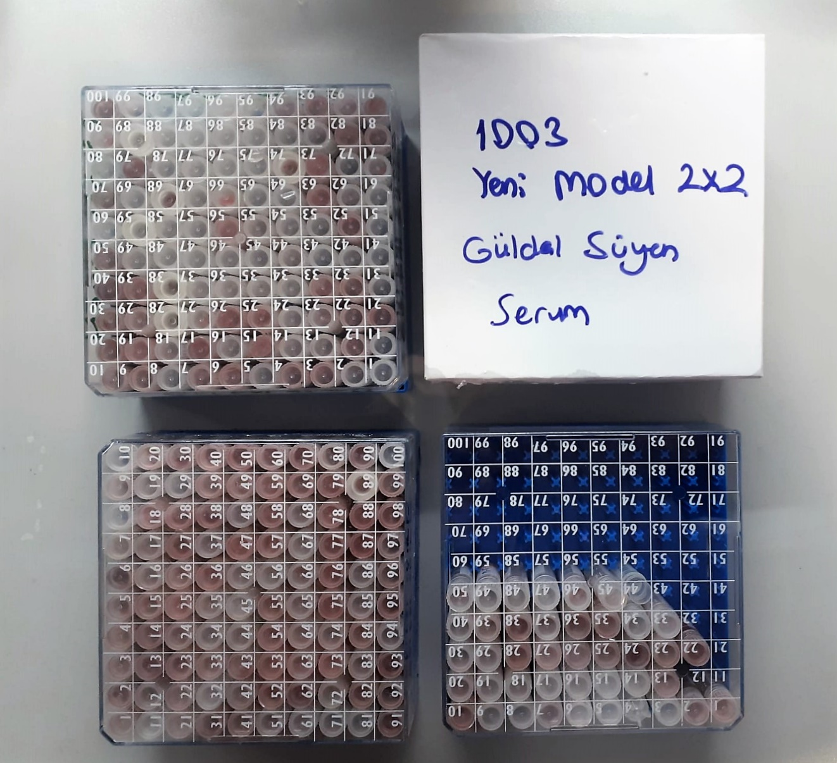
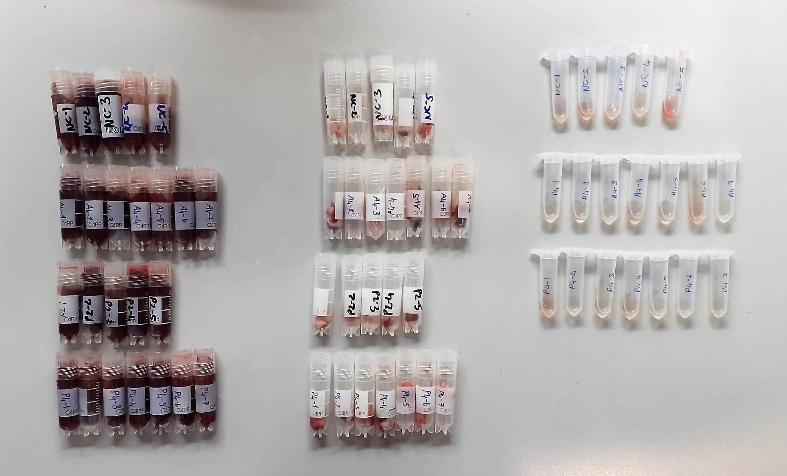

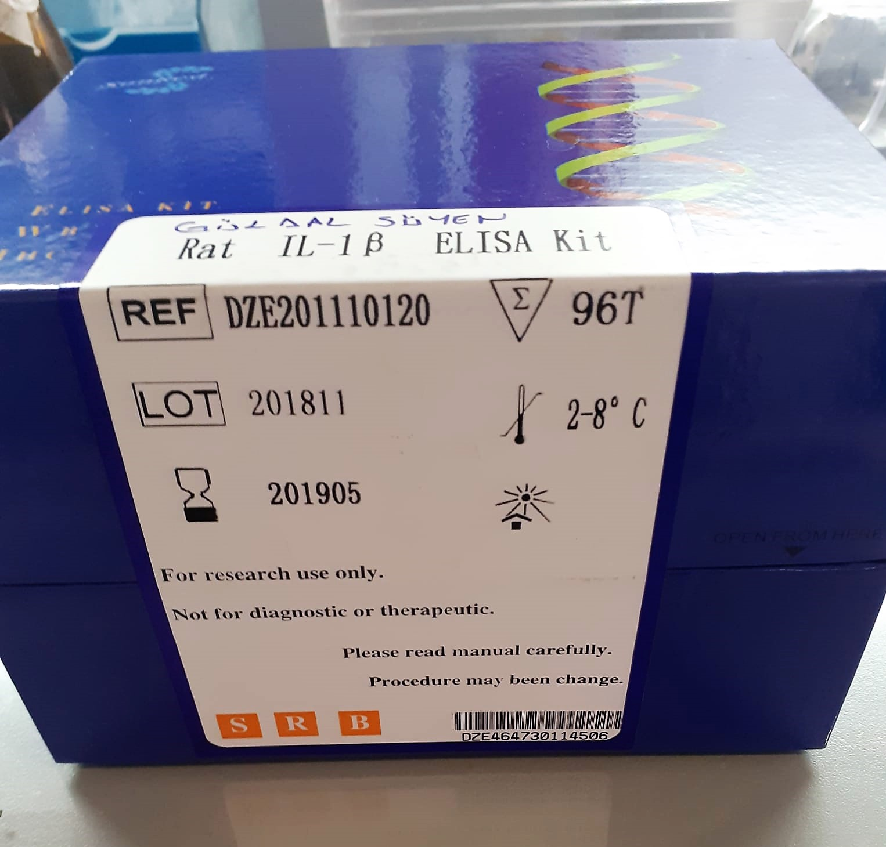
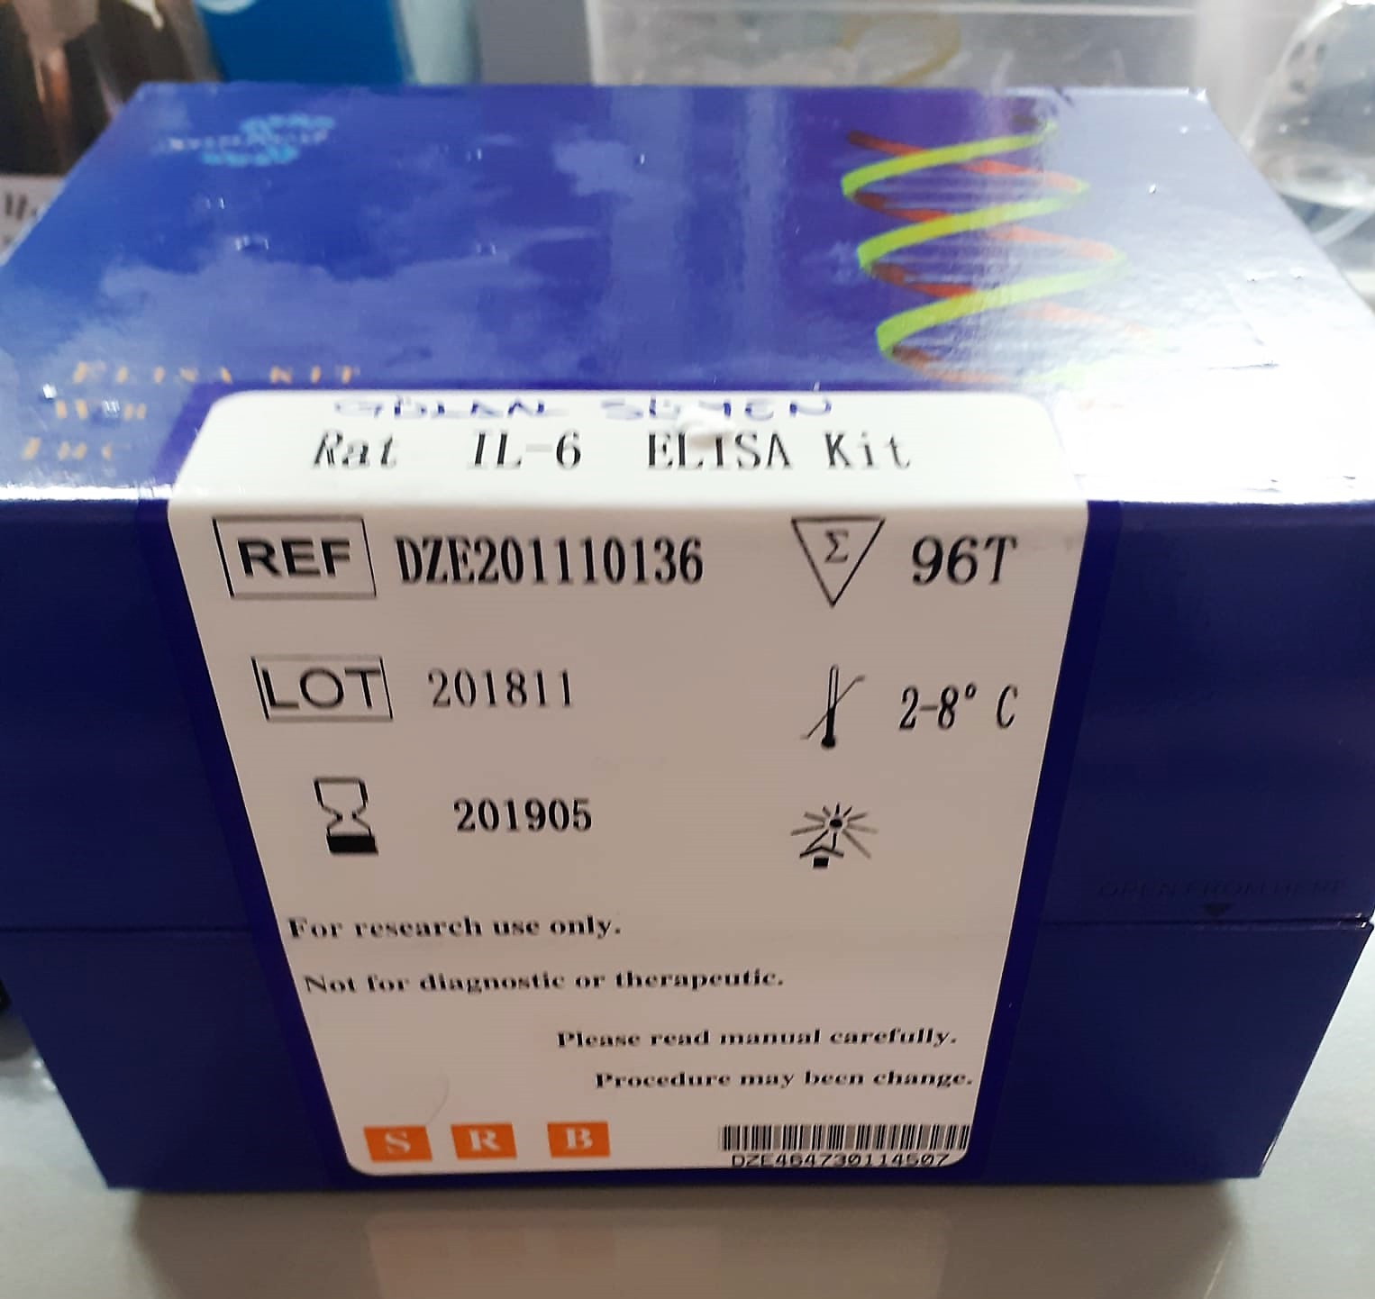

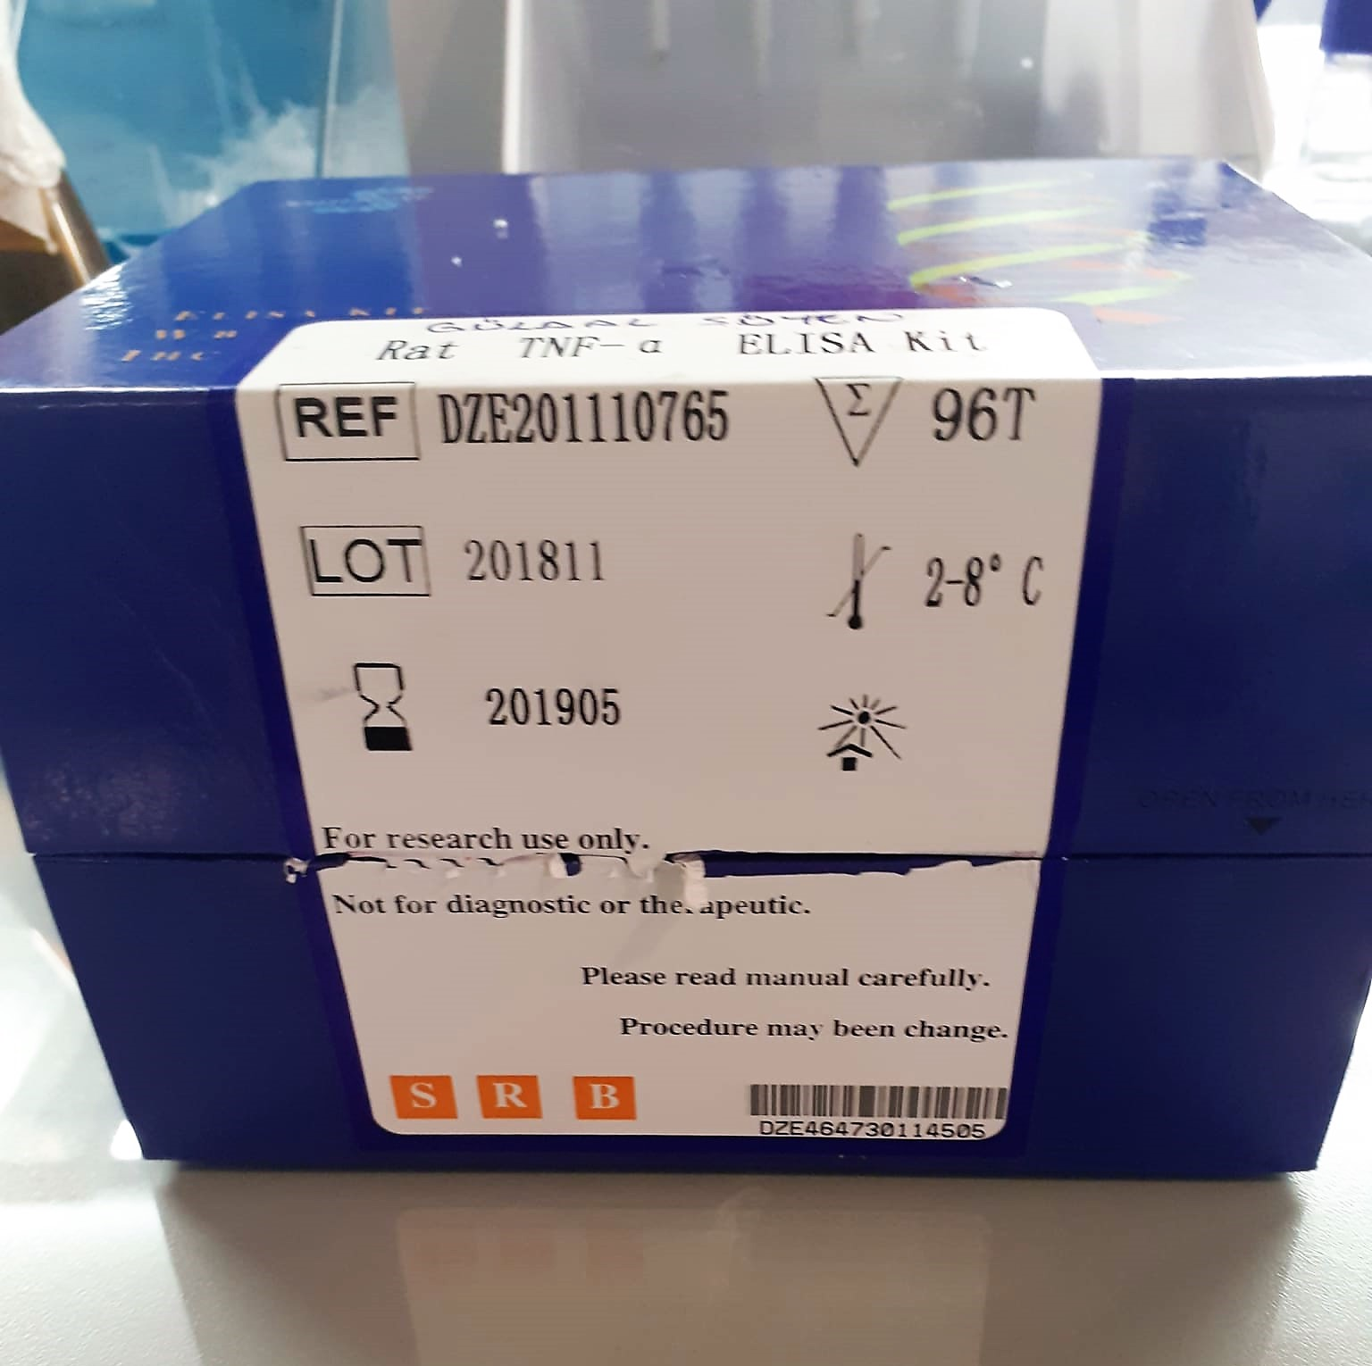

TOTAL ANTIOXDANT STATUS (TAS) (mmol/L)
TAS levels were measured using commercially available kits (Relassay, Turkey). The novel
automated method is based on the bleaching of characteristic color of a more stable ABTS
(2,2 ′ - Azino-bis(3-ethylbenzothiazoline-6-sulfonic acid)) radical cation by antioxidants. The
assay has excellent precision values, which are lower than 3%. The results were expressed as
mmol Trolox equivalent/L (Erel O. A novel automated direct measurement method for total
antioxidant capacity using a new generation, more stable ABTS radicalcation. Clin Biochem
2004;37:277-85.)
(Relassay,Turkey)

TOTAL OXIDANT STATUS (TOS) (µmol/L)
TOS levels were measured using commercially available kits (Relassay, Turkey. In the new
method, oxidants present in the sample oxidized the ferrous ion-o-dianisidine complex to
ferric ion. The oxidation reaction was enhanced by glycerol molecules abundantly present in
the reaction medium. The ferric ion produced a colored complex with xylenol orange in an
acidic medium. The color intensity, which could be measured spectrophotometrically, was
related to the total amount of oxidant molecules present in the sample. The assay was
calibrated with hydrogen peroxide and the results were expressed in terms of
micromolar hydrogen peroxide equivalent per liter (μmol H2O2 equivalent/L). ( Erel O. A
new automated colorimetric method for measuringtotal oxidant status. Clin Biochem
2005;38:1103-11. ).
(Relassay,Turkey)

OXIDATIVE STRESS INDEX (OSI)
The ratio of TOS to TAS was accepted as the oxidative stress index (OSI). For calculation, the
resulting unit of TAS was converted to μmol/L, and the OSI value was calculated according to
the following Formula : OSI (arbitrary unit) =
TOS (μmol H2O2 equivalent/L) / TAC (μmol Trolox equivalent/L). (1-3).
1. Yumru M, Savas HA, Kalenderoglu A, Bulut M, Celik H, Erel O. Oxidative imbalance in
bipolar disorder subtypes: a comparative study. Prog Neuropsychopharmacol Biol Psychiatry.
2009 Aug 31;33(6):1070-4.
2. Kosecik M, Erel O, Sevinc E, Selek S. Increased oxidative stress in children exposed to
passive smoking. Int J Cardiol 2005;100:61–4.
3. (Harma M, Harma M, Erel O (2003) Increased oxidative stress in patients with
hydatidiform mole. Swiss Med Wkly 133:563-536).

Malondialdehyde (MDA) nmol/L
The MDA level was determined by a method based
on the reaction with thiobarbituric acid (TBA) at 90–100_C
. In the TBA test reaction, MDA or MDA-like
substances and TBA react with the production of a pink
pigment with a maximum absorption at 532 nm. The
reaction was performed at pH 2–3 at 90_C for 15 min. The
sample was mixed with two volumes of cold 10% (w/v)
trichloroacetic acid for the precipitation of protein. The
precipitate was pelleted by centrifugation, and an aliquot of
the supernatant was reacted with an equal volume of 0.67%
(w/v) TBA in a boiling water bath for 10 min. After
cooling, the absorbance was read at 532 nm.

Super Oxide Dismutase (SOD) U/ml
The role of speroxide dismutase is to accelerate the dismutation of the toxic radical, produced
during oxidative energy processes to hydrogen peroxide and molecular oxygen. This method
employs xanthine and xanthine oxidase to generate superoxide radicals which react with 2-(4-
iodophenyl)-3-(4-nitrophenol)-5-phenyltetrazolium chloride to form a red formazan dye.. the
superoxide dismutase activity is then measured by the degree of inhibiton of this reaction

Myeloperoxidase (MPO) U/L
MPO posseses various catalytical activities. It exhibits the main catalytical activity by the
production of hypochlorous acid (HClO) from hydrogen peroxide (H2O2) and chloride anion,
Cl- (or halide). MPO also exhibits peroxidase activity that catalyzes oxidation of a number of
substrates by H2O2. These reactions categories have been widely used to assess the
activities of MPO.
The Relassay Myeloperoxidase Chlorination Activity Assay Kit and The Relassay
Myeloperoxidase Peroxidation Activity Assay Kit are quantitative and colorimetric assay kits
for measuring the myeloperoxidase activity within a sample. In the The Relassay
Myeloperoxidase Chlorination Activity Assay Kit, MPO catalyzes the formation of
hypochlorous acid, which reacts with taurine to form taurine chloroamine. Taurine chloroamine reacts with the chromophore TNB, resulting in the formation of the colorless
product DTNB. One unit of MPO activity is defined as the amount of enzyme that hydrolyzes
the substrate and generates taurine chloramine to consume 1.0 μmole of TNB per minute.In
the The Relassay Myeloperoxidase Peroxidation Activity Assay Kit, MPO catalyzes odianisidine
to colored o-dianisidyl radical using H2O2. The increasing absorbance is
monitored at 412 nm and the activity is measured kinetically. This kit can be used manually
and easily adapted to automated analyzers.
(Relassay, Turkey)

GSH Test Principle
This ELISA kit uses the Competitive-ELISA principle. The micro ELISA plate provided in this kit has been pre-coated with GSH.
During the reaction, GSH in samples or Standard competes with a fixed amount of GSH on the solid phase supporter for sites on the Biotinylated Detection Ab specific to GSH.
Excess conjugate and unbound sample or standard are washed from the plate, and Avidin conjugated to Horseradish Peroxidase (HRP) are added to each microplate well and incubated.
Then a TMB substrate solution is added to each well. The enzyme-substrate reaction is terminated by the addition of stop solution and the color change is measured spectrophotometrically at a wavelength of 450±2 nm.
The concentration of GSH in the samples is then determined by comparing the OD of the samples to the standard curve.

TNF-ALFA Test Principle
The kit uses a double-antibody sandwich enzyme-linked immunosorbent assay to assay the level of rat Tumor necrosis factor a (TNF-a) in samples.
Add Tumor necrosis factor a to monoclonal antibody Enzyme well which is pre-coated with rat Tumor necrosis factor a monoclonal antibody, incunbation.
Then, add Tumor necrosis factor a antibodies labeled with biotin, and combined with Stpertavidin-HRP to form immune coplex; then carry out incubation and washing again to remove the uncombined enzyme.
Then add Chromogen Solutions A,B,the color of the liguid changes into the blue, and at he effect of acid, the color finally becomes yellow. The chroma of color and the concentration of the rat substance Tumor necrosis factor a of sample were positively correlated.

Interleukin-6 Test Principle
The kit uses a double-antibody sandwich enzyme-linked immunosorbent assay to assay the level of rat Interleukin 6 (IL-6) in samples.
Add Interleukin 6 to monoclonal antibody Enzyme well which is pre-coated with rat Interleukin 6 monoclonal antibody, incunbation.
Then, add Interleukin 6 antibodies labeled with biotin, and combined with Stpertavidin-HRP to form immune coplex; then carry out incubation and washing again to remove the uncombined enzyme.
Then add Chromogen Solutions A,B,the color of the liguid changes into the blue, and at he effect of acid, the color finally becomes yellow. The chroma of color and the concentration of the rat substance Interleukin 6 of sample were positively correlated.

Interleukin 1 beta Test Principle
The kit uses a double-antibody sandwich enzyme-linked immunosorbent assay to assay the level of rat Interleukin 1 beta (IL-1beta) in samples.
Add Interleukin 1 beta to monoclonal antibody Enzyme well which is pre-coated with rat Interleukin 1 beta monoclonal antibody, incunbation.
Then, add Interleukin 1 beta antibodies labeled with biotin, and combined with Stpertavidin-HRP to form immune coplex; then carry out incubation and washing again to remove the uncombined enzyme.
Then add Chromogen Solutions A,B,the color of the liguid changes into the blue, and at he effect of acid, the color finally becomes yellow. The chroma of color and the concentration of the rat substance Interleukin 1 beta of sample were positively correlated.

