Sayfa1
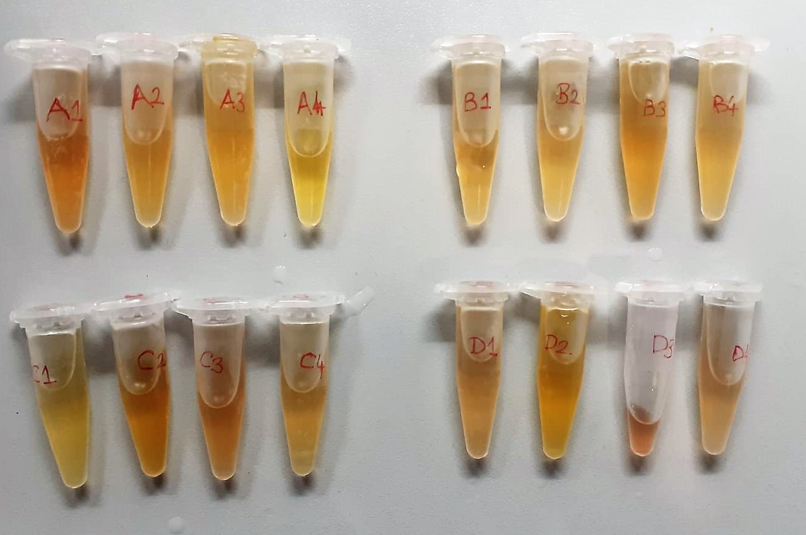
Numune Adı | TAS(mmol/L) | ALB (g/dl) | TP (g/dl) | AST (U/L) | ALT (U/L) | HDL (mg/dl) | LDL (mg/dl) | TG (mg/dl) | GLU (mg/dl) | UA (mg/dl)
A-1 | 1.78 | 1.39 | 3.02 | 590 | 51 | 53.3 | 10.6 | 58.3 | 239 | 3.84 | Kullanılan cihaz: Mindray marka BS300 model tam otomatik biyokimya cihazı
A-2 | 2.45 | 1.71 | 4.54 | 551 | 17 | 67.1 | 10.3 | 132.4 | 235 | 6.42
A-3 | 1.66 | 1.32 | 3.01 | 304 | 6 | 60.9 | 7.9 | 65.2 | 229 | 3.86 | AST: Aspartat Aminotransferaz
A-4 | 1.8 | 1.5 | 3.42 | 279 | 8 | 55.2 | 5.6 | 64.2 | 231 | 4.09 | ALT: Alanin Aminotransferaz
B-1 | 1.64 | 1.61 | 3.45 | 324 | 2 | 64.2 | 6.2 | 32.8 | 229 | 3.7 | ALB: Albumin
B-2 | 1.38 | 1.55 | 3.19 | 248 | 5 | 66.3 | 3.8 | 89.4 | 239 | 2.86 | TP: Total Protein
B-3 | 1.4 | 1.41 | 2.94 | 246 | 6 | 63.7 | 2.2 | 51.1 | 257 | 2.82 | LDL: LDL Cholesterol
B-4 | 1.99 | 1.57 | 3.81 | 333 | 5 | 57.5 | 11.1 | 108.9 | 313 | 4.46 | GLU: Glucose
C-1 | 1.21 | 1.35 | 3.07 | 242 | 2 | 46.6 | 10.9 | 32 | 235 | 1.64 | HDL: HDL Cholesterol
C-2 | 2.05 | 2.07 | 4.84 | 581 | 8 | 90.7 | 14 | 47.1 | 266 | 4.82 | TG: Triglycerides
C-3 | 1.74 | 1.78 | 3.9 | 531 | 5 | 58.4 | 8.3 | 73.1 | 253 | 4.05 | UA: Urıc Asıd
C-4 | 1.5 | 1.4 | 2.93 | 318 | 4 | 56.2 | 10.3 | 88.7 | 267 | 3.7 | TAS: Total Antıoxidant Status
D-1 | 1.58 | 1.36 | 3 | 347 | 5 | 53.2 | 4.5 | 29.4 | 232 | 3.66
D-2 | 1.99 | 1.8 | 4.04 | 403 | 6 | 84.3 | 9.8 | 102.9 | 324 | 3.73
D-3 | 1.98 | 1.58 | 3.49 | 223 | 6 | 56.1 | 7.9 | 31.9 | 245 | 5.91
D-4 | 2.4 | 2.36 | 5.86 | 506 | 7 | 108 | 12 | 167.7 | 378 | 5.05

