Materyal-metod
KİT ADI | TÜR | Numune Türü | MARKA | CAT. NO | Yöntem | Kullanılan Cihaz
AST: Aspartat Aminotransferaz | Universal | Serum | Otto Scientific | OttoBC127 | Kolorimetrik | MINDRAY-BS400
ALT: Alanin aminotransferaz | Universal | Serum | Otto Scientific | OttoBC128 | Kolorimetrik | MINDRAY-BS400
CHOL: Total Cholesterol | Universal | Serum | Otto Scientific | OttoBC135 | Kolorimetrik | MINDRAY-BS400
TG: Triglycerides | Universal | Serum | Otto Scientific | OttoBC155 | Kolorimetrik | MINDRAY-BS400
ALP: Alkaline Phosphatase | Universal | Serum | Otto Scientific | OttoBC124 | Kolorimetrik | MINDRAY-BS400
TAS(Total Antioxidant Status) | Universal | Serum | REL ASSAY | RL0017 | Kolorimetrik | MINDRAY-BS400
TOS(Total Oxidant Status) | Universal | Serum | REL ASSAY | RL0024 | Kolorimetrik | MINDRAY-BS400
LDH: Laktat dehidrogenaz | Universal | Serum | Otto Scientific | OttoBC129 | Kolorimetrik | MINDRAY-BS400
TP: Total protein | Universal | Serum | Otto Scientific | OttoBC154 | Kolorimetrik | MINDRAY-BS400
Immunoglobulin A | Universal | Serum | Otto Scientific | OttoBC146 | Kolorimetrik | MINDRAY-BS400
Immunoglobulin M | Universal | Serum | Otto Scientific | OttoBC149 | Kolorimetrik | MINDRAY-BS400
Gamma GT( GGT) | Universal | Serum | Otto Scientific | OttoBC141 | Kolorimetrik | MINDRAY-BS400
GLU: Glucose | Universal | Serum | Otto Scientific | OttoBC142 | Kolorimetrik | MINDRAY-BS400
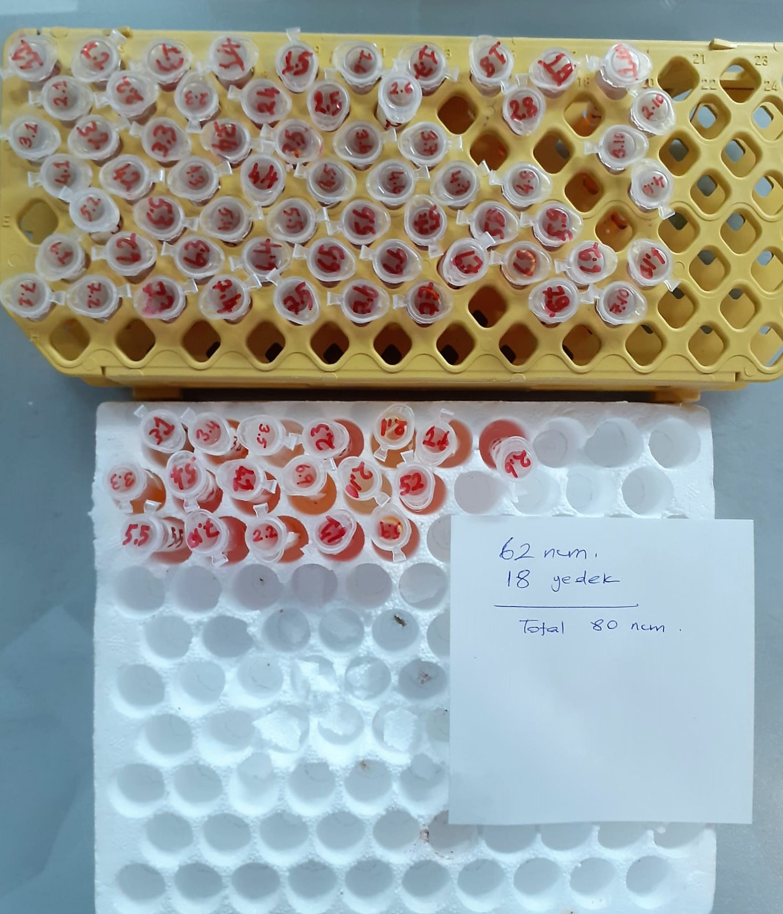
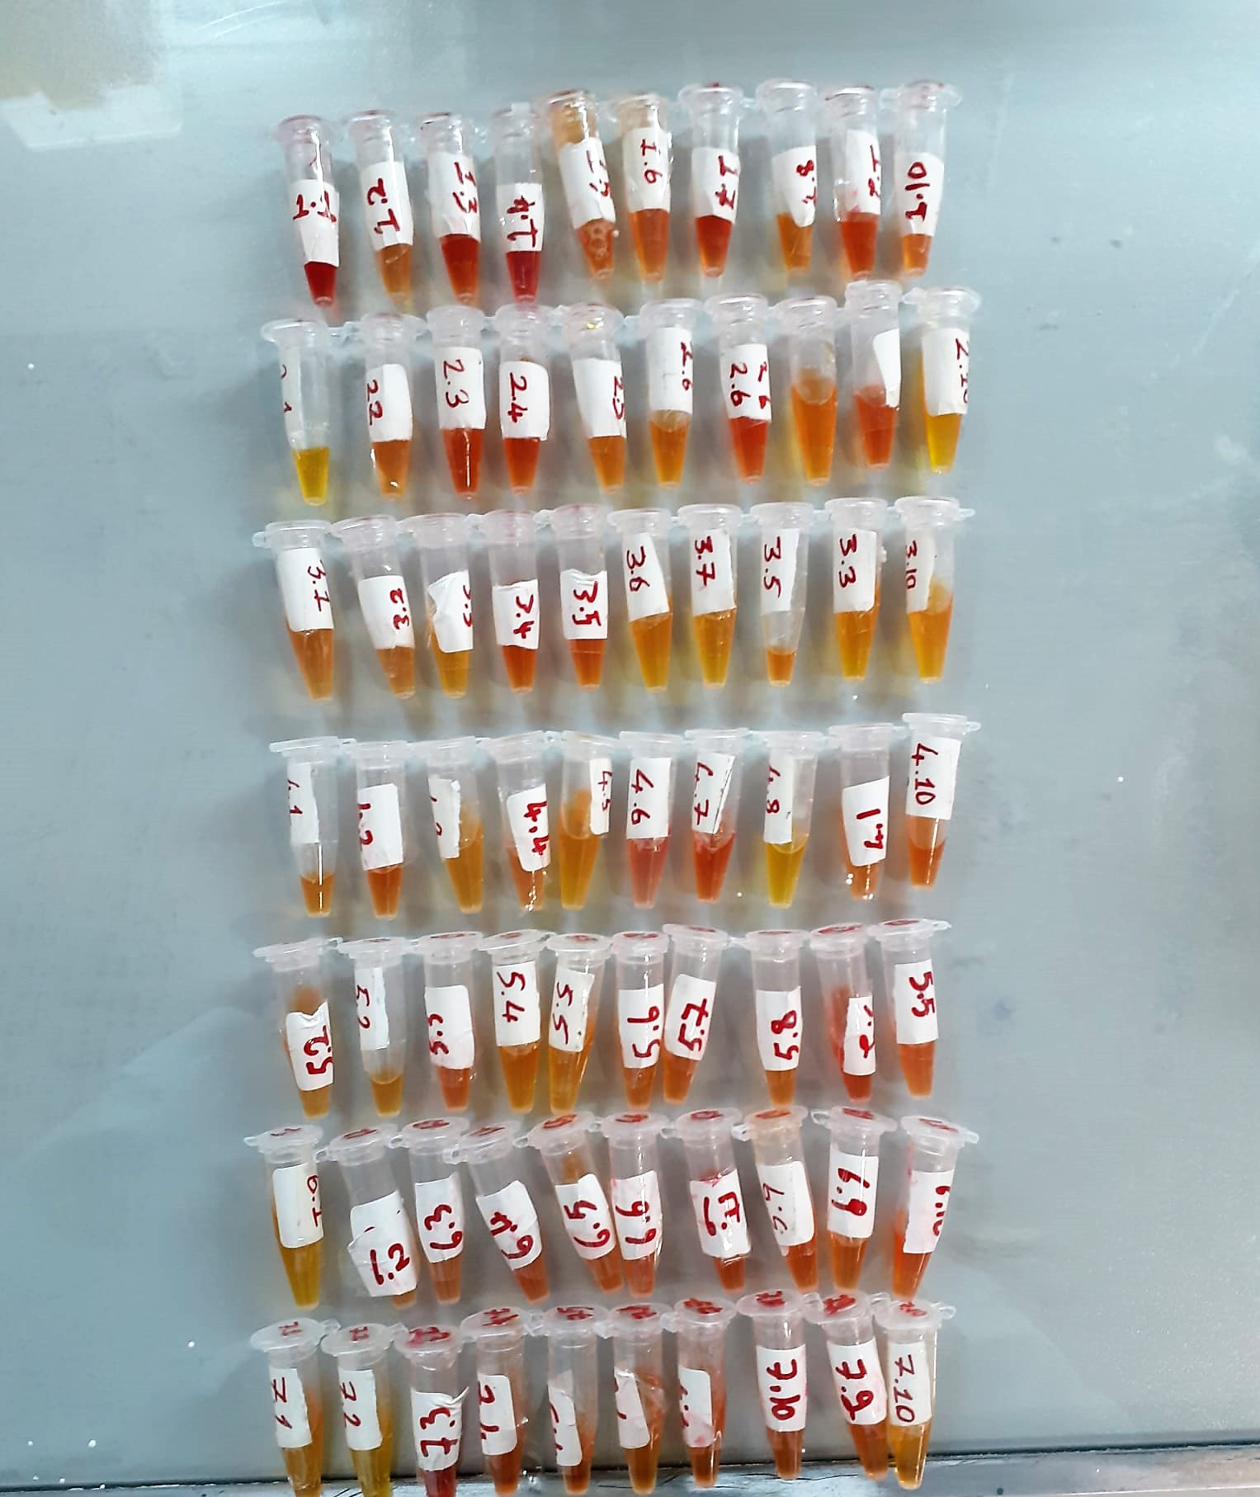

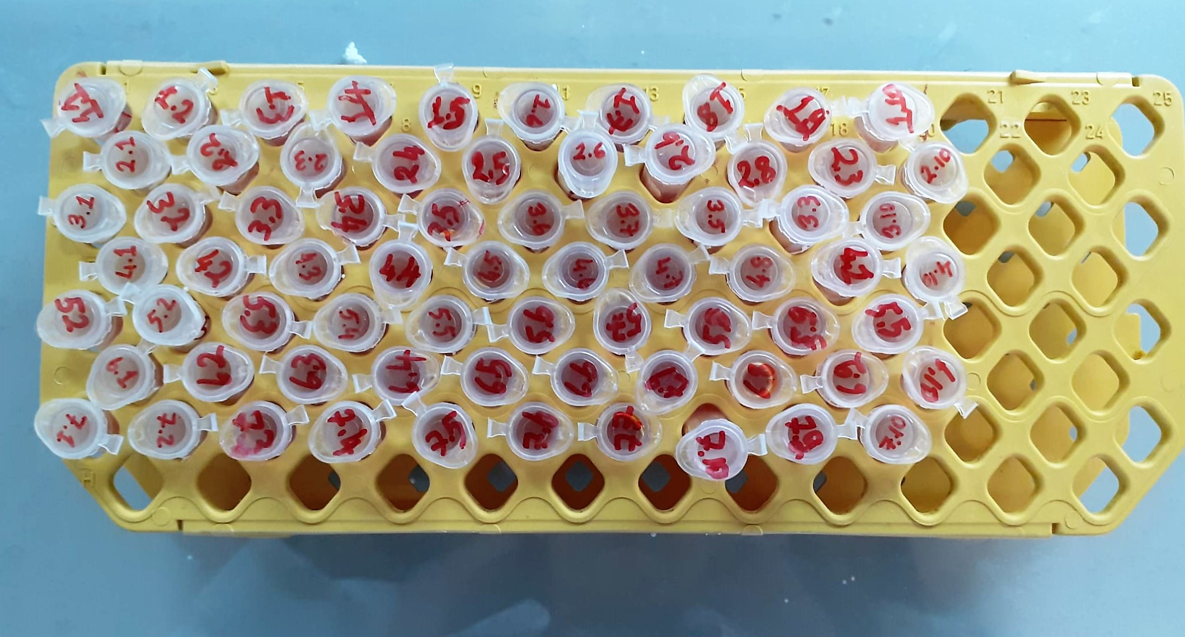

Total Protein g/dl
Colorimetric assay, Sample and addition of Reagent start of the reaction:
Divalent copper reacts in alkaline solution with protein peptide bonds to form the characteristic purple-colored biuret complex.
Sodium potassium tartrate prevents the precipitation of copper hydroxide and potassium iodide prevents auto reduction of copper. alkaline protein + Cu2+ solution Cu-protein complex
The color intensity is directly proportional to the protein concentration which can be determined photometrically.

lgA mg/dL
Immunoglobulins A (IgA) selectively react with an anti-IgA antibody and form an immunocomplex.
The produced turbidity is proportional to the concentration of IgA in the sample, and can be measured at the wavelenght of 600 nm
(Otto Scientific)

lgM mg/dL
Immunoglobulins M (IgM) selectively react with an antiIgM antibody and form an immunocomplex.
The produced turbidity is proportional to the concentration of IgM in the sample, and can be measured at the wavelenght of 340 nm.
(Otto Scientific)

Glucose mg/dl
Enzymatic colorimetric test on basis of Trinder – Reaction:
Glucose oxidase Glucose + O2 Gluconic acid + H2O2
Peroxidase
2H2O2 + Phenol + 4–Aminoantipyrine Red Quinoneimine + 4H2O

Cholesterol Total mg/dl
Cholesterol ester + H2O Cholesterol + fatty acids
Cholesterol esters are ceaved by the action of choesterol esterase to yield free
choesterol and fatty acids Cholesterol oxidase Cholesterol + O2 Cholesten-3-on + H2O2
Peroxidase
2H2O2 + Phenol + 4-Aminoantipyrine Quinoneimine dye + 4 H2O
Cholesterol is converted by oxygen with the aid of cholesterol oxidase to A4- Cholestenone and hydrogen peroxide.
Hydrogen peroxide created forms a red dyestuff by reacting with 4-aminoantipyrine and phenol under the catalytic action of peroxidase.
The color intensity is directly proportional to the concentration of cholesterol and can be determined photometrically.

Triglycerides mg/dl
Triglycerides in the sample originates, by means of the coupled reactions described below, acoloured complex that can be measured by spectrophotometry.
Triglycerides + H2O lipase Glycerol + Fatty acids
Glycerol + ATP glycerol kinase Glycerol – 3 – P + ADP
Glycerol – 3 –P + O2 G-3-P-oxidase Dihidroxyacetone – P +H2O2
2 H2O2 + 4 – Aminoantipyrine + 4 – Chlorophenol G-3-P-oxidas Quinoneimine + 4 H2O

AST U/L
UV test according to a standarrized method
Sample and addition of R1 (buffer)
Addition of R2 and start of reaction: AST
α-ketoglutarate + L-aspartate L- glutamate + oxaloasetate
AST is the enzyme which catalyzes this equilibrium reaction. The oxaloacetate in- crease is measured in a subsequent indicator reaction which is catalyzed by malate dehydrogenase.
MDH
oxalacetate + NADH + H+ L-Malate + NAD+
In the second reaction, NADH is oxidized to NAD. The rate of decrease in NADH
(Measured photometrically) is directly proportional to the rate of formation of
oxaloasetate, and thus the AST activity.

ALT U/L
UV test according to the IFCC method.
ALT
L-Alanin + 2-Oxoglutarate ⎯⎯ L-Glutamate + Pyruvat

Alkaline Phosphatase (ALP) U/L
Colorimetric assay in accordance with a standardized method.
ALP, Mg2
p - Nitrophenylphosphate+ H2O Phosphate + p - Nitrophenol
In the presence of magnesium and zinc ions, p-nitrophenyl phosphate is hydrolyzed by phosphatases to form phosphate and p-nitrophenol.
In this process AMP serves as transient phosphate acceptor. The release of coloured p-nitrophenol is proportional to the ALP activity and can be measured photometrically.

TOTAL ANTIOXDANT STATUS (TAS) (mmol/L)
TAS levels were measured using commercially available kits (Relassay, Turkey). The novel
automated method is based on the bleaching of characteristic color of a more stable ABTS
(2,2 ′ - Azino-bis(3-ethylbenzothiazoline-6-sulfonic acid)) radical cation by antioxidants. The
assay has excellent precision values, which are lower than 3%. The results were expressed as
mmol Trolox equivalent/L (Erel O. A novel automated direct measurement method for total
antioxidant capacity using a new generation, more stable ABTS radicalcation. Clin Biochem
2004;37:277-85.)
(Relassay,Turkey)

TOTAL OXIDANT STATUS (TOS) (µmol/L)
TOS levels were measured using commercially available kits (Relassay, Turkey. In the new
method, oxidants present in the sample oxidized the ferrous ion-o-dianisidine complex to
ferric ion. The oxidation reaction was enhanced by glycerol molecules abundantly present in
the reaction medium. The ferric ion produced a colored complex with xylenol orange in an
acidic medium. The color intensity, which could be measured spectrophotometrically, was
related to the total amount of oxidant molecules present in the sample. The assay was
calibrated with hydrogen peroxide and the results were expressed in terms of
micromolar hydrogen peroxide equivalent per liter (μmol H2O2 equivalent/L). ( Erel O. A
new automated colorimetric method for measuringtotal oxidant status. Clin Biochem
2005;38:1103-11. ).
(Relassay,Turkey)

OXIDATIVE STRESS INDEX (OSI)
The ratio of TOS to TAS was accepted as the oxidative stress index (OSI). For calculation, the
resulting unit of TAS was converted to μmol/L, and the OSI value was calculated according to
the following Formula : OSI (arbitrary unit) =
TOS (μmol H2O2 equivalent/L) / TAC (μmol Trolox equivalent/L). (1-3).
1. Yumru M, Savas HA, Kalenderoglu A, Bulut M, Celik H, Erel O. Oxidative imbalance in
bipolar disorder subtypes: a comparative study. Prog Neuropsychopharmacol Biol Psychiatry.
2009 Aug 31;33(6):1070-4.
2. Kosecik M, Erel O, Sevinc E, Selek S. Increased oxidative stress in children exposed to
passive smoking. Int J Cardiol 2005;100:61–4.
3. (Harma M, Harma M, Erel O (2003) Increased oxidative stress in patients with
hydatidiform mole. Swiss Med Wkly 133:563-536).

LDH
Pyruvat + NADH + H+ ⎯⎯ D-Lactate+ NAD+
The enzyme alanine aminotransferase (EC 2.6.1.2; L-Alanine:2-Oxoglutarate Aminotransferase,
ALT or A1aAT; Glutamate Pyruvate Transaminase, GPT) catalyzes the tran- saminase reaction between L-Alanine and 2-Oxoglutarate.
The pyruvate formed, is reduced to lactate in the presence of LDH. As the reactions proceed,
NADH is oxidized to NAD+. The disappearance of NADH per unit time is followed by measuring the decrease in absorbance at 340 nm.
(Otto Scientific)

GGT (Gamma GT) U/l
Enzymatic colorimetric assay
• Sample and addition of R1 (Buffer/Glycylglycine)
• Addition of R2 (substrate) and start of reaction Gamma-glutamyltransferase transfers the g-glutamyl group of L-g-glutamyl-3-
carboxy-4-nitroanilide to glycylglycine. The amount of 5-amino-2-nitrobenzo-nate liberated is proportional to the GGT activity and can be determined photo-metrically.
(Otto Scientific)

