RAT Fructosamine
2.976 | 1.002 | 1.136 | 0.865 | 1.057 | 0.953 | 0.875 | 0.993 | 1.004 | 0.965 | 0.935
2.015 | 0.921 | 0.984 | 0.917 | 0.866 | 0.967 | 0.887 | 0.926 | 0.956 | 0.955
1.325 | 0.914 | 0.932 | 0.839 | 0.944 | 0.691 | 0.896 | 1.127 | 0.944 | 0.898
0.989 | 0.693 | 0.865 | 0.792 | 0.894 | 0.687 | 0.86 | 0.73 | 0.735 | 0.767
0.547 | 0.826 | 0.853 | 0.842 | 0.729 | 0.657 | 0.897 | 0.873 | 0.808 | 0.691
0.365 | 0.772 | 0.691 | 0.856 | 0.813 | 0.624 | 0.813 | 0.83 | 0.865 | 0.787
0.073 | 0.809 | 0.715 | 0.849 | 0.937 | 0.723 | 1.085 | 0.856 | 0.784 | 0.881
 | 0.878 | 0.956 | 0.839 | 0.699 | 0.549 | 0.896 | 0.565 | 0.552 | 0.488

Fructosamine
 | abs | abs-blank | expected | result
std1 | 2.976 | 2.903 | 4800 | 4809.03
std2 | 2.015 | 1.942 | 2400 | 2380.92
std3 | 1.325 | 1.252 | 1200 | 1147.84
std4 | 0.989 | 0.916 | 600 | 701.80
std5 | 0.547 | 0.474 | 300 | 269.09
std6 | 0.365 | 0.292 | 150 | 141.79
blank | 0.073 | 0.000 | 0 | -0.45

 |  |  |  |  |  |  |  | concentratıon (nmol/ml)

Numune | absorbans | blank | abs-blank | sonuç(nmol/ml)
GRUP 1-1 | 1.002 | 0.073 | 0.929 | 717.18
GRUP 1-2 | 0.921 | 0.073 | 0.848 | 623.84
GRUP 1-3 | 0.914 | 0.073 | 0.841 | 616.05
GRUP 1-4 | 0.693 | 0.073 | 0.62 | 392.67
GRUP 1-5 | 0.826 | 0.073 | 0.753 | 521.86
GRUP 1-7 | 0.772 | 0.073 | 0.699 | 467.49
GRUP 2-1 | 0.809 | 0.073 | 0.736 | 504.46
GRUP 2-2 | 0.878 | 0.073 | 0.805 | 576.68
GRUP 2-3 | 1.136 | 0.073 | 1.063 | 884.50
GRUP 2-4 | 0.984 | 0.073 | 0.911 | 695.93
GRUP 2-5 | 0.932 | 0.073 | 0.859 | 636.17
GRUP 2-6 | 0.865 | 0.073 | 0.792 | 562.75
GRUP 2-7 | 0.853 | 0.073 | 0.78 | 550.02
GRUP 3-1 | 0.792 | 0.073 | 0.719 | 487.32
GRUP 3-2 | 0.842 | 0.073 | 0.769 | 538.47
GRUP 3-3 | 0.856 | 0.073 | 0.783 | 553.19
GRUP 3-4 | 0.849 | 0.073 | 0.776 | 545.81
GRUP 3-5 | 0.839 | 0.073 | 0.766 | 535.34
GRUP 3-6 | 1.057 | 0.073 | 0.984 | 783.91
GRUP 3-7 | 0.866 | 0.073 | 0.793 | 563.81
GRUP 3-8 | 0.944 | 0.073 | 0.871 | 649.75
GRUP 4-1 | 0.894 | 0.073 | 0.821 | 594.03
GRUP 4-2 | 0.729 | 0.073 | 0.656 | 426.07
GRUP 4-3 | 0.813 | 0.073 | 0.74 | 508.53
GRUP 4-4 | 0.937 | 0.073 | 0.864 | 641.81
GRUP 4-5 | 0.699 | 0.073 | 0.626 | 398.15
GRUP 4-6 | 0.953 | 0.073 | 0.88 | 660.01
GRUP 4-8 | 0.967 | 0.073 | 0.894 | 676.13
GRUP 5-1 | 0.691 | 0.073 | 0.618 | 390.84
GRUP 5-3 | 0.715 | 0.073 | 0.642 | 412.94
GRUP 5-4 | 0.956 | 0.073 | 0.883 | 663.45
GRUP 5-5 | 0.865 | 0.073 | 0.792 | 562.75
GRUP 5-6 | 0.917 | 0.073 | 0.844 | 619.38
GRUP 5-7 | 0.839 | 0.073 | 0.766 | 535.34
GRUP 6-2 | 0.691 | 0.073 | 0.618 | 390.84
GRUP 6-3 | 0.687 | 0.073 | 0.614 | 387.21
GRUP 6-5 | 0.657 | 0.073 | 0.584 | 360.42
GRUP 6-6 | 0.624 | 0.073 | 0.551 | 331.89
GRUP 6-7 | 0.723 | 0.073 | 0.65 | 420.42
GRUP 6-8 | 0.549 | 0.073 | 0.476 | 270.66
GRUP 7-1 | 0.875 | 0.073 | 0.802 | 573.45
GRUP 7-2 | 0.887 | 0.073 | 0.814 | 586.41
GRUP 7-3 | 0.896 | 0.073 | 0.823 | 596.22
GRUP 7-5 | 0.86 | 0.073 | 0.787 | 557.43
GRUP 7-6 | 0.897 | 0.073 | 0.824 | 597.31
GRUP 7-7 | 0.813 | 0.073 | 0.74 | 508.53
GRUP 8-4 | 1.085 | 0.073 | 1.012 | 818.92
GRUP 8-5 | 0.896 | 0.073 | 0.823 | 596.22
GRUP 8-6 | 0.993 | 0.073 | 0.92 | 706.52
GRUP 8-7 | 0.926 | 0.073 | 0.853 | 629.43
GRUP 9-1 | 1.127 | 0.073 | 1.054 | 872.76
GRUP 9-4 | 0.73 | 0.073 | 0.657 | 427.02
GRUP 9-5 | 0.873 | 0.073 | 0.8 | 571.30
GRUP 9-7 | 0.83 | 0.073 | 0.757 | 525.99
GRUP 9-8 | 0.856 | 0.073 | 0.783 | 553.19
GRUP 10-1 | 0.565 | 0.073 | 0.492 | 283.30
GRUP 10-3 | 1.004 | 0.073 | 0.931 | 719.56
GRUP 10-5 | 0.956 | 0.073 | 0.883 | 663.45
GRUP 10-6 | 0.944 | 0.073 | 0.871 | 649.75
GRUP 10-7 | 0.735 | 0.073 | 0.662 | 431.75
GRUP 10-8 | 0.808 | 0.073 | 0.735 | 503.45
GRUP 11-1 | 0.865 | 0.073 | 0.792 | 562.75
GRUP 11-2 | 0.784 | 0.073 | 0.711 | 479.35
GRUP 11-3 | 0.552 | 0.073 | 0.479 | 273.01
GRUP 11-4 | 0.965 | 0.073 | 0.892 | 673.81
GRUP 11-5 | 0.955 | 0.073 | 0.882 | 662.30
GRUP 11-6 | 0.898 | 0.073 | 0.825 | 598.41
GRUP 11-7 | 0.767 | 0.073 | 0.694 | 462.59
GRUP 12-1 | 0.691 | 0.073 | 0.618 | 390.84
GRUP 12-3 | 0.787 | 0.073 | 0.714 | 482.33
GRUP 12-5 | 0.881 | 0.073 | 0.808 | 579.91
GRUP 12-7 | 0.488 | 0.073 | 0.415 | 224.57
GRUP 12-8 | 0.935 | 0.073 | 0.862 | 639.55

RAT INSULİN
2.722 | 0.815 | 0.871 | 1.018 | 0.966 | 0.872 | 0.95 | 0.907 | 0.896 | 0.853 | 0.864
1.897 | 0.879 | 0.845 | 0.808 | 0.815 | 0.833 | 0.861 | 0.896 | 0.918 | 0.797
1.232 | 0.721 | 0.711 | 0.761 | 0.803 | 0.377 | 0.782 | 0.802 | 0.743 | 0.718
0.718 | 0.602 | 0.673 | 0.824 | 0.793 | 0.631 | 0.841 | 0.772 | 0.675 | 0.651
0.427 | 0.867 | 0.853 | 0.909 | 0.779 | 0.729 | 0.848 | 0.896 | 0.639 | 0.695
0.282 | 0.724 | 0.753 | 0.858 | 0.799 | 0.62 | 0.859 | 0.814 | 0.668 | 0.756
0.068 | 0.772 | 0.689 | 0.876 | 0.944 | 0.84 | 0.915 | 0.794 | 0.695 | 0.739
 | 0.737 | 0.87 | 0.927 | 0.923 | 0.563 | 0.92 | 0.862 | 0.609 | 0.456

INSULİN

 | abs | abs-blank | expected | result
std1 | 2.722 | 2.653 | 48 | 47.61
std2 | 1.897 | 1.829 | 24 | 24.95
std3 | 1.232 | 1.164 | 12 | 11.96
std4 | 0.718 | 0.650 | 6 | 5.17
std5 | 0.427 | 0.359 | 3 | 2.57
std6 | 0.282 | 0.214 | 1.5 | 1.62
blank | 0.068 | 0.000 | 0 | 0.62

 |  |  |  |  |  |  |  |  | concentratıon (mlU/L)

Numune | absorbans | blank | abs-blank | sonuç(mlU/L))
GRUP 1-1 | 0.815 | 0.068 | 0.747 | 6.24
GRUP 1-2 | 0.879 | 0.068 | 0.811 | 7.00
GRUP 1-3 | 0.721 | 0.068 | 0.653 | 5.20
GRUP 1-4 | 0.602 | 0.068 | 0.534 | 4.03
GRUP 1-5 | 0.867 | 0.068 | 0.799 | 6.85
GRUP 1-7 | 0.724 | 0.068 | 0.656 | 5.23
GRUP 2-1 | 0.772 | 0.068 | 0.704 | 5.75
GRUP 2-2 | 0.737 | 0.068 | 0.669 | 5.37
GRUP 2-3 | 0.871 | 0.068 | 0.803 | 6.90
GRUP 2-4 | 0.845 | 0.068 | 0.777 | 6.59
GRUP 2-5 | 0.711 | 0.068 | 0.643 | 5.10
GRUP 2-6 | 0.673 | 0.068 | 0.605 | 4.71
GRUP 2-7 | 0.853 | 0.068 | 0.785 | 6.68
GRUP 3-1 | 0.753 | 0.068 | 0.685 | 5.54
GRUP 3-2 | 0.689 | 0.068 | 0.621 | 4.87
GRUP 3-3 | 0.87 | 0.068 | 0.802 | 6.89
GRUP 3-4 | 1.018 | 0.068 | 0.950 | 8.80
GRUP 3-5 | 0.808 | 0.068 | 0.740 | 6.16
GRUP 3-6 | 0.761 | 0.068 | 0.693 | 5.63
GRUP 3-7 | 0.824 | 0.068 | 0.756 | 6.34
GRUP 3-8 | 0.909 | 0.068 | 0.841 | 7.37
GRUP 4-1 | 0.858 | 0.068 | 0.790 | 6.74
GRUP 4-2 | 0.876 | 0.068 | 0.808 | 6.96
GRUP 4-3 | 0.927 | 0.068 | 0.859 | 7.60
GRUP 4-4 | 0.966 | 0.068 | 0.898 | 8.10
GRUP 4-5 | 0.815 | 0.068 | 0.747 | 6.24
GRUP 4-6 | 0.803 | 0.068 | 0.735 | 6.10
GRUP 4-8 | 0.793 | 0.068 | 0.725 | 5.99
GRUP 5-1 | 0.779 | 0.068 | 0.711 | 5.83
GRUP 5-3 | 0.799 | 0.068 | 0.731 | 6.06
GRUP 5-4 | 0.944 | 0.068 | 0.876 | 7.81
GRUP 5-5 | 0.923 | 0.068 | 0.855 | 7.54
GRUP 5-6 | 0.872 | 0.068 | 0.804 | 6.91
GRUP 5-7 | 0.833 | 0.068 | 0.765 | 6.45
GRUP 6-2 | 0.377 | 0.068 | 0.309 | 2.22
GRUP 6-3 | 0.631 | 0.068 | 0.563 | 4.30
GRUP 6-5 | 0.729 | 0.068 | 0.661 | 5.29
GRUP 6-6 | 0.62 | 0.068 | 0.552 | 4.20
GRUP 6-7 | 0.84 | 0.068 | 0.772 | 6.53
GRUP 6-8 | 0.563 | 0.068 | 0.495 | 3.68
GRUP 7-1 | 0.95 | 0.068 | 0.882 | 7.89
GRUP 7-2 | 0.861 | 0.068 | 0.793 | 6.78
GRUP 7-3 | 0.782 | 0.068 | 0.714 | 5.86
GRUP 7-5 | 0.841 | 0.068 | 0.773 | 6.54
GRUP 7-6 | 0.848 | 0.068 | 0.780 | 6.62
GRUP 7-7 | 0.859 | 0.068 | 0.791 | 6.76
GRUP 8-4 | 0.915 | 0.068 | 0.847 | 7.44
GRUP 8-5 | 0.92 | 0.068 | 0.852 | 7.51
GRUP 8-6 | 0.907 | 0.068 | 0.839 | 7.34
GRUP 8-7 | 0.896 | 0.068 | 0.828 | 7.21
GRUP 9-1 | 0.802 | 0.068 | 0.734 | 6.09
GRUP 9-4 | 0.772 | 0.068 | 0.704 | 5.75
GRUP 9-5 | 0.896 | 0.068 | 0.828 | 7.21
GRUP 9-7 | 0.814 | 0.068 | 0.746 | 6.23
GRUP 9-8 | 0.794 | 0.068 | 0.726 | 6.00
GRUP 10-1 | 0.862 | 0.068 | 0.794 | 6.79
GRUP 10-3 | 0.896 | 0.068 | 0.828 | 7.21
GRUP 10-5 | 0.918 | 0.068 | 0.850 | 7.48
GRUP 10-6 | 0.743 | 0.068 | 0.675 | 5.44
GRUP 10-7 | 0.675 | 0.068 | 0.607 | 4.73
GRUP 10-8 | 0.639 | 0.068 | 0.571 | 4.38
GRUP 11-1 | 0.668 | 0.068 | 0.600 | 4.66
GRUP 11-2 | 0.695 | 0.068 | 0.627 | 4.93
GRUP 11-3 | 0.609 | 0.068 | 0.541 | 4.09
GRUP 11-4 | 0.853 | 0.068 | 0.785 | 6.68
GRUP 11-5 | 0.797 | 0.068 | 0.729 | 6.03
GRUP 11-6 | 0.718 | 0.068 | 0.650 | 5.17
GRUP 11-7 | 0.651 | 0.068 | 0.583 | 4.49
GRUP 12-1 | 0.695 | 0.068 | 0.627 | 4.93
GRUP 12-3 | 0.756 | 0.068 | 0.688 | 5.58
GRUP 12-5 | 0.739 | 0.068 | 0.671 | 5.39
GRUP 12-7 | 0.456 | 0.068 | 0.388 | 2.79
GRUP 12-8 | 0.864 | 0.068 | 0.796 | 6.82

Materyal-metod
KİT ADI | TÜR | MARKA | LOT | CAT. NO | Yöntem | Kullanılan Cihaz
Fructosamine | Rat | BT | 202112001 | E1070Ra | ELİSA | Mıcroplate reader: BIO-TEK EL X 800-Aotu strıp washer:BIO TEK EL X 50
Insulin | Rat | BT | 202112001 | E0707Ra | ELİSA | Mıcroplate reader: BIO-TEK EL X 800-Aotu strıp washer:BIO TEK EL X 50
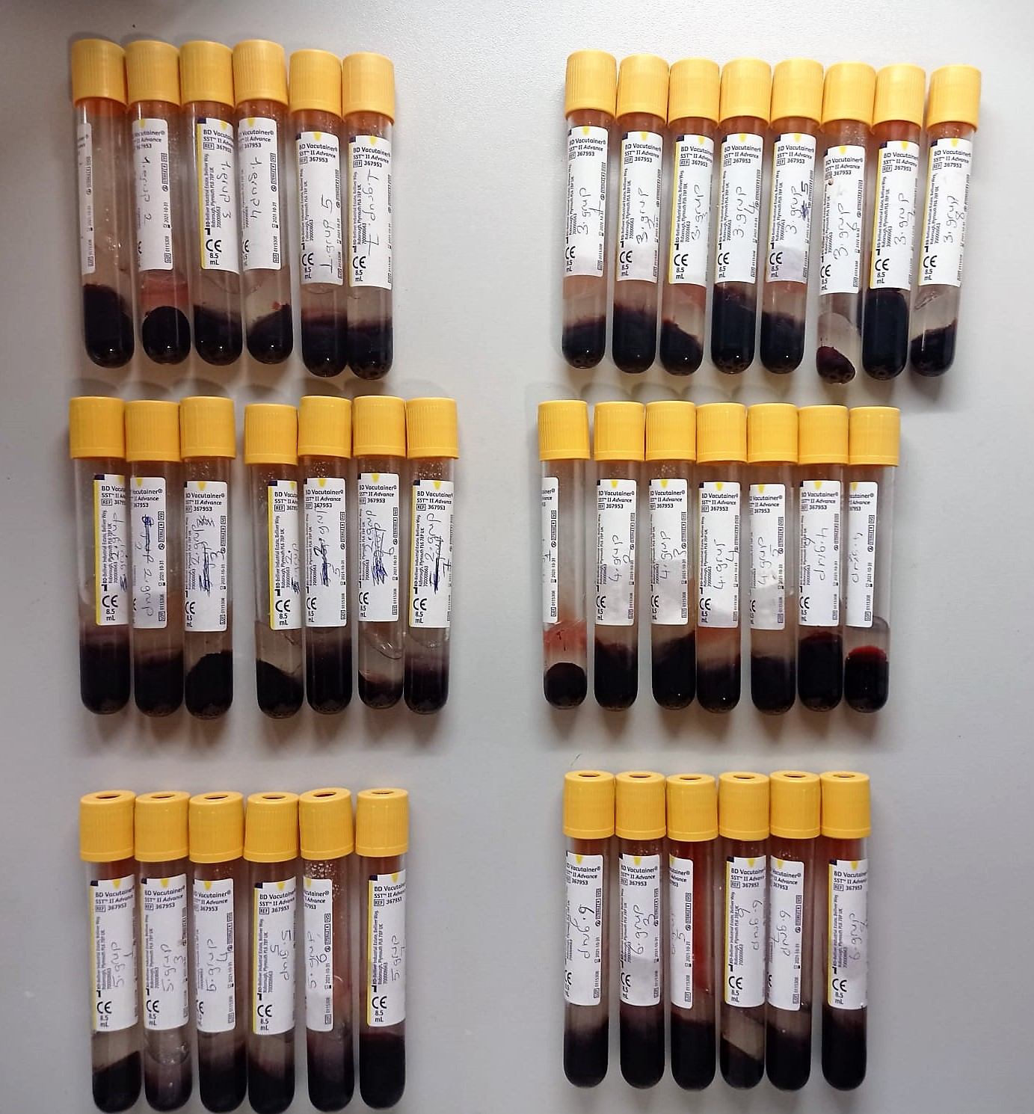
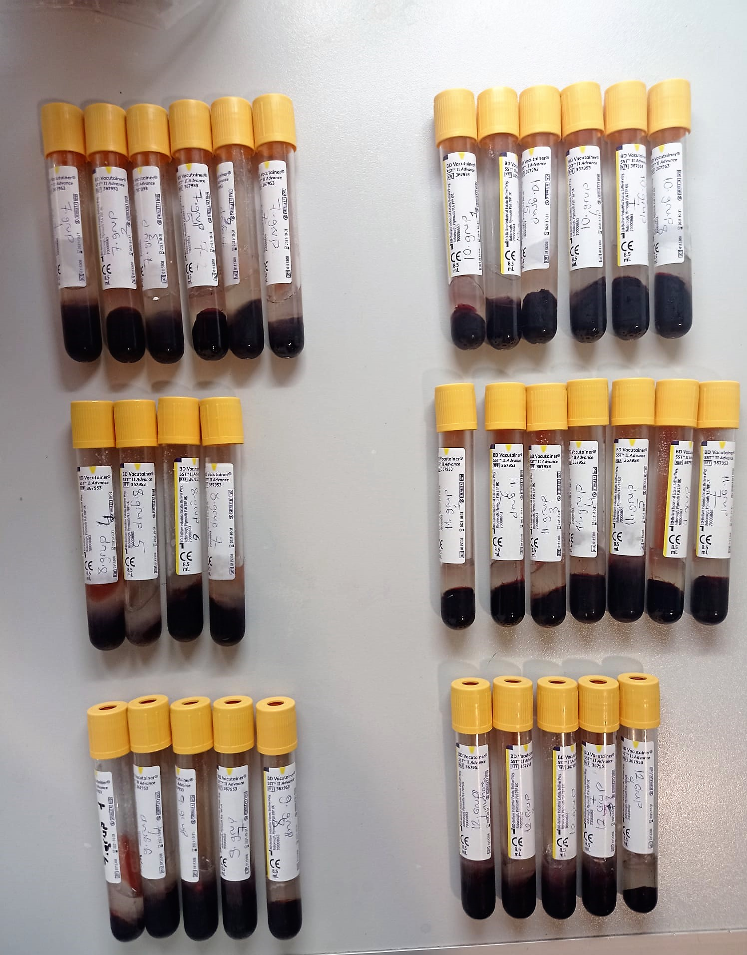

Insulin Assay Principle
This kit is an Enzyme-Linked Immunosorbent Assay (ELISA). The plate has been pre-coated with Rat INS antibody. INS present in the sample is added and binds to antibodies coated on the wells.
And then biotinylated Rat INS Antibody is added and binds to INS in the sample. Then Streptavidin-HRP is added and binds to the Biotinylated INS antibody.
After incubation unbound Streptavidin-HRP is washed away during a washing step. Substrate solution is then added and color develops in proportion to the amount of Rat INS .
The reaction is terminated by addition of acidic stop solution and absorbance is measured at 450 nm.

Fructosamine Assay Principle
This kit is an Enzyme-Linked Immunosorbent Assay (ELISA). The plate has been pre-coated with Rat Fructosamine antibody. Fructosamine present in the sample is added and binds to antibodies coated on the wells.
And then biotinylated Rat Fructosamine Antibody is added and binds to Fructosamine in the sample. Then Streptavidin-HRP is added and binds to the Biotinylated Fructosamine antibody.
After incubation unbound Streptavidin-HRP is washed away during a washing step. Substrate solution is then added and color develops in proportion to the amount of Rat Fructosamine .
The reaction is terminated by addition of acidic stop solution and absorbance is measured at 450 nm.

