Thioredoxin-1
1.943 | 0.659 | 0.724 | 0.882 | 0.704 | 0.985 | 1.013 | 1.045
1.221 | 0.869 | 0.987 | 1.012 | 0.974 | 0.915 | 1.019 | 0.822
0.759 | 0.554 | 0.701 | 0.568 | 0.525 | 0.701 | 0.719
0.419 | 0.509 | 0.645 | 0.658 | 0.562 | 0.605 | 0.6
0.267 | 0.747 | 0.685 | 0.83 | 0.659 | 1.145 | 0.66
0.075 | 1.084 | 0.885 | 0.873 | 0.798 | 0.812 | 0.764
0.072 | 0.773 | 0.519 | 0.562 | 0.726 | 0.609 | 0.645
0.071 | 0.429 | 0.594 | 0.596 | 0.648 | 1.341 | 1.303

Thioredoxin-1

 | abs | abs-blank | expected | result
std1 | 1.943 | 1.868 | 160 | 159.91
std2 | 1.221 | 1.146 | 80 | 80.03
std3 | 0.759 | 0.684 | 40 | 41.04
std4 | 0.419 | 0.344 | 20 | 18.40
std5 | 0.267 | 0.192 | 10 | 9.93
blank | 0.075 | 0 | 0 | 0.70

 |  |  |  |  |  |  |  | concentratıon (ng/ml)

Numune | absorbans | blank | abs-blank | result(ng/ml)
1K | 0.659 | 0.075 | 0.584 | 33.85
2K | 0.869 | 0.075 | 0.794 | 49.46
3K | 0.554 | 0.075 | 0.479 | 26.77
4K | 0.509 | 0.075 | 0.434 | 23.89
5K | 0.747 | 0.075 | 0.672 | 40.15
6K | 1.084 | 0.075 | 1.009 | 67.48
7K | 0.773 | 0.075 | 0.698 | 42.08
8K | 0.429 | 0.075 | 0.354 | 18.99
9K | 0.724 | 0.075 | 0.649 | 38.47
10K | 0.987 | 0.075 | 0.912 | 59.10
11K | 0.701 | 0.075 | 0.626 | 36.81
12K | 0.645 | 0.075 | 0.57 | 32.88
13K | 0.685 | 0.075 | 0.61 | 35.68
14K | 0.885 | 0.075 | 0.81 | 50.73
15K | 0.519 | 0.075 | 0.444 | 24.52
1E | 0.594 | 0.075 | 0.519 | 29.41
2E | 0.882 | 0.075 | 0.807 | 50.50
3E | 1.012 | 0.075 | 0.937 | 61.22
4E | 0.568 | 0.075 | 0.493 | 27.69
5E | 0.658 | 0.075 | 0.583 | 33.78
6E | 0.83 | 0.075 | 0.755 | 46.42
7E | 0.873 | 0.075 | 0.798 | 49.78
8E | 0.562 | 0.075 | 0.487 | 27.30
9E | 0.596 | 0.075 | 0.521 | 29.54
10E | 0.704 | 0.075 | 0.629 | 37.03
11E | 0.974 | 0.075 | 0.899 | 58.01
12E | 0.525 | 0.075 | 0.45 | 24.91
13E | 0.562 | 0.075 | 0.487 | 27.30
14E | 0.659 | 0.075 | 0.584 | 33.85
15E | 0.798 | 0.075 | 0.723 | 43.97
Hasan Sürücü | 0.726 | 0.075 | 0.651 | 38.62
Sıtkı Altan | 0.648 | 0.075 | 0.573 | 33.08
İbrahim Kalkan | 0.985 | 0.075 | 0.91 | 58.93
Fikret Çetin | 0.915 | 0.075 | 0.84 | 53.15
Fikret Çetin | 0.701 | 0.075 | 0.626 | 36.81
Abdullah Akkaya | 0.605 | 0.075 | 0.53 | 30.15
Sıtkı Altan | 1.145 | 0.075 | 1.07 | 72.96
Elvan Çaylak | 0.812 | 0.075 | 0.737 | 45.03
Mustafa Gömek | 0.609 | 0.075 | 0.534 | 30.42
Ayten Güzeler | 1.341 | 0.075 | 1.266 | 91.70
Zeynep Mert | 1.013 | 0.075 | 0.938 | 61.30
Elmas Menteşe | 1.019 | 0.075 | 0.944 | 61.82
Yasemin Karataş | 0.719 | 0.075 | 0.644 | 38.11
Yasemin Karataş | 0.6 | 0.075 | 0.525 | 29.81
Saadet Eşin | 0.66 | 0.075 | 0.585 | 33.92
Arife Üsküplü | 0.764 | 0.075 | 0.689 | 41.41
Zübeyde Öztürk | 0.645 | 0.075 | 0.57 | 32.88
Hatice Gezer | 1.303 | 0.075 | 1.228 | 87.94
Güleser Dursun | 1.045 | 0.075 | 0.97 | 64.06
Varol Eminoğlu | 0.822 | 0.075 | 0.747 | 45.80

Peroxiredoxin-2
1.906 | 0.506 | 0.582 | 0.652 | 0.858 | 0.888 | 0.794 | 0.842
1.202 | 0.677 | 0.58 | 0.752 | 0.681 | 0.732 | 0.826 | 0.781
0.848 | 0.685 | 0.727 | 0.62 | 0.746 | 0.715 | 0.771
0.517 | 0.624 | 0.775 | 0.764 | 0.719 | 0.797 | 0.885
0.301 | 0.746 | 0.661 | 0.684 | 0.57 | 0.682 | 0.752
0.074 | 1.066 | 0.784 | 0.843 | 0.744 | 0.921 | 0.848
0.07 | 1.104 | 0.895 | 0.873 | 1.131 | 0.894 | 0.896
0.064 | 0.996 | 0.896 | 0.839 | 0.773 | 0.877 | 1.659

Peroxiredoxin-2

 | abs | abs-blank | expected | result
std1 | 1.906 | 1.832 | 320 | 321.71
std2 | 1.202 | 1.128 | 160 | 151.63
std3 | 0.848 | 0.774 | 80 | 87.89
std4 | 0.517 | 0.443 | 40 | 41.46
std5 | 0.301 | 0.227 | 20 | 18.04
blank | 0.074 | 0 | 0 | -0.73

 |  |  |  |  |  |  |  | concentratıon (ng/L)

Numune | absorbans | blank | abs-blank | result(ng/L)
1K | 0.506 | 0.074 | 0.432 | 40.14
2K | 0.677 | 0.074 | 0.603 | 62.31
3K | 0.685 | 0.074 | 0.611 | 63.43
4K | 0.624 | 0.074 | 0.55 | 55.08
5K | 0.746 | 0.074 | 0.672 | 72.22
6K | 1.066 | 0.074 | 0.992 | 125.42
7K | 1.104 | 0.074 | 1.03 | 132.53
8K | 0.996 | 0.074 | 0.922 | 112.76
9K | 0.582 | 0.074 | 0.508 | 49.57
10K | 0.58 | 0.074 | 0.506 | 49.32
11K | 0.727 | 0.074 | 0.653 | 69.44
12K | 0.775 | 0.074 | 0.701 | 76.55
13K | 0.661 | 0.074 | 0.587 | 60.09
14K | 0.784 | 0.074 | 0.71 | 77.92
15K | 0.895 | 0.074 | 0.821 | 95.51
1E | 0.896 | 0.074 | 0.822 | 95.68
2E | 0.652 | 0.074 | 0.578 | 58.86
3E | 0.752 | 0.074 | 0.678 | 73.11
4E | 0.62 | 0.074 | 0.546 | 54.54
5E | 0.764 | 0.074 | 0.69 | 74.90
6E | 0.684 | 0.074 | 0.61 | 63.29
7E | 0.843 | 0.074 | 0.769 | 87.09
8E | 0.873 | 0.074 | 0.799 | 91.91
9E | 0.839 | 0.074 | 0.765 | 86.46
10E | 0.858 | 0.074 | 0.784 | 89.49
11E | 0.681 | 0.074 | 0.607 | 62.87
12E | 0.746 | 0.074 | 0.672 | 72.22
13E | 0.719 | 0.074 | 0.645 | 68.28
14E | 0.57 | 0.074 | 0.496 | 48.04
15E | 0.744 | 0.074 | 0.67 | 71.93
Hasan Sürücü | 1.131 | 0.074 | 1.057 | 137.68
Sıtkı Altan | 0.773 | 0.074 | 0.699 | 76.25
İbrahim Kalkan | 0.888 | 0.074 | 0.814 | 94.36
Fikret Çetin | 0.732 | 0.074 | 0.658 | 70.17
Fikret Çetin | 0.715 | 0.074 | 0.641 | 67.70
Abdullah Akkaya | 0.797 | 0.074 | 0.723 | 79.90
Sıtkı Altan | 0.682 | 0.074 | 0.608 | 63.01
Elvan Çaylak | 0.921 | 0.074 | 0.847 | 99.84
Mustafa Gömek | 0.894 | 0.074 | 0.82 | 95.35
Ayten Güzeler | 0.877 | 0.074 | 0.803 | 92.56
Zeynep Mert | 0.794 | 0.074 | 0.72 | 79.44
Elmas Menteşe | 0.826 | 0.074 | 0.752 | 84.41
Yasemin Karataş | 0.771 | 0.074 | 0.697 | 75.95
Yasemin Karataş | 0.885 | 0.074 | 0.811 | 93.87
Saadet Eşin | 0.752 | 0.074 | 0.678 | 73.11
Arife Üsküplü | 0.848 | 0.074 | 0.774 | 87.89
Zübeyde Öztürk | 0.896 | 0.074 | 0.822 | 95.68
Hatice Gezer | 1.659 | 0.074 | 1.585 | 255.47
Güleser Dursun | 0.842 | 0.074 | 0.768 | 86.93
Varol Eminoğlu | 0.781 | 0.074 | 0.707 | 77.46

Sirtuin-2
2.312 | 0.668 | 0.921 | 0.885 | 0.802 | 0.92 | 1.711 | 1.516
1.243 | 0.809 | 0.706 | 0.825 | 0.893 | 0.784 | 1.26 | 1.051
0.794 | 0.752 | 0.871 | 0.922 | 0.829 | 0.964 | 1.107
0.464 | 0.653 | 0.718 | 0.728 | 0.711 | 0.879 | 0.925
0.339 | 0.962 | 0.839 | 0.888 | 0.625 | 0.897 | 0.84
0.08 | 1.224 | 0.935 | 1.131 | 1.011 | 0.949 | 0.96
0.069 | 1.196 | 0.999 | 0.96 | 0.863 | 0.788 | 0.725
0.067 | 0.724 | 0.692 | 0.9 | 0.881 | 0.966 | 1.705

Sirtuin-2

 | abs | abs-blank | expected | result
std1 | 2.312 | 2.232 | 32 | 32.17
std2 | 1.243 | 1.163 | 16 | 15.08
std3 | 0.794 | 0.714 | 8 | 8.65
std4 | 0.464 | 0.384 | 4 | 4.20
std5 | 0.339 | 0.259 | 2 | 2.58
blank | 0.08 | 0 | 0 | -0.68

 |  |  |  |  |  |  |  | concentratıon (ng/ml)

Numune | absorbans | blank | abs-blank | result(ng/ml)
1K | 0.668 | 0.08 | 0.588 | 6.92
2K | 0.809 | 0.08 | 0.729 | 8.86
3K | 0.752 | 0.08 | 0.672 | 8.07
4K | 0.653 | 0.08 | 0.573 | 6.72
5K | 0.962 | 0.08 | 0.882 | 11.00
6K | 1.224 | 0.08 | 1.144 | 14.80
7K | 1.196 | 0.08 | 1.116 | 14.39
8K | 0.724 | 0.08 | 0.644 | 7.69
9K | 0.921 | 0.08 | 0.841 | 10.42
10K | 0.706 | 0.08 | 0.626 | 7.44
11K | 0.871 | 0.08 | 0.791 | 9.72
12K | 0.718 | 0.08 | 0.638 | 7.60
13K | 0.839 | 0.08 | 0.759 | 9.27
14K | 0.935 | 0.08 | 0.855 | 10.62
15K | 0.999 | 0.08 | 0.919 | 11.53
1E | 0.692 | 0.08 | 0.612 | 7.25
2E | 0.885 | 0.08 | 0.805 | 9.92
3E | 0.825 | 0.08 | 0.745 | 9.08
4E | 0.922 | 0.08 | 0.842 | 10.44
5E | 0.728 | 0.08 | 0.648 | 7.74
6E | 0.888 | 0.08 | 0.808 | 9.96
7E | 1.131 | 0.08 | 1.051 | 13.44
8E | 0.96 | 0.08 | 0.88 | 10.98
9E | 0.9 | 0.08 | 0.82 | 10.13
10E | 0.802 | 0.08 | 0.722 | 8.76
11E | 0.893 | 0.08 | 0.813 | 10.03
12E | 0.829 | 0.08 | 0.749 | 9.13
13E | 0.711 | 0.08 | 0.631 | 7.51
14E | 0.625 | 0.08 | 0.545 | 6.34
15E | 1.011 | 0.08 | 0.931 | 11.70
Hasan Sürücü | 0.863 | 0.08 | 0.783 | 9.61
Sıtkı Altan | 0.881 | 0.08 | 0.801 | 9.86
İbrahim Kalkan | 0.92 | 0.08 | 0.84 | 10.41
Fikret Çetin | 0.784 | 0.08 | 0.704 | 8.51
Fikret Çetin | 0.964 | 0.08 | 0.884 | 11.03
Abdullah Akkaya | 0.879 | 0.08 | 0.799 | 9.83
Sıtkı Altan | 0.897 | 0.08 | 0.817 | 10.09
Elvan Çaylak | 0.949 | 0.08 | 0.869 | 10.82
Mustafa Gömek | 0.788 | 0.08 | 0.708 | 8.57
Ayten Güzeler | 0.966 | 0.08 | 0.886 | 11.06
Zeynep Mert | 1.711 | 0.08 | 1.631 | 22.26
Elmas Menteşe | 1.26 | 0.08 | 1.18 | 15.34
Yasemin Karataş | 1.107 | 0.08 | 1.027 | 13.09
Yasemin Karataş | 0.925 | 0.08 | 0.845 | 10.48
Saadet Eşin | 0.84 | 0.08 | 0.76 | 9.29
Arife Üsküplü | 0.96 | 0.08 | 0.88 | 10.98
Zübeyde Öztürk | 0.725 | 0.08 | 0.645 | 7.70
Hatice Gezer | 1.705 | 0.08 | 1.625 | 22.16
Güleser Dursun | 1.516 | 0.08 | 1.436 | 19.21
Varol Eminoğlu | 1.051 | 0.08 | 0.971 | 12.28

Sirtuin-3
2.536 | 0.81 | 0.847 | 0.92 | 0.926 | 0.816 | 1.116 | 1.089
1.728 | 1.117 | 1.102 | 1.296 | 1.098 | 0.989 | 0.963 | 1.11
0.964 | 0.722 | 0.855 | 0.816 | 0.936 | 1.015 | 1.062
0.545 | 0.679 | 0.792 | 0.817 | 0.773 | 0.93 | 0.84
0.353 | 0.86 | 0.689 | 0.776 | 0.694 | 1.089 | 0.866
0.068 | 1.175 | 0.818 | 0.868 | 0.807 | 1.036 | 0.926
0.068 | 1.287 | 1.052 | 1.015 | 1.138 | 1.123 | 1.142
0.067 | 0.726 | 0.693 | 0.972 | 0.902 | 1.262 | 1.884

Sirtuin-3

 | abs | abs-blank | expected | result
std1 | 2.536 | 2.468 | 24 | 23.71
std2 | 1.728 | 1.66 | 12 | 12.84
std3 | 0.964 | 0.896 | 6 | 5.45
std4 | 0.545 | 0.477 | 3 | 2.59
std5 | 0.353 | 0.285 | 1.5 | 1.56
blank | 0.068 | 0 | 0 | 0.36

 |  |  |  |  |  |  |  | concentratıon (ng/ml)

Numune | absorbans | blank | abs-blank | result(ng/ml)
1K | 0.81 | 0.068 | 0.742 | 4.30
2K | 1.117 | 0.068 | 1.049 | 6.71
3K | 0.722 | 0.068 | 0.654 | 3.69
4K | 0.679 | 0.068 | 0.611 | 3.41
5K | 0.86 | 0.068 | 0.792 | 4.66
6K | 1.175 | 0.068 | 1.107 | 7.21
7K | 1.287 | 0.068 | 1.219 | 8.23
8K | 0.726 | 0.068 | 0.658 | 3.72
9K | 0.847 | 0.068 | 0.779 | 4.57
10K | 1.102 | 0.068 | 1.034 | 6.58
11K | 0.855 | 0.068 | 0.787 | 4.63
12K | 0.792 | 0.068 | 0.724 | 4.17
13K | 0.689 | 0.068 | 0.621 | 3.48
14K | 0.818 | 0.068 | 0.75 | 4.36
15K | 1.052 | 0.068 | 0.984 | 6.16
1E | 0.693 | 0.068 | 0.625 | 3.50
2E | 0.92 | 0.068 | 0.852 | 5.11
3E | 1.296 | 0.068 | 1.228 | 8.32
4E | 0.816 | 0.068 | 0.748 | 4.34
5E | 0.817 | 0.068 | 0.749 | 4.35
6E | 0.776 | 0.068 | 0.708 | 4.06
7E | 0.868 | 0.068 | 0.8 | 4.72
8E | 1.015 | 0.068 | 0.947 | 5.86
9E | 0.972 | 0.068 | 0.904 | 5.51
10E | 0.926 | 0.068 | 0.858 | 5.16
11E | 1.098 | 0.068 | 1.03 | 6.54
12E | 0.936 | 0.068 | 0.868 | 5.23
13E | 0.773 | 0.068 | 0.705 | 4.04
14E | 0.694 | 0.068 | 0.626 | 3.51
15E | 0.807 | 0.068 | 0.739 | 4.28
Hasan Sürücü | 1.138 | 0.068 | 1.07 | 6.89
Sıtkı Altan | 0.902 | 0.068 | 0.834 | 4.97
İbrahim Kalkan | 0.816 | 0.068 | 0.748 | 4.34
Fikret Çetin | 0.989 | 0.068 | 0.921 | 5.65
Fikret Çetin | 1.015 | 0.068 | 0.947 | 5.86
Abdullah Akkaya | 0.93 | 0.068 | 0.862 | 5.19
Sıtkı Altan | 1.089 | 0.068 | 1.021 | 6.47
Elvan Çaylak | 1.036 | 0.068 | 0.968 | 6.03
Mustafa Gömek | 1.123 | 0.068 | 1.055 | 6.76
Ayten Güzeler | 1.262 | 0.068 | 1.194 | 8.00
Zeynep Mert | 1.116 | 0.068 | 1.048 | 6.70
Elmas Menteşe | 0.963 | 0.068 | 0.895 | 5.44
Yasemin Karataş | 1.062 | 0.068 | 0.994 | 6.24
Yasemin Karataş | 0.84 | 0.068 | 0.772 | 4.52
Saadet Eşin | 0.866 | 0.068 | 0.798 | 4.71
Arife Üsküplü | 0.926 | 0.068 | 0.858 | 5.16
Zübeyde Öztürk | 1.142 | 0.068 | 1.074 | 6.92
Hatice Gezer | 1.884 | 0.068 | 1.816 | 14.69
Güleser Dursun | 1.089 | 0.068 | 1.021 | 6.47
Varol Eminoğlu | 1.11 | 0.068 | 1.042 | 6.65

Materyal-metod
KİT ADI | TÜR | MARKA | CAT. NO | Yöntem | Kullanılan Cihaz
Sirtuin-2 | Human | BT | E2558Hu | ELİSA | Mıcroplate reader: BIO-TEK EL X 800-Aotu strıp washer:BIO TEK EL X 50
Sirtuin-3 | Human | BT | E2559Hu | ELİSA | Mıcroplate reader: BIO-TEK EL X 800-Aotu strıp washer:BIO TEK EL X 50
Thioredoxin-1 | Human | BT | E6438Hu | ELİSA | Mıcroplate reader: BIO-TEK EL X 800-Aotu strıp washer:BIO TEK EL X 50
Peroxiredoxin-2 | Human | BT | E2925Hu | ELİSA | Mıcroplate reader: BIO-TEK EL X 800-Aotu strıp washer:BIO TEK EL X 50
NOT: Dokular 1/9 oranında( 0,1 gr doku: 0,9ml 140 mmol. lık KCl) Potasyum Klorür tamponu ile homojenize edildikten sonra 7000 rpm + 4' de 5 dk santrifüj edildi.

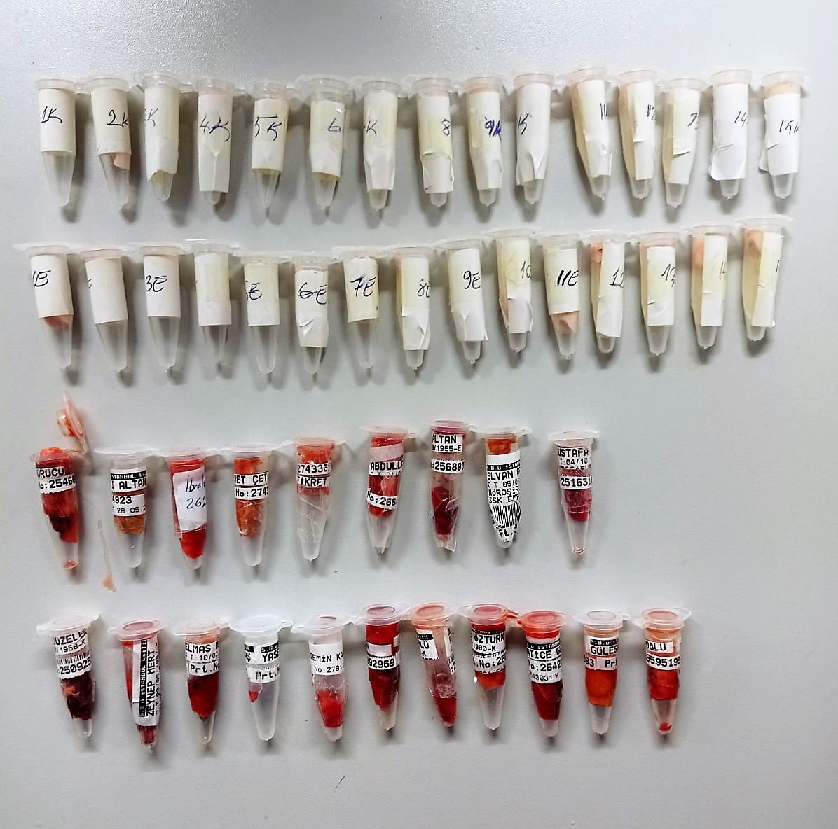

Sirtuin 2 Assay Principle
This kit is an Enzyme-Linked Immunosorbent Assay (ELISA). The plate has been pre-coated with Human SIRT2 antibody. Human SIRT2 present in the sample is added and binds to antibodies coated on the wells.
And then biotinylated Human SIRT2 Antibody is added and binds to Human SIRT2 in the sample. Then Streptavidin-HRP is added and binds to the Biotinylated Human SIRT2 antibody.
After incubation unbound Streptavidin-HRP is washed away during a washing step. Substrate solution is then added and color develops in proportion to the amount of Human SIRT2 .
The reaction is terminated by addition of acidic stop solution and absorbance is measured at 450 nm.

Sirtuin 3 Assay Principle
This kit is an Enzyme-Linked Immunosorbent Assay (ELISA). The plate has been pre-coated with Human SIRT3 antibody. Human SIRT3 present in the sample is added and binds to antibodies coated on the wells.
And then biotinylated Human SIRT3 Antibody is added and binds to Human SIRT3 in the sample. Then Streptavidin-HRP is added and binds to the Biotinylated Human SIRT3 antibody.
After incubation unbound Streptavidin-HRP is washed away during a washing step. Substrate solution is then added and color develops in proportion to the amount of Human SIRT3 .
The reaction is terminated by addition of acidic stop solution and absorbance is measured at 450 nm.

Thioredoxin-1 Assay Principle
This kit is an Enzyme-Linked Immunosorbent Assay (ELISA). The plate has been pre-coated with Human TRX-1 antibody. Human TRX-1present in the sample is added and binds to antibodies coated on the wells.
And then biotinylated Human TRX-1 Antibody is added and binds to Human TRX-1 in the sample. Then Streptavidin-HRP is added and binds to the Biotinylated Human TRX-1 antibody.
After incubation unbound Streptavidin-HRP is washed away during a washing step. Substrate solution is then added and color develops in proportion to the amount of Human TRX-1 .
The reaction is terminated by addition of acidic stop solution and absorbance is measured at 450 nm.

Peroxiredoxin 2 Assay Principle
This kit is an Enzyme-Linked Immunosorbent Assay (ELISA). The plate has been pre-coated with Human PRDX2 antibody. Human PRDX2 present in the sample is added and binds to antibodies coated on the wells.
And then biotinylated Human PRDX2 Antibody is added and binds to Human PRDX2 in the sample. Then Streptavidin-HRP is added and binds to the Biotinylated Human PRDX2 antibody.
After incubation unbound Streptavidin-HRP is washed away during a washing step. Substrate solution is then added and color develops in proportion to the amount of Human PRDX2 .
The reaction is terminated by addition of acidic stop solution and absorbance is measured at 450 nm.

