Progesterone
0.093 | 0.293 | 0.167 | 0.156 | 0.485 | 0.233
0.524 | 0.195 | 0.164 | 0.419 | 0.269 | 0.147
0.896 | 0.36 | 0.126 | 0.384 | 0.251
1.094 | 0.171 | 0.324 | 0.212 | 0.296
1.239 | 0.241 | 0.231 | 0.225 | 0.175
1.365 | 0.381 | 0.213 | 0.155 | 0.138
1.855 | 0.17 | 0.392 | 0.382 | 0.104
2.01 | 0.17 | 0.21 | 0.198 | 0.402

Progesterone
 | abs | expected | result
std1 | 0.093 | 20 | 19.798
std2 | 0.524 | 10 | 10.464
std3 | 0.896 | 5 | 4.727
std4 | 1.094 | 2.5 | 2.549
std5 | 1.239 | 1.25 | 1.341
std6 | 1.365 | 0.62 | 0.556
std7 | 1.855 | 0.31 | 0.397
blank | 2.01 | 0 | 0

 |  |  |  |  |  | concentratıon (ng/ml)

Numune | absorbans | result
P4-90 GÜN-09.04.21-RAT1 | 0.293 | 15.108
P4-90 GÜN-09.04.21-RAT2 | 0.195 | 17.328
P4-90 GÜN-12.04.21-RAT3 | 0.36 | 13.676
P4-90 GÜN-12.04.21-RAT4 | 0.171 | 17.895
P4-90 GÜN-04.05.21-RAT5 | 0.241 | 16.267
P4-90 GÜN-04.05.21-RAT6 | 0.381 | 13.241
P4-90 GÜN-04.05.21-RAT7 | 0.17 | 17.919
P4-90 GÜN-04.05.21-RAT8 | 0.17 | 17.919
P4-90 GÜN-15.05.21-RAT9 | 0.167 | 17.990
P4-90 GÜN-04.06.21-RAT10 | 0.164 | 18.062
SALİN-90 GÜN-20.05.21-RAT1 | 0.126 | 18.981
SALİN-90 GÜN-08.06.21-RAT2 | 0.324 | 14.436
SALİN-90 GÜN-14.06.21-RAT3 | 0.231 | 16.495
SALİN-90 GÜN-14.06.21-RAT4 | 0.213 | 16.909
SALİN-90 GÜN-14.06.21-RAT5 | 0.392 | 13.016
SALİN-90 GÜN-17.06.21-RAT6 | 0.21 | 16.979
SALİN-90 GÜN-23.06.21-RAT7 | 0.156 | 18.253
P4-30 GÜN-29.04.21-RAT1 | 0.419 | 12.472
P4-30 GÜN-14.05.21-RAT2 | 0.384 | 13.179
P4-30 GÜN-25.04.21-RAT3 | 0.212 | 16.932
P4-30 GÜN-25.04.21-RAT4 | 0.225 | 16.633
P4-30 GÜN-11.06.21-RAT5 | 0.155 | 18.277
P4-30 GÜN-12.06.21-RAT6 | 0.382 | 13.220
P4-30 GÜN-20.06.21-RAT7 | 0.198 | 17.258
P4-30 GÜN-13.07.21-RAT8 | 0.485 | 11.190
P4-30 GÜN-13.07.21-RAT9 | 0.269 | 15.638
P4-30 GÜN-14.07.21-RAT10 | 0.251 | 16.041
SALİN-30 GÜN-15.07.21-RAT1 | 0.296 | 15.042
SALİN-30 GÜN-16.07.21-RAT2 | 0.175 | 17.800
SALİN-30 GÜN-20.07.21-RAT3 | 0.138 | 18.688
SALİN-30 GÜN-21.07.21-RAT4 | 0.104 | 19.524
SALİN-30 GÜN-28.07.21-RAT5 | 0.402 | 12.813
SALİN-30 GÜN-31.07.21-RAT6 | 0.233 | 16.450
SALİN-30 GÜN-08.08.21-RAT7 | 0.147 | 18.470

Materyal-metod
KİT ADI | TÜR | MARKA | CAT. NO | Yöntem
TTL(Total Thıol) | Universal | REL ASSAY | RL0185 | Kolorimetrik
NTL(Natıve Thıol) | Universal | REL ASSAY | RL0185 | Kolorimetrik
PG(Progesterone) | Universal | ELABSCIENCE | E-EL-0154 | ELİSA
Centrifuge: HETTICH Mıcro 200-R
Microplate Reader: BIO-TEK EL X 800
Auto Strip Washer: BIO-TEK EL X 50
MINDRAY BS-300 Tam Otomatik Analizör
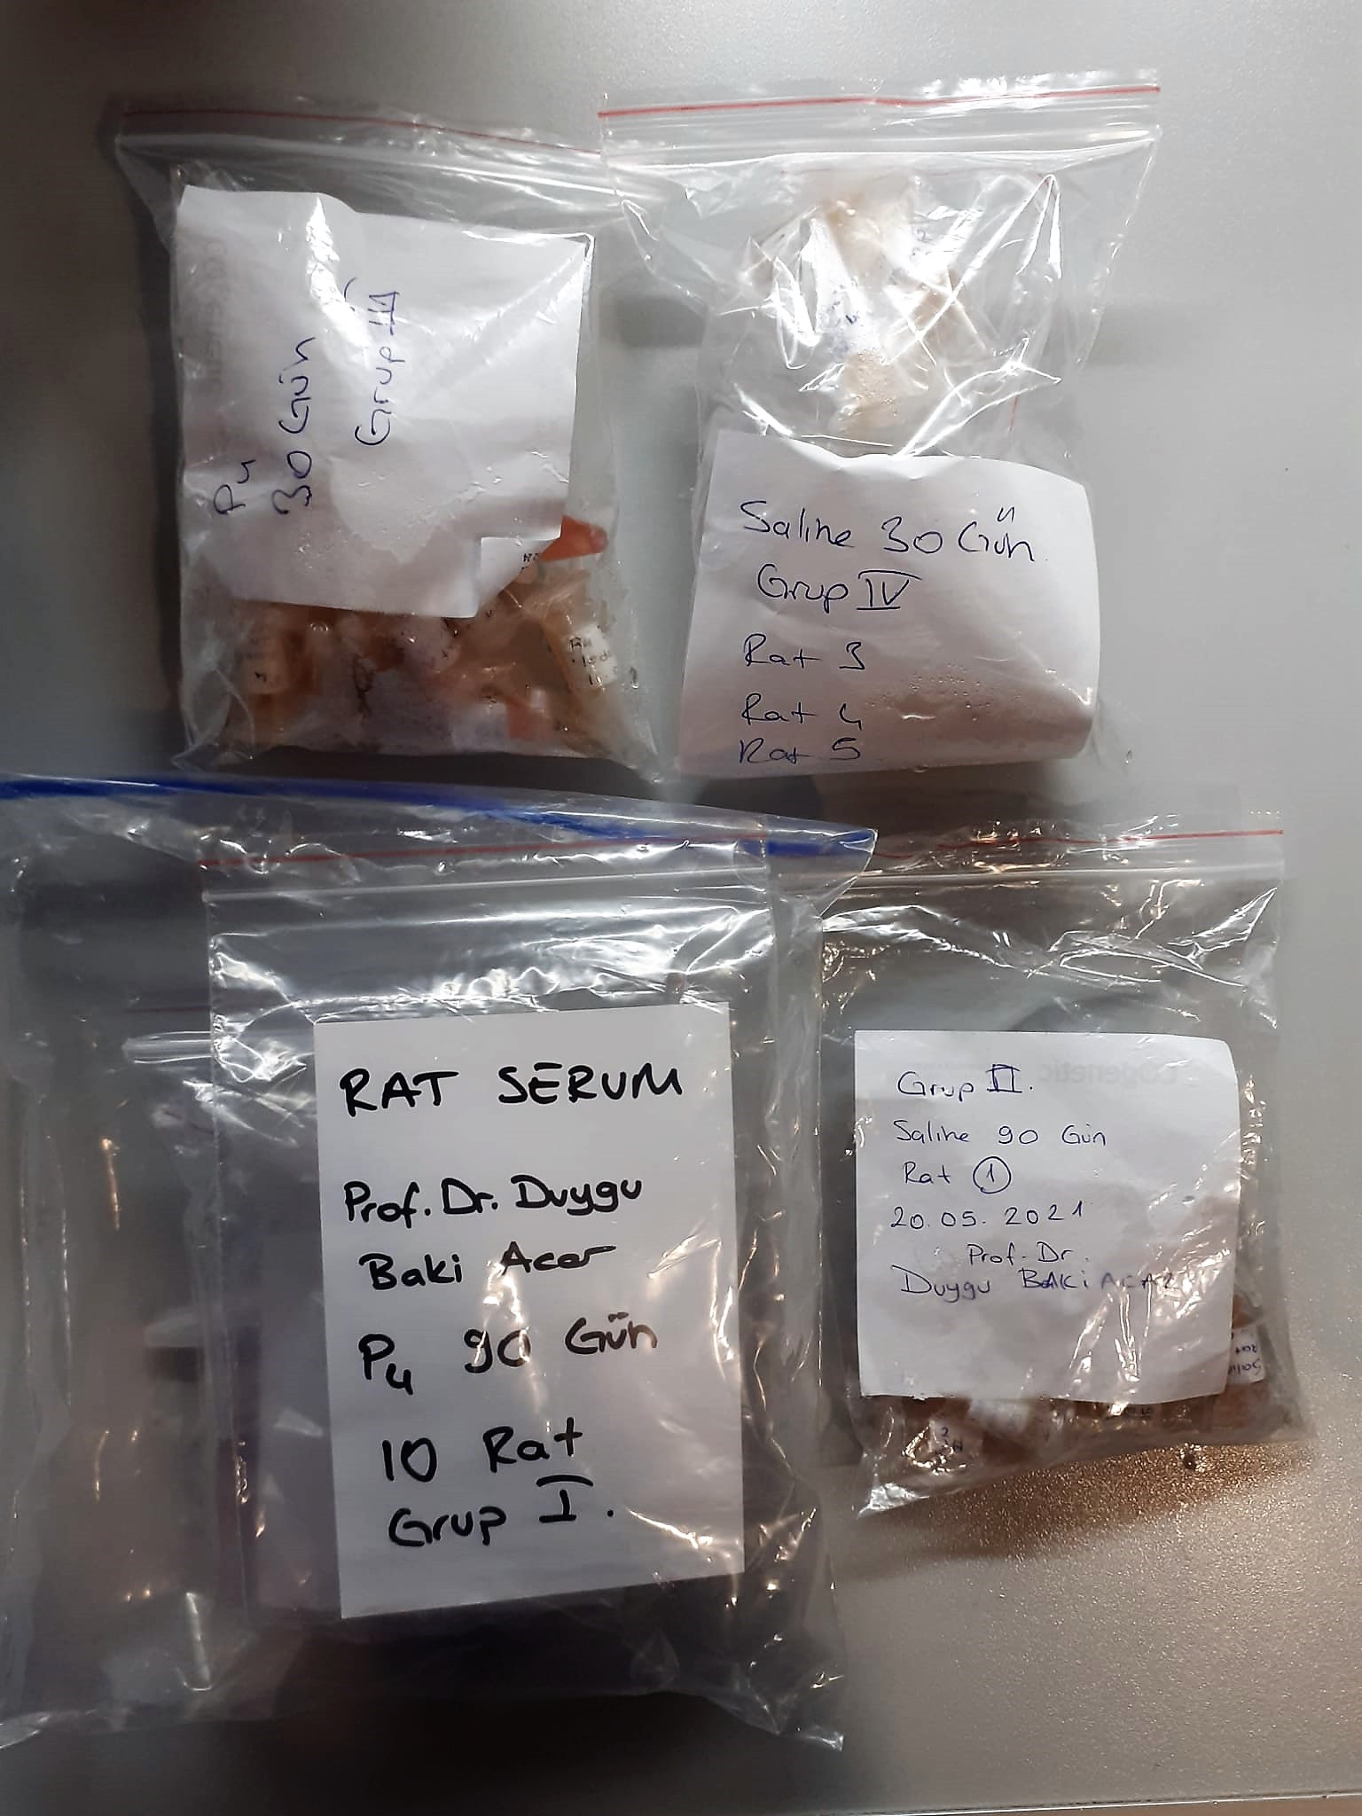
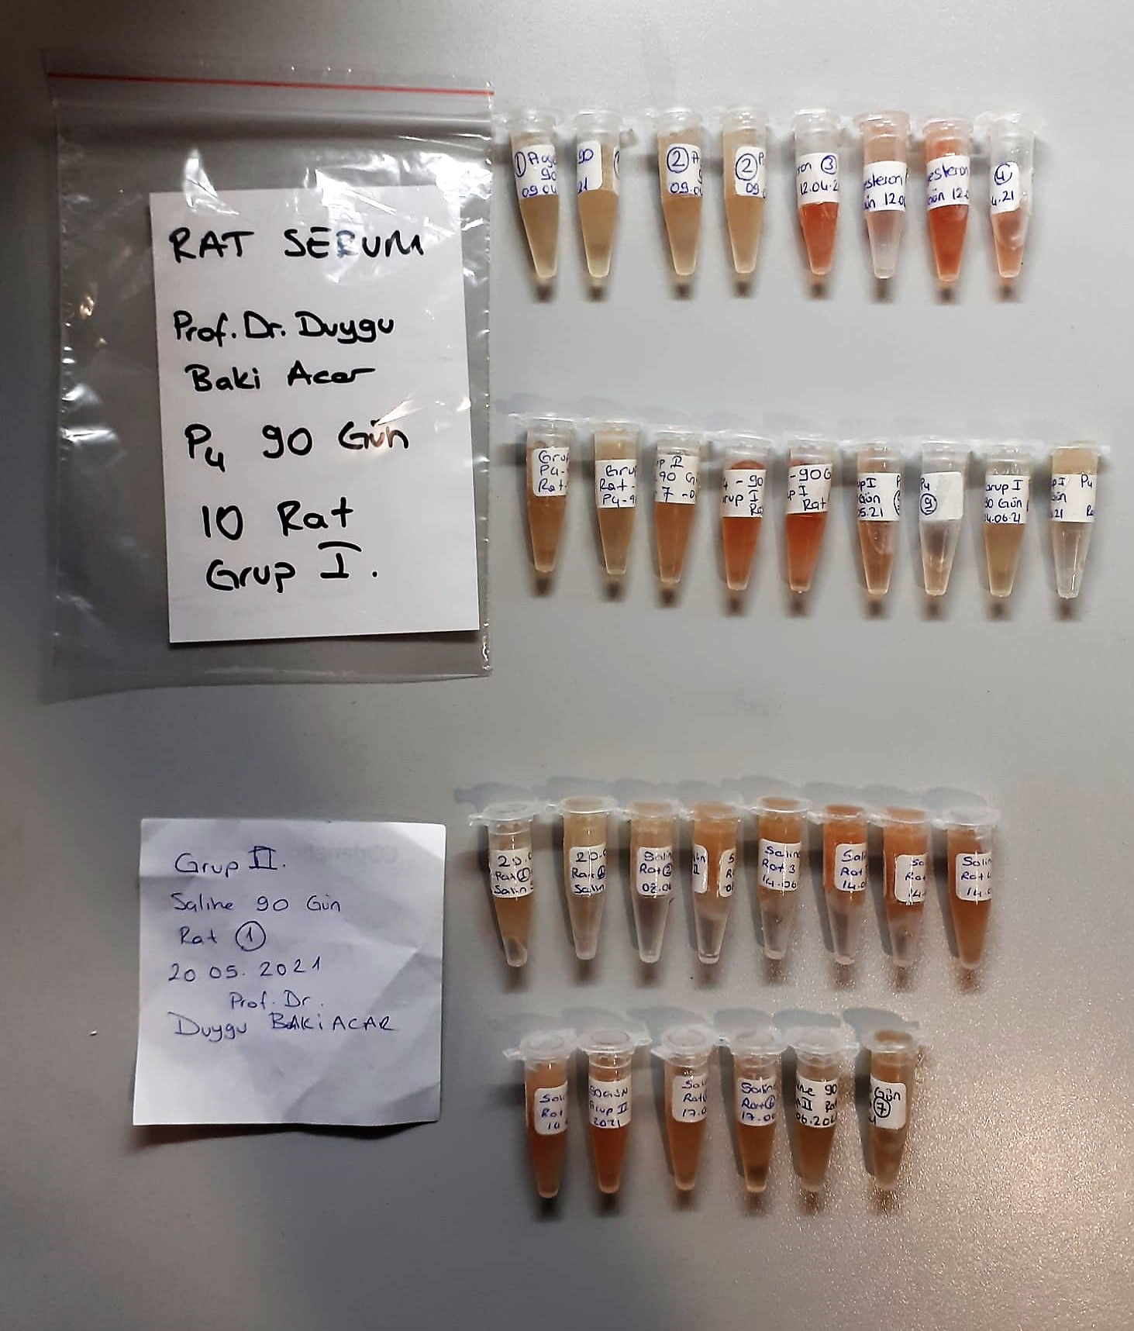

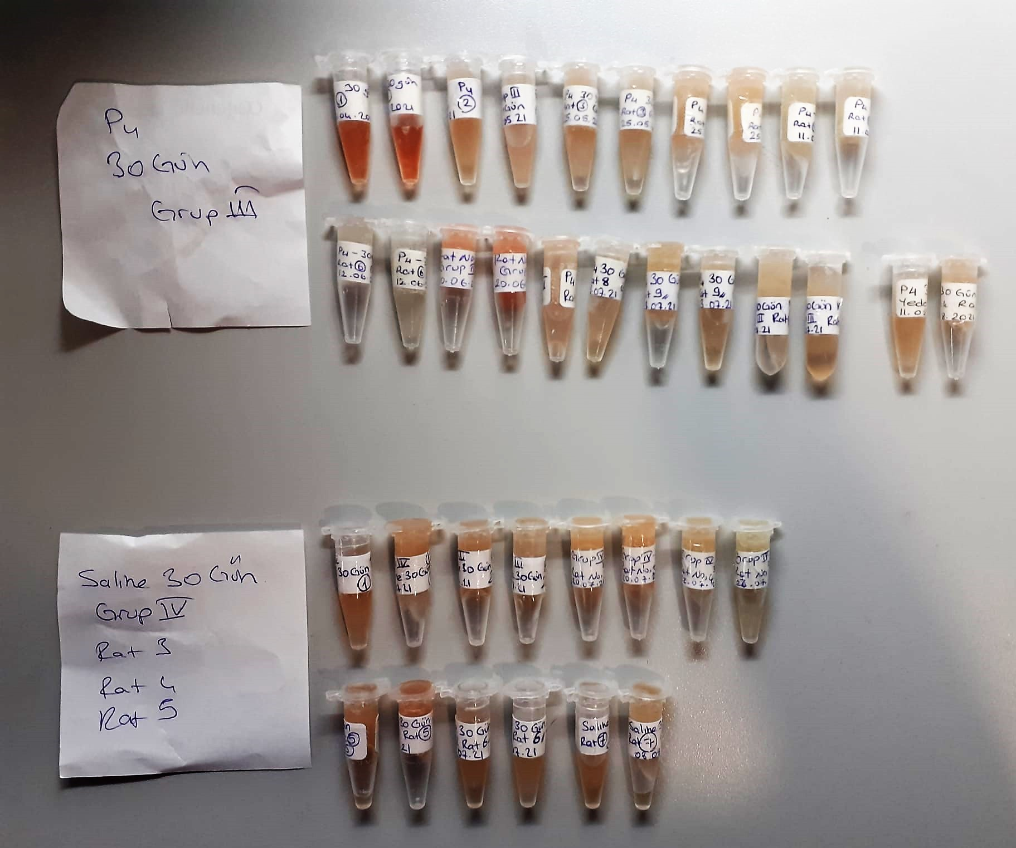

Thiol/Disulfide Homeostasis (µmol/L)
Tests were measured using a novel automatic and spectrophotometric method developed by Erel and Neselioglu*
which is avaliable commercially (Rel Assay Diagnostics, Turkey) In this method, dynamic and reducible disulfide bonds
in the samples were reduced to free functional thiol groups by using sodium borohydride. In order to prevent the reduction
of unused reduced sodium borohydride to dithionite-2 nitrobenzoic (DTNB), NaBH4 was removed with formaldehyde. Native thiol (NT) and total thiol (TT)
levels were determined after reaction with DTNB and their levels were measured ultimately. Half of the difference of the result obtained
by the subtraction of native thiol amount from total thiol content indicated the disulfide (DS) level.
(Relassay, Turkey)

Progesteron Test Principle
This ELISA kit uses the Competitive-ELISA principle. The micro ELISA plate provided in this kit has been pre-coated with Pg.
During the reaction, Pg in the sample or standard competes with a fixed amount of Pg on the solid phase supporter for sites on the Biotinylated Detection Ab specific to Pg.
Excess conjugate and unbound sample or standard are washed from the plate, and Avidin conjugated to Horseradish Peroxidase (HRP) are added to each microplate well and incubated.
Then a TMB substrate solution is added to each well. The enzyme-substrate reaction is terminated by the addition of stop solution and the color change is measured spectrophotometrically at a wavelength of 450 nm ± 2 nm.
The concentration of Pg in the samples is then determined by comparing the OD of the samples to the standard curve

