Materyal-metod
KİT ADI | TÜR | MARKA | CAT. NO | Yöntem | Kullanılan Cihaz
IMA(Ischemia Modified Albumin) | Universal | REL ASSAY | RL0307 | Kolorimetrik | MINDRAY-BS400
PON-1: Paraoxanase-1 | Universal | REL ASSAY | RL0031 | Kolorimetrik | MINDRAY BS-400

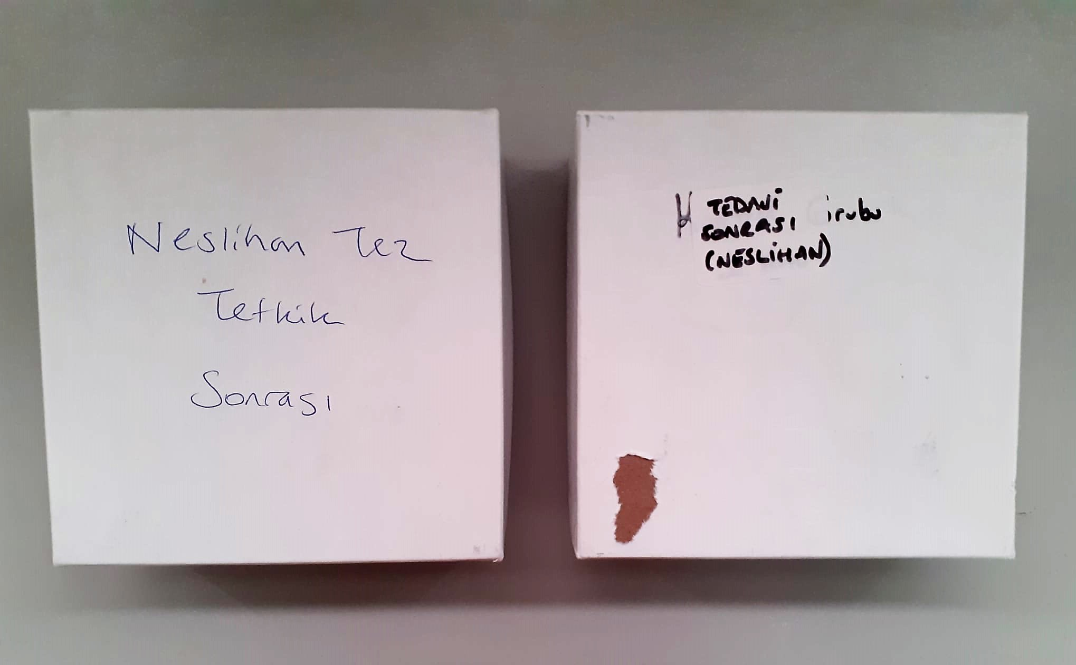

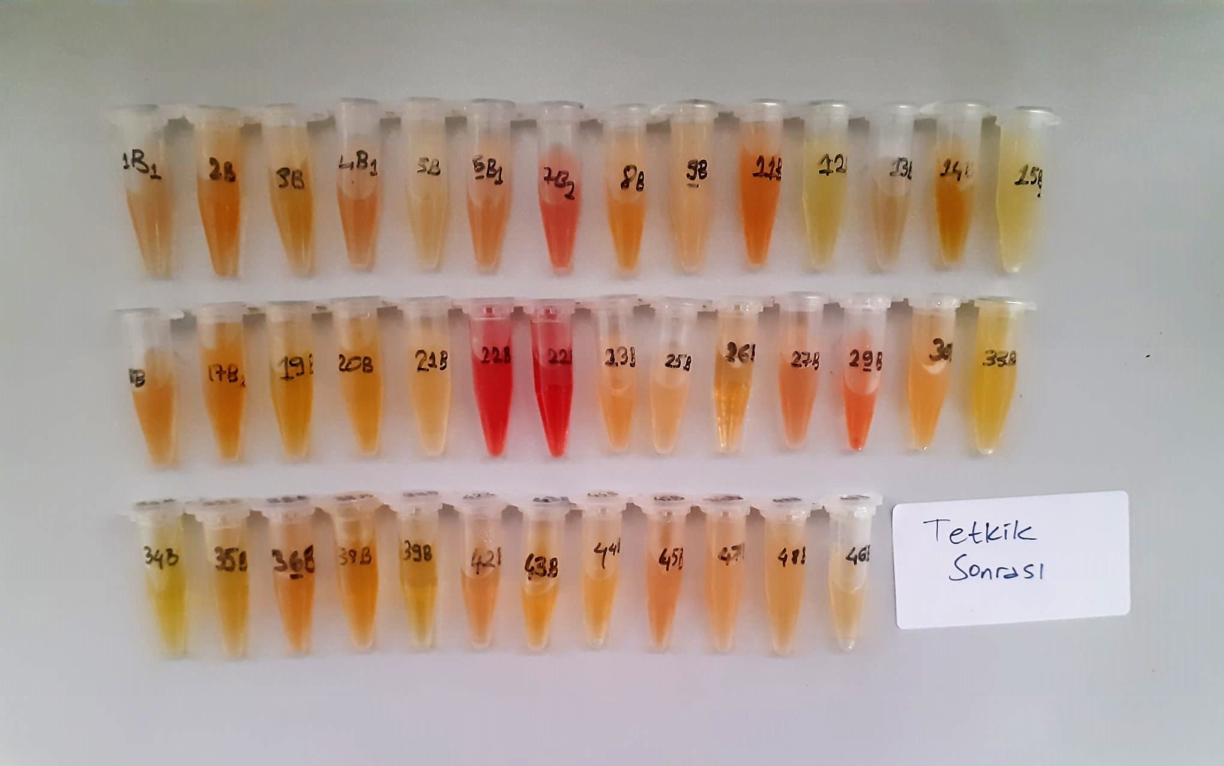

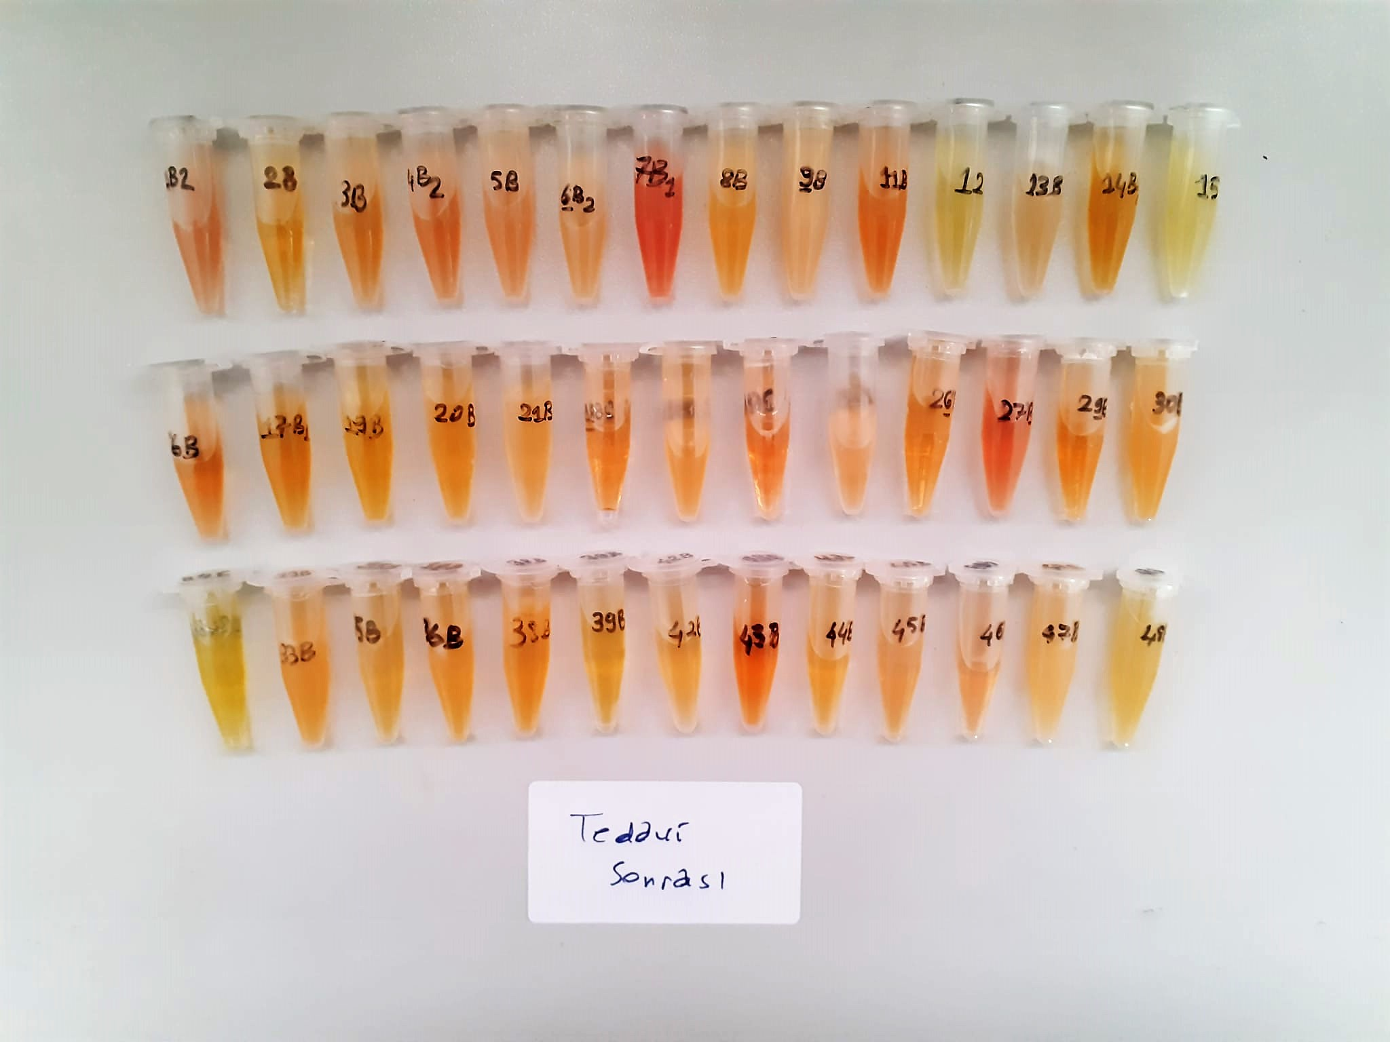

Paraoxonase-1 PON-1) U/L
Measurement of paraoxonase activity;
Paraoxonase activity was measured using
commercially available kits (Relassay, Turkey).
The rate of paraoxon hydrolysis (diethylpnitrophenylphosphate)
was measured by monitoring the increase of
absorption at 412 nm at 37 °C. The amount of generated p-nitrophenol
was calculated from the molar absorption coefficient at pH 8.5, which
was 18.290 M−1 cm−1 Paraoxonase activity was expressed as U/L serum

Ischemia Modified Albumin (IMA)
The colorimetric assay format quantitatively measures
unbound cobalt remaining after cobalt-albumin binding
has occurred. Thus, with reduced cobalt-albumin binding,
there is more free, unbound cobalt detected, resulting
in elevated assay levels.

