Materyal-metod
KİT ADI | TÜR | MARKA | CAT. NO | Yöntem | Kullanılan Cihaz
SOD: Super Oxıde Dismutase | Universal | Otto Scientific | RLD0123 | Kolorimetrik | MINDRAY-BS400
CAT: Catalase | Universal | Elabscience | E-BC-K031-S | Kolorimetrik | REL BIOCHEM-REL ASSAY

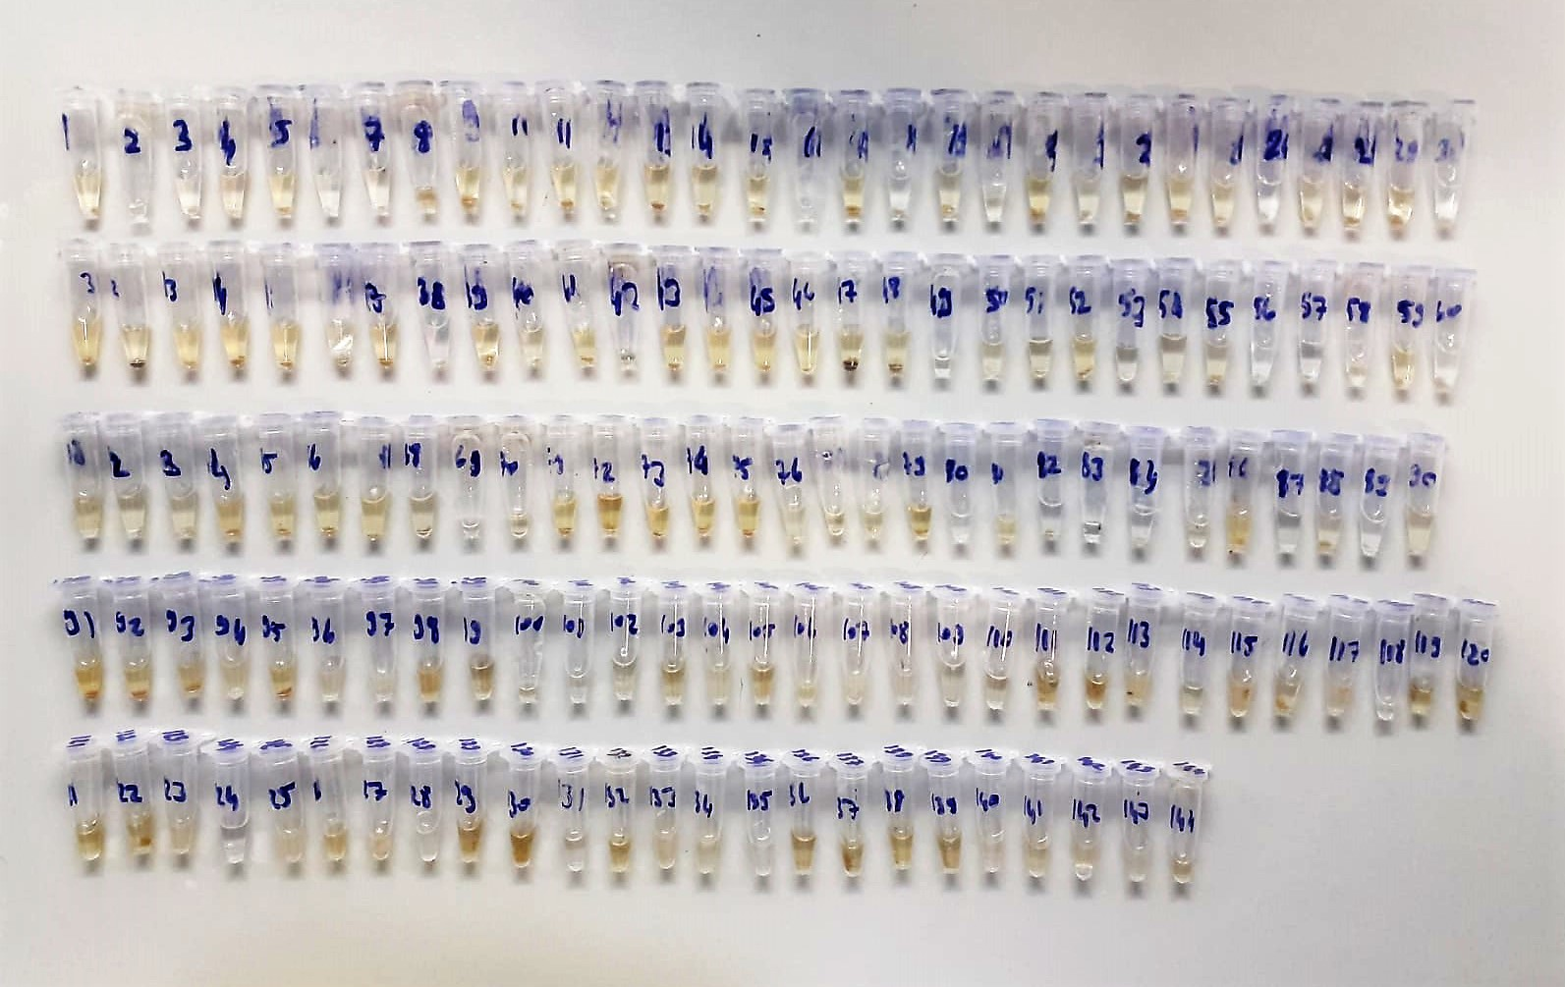

Super Oxide Dismutase (SOD) U/ml
The role of speroxide dismutase is to accelerate the dismutation of the toxic radical, produced
during oxidative energy processes to hydrogen peroxide and molecular oxygen. This method
employs xanthine and xanthine oxidase to generate superoxide radicals which react with 2-(4-
iodophenyl)-3-(4-nitrophenol)-5-phenyltetrazolium chloride to form a red formazan dye.. the
superoxide dismutase activity is then measured by the degree of inhibiton of this reaction

Catalase Assay Principle
The reaction that catalase (CAT) decomposes H2O2 can be quickly stopped by ammonium molybdate. The residual H2O2 reacts with ammonium molybdate to generate a yellowish complex.
CAT activity can be calculated by production of the yellowish complex at 405 nm.

