CORT
0.063 | 0.058 | 0.055 | 0.16 | 0.071 | 0.077 | 0.057 | 0.071 | 0.068 | 0.064 | 0.072 | 0.076
0.592 | 0.061 | 0.068 | 0.061 | 0.069 | 0.062 | 0.069 | 0.06 | 0.154 | 0.066 | 0.063 | 0.085
0.994 | 0.072 | 0.077 | 0.064 | 0.09 | 0.095 | 0.095 | 0.062 | 0.121 | 0.062 | 0.066 | 0.071
1.314 | 0.062 | 0.077 | 0.065 | 0.07 | 0.067 | 0.073 | 0.068 | 0.089 | 0.074 | 0.084 | 0.102
1.604 | 0.08 | 0.084 | 0.081 | 0.142 | 0.121 | 0.076 | 0.071 | 0.069 | 0.106 | 0.067 | 0.076
1.802 | 0.149 | 0.087 | 0.121 | 0.07 | 0.201 | 0.09 | 0.093 | 0.074 | 0.082 | 0.069 | 0.066
2.143 | 0.065 | 0.08 | 0.074 | 0.074 | 0.065 | 0.155 | 0.071 | 0.075 | 0.102 | 0.071 | 0.077
2.344 | 0.062 | 0.139 | 0.069 | 0.068 | 0.065 | 0.08 | 0.08 | 0.09 | 0.063 | 0.061 | 0.071

CORT

 | abs | expected | result
std1 | 0.063 | 300 | 294.90
std2 | 0.592 | 150 | 156.96
std3 | 0.994 | 75 | 80.75
std4 | 1.314 | 37.5 | 37.75
std5 | 1.604 | 18.75 | 12.30
std6 | 1.802 | 9.38 | 2.31
std7 |  | 4.69 | 314.18
blank | 2.344 | 0 | 5.63

 |  |  |  |  |  |  |  |  | concentration (ng/ml)

Numune | absorbans | result(ng/ml)
Sample-1 | 0.058 | 296.41
Sample-2 | 0.061 | 295.50
Sample-3 | 0.072 | 292.20
Sample-4 | 0.062 | 295.20
Sample-5 | 0.08 | 289.80
Sample-6 | 0.149 | 269.56
Sample-7 | 0.065 | 294.30
Sample-8 | 0.062 | 295.20
Sample-9 | 0.055 | 297.32
Sample-10 | 0.068 | 293.40
Sample-11 | 0.077 | 290.70
Sample-12 | 0.077 | 290.70
Sample-13 | 0.084 | 288.61
Sample-14 | 0.087 | 287.72
Sample-15 | 0.08 | 289.80
Sample-16 | 0.139 | 272.45
Sample-17 | 0.16 | 266.40
Sample-18 | 0.061 | 295.50
Sample-19 | 0.064 | 294.60
Sample-20 | 0.065 | 294.30
Sample-21 | 0.081 | 289.50
Sample-22 | 0.121 | 277.69
Sample-23 | 0.074 | 291.60
Sample-24 | 0.069 | 293.10
Sample-25 | 0.071 | 292.50
Sample-26 | 0.069 | 293.10
Sample-27 | 0.09 | 286.82
Sample-28 | 0.07 | 292.80
Sample-29 | 0.142 | 271.58
Sample-30 | 0.07 | 292.80
Sample-31 | 0.074 | 291.60
Sample-32 | 0.068 | 293.40
Sample-33 | 0.077 | 290.70
Sample-34 | 0.062 | 295.20
Sample-35 | 0.095 | 285.34
Sample-36 | 0.067 | 293.70
Sample-37 | 0.121 | 277.69
Sample-38 | 0.201 | 254.79
Sample-39 | 0.065 | 294.30
Sample-40 | 0.065 | 294.30
Sample-41 | 0.057 | 296.71
Sample-42 | 0.069 | 293.10
Sample-43 | 0.095 | 285.34
Sample-44 | 0.073 | 291.90
Sample-45 | 0.076 | 291.00
Sample-46 | 0.09 | 286.82
Sample-47 | 0.155 | 267.84
Sample-48 | 0.08 | 289.80
Sample-49 | 0.071 | 292.50
Sample-50 | 0.06 | 295.81
Sample-51 | 0.062 | 295.20
Sample-52 | 0.068 | 293.40
Sample-53 | 0.071 | 292.50
Sample-54 | 0.093 | 285.93
Sample-55 | 0.071 | 292.50
Sample-56 | 0.08 | 289.80
Sample-57 | 0.068 | 293.40
Sample-58 | 0.154 | 268.13
Sample-59 | 0.121 | 277.69
Sample-60 | 0.089 | 287.12
Sample-61 | 0.069 | 293.10
Sample-62 | 0.074 | 291.60
Sample-63 | 0.075 | 291.30
Sample-64 | 0.09 | 286.82
Sample-65 | 0.064 | 294.60
Sample-66 | 0.066 | 294.00
Sample-67 | 0.062 | 295.20
Sample-68 | 0.074 | 291.60
Sample-69 | 0.106 | 282.09
Sample-70 | 0.082 | 289.21
Sample-71 | 0.102 | 283.27
Sample-72 | 0.063 | 294.90
Sample-73 | 0.072 | 292.20
Sample-74 | 0.063 | 294.90
Sample-75 | 0.066 | 294.00
Sample-76 | 0.084 | 288.61
Sample-77 | 0.067 | 293.70
Sample-78 | 0.069 | 293.10
Sample-79 | 0.071 | 292.50
Sample-80 | 0.061 | 295.50
Sample-81 | 0.076 | 291.00
Sample-82 | 0.085 | 288.31
Sample-83 | 0.071 | 292.50
Sample-84 | 0.102 | 283.27
Sample-85 | 0.076 | 291.00
Sample-86 | 0.066 | 294.00
Sample-87 | 0.077 | 290.70
Sample-88 | 0.071 | 292.50

Materyal-metod
KİT ADI | TÜR | MARKA | Numune Türü | CAT. NO | Yöntem | Kullanılan Cihaz
CORT(Corticosterone) | Rat | Elabscience | Serum | E-OSEL-R0002 | ELİSA | Mıcroplate reader: BIO-TEK EL X 800-Aotu strıp washer:BIO TEK EL X 50

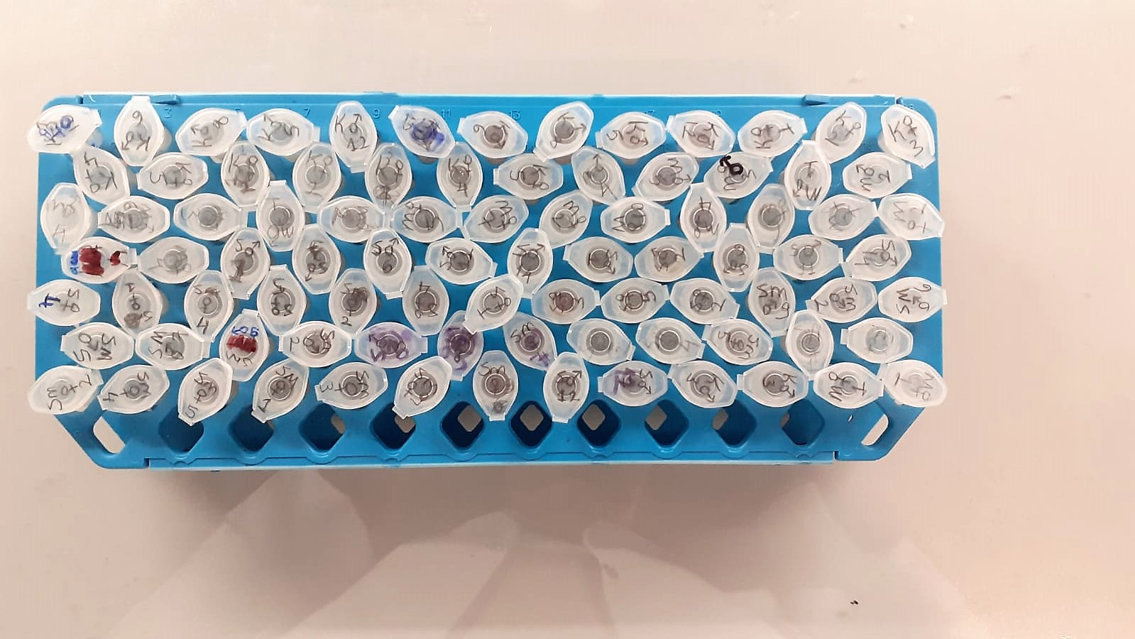

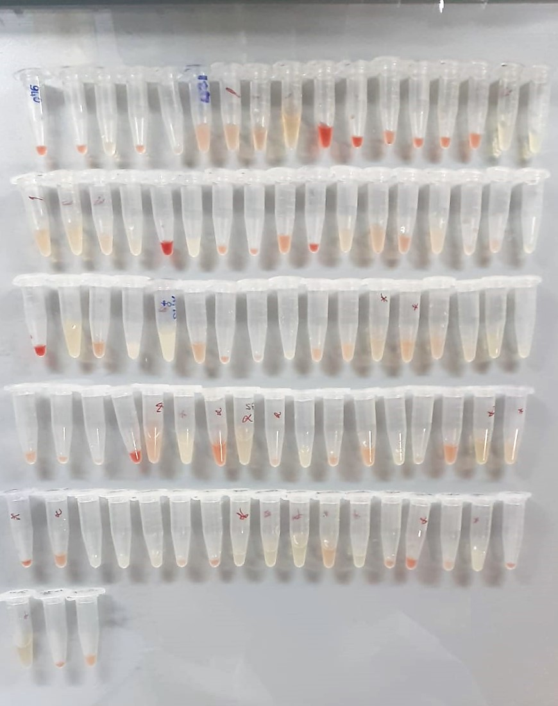

CORT Test Principle
This ELISA kit uses the Competitive-ELISA principle. The micro ELISA plate provided in this kit has been pre-coated with Rat CORT.
During the reaction, Rat CORT in the sample or standard competes with a fixed amount of Rat CORT on the solid phase supporter for sites on the Biotinylated Detection Ab specific to Rat CORT.
Excess conjugate and unbound sample or standard are washed from the plate, and Avidin conjugated to Horseradish Peroxidase (HRP) are added to each microplate well and incubated.
Then a TMB substrate solution is added to each well. The enzyme-substrate reaction is terminated by the addition of stop solution and the color change is measured spectrophotometrically at a wavelength of 450 nm ± 2 nm.
The concentration of Rat CORT in the samples is then determined by comparing the OD of the samples to the standard curve.

