ADP
2.382 | 2.376 | 1.096 | 0.829 | 0.975 | 1.097 | 0.911 | 0.653 | 0.875 | 1.129 | 1.256
1.499 | 1.505 | 1.024 | 0.927 | 0.883 | 0.833 | 0.884 | 0.805 | 0.713 | 0.656 | 0.863
0.878 | 0.872 | 0.77 | 0.696 | 0.498 | 0.914 | 0.84 | 0.701 | 0.956 | 0.78 | 0.743
0.563 | 0.555 | 0.784 | 0.701 | 0.806 | 0.796 | 0.879 | 0.626 | 0.662 | 0.715 | 0.816
0.351 | 0.359 | 0.901 | 0.797 | 0.841 | 0.916 | 0.889 | 0.965 | 0.754 | 0.795 | 0.77
0.221 | 0.216 | 0.916 | 1 | 0.674 | 0.849 | 0.849 | 0.86 | 0.75 | 0.761 | 0.89
0.151 | 0.148 | 0.884 | 0.233 | 0.642 | 0.787 | 0.986 | 0.214 | 0.78 | 0.719 | 0.083
0.073 | 0.078 | 0.778 | 0.862 | 0.618 | 0.853 | 0.773 | 0.613 | 0.81 | 0.866 | 0.079

ADP

 | abs. Ort. | abs-blank | expected | result
std1 | 2.379 | 2.304 | 25 | 24.972
std2 | 1.502 | 1.427 | 12.5 | 12.652
std3 | 0.875 | 0.8 | 6.25 | 5.946
std4 | 0.559 | 0.484 | 3.13 | 3.229
std5 | 0.355 | 0.28 | 1.56 | 1.712
std6 | 0.218 | 0.143 | 0.78 | 0.798
std7 | 0.149 | 0.074 | 0.39 | 0.369
blank | 0.075 | 0 | 0 | -0.068

 |  |  |  |  |  |  |  |  | concentration (ng/ml)

Numune | absorbans | blank | abs-blank | result(ng/ml)
SC-1 | 1.096 | 0.075 | 1.021 | 8.109
SC-2 | 1.024 | 0.075 | 0.949 | 7.381
SC-3 | 0.77 | 0.075 | 0.695 | 4.994
SC-4 | 0.784 | 0.075 | 0.709 | 5.118
SC-5 | 0.901 | 0.075 | 0.826 | 6.189
SC-6 | 0.916 | 0.075 | 0.841 | 6.331
SC-7 | 0.884 | 0.075 | 0.809 | 6.029
SC-8 | 0.778 | 0.075 | 0.703 | 5.064
SC-9 | 0.829 | 0.075 | 0.754 | 5.522
SC-10 | 0.927 | 0.075 | 0.852 | 6.435
SC-11 | 0.696 | 0.075 | 0.621 | 4.352
SC-12 | 0.701 | 0.075 | 0.626 | 4.395
SC-13 | 0.797 | 0.075 | 0.722 | 5.234
SC-14 | 1 | 0.075 | 0.925 | 7.143
SC-15 | 0.233 | 0.075 | 0.158 | 0.894
SC-16 | 0.862 | 0.075 | 0.787 | 5.825
SC-17 | 0.975 | 0.075 | 0.9 | 6.898
SC-18 | 0.883 | 0.075 | 0.808 | 6.020
SC-19 | 0.498 | 0.075 | 0.423 | 2.756
SC-20 | 0.806 | 0.075 | 0.731 | 5.314
SC-21 | 0.841 | 0.075 | 0.766 | 5.632
SC-22 | 0.674 | 0.075 | 0.599 | 4.166
SC-23 | 0.642 | 0.075 | 0.567 | 3.900
SC-24 | 0.618 | 0.075 | 0.543 | 3.703
SC-25 | 1.097 | 0.075 | 1.022 | 8.120
SC-26 | 0.833 | 0.075 | 0.758 | 5.559
SC-27 | 0.914 | 0.075 | 0.839 | 6.312
SC-28 | 0.796 | 0.075 | 0.721 | 5.225
SC-29 | 0.916 | 0.075 | 0.841 | 6.331
30A | 0.849 | 0.075 | 0.774 | 5.705
SC-31 | 0.787 | 0.075 | 0.712 | 5.144
SC-32 | 0.853 | 0.075 | 0.778 | 5.742
SC-33 | 0.911 | 0.075 | 0.836 | 6.283
SC-34 | 0.884 | 0.075 | 0.809 | 6.029
isimsiz tüp | 0.84 | 0.075 | 0.765 | 5.623
isimsiz tüp | 0.879 | 0.075 | 0.804 | 5.983
isimsiz tüp | 0.889 | 0.075 | 0.814 | 6.076
1A | 0.849 | 0.075 | 0.774 | 5.705
2A | 0.986 | 0.075 | 0.911 | 7.005
3A | 0.773 | 0.075 | 0.698 | 5.020
C4 | 0.653 | 0.075 | 0.578 | 3.991
A-5 | 0.805 | 0.075 | 0.73 | 5.306
6A | 0.701 | 0.075 | 0.626 | 4.395
7C | 0.626 | 0.075 | 0.551 | 3.768
8A | 0.965 | 0.075 | 0.89 | 6.801
9A | 0.86 | 0.075 | 0.785 | 5.807
10A | 0.214 | 0.075 | 0.139 | 0.772
11A | 0.613 | 0.075 | 0.538 | 3.662
12A | 0.875 | 0.075 | 0.8 | 5.946
13A | 0.713 | 0.075 | 0.638 | 4.498
14A | 0.956 | 0.075 | 0.881 | 6.713
15C | 0.662 | 0.075 | 0.587 | 4.066
17A | 0.754 | 0.075 | 0.679 | 4.853
K-4 | 0.75 | 0.075 | 0.675 | 4.818
K-5 | 0.78 | 0.075 | 0.705 | 5.082
K-6 | 0.81 | 0.075 | 0.735 | 5.350
K-7 | 1.129 | 0.075 | 1.054 | 8.451
K-8 | 0.656 | 0.075 | 0.581 | 4.016
K-9 | 0.78 | 0.075 | 0.705 | 5.082
K-10 | 0.715 | 0.075 | 0.64 | 4.515
K-11 | 0.795 | 0.075 | 0.72 | 5.216
K-12 | 0.761 | 0.075 | 0.686 | 4.914
K-13 | 0.719 | 0.075 | 0.644 | 4.549
K-14 | 0.866 | 0.075 | 0.791 | 5.862
K-15 | 1.256 | 0.075 | 1.181 | 9.812
K-16 | 0.863 | 0.075 | 0.788 | 5.834
K-16 | 0.743 | 0.075 | 0.668 | 4.757
K-17 | 0.816 | 0.075 | 0.741 | 5.405
K-18 | 0.77 | 0.075 | 0.695 | 4.994
K-19 | 0.89 | 0.075 | 0.815 | 6.086

Materyal-metod
KİT ADI | TÜR | MARKA | Numune Türü | CAT. NO | Yöntem | Kullanılan Cihaz
Quickey ADP/Acrp30(Adiponectin) | Human | Elabscience | Serum | E-TSEL-H0020 | ELİSA | Mıcroplate reader: BIO-TEK EL X 800-Aotu strıp washer:BIO TEK EL X 50
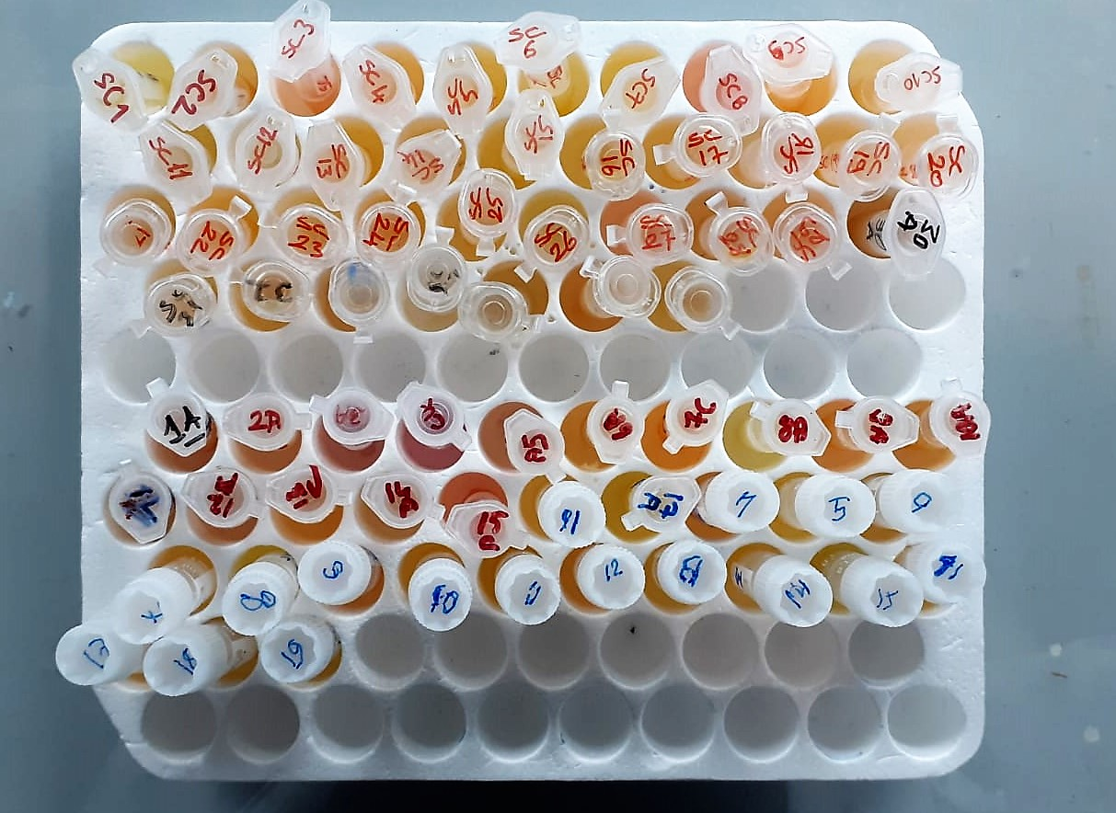
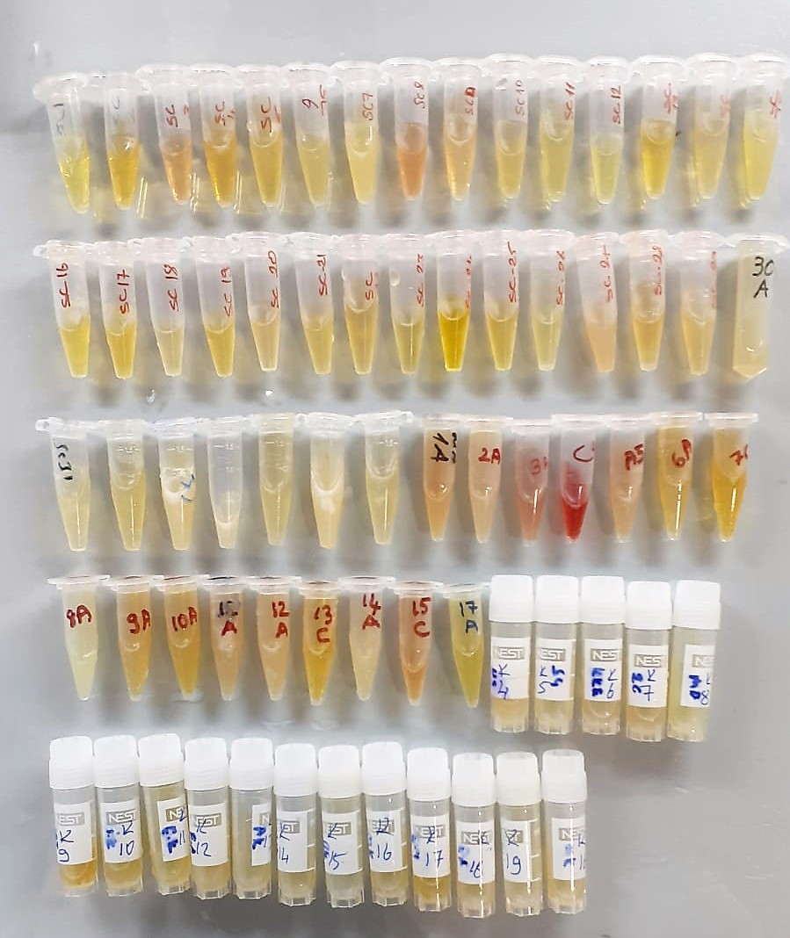

ADP Test Principle
This ELISA kit uses the Competitive-ELISA principle. The micro ELISA plate provided in this kit has been pre-coated with ADP.
During the reaction, ADP in the sample or standard competes with a fixed amount of ADP on the solid phase supporter for sites on the Biotinylated Detection Ab specific to ADP.
Excess conjugate and unbound sample or standard are washed from the plate, and Avidin conjugated to Horseradish Peroxidase (HRP) are added to each microplate well and incubated.
Then a TMB substrate solution is added to each well. The enzyme-substrate reaction is terminated by the addition of stop solution and the color change is measured spectrophotometrically at a wavelength of 450 nm ± 2 nm.
The concentration of ADP in the samples is then determined by comparing the OD of the samples to the standard curve.

