Insulin
1.585 | 0.418 | 0.438 | 0.407 | 0.455 | 0.462 | 0.524 | 0.388 | 0.422 | 0.367 | 0.356 | 0.316
0.975 | 0.317 | 0.354 | 0.397 | 0.374 | 0.39 | 0.414 | 0.357 | 0.324 | 0.348 | 0.334 | 0.273
0.536 | 0.445 | 0.516 | 0.416 | 0.446 | 0.512 | 0.529 | 0.45 | 0.483 | 0.395 | 0.443 | 0.387
0.348 | 0.463 | 0.484 | 0.424 | 0.448 | 0.532 | 0.478 | 0.428 | 0.487 | 0.402 | 0.458 | 0.45
0.201 | 0.485 | 0.545 | 0.462 | 0.364 | 0.454 | 0.448 | 0.397 | 0.87 | 0.382 | 0.436 | 0.436
0.07 | 0.394 | 0.443 | 0.423 | 0.417 | 0.42 | 0.534 | 0.446 | 0.391 | 0.387 | 0.372 | 0.644
0.464 | 0.365 | 0.517 | 0.56 | 0.361 | 0.473 | 0.469 | 0.443 | 0.406 | 0.437 | 0.399 | 0.464
0.304 | 0.428 | 0.445 | 0.558 | 0.547 | 0.395 | 0.503 | 0.523 | 0.354 | 0.373 | 0.322 | 0.439

Insulin
 | abs | abs-blank | expected | result
std1 | 1.585 | 1.515 | 24 | 23.936
std2 | 0.975 | 0.905 | 12 | 12.270
std3 | 0.536 | 0.466 | 6 | 5.590
std4 | 0.348 | 0.278 | 3 | 3.169
std5 | 0.201 | 0.131 | 1.5 | 1.460
blank | 0.07 | 0 | 0 | 0.073

 |  |  |  |  |  |  |  | concentratıon (ng/ml)

Numune | absorbans | blank | abs-blank | Result
111 | 0.464 | 0.07 | 0.394 | 4.632
111 | 0.304 | 0.07 | 0.234 | 2.641
111 | 0.418 | 0.07 | 0.348 | 4.040
116 | 0.317 | 0.07 | 0.247 | 2.796
116 | 0.445 | 0.07 | 0.375 | 4.386
116 | 0.463 | 0.07 | 0.393 | 4.619
122 | 0.485 | 0.07 | 0.415 | 4.908
122 | 0.394 | 0.07 | 0.324 | 3.737
122 | 0.365 | 0.07 | 0.295 | 3.378
124 | 0.428 | 0.07 | 0.358 | 4.167
124 | 0.438 | 0.07 | 0.368 | 4.296
124 | 0.354 | 0.07 | 0.284 | 3.243
125 | 0.516 | 0.07 | 0.446 | 5.320
125 | 0.484 | 0.07 | 0.414 | 4.894
125 | 0.545 | 0.07 | 0.475 | 5.713
126 | 0.443 | 0.07 | 0.373 | 4.360
126 | 0.517 | 0.07 | 0.447 | 5.334
126 | 0.445 | 0.07 | 0.375 | 4.386
132 | 0.407 | 0.07 | 0.337 | 3.901
132 | 0.397 | 0.07 | 0.327 | 3.775
132 | 0.416 | 0.07 | 0.346 | 4.015
135 | 0.424 | 0.07 | 0.354 | 4.116
135 | 0.462 | 0.07 | 0.392 | 4.606
135 | 0.423 | 0.07 | 0.353 | 4.104
143 | 0.56 | 0.07 | 0.49 | 5.918
143 | 0.558 | 0.07 | 0.488 | 5.891
143 | 0.455 | 0.07 | 0.385 | 4.515
144 | 0.374 | 0.07 | 0.304 | 3.489
144 | 0.446 | 0.07 | 0.376 | 4.399
144 | 0.448 | 0.07 | 0.378 | 4.424
152 | 0.364 | 0.07 | 0.294 | 3.365
152 | 0.417 | 0.07 | 0.347 | 4.027
152 | 0.361 | 0.07 | 0.291 | 3.328
153 | 0.547 | 0.07 | 0.477 | 5.740
153 | 0.462 | 0.07 | 0.392 | 4.606
153 | 0.39 | 0.07 | 0.32 | 3.687
155 | 0.512 | 0.07 | 0.442 | 5.267
155 | 0.532 | 0.07 | 0.462 | 5.536
155 | 0.454 | 0.07 | 0.384 | 4.502
161 | 0.42 | 0.07 | 0.35 | 4.065
161 | 0.473 | 0.07 | 0.403 | 4.750
161 | 0.395 | 0.07 | 0.325 | 3.750
162 | 0.524 | 0.07 | 0.454 | 5.428
162 | 0.414 | 0.07 | 0.344 | 3.989
162 | 0.529 | 0.07 | 0.459 | 5.495
164 | 0.478 | 0.07 | 0.408 | 4.815
164 | 0.448 | 0.07 | 0.378 | 4.424
164 | 0.534 | 0.07 | 0.464 | 5.563
166 | 0.469 | 0.07 | 0.399 | 4.697
166 | 0.503 | 0.07 | 0.433 | 5.146
166 | 0.388 | 0.07 | 0.318 | 3.662
211 | 0.357 | 0.07 | 0.287 | 3.279
211 | 0.45 | 0.07 | 0.38 | 4.450
211 | 0.428 | 0.07 | 0.358 | 4.167
213 | 0.397 | 0.07 | 0.327 | 3.775
213 | 0.446 | 0.07 | 0.376 | 4.399
213 | 0.443 | 0.07 | 0.373 | 4.360
215 | 0.523 | 0.07 | 0.453 | 5.414
215 | 0.422 | 0.07 | 0.352 | 4.091
215 | 0.324 | 0.07 | 0.254 | 2.879
221 | 0.483 | 0.07 | 0.413 | 4.881
221 | 0.487 | 0.07 | 0.417 | 4.934
221 | 0.87 | 0.07 | 0.8 | 10.541
222 | 0.391 | 0.07 | 0.321 | 3.700
222 | 0.406 | 0.07 | 0.336 | 3.888
222 | 0.354 | 0.07 | 0.284 | 3.243
224 | 0.367 | 0.07 | 0.297 | 3.402
224 | 0.348 | 0.07 | 0.278 | 3.169
224 | 0.395 | 0.07 | 0.325 | 3.750
225 | 0.402 | 0.07 | 0.332 | 3.838
225 | 0.382 | 0.07 | 0.312 | 3.588
225 | 0.387 | 0.07 | 0.317 | 3.650
312 | 0.437 | 0.07 | 0.367 | 4.283
312 | 0.373 | 0.07 | 0.303 | 3.476
312 | 0.356 | 0.07 | 0.286 | 3.267
314 | 0.334 | 0.07 | 0.264 | 3.000
314 | 0.443 | 0.07 | 0.373 | 4.360
314 | 0.458 | 0.07 | 0.388 | 4.554
321 | 0.436 | 0.07 | 0.366 | 4.270
321 | 0.372 | 0.07 | 0.302 | 3.464
321 | 0.399 | 0.07 | 0.329 | 3.800
322 | 0.322 | 0.07 | 0.252 | 2.855
322 | 0.316 | 0.07 | 0.246 | 2.784
322 | 0.273 | 0.07 | 0.203 | 2.277
323 | 0.387 | 0.07 | 0.317 | 3.650
323 | 0.45 | 0.07 | 0.38 | 4.450
323 | 0.436 | 0.07 | 0.366 | 4.270
413 | 0.644 | 0.07 | 0.574 | 7.100
413 | 0.464 | 0.07 | 0.394 | 4.632
413 | 0.439 | 0.07 | 0.369 | 4.308

Materyal-metod
KİT ADI | TÜR | MARKA | CAT. NO | Yöntem
Paraoxonase-1 (PON-1) | Universal | REL ASSAY | RL0031 | Kolorimetrik | CHOL: Total Cholesterol
Total Cholesterol | Universal | REL ASSAY | RLB248 | Kolorimetrik | TG: Triglycerides
Triglycerides | Universal | REL ASSAY | RLB257 | Kolorimetrik | PON-1: Paraoxanase-1
Insulin | Rat | BT | E0707Ra | Elisa
Centrifuge: HETTICH Mıcro 200-R
Microplate Reader: BIO-TEK EL X 800
Auto Strip Washer: BIO-TEK EL X 50
MINDRAY BS-300 Tam Otomatik Analizör

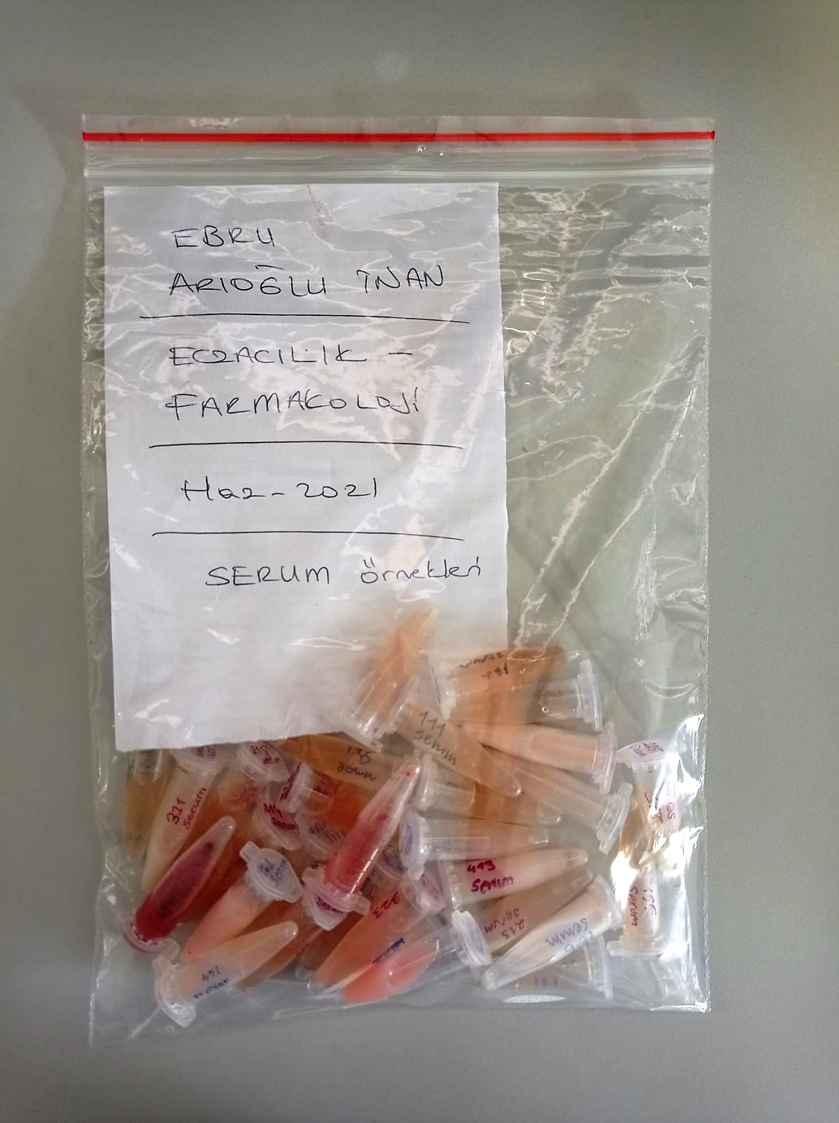
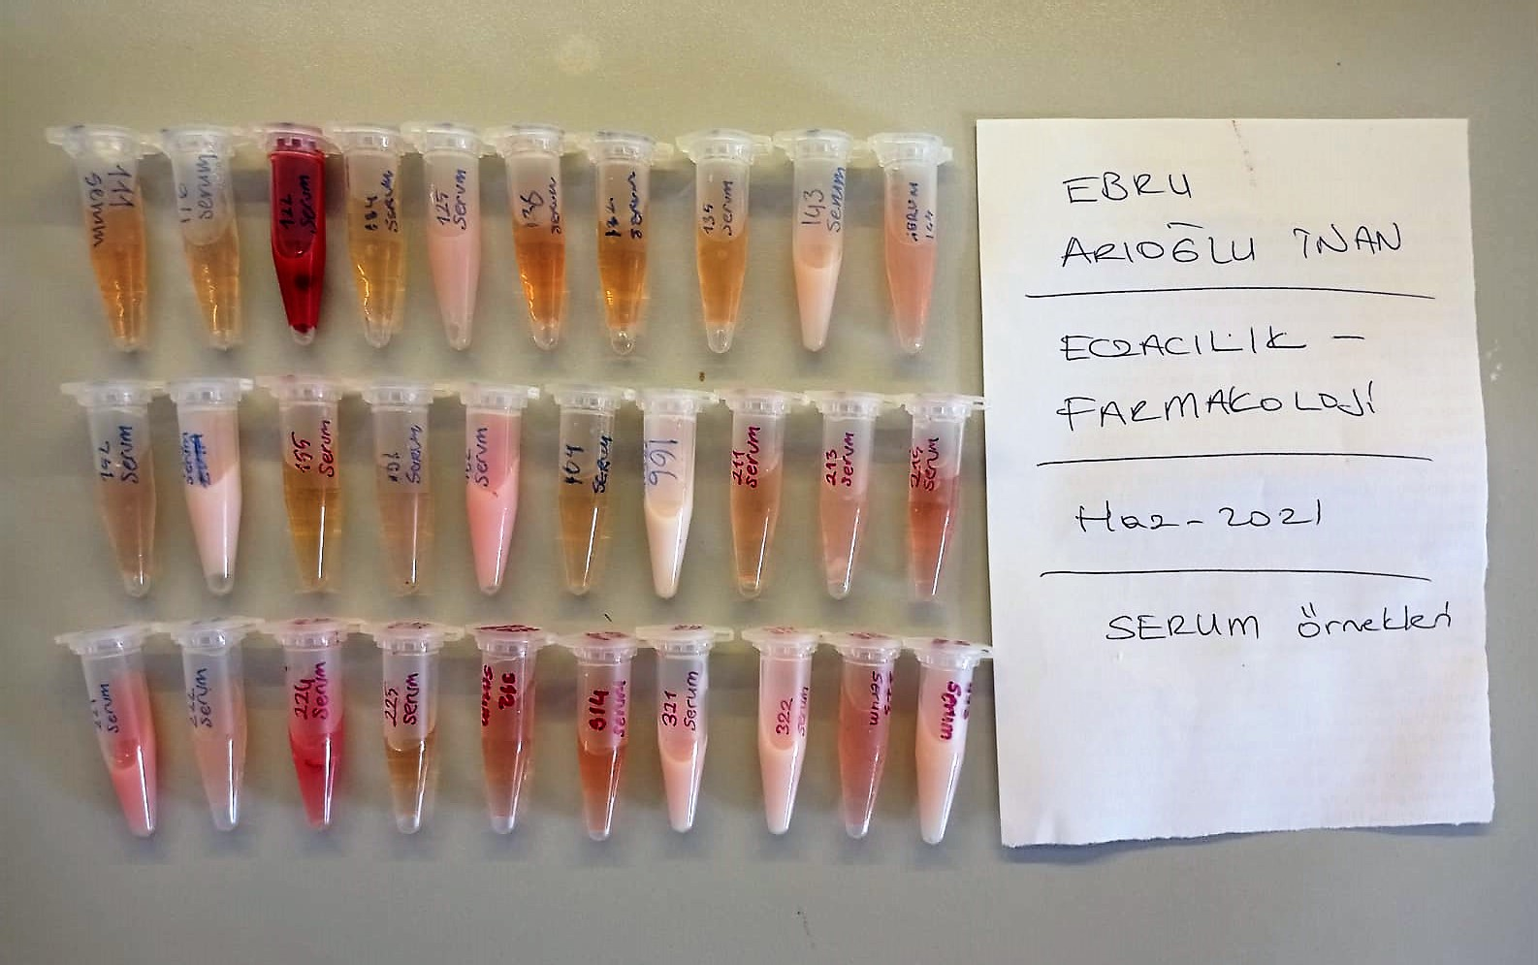

YÖNTEMLER

Paraoxonase-1 PON-1) U/L Kolorimetrik Metod
Measurement of paraoxonase activity;
Paraoxonase activity was measured using
commercially available kits (Relassay, Turkey).
The rate of paraoxon hydrolysis (diethylpnitrophenylphosphate)
was measured by monitoring the increase of
absorption at 412 nm at 37 °C. The amount of generated p-nitrophenol
was calculated from the molar absorption coefficient at pH 8.5, which
was 18.290 M−1 cm−1 Paraoxonase activity was expressed as U/L serum

Triglycerides mg/dl Kolorimetrik Metod
Triglycerides in the sample originates, by means of the coupled reactions described below, acoloured complex that can be measured by spectrophotometry.
Triglycerides + H2O lipase Glycerol + Fatty acids
Glycerol + ATP glycerol kinase Glycerol – 3 – P + ADP
Glycerol – 3 –P + O2 G-3-P-oxidase Dihidroxyacetone – P +H2O2
2 H2O2 + 4 – Aminoantipyrine + 4 – Chlorophenol G-3-P-oxidas Quinoneimine + 4 H2O

Clolesterol Total mg/dl Kolorimetrik Metod
Cholesterol ester + H2O Cholesterol + fatty acids
Cholesterol esters are ceaved by the action of choesterol esterase to yield free
choesterol and fatty acids Cholesterol oxidase Cholesterol + O2 Cholesten-3-on + H2O2
Peroxidase
2H2O2 + Phenol + 4-Aminoantipyrine Quinoneimine dye + 4 H2O
Cholesterol is converted by oxygen with the aid of cholesterol oxidase to A4- Cholestenone and hydrogen peroxide.
Hydrogen peroxide created forms a red dyestuff by reacting with 4-aminoantipyrine and phenol under the catalytic action of peroxidase.
The color intensity is directly proportional to the concentration of cholesterol and can be determined photometrically.

Insulin Elisa Metod
This kit is an Enzyme-Linked Immunosorbent Assay (ELISA). The plate has been pre-coated with Rat INS antibody. INS present in the sample is added
and binds to antibodies coated on the wells. And then biotinylated Rat INS Antibody is added and binds to INS in the sample.
Then Streptavidin-HRP is added and binds to the Biotinylated INS antibody. After incubation unbound Streptavidin-HRP is washed away
during a washing step. Substrate solution is then added and color develops in proportion to the amount of Rat INS.
The reaction is terminated by addition of acidic stop solution and absorbance is measured at 450 nm.

