Materyal-metod
KİT ADI | TÜR | Numune Türü | MARKA | CAT. NO | Yöntem | Kullanılan Cihaz
CRP: C- Reactive Protein | Universal | Serum | Otto Scientific | OttoBC138 | Kolorimetrik | MINDRAY-BS400
AST: Aspartat Aminotransferaz | Universal | Serum | Otto Scientific | OttoBC127 | Kolorimetrik | MINDRAY-BS400
ALT: Alanin aminotransferaz | Universal | Serum | Otto Scientific | OttoBC128 | Kolorimetrik | MINDRAY-BS400
TP: Total protein | Universal | Serum | Otto Scientific | OttoBC154 | Kolorimetrik | MINDRAY-BS400
ALB: Albumin | Universal | Serum | Otto Scientific | OttoBC123 | Kolorimetrik | MINDRAY-BS400
CREA: Creatinine | Universal | Serum | Otto Scientific | OttoBC139 | Kolorimetrik | MINDRAY-BS400
UREA: Üre | Universal | Serum | Otto Scientific | OttoBC157 | Kolorimetrik | MINDRAY-BS400
ALP: Alkaline Phosphatase | Universal | Serum | Otto Scientific | OttoBC124 | Kolorimetrik | MINDRAY-BS400
LDH: Laktat dehidrogenaz | Universal | Serum | Otto Scientific | OttoBC129 | Kolorimetrik | MINDRAY-BS400

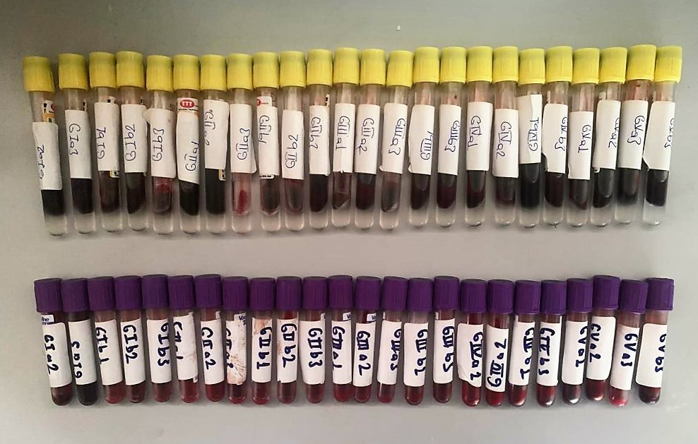

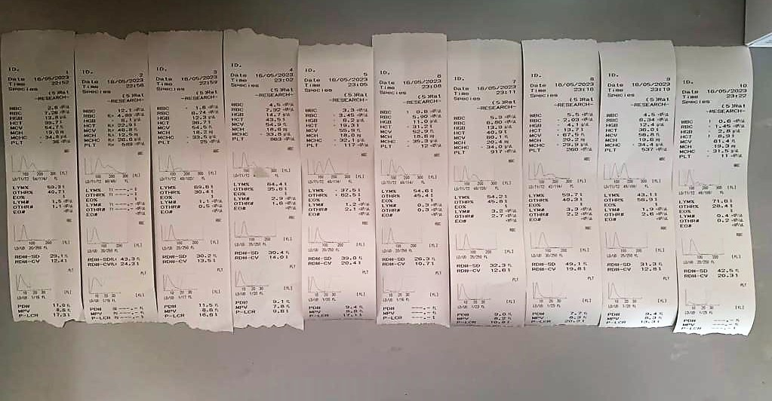

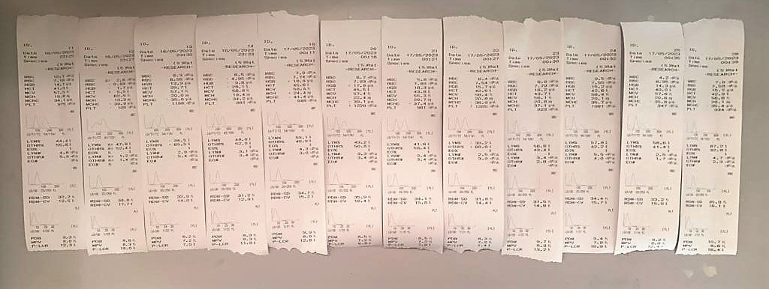

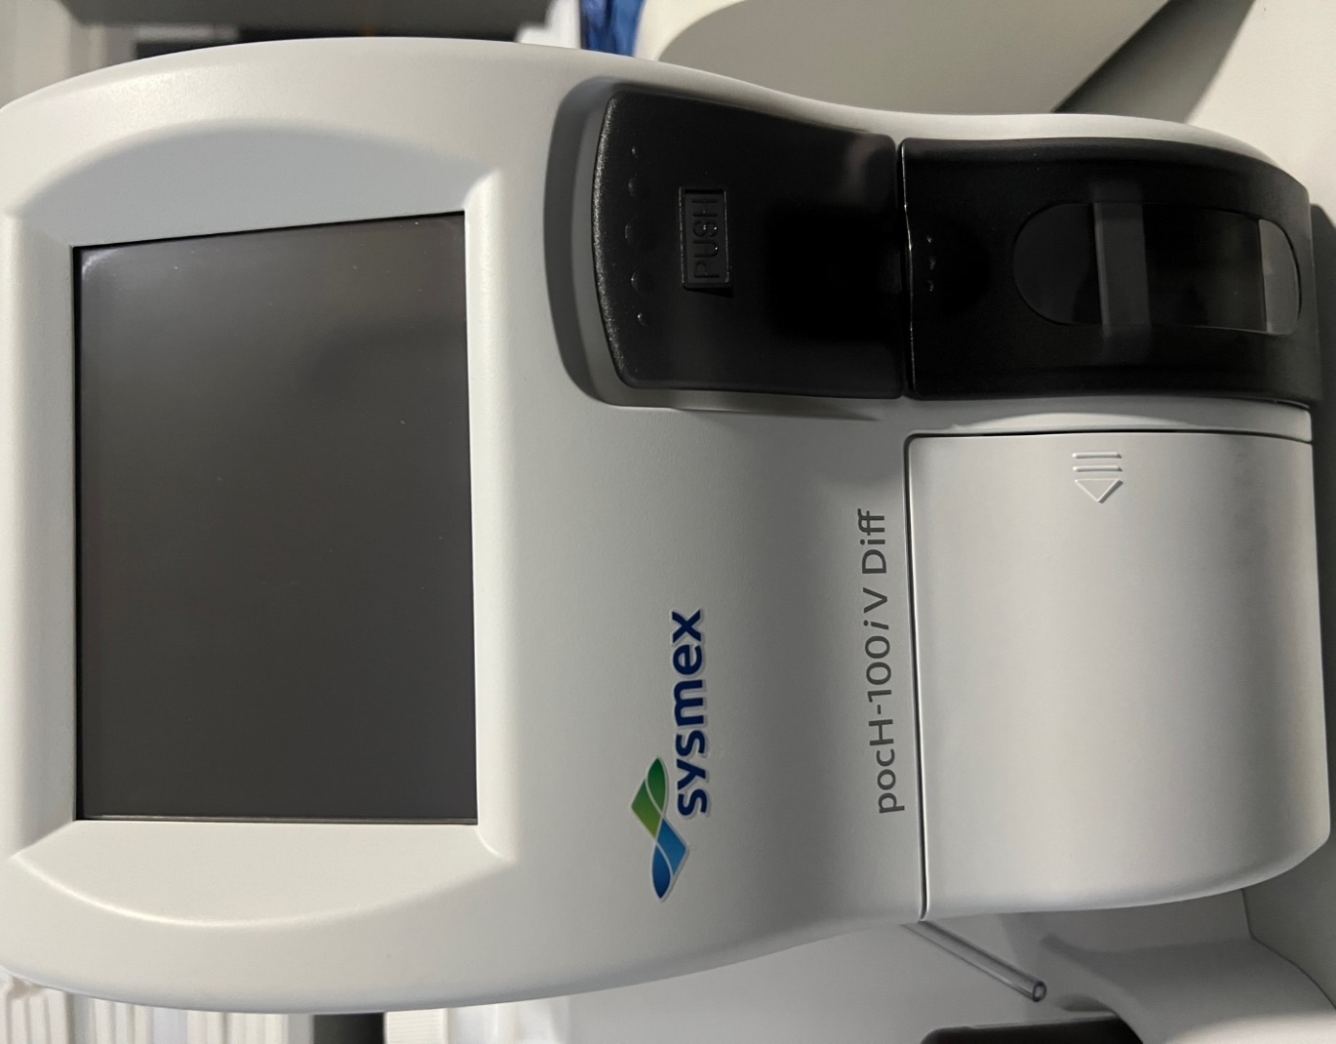
 |  |  | Mark: Sysmex Model: pocH-100iV Diff

Total Protein g/dl
Colorimetric assay, Sample and addition of Reagent start of the reaction:
Divalent copper reacts in alkaline solution with protein peptide bonds to form the characteristic purple-colored biuret complex.
Sodium potassium tartrate prevents the precipitation of copper hydroxide and potassium iodide prevents auto reduction of copper. alkaline protein + Cu2+ solution Cu-protein complex
The color intensity is directly proportional to the protein concentration which can be determined photometrically.

Albumin g/dl
Colorimetric assay, endpoint method
• Sample and addition of R1
• Start of the reaction:
At a pH value of 4.1 albumin displays a sufficiently cationic character to be able to bind with bromocresol green (BCG), any anionic dyestuff, to form a blue-green complex.
pH 4.1 albumin + BCG albumin BCG- complex
The color intensity of the blue-green color is directly proportional to the albumin concentration and can be determined photometrical

AST U/L
UV test according to a standarrized method
Sample and addition of R1 (buffer)
Addition of R2 and start of reaction: AST
α-ketoglutarate + L-aspartate L- glutamate + oxaloasetate
AST is the enzyme which catalyzes this equilibrium reaction. The oxaloacetate in- crease is measured in a subsequent indicator reaction which is catalyzed by malate dehydrogenase.
MDH
oxalacetate + NADH + H+ L-Malate + NAD+
In the second reaction, NADH is oxidized to NAD. The rate of decrease in NADH
(Measured photometrically) is directly proportional to the rate of formation of
oxaloasetate, and thus the AST activity.

ALT U/L
UV test according to the IFCC method.
ALT
L-Alanin + 2-Oxoglutarate ⎯⎯ L-Glutamate + Pyruvat

CRP (C-Reactive Protein) mg/L
Immunoturbidimetric assay
Anti-CRP antibodies react with antigen in the sample to form an ntigen/antibody complex. Following agglutination, this is measured turbidimetrically.
Addition of PEG allows the reaction to progress rapidly to the end point,increases sensitivity, and reduces the risk of samples containing excess antigen producing false negative results.

Creatinine mg/L
Immunoturbidimetric assay
Anti-CRP antibodies react with antigen in the sample to form an ntigen/antibody complex. Following agglutination, this is measured turbidimetrically.
Addition of PEG allows the reaction to progress rapidly to the end point,increases sensitivity, and reduces the risk of samples containing excess antigen
producing false negative results.

Urea (BUN) mg/dl
Urea is hydrolysed in presence of urease to produce ammonia and CO2. The ammonia produced combines with 2 – oxoglutarate and NADH in presence of GLDH to yield glutamate and NAD.
urease
Urea+H2O+2H+ 2 NH4+ + 2+ CO2
GLDH
2 NH4+ + 2-Oxoglutarate + 2 NADH H2O + 2 NAD+ + Gl utamate The decrease in absorbance due to consumption of NADH is measured kinetically.

Alkaline Phosphatase (ALP) U/L
Colorimetric assay in accordance with a standardized method.
ALP, Mg2
p - Nitrophenylphosphate+ H2O Phosphate + p - Nitrophenol
In the presence of magnesium and zinc ions, p-nitrophenyl phosphate is hydrolyzed by phosphatases to form phosphate and p-nitrophenol.
In this process AMP serves as transient phosphate acceptor. The release of coloured p-nitrophenol is proportional to the ALP activity and can be measured photometrically.

LDH
Pyruvat + NADH + H+ ⎯⎯ D-Lactate+ NAD+
The enzyme alanine aminotransferase (EC 2.6.1.2; L-Alanine:2-Oxoglutarate Aminotransferase,
ALT or A1aAT; Glutamate Pyruvate Transaminase, GPT) catalyzes the tran- saminase reaction between L-Alanine and 2-Oxoglutarate.
The pyruvate formed, is reduced to lactate in the presence of LDH. As the reactions proceed,
NADH is oxidized to NAD+. The disappearance of NADH per unit time is followed by measuring the decrease in absorbance at 340 nm.

