Materyal-metod
KİT ADI | TÜR | MARKA | CAT. NO | Yöntem | Kullanılan Cihaz
AST: Aspartat Aminotransferaz | Universal | Otto Scientific | OttoBC127 | Kolorimetrik | MINDRAY-BS400
ALT: Alanin aminotransferaz | Universal | Otto Scientific | OttoBC128 | Kolorimetrik | MINDRAY-BS400
CREA: Creatinine | Universal | Otto Scientific | OttoBC139 | Kolorimetrik | MINDRAY-BS400
UREA: Üre | Universal | Otto Scientific | OttoBC157 | Kolorimetrik | MINDRAY-BS400
GLU: Glucose | Universal | Otto Scientific | OttoBC142 | Kolorimetrik | MINDRAY-BS400
CHOL: Total Cholesterol | Universal | Otto Scientific | OttoBC135 | Kolorimetrik | MINDRAY-BS400
TG: Triglycerides | Universal | Otto Scientific | OttoBC155 | Kolorimetrik | MINDRAY-BS400
LDL: LDL Cholesterol | Universal | Otto Scientific | OttoBC145 | Kolorimetrik | MINDRAY BS-400
HDL: HDL Cholesterol | Universal | Otto Scientific | OttoBC144 | Kolorimetrik | MINDRAY BS-400
ALP: Alkaline Phosphatase | Universal | Otto Scientific | OttoBC124 | Kolorimetrik | MINDRAY-BS400

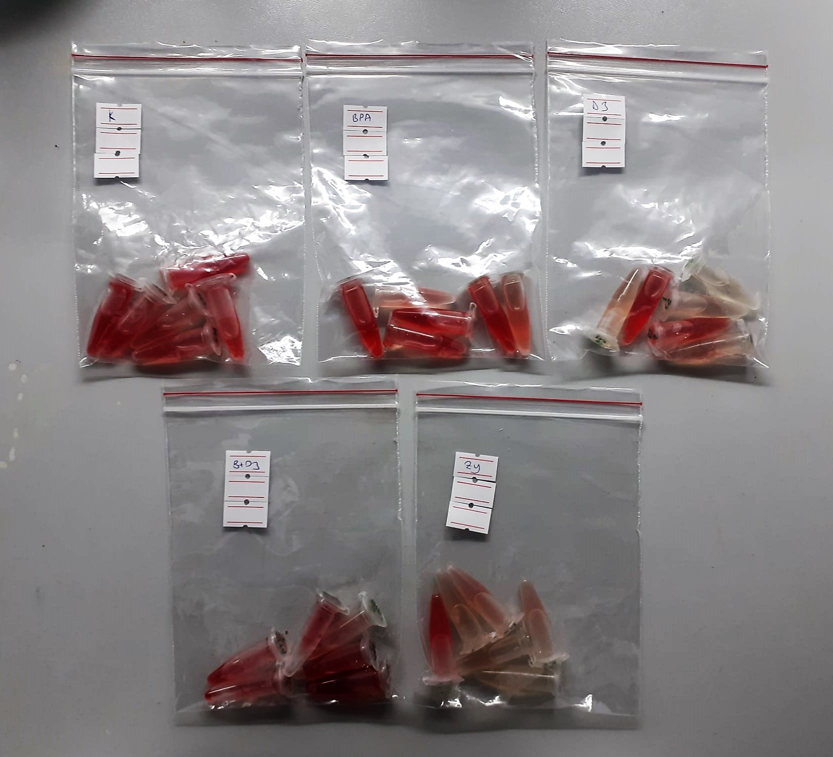

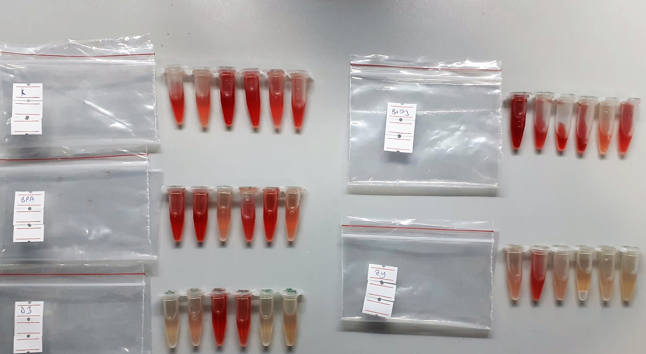

Cholesterol Total mg/dl
Cholesterol ester + H2O Cholesterol + fatty acids
Cholesterol esters are ceaved by the action of choesterol esterase to yield free
choesterol and fatty acids Cholesterol oxidase Cholesterol + O2 Cholesten-3-on + H2O2
Peroxidase
2H2O2 + Phenol + 4-Aminoantipyrine Quinoneimine dye + 4 H2O
Cholesterol is converted by oxygen with the aid of cholesterol oxidase to A4- Cholestenone and hydrogen peroxide.
Hydrogen peroxide created forms a red dyestuff by reacting with 4-aminoantipyrine and phenol under the catalytic action of peroxidase.
The color intensity is directly proportional to the concentration of cholesterol and can be determined photometrically.

Triglycerides mg/dl
Triglycerides in the sample originates, by means of the coupled reactions described below, acoloured complex that can be measured by spectrophotometry.
Triglycerides + H2O lipase Glycerol + Fatty acids
Glycerol + ATP glycerol kinase Glycerol – 3 – P + ADP
Glycerol – 3 –P + O2 G-3-P-oxidase Dihidroxyacetone – P +H2O2
2 H2O2 + 4 – Aminoantipyrine + 4 – Chlorophenol G-3-P-oxidas Quinoneimine + 4 H2O

Glucose mg/dl
Enzymatic colorimetric test on basis of Trinder – Reaction:
Glucose oxidase Glucose + O2 Gluconic acid + H2O2
Peroxidase
2H2O2 + Phenol + 4–Aminoantipyrine Red Quinoneimine + 4H2O

Creatinine mg/L
Immunoturbidimetric assay
Anti-CRP antibodies react with antigen in the sample to form an ntigen/antibody complex. Following agglutination, this is measured turbidimetrically.
Addition of PEG allows the reaction to progress rapidly to the end point,increases sensitivity, and reduces the risk of samples containing excess antigen
producing false negative results.

Urea (BUN) mg/dl
Urea is hydrolysed in presence of urease to produce ammonia and CO2. The ammonia produced combines with 2 – oxoglutarate and NADH in presence of GLDH to yield glutamate and NAD.
urease
Urea+H2O+2H+ 2 NH4+ + 2+ CO2
GLDH
2 NH4+ + 2-Oxoglutarate + 2 NADH H2O + 2 NAD+ + Gl utamate The decrease in absorbance due to consumption of NADH is measured kinetically.

AST U/L
UV test according to a standarrized method
Sample and addition of R1 (buffer)
Addition of R2 and start of reaction: AST
α-ketoglutarate + L-aspartate L- glutamate + oxaloasetate
AST is the enzyme which catalyzes this equilibrium reaction. The oxaloacetate in- crease is measured in a subsequent indicator reaction which is catalyzed by malate dehydrogenase.
MDH
oxalacetate + NADH + H+ L-Malate + NAD+
In the second reaction, NADH is oxidized to NAD. The rate of decrease in NADH
(Measured photometrically) is directly proportional to the rate of formation of
oxaloasetate, and thus the AST activity.

ALT U/L
UV test according to the IFCC method.
ALT
L-Alanin + 2-Oxoglutarate ⎯⎯ L-Glutamate + Pyruvat

Alkaline Phosphatase (ALP) U/L
Colorimetric assay in accordance with a standardized method.
ALP, Mg2
p - Nitrophenylphosphate+ H2O Phosphate + p - Nitrophenol
In the presence of magnesium and zinc ions, p-nitrophenyl phosphate is hydrolyzed by phosphatases to form phosphate and p-nitrophenol.
In this process AMP serves as transient phosphate acceptor. The release of coloured p-nitrophenol is proportional to the ALP activity and can be measured photometrically.

HDL Cholesterol mg/dl
Enzymatic colorimetric test
• Sample and addition of R1
• Addition of R2 and start of reaction
In the first step LDL, VLDL and Chylomicrons are eliminated and transformed to
non reactive compounds and specific condition for the reaction. By the second
reagent only the HDL-Cholesterol is subject to color reaction
Cholesterol Esterase
Cholesterol ester + H2O Cholesterol + fatty acid
Cholesterol Oxidase
Cholesterol + O2 Cholesten-3-on + H2O2
Peroxidase
H2O2 + phenol + 4-aminoantipyrine quinoneimine dye+4 H2O

LDL Cholesterol mg/dl
İlk adımda, HDL, VLDL ve Şilomikronlar elimine edilir ve reaksiyon için özel koşulda reaktif olmayan bileşiklere dönüştürülür. İkinci reaktif sadece LDL-kolesterol renk reaksiyonudur.
Kolesterol esteraz
Kolesterol ester + H2O kolesterol + yağ asidi
Kolesterol Oksidaz
Kolesterol + O2 kolesten-3-on + H2O2
peroksidaz
H2O2 + fenol + 4- aminoantipirin kinon boyası +4 H2O

