Materyal-metod
KİT ADI | TÜR | Numune Türü | MARKA | CAT. NO | Yöntem | Kullanılan Cihaz
TAS(Total Antioxidant Status) | Universal | Sirke | REL ASSAY | RL0017 | Kolorimetrik | MINDRAY BS-400

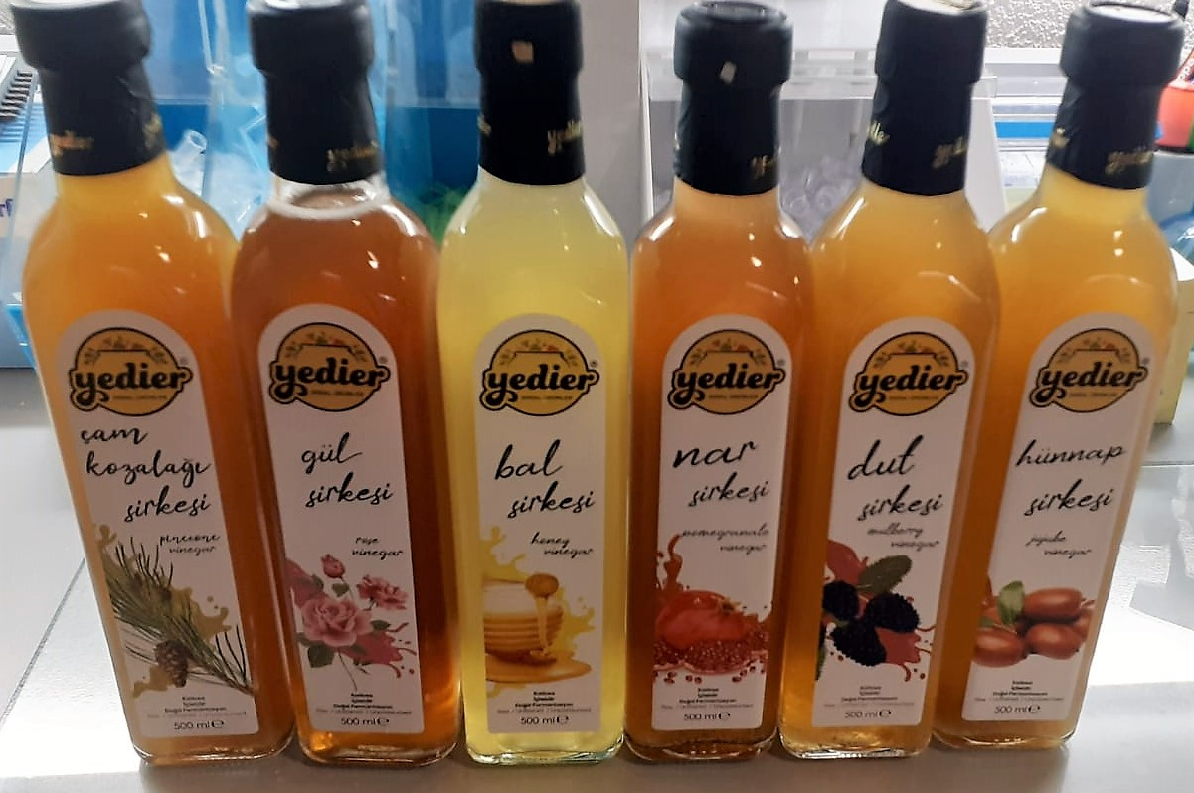

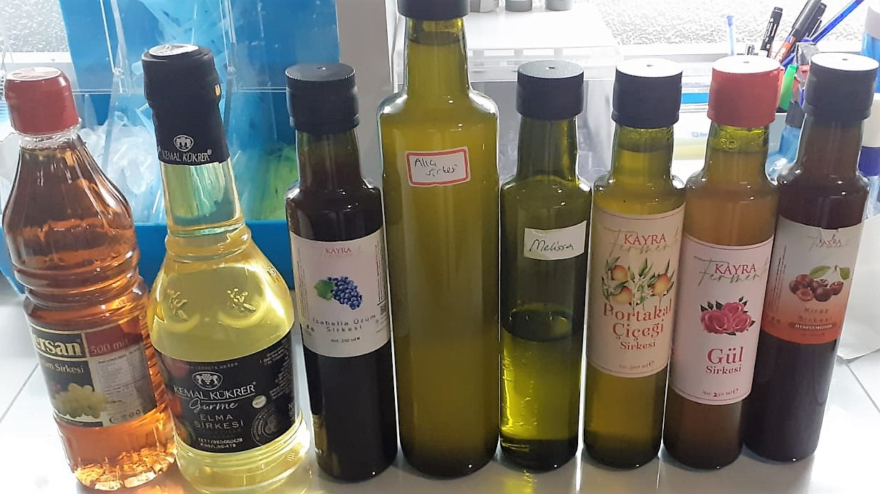

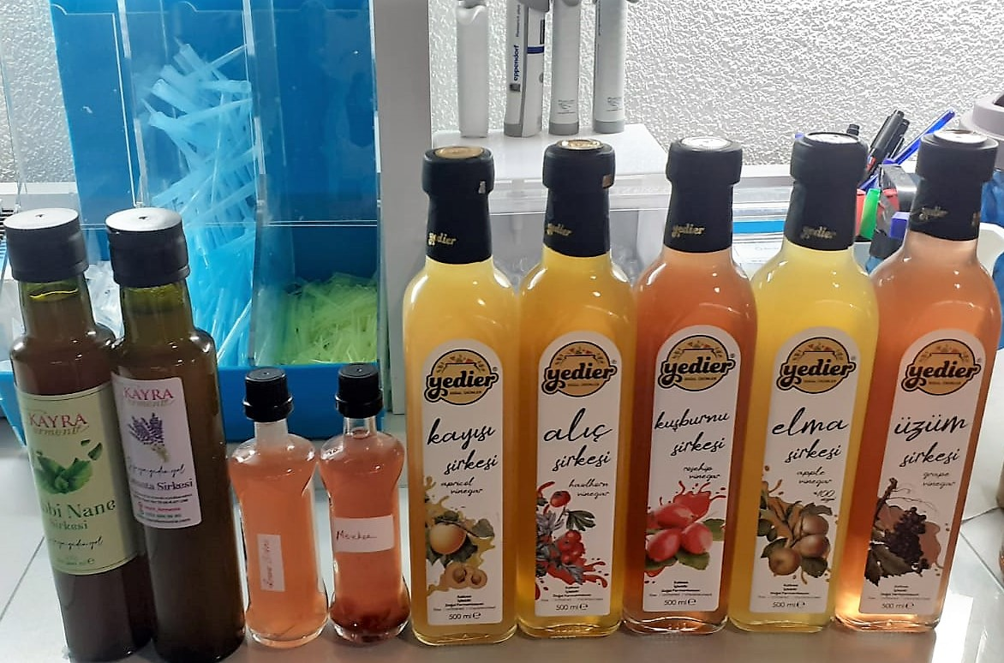

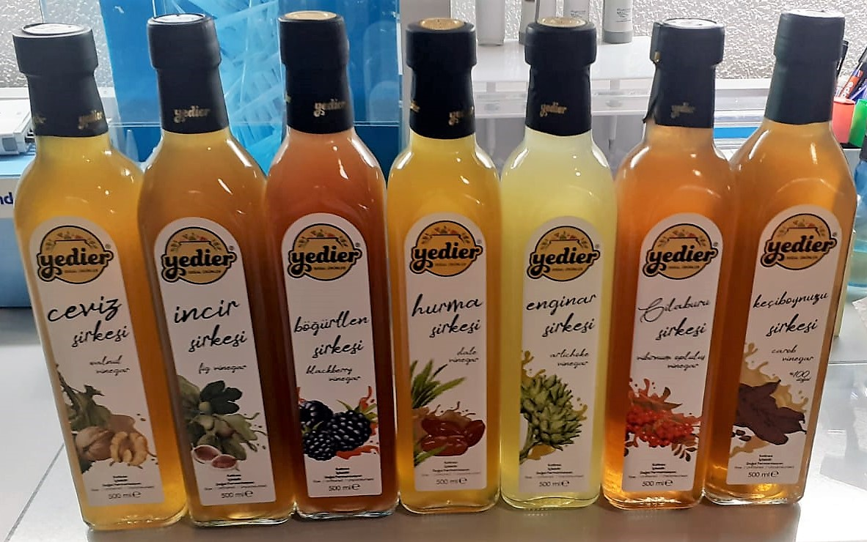

TOTAL ANTIOXDANT STATUS (TAS) (mmol/L)
TAS levels were measured using commercially available kits (Relassay, Turkey). The novel
automated method is based on the bleaching of characteristic color of a more stable ABTS
(2,2 ′ - Azino-bis(3-ethylbenzothiazoline-6-sulfonic acid)) radical cation by antioxidants. The
assay has excellent precision values, which are lower than 3%. The results were expressed as
mmol Trolox equivalent/L (Erel O. A novel automated direct measurement method for total
antioxidant capacity using a new generation, more stable ABTS radicalcation. Clin Biochem
2004;37:277-85.)
(Relassay,Turkey)

