IGF-1-Plate-1
2.334 | 1.051 | 1.126 | 1.076 | 1.018 | 0.849 | 0.941 | 1.04 | 1.511 | 0.9 | 0.791 | 0.93
1.493 | 0.769 | 0.775 | 0.838 | 0.767 | 0.848 | 0.636 | 0.77 | 1.185 | 0.797 | 0.992 | 1.03
1.003 | 1.094 | 1.007 | 0.938 | 0.937 | 0.803 | 0.573 | 0.676 | 1.074 | 0.684 | 0.922 | 0.858
0.6054 | 1.029 | 1.154 | 1.054 | 0.918 | 0.879 | 0.622 | 0.766 | 1.13 | 0.631 | 0.819 | 0.79
0.324 | 1.005 | 0.883 | 0.657 | 0.757 | 0.719 | 0.663 | 0.684 | 1.289 | 0.664 | 0.766 | 0.904
0.068 | 0.955 | 0.901 | 0.845 | 0.801 | 0.819 | 0.787 | 0.784 | 1.268 | 0.731 | 0.744 | 0.881
0.791 | 0.969 | 0.871 | 0.917 | 0.829 | 0.73 | 0.74 | 0.743 | 1.335 | 0.802 | 0.721 | 0.623
0.854 | 0.589 | 0.753 | 0.701 | 0.758 | 0.722 | 0.697 | 0.685 | 1.192 | 0.748 | 0.731 | 0.739

IGF-1

 | abs | abs-blank | expected | result
std1 | 2.334 | 2.266 | 240 | 240.66
std2 | 1.493 | 1.425 | 120 | 116.80
std3 | 1.003 | 0.935 | 60 | 63.55
std4 | 0.6054 | 0.5374 | 30 | 30.59
std5 | 0.324 | 0.256 | 15 | 12.80
blank | 0.068 | 0 | 0 | 0.61

 |  |  |  |  |  |  |  |  | concentratıon (ng/ml)

Numune | absorbans | blank | abs-blank | Result(ng/ml)
15.gün-1-1 | 0.791 | 0.068 | 0.723 | 44.84
15.gün-2-1 | 0.854 | 0.068 | 0.786 | 50.13
15.gün-3-1 | 1.051 | 0.068 | 0.983 | 68.15
15.gün-4-1 | 0.769 | 0.068 | 0.701 | 43.04
15.gün-5-1 | 1.094 | 0.068 | 1.026 | 72.39
15.gün-6-1 | 1.029 | 0.068 | 0.961 | 66.03
15.gün-7-1 | 1.005 | 0.068 | 0.937 | 63.74
15.gün-8-1 | 0.955 | 0.068 | 0.887 | 59.09
15.gün-9-1 | 0.969 | 0.068 | 0.901 | 60.38
15.gün-11-1 | 0.589 | 0.068 | 0.521 | 29.42
15.gün-12-1 | 1.126 | 0.068 | 1.058 | 75.61
15.gün-15-1 | 0.775 | 0.068 | 0.707 | 43.53
15.gün-16-1 | 1.007 | 0.068 | 0.939 | 63.93
15.gün-17-1 | 1.154 | 0.068 | 1.086 | 78.48
15.gün-18-1 | 0.883 | 0.068 | 0.815 | 52.64
15.gün-19-1 | 0.901 | 0.068 | 0.833 | 54.22
15.gün-20-1 | 0.871 | 0.068 | 0.803 | 51.59
15.gün-21-1 | 0.753 | 0.068 | 0.685 | 41.76
15.gün-22-1 | 1.076 | 0.068 | 1.008 | 70.60
15.gün-23-1 | 0.838 | 0.068 | 0.77 | 48.76
15.gün-24-1 | 0.938 | 0.068 | 0.87 | 57.54
15.gün-25-1 | 1.054 | 0.068 | 0.986 | 68.45
15.gün-26-1 | 0.657 | 0.068 | 0.589 | 34.35
15.gün-27-1 | 0.845 | 0.068 | 0.777 | 49.36
15.gün-28-1 | 0.917 | 0.068 | 0.849 | 55.65
15.gün-29-1 | 0.701 | 0.068 | 0.633 | 37.68
15.gün-30-1 | 1.018 | 0.068 | 0.95 | 64.98
15.gün-31-1 | 0.767 | 0.068 | 0.699 | 42.88
15.gün-33-1 | 0.937 | 0.068 | 0.869 | 57.45
15.gün-34-1 | 0.918 | 0.068 | 0.85 | 55.74
15.gün-35-1 | 0.757 | 0.068 | 0.689 | 42.08
15.gün-36-1 | 0.801 | 0.068 | 0.733 | 45.66
15.gün-37-1 | 0.829 | 0.068 | 0.761 | 48.00
15.gün-38-1 | 0.758 | 0.068 | 0.69 | 42.16
15.gün-39-1 | 0.849 | 0.068 | 0.781 | 49.70
15.gün-41-1 | 0.848 | 0.068 | 0.78 | 49.61
15.gün-43-1 | 0.803 | 0.068 | 0.735 | 45.83
15.gün-44-1 | 0.879 | 0.068 | 0.811 | 52.29
15.gün-45-1 | 0.719 | 0.068 | 0.651 | 39.07
15.gün-46-1 | 0.819 | 0.068 | 0.751 | 47.16
15.gün-47-1 | 0.73 | 0.068 | 0.662 | 39.93
15.gün-48-1 | 0.722 | 0.068 | 0.654 | 39.30
15.gün-49-1 | 0.941 | 0.068 | 0.873 | 57.81
15.gün-50-1 | 0.636 | 0.068 | 0.568 | 32.80
15.gün-51-1 | 0.573 | 0.068 | 0.505 | 28.31
30.gün-1-1 | 0.622 | 0.068 | 0.554 | 31.78
30.gün-2-2 | 0.663 | 0.068 | 0.595 | 34.80
30.gün-3-2 | 0.787 | 0.068 | 0.719 | 44.51
30.gün-4-2 | 0.74 | 0.068 | 0.672 | 40.72
30.gün-5-2 | 0.697 | 0.068 | 0.629 | 37.37
30.gün-6-2 | 1.04 | 0.068 | 0.972 | 67.09
30.gün-7-2 | 0.77 | 0.068 | 0.702 | 43.12
30.gün-8-2 | 0.676 | 0.068 | 0.608 | 35.77
30.gün-9-2 | 0.766 | 0.068 | 0.698 | 42.80
30.gün-11-2 | 0.684 | 0.068 | 0.616 | 36.38
30.gün-12-2 | 0.784 | 0.068 | 0.716 | 44.26
30.gün-15-2 | 0.743 | 0.068 | 0.675 | 40.96
30.gün-16-2 | 0.685 | 0.068 | 0.617 | 36.45
30.gün-17-2 | 1.511 | 0.068 | 1.443 | 119.02
30.gün-18-2 | 1.185 | 0.068 | 1.117 | 81.71
30.gün-19-2 | 1.074 | 0.068 | 1.006 | 70.41
30.gün-20-2 | 1.13 | 0.068 | 1.062 | 76.02
30.gün-21-2 | 1.289 | 0.068 | 1.221 | 92.94
30.gün-22-2 | 1.268 | 0.068 | 1.2 | 90.62
30.gün-23-2 | 1.335 | 0.068 | 1.267 | 98.11
30.gün-24-2 | 1.192 | 0.068 | 1.124 | 82.44
30.gün-25-2 | 0.9 | 0.068 | 0.832 | 54.13
30.gün-26-2 | 0.797 | 0.068 | 0.729 | 45.33
30.gün-27-2 | 0.684 | 0.068 | 0.616 | 36.38
30.gün-28-2 | 0.631 | 0.068 | 0.563 | 32.43
30.gün-29-2 | 0.664 | 0.068 | 0.596 | 34.87
30.gün-30-2 | 0.731 | 0.068 | 0.663 | 40.01
30.gün-31-2 | 0.802 | 0.068 | 0.734 | 45.74
30.gün-33-2 | 0.748 | 0.068 | 0.68 | 41.36
30.gün-34-2 | 0.791 | 0.068 | 0.723 | 44.84
30.gün-35-2 | 0.992 | 0.068 | 0.924 | 62.52
30.gün-36-2 | 0.922 | 0.068 | 0.854 | 56.09
30.gün-37-2 | 0.819 | 0.068 | 0.751 | 47.16
30.gün-38-2 | 0.766 | 0.068 | 0.698 | 42.80
30.gün-39-2 | 0.744 | 0.068 | 0.676 | 41.04
30.gün-41-2 | 0.721 | 0.068 | 0.653 | 39.23
30.gün-43-2 | 0.731 | 0.068 | 0.663 | 40.01
30.gün-44-2 | 0.93 | 0.068 | 0.862 | 56.81
30.gün-45-2 | 1.03 | 0.068 | 0.962 | 66.13
30.gün-46-2 | 0.858 | 0.068 | 0.79 | 50.47
30.gün-47-2 | 0.79 | 0.068 | 0.722 | 44.75
30.gün-48-2 | 0.904 | 0.068 | 0.836 | 54.49
30.gün-49-2 | 0.881 | 0.068 | 0.813 | 52.46
30.gün-50-2 | 0.623 | 0.068 | 0.555 | 31.85
30.gün-51-2 | 0.739 | 0.068 | 0.671 | 40.64

IGF-1-Plate-2
2.519 | 0.824 | 0.796 | 0.815 | 0.815 | 0.675 | 0.72 | 0.777 | 0.765 | 0.828 | 0.693 | 0.722
1.539 | 0.836 | 0.964 | 0.929 | 0.885 | 0.715 | 0.742 | 0.84 | 0.915 | 0.813 | 0.799 | 0.795
0.855 | 0.819 | 0.847 | 0.819 | 0.759 | 0.83 | 0.783 | 0.992 | 1.034 | 1.03 | 0.9 | 1.046
0.492 | 0.766 | 0.798 | 0.828 | 0.714 | 0.755 | 0.655 | 0.781 | 0.775 | 0.818 | 0.71 | 0.865
0.275 | 0.755 | 0.804 | 0.806 | 0.704 | 0.651 | 0.692 | 0.81 | 0.612 | 0.784 | 0.759 | 0.674
0.079 | 0.717 | 0.704 | 0.706 | 0.753 | 0.682 | 0.742 | 0.772 | 0.996 | 1.086 | 0.953 | 0.981
0.88 | 0.92 | 0.972 | 0.817 | 0.889 | 0.897 | 1.029 | 0.944 | 0.769 | 1.117 | 1.081 | 1.043
0.849 | 0.684 | 0.724 | 0.789 | 0.728 | 0.737 | 0.728 | 0.824 | 0.69 | 0.832 | 0.674 | 0.664

IGF-1

 | abs | abs-blank | expected | result
std1 | 2.519 | 2.44 | 240 | 239.34
std2 | 1.539 | 1.46 | 120 | 122.47
std3 | 0.855 | 0.776 | 60 | 57.94
std4 | 0.492 | 0.413 | 30 | 29.38
std5 | 0.275 | 0.196 | 15 | 14.19
blank | 0.079 | 0 | 0 | 1.68

 |  |  |  |  |  |  |  |  |  | concentratıon (ng/ml)

Numune | absorbans | blank | abs-blank | Result(ng/ml)
45.gün-1-3 | 0.88 | 0.079 | 0.801 | 60.05
45.gün-2-3 | 0.849 | 0.079 | 0.77 | 57.43
45.gün-3-3 | 0.824 | 0.079 | 0.745 | 55.34
45.gün-4-3 | 0.836 | 0.079 | 0.757 | 56.35
45.gün-5-3 | 0.819 | 0.079 | 0.74 | 54.93
45.gün-6-3 | 0.766 | 0.079 | 0.687 | 50.57
45.gün-7-3 | 0.755 | 0.079 | 0.676 | 49.68
45.gün-8-3 | 0.717 | 0.079 | 0.638 | 46.62
45.gün-9-3 | 0.92 | 0.079 | 0.841 | 63.47
45.gün-11-3 | 0.684 | 0.079 | 0.605 | 43.99
45.gün-12-3 | 0.796 | 0.079 | 0.717 | 53.03
45.gün-15-3 | 0.964 | 0.079 | 0.885 | 67.28
45.gün-16-3 | 0.847 | 0.079 | 0.768 | 57.27
45.gün-17-3 | 0.798 | 0.079 | 0.719 | 53.19
45.gün-18-3 | 0.804 | 0.079 | 0.725 | 53.69
45.gün-19-3 | 0.704 | 0.079 | 0.625 | 45.58
45.gün-20-3 | 0.972 | 0.079 | 0.893 | 67.98
45.gün-21-3 | 0.724 | 0.079 | 0.645 | 47.18
45.gün-22-3 | 0.815 | 0.079 | 0.736 | 54.60
45.gün-23-3 | 0.929 | 0.079 | 0.85 | 64.24
45.gün-24-3 | 0.819 | 0.079 | 0.74 | 54.93
45.gün-25-3 | 0.828 | 0.079 | 0.749 | 55.68
45.gün-26-3 | 0.806 | 0.079 | 0.727 | 53.85
45.gün-27-3 | 0.706 | 0.079 | 0.627 | 45.74
45.gün-28-3 | 0.817 | 0.079 | 0.738 | 54.76
45.gün-29-3 | 0.789 | 0.079 | 0.71 | 52.45
45.gün-30-3 | 0.815 | 0.079 | 0.736 | 54.60
45.gün-31-3 | 0.885 | 0.079 | 0.806 | 60.47
45.gün-33-3 | 0.759 | 0.079 | 0.68 | 50.00
45.gün-34-3 | 0.714 | 0.079 | 0.635 | 46.38
45.gün-35-3 | 0.704 | 0.079 | 0.625 | 45.58
45.gün-36-3 | 0.753 | 0.079 | 0.674 | 49.51
45.gün-37-3 | 0.889 | 0.079 | 0.81 | 60.82
45.gün-38-3 | 0.728 | 0.079 | 0.649 | 47.50
45.gün-39-3 | 0.675 | 0.079 | 0.596 | 43.28
45.gün-41-3 | 0.715 | 0.079 | 0.636 | 46.46
45.gün-43-3 | 0.83 | 0.079 | 0.751 | 55.84
45.gün-44-3 | 0.755 | 0.079 | 0.676 | 49.68
45.gün-45-3 | 0.651 | 0.079 | 0.572 | 41.40
45.gün-46-3 | 0.682 | 0.079 | 0.603 | 43.83
45.gün-47-3 | 0.897 | 0.079 | 0.818 | 61.50
45.gün-48-3 | 0.737 | 0.079 | 0.658 | 48.22
45.gün-49-3 | 0.72 | 0.079 | 0.641 | 46.86
45.gün-50-3 | 0.742 | 0.079 | 0.663 | 48.62
45.gün-51-3 | 0.783 | 0.079 | 0.704 | 51.96
60.gün-1-4 | 0.655 | 0.079 | 0.576 | 41.71
60.gün-2-4 | 0.692 | 0.079 | 0.613 | 44.63
60.gün-3-4 | 0.742 | 0.079 | 0.663 | 48.62
60.gün-4-4 | 1.029 | 0.079 | 0.95 | 73.03
60.gün-5-4 | 0.728 | 0.079 | 0.649 | 47.50
60.gün-6-4 | 0.777 | 0.079 | 0.698 | 51.47
60.gün-7-4 | 0.84 | 0.079 | 0.761 | 56.68
60.gün-8-4 | 0.992 | 0.079 | 0.913 | 69.74
60.gün-9-4 | 0.781 | 0.079 | 0.702 | 51.80
60.gün-11-4 | 0.81 | 0.079 | 0.731 | 54.18
60.gün-12-4 | 0.772 | 0.079 | 0.693 | 51.06
60.gün-15-4 | 0.944 | 0.079 | 0.865 | 65.54
60.gün-16-4 | 0.824 | 0.079 | 0.745 | 55.34
60.gün-17-4 | 0.765 | 0.079 | 0.686 | 50.49
60.gün-18-4 | 0.915 | 0.079 | 0.836 | 63.04
60.gün-19-4 | 1.034 | 0.079 | 0.955 | 73.47
60.gün-20-4 | 0.775 | 0.079 | 0.696 | 51.30
60.gün-21-4 | 0.612 | 0.079 | 0.533 | 38.38
60.gün-22-4 | 0.996 | 0.079 | 0.917 | 70.10
60.gün-23-4 | 0.769 | 0.079 | 0.69 | 50.81
60.gün-24-4 | 0.69 | 0.079 | 0.611 | 44.47
60.gün-25-4 | 0.828 | 0.079 | 0.749 | 55.68
60.gün-26-4 | 0.813 | 0.079 | 0.734 | 54.43
60.gün-27-4 | 1.03 | 0.079 | 0.951 | 73.12
60.gün-28-4 | 0.818 | 0.079 | 0.739 | 54.85
60.gün-29-4 | 0.784 | 0.079 | 0.705 | 52.04
60.gün-30-4 | 1.086 | 0.079 | 1.007 | 78.17
60.gün-31-4 | 1.117 | 0.079 | 1.038 | 81.00
60.gün-33-4 | 0.832 | 0.079 | 0.753 | 56.01
60.gün-34-4 | 0.693 | 0.079 | 0.614 | 44.70
60.gün-35-4 | 0.799 | 0.079 | 0.72 | 53.27
60.gün-36-4 | 0.9 | 0.079 | 0.821 | 61.75
60.gün-37-4 | 0.71 | 0.079 | 0.631 | 46.06
60.gün-38-4 | 0.759 | 0.079 | 0.68 | 50.00
60.gün-39-4 | 0.953 | 0.079 | 0.874 | 66.33
60.gün-41-4 | 1.081 | 0.079 | 1.002 | 77.71
60.gün-43-4 | 0.674 | 0.079 | 0.595 | 43.20
60.gün-44-4 | 0.722 | 0.079 | 0.643 | 47.02
60.gün-45-4 | 0.795 | 0.079 | 0.716 | 52.95
60.gün-46-4 | 1.046 | 0.079 | 0.967 | 74.55
60.gün-47-4 | 0.865 | 0.079 | 0.786 | 58.78
60.gün-48-4 | 0.674 | 0.079 | 0.595 | 43.20
60.gün-49-4 | 0.981 | 0.079 | 0.902 | 68.77
60.gün-50-4 | 1.043 | 0.079 | 0.964 | 74.28
60.gün-51-4 | 0.664 | 0.079 | 0.585 | 42.42

Materyal-metod
KİT ADI | TÜR | MARKA | CAT. NO | Yöntem | Kullanılan Cihaz
Insulin-like growth factors 1 | Bovine | BT | E0016Bo | ELİSA | Mıcroplate reader: BIO-TEK EL X 800-Aotu strıp washer:BIO TEK EL X 50
UREA: Üre | Universal | Otto Scientific | OttoBC157 | Kolorimetrik | MINDRAY-BS400
GLU: Glucose | Universal | Otto Scientific | OttoBC142 | Kolorimetrik | MINDRAY-BS400
TP: Total protein | Universal | Otto Scientific | OttoBC154 | Kolorimetrik | MINDRAY-BS400

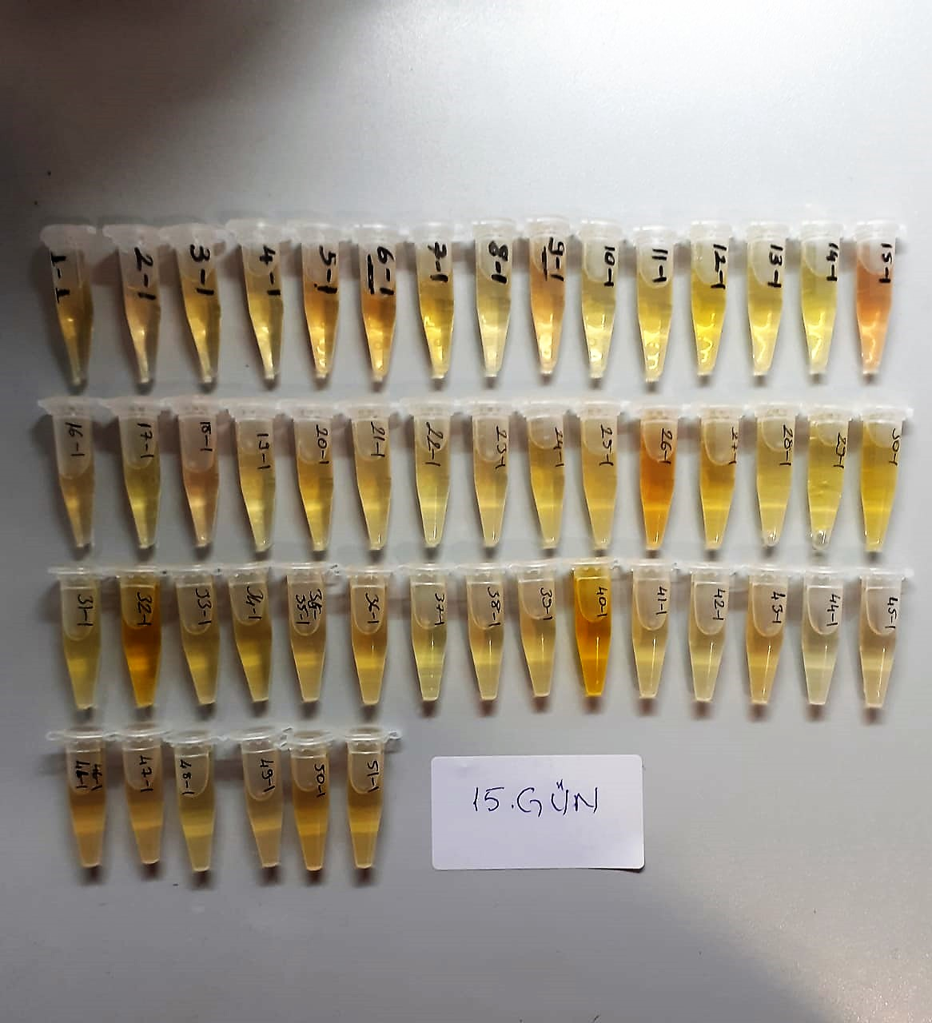
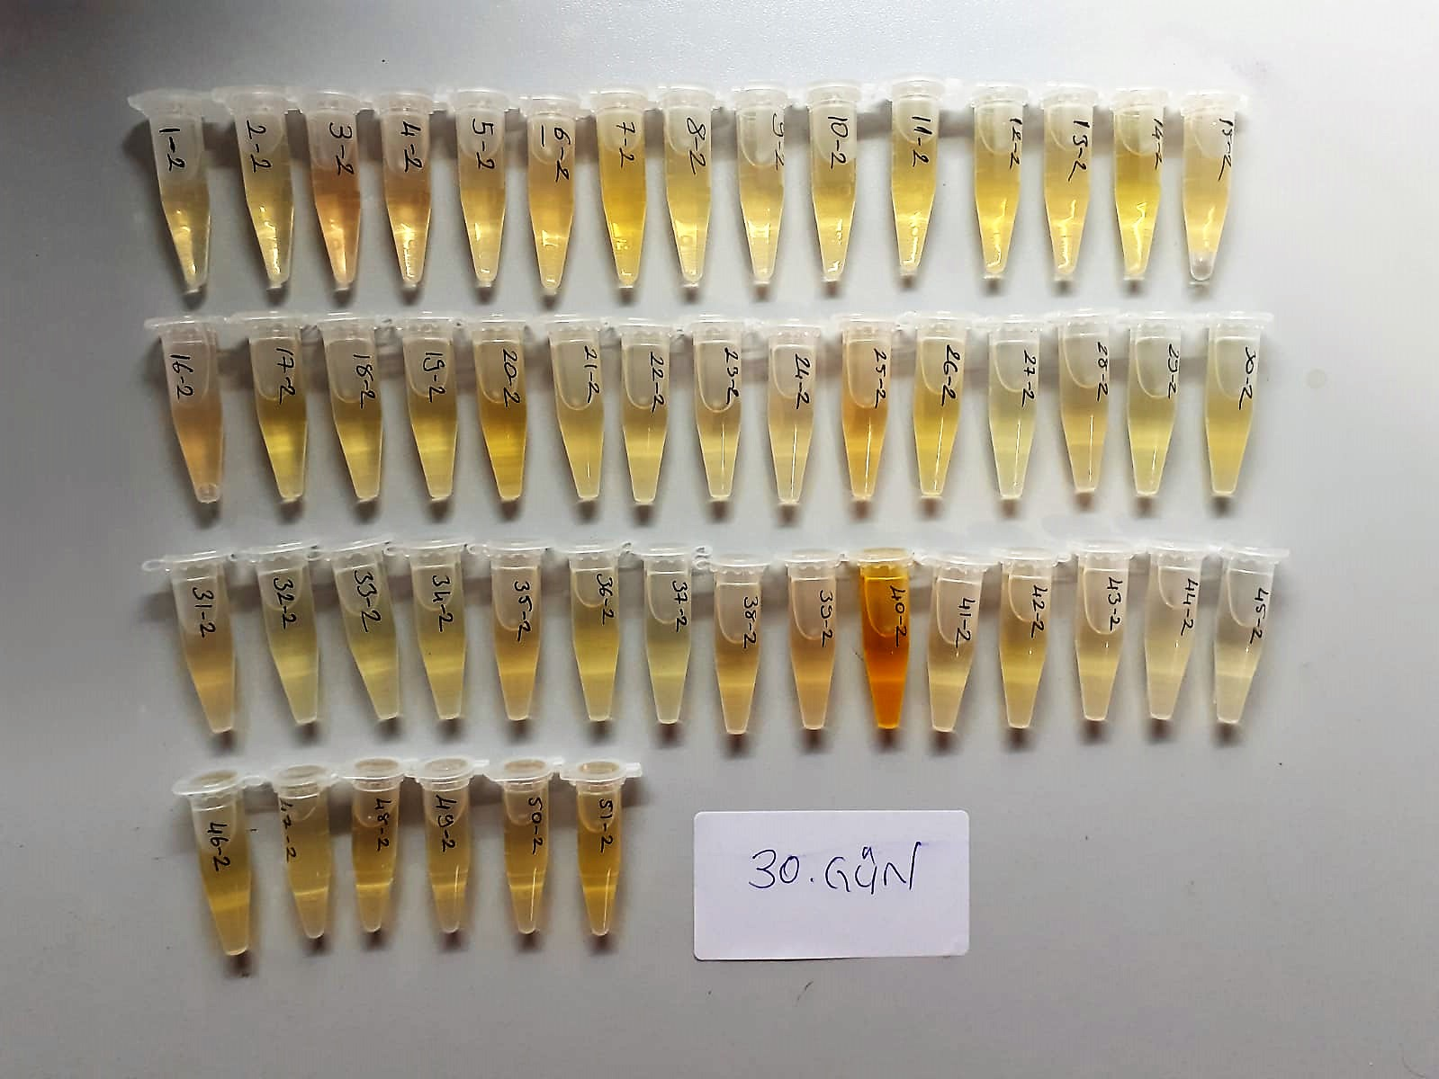

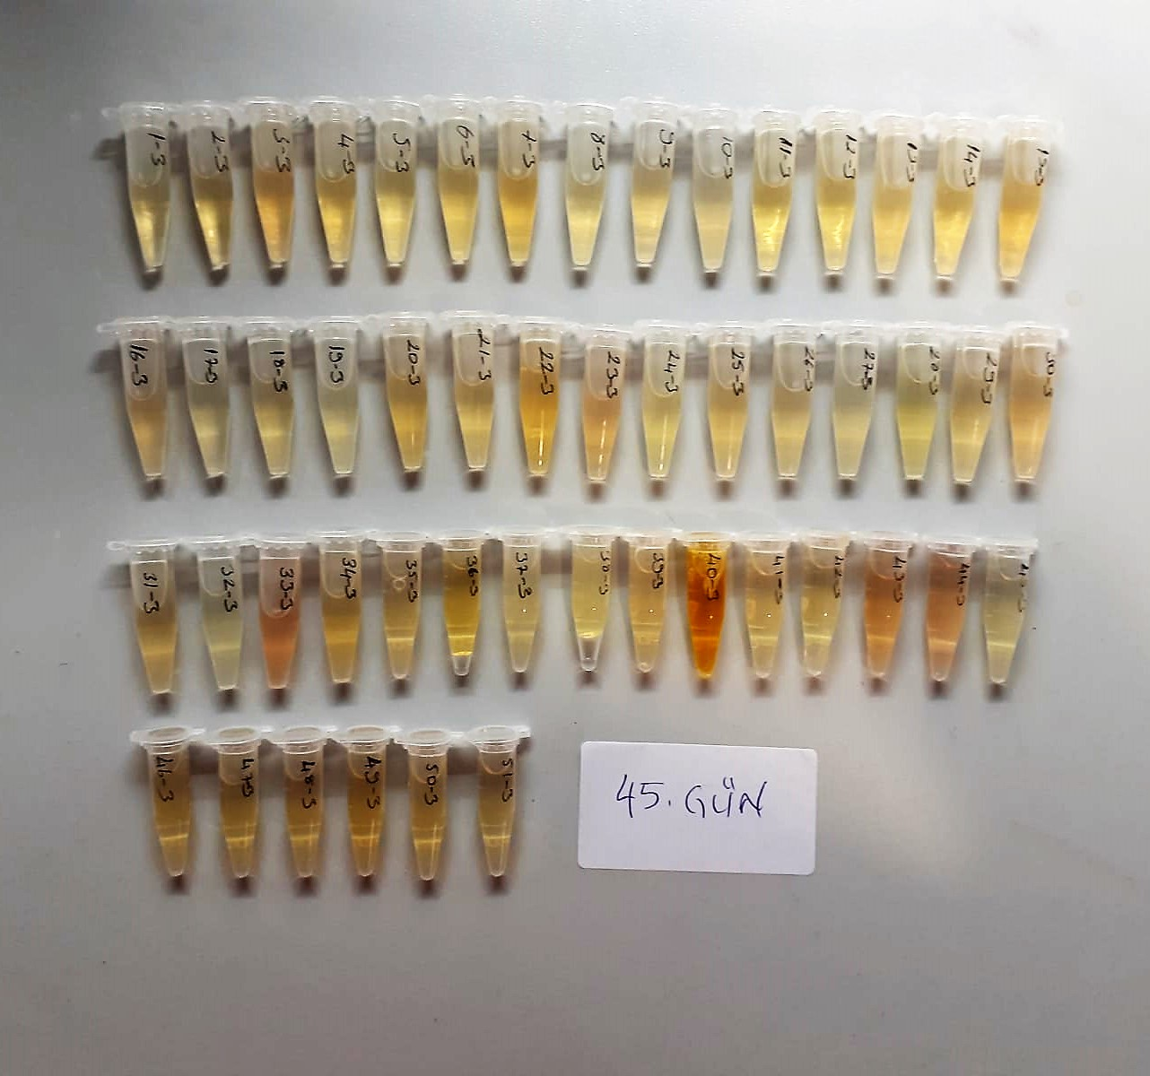
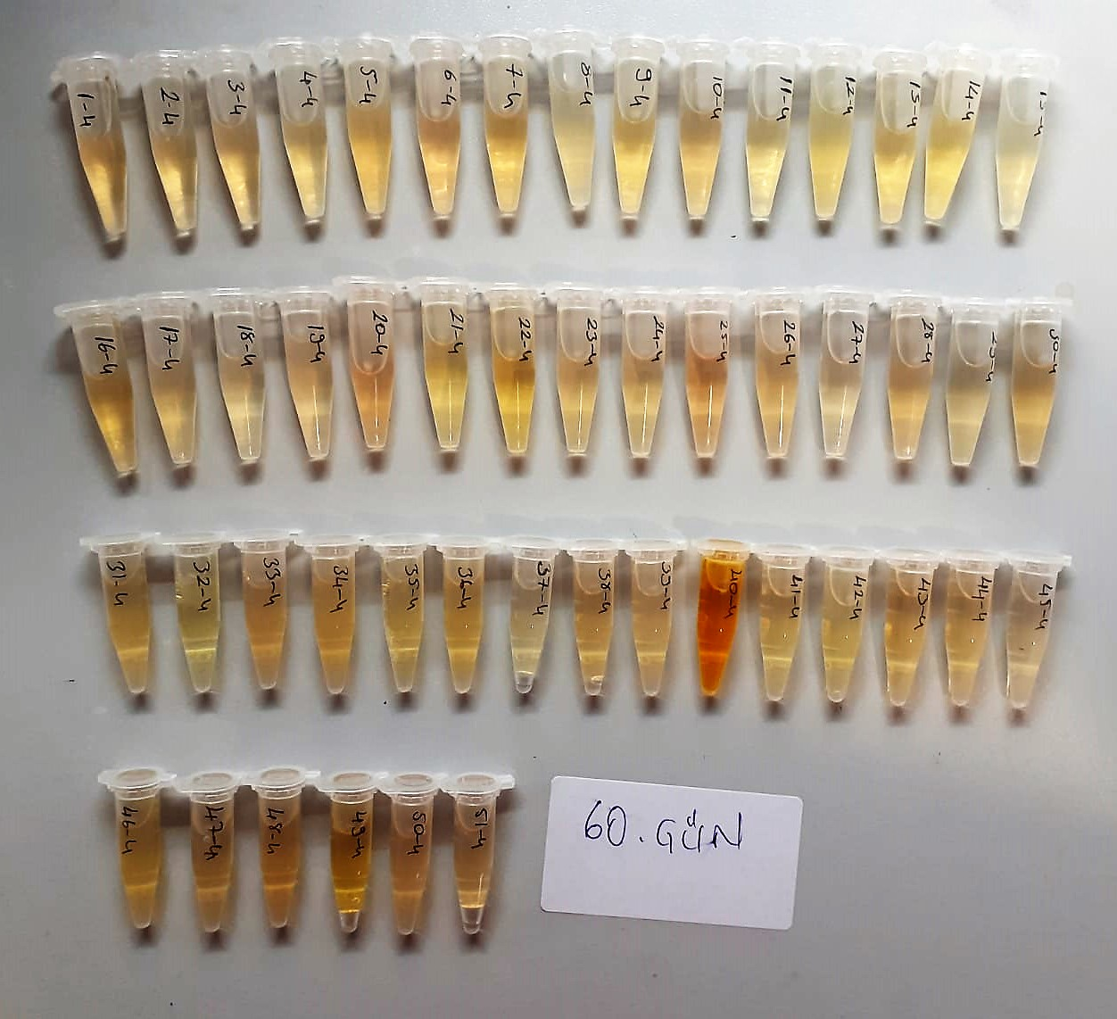

Total Protein g/dl
Colorimetric assay, Sample and addition of Reagent start of the reaction:
Divalent copper reacts in alkaline solution with protein peptide bonds to form the characteristic purple-colored biuret complex.
Sodium potassium tartrate prevents the precipitation of copper hydroxide and potassium iodide prevents auto reduction of copper. alkaline protein + Cu2+ solution Cu-protein complex
The color intensity is directly proportional to the protein concentration which can be determined photometrically.

Glucose mg/dl
Enzymatic colorimetric test on basis of Trinder – Reaction:
Glucose oxidase Glucose + O2 Gluconic acid + H2O2
Peroxidase
2H2O2 + Phenol + 4–Aminoantipyrine Red Quinoneimine + 4H2O

Urea (BUN) mg/dl
Urea is hydrolysed in presence of urease to produce ammonia and CO2. The ammonia produced combines with 2 – oxoglutarate and NADH in presence of GLDH to yield glutamate and NAD.
urease
Urea+H2O+2H+ 2 NH4+ + 2+ CO2
GLDH
2 NH4+ + 2-Oxoglutarate + 2 NADH H2O + 2 NAD+ + Gl utamate The decrease in absorbance due to consumption of NADH is measured kinetically.

Bovine Insulin-like growth factor 1 Assay Principle
This kit is an Enzyme-Linked Immunosorbent Assay (ELISA). The plate has been pre-coated with Bovine IGF-1 antibody. Bovine IGF-1 present in the sample is added and binds to antibodies coated on the wells.
And then biotinylated Bovine IGF-1 Antibody is added and binds to Bovine IGF-1 in the sample. Then Streptavidin-HRP is added and binds to the Biotinylated Bovine IGF-1 antibody.
After incubation unbound Streptavidin-HRP is washed away during a washing step. Substrate solution is then added and color develops in proportion to the amount of Bovine IGF-1 .
The reaction is terminated by addition of acidic stop solution and absorbance is measured at 450 nm.

