Human-ESM1
std | std
2.338 | 2.1983 | 2.766 | 2.85 | 2.87 | 2.67 | 2.93 | 2.67 | 2.911 | 2.79 | 2.642 | 2.26
1.339 | 1.424 | 2.664 | 2.64 | 2.88 | 2.87 | 2.88 | 2.83 | 2.92 | 2.474 | 2.66 | 2.632
0.779 | 0.828 | 2.356 | 2.45 | 2.9 | 2.93 | 2.29 | 2.69 | 2.68 | 2.48 | 2.61 | 0.938
0.461 | 0.488 | 2.344 | 2.93 | 2.1 | 2.69 | 2.58 | 2.74 | 2.73 | 2.67 | 2.422 | 1.87
0.312 | 0.314 | 2.113 | 2.71 | 2.77 | 2.81 | 2.59 | 2.73 | 2.835 | 2.48 | 2.78 | 2.3
0.209 | 0.207 | 2.67 | 2.73 | 2.8 | 2.98 | 2.39 | 2.758 | 2.33 | 2.334 | 2.2
0.137 | 0.138 | 2.66 | 2.83 | 2.945 | 2.836 | 2.527 | 2.598 | 2.823 | 2.252 | 1.636
0.112 | 0.102 | 2.85 | 2.49 | 2.94 | 2.72 | 2.55 | 2.56 | 2.89 | 2.44 | 1.98

ESM1 (Endocan)
 | absorbans ort. | abs-blank | expected | result
Std1 | 2.26 | 2.153 | 1000 | 999.103
std2 | 1.381 | 1.274 | 500 | 504.111
std3 | 0.803 | 0.696 | 250 | 245.310
std4 | 0.474 | 0.367 | 125 | 121.630
std5 | 0.313 | 0.206 | 62.5 | 67.352
std6 | 0.208 | 0.101 | 31.25 | 34.166
std7 | 0.137 | 0.03 | 15.63 | 12.715
blank | 0.107 | 0 | 0 | 3.892

 |  |  |  |  |  |  |  | concentratıon (pg/ml)

Numune | absorbans | Blank | abs-blank | Result
2 | 2.766 | 0.107 | 2.659 | 1339.5
4 | 2.664 | 0.107 | 2.557 | 1267.7
8 | 2.356 | 0.107 | 2.249 | 1060.6
11 | 2.344 | 0.107 | 2.237 | 1052.8
13 | 2.113 | 0.107 | 2.006 | 907.8
14 | 2.67 | 0.107 | 2.563 | 1271.8
16 | 2.66 | 0.107 | 2.553 | 1264.9
17 | 2.85 | 0.107 | 2.743 | 1400.0
18 | 2.85 | 0.107 | 2.743 | 1400.0
24 | 2.64 | 0.107 | 2.533 | 1251.0
47 | 2.45 | 0.107 | 2.343 | 1122.2
49 | 2.93 | 0.107 | 2.823 | 1458.6
52 | 2.71 | 0.107 | 2.603 | 1299.9
55 | 2.73 | 0.107 | 2.623 | 1314.0
61 | 2.83 | 0.107 | 2.723 | 1385.5
63 | 2.49 | 0.107 | 2.383 | 1148.8
65 | 2.87 | 0.107 | 2.763 | 1414.5
69 | 2.88 | 0.107 | 2.773 | 1421.8
71 | 2.9 | 0.107 | 2.793 | 1436.5
73 | 2.1 | 0.107 | 1.993 | 899.9
75 | 2.77 | 0.107 | 2.663 | 1342.4
76 | 2.8 | 0.107 | 2.693 | 1363.9
77 | 2.945 | 0.107 | 2.838 | 1469.7
78 | 2.94 | 0.107 | 2.833 | 1466.0
80 | 2.67 | 0.107 | 2.563 | 1271.8
81 | 2.87 | 0.107 | 2.763 | 1414.5
82 | 2.93 | 0.107 | 2.823 | 1458.6
83 | 2.69 | 0.107 | 2.583 | 1285.8
84 | 2.81 | 0.107 | 2.703 | 1371.1
85 | 2.98 | 0.107 | 2.873 | 1495.7
86 | 2.836 | 0.107 | 2.729 | 1389.8
87 | 2.72 | 0.107 | 2.613 | 1306.9
92 | 2.93 | 0.107 | 2.823 | 1458.6
97 | 2.88 | 0.107 | 2.773 | 1421.8
101 | 2.29 | 0.107 | 2.183 | 1018.2
102 | 2.58 | 0.107 | 2.473 | 1209.7
103 | 2.59 | 0.107 | 2.483 | 1216.5
104 | 2.39 | 0.107 | 2.283 | 1082.7
105 | 2.527 | 0.107 | 2.42 | 1173.7
106 | 2.55 | 0.107 | 2.443 | 1189.3
108 | 2.67 | 0.107 | 2.563 | 1271.8
109 | 2.83 | 0.107 | 2.723 | 1385.5
110 | 2.69 | 0.107 | 2.583 | 1285.8
111 | 2.74 | 0.107 | 2.633 | 1321.1
112 | 2.73 | 0.107 | 2.623 | 1314.0
115 | 2.758 | 0.107 | 2.651 | 1333.8
116 | 2.598 | 0.107 | 2.491 | 1222.0
121 | 2.56 | 0.107 | 2.453 | 1196.1
126 | 2.911 | 0.107 | 2.804 | 1444.6
129 | 2.92 | 0.107 | 2.813 | 1451.2
130 | 2.68 | 0.107 | 2.573 | 1278.8
131 | 2.73 | 0.107 | 2.623 | 1314.0
133 | 2.835 | 0.107 | 2.728 | 1389.1
134 | 2.33 | 0.107 | 2.223 | 1043.8
138 | 2.823 | 0.107 | 2.716 | 1380.4
139 | 2.89 | 0.107 | 2.783 | 1429.2
140 | 2.79 | 0.107 | 2.683 | 1356.7
141 | 2.474 | 0.107 | 2.367 | 1138.1
142 | 2.48 | 0.107 | 2.373 | 1142.1
145 | 2.67 | 0.107 | 2.563 | 1271.8
146 | 2.48 | 0.107 | 2.373 | 1142.1
147 | 2.334 | 0.107 | 2.227 | 1046.4
148 | 2.252 | 0.107 | 2.145 | 994.0
149 | 2.44 | 0.107 | 2.333 | 1115.6
150 | 2.642 | 0.107 | 2.535 | 1252.4
151 | 2.66 | 0.107 | 2.553 | 1264.9
152 | 2.61 | 0.107 | 2.503 | 1230.3
153 | 2.422 | 0.107 | 2.315 | 1103.7
154 | 2.78 | 0.107 | 2.673 | 1349.5
155 | 2.2 | 0.107 | 2.093 | 961.4
156 | 1.636 | 0.107 | 1.529 | 635.1
157 | 1.98 | 0.107 | 1.873 | 828.1
158 | 2.26 | 0.107 | 2.153 | 999.1
159 | 2.632 | 0.107 | 2.525 | 1245.4
160 | 0.938 | 0.107 | 0.831 | 301.0
161 | 1.87 | 0.107 | 1.763 | 764.4
162 | 2.3 | 0.107 | 2.193 | 1024.5

Materyal-metod
KİT ADI | TÜR | MARKA | LOT | CAT. NO
ESM1 | Human | ELABSCIENCE | 1HWXJ2A2GQ | E-EL-H1557

Centrifuge: HETTICH Mıcro 200-R
Microplate Reader: BIO-TEK EL X 800
Auto Strip Washer: BIO-TEK EL X 50

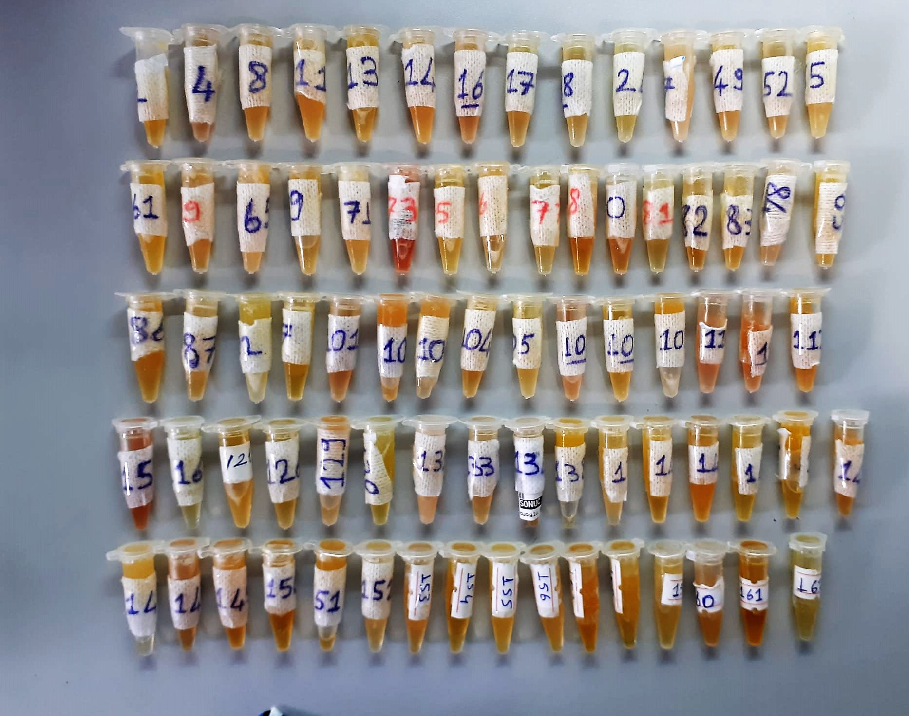

Test Principle
This ELISA kit uses the Sandwich-ELISA principle. The micro ELISA plate provided in this kit has been pre-coated with an antibody specific to Human ESM1.
Standards or samples are added to the micro ELISA plate wells and combined with the specific antibody. Then a biotinylated detection antibody specific for
Human ESM1 and Avidin-Horseradish Peroxidase (HRP) conjugate are added successively to each micro plate well and incubated. Free components are
washed away. The substrate solution is added to each well. Only those wells that contain Human ESM1, biotinylated detection antibody and Avidin-HRP
conjugate will appear blue in color. The enzyme-substrate reaction is terminated by the addition of stop solution and the color turns yellow.
The optical density (OD) is measured spectrophotometrically at a wavelength of 450 nm ± 2 nm. The OD value is proportional to the concentration of
Human ESM1. You can calculate the concentration of Human ESM1 in the samples by comparing the OD of the samples to the standard curve.

