FGF23
2.462 | 2.454 | 0.163 | 0.158 | 0.156 | 0.163 | 0.472 | 0.274 | 0.501 | 0.956 | 0.169
1.442 | 1.372 | 0.155 | 0.106 | 0.155 | 0.107 | 0.857 | 0.221 | 0.449 | 0.648 | 1.526
0.893 | 0.808 | 0.182 | 0.171 | 0.177 | 0.307 | 0.281 | 1.244 | 2.362 | 0.655
0.438 | 0.426 | 0.106 | 0.172 | 0.221 | 0.551 | 0.413 | 0.65 | 0.272 | 0.815
0.245 | 0.235 | 0.172 | 0.168 | 0.172 | 1.46 | 1.198 | 0.752 | 1.751 | 1.677
0.159 | 0.145 | 0.106 | 0.198 | 0.166 | 1.013 | 1.193 | 0.364 | 2.059 | 0.376
0.115 | 0.113 | 0.166 | 0.172 | 0.172 | 1.268 | 1.417 | 1.353 | 0.369 | 0.301
0.068 | 0.062 | 0.22 | 0.206 | 0.168 | 0.238 | 0.367 | 0.191 | 0.296 | 0.461

FGF23

 | abs. Ort. | abs-blank | expected | result
std1 | 2.458 | 2.393 | 500 | 500.689
std2 | 1.407 | 1.342 | 250 | 245.372
std3 | 0.85 | 0.785 | 125 | 133.046
std4 | 0.432 | 0.367 | 62.5 | 59.210
std5 | 0.24 | 0.175 | 31.25 | 28.300
std6 | 0.152 | 0.087 | 15.63 | 14.765
std7 | 0.114 | 0.049 | 7.81 | 9.043
blank | 0.065 | 0 | 0 | 1.775

 |  |  |  |  |  |  |  |  | concentration (pg/ml)

Numune | absorbans | blank | abs-blank | result(pg/ml)
K-1 | 0.163 | 0.065 | 0.098 | 16.435
K-2 | 0.155 | 0.065 | 0.09 | 15.220
K-3 | 0.182 | 0.065 | 0.117 | 19.334
K-4 | 0.106 | 0.065 | 0.041 | 7.848
K-5 | 0.172 | 0.065 | 0.107 | 17.806
K-6 | 0.106 | 0.065 | 0.041 | 7.848
K-7 | 0.166 | 0.065 | 0.101 | 16.892
K-8 | 0.22 | 0.065 | 0.155 | 25.189
K-9 | 0.158 | 0.065 | 0.093 | 15.675
K-10 | 0.106 | 0.065 | 0.041 | 7.848
K-11 | 0.171 | 0.065 | 0.106 | 17.654
K-12 | 0.172 | 0.065 | 0.107 | 17.806
K-13 | 0.168 | 0.065 | 0.103 | 17.196
K-14 | 0.198 | 0.065 | 0.133 | 21.790
K-15 | 0.172 | 0.065 | 0.107 | 17.806
K-16 | 0.206 | 0.065 | 0.141 | 23.023
K-17 | 0.156 | 0.065 | 0.091 | 15.372
K-18 | 0.155 | 0.065 | 0.09 | 15.220
K-19 | 0.177 | 0.065 | 0.112 | 18.570
K-20 | 0.221 | 0.065 | 0.156 | 25.344
K-21 | 0.172 | 0.065 | 0.107 | 17.806
K-22 | 0.166 | 0.065 | 0.101 | 16.892
K-23 | 0.172 | 0.065 | 0.107 | 17.806
K-24 | 0.168 | 0.065 | 0.103 | 17.196
K-25 | 0.163 | 0.065 | 0.098 | 16.435
K-26 | 0.107 | 0.065 | 0.042 | 7.997
HD-1 | 0.307 | 0.065 | 0.242 | 38.871
HD-2 | 0.551 | 0.065 | 0.486 | 79.317
HD-3 | 1.46 | 0.065 | 1.395 | 256.890
HD-4 | 1.013 | 0.065 | 0.948 | 164.269
HD-5 | 1.268 | 0.065 | 1.203 | 215.850
HD-6 | 0.238 | 0.065 | 0.173 | 27.988
HD-7 | 0.472 | 0.065 | 0.407 | 65.887
HD-8 | 0.857 | 0.065 | 0.792 | 134.359
HD-9 | 0.281 | 0.065 | 0.216 | 34.741
HD-10 | 0.413 | 0.065 | 0.348 | 56.066
HD-11 | 1.198 | 0.065 | 1.133 | 201.358
HD-12 | 1.193 | 0.065 | 1.128 | 200.333
HD-13 | 1.417 | 0.065 | 1.352 | 247.535
HD-14 | 0.367 | 0.065 | 0.302 | 48.533
HD-15 | 0.274 | 0.065 | 0.209 | 33.635
HD-16 | 0.221 | 0.065 | 0.156 | 25.344
HD-17 | 1.244 | 0.065 | 1.179 | 210.853
HD-18 | 0.65 | 0.065 | 0.585 | 96.599
HD-19 | 0.752 | 0.065 | 0.687 | 114.930
HD-20 | 0.364 | 0.065 | 0.299 | 48.046
HD-21 | 1.353 | 0.065 | 1.288 | 233.786
HD-22 | 0.191 | 0.065 | 0.126 | 20.714
HD-23 | 0.501 | 0.065 | 0.436 | 70.780
HD-24 | 0.449 | 0.065 | 0.384 | 62.038
HD-25 | 2.362 | 0.065 | 2.297 | 475.016
HD-26 | 0.272 | 0.065 | 0.207 | 33.320
HD-27 | 1.751 | 0.065 | 1.686 | 322.698
HD-28 | 2.059 | 0.065 | 1.994 | 397.085
HD-29 | 0.369 | 0.065 | 0.304 | 48.859
HD-30 | 0.296 | 0.065 | 0.231 | 37.120
HD-31 | 0.956 | 0.065 | 0.891 | 153.196
HD-32 | 0.648 | 0.065 | 0.583 | 96.245
HD-33 | 0.655 | 0.065 | 0.59 | 97.485
HD-34 | 0.815 | 0.065 | 0.75 | 126.520
HD-35 | 1.677 | 0.065 | 1.612 | 305.552
HD-36 | 0.376 | 0.065 | 0.311 | 49.999
HD-37 | 0.301 | 0.065 | 0.236 | 37.915
HD-38 | 0.461 | 0.065 | 0.396 | 64.043
HD-39 | 0.169 | 0.065 | 0.104 | 17.349
HD-40 | 1.526 | 0.065 | 1.461 | 271.435

SOST
2.693 | 2.616 | 0.206 | 0.285 | 0.257 | 0.331 | 0.33 | 0.56 | 0.891 | 1.603 | 0.733
1.648 | 1.734 | 0.274 | 0.298 | 0.275 | 0.292 | 0.272 | 0.325 | 0.334 | 0.444 | 0.779
1.026 | 1.023 | 0.331 | 0.271 | 0.276 | 0.372 | 0.278 | 0.368 | 0.357 | 0.285
0.697 | 0.665 | 0.359 | 0.483 | 0.355 | 0.413 | 0.646 | 0.575 | 0.395 | 0.634
0.376 | 0.366 | 0.305 | 0.277 | 0.272 | 0.349 | 0.39 | 0.714 | 0.553 | 0.278
0.241 | 0.248 | 0.278 | 0.412 | 0.279 | 0.323 | 0.298 | 0.544 | 0.488 | 0.685
0.163 | 0.167 | 0.491 | 0.319 | 0.428 | 0.551 | 0.455 | 0.411 | 0.86 | 0.482
0.089 | 0.078 | 0.289 | 0.359 | 0.229 | 0.41 | 0.289 | 0.483 | 0.939 | 0.473

SOST

 | abs. Ort. | abs-blank | expected | result
std1 | 2.654 | 2.571 | 4000 | 4001.177
std2 | 1.691 | 1.608 | 2000 | 2001.671
std3 | 1.024 | 0.941 | 1000 | 968.069
std4 | 0.681 | 0.598 | 500 | 548.489
std5 | 0.371 | 0.288 | 250 | 234.687
std6 | 0.244 | 0.161 | 125 | 124.063
std7 | 0.165 | 0.082 | 62.5 | 60.508
blank | 0.083 | 0 | 0 | -1.194

 |  |  |  |  |  |  |  |  | concentration (pg/ml)

Numune | absorbans | blank | abs-blank | result(pg/ml)
K-1 | 0.206 | 0.083 | 0.123 | 92.989
K-2 | 0.274 | 0.083 | 0.191 | 149.254
K-3 | 0.331 | 0.083 | 0.248 | 198.720
K-4 | 0.359 | 0.083 | 0.276 | 223.788
K-5 | 0.305 | 0.083 | 0.222 | 175.896
K-6 | 0.278 | 0.083 | 0.195 | 152.657
K-7 | 0.491 | 0.083 | 0.408 | 348.791
K-8 | 0.289 | 0.083 | 0.206 | 162.068
K-9 | 0.285 | 0.083 | 0.202 | 158.637
K-10 | 0.298 | 0.083 | 0.215 | 169.826
K-11 | 0.271 | 0.083 | 0.188 | 146.709
K-12 | 0.483 | 0.083 | 0.4 | 340.895
K-13 | 0.277 | 0.083 | 0.194 | 151.805
K-14 | 0.412 | 0.083 | 0.329 | 272.626
K-15 | 0.319 | 0.083 | 0.236 | 188.132
K-16 | 0.359 | 0.083 | 0.276 | 223.788
K-17 | 0.257 | 0.083 | 0.174 | 134.908
K-18 | 0.275 | 0.083 | 0.192 | 150.104
K-19 | 0.276 | 0.083 | 0.193 | 150.954
K-20 | 0.355 | 0.083 | 0.272 | 220.176
K-21 | 0.272 | 0.083 | 0.189 | 147.557
K-22 | 0.279 | 0.083 | 0.196 | 153.509
K-23 | 0.428 | 0.083 | 0.345 | 287.726
K-24 | 0.229 | 0.083 | 0.146 | 111.685
K-25 | 0.331 | 0.083 | 0.248 | 198.720
K-26 | 0.292 | 0.083 | 0.209 | 164.648
HD-1 | 0.372 | 0.083 | 0.289 | 235.599
HD-2 | 0.413 | 0.083 | 0.33 | 273.565
HD-3 | 0.349 | 0.083 | 0.266 | 214.777
HD-4 | 0.323 | 0.083 | 0.24 | 191.651
HD-5 | 0.551 | 0.083 | 0.468 | 409.333
HD-6 | 0.41 | 0.083 | 0.327 | 270.750
HD-7 | 0.33 | 0.083 | 0.247 | 197.834
HD-8 | 0.272 | 0.083 | 0.189 | 147.557
HD-9 | 0.278 | 0.083 | 0.195 | 152.657
HD-10 | 0.646 | 0.083 | 0.563 | 509.949
HD-11 | 0.39 | 0.083 | 0.307 | 252.133
HD-12 | 0.298 | 0.083 | 0.215 | 169.826
HD-13 | 0.455 | 0.083 | 0.372 | 313.583
HD-14 | 0.289 | 0.083 | 0.206 | 162.068
HD-15 | 0.56 | 0.083 | 0.477 | 418.615
HD-16 | 0.325 | 0.083 | 0.242 | 193.414
HD-17 | 0.368 | 0.083 | 0.285 | 231.954
HD-18 | 0.575 | 0.083 | 0.492 | 434.201
HD-19 | 0.714 | 0.083 | 0.631 | 585.551
HD-20 | 0.544 | 0.083 | 0.461 | 402.150
HD-21 | 0.411 | 0.083 | 0.328 | 271.688
HD-22 | 0.483 | 0.083 | 0.4 | 340.895
HD-23 | 0.891 | 0.083 | 0.808 | 796.350
HD-24 | 0.334 | 0.083 | 0.251 | 201.382
HD-25 | 0.357 | 0.083 | 0.274 | 221.981
HD-26 | 0.395 | 0.083 | 0.312 | 256.763
HD-27 | 0.553 | 0.083 | 0.47 | 411.391
HD-28 | 0.488 | 0.083 | 0.405 | 345.825
HD-29 | 0.86 | 0.083 | 0.777 | 757.968
HD-30 | 0.939 | 0.083 | 0.856 | 857.005
HD-31 | 1.603 | 0.083 | 1.52 | 1848.840
HD-32 | 0.444 | 0.083 | 0.361 | 302.992
HD-33 | 0.285 | 0.083 | 0.202 | 158.637
HD-34 | 0.634 | 0.083 | 0.551 | 496.918
HD-35 | 0.278 | 0.083 | 0.195 | 152.657
HD-36 | 0.685 | 0.083 | 0.602 | 552.943
HD-37 | 0.482 | 0.083 | 0.399 | 339.911
HD-38 | 0.473 | 0.083 | 0.39 | 331.082
HD-39 | 0.733 | 0.083 | 0.65 | 607.209
HD-40 | 0.779 | 0.083 | 0.696 | 660.610

Materyal-metod
KİT ADI | TÜR | MARKA | Numune Türü | CAT. NO | Yöntem | Kullanılan Cihaz
Fibroblast Growth Factor 23 | Human | Elabscience | Serum | E-EL-H1116 | ELİSA | Mıcroplate reader: BIO-TEK EL X 800-Aotu strıp washer:BIO TEK EL X 50
Sclerostin | Human | Elabscience | Serum | E-EL-H1544 | ELİSA | Mıcroplate reader: BIO-TEK EL X 800-Aotu strıp washer:BIO TEK EL X 50

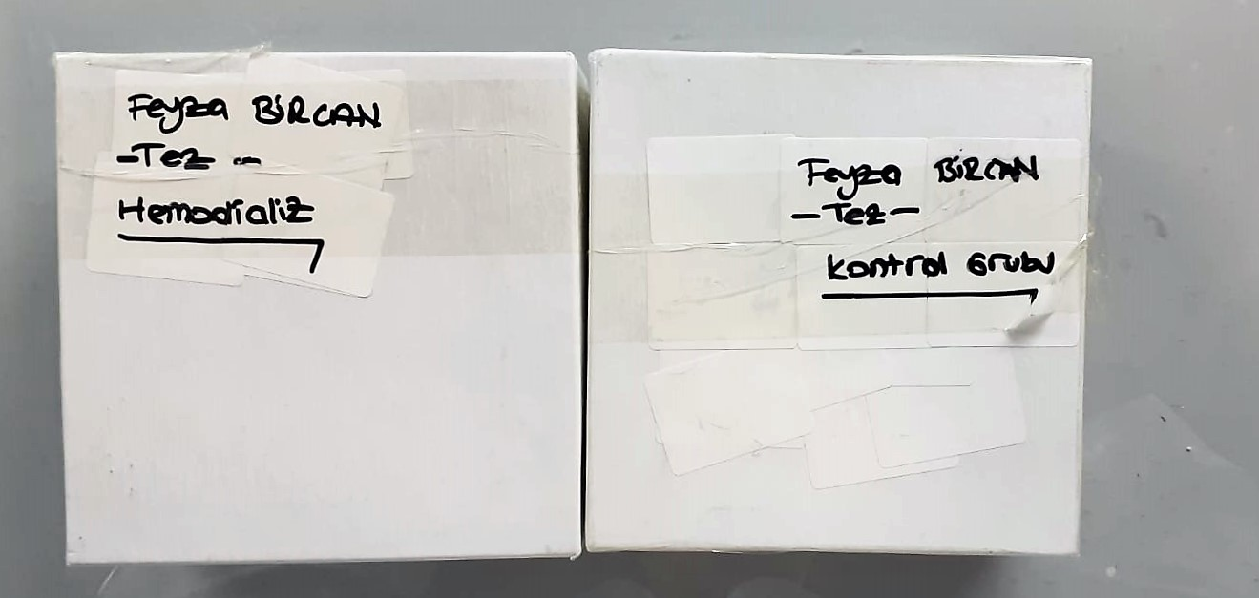

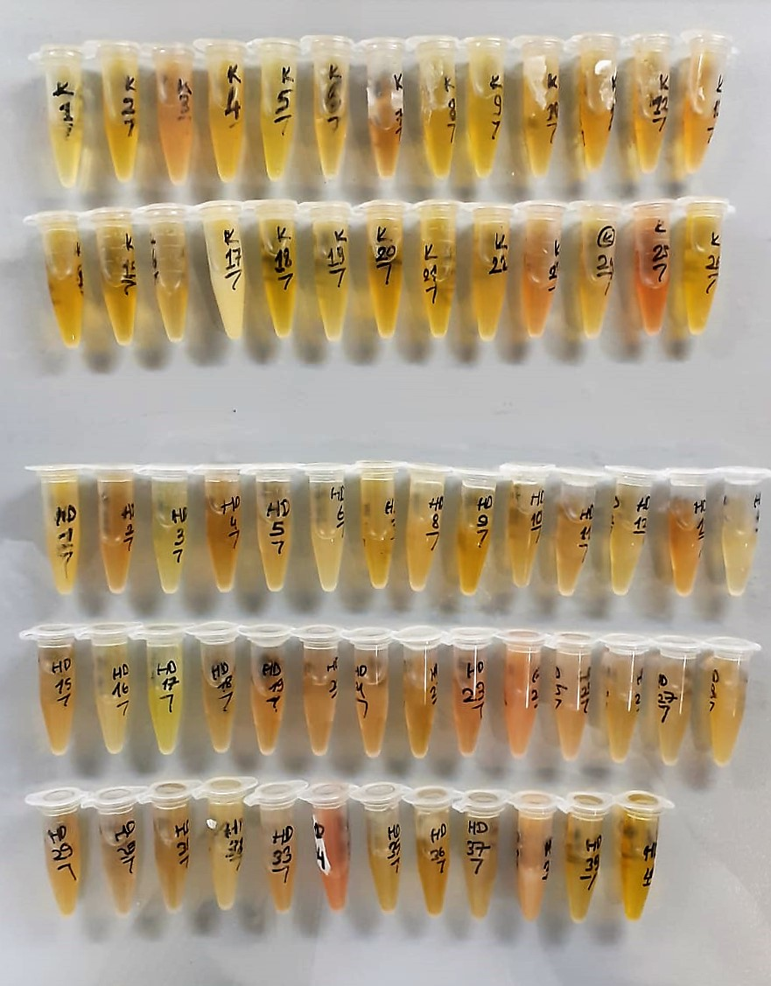

FGF23 Assay Principle
This ELISA kit uses the Sandwich-ELISA principle. The micro ELISA plate provided in this kit has been pre-coated with an antibody specific to Human FGF23.
Samples (or Standards) are added to the micro ELISA plate wells and combined with the specific antibody.
Then a biotinylated detection antibody specific for Human FGF23 and Avidin--Horseradish Peroxidase (HRP) conjugate are added successively to each micro plate well and incubated. Free components are washed away. The substrate solution is added to each well.
Only those wells that contain Human FGF23, biotinylated detection antibody and Avidin-HRP conjugate will appear blue in color. The enzyme-substrate reaction is terminated by the addition of stop solution and the color turns yellow.
The optical density (OD) is measured spectrophotometrically at a wavelength of 450 nm ± 2 nm. The OD value is proportional to the concentration of Human FGF23.
You can calculate the concentration of Human FGF23 in the samples by comparing the OD of the samples to the standard curve.

SOST Assay Principle
This ELISA kit uses the Sandwich-ELISA principle. The micro ELISA plate provided in this kit has been pre-coated with an antibody specific to Human SOST.
Samples (or Standards) are added to the micro ELISA plate wells and combined with the specific antibody.
Then a biotinylated detection antibody specific for Human SOST and Avidin--Horseradish Peroxidase (HRP) conjugate are added successively to each micro plate well and incubated. Free components are washed away. The substrate solution is added to each well.
Only those wells that contain Human SOST, biotinylated detection antibody and Avidin-HRP conjugate will appear blue in color. The enzyme-substrate reaction is terminated by the addition of stop solution and the color turns yellow.
The optical density (OD) is measured spectrophotometrically at a wavelength of 450 nm ± 2 nm. The OD value is proportional to the concentration of Human SOST.
You can calculate the concentration of Human SOST in the samples by comparing the OD of the samples to the standard curve.

