IL-6
2.941 | 2.941 | 2.497 | 2.187 | 0.846 | 1.615 | 1.734 | 0.805 | 2.432 | 2.306 | 1.909
1.801 | 1.751 | 0.994 | 1.629 | 1.959 | 2.058 | 0.965 | 1.131 | 2.236 | 2.266 | 2.258
1.004 | 0.967 | 1.51 | 2.103 | 2.423 | 2.114 | 1.9 | 0.693 | 2.879 | 1.196 | 0.804
0.583 | 0.553 | 1.675 | 1.16 | 1.003 | 1.671 | 1.312 | 2.054 | 2.182 | 1.983 | 1.18
0.346 | 0.415 | 0.82 | 1.804 | 1.194 | 1.742 | 2.485 | 1.409 | 2.016 | 1.061 | 2.471
0.074 | 0.064 | 1.927 | 2.021 | 1.564 | 1.905 | 2.939 | 0.634 | 0.731 | 1.577
 |  | 2.629 | 2.289 | 2.088 | 2.667 | 1.033 | 2.415 | 1.334 | 2.404
 |  | 1.906 | 0.698 | 0.634 | 2.891 | 2.642 | 1.507 | 0.83 | 0.557

IL-6

 | abs.ort. | abs-blank | expected | result
std1 | 2.941 | 2.872 | 240 | 239.63
std2 | 1.776 | 1.707 | 120 | 121.73
std3 | 0.985 | 0.916 | 60 | 57.65
std4 | 0.568 | 0.499 | 30 | 29.06
std5 | 0.38 | 0.311 | 15 | 17.35
blank | 0.069 | 0 | 0 | -0.43

 |  |  |  |  |  |  |  |  | concentratıon (ng/L)
Numune | absorbans | blank | abs-blank | result(ng/L)
CA-11 | 2.497 | 0.069 | 2.428 | 191.39
CA-12 | 0.994 | 0.069 | 0.925 | 58.31
CA-13 | 1.51 | 0.069 | 1.441 | 98.74
CA-21 | 1.675 | 0.069 | 1.606 | 112.83
CA-22 | 0.82 | 0.069 | 0.751 | 45.91
CA-23 | 1.927 | 0.069 | 1.858 | 135.43
CA-31 | 2.629 | 0.069 | 2.56 | 205.31
CA-32 | 1.906 | 0.069 | 1.837 | 133.50
CA-33 | 2.187 | 0.069 | 2.118 | 160.13
F-12 | 1.629 | 0.069 | 1.56 | 108.85
F-13 | 2.103 | 0.069 | 2.034 | 152.00
F-21 | 1.16 | 0.069 | 1.091 | 70.72
F-22 | 1.804 | 0.069 | 1.735 | 124.24
F-23 | 2.021 | 0.069 | 1.952 | 144.20
F-31 | 2.289 | 0.069 | 2.22 | 170.19
F-32 | 0.698 | 0.069 | 0.629 | 37.59
F-33 | 0.846 | 0.069 | 0.777 | 47.72
CAF-11 | 1.959 | 0.069 | 1.89 | 138.40
CAF-12 | 2.423 | 0.069 | 2.354 | 183.75
CAF-13 | 1.003 | 0.069 | 0.934 | 58.96
CAF-21 | 1.194 | 0.069 | 1.125 | 73.33
CAF-22 | 1.564 | 0.069 | 1.495 | 103.29
CAF-23 | 2.088 | 0.069 | 2.019 | 150.56
CAF-31 | 0.634 | 0.069 | 0.565 | 33.35
CAF-32 | 1.615 | 0.069 | 1.546 | 107.64
CAF-33 | 2.058 | 0.069 | 1.989 | 147.70
CAK-11 | 2.114 | 0.069 | 2.045 | 153.05
CAK-12 | 1.671 | 0.069 | 1.602 | 112.48
CAK-13 | 1.742 | 0.069 | 1.673 | 118.71
CAK-21 | 1.905 | 0.069 | 1.836 | 133.41
CAK-22 | 2.667 | 0.069 | 2.598 | 209.38
CAK-23 | 2.891 | 0.069 | 2.822 | 233.99
CAK-31 | 1.734 | 0.069 | 1.665 | 118.00
CAK-32 | 0.965 | 0.069 | 0.896 | 56.20
CAK-33 | 1.9 | 0.069 | 1.831 | 132.95
KF-11 | 1.312 | 0.069 | 1.243 | 82.58
KF-12 | 2.485 | 0.069 | 2.416 | 190.14
KF-13 | 2.939 | 0.069 | 2.87 | 239.40
KF-21 | 1.033 | 0.069 | 0.964 | 61.17
KF-22 | 2.642 | 0.069 | 2.573 | 206.70
KF-31 | 0.805 | 0.069 | 0.736 | 44.87
KF-32 | 1.131 | 0.069 | 1.062 | 68.51
KF-33 | 0.693 | 0.069 | 0.624 | 37.26
KF-41 | 2.054 | 0.069 | 1.985 | 147.32
KF-42 | 1.409 | 0.069 | 1.34 | 90.39
KF-43 | 0.634 | 0.069 | 0.565 | 33.35
DF-11 | 2.415 | 0.069 | 2.346 | 182.93
DF-12 | 1.507 | 0.069 | 1.438 | 98.49
DF-13 | 2.432 | 0.069 | 2.363 | 184.67
DF-21 | 2.236 | 0.069 | 2.167 | 164.94
DF-22 | 2.879 | 0.069 | 2.81 | 232.65
DF-23 | 2.182 | 0.069 | 2.113 | 159.64
DF-31 | 2.016 | 0.069 | 1.947 | 143.73
DF-32 | 0.731 | 0.069 | 0.662 | 39.81
DF-33 | 1.334 | 0.069 | 1.265 | 84.33
DF-41 | 0.83 | 0.069 | 0.761 | 46.61
DF-42 | 2.306 | 0.069 | 2.237 | 171.89
DF-43 | 2.266 | 0.069 | 2.197 | 167.91
YF-11 | 1.196 | 0.069 | 1.127 | 73.48
YF-12 | 1.983 | 0.069 | 1.914 | 140.63
YF-13 | 1.061 | 0.069 | 0.992 | 63.25
YF-21 | 1.577 | 0.069 | 1.508 | 104.39
YF-22 | 2.404 | 0.069 | 2.335 | 181.80
YF-23 | 0.557 | 0.069 | 0.488 | 28.36
YF-31 | 1.909 | 0.069 | 1.84 | 133.77
YF-33 | 2.258 | 0.069 | 2.189 | 167.11
YF-41 | 0.804 | 0.069 | 0.735 | 44.80
YF-42 | 1.18 | 0.069 | 1.111 | 72.25
YF-43 | 2.471 | 0.069 | 2.402 | 188.69

TNF-A
0.106 | 0.104 | 1.81 | 1.751 | 0.92 | 1.702 | 1.69 | 1.768 | 1.605 | 1.847 | 1.983
0.492 | 0.496 | 1.781 | 1.779 | 1.794 | 1.63 | 1.632 | 1.679 | 1.708 | 1.636 | 1.847
0.788 | 0.784 | 1.777 | 1.796 | 1.833 | 1.56 | 1.324 | 1.881 | 1.493 | 1.775 | 1.906
1.1 | 1.1 | 1.664 | 1.777 | 1.911 | 1.72 | 1.601 | 1.692 | 1.594 | 1.643 | 1.92
1.426 | 1.41 | 1.905 | 1.827 | 2.048 | 1.778 | 1.267 | 1.824 | 1.838 | 1.81 | 1.75
0.05 | 0.046 | 1.798 | 2.035 | 1.934 | 1.869 | 1.141 | 1.935 | 1.905 | 1.743
 |  | 1.862 | 2.148 | 1.896 | 1.958 | 1.78 | 1.882 | 1.81 | 1.843
 |  | 1.681 | 2.098 | 1.993 | 1.83 | 1.572 | 1.727 | 1.855 | 1.84

TNF-A

 | abs.ort. | abs-blank | expected | result
std1 | 0.105 | 0.057 | 240 | 239.02
std2 | 0.494 | 0.446 | 120 | 121.58
std3 | 0.786 | 0.738 | 60 | 62.03
std4 | 1.1 | 1.052 | 30 | 25.37
std5 | 1.41 | 1.362 | 15 | 16.99
blank | 0.048 | 0 | 0 | 259.88

 |  |  |  |  |  |  |  |  | concentratıon (ng/L)

Numune | absorbans | blank | abs-blank | result(ng/L)
CA-11 | 1.81 | 0.048 | 1.762 | 47.04
CA-12 | 1.781 | 0.048 | 1.733 | 43.32
CA-13 | 1.777 | 0.048 | 1.729 | 42.82
CA-21 | 1.664 | 0.048 | 1.616 | 30.74
CA-22 | 1.905 | 0.048 | 1.857 | 60.94
CA-23 | 1.798 | 0.048 | 1.75 | 45.47
CA-31 | 1.862 | 0.048 | 1.814 | 54.33
CA-32 | 1.681 | 0.048 | 1.633 | 32.32
CA-33 | 1.751 | 0.048 | 1.703 | 39.72
F-12 | 1.779 | 0.048 | 1.731 | 43.07
F-13 | 1.796 | 0.048 | 1.748 | 45.21
F-21 | 1.777 | 0.048 | 1.729 | 42.82
F-22 | 1.827 | 0.048 | 1.779 | 49.34
F-23 | 2.035 | 0.048 | 1.987 | 84.17
F-31 | 2.148 | 0.048 | 2.1 | 108.31
F-32 | 2.098 | 0.048 | 2.05 | 97.18
F-33 | 0.92 | 0.048 | 0.872 | 42.92
CAF-11 | 1.794 | 0.048 | 1.746 | 44.96
CAF-12 | 1.833 | 0.048 | 1.785 | 50.17
CAF-13 | 1.911 | 0.048 | 1.863 | 61.91
CAF-21 | 2.048 | 0.048 | 2 | 86.76
CAF-22 | 1.934 | 0.048 | 1.886 | 65.70
CAF-23 | 1.896 | 0.048 | 1.848 | 59.51
CAF-31 | 1.993 | 0.048 | 1.945 | 76.13
CAF-32 | 1.702 | 0.048 | 1.654 | 34.39
CAF-33 | 1.63 | 0.048 | 1.582 | 27.82
CAK-11 | 1.56 | 0.048 | 1.512 | 22.87
CAK-12 | 1.72 | 0.048 | 1.672 | 36.27
CAK-13 | 1.778 | 0.048 | 1.73 | 42.94
CAK-21 | 1.869 | 0.048 | 1.821 | 55.37
CAK-22 | 1.958 | 0.048 | 1.91 | 69.82
CAK-23 | 1.83 | 0.048 | 1.782 | 49.75
CAK-31 | 1.69 | 0.048 | 1.642 | 33.19
CAK-32 | 1.632 | 0.048 | 1.584 | 27.99
CAK-33 | 1.324 | 0.048 | 1.276 | 16.55
KF-11 | 1.601 | 0.048 | 1.553 | 25.60
KF-12 | 1.267 | 0.048 | 1.219 | 17.42
KF-13 | 1.141 | 0.048 | 1.093 | 22.67
KF-21 | 1.78 | 0.048 | 1.732 | 43.19
KF-22 | 1.572 | 0.048 | 1.524 | 23.62
KF-31 | 1.768 | 0.048 | 1.72 | 41.72
KF-32 | 1.679 | 0.048 | 1.631 | 32.13
KF-33 | 1.881 | 0.048 | 1.833 | 57.18
KF-41 | 1.692 | 0.048 | 1.644 | 33.39
KF-42 | 1.824 | 0.048 | 1.776 | 48.93
KF-43 | 1.935 | 0.048 | 1.887 | 65.87
DF-11 | 1.882 | 0.048 | 1.834 | 57.34
DF-12 | 1.727 | 0.048 | 1.679 | 37.02
DF-13 | 1.605 | 0.048 | 1.557 | 25.89
DF-21 | 1.708 | 0.048 | 1.66 | 35.01
DF-22 | 1.493 | 0.048 | 1.445 | 19.44
DF-23 | 1.594 | 0.048 | 1.546 | 25.10
DF-31 | 1.838 | 0.048 | 1.79 | 50.87
DF-32 | 1.905 | 0.048 | 1.857 | 60.94
DF-33 | 1.81 | 0.048 | 1.762 | 47.04
DF-41 | 1.855 | 0.048 | 1.807 | 53.30
DF-42 | 1.847 | 0.048 | 1.799 | 52.15
DF-43 | 1.636 | 0.048 | 1.588 | 28.31
YF-11 | 1.775 | 0.048 | 1.727 | 42.57
YF-12 | 1.643 | 0.048 | 1.595 | 28.90
YF-13 | 1.81 | 0.048 | 1.762 | 47.04
YF-21 | 1.743 | 0.048 | 1.695 | 38.80
YF-22 | 1.843 | 0.048 | 1.795 | 51.58
YF-23 | 1.84 | 0.048 | 1.792 | 51.15
YF-31 | 1.983 | 0.048 | 1.935 | 74.29
YF-33 | 1.847 | 0.048 | 1.799 | 52.15
YF-41 | 1.906 | 0.048 | 1.858 | 61.10
YF-42 | 1.92 | 0.048 | 1.872 | 63.37
YF-43 | 1.75 | 0.048 | 1.702 | 39.60

INS
0.125 | 0.12 | 1.74 | 1.606 | 1.6 | 1.752 | 1.57 | 1.547 | 1.64 | 1.614 | 1.735
0.571 | 0.606 | 1.686 | 1.689 | 1.789 | 1.678 | 1.588 | 1.575 | 1.658 | 1.595 | 1.56
1.027 | 1.114 | 1.639 | 1.768 | 1.664 | 1.458 | 1.289 | 1.529 | 1.59 | 1.476 | 1.615
1.445 | 1.487 | 1.713 | 1.758 | 1.714 | 1.58 | 1.562 | 1.506 | 1.556 | 1.588 | 1.76
1.875 | 1.877 | 1.795 | 1.786 | 1.813 | 1.739 | 1.36 | 1.739 | 1.709 | 1.633 | 1.654
0.042 | 0.039 | 1.826 | 1.809 | 1.906 | 1.766 | 1.516 | 1.796 | 1.591 | 1.596
 |  | 1.873 | 1.868 | 1.955 | 1.813 | 1.578 | 1.801 | 1.685 | 1.802
 |  | 1.832 | 1.933 | 1.916 | 1.681 | 1.446 | 1.703 | 2.042 | 1.981

INS

 | abs.ort. | abs-blank | expected | result
std1 | 0.122 | 0.082 | 48 | 47.19
std2 | 0.588 | 0.548 | 24 | 25.89
std3 | 1.07 | 1.03 | 12 | 11.29
std4 | 1.466 | 1.426 | 6 | 4.93
std5 | 1.876 | 1.836 | 3 | 3.70
blank | 0.04 | 0 | 0 | 51.66

 |  |  |  |  |  |  |  |  |  | concentration (ulU/ml)

Numune | absorbans | blank | abs-blank | result(ulU/ml)
CA-11 | 1.74 | 0.04 | 1.7 | 3.51
CA-12 | 1.686 | 0.04 | 1.646 | 3.59
CA-13 | 1.639 | 0.04 | 1.599 | 3.75
CA-21 | 1.713 | 0.04 | 1.673 | 3.54
CA-22 | 1.795 | 0.04 | 1.755 | 3.51
CA-23 | 1.826 | 0.04 | 1.786 | 3.56
CA-31 | 1.873 | 0.04 | 1.833 | 3.69
CA-32 | 1.832 | 0.04 | 1.792 | 3.57
CA-33 | 1.606 | 0.04 | 1.566 | 3.90
F-12 | 1.689 | 0.04 | 1.649 | 3.59
F-13 | 1.768 | 0.04 | 1.728 | 3.50
F-21 | 1.758 | 0.04 | 1.718 | 3.50
F-22 | 1.786 | 0.04 | 1.746 | 3.51
F-23 | 1.809 | 0.04 | 1.769 | 3.53
F-31 | 1.868 | 0.04 | 1.828 | 3.68
F-32 | 1.933 | 0.04 | 1.893 | 3.97
F-33 | 1.6 | 0.04 | 1.56 | 3.93
CAF-11 | 1.789 | 0.04 | 1.749 | 3.51
CAF-12 | 1.664 | 0.04 | 1.624 | 3.66
CAF-13 | 1.714 | 0.04 | 1.674 | 3.54
CAF-21 | 1.813 | 0.04 | 1.773 | 3.54
CAF-22 | 1.906 | 0.04 | 1.866 | 3.83
CAF-23 | 1.955 | 0.04 | 1.915 | 4.10
CAF-31 | 1.916 | 0.04 | 1.876 | 3.88
CAF-32 | 1.752 | 0.04 | 1.712 | 3.50
CAF-33 | 1.678 | 0.04 | 1.638 | 3.61
CAK-11 | 1.458 | 0.04 | 1.418 | 5.00
CAK-12 | 1.58 | 0.04 | 1.54 | 4.04
CAK-13 | 1.739 | 0.04 | 1.699 | 3.51
CAK-21 | 1.766 | 0.04 | 1.726 | 3.50
CAK-22 | 1.813 | 0.04 | 1.773 | 3.54
CAK-23 | 1.681 | 0.04 | 1.641 | 3.61
CAK-31 | 1.57 | 0.04 | 1.53 | 4.10
CAK-32 | 1.588 | 0.04 | 1.548 | 3.99
CAK-33 | 1.289 | 0.04 | 1.249 | 7.14
KF-11 | 1.562 | 0.04 | 1.522 | 4.15
KF-12 | 1.36 | 0.04 | 1.32 | 6.13
KF-13 | 1.516 | 0.04 | 1.476 | 4.49
KF-21 | 1.578 | 0.04 | 1.538 | 4.05
KF-22 | 1.446 | 0.04 | 1.406 | 5.13
KF-31 | 1.547 | 0.04 | 1.507 | 4.25
KF-32 | 1.575 | 0.04 | 1.535 | 4.07
KF-33 | 1.529 | 0.04 | 1.489 | 4.38
KF-41 | 1.506 | 0.04 | 1.466 | 4.57
KF-42 | 1.739 | 0.04 | 1.699 | 3.51
KF-43 | 1.796 | 0.04 | 1.756 | 3.51
DF-11 | 1.801 | 0.04 | 1.761 | 3.52
DF-12 | 1.703 | 0.04 | 1.663 | 3.55
DF-13 | 1.64 | 0.04 | 1.6 | 3.74
DF-21 | 1.658 | 0.04 | 1.618 | 3.67
DF-22 | 1.59 | 0.04 | 1.55 | 3.98
DF-23 | 1.556 | 0.04 | 1.516 | 4.19
DF-31 | 1.709 | 0.04 | 1.669 | 3.54
DF-32 | 1.591 | 0.04 | 1.551 | 3.98
DF-33 | 1.685 | 0.04 | 1.645 | 3.59
DF-41 | 2.042 | 0.04 | 2.002 | 4.76
DF-42 | 1.614 | 0.04 | 1.574 | 3.86
DF-43 | 1.595 | 0.04 | 1.555 | 3.95
YF-11 | 1.476 | 0.04 | 1.436 | 4.83
YF-12 | 1.588 | 0.04 | 1.548 | 3.99
YF-13 | 1.633 | 0.04 | 1.593 | 3.77
YF-21 | 1.596 | 0.04 | 1.556 | 3.95
YF-22 | 1.802 | 0.04 | 1.762 | 3.52
YF-23 | 1.981 | 0.04 | 1.941 | 4.27
YF-31 | 1.735 | 0.04 | 1.695 | 3.51
YF-33 | 1.56 | 0.04 | 1.52 | 4.16
YF-41 | 1.615 | 0.04 | 1.575 | 3.85
YF-42 | 1.76 | 0.04 | 1.72 | 3.50
YF-43 | 1.654 | 0.04 | 1.614 | 3.69

IL-1B
0.183 | 0.19 | 1.732 | 1.759 | 1.758 | 1.733 | 1.639 | 1.566 | 1.601 | 1.664 | 1.685
0.542 | 0.544 | 1.745 | 1.813 | 1.748 | 1.595 | 1.66 | 1.516 | 1.609 | 1.563 | 1.563
0.803 | 0.884 | 1.618 | 1.758 | 1.838 | 1.536 | 1.282 | 1.759 | 1.564 | 1.75 | 1.73
1.128 | 1.138 | 1.673 | 1.774 | 1.684 | 1.524 | 1.519 | 1.377 | 1.61 | 1.546 | 1.668
1.441 | 1.477 | 1.566 | 1.771 | 1.865 | 1.681 | 1.545 | 1.714 | 1.698 | 1.685 | 1.5
0.045 | 0.045 | 1.719 | 1.792 | 1.672 | 1.647 | 1.541 | 1.356 | 1.709 | 1.526
 |  | 1.515 | 1.94 | 1.702 | 1.709 | 1.706 | 1.829 | 1.704 | 1.626
 |  | 1.694 | 1.948 | 1.768 | 1.692 | 1.367 | 1.717 | 1.759 | 1.714

IL-1B

 | abs.ort. | abs-blank | expected | result
std1 | 0.186 | 0.146 | 480 | 475.96
std2 | 0.543 | 0.503 | 240 | 248.88
std3 | 0.843 | 0.803 | 120 | 120.34
std4 | 1.133 | 1.093 | 60 | 50.14
std5 | 1.459 | 1.419 | 30 | 34.67
blank | 0.04 | 0 | 0 | 592.03

 |  |  |  |  |  |  |  |  | concentratıon (ng/L)

Numune | absorbans | blank | abs-blank | result(ng/L)
CA-11 | 1.732 | 0.04 | 1.692 | 73.38
CA-12 | 1.745 | 0.04 | 1.705 | 76.39
CA-13 | 1.618 | 0.04 | 1.578 | 51.48
CA-21 | 1.673 | 0.04 | 1.633 | 61.02
CA-22 | 1.566 | 0.04 | 1.526 | 44.23
CA-23 | 1.719 | 0.04 | 1.679 | 70.47
CA-31 | 1.515 | 0.04 | 1.475 | 38.77
CA-32 | 1.694 | 0.04 | 1.654 | 65.17
CA-33 | 1.759 | 0.04 | 1.719 | 79.76
F-12 | 1.813 | 0.04 | 1.773 | 93.92
F-13 | 1.758 | 0.04 | 1.718 | 79.52
F-21 | 1.774 | 0.04 | 1.734 | 83.51
F-22 | 1.771 | 0.04 | 1.731 | 82.75
F-23 | 1.792 | 0.04 | 1.752 | 88.20
F-31 | 1.94 | 0.04 | 1.9 | 134.48
F-32 | 1.948 | 0.04 | 1.908 | 137.38
F-33 | 1.758 | 0.04 | 1.718 | 79.52
CAF-11 | 1.748 | 0.04 | 1.708 | 77.11
CAF-12 | 1.838 | 0.04 | 1.798 | 101.10
CAF-13 | 1.684 | 0.04 | 1.644 | 63.16
CAF-21 | 1.865 | 0.04 | 1.825 | 109.30
CAF-22 | 1.672 | 0.04 | 1.632 | 60.83
CAF-23 | 1.702 | 0.04 | 1.662 | 66.82
CAF-31 | 1.768 | 0.04 | 1.728 | 82.00
CAF-32 | 1.733 | 0.04 | 1.693 | 73.61
CAF-33 | 1.595 | 0.04 | 1.555 | 48.06
CAK-11 | 1.536 | 0.04 | 1.496 | 40.82
CAK-12 | 1.524 | 0.04 | 1.484 | 39.61
CAK-13 | 1.681 | 0.04 | 1.641 | 62.57
CAK-21 | 1.647 | 0.04 | 1.607 | 56.27
CAK-22 | 1.709 | 0.04 | 1.669 | 68.30
CAK-23 | 1.692 | 0.04 | 1.652 | 64.76
CAK-31 | 1.639 | 0.04 | 1.599 | 54.90
CAK-32 | 1.66 | 0.04 | 1.62 | 58.59
CAK-33 | 1.282 | 0.04 | 1.242 | 34.73
KF-11 | 1.519 | 0.04 | 1.479 | 39.14
KF-12 | 1.545 | 0.04 | 1.505 | 41.78
KF-13 | 1.541 | 0.04 | 1.501 | 41.34
KF-21 | 1.706 | 0.04 | 1.666 | 67.66
KF-22 | 1.367 | 0.04 | 1.327 | 32.23
KF-31 | 1.566 | 0.04 | 1.526 | 44.23
KF-32 | 1.516 | 0.04 | 1.476 | 38.86
KF-33 | 1.759 | 0.04 | 1.719 | 79.76
KF-41 | 1.377 | 0.04 | 1.337 | 32.23
KF-42 | 1.714 | 0.04 | 1.674 | 69.37
KF-43 | 1.356 | 0.04 | 1.316 | 32.30
DF-11 | 1.829 | 0.04 | 1.789 | 98.47
DF-12 | 1.717 | 0.04 | 1.677 | 70.03
DF-13 | 1.601 | 0.04 | 1.561 | 48.92
DF-21 | 1.609 | 0.04 | 1.569 | 50.11
DF-22 | 1.564 | 0.04 | 1.524 | 43.98
DF-23 | 1.61 | 0.04 | 1.57 | 50.26
DF-31 | 1.698 | 0.04 | 1.658 | 65.99
DF-32 | 1.709 | 0.04 | 1.669 | 68.30
DF-33 | 1.704 | 0.04 | 1.664 | 67.24
DF-41 | 1.759 | 0.04 | 1.719 | 79.76
DF-42 | 1.664 | 0.04 | 1.624 | 59.33
DF-43 | 1.563 | 0.04 | 1.523 | 43.86
YF-11 | 1.75 | 0.04 | 1.71 | 77.58
YF-12 | 1.546 | 0.04 | 1.506 | 41.89
YF-13 | 1.685 | 0.04 | 1.645 | 63.36
YF-21 | 1.526 | 0.04 | 1.486 | 39.81
YF-22 | 1.626 | 0.04 | 1.586 | 52.75
YF-23 | 1.714 | 0.04 | 1.674 | 69.37
YF-31 | 1.685 | 0.04 | 1.645 | 63.36
YF-33 | 1.563 | 0.04 | 1.523 | 43.86
YF-41 | 1.73 | 0.04 | 1.69 | 72.92
YF-42 | 1.668 | 0.04 | 1.628 | 60.08
YF-43 | 1.5 | 0.04 | 1.46 | 37.47

Materyal-metod
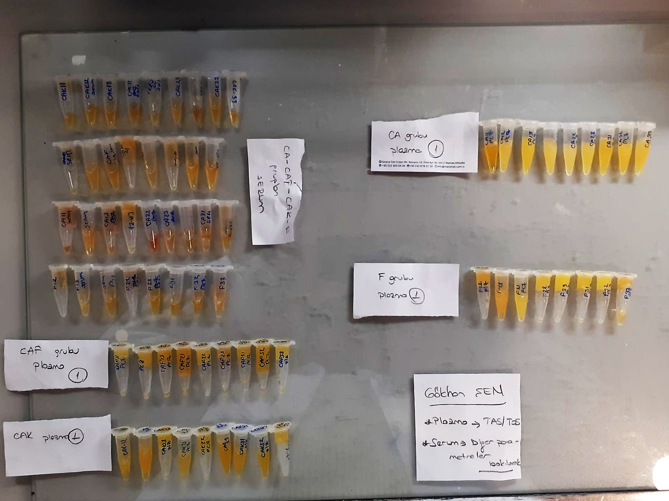
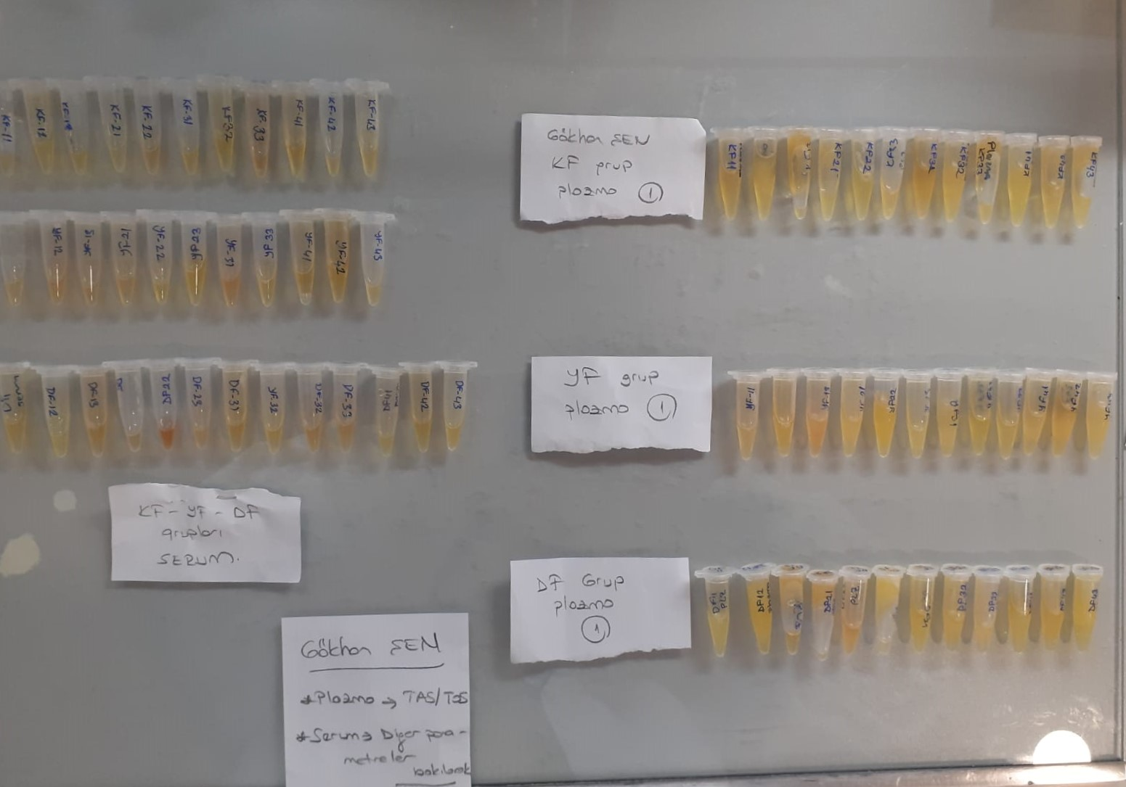
KİT ADI | TÜR | Numune Türü | MARKA | CAT. NO | Yöntem | Kullanılan Cihaz
Tumor necrosis factor-alfa | Chicken | Serum | BT-lab | EA0003Ch | ELİSA | Mıcroplate reader: BIO-TEK EL X 800-Aotu strıp washer:BIO TEK EL X 50
Interleukin-6 | Chicken | Serum | BT-lab | E0004Ch | ELİSA | Mıcroplate reader: BIO-TEK EL X 800-Aotu strıp washer:BIO TEK EL X 50
Interleukin-1 beta | Chicken | Serum | BT-lab | EA0003Ch | ELİSA | Mıcroplate reader: BIO-TEK EL X 800-Aotu strıp washer:BIO TEK EL X 50
Insulin | Chicken | Serum | BT-lab | EA0012Ch | ELİSA | Mıcroplate reader: BIO-TEK EL X 800-Aotu strıp washer:BIO TEK EL X 50

