Human BNP
0.045 | 0.116 | 0.202 | 0.236 | 0.396 | 0.306 | 0.366 | 0.686 | 0.832 | 0.375 | 0.816 | 0.252
0.403 | 0.212 | 0.158 | 0.209 | 0.178 | 0.229 | 0.337 | 0.282 | 0.328 | 0.101 | 0.364 | 0.068
0.646 | 0.191 | 0.156 | 0.107 | 0.088 | 0.062 | 0.078 | 0.182 | 0.723 | 0.671 | 0.167 | 0.066
0.793 | 0.1 | 0.165 | 0.257 | 0.126 | 0.227 | 0.173 | 0.563 | 0.449 | 0.438 | 0.449 | 0.372
0.941 | 0.181 | 0.274 | 0.074 | 0.06 | 0.308 | 0.159 | 0.175 | 0.605 | 0.079 | 0.403 | 0.519
0.997 | 0.061 | 0.167 | 0.532 | 0.069 | 0.3 | 0.06 | 0.073 | 0.425 | 0.327 | 0.12 | 0.068
1.386 | 0.215 | 0.156 | 0.305 | 0.478 | 0.081 | 0.083 | 1.069 | 0.142 | 0.754 | 0.635 | 0.221
1.982 | 0.173 | 0.211 | 0.154 | 0.51 | 0.437 | 0.372 | 0.615 | 0.406 | 0.394 | 0.361 | 0.594

BNP

 | absorbans | expected | result
std1 | 0.045 | 2000 | 2009.32
std2 | 0.403 | 1000 | 980.24
std3 | 0.646 | 500 | 488.92
std4 | 0.793 | 250 | 273.04
std5 | 0.941 | 125 | 117.63
std6 | 0.997 | 62.5 | 75.03
std7 | 1.386 | 31.25 | 24.72
blank | 1.982 | 0 | 0.00

 |  |  |  |  |  |  | concentratıon (pg/ml)

Numune | absorbans | Result
C-1 | 0.116 | 1776.32
C-14 | 0.212 | 1484.02
C-15 | 0.191 | 1545.73
C-18 | 0.1 | 1827.58
C-20 | 0.181 | 1575.55
C-21 | 0.061 | 1955.56
C-23 | 0.215 | 1475.31
C-24 | 0.173 | 1599.61
C-25 | 0.202 | 1513.25
C-26 | 0.158 | 1645.22
C-28 | 0.156 | 1651.35
C-29 | 0.165 | 1623.86
C-31 | 0.274 | 1309.14
C-33 | 0.167 | 1617.78
C-34 | 0.156 | 1651.35
C-40 | 0.211 | 1486.93
C-41 | 0.236 | 1415.03
C-42 | 0.209 | 1492.76
S-1 | 0.107 | 1805.06
S-2 | 0.257 | 1356.01
S-4 | 0.074 | 1912.42
S-5 | 0.532 | 698.55
S-6 | 0.305 | 1225.79
S-7 | 0.154 | 1657.49
S-9 | 0.396 | 996.88
S-10 | 0.178 | 1584.55
S-11 | 0.088 | 1866.50
S-13 | 0.126 | 1744.65
S-14 | 0.06 | 1958.90
S-15 | 0.069 | 1928.96
S-16 | 0.478 | 810.72
S-17 | 0.51 | 743.25
S-18 | 0.306 | 1223.15
S-19 | 0.229 | 1434.99
S-20 | 0.062 | 1952.23
S-21 | 0.227 | 1440.71
S-22 | 0.308 | 1217.87
S-23 | 0.3 | 1239.05
S-24 | 0.081 | 1889.39
S-25 | 0.437 | 901.41
S-26 | 0.366 | 1069.75
S-27 | 0.337 | 1142.62
S-28 | 0.078 | 1899.24
S-29 | 0.173 | 1599.61
S-30 | 0.159 | 1642.16
S-32 | 0.06 | 1958.90
S-33 | 0.083 | 1882.84
S-34 | 0.372 | 1054.97
S-35 | 0.686 | 424.11
S-36 | 0.282 | 1287.37
S-38 | 0.182 | 1572.55
S-39 | 0.563 | 637.90
S-40 | 0.175 | 1593.58
G-2 | 0.073 | 1915.72
G-3 | 1.069 | 33.34
G-6 | 0.615 | 542.28
G-8 | 0.832 | 226.05
G-9 | 0.328 | 1165.72
G-10 | 0.723 | 368.19
G-11 | 0.449 | 874.38
G-12 | 0.605 | 560.07
G-13 | 0.425 | 928.86
G-14 | 0.142 | 1694.57
G-15 | 0.406 | 973.15
G-16 | 0.375 | 1047.62
G-17 | 0.101 | 1824.35
G-18 | 0.671 | 447.88
G-19 | 0.438 | 899.15
G-20 | 0.079 | 1895.96
G-21 | 0.327 | 1168.30
G-22 | 0.754 | 324.34
G-23 | 0.394 | 1001.65
G-24 | 0.816 | 244.81
G-26 | 0.364 | 1074.70
G-27 | 0.167 | 1617.78
G-28 | 0.449 | 874.38
G-29 | 0.403 | 980.24
G-30 | 0.12 | 1763.62
G-32 | 0.635 | 507.54
G-33 | 0.361 | 1082.14
G-34 | 0.252 | 1369.95
G-35 | 0.068 | 1932.27
G-37 | 0.066 | 1938.91
G-38 | 0.372 | 1054.97
G-40 | 0.519 | 724.80
G-41 | 0.068 | 1932.27
G-42 | 0.221 | 1457.96
G-43 | 0.594 | 579.97

Human ST-2
2.786 | 2.682 | 1.037 | 1.094 | 0.87 | 2.49 | 1.034 | 2.959 | 2.957 | 1.148 | 1.936 | 1.968
1.829 | 0.8 | 1.245 | 1.08 | 1.103 | 1.072 | 1.368 | 1.858 | 1.034 | 2.906 | 1.785 | 0.943
1.117 | 1.987 | 1.228 | 0.951 | 0.877 | 1.643 | 2.845 | 2.853 | 1.399 | 2.579 | 1.295 | 1.794
0.617 | 1.949 | 1.567 | 0.935 | 0.942 | 1.373 | 2.089 | 0.694 | 2.231 | 2.441 | 1.908 | 1.138
0.376 | 1.302 | 1.1 | 1.499 | 1.872 | 1.675 | 1.847 | 1.754 | 1.015 | 1.16 | 1.965 | 0.862
0.069 | 1.29 | 0.972 | 0.984 | 1.847 | 1.011 | 1.257 | 1.49 | 2.969 | 2.65 | 1.515 | 1.697
 | 2.337 | 1.192 | 2.2 | 1.008 | 1.984 | 2.019 | 0.292 | 0.992 | 2.793 | 2.895 | 2.167
 | 2.986 | 2.754 | 0.856 | 1.01 | 2.255 | 1.321 | 1.399 | 2.188 | 1.792 | 0.679 | 2.357

ST-2
 | abs | abs-blank | expected | result
std1 | 2.786 | 2.717 | 16 | 15.93
std2 | 1.829 | 1.76 | 8 | 8.19
std3 | 1.117 | 1.048 | 4 | 3.97
std4 | 0.617 | 0.548 | 2 | 1.79
std5 | 0.376 | 0.307 | 1 | 0.97
blank | 0.069 | 0 | 0 | 0.14

 |  |  |  |  |  |  |  |  | concentratıon (ng/ml)

Numune | absorbans | blank | abs-blank | result
C-1 | 2.682 | 0.069 | 2.613 | 14.98
C-14 | 0.8 | 0.069 | 0.731 | 2.51
C-15 | 1.987 | 0.069 | 1.918 | 9.31
C-18 | 1.949 | 0.069 | 1.88 | 9.03
C-20 | 1.302 | 0.069 | 1.233 | 4.94
C-21 | 1.29 | 0.069 | 1.221 | 4.88
C-23 | 2.337 | 0.069 | 2.268 | 12.01
C-24 | 2.986 | 0.069 | 2.917 | 17.85
C-25 | 1.037 | 0.069 | 0.968 | 3.58
C-26 | 1.245 | 0.069 | 1.176 | 4.63
C-28 | 1.228 | 0.069 | 1.159 | 4.54
C-29 | 1.567 | 0.069 | 1.498 | 6.49
C-31 | 1.1 | 0.069 | 1.031 | 3.89
C-33 | 0.972 | 0.069 | 0.903 | 3.27
C-34 | 1.192 | 0.069 | 1.123 | 4.35
C-40 | 2.754 | 0.069 | 2.685 | 15.64
C-41 | 1.094 | 0.069 | 1.025 | 3.86
C-42 | 1.08 | 0.069 | 1.011 | 3.79
S-1 | 0.951 | 0.069 | 0.882 | 3.17
S-2 | 0.935 | 0.069 | 0.866 | 3.10
S-4 | 1.499 | 0.069 | 1.43 | 6.07
S-5 | 0.984 | 0.069 | 0.915 | 3.33
S-6 | 2.2 | 0.069 | 2.131 | 10.91
S-7 | 0.856 | 0.069 | 0.787 | 2.75
S-9 | 0.87 | 0.069 | 0.801 | 2.81
S-10 | 1.103 | 0.069 | 1.034 | 3.90
S-11 | 0.877 | 0.069 | 0.808 | 2.84
S-13 | 0.942 | 0.069 | 0.873 | 3.13
S-14 | 1.872 | 0.069 | 1.803 | 8.49
S-15 | 1.847 | 0.069 | 1.778 | 8.32
S-16 | 1.008 | 0.069 | 0.939 | 3.44
S-17 | 1.01 | 0.069 | 0.941 | 3.45
S-18 | 2.49 | 0.069 | 2.421 | 13.29
S-19 | 1.072 | 0.069 | 1.003 | 3.75
S-20 | 1.643 | 0.069 | 1.574 | 6.96
S-21 | 1.373 | 0.069 | 1.304 | 5.34
S-22 | 1.675 | 0.069 | 1.606 | 7.17
S-23 | 1.011 | 0.069 | 0.942 | 3.45
S-24 | 1.984 | 0.069 | 1.915 | 9.28
S-25 | 2.255 | 0.069 | 2.186 | 11.34
S-26 | 1.034 | 0.069 | 0.965 | 3.56
S-27 | 1.368 | 0.069 | 1.299 | 5.31
S-28 | 2.845 | 0.069 | 2.776 | 16.49
S-29 | 2.089 | 0.069 | 2.02 | 10.06
S-30 | 1.847 | 0.069 | 1.778 | 8.32
S-32 | 1.257 | 0.069 | 1.188 | 4.70
S-33 | 2.019 | 0.069 | 1.95 | 9.54
S-34 | 1.321 | 0.069 | 1.252 | 5.05
S-35 | 2.959 | 0.069 | 2.89 | 17.59
S-36 | 1.858 | 0.069 | 1.789 | 8.39
S-38 | 2.853 | 0.069 | 2.784 | 16.56
S-39 | 0.694 | 0.069 | 0.625 | 2.08
S-40 | 1.754 | 0.069 | 1.685 | 7.69
G-2 | 1.49 | 0.069 | 1.421 | 6.02
G-3 | 0.292 | 0.069 | 0.223 | 0.72
G-6 | 1.399 | 0.069 | 1.33 | 5.49
G-8 | 2.957 | 0.069 | 2.888 | 17.57
G-9 | 1.034 | 0.069 | 0.965 | 3.56
G-10 | 1.399 | 0.069 | 1.33 | 5.49
G-11 | 2.231 | 0.069 | 2.162 | 11.15
G-12 | 1.015 | 0.069 | 0.946 | 3.47
G-13 | 2.969 | 0.069 | 2.9 | 17.68
G-14 | 0.992 | 0.069 | 0.923 | 3.36
G-15 | 2.188 | 0.069 | 2.119 | 10.82
G-16 | 1.148 | 0.069 | 1.079 | 4.13
G-17 | 2.906 | 0.069 | 2.837 | 17.07
G-18 | 2.579 | 0.069 | 2.51 | 14.06
G-19 | 2.441 | 0.069 | 2.372 | 12.87
G-20 | 1.16 | 0.069 | 1.091 | 4.19
G-21 | 2.65 | 0.069 | 2.581 | 14.69
G-22 | 2.793 | 0.069 | 2.724 | 16.00
G-23 | 1.792 | 0.069 | 1.723 | 7.94
G-24 | 1.936 | 0.069 | 1.867 | 8.94
G-26 | 1.785 | 0.069 | 1.716 | 7.89
G-27 | 1.295 | 0.069 | 1.226 | 4.90
G-28 | 1.908 | 0.069 | 1.839 | 8.74
G-29 | 1.965 | 0.069 | 1.896 | 9.15
G-30 | 1.515 | 0.069 | 1.446 | 6.17
G-32 | 2.895 | 0.069 | 2.826 | 16.97
G-33 | 0.679 | 0.069 | 0.61 | 2.03
G-34 | 1.968 | 0.069 | 1.899 | 9.17
G-35 | 0.943 | 0.069 | 0.874 | 3.14
G-37 | 1.794 | 0.069 | 1.725 | 7.95
G-38 | 1.138 | 0.069 | 1.069 | 4.08
G-40 | 0.862 | 0.069 | 0.793 | 2.78
G-41 | 1.697 | 0.069 | 1.628 | 7.31
G-42 | 2.167 | 0.069 | 2.098 | 10.66
G-43 | 2.357 | 0.069 | 2.288 | 12.17

Materyal-metod
KİT ADI | TÜR | MARKA | LOT | CAT. NO | Yöntem
Brain Natriuretic Peptide (BNP) | Human | Elabscience | RGRRWXG86X | E-EL-H0598 | Elisa
Suppression of Tumorigenicity 2, ST2 | Human | BT | 202108007 | E6723Hu | Elisa
Centrifuge: HETTICH Mıcro 200-R
Microplate Reader: BIO-TEK EL X 800
Auto Strip Washer: BIO-TEK EL X 50

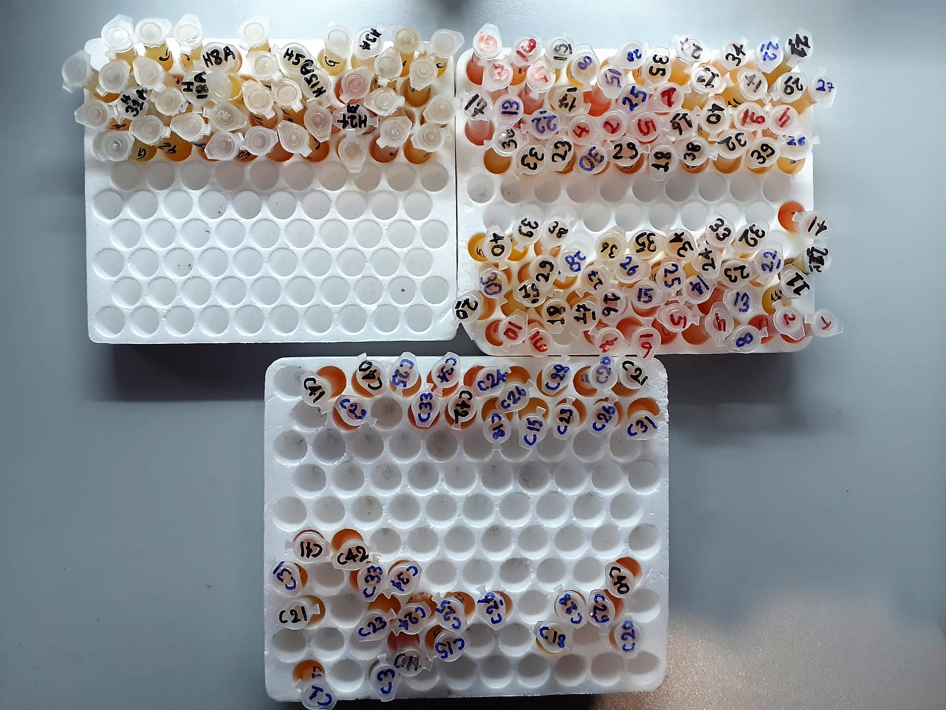
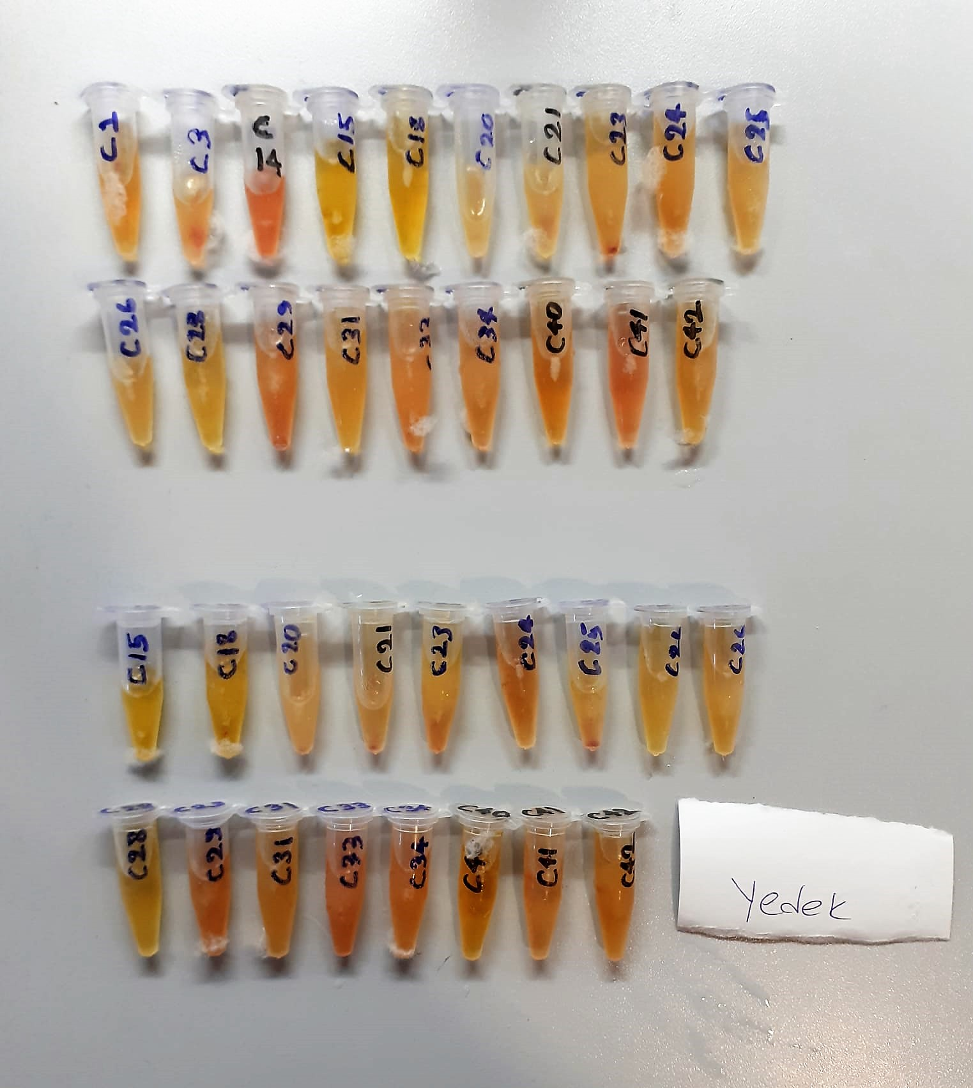

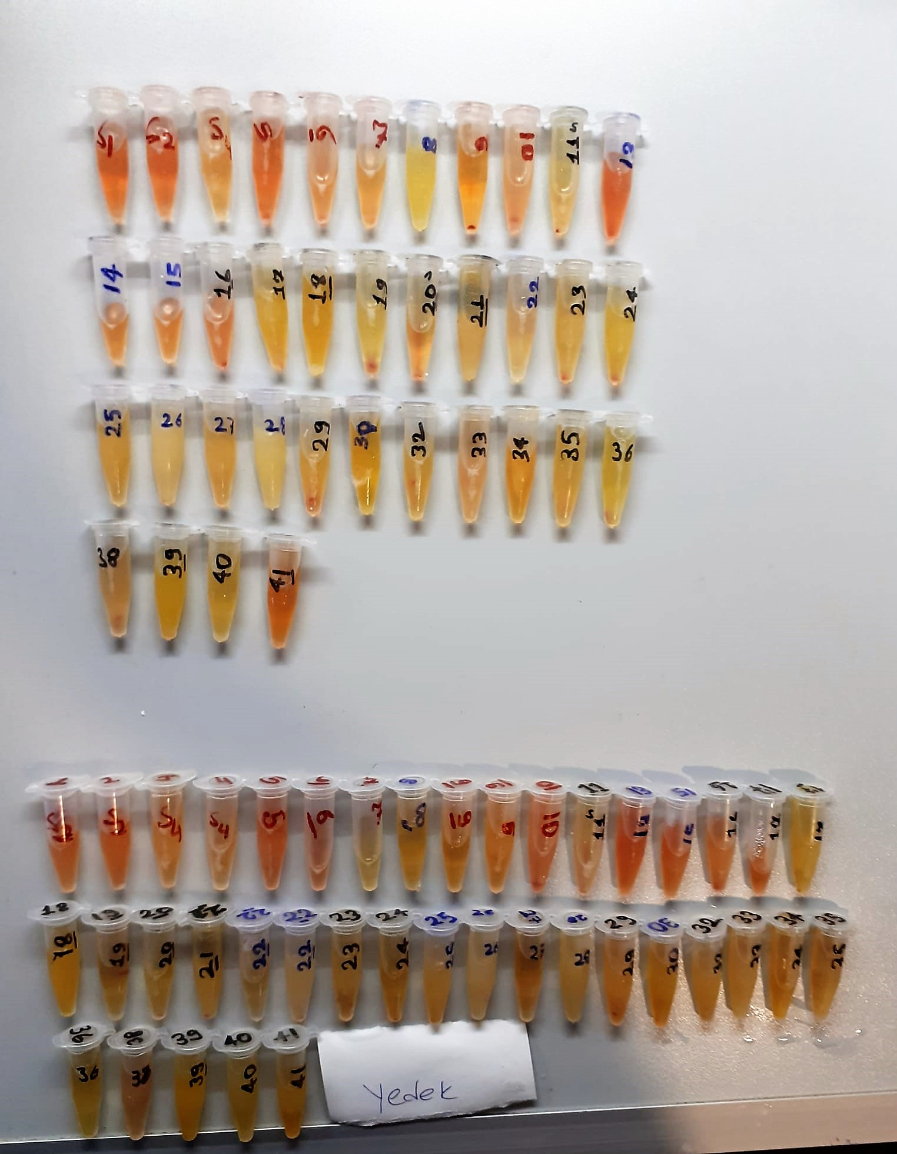
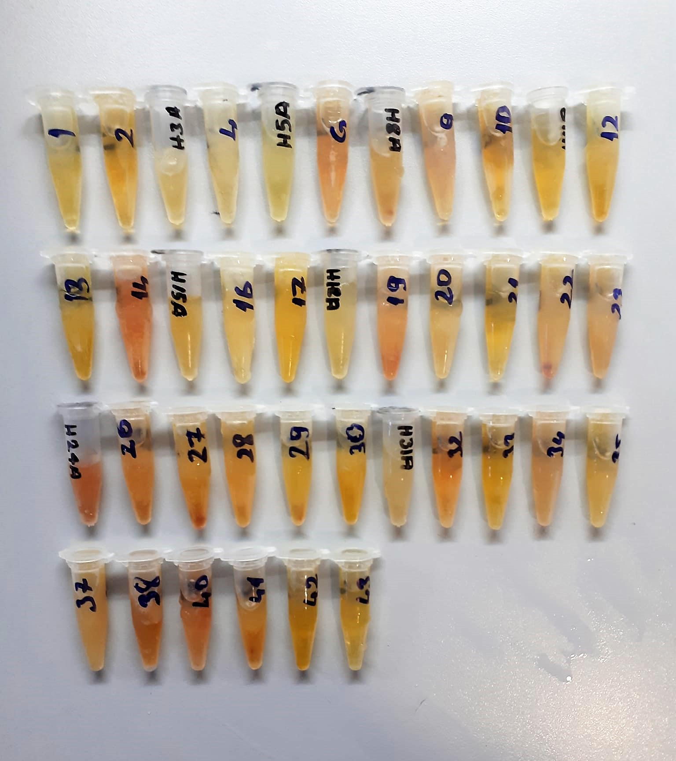

Human BNP Test Principle
This ELISA kit uses the Competitive-ELISA principle. The micro ELISA plate provided in this kit has been pre-coated with Human BNP.
During the reaction, Human BNP in samples or Standard competes with a fixed amount of Human BNP on the solid phase supporter for sites on the Biotinylated Detection Ab specific to Human BNP.
Excess conjugate and unbound sample or standard are washed from the plate, and Avidin conjugated to Horseradish Peroxidase (HRP) are added to each microplate well and incubated.
Then a TMB substrate solution is added to each well. The enzyme-substrate reaction is terminated by the addition of stop solution and the color change is measured spectrophotometrically at a wavelength of 450±2 nm.
The concentration of Human BNP in the samples is then determined by comparing the OD of the samples to the standard curve.

Human ST2 Test Principle
This kit is an Enzyme-linked ımmunosorbent assay(ELİSA).The plate has been pre-coated with Human ST2 antibody.
ST2 present in the sample is added and binds to antibodies coated on the wells. And then biotinylated Human ST2 Antibody is added and binds to ST2 in the sample.
Then Streptavidin-HRP is added and binds to the biotinylated ST2 antibody.After incubation unbound Streptavidin-HRP is washed away during a washing step.
Substrate solution is then added and color develops in poportion to the amount of Human ST2. The reaction is terminated by addition of acidic stop solution and absorbance is measured at 450 nm.

