LH-1.PLATE
2.184 | 0.575 | 0.673 | 0.527 | 0.635 | 0.723 | 0.667 | 0.626 | 0.489 | 0.431 | 0.607 | 0.324
1.562 | 0.572 | 0.898 | 0.507 | 0.542 | 0.803 | 0.896 | 0.544 | 0.6 | 0.6 | 0.702 | 0.607
0.998 | 0.609 | 0.976 | 0.626 | 0.67 | 0.547 | 0.732 | 0.647 | 0.641 | 0.584 | 0.822 | 0.593
0.716 | 0.679 | 0.797 | 0.513 | 0.833 | 0.406 | 0.559 | 0.783 | 0.431 | 0.827 | 0.534 | 0.494
0.42 | 0.521 | 0.626 | 0.557 | 0.522 | 0.529 | 0.593 | 0.643 | 0.358 | 0.688 | 0.506 | 0.474
0.105 | 0.714 | 0.928 | 0.578 | 0.574 | 0.526 | 0.575 | 0.733 | 0.648 | 0.718 | 0.605 | 0.61
0.144 | 0.947 | 0.723 | 0.681 | 0.932 | 0.453 | 0.668 | 1.049 | 0.646 | 0.823 | 0.8 | 0.667
0.141 | 0.571 | 0.448 | 0.514 | 0.921 | 0.615 | 0.736 | 0.53 | 0.951 | 0.768 | 0.541 | 0.588

LH

 | abs | abs-blank | expected | result
std1 | 2.184 | 2.079 | 12 | 11.89
std2 | 1.562 | 1.457 | 6 | 6.31
std3 | 0.998 | 0.893 | 3 | 2.77
std4 | 0.716 | 0.611 | 1.5 | 1.54
std5 | 0.42 | 0.315 | 0.75 | 0.64
blank | 0.105 | 0 | 0 | 0.11

 |  |  |  |  |  |  |  |  | concentration (mlU/ml)

Numune | absorbans | blank | abs-blank | result(mlU/ml)
100-a-T104 | 0.575 | 0.105 | 0.47 | 1.06
100-a-T105 | 0.572 | 0.105 | 0.467 | 1.05
100-a-T107 | 0.609 | 0.105 | 0.504 | 1.16
100-a-T111 | 0.679 | 0.105 | 0.574 | 1.40
100-a-T114 | 0.521 | 0.105 | 0.416 | 0.90
100-a-T116 | 0.714 | 0.105 | 0.609 | 1.53
100-a-T117 | 0.947 | 0.105 | 0.842 | 2.52
100-a-T118 | 0.571 | 0.105 | 0.466 | 1.05
100-a-T122 | 0.673 | 0.105 | 0.568 | 1.38
100-a-T123 | 0.898 | 0.105 | 0.793 | 2.29
100-a-T124 | 0.976 | 0.105 | 0.871 | 2.66
100-a-T125 | 0.797 | 0.105 | 0.692 | 1.85
100-b-K107 | 0.626 | 0.105 | 0.521 | 1.22
100-b-K108 | 0.928 | 0.105 | 0.823 | 2.43
100-b-K109 | 0.723 | 0.105 | 0.618 | 1.56
100-b-K110 | 0.448 | 0.105 | 0.343 | 0.70
100-b-K112 | 0.527 | 0.105 | 0.422 | 0.91
100-b-K117 | 0.507 | 0.105 | 0.402 | 0.86
100-b-K120 | 0.626 | 0.105 | 0.521 | 1.22
100-b-K121 | 0.513 | 0.105 | 0.408 | 0.88
100-b-K124 | 0.557 | 0.105 | 0.452 | 1.00
100-b-K130 | 0.578 | 0.105 | 0.473 | 1.07
200-a-T205 | 0.681 | 0.105 | 0.576 | 1.41
200-a-T207 | 0.514 | 0.105 | 0.409 | 0.88
200-a-T211 | 0.635 | 0.105 | 0.53 | 1.25
200-a-T214 | 0.542 | 0.105 | 0.437 | 0.96
200-a-T216 | 0.67 | 0.105 | 0.565 | 1.37
200-a-T217 | 0.833 | 0.105 | 0.728 | 2.00
200-a-T218 | 0.522 | 0.105 | 0.417 | 0.90
200-a-T222 | 0.574 | 0.105 | 0.469 | 1.05
200-a-T223 | 0.932 | 0.105 | 0.827 | 2.45
200-a-T224 | 0.921 | 0.105 | 0.816 | 2.39
200-b-K207 | 0.723 | 0.105 | 0.618 | 1.56
200-b-K208 | 0.803 | 0.105 | 0.698 | 1.88
200-b-K209 | 0.547 | 0.105 | 0.442 | 0.97
200-b-K210 | 0.406 | 0.105 | 0.301 | 0.60
200-b-K212 | 0.529 | 0.105 | 0.424 | 0.92
200-b-K220 | 0.526 | 0.105 | 0.421 | 0.91
200-b-K221 | 0.453 | 0.105 | 0.348 | 0.72
200-b-K224 | 0.615 | 0.105 | 0.51 | 1.18
200-b-K230 | 0.667 | 0.105 | 0.562 | 1.36
300-a-T304 | 0.896 | 0.105 | 0.791 | 2.28
300-a-T305 | 0.732 | 0.105 | 0.627 | 1.60
300-a-T307 | 0.559 | 0.105 | 0.454 | 1.01
300-a-T311 | 0.593 | 0.105 | 0.488 | 1.11
300-a-T314 | 0.575 | 0.105 | 0.47 | 1.06
300-a-T316 | 0.668 | 0.105 | 0.563 | 1.36
300-a-T317 | 0.736 | 0.105 | 0.631 | 1.61
300-a-T318 | 0.626 | 0.105 | 0.521 | 1.22
300-a-T322 | 0.544 | 0.105 | 0.439 | 0.96
300-a-T323 | 0.647 | 0.105 | 0.542 | 1.29
300-a-T324 | 0.783 | 0.105 | 0.678 | 1.80
300-a-T325 | 0.643 | 0.105 | 0.538 | 1.28
300-b-K307 | 0.733 | 0.105 | 0.628 | 1.60
300-b-K308 | 1.049 | 0.105 | 0.944 | 3.03
300-b-K309 | 0.53 | 0.105 | 0.425 | 0.92
300-b-K310 | 0.489 | 0.105 | 0.384 | 0.81
300-b-K312 | 0.6 | 0.105 | 0.495 | 1.14
300-b-K317 | 0.641 | 0.105 | 0.536 | 1.27
300-b-K320 | 0.431 | 0.105 | 0.326 | 0.66
300-b-K321 | 0.358 | 0.105 | 0.253 | 0.50
300-b-K324 | 0.648 | 0.105 | 0.543 | 1.29
300-b-K330 | 0.646 | 0.105 | 0.541 | 1.29
400-a-T404 | 0.951 | 0.105 | 0.846 | 2.54
400-a-T407 | 0.431 | 0.105 | 0.326 | 0.66
400-a-T411 | 0.6 | 0.105 | 0.495 | 1.14
400-a-T414 | 0.584 | 0.105 | 0.479 | 1.09
400-a-T417 | 0.827 | 0.105 | 0.722 | 1.98
400-a-T418 | 0.688 | 0.105 | 0.583 | 1.43
400-a-T422 | 0.718 | 0.105 | 0.613 | 1.54
400-a-T423 | 0.823 | 0.105 | 0.718 | 1.96
400-a-T424 | 0.768 | 0.105 | 0.663 | 1.74
400-a-T425 | 0.607 | 0.105 | 0.502 | 1.16
400-b-K407 | 0.702 | 0.105 | 0.597 | 1.48
400-b-K408 | 0.822 | 0.105 | 0.717 | 1.96
400-b-K409 | 0.534 | 0.105 | 0.429 | 0.94
400-b-K410 | 0.506 | 0.105 | 0.401 | 0.86
400-b-K412 | 0.605 | 0.105 | 0.5 | 1.15
400-b-K417 | 0.8 | 0.105 | 0.695 | 1.86
400-b-K420 | 0.541 | 0.105 | 0.436 | 0.96
400-b-K421 | 0.324 | 0.105 | 0.219 | 0.43
400-b-K424 | 0.607 | 0.105 | 0.502 | 1.16
400-b-K430 | 0.593 | 0.105 | 0.488 | 1.11
500-a-T505 | 0.494 | 0.105 | 0.389 | 0.82
500-a-T507 | 0.474 | 0.105 | 0.369 | 0.77
500-a-T511 | 0.61 | 0.105 | 0.505 | 1.17
500-a-T516 | 0.667 | 0.105 | 0.562 | 1.36
500-a-T517 | 0.588 | 0.105 | 0.483 | 1.10

LH-2.PLATE
2.48 | 0.669 | 0.791 | 0.977 | 0.808 | 0.674 | 0.603 | 0.527 | 0.822 | 0.883 | 0.463
1.841 | 0.729 | 0.814 | 0.857 | 0.921 | 0.773 | 0.79 | 0.731 | 0.927 | 0.801 | 0.63
1.083 | 0.826 | 0.545 | 0.796 | 0.601 | 1.072 | 0.775 | 0.864 | 0.702 | 1.059 | 0.703
0.654 | 0.771 | 0.406 | 0.976 | 0.583 | 0.763 | 1.06 | 0.614 | 0.805 | 0.576
0.407 | 0.603 | 0.567 | 0.759 | 0.648 | 0.771 | 0.784 | 0.524 | 1.047 | 0.636
0.106 | 0.53 | 0.945 | 0.793 | 0.532 | 0.549 | 0.709 | 0.516 | 0.674 | 0.606
0.283 | 1.307 | 0.819 | 1.336 | 0.697 | 0.716 | 1.32 | 0.686 | 0.908 | 0.683
0.259 | 0.39 | 0.595 | 0.59 | 0.37 | 0.724 | 0.475 | 0.511 | 0.694 | 0.348

LH

 | abs | abs-blank | expected | result
std1 | 2.48 | 2.374 | 12 | 11.69
std2 | 1.841 | 1.735 | 6 | 6.73
std3 | 1.083 | 0.977 | 3 | 2.65
std4 | 0.654 | 0.548 | 1.5 | 1.22
std5 | 0.407 | 0.301 | 0.75 | 0.67
blank | 0.106 | 0 | 0 | 0.29

 |  |  |  |  |  |  |  |  | concentration (mlU/ml)

Numune | absorbans | blank | abs-blank | result(mlU/ml)
500-a-T518 | 0.669 | 0.106 | 0.563 | 1.26
500-a-T522 | 0.729 | 0.106 | 0.623 | 1.42
500-a-T523 | 0.826 | 0.106 | 0.72 | 1.72
500-a-T524 | 0.771 | 0.106 | 0.665 | 1.55
500-a-T525 | 0.603 | 0.106 | 0.497 | 1.09
500-b-K507 | 0.53 | 0.106 | 0.424 | 0.92
500-b-K508 | 1.307 | 0.106 | 1.201 | 3.65
500-b-K510 | 0.39 | 0.106 | 0.284 | 0.64
500-b-K512 | 0.791 | 0.106 | 0.685 | 1.61
500-b-K517 | 0.814 | 0.106 | 0.708 | 1.68
500-b-K520 | 0.545 | 0.106 | 0.439 | 0.95
500-b-K521 | 0.406 | 0.106 | 0.3 | 0.67
500-b-K530 | 0.567 | 0.106 | 0.461 | 1.00
600-a-T604 | 0.945 | 0.106 | 0.839 | 2.12
600-a-T605 | 0.819 | 0.106 | 0.713 | 1.69
600-a-T607 | 0.595 | 0.106 | 0.489 | 1.07
600-a-T611 | 0.977 | 0.106 | 0.871 | 2.24
600-a-T614 | 0.857 | 0.106 | 0.751 | 1.82
600-a-T616 | 0.796 | 0.106 | 0.69 | 1.62
600-a-T617 | 0.976 | 0.106 | 0.87 | 2.24
600-a-T618 | 0.759 | 0.106 | 0.653 | 1.51
600-a-T623 | 0.793 | 0.106 | 0.687 | 1.61
600-a-T624 | 1.336 | 0.106 | 1.23 | 3.79
600-a-T625 | 0.59 | 0.106 | 0.484 | 1.06
600-b-K607 | 0.808 | 0.106 | 0.702 | 1.66
600-b-K608 | 0.921 | 0.106 | 0.815 | 2.04
600-b-K609 | 0.601 | 0.106 | 0.495 | 1.08
600-b-K610 | 0.583 | 0.106 | 0.477 | 1.04
600-b-K612 | 0.648 | 0.106 | 0.542 | 1.20
600-b-K617 | 0.532 | 0.106 | 0.426 | 0.92
600-b-K620 | 0.697 | 0.106 | 0.591 | 1.33
600-b-K621 | 0.37 | 0.106 | 0.264 | 0.61
600-b-K624 | 0.674 | 0.106 | 0.568 | 1.27
600-b-K630 | 0.773 | 0.106 | 0.667 | 1.55
DÜZ-a-T4 | 1.072 | 0.106 | 0.966 | 2.61
DÜZ-a-T7 | 0.763 | 0.106 | 0.657 | 1.52
DÜZ-a-T11 | 0.771 | 0.106 | 0.665 | 1.55
DÜZ-a-T14 | 0.549 | 0.106 | 0.443 | 0.96
DÜZ-a-T16 | 0.716 | 0.106 | 0.61 | 1.38
DÜZ-a-T17 | 0.724 | 0.106 | 0.618 | 1.41
DÜZ-a-T18 | 0.603 | 0.106 | 0.497 | 1.09
DÜZ-a-T22 | 0.79 | 0.106 | 0.684 | 1.60
DÜZ-a-T23 | 0.775 | 0.106 | 0.669 | 1.56
DÜZ-a-T24 | 1.06 | 0.106 | 0.954 | 2.56
DÜZ-a-T25 | 0.784 | 0.106 | 0.678 | 1.58
DÜZ-b-K7 | 0.709 | 0.106 | 0.603 | 1.36
DÜZ-b-K8 | 1.32 | 0.106 | 1.214 | 3.72
DÜZ-b-K9 | 0.475 | 0.106 | 0.369 | 0.80
DÜZ-b-K10 | 0.527 | 0.106 | 0.421 | 0.91
DÜZ-b-K12 | 0.731 | 0.106 | 0.625 | 1.43
DÜZ-b-K17 | 0.864 | 0.106 | 0.758 | 1.84
DÜZ-b-K20 | 0.614 | 0.106 | 0.508 | 1.11
DÜZ-b-K21 | 0.524 | 0.106 | 0.418 | 0.90
DÜZ-b-K24 | 0.516 | 0.106 | 0.41 | 0.89
DÜZ-b-K30 | 0.686 | 0.106 | 0.58 | 1.30
Teke Katımı-a-T4 | 0.511 | 0.106 | 0.405 | 0.88
Teke Katımı-a-T5 | 0.822 | 0.106 | 0.716 | 1.70
Teke Katımı-a-T7 | 0.927 | 0.106 | 0.821 | 2.06
Teke Katımı-a-T14 | 0.702 | 0.106 | 0.596 | 1.35
Teke Katımı-a-T16 | 0.805 | 0.106 | 0.699 | 1.65
Teke Katımı-a-T17 | 1.047 | 0.106 | 0.941 | 2.51
Teke Katımı-a-T18 | 0.674 | 0.106 | 0.568 | 1.27
Teke Katımı-a-T23 | 0.908 | 0.106 | 0.802 | 1.99
Teke Katımı-a-T24 | 0.694 | 0.106 | 0.588 | 1.32
Teke Katımı-a-T25 | 0.883 | 0.106 | 0.777 | 1.90
Teke Katımı-b-K7 | 0.801 | 0.106 | 0.695 | 1.64
Teke Katımı-b-K8 | 1.059 | 0.106 | 0.953 | 2.56
Teke Katımı-b-K9 | 0.576 | 0.106 | 0.47 | 1.02
Teke Katımı-b-K10 | 0.636 | 0.106 | 0.53 | 1.17
Teke Katımı-b-K12 | 0.606 | 0.106 | 0.5 | 1.09
Teke Katımı-b-K17 | 0.683 | 0.106 | 0.577 | 1.29
Teke Katımı-b-K20 | 0.348 | 0.106 | 0.242 | 0.57
Teke Katımı-b-K21 | 0.463 | 0.106 | 0.357 | 0.78
Teke Katımı-b-K24 | 0.63 | 0.106 | 0.524 | 1.15
Teke Katımı-b-K30 | 0.703 | 0.106 | 0.597 | 1.35

Progesterone
1.969 | 0.243 | 0.288 | 0.258 | 0.292 | 0.333 | 0.578 | 0.425
1.013 | 0.256 | 1.878 | 0.275 | 0.387 | 0.389 | 0.312 | 0.428
0.683 | 0.391 | 0.286 | 0.326 | 0.338 | 0.427 | 0.314 | 0.238
0.402 | 0.303 | 0.537 | 0.316 | 0.334 | 0.424 | 0.346 | 0.23
0.286 | 0.264 | 0.251 | 0.31 | 1.913 | 0.247 | 0.95 | 0.285
0.108 | 0.269 | 0.204 | 0.407 | 0.412 | 0.31 | 0.35 | 0.221
0.238 | 0.314 | 0.25 | 0.275 | 0.736 | 0.364 | 0.326 | 0.295
0.177 | 0.243 | 0.221 | 0.185 | 0.321 | 0.307 | 1.986 | 0.256

PROGESTERONE

 | abs | abs-blank | expected | result
std1 | 1.969 | 1.861 | 8 | 8.04
std2 | 1.013 | 0.905 | 4 | 3.71
std3 | 0.683 | 0.575 | 2 | 2.27
std4 | 0.402 | 0.294 | 1 | 1.07
std5 | 0.286 | 0.178 | 0.5 | 0.58
blank | 0.108 | 0 | 0 | -0.16

 |  |  |  |  |  |  |  | concentration (ng/ml)

Numune | absorbans | blank | abs-blank | result(ng/ml)
17.GÜN-a-T5 | 0.238 | 0.108 | 0.13 | 0.38
17.GÜN-a-T7 | 0.177 | 0.108 | 0.069 | 0.12
17.GÜN-a-T14 | 0.243 | 0.108 | 0.135 | 0.40
17.GÜN-a-T16 | 0.256 | 0.108 | 0.148 | 0.45
17.GÜN-a-T17 | 0.391 | 0.108 | 0.283 | 1.02
17.GÜN-a-T18 | 0.303 | 0.108 | 0.195 | 0.65
17.GÜN-a-T22 | 0.264 | 0.108 | 0.156 | 0.49
17.GÜN-a-T23 | 0.269 | 0.108 | 0.161 | 0.51
17.GÜN-a-T24 | 0.314 | 0.108 | 0.206 | 0.70
17.GÜN-a-T25 | 0.243 | 0.108 | 0.135 | 0.40
17.GÜN-b-K1 | 0.288 | 0.108 | 0.18 | 0.59
17.GÜN-b-K3 | 1.878 | 0.108 | 1.77 | 7.62
17.GÜN-b-K7 | 0.286 | 0.108 | 0.178 | 0.58
17.GÜN-b-K8 | 0.537 | 0.108 | 0.429 | 1.64
17.GÜN-b-K9 | 0.251 | 0.108 | 0.143 | 0.43
17.GÜN-b-K10 | 0.204 | 0.108 | 0.096 | 0.24
17.GÜN-b-K16 | 0.25 | 0.108 | 0.142 | 0.43
17.GÜN-b-K24 | 0.221 | 0.108 | 0.113 | 0.31
17.GÜN-b-K25 | 0.258 | 0.108 | 0.15 | 0.46
20.GÜN-a-T2005 | 0.275 | 0.108 | 0.167 | 0.53
20.GÜN-a-T2007 | 0.326 | 0.108 | 0.218 | 0.75
20.GÜN-a-T2014 | 0.316 | 0.108 | 0.208 | 0.71
20.GÜN-a-T2016 | 0.31 | 0.108 | 0.202 | 0.68
20.GÜN-a-T2017 | 0.407 | 0.108 | 0.299 | 1.09
20.GÜN-a-T2018 | 0.275 | 0.108 | 0.167 | 0.53
20.GÜN-a-T2022 | 0.185 | 0.108 | 0.077 | 0.16
20.GÜN-a-T2023 | 0.292 | 0.108 | 0.184 | 0.60
20.GÜN-a-T2024 | 0.387 | 0.108 | 0.279 | 1.00
20.GÜN-a-T2025 | 0.338 | 0.108 | 0.23 | 0.80
20.GÜN-b-K2001 | 0.334 | 0.108 | 0.226 | 0.78
20.GÜN-b-K2003 | 1.913 | 0.108 | 1.805 | 7.78
20.GÜN-b-K2007 | 0.412 | 0.108 | 0.304 | 1.11
20.GÜN-b-K2008 | 0.736 | 0.108 | 0.628 | 2.50
20.GÜN-b-K2009 | 0.321 | 0.108 | 0.213 | 0.73
20.GÜN-b-K2016 | 0.333 | 0.108 | 0.225 | 0.78
20.GÜN-b-K2020 | 0.389 | 0.108 | 0.281 | 1.01
20.GÜN-b-K2024 | 0.427 | 0.108 | 0.319 | 1.17
20.GÜN-b-K2025 | 0.424 | 0.108 | 0.316 | 1.16
30.GÜN-a-B5 | 0.247 | 0.108 | 0.139 | 0.42
30.GÜN-a-B7 | 0.31 | 0.108 | 0.202 | 0.68
30.GÜN-a-B8 | 0.364 | 0.108 | 0.256 | 0.91
30.GÜN-a-B14 | 0.307 | 0.108 | 0.199 | 0.67
30.GÜN-a-B17 | 0.578 | 0.108 | 0.47 | 1.82
30.GÜN-a-B18 | 0.312 | 0.108 | 0.204 | 0.69
30.GÜN-a-B22 | 0.314 | 0.108 | 0.206 | 0.70
30.GÜN-a-B23 | 0.346 | 0.108 | 0.238 | 0.83
30.GÜN-a-B24 | 0.95 | 0.108 | 0.842 | 3.43
30.GÜN-a-B25 | 0.35 | 0.108 | 0.242 | 0.85
30.GÜN-b-İ1 | 0.326 | 0.108 | 0.218 | 0.75
30.GÜN-b-İ3 | 1.986 | 0.108 | 1.878 | 8.12
30.GÜN-b-İ7 | 0.425 | 0.108 | 0.317 | 1.17
30.GÜN-b-İ8 | 0.428 | 0.108 | 0.32 | 1.18
30.GÜN-b-İ9 | 0.238 | 0.108 | 0.13 | 0.38
30.GÜN-b-İ10 | 0.23 | 0.108 | 0.122 | 0.34
30.GÜN-b-İ16 | 0.285 | 0.108 | 0.177 | 0.57
30.GÜN-b-İ20 | 0.221 | 0.108 | 0.113 | 0.31
30.GÜN-b-İ24 | 0.295 | 0.108 | 0.187 | 0.62
30.GÜN-b-İ25 | 0.256 | 0.108 | 0.148 | 0.45

Materyal-metod
KİT ADI | TÜR | MARKA | CAT. NO | Yöntem | Kullanılan Cihaz
Luteinizing Hormone | Goat | BT-lab | E0007Go | ELİSA | Mıcroplate reader: BIO-TEK EL X 800-Aotu strıp washer:BIO TEK EL X 50
Progesterone | Goat | BT-lab | E0011Go | ELİSA | Mıcroplate reader: BIO-TEK EL X 800-Aotu strıp washer:BIO TEK EL X 50
TAS(Total Antioxidant Status) | Universal | REL ASSAY | RL0017 | Kolorimetrik | MINDRAY-BS400
TOS(Total Oxidant Status) | Universal | REL ASSAY | RL0024 | Kolorimetrik | MINDRAY-BS400

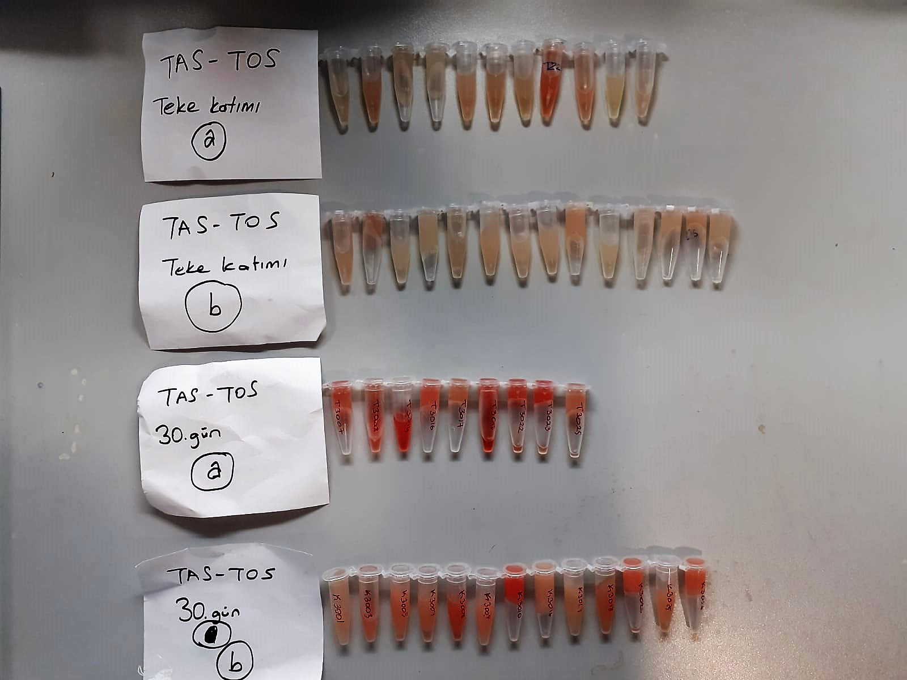
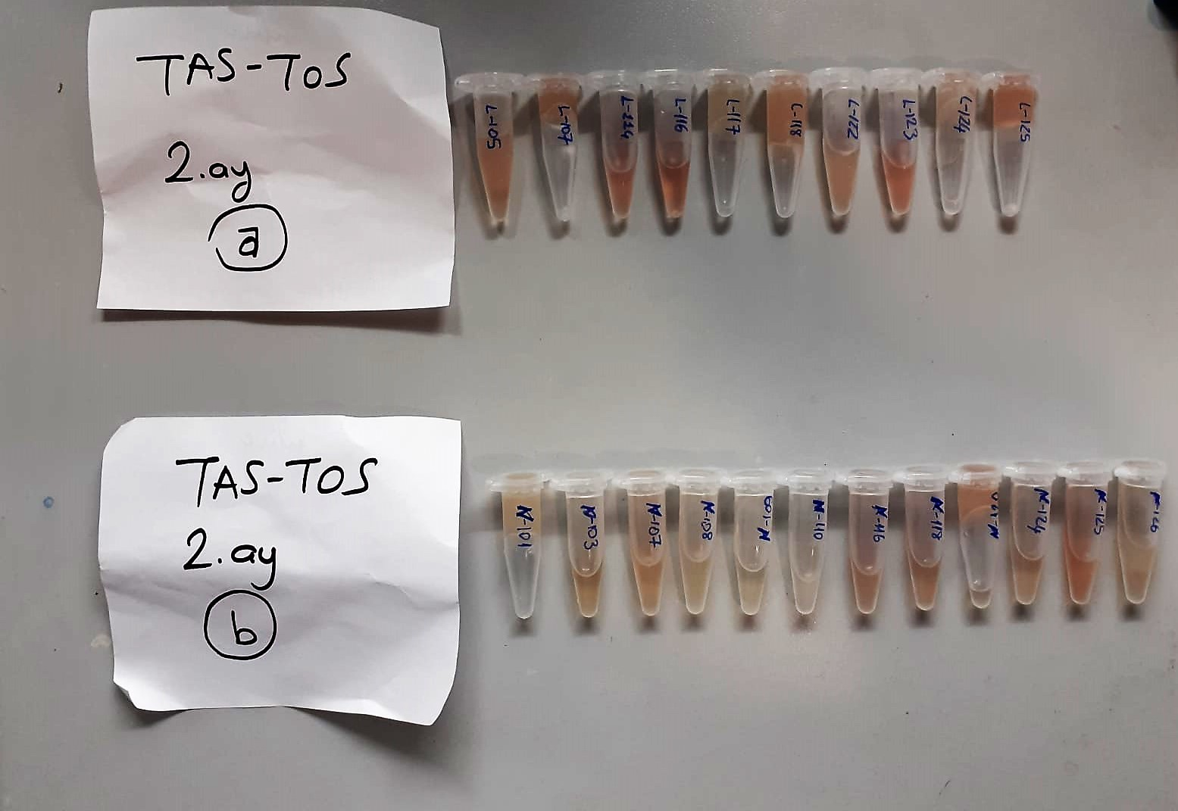

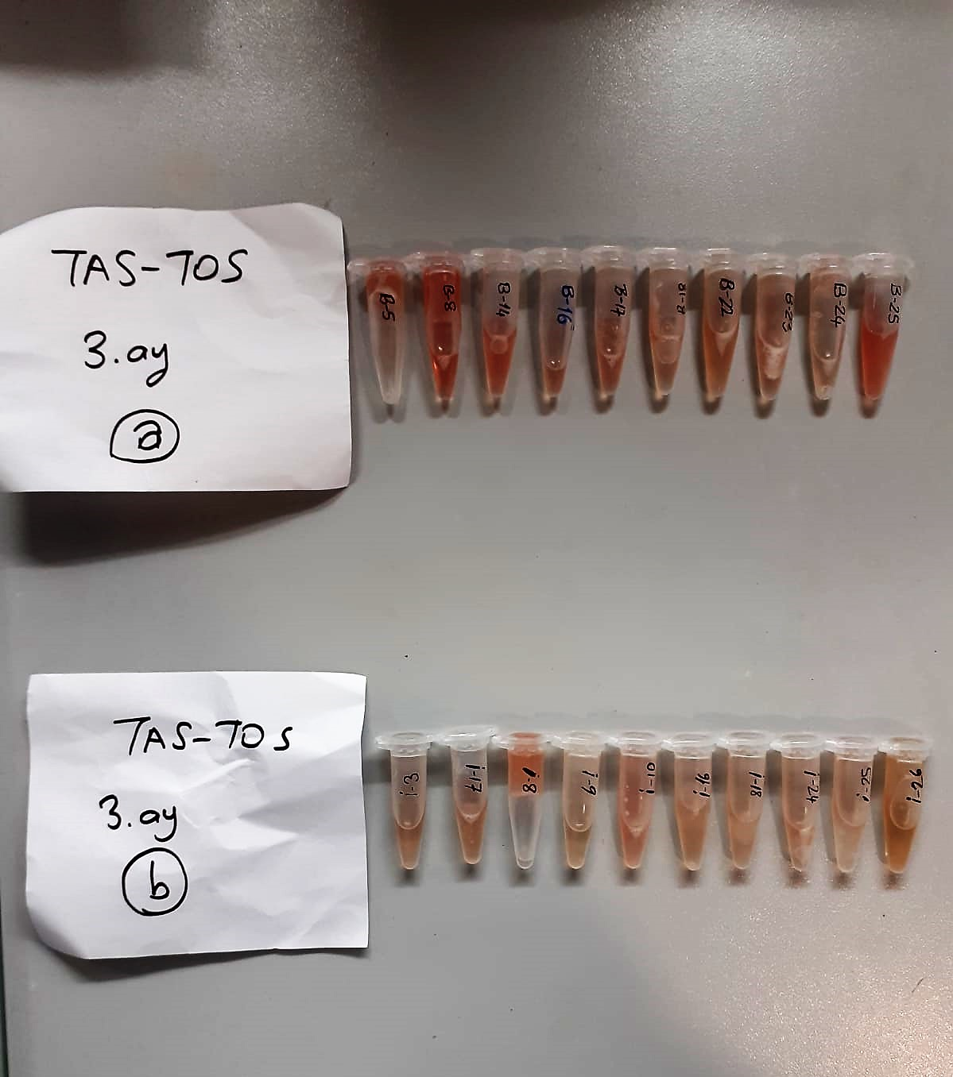
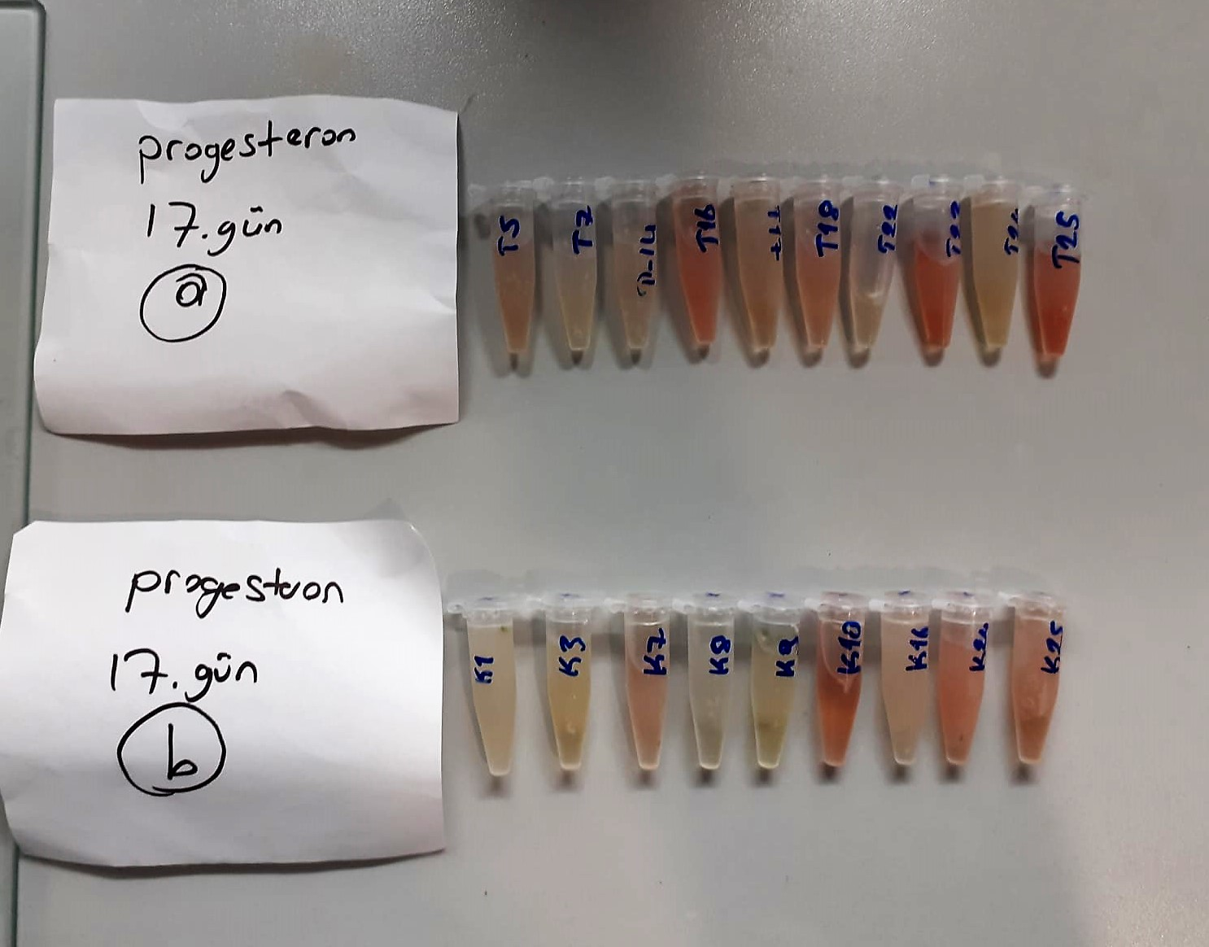

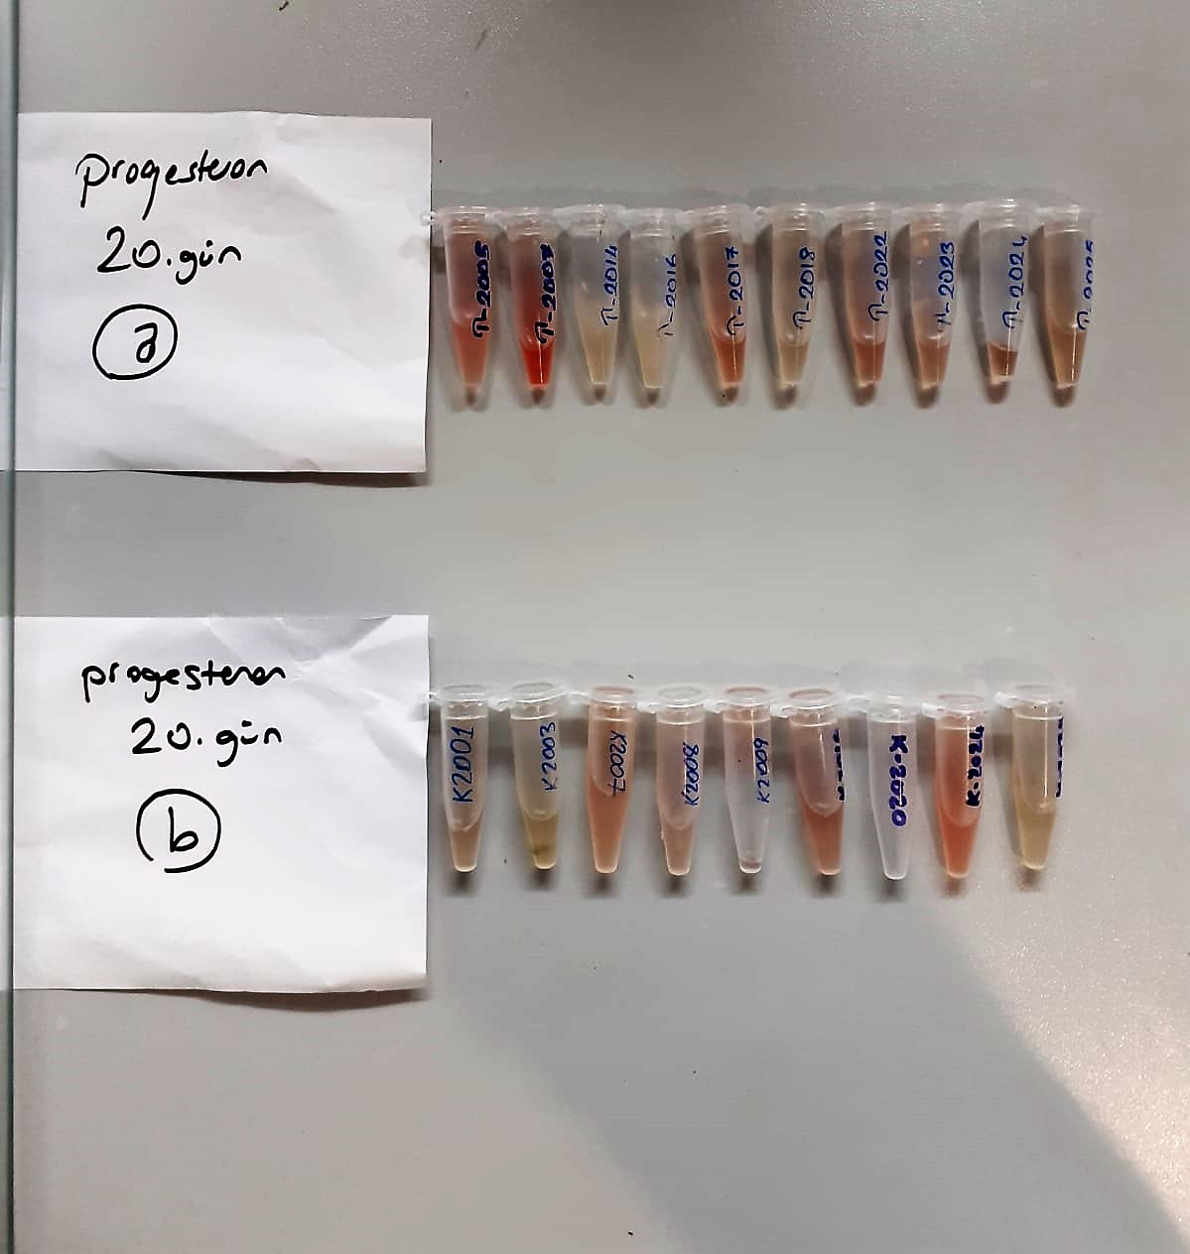
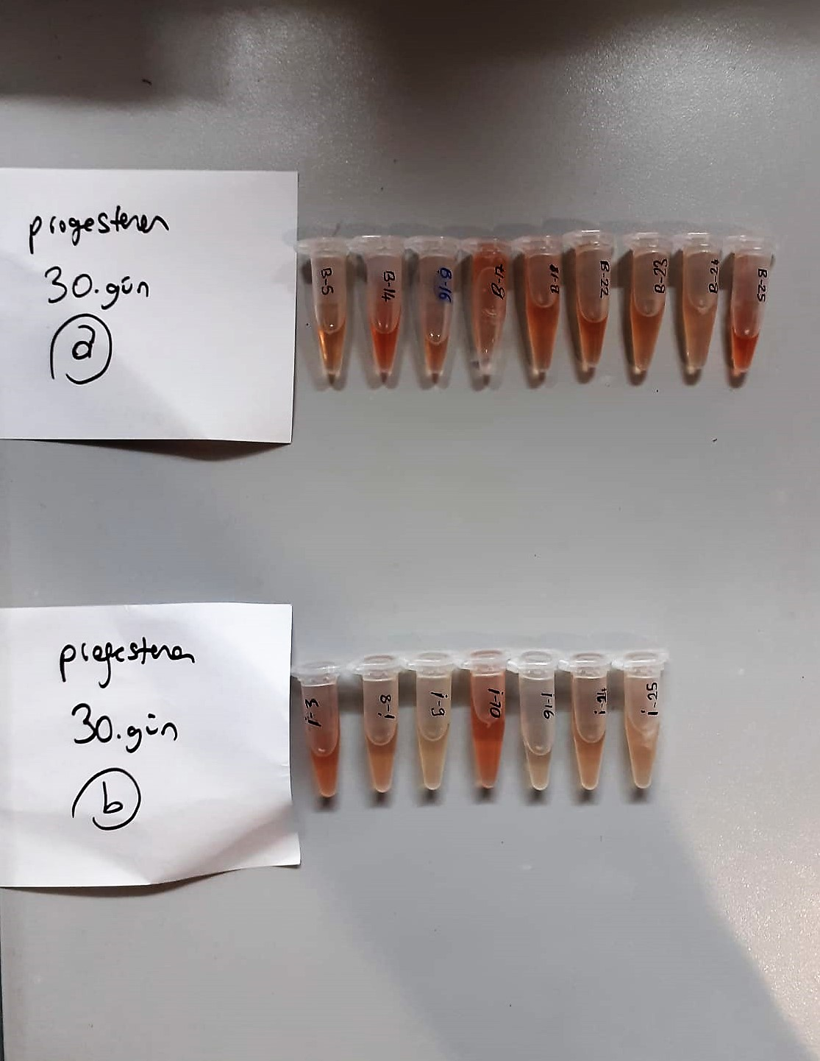

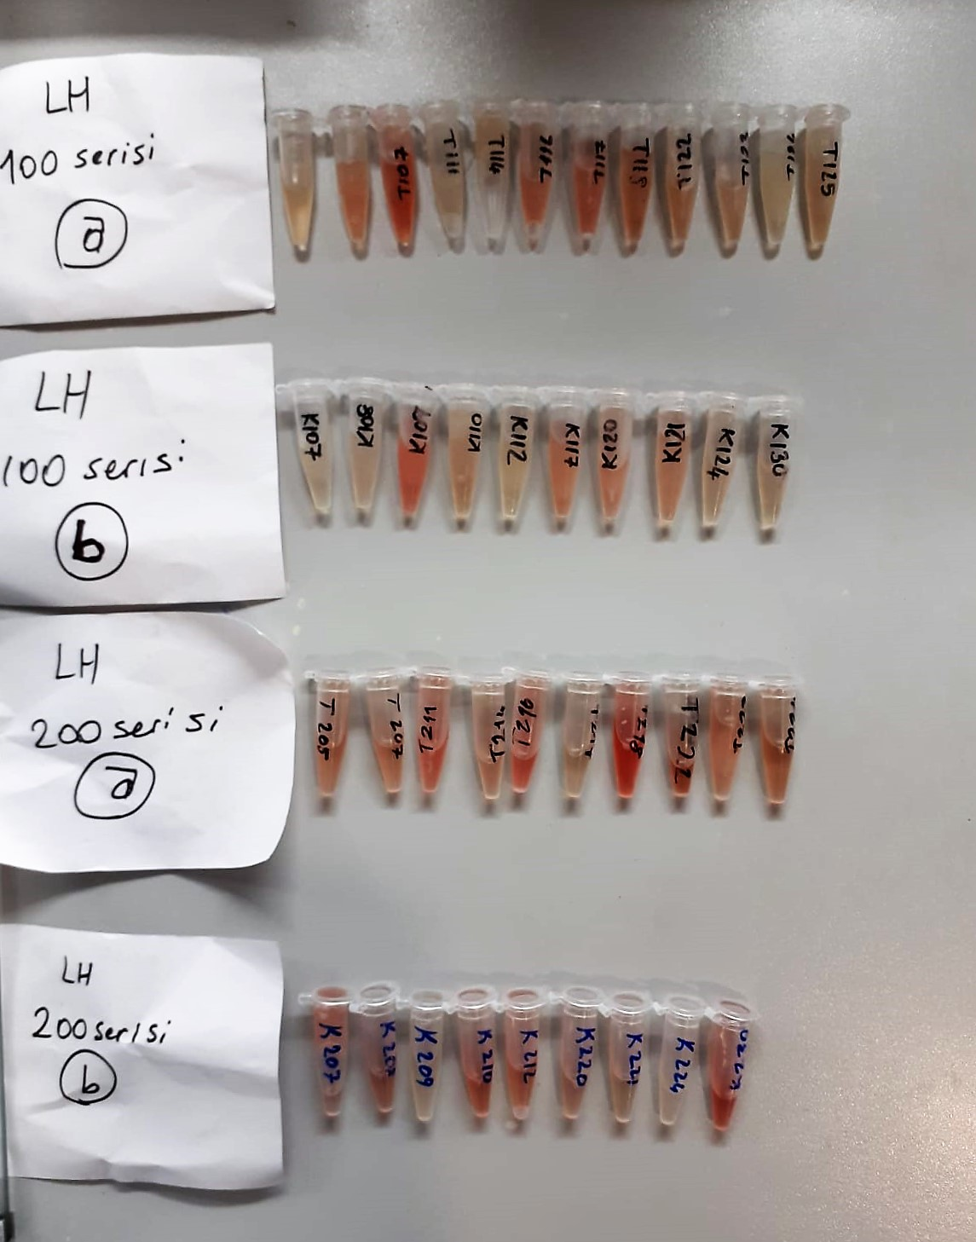
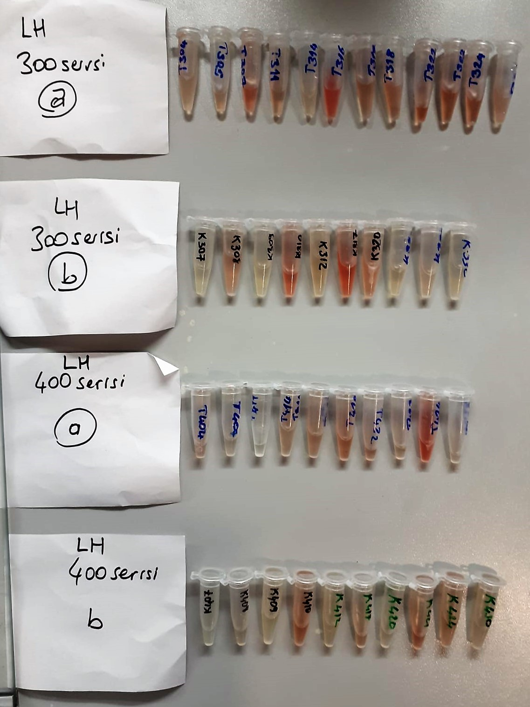

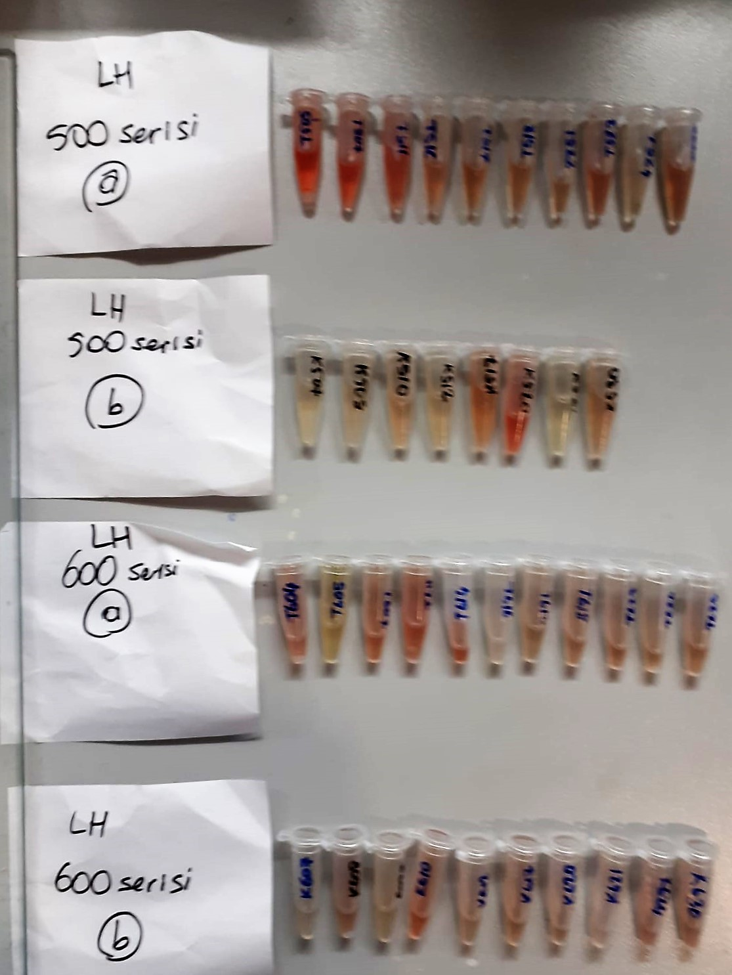
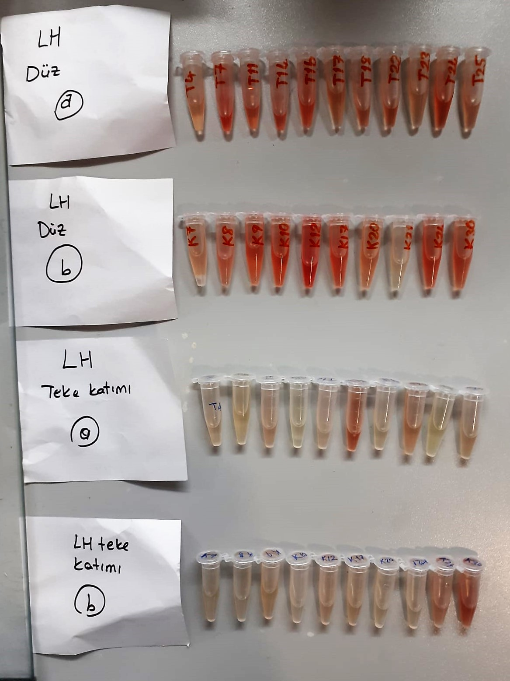

TOTAL ANTIOXDANT STATUS (TAS) (mmol/L)
TAS levels were measured using commercially available kits (Relassay, Turkey). The novel
automated method is based on the bleaching of characteristic color of a more stable ABTS
(2,2 ′ - Azino-bis(3-ethylbenzothiazoline-6-sulfonic acid)) radical cation by antioxidants. The
assay has excellent precision values, which are lower than 3%. The results were expressed as
mmol Trolox equivalent/L (Erel O. A novel automated direct measurement method for total
antioxidant capacity using a new generation, more stable ABTS radicalcation. Clin Biochem
2004;37:277-85.)
(Relassay,Turkey)

TOTAL OXIDANT STATUS (TOS) (µmol/L)
TOS levels were measured using commercially available kits (Relassay, Turkey. In the new
method, oxidants present in the sample oxidized the ferrous ion-o-dianisidine complex to
ferric ion. The oxidation reaction was enhanced by glycerol molecules abundantly present in
the reaction medium. The ferric ion produced a colored complex with xylenol orange in an
acidic medium. The color intensity, which could be measured spectrophotometrically, was
related to the total amount of oxidant molecules present in the sample. The assay was
calibrated with hydrogen peroxide and the results were expressed in terms of
micromolar hydrogen peroxide equivalent per liter (μmol H2O2 equivalent/L). ( Erel O. A
new automated colorimetric method for measuringtotal oxidant status. Clin Biochem
2005;38:1103-11. ).
(Relassay,Turkey)

OXIDATIVE STRESS INDEX (OSI)
The ratio of TOS to TAS was accepted as the oxidative stress index (OSI). For calculation, the
resulting unit of TAS was converted to μmol/L, and the OSI value was calculated according to
the following Formula : OSI (arbitrary unit) =
TOS (μmol H2O2 equivalent/L) / TAC (μmol Trolox equivalent/L). (1-3).
1. Yumru M, Savas HA, Kalenderoglu A, Bulut M, Celik H, Erel O. Oxidative imbalance in
bipolar disorder subtypes: a comparative study. Prog Neuropsychopharmacol Biol Psychiatry.
2009 Aug 31;33(6):1070-4.
2. Kosecik M, Erel O, Sevinc E, Selek S. Increased oxidative stress in children exposed to
passive smoking. Int J Cardiol 2005;100:61–4.
3. (Harma M, Harma M, Erel O (2003) Increased oxidative stress in patients with
hydatidiform mole. Swiss Med Wkly 133:563-536).

Progesterone Assay Principle
This kit is an Enzyme-Linked Immunosorbent Assay (ELISA). The plate has been pre-coated with Goat P antibody. Goat P present in the sample is added and binds to antibodies coated on the wells.
And then biotinylated Goat P Antibody is added and binds to Goat P in the sample. Then Streptavidin-HRP is added and binds to the Biotinylated Goat P antibody.
After incubation unbound Streptavidin-HRP is washed away during a washing step. Substrate solution is then added and color develops in proportion to the amount of Goat P.
The reaction is terminated by addition of acidic stop solution and absorbance is measured at 450 nm.

Luteinizing Hormone Assay Principle
This kit is an Enzyme-Linked Immunosorbent Assay (ELISA). The plate has been pre-coated with Goat LH antibody. Goat LH present in the sample is added and binds to antibodies coated on the wells.
And then biotinylated Goat LH Antibody is added and binds to Goat LH in the sample. Then Streptavidin-HRP is added and binds to the Biotinylated Goat LH antibody.
After incubation unbound Streptavidin-HRP is washed away during a washing step. Substrate solution is then added and color develops in proportion to the amount of Goat LH .
The reaction is terminated by addition of acidic stop solution and absorbance is measured at 450 nm.

