Homosistein
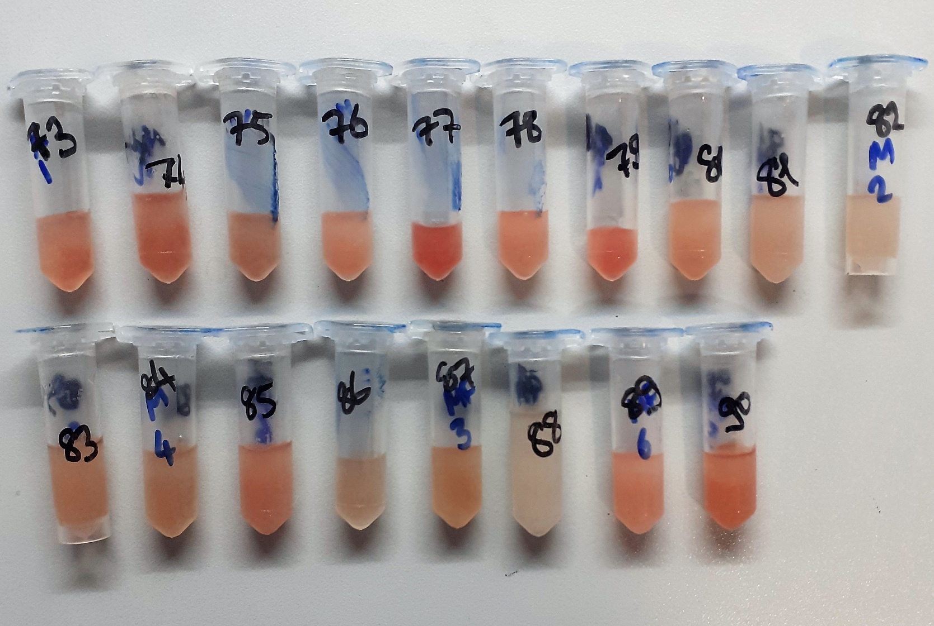
2.117 | 2.103 | 1.957 | 1.652 | 1.71 | 0.657 | 1.21 | 1.021 | 1.887 | 1.713 | 1.578 | 1.505
1.269 | 1.823 | 1.735 | 1.672 | 1.44 | 1.075 | 0.899 | 1.101 | 1.61 | 1.73 | 1.147 | 1.401
0.745 | 1.571 | 2.512 | 1.797 | 1.54 | 0.857 | 1.472 | 0.858 | 1.954 | 1.743 | 1.3 | 1.406
0.329 | 1.674 | 1.294 | 1.687 | 1.428 | 0.709 | 0.735 | 0.897 | 1.717 | 1.632 | 1.29 | 1.09
0.172 | 2.159 | 1.317 | 1.745 | 1.268 | 0.991 | 1.109 | 0.789 | 1.921 | 1.905 | 1.343 | 1.778
0.067 | 1.289 | 1.914 | 2.095 | 1.527 | 0.636 | 0.655 | 0.657 | 1.796 | 1.449 | 1.38 | 1.507
1.531 | 1.926 | 0.941 | 1.95 | 0.598 | 1.216 | 0.682 | 1.778 | 1.227 | 1.556 | 1.773 | 1.706
1.857 | 1.896 | 1.971 | 1.983 | 0.996 | 1.289 | 0.652 | 1.582 | 1.747 | 1.482 | 1.599 | 1.08

Homocysteine
 | abs | abs-blank | expected | result
std1 | 2.117 | 2.05 | 32 | 31.94890425
std2 | 1.269 | 1.202 | 16 | 16.077339047
std3 | 0.745 | 0.678 | 8 | 8.3344551428
std4 | 0.329 | 0.262 | 4 | 3.3103823748
std5 | 0.172 | 0.105 | 2 | 1.6726189925
blank | 0.067 | 0 | 0 | 0.6563

 |  |  |  |  |  |  |  |  | concentratıon ( nmol/ml)

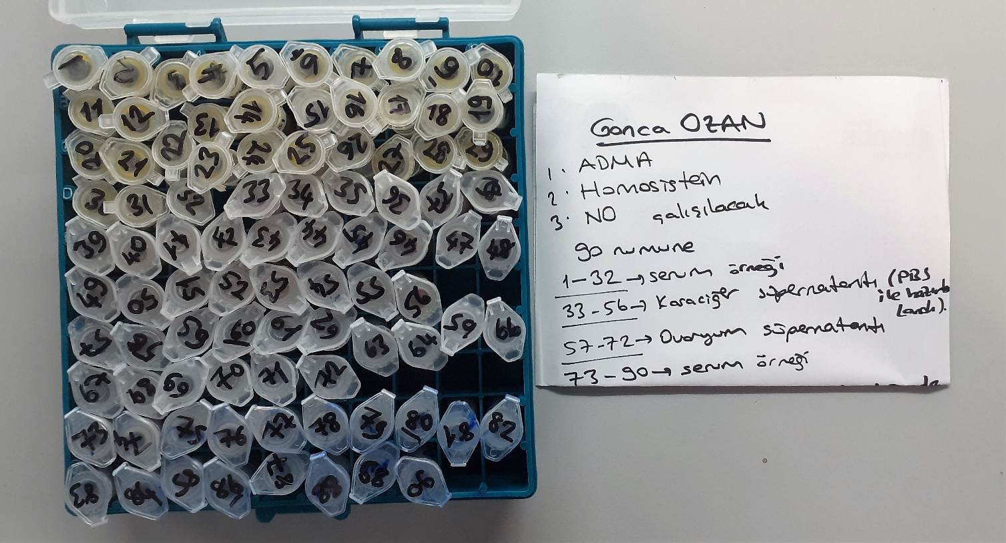

Numune | absorbans | abs-blank | result
1 | 1.531 | 1.464 | 20.540155923
2 | 1.857 | 1.79 | 26.64359697
3 | 2.103 | 2.036 | 31.653343723
4 | 1.823 | 1.756 | 25.978531531
5 | 1.571 | 1.504 | 21.256192147
6 | 1.674 | 1.607 | 23.142282693
7 | 2.159 | 2.092 | 32.842340069
8 | 1.289 | 1.222 | 16.404113063
9 | 1.926 | 1.859 | 28.013697768
10 | 1.896 | 1.829 | 27.41464188
11 | 1.957 | 1.89 | 28.63815257
12 | 1.735 | 1.668 | 24.288016261
13 | 2.512 | 2.445 | 40.751870893
14 | 1.294 | 1.227 | 16.486165529
15 | 1.317 | 1.25 | 16.86545625
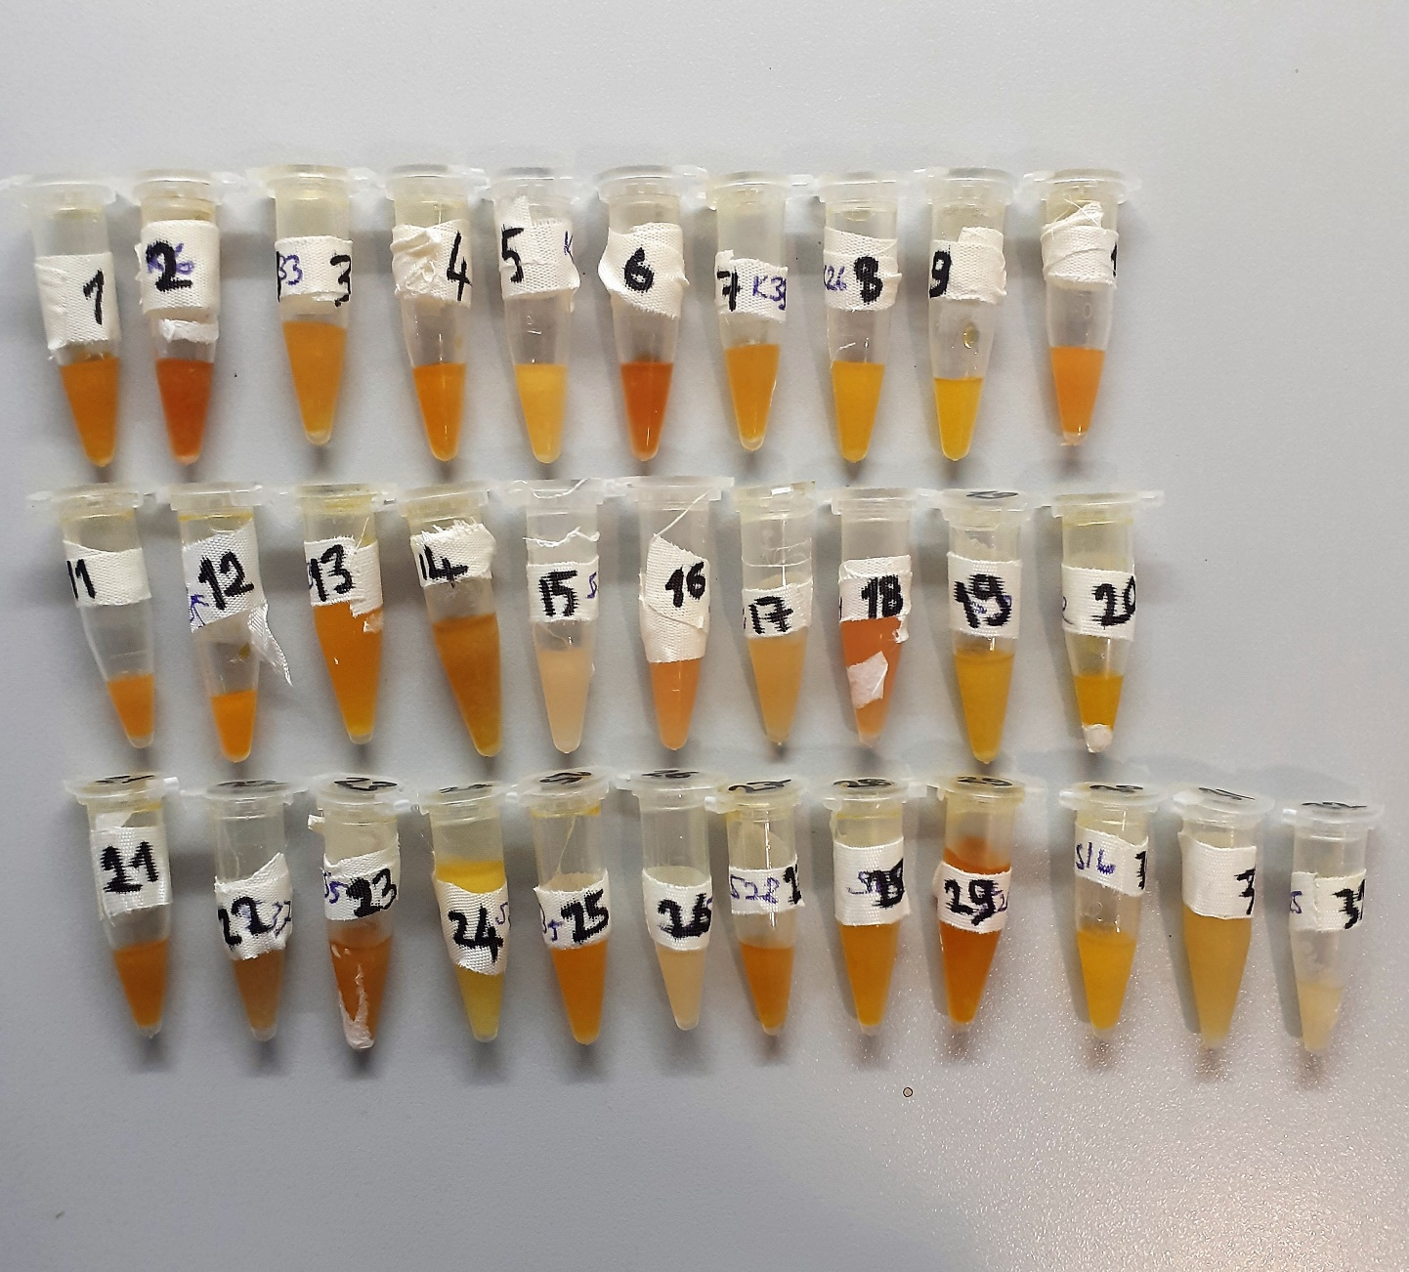
16 | 1.914 | 1.847 | 27.773455125
17 | 0.941 | 0.874 | 11.046032509
18 | 1.971 | 1.904 | 28.921973587
19 | 1.652 | 1.585 | 22.734311033
20 | 1.672 | 1.605 | 23.105079493
21 | 1.797 | 1.73 | 25.47443193
22 | 1.687 | 1.62 | 23.38466348
23 | 1.745 | 1.678 | 24.477880343
24 | 2.095 | 2.028 | 31.484957413
25 | 1.95 | 1.883 | 28.496664201
26 | 1.983 | 1.916 | 29.166144715
27 | 1.71 | 1.643 | 23.815868793
28 | 1.44 | 1.373 | 18.945407049
29 | 1.54 | 1.473 | 20.700462869
30 | 1.428 | 1.361 | 18.738659916
31 | 1.268 | 1.201 | 16.061060652
32 | 1.527 | 1.46 | 20.46905772
33 | 0.598 | 0.531 | 6.4455661037
34 | 0.996 | 0.929 | 11.84657814
35 | 0.657 | 0.59 | 7.18878177
36 | 1.075 | 1.008 | 13.026852589
37 | 0.857 | 0.79 | 9.85691097
38 | 0.709 | 0.642 | 7.8603947588
39 | 0.991 | 0.924 | 11.773083339
40 | 0.636 | 0.569 | 6.9219557637
41 | 1.216 | 1.149 | 15.222498512
42 | 1.289 | 1.222 | 16.404113063
43 | 1.21 | 1.143 | 15.126740693
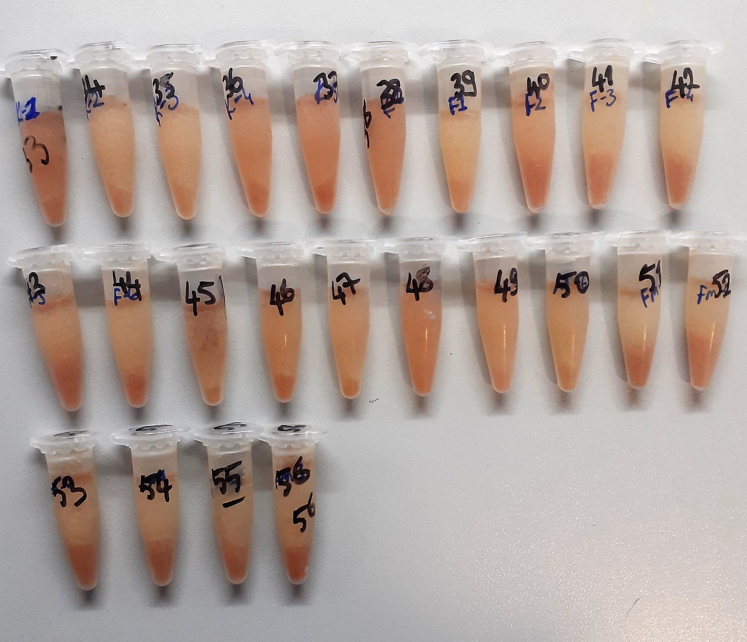
44 | 0.899 | 0.832 | 10.446406061
45 | 1.472 | 1.405 | 19.500776093
46 | 0.735 | 0.668 | 8.2020250608
47 | 1.109 | 1.042 | 13.545851879
48 | 0.655 | 0.588 | 7.1632606448
49 | 0.682 | 0.615 | 7.5097342325
50 | 0.652 | 0.585 | 7.1250220325
51 | 1.021 | 0.954 | 12.216205917
52 | 1.101 | 1.034 | 13.423137085
53 | 0.858 | 0.791 | 9.8708288277
54 | 0.897 | 0.83 | 10.41810513
55 | 0.789 | 0.722 | 8.9239706628
56 | 0.657 | 0.59 | 7.18878177
57 | 1.778 | 1.711 | 25.108506756
58 | 1.582 | 1.515 | 21.454713133
59 | 1.887 | 1.82 | 27.23593308
60 | 1.61 | 1.543 | 21.963175173
61 | 1.954 | 1.887 | 28.577480237
62 | 1.717 | 1.65 | 23.94770825
63 | 1.921 | 1.854 | 27.913496157
64 | 1.796 | 1.729 | 25.45512102
65 | 1.227 | 1.16 | 15.39859152
66 | 1.747 | 1.68 | 24.51592208
67 | 1.713 | 1.646 | 23.872336957
68 | 1.73 | 1.663 | 24.193299597
69 | 1.743 | 1.676 | 24.439861579
70 | 1.632 | 1.565 | 22.365839933
71 | 1.905 | 1.838 | 27.593815895
72 | 1.449 | 1.382 | 19.101010151
73 | 1.556 | 1.489 | 20.986601676
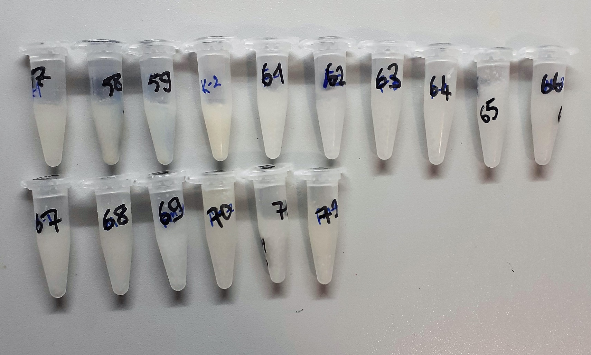
74 | 1.482 | 1.415 | 19.675535033
75 | 1.578 | 1.511 | 21.382443276
76 | 1.147 | 1.08 | 14.13376688
77 | 1.3 | 1.233 | 16.584818021
78 | 1.29 | 1.223 | 16.420512069
79 | 1.343 | 1.276 | 17.297878219
80 | 1.38 | 1.313 | 17.919941877
81 | 1.773 | 1.706 | 25.012555261
82 | 1.599 | 1.532 | 21.762885221
83 | 1.505 | 1.438 | 20.079660215
84 | 1.401 | 1.334 | 18.276502765
85 | 1.406 | 1.339 | 18.361771536
86 | 1.09 | 1.023 | 13.255004429
87 | 1.778 | 1.711 | 25.108506756
88 | 1.507 | 1.44 | 20.11494512
89 | 1.706 | 1.639 | 23.740658316
90 | 1.08 | 1.013 | 13.102759617

ADMA
2.256 | 2.53 | 1.866 | 1.4 | 1.973 | 0.698 | 1.088 | 1.379 | 1.718 | 1.773 | 1.693 | 1.522
1.299 | 1.808 | 1.418 | 1.199 | 1.374 | 0.796 | 1.155 | 1.073 | 1.544 | 1.825 | 1.34 | 1.554
0.707 | 1.311 | 2.142 | 1.443 | 1.605 | 0.761 | 1.151 | 1.115 | 1.809 | 1.68 | 1.378 | 1.617
0.408 | 1.804 | 1.749 | 1.718 | 1.308 | 0.876 | 0.978 | 0.607 | 1.85 | 1.844 | 1.372 | 1.271
0.276 | 2.2 | 1.929 | 1.783 | 1.786 | 0.829 | 1.232 | 0.973 | 1.775 | 1.918 | 1.594 | 1.401
0.069 | 1.362 | 2.054 | 2.215 | 1.588 | 1.011 | 0.87 | 1.035 | 1.768 | 1.877 | 1.589 | 1.359
1.741 | 1.933 | 2.26 | 1.886 | 1.114 | 1.322 | 0.915 | 2.111 | 1.993 | 1.692 | 1.566 | 1.403
2.412 | 2.153 | 2.138 | 1.675 | 0.971 | 1.099 | 0.904 | 2.012 | 1.803 | 1.619 | 1.604 | 1.344

ADMA
2.187 | 40000
1.23 | 20000
0.638 | 10000
0.339 | 5000
0.207 | 2500
0 | 0
 | abs | abs-blank | expected | result
std1 | 2.256 | 2.187 | 40000 | 39969.106914
std2 | 1.299 | 1.23 | 20000 | 20181.4074
std3 | 0.707 | 0.638 | 10000 | 9688.557864
std4 | 0.408 | 0.339 | 5000 | 4896.735426
std5 | 0.276 | 0.207 | 2500 | 2889.718194
blank | 0.069 | 0 | 0

 |  |  |  |  |  |  |  |  | concentratıon (ng/L)

Numune | absorbans | abs-blank | result
1 | 1.741 | 1.672 | 28886.691104
2 | 2.412 | 2.343 | 43525.622994
3 | 2.53 | 2.461 | 46277.433026
4 | 1.808 | 1.739 | 30271.270626
5 | 1.311 | 1.242 | 20407.914984
6 | 1.804 | 1.735 | 30188.12885
7 | 2.2 | 2.131 | 38715.036866
8 | 1.362 | 1.293 | 21376.696194
9 | 1.933 | 1.864 | 32900.185376
10 | 2.153 | 2.084 | 37671.740736
11 | 1.866 | 1.797 | 31483.680354
12 | 1.418 | 1.349 | 22451.876706
13 | 2.142 | 2.073 | 37428.781074
14 | 1.749 | 1.68 | 29051.1144
15 | 1.929 | 1.86 | 32815.1376
16 | 2.054 | 1.985 | 35501.70885
17 | 2.26 | 2.191 | 40059.140786
18 | 2.138 | 2.069 | 37340.546466
19 | 1.4 | 1.331 | 22104.979266
20 | 1.199 | 1.13 | 18315.1914
21 | 1.443 | 1.374 | 22935.727656
22 | 1.718 | 1.649 | 28415.333106
23 | 1.783 | 1.714 | 29752.635176
24 | 2.215 | 2.146 | 39049.776296
25 | 1.886 | 1.817 | 31904.726034
26 | 1.675 | 1.606 | 27539.507816
27 | 1.973 | 1.904 | 33754.017696
28 | 1.374 | 1.305 | 21606.08565
29 | 1.605 | 1.536 | 26128.822176
30 | 1.308 | 1.239 | 20351.236626
31 | 1.786 | 1.717 | 29814.745634
32 | 1.588 | 1.519 | 25789.046066
33 | 1.114 | 1.045 | 16758.87965
34 | 0.971 | 0.902 | 14202.757224
35 | 0.698 | 0.629 | 9539.347746
36 | 0.796 | 0.727 | 11180.704274
37 | 0.761 | 0.692 | 10590.302784
38 | 0.876 | 0.807 | 12547.728594
39 | 0.829 | 0.76 | 11741.6456
40 | 1.011 | 0.942 | 14909.903784
41 | 1.322 | 1.253 | 20616.029154
42 | 1.099 | 1.03 | 16487.0954
43 | 1.088 | 1.019 | 16288.332066
44 | 1.155 | 1.086 | 17506.132776
45 | 1.151 | 1.082 | 17432.947944
46 | 0.978 | 0.909 | 14326.067586
47 | 1.232 | 1.163 | 18926.828514
48 | 0.87 | 0.801 | 12444.355506
49 | 0.915 | 0.846 | 13222.998696
50 | 0.904 | 0.835 | 13031.95085
51 | 1.379 | 1.31 | 21701.8266
52 | 1.073 | 1.004 | 16018.034496
53 | 1.115 | 1.046 | 16777.029096
54 | 0.607 | 0.538 | 8048.012264
55 | 0.973 | 0.904 | 14237.969696
56 | 1.035 | 0.966 | 15337.119336
57 | 2.111 | 2.042 | 36746.558184
58 | 2.012 | 1.943 | 34592.376594
59 | 1.718 | 1.649 | 28415.333106
60 | 1.544 | 1.475 | 24914.74125
61 | 1.809 | 1.74 | 30292.0656
62 | 1.85 | 1.781 | 31147.941666
63 | 1.775 | 1.706 | 29587.175016
64 | 1.768 | 1.699 | 29442.597506
65 | 1.993 | 1.924 | 34183.221056
66 | 1.803 | 1.734 | 30167.352936
67 | 1.773 | 1.704 | 29545.848096
68 | 1.825 | 1.756 | 30625.303616
69 | 1.68 | 1.611 | 27640.985826
70 | 1.844 | 1.775 | 31022.29125
71 | 1.918 | 1.849 | 32581.570706
72 | 1.877 | 1.808 | 31715.066784
73 | 1.692 | 1.623 | 27884.921874
74 | 1.619 | 1.55 | 26409.465
75 | 1.693 | 1.624 | 27905.274656
76 | 1.34 | 1.271 | 20957.574546
77 | 1.378 | 1.309 | 21682.670786
78 | 1.372 | 1.303 | 21567.815954
79 | 1.594 | 1.525 | 25908.84125
80 | 1.589 | 1.52 | 25809.0024
81 | 1.566 | 1.497 | 25350.971154
82 | 1.604 | 1.535 | 26108.80485
83 | 1.522 | 1.453 | 24480.356354
84 | 1.554 | 1.485 | 25112.79885
85 | 1.617 | 1.548 | 26369.327424
86 | 1.271 | 1.202 | 19655.024424
87 | 1.401 | 1.332 | 22124.218944
88 | 1.359 | 1.29 | 21319.4346
89 | 1.403 | 1.334 | 22162.709736
90 | 1.344 | 1.275 | 21033.64125

Nitrik Oksit
2.375 | 2.421 | 1.98 | 1.477 | 2.057 | 0.875 | 1.298 | 1.034 | 1.98 | 2.076 | 1.824 | 1.823
1.644 | 1.974 | 1.168 | 1.15 | 1.452 | 1.222 | 0.996 | 1.549 | 1.657 | 1.652 | 1.346 | 1.538
0.857 | 1.588 | 2.339 | 1.483 | 1.553 | 0.718 | 1.424 | 0.978 | 1.938 | 1.784 | 1.532 | 1.355
0.435 | 1.875 | 1.815 | 1.7 | 1.491 | 0.647 | 1.316 | 1.055 | 1.844 | 1.751 | 1.219 | 1.419
0.285 | 2.378 | 1.589 | 1.499 | 1.82 | 1.203 | 1.429 | 0.913 | 1.755 | 1.95 | 1.557 | 1.274
0.068 | 1.808 | 1.902 | 2.339 | 2.065 | 0.918 | 0.974 | 1.135 | 2.005 | 1.951 | 1.701 | 1.556
1.803 | 1.685 | 2.118 | 1.691 | 1.073 | 1.622 | 0.965 | 1.93 | 1.626 | 1.577 | 1.561 | 1.377
2.192 | 2.255 | 2.054 | 1.367 | 1.362 | 1.307 | 1.312 | 2.111 | 1.877 | 1.421 | 1.585 | 1.099

Nitric Oxide
2.307 | 320
1.576 | 160
0.789 | 80
0.367 | 40
0.217 | 20
0 | 0
 | abs | abs-blank | expected | result
std1 | 2.375 | 2.307 | 320 | 314.08365497
std2 | 1.644 | 1.576 | 160 | 175.69858883
std3 | 0.857 | 0.789 | 80 | 69.758409672
std4 | 0.435 | 0.367 | 40 | 31.335313048
std5 | 0.285 | 0.217 | 20 | 20.769359848
blank | 0.068 | 0 | 0 | 8.3535

 |  |  |  |  |  |  |  | concentratıon (umol/L)

Numune | absorbans | abs-blank | result
1 | 1.803 | 1.735 | 202.5217222
2 | 2.192 | 2.124 | 275.82662803
3 | 2.421 | 2.353 | 324.07973649
4 | 1.974 | 1.906 | 233.40252875
5 | 1.588 | 1.52 | 166.6852728
6 | 1.875 | 1.807 | 215.26733097
7 | 2.378 | 2.31 | 314.7309252
8 | 1.808 | 1.74 | 203.3947632
9 | 1.685 | 1.617 | 182.44092305
10 | 2.255 | 2.187 | 288.72467801
11 | 1.98 | 1.912 | 234.52433181
12 | 1.168 | 1.1 | 106.28892
13 | 2.339 | 2.271 | 306.36700111
14 | 1.815 | 1.747 | 204.62004729
15 | 1.589 | 1.521 | 166.84424311
16 | 1.902 | 1.834 | 220.14324779
17 | 2.118 | 2.05 | 261.04183
18 | 2.054 | 1.986 | 248.57321227
19 | 1.477 | 1.409 | 149.48751799
20 | 1.15 | 1.082 | 103.98458117
21 | 1.483 | 1.415 | 150.3944262
22 | 1.7 | 1.632 | 184.93789757
23 | 1.499 | 1.431 | 152.82553135
24 | 2.339 | 2.271 | 306.36700111
25 | 1.691 | 1.623 | 183.43776713
26 | 1.367 | 1.299 | 133.32063583
27 | 2.057 | 1.989 | 249.15108487
28 | 1.452 | 1.384 | 145.73665859
29 | 1.553 | 1.485 | 161.1667122
30 | 1.491 | 1.423 | 151.60767273
31 | 1.82 | 1.752 | 205.49741213
32 | 2.065 | 1.997 | 250.69524929
33 | 1.073 | 1.005 | 94.3907058
34 | 1.362 | 1.294 | 132.60649595
35 | 0.875 | 0.807 | 71.682682968
36 | 1.222 | 1.154 | 113.34202891
37 | 0.718 | 0.65 | 55.68507
38 | 0.647 | 0.579 | 49.033766712
39 | 1.203 | 1.135 | 110.8364182
40 | 0.918 | 0.85 | 76.37407
41 | 1.622 | 1.554 | 172.13069131
42 | 1.307 | 1.239 | 124.86986287
43 | 1.298 | 1.23 | 123.6246228
44 | 0.996 | 0.928 | 85.224097888
45 | 1.424 | 1.356 | 141.58916755
46 | 1.316 | 1.248 | 126.12094013
47 | 1.429 | 1.361 | 142.32564727
48 | 0.974 | 0.906 | 82.683544752
49 | 0.965 | 0.897 | 81.654280488
50 | 1.312 | 1.244 | 125.56418515
51 | 1.034 | 0.966 | 89.694478992
52 | 1.549 | 1.481 | 160.54164055
53 | 0.978 | 0.91 | 83.1428692
54 | 1.055 | 0.987 | 92.209596408
55 | 0.913 | 0.845 | 75.8217138
56 | 1.135 | 1.067 | 102.08213465
57 | 1.93 | 1.862 | 225.25524341
58 | 2.111 | 2.043 | 259.66369817
59 | 1.98 | 1.912 | 234.52433181
60 | 1.657 | 1.589 | 177.82328647
61 | 1.938 | 1.87 | 226.7261908
62 | 1.844 | 1.776 | 209.73384163
63 | 1.755 | 1.687 | 194.23219401
64 | 2.005 | 1.937 | 239.22643601
65 | 1.626 | 1.558 | 172.77680565
66 | 1.877 | 1.809 | 215.62670839
67 | 2.076 | 2.008 | 252.82600605
68 | 1.652 | 1.584 | 177.00465379
69 | 1.784 | 1.716 | 199.22059699
70 | 1.751 | 1.683 | 193.54889465
71 | 1.95 | 1.882 | 228.94125957
72 | 1.951 | 1.883 | 229.12631705
73 | 1.577 | 1.509 | 164.94135559
74 | 1.421 | 1.353 | 141.14814449
75 | 1.824 | 1.756 | 206.20060115
76 | 1.346 | 1.278 | 130.33335509
77 | 1.532 | 1.464 | 157.89794947
78 | 1.219 | 1.151 | 112.94467663
79 | 1.557 | 1.489 | 161.79293687
80 | 1.701 | 1.633 | 185.10493905
81 | 1.561 | 1.493 | 162.42031457
82 | 1.585 | 1.517 | 166.20879425
83 | 1.823 | 1.755 | 206.0246958
84 | 1.538 | 1.47 | 158.8286388
85 | 1.355 | 1.287 | 131.60972681
86 | 1.419 | 1.351 | 140.85448943
87 | 1.274 | 1.206 | 120.33251995
88 | 1.556 | 1.488 | 161.63627261
89 | 1.377 | 1.309 | 134.75432039
90 | 1.099 | 1.031 | 97.582417752

