Cortisol
1.429 | 0.411 | 0.384 | 0.307 | 0.377 | 0.246 | 0.288
0.806 | 0.364 | 0.397 | 0.285 | 0.358 | 0.267 | 0.349
0.425 | 0.413 | 0.364 | 0.268 | 0.351 | 0.239 | 0.281
0.28 | 0.457 | 0.387 | 0.322 | 0.262 | 0.363 | 0.384
0.143 | 0.421 | 0.248 | 0.286 | 0.3 | 0.206 | 0.262
0.051 | 0.383 | 0.359 | 0.277 | 0.267 | 0.231 | 0.189
0.333 | 0.375 | 0.318 | 0.301 | 0.263 | 0.227 | 0
0.338 | 0.404 | 0.382 | 0.298 | 0.326 | 0.325 | 0

CORTISOL

 | abs | abs-blank | expected | result
std1 | 1.429 | 1.378 | 240 | 239.90
std2 | 0.806 | 0.755 | 120 | 120.80
std3 | 0.425 | 0.374 | 60 | 56.67
std4 | 0.28 | 0.229 | 30 | 34.01
std5 | 0.143 | 0.092 | 15 | 13.47
blank | 0.051 | 0 | 0 | 0.15

 |  |  |  |  |  |  | concentration (ng/ml)

Numune | absorbans | blank | abs-blank | result(ng/ml)
DENEY-1-KONTROL-1 | 0.333 | 0.051 | 0.282 | 42.18
DENEY-1-KONTROL-2 | 0.338 | 0.051 | 0.287 | 42.96
DENEY-1-KONTROL-3 | 0.411 | 0.051 | 0.36 | 54.44
DENEY-1-KONTROL-4 | 0.364 | 0.051 | 0.313 | 47.02
DENEY-1-KONTROL-5 | 0.413 | 0.051 | 0.362 | 54.76
DENEY-1-KONTROL-6 | 0.457 | 0.051 | 0.406 | 61.81
DENEY-1-KONTROL-7 | 0.421 | 0.051 | 0.37 | 56.04
DENEY-1-KONTROL-8 | 0.383 | 0.051 | 0.332 | 50.01
DENEY-2-KONTROL-1 | 0.375 | 0.051 | 0.324 | 48.75
DENEY-2-KONTROL-2 | 0.404 | 0.051 | 0.353 | 53.33
DENEY-2-KONTROL-3 | 0.384 | 0.051 | 0.333 | 50.17
DENEY-2-KONTROL-4 | 0.397 | 0.051 | 0.346 | 52.22
DENEY-2-KONTROL-5 | 0.364 | 0.051 | 0.313 | 47.02
DENEY-2-KONTROL-6 | 0.387 | 0.051 | 0.336 | 50.64
DENEY-2-KONTROL-7 | 0.248 | 0.051 | 0.197 | 29.13
DENEY-2-KONTROL-8 | 0.359 | 0.051 | 0.308 | 46.24
DENEY-1-SALVİA-1 | 0.318 | 0.051 | 0.267 | 39.85
DENEY-1-SALVİA-2 | 0.382 | 0.051 | 0.331 | 49.85
DENEY-1-SALVİA-3 | 0.307 | 0.051 | 0.256 | 38.15
DENEY-1-SALVİA-4 | 0.285 | 0.051 | 0.234 | 34.77
DENEY-1-SALVİA-5 | 0.268 | 0.051 | 0.217 | 32.17
DENEY-1-SALVİA-6 | 0.322 | 0.051 | 0.271 | 40.47
DENEY-1-SALVİA-7 | 0.286 | 0.051 | 0.235 | 34.92
DENEY-1-SALVİA-8 | 0.277 | 0.051 | 0.226 | 33.55
DENEY-2-SALVİA-1 | 0.301 | 0.051 | 0.25 | 37.23
DENEY-2-SALVİA-2 | 0.298 | 0.051 | 0.247 | 36.77
DENEY-2-SALVİA-3 | 0.377 | 0.051 | 0.326 | 49.06
DENEY-2-SALVİA-4 | 0.358 | 0.051 | 0.307 | 46.08
DENEY-2-SALVİA-5 | 0.351 | 0.051 | 0.3 | 44.99
DENEY-2-SALVİA-6 | 0.262 | 0.051 | 0.211 | 31.26
DENEY-2-SALVİA-7 | 0.3 | 0.051 | 0.249 | 37.08
DENEY-2-SALVİA-8 | 0.267 | 0.051 | 0.216 | 32.02
DENEY-1-DİAZEPAM-1 | 0.263 | 0.051 | 0.212 | 31.41
DENEY-1-DİAZEPAM-2 | 0.326 | 0.051 | 0.275 | 41.09
DENEY-1-DİAZEPAM-3 | 0.246 | 0.051 | 0.195 | 28.83
DENEY-1-DİAZEPAM-4 | 0.267 | 0.051 | 0.216 | 32.02
DENEY-1-DİAZEPAM-5 | 0.239 | 0.051 | 0.188 | 27.77
DENEY-1-DİAZEPAM-6 | 0.363 | 0.051 | 0.312 | 46.86
DENEY-1-DİAZEPAM-7 | 0.206 | 0.051 | 0.155 | 22.81
DENEY-1-DİAZEPAM-8 | 0.231 | 0.051 | 0.18 | 26.56
DENEY-2-DİAZEPAM-1 | 0.227 | 0.051 | 0.176 | 25.96
DENEY-2-DİAZEPAM-2 | 0.325 | 0.051 | 0.274 | 40.94
DENEY-2-DİAZEPAM-3 | 0.288 | 0.051 | 0.237 | 35.23
DENEY-2-DİAZEPAM-4 | 0.349 | 0.051 | 0.298 | 44.67
DENEY-2-DİAZEPAM-5 | 0.281 | 0.051 | 0.23 | 34.16
DENEY-2-DİAZEPAM-6 | 0.384 | 0.051 | 0.333 | 50.17
DENEY-2-DİAZEPAM-7 | 0.262 | 0.051 | 0.211 | 31.26
DENEY-2-DİAZEPAM-8 | 0.189 | 0.051 | 0.138 | 20.27

Materyal-metod
KİT ADI | TÜR | MARKA | CAT. NO | Yöntem | Kullanılan Cihaz
Cortisol | Rat | BT-lab | E0828Ra | ELİSA | Mıcroplate reader: BIO-TEK EL X 800-Aotu strıp washer:BIO TEK EL X 50
AST: Aspartat Aminotransferaz | Universal | Otto Scientific | OttoBC127 | Kolorimetrik | MINDRAY-BS400
ALT: Alanin aminotransferaz | Universal | Otto Scientific | OttoBC128 | Kolorimetrik | MINDRAY-BS400
CREA: Creatinine | Universal | Otto Scientific | OttoBC139 | Kolorimetrik | MINDRAY-BS400
UREA: Üre | Universal | Otto Scientific | OttoBC157 | Kolorimetrik | MINDRAY-BS400

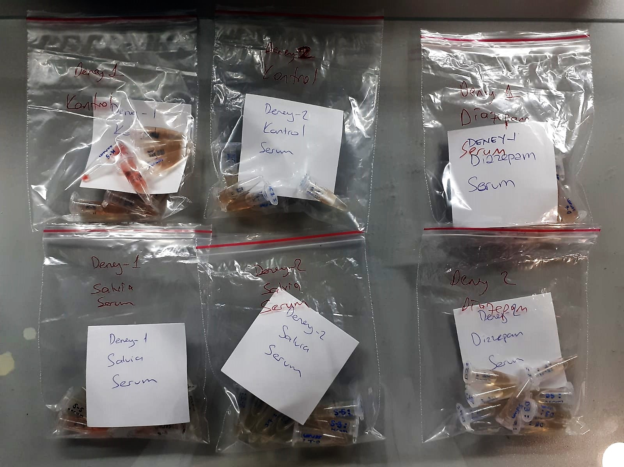

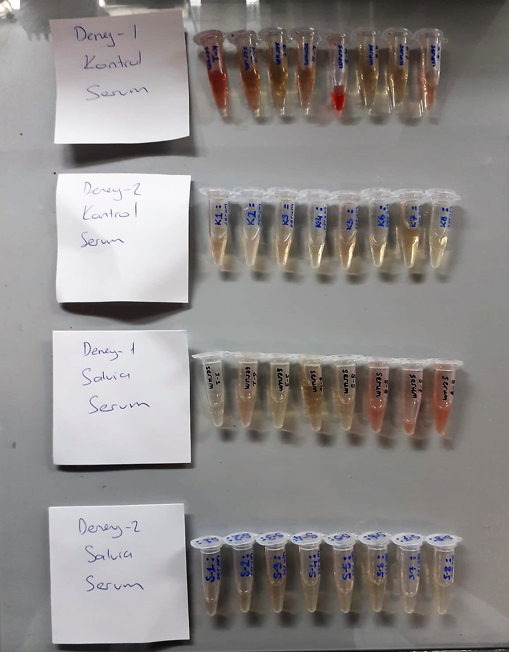

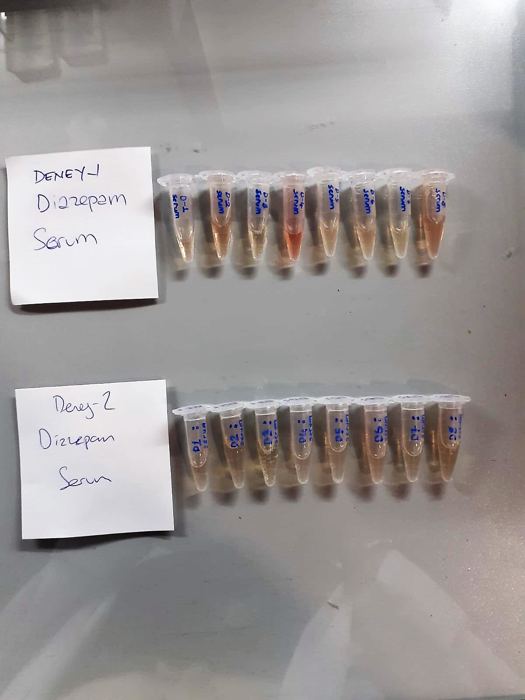

Cortisol Assay Principle
This kit is an Enzyme-Linked Immunosorbent Assay (ELISA). The plate has been pre-coated with Rat COR antibody. COR present in the sample is added and binds to antibodies coated on the wells.
And then biotinylated Rat COR Antibody is added and binds to COR in the sample. Then Streptavidin-HRP is added and binds to the Biotinylated COR antibody.
After incubation unbound Streptavidin-HRP is washed away during a washing step. Substrate solution is then added and color develops in proportion to the amount of Rat COR.
The reaction is terminated by addition of acidic stop solution and absorbance is measured at 450 nm.

Creatinine mg/L
Immunoturbidimetric assay
Anti-CRP antibodies react with antigen in the sample to form an ntigen/antibody complex. Following agglutination, this is measured turbidimetrically.
Addition of PEG allows the reaction to progress rapidly to the end point,increases sensitivity, and reduces the risk of samples containing excess antigen
producing false negative results.

Urea (BUN) mg/dl
Urea is hydrolysed in presence of urease to produce ammonia and CO2. The ammonia produced combines with 2 – oxoglutarate and NADH in presence of GLDH to yield glutamate and NAD.
urease
Urea+H2O+2H+ 2 NH4+ + 2+ CO2
GLDH
2 NH4+ + 2-Oxoglutarate + 2 NADH H2O + 2 NAD+ + Gl utamate The decrease in absorbance due to consumption of NADH is measured kinetically.

AST U/L
UV test according to a standarrized method
Sample and addition of R1 (buffer)
Addition of R2 and start of reaction: AST
α-ketoglutarate + L-aspartate L- glutamate + oxaloasetate
AST is the enzyme which catalyzes this equilibrium reaction. The oxaloacetate in- crease is measured in a subsequent indicator reaction which is catalyzed by malate dehydrogenase.
MDH
oxalacetate + NADH + H+ L-Malate + NAD+
In the second reaction, NADH is oxidized to NAD. The rate of decrease in NADH
(Measured photometrically) is directly proportional to the rate of formation of
oxaloasetate, and thus the AST activity.

ALT U/L
UV test according to the IFCC method.
ALT
L-Alanin + 2-Oxoglutarate ⎯⎯ L-Glutamate + Pyruvat

