BDNF
2.533 | 0.921 | 0.895 | 1.012 | 1.013 | 1.162 | 1.244 | 1.138 | 1.097 | 1.136 | 0.833 | 0.893
1.708 | 0.747 | 0.888 | 1.128 | 1.075 | 1.054 | 1.162 | 1.132 | 1.067 | 1.045 | 1.02
1.124 | 0.97 | 0.96 | 1.134 | 1.122 | 1.112 | 1.1 | 1.091 | 1.126 | 0.982 | 0.976
0.694 | 1.107 | 1.304 | 1.249 | 1.112 | 1.299 | 1.112 | 0.98 | 1.033 | 1.079 | 0.95
0.373 | 1.255 | 1.147 | 1.384 | 1.293 | 1.226 | 1.168 | 1.106 | 1.102 | 1.119 | 0.982
0.078 | 1.289 | 1.247 | 1.193 | 1.111 | 1.16 | 1.063 | 1.011 | 1.055 | 1.078 | 0.929
 | 1.233 | 1.565 | 1.347 | 1.33 | 1.208 | 1.127 | 1.036 | 1.128 | 1.12 | 0.887
 | 1.187 | 1.316 | 1.202 | 1.239 | 1.151 | 1.054 | 0.92 | 1.053 | 0.959 | 0.715

BDNF
 | abs | abs-blank | expected | result
std1 | 2.533 | 2.455 | 6.4 | 6.386
std2 | 1.708 | 1.63 | 3.2 | 3.228
std3 | 1.124 | 1.046 | 1.6 | 1.623
std4 | 0.694 | 0.616 | 0.8 | 0.776
std5 | 0.373 | 0.295 | 0.4 | 0.329
blank | 0.078 | 0 | 0 | 0.057

 |  |  |  |  |  |  |  | concentratıon (ng/ml)

Numune | absorbans | blank | abs-blank | result
KİH-Sitriatum-1 | 0.921 | 0.078 | 0.843 | 1.188
KİH-Sitriatum-2 | 0.747 | 0.078 | 0.669 | 0.866
KİH-Sitriatum-3 | 0.97 | 0.078 | 0.892 | 1.288
KİH-Sitriatum-4 | 1.107 | 0.078 | 1.029 | 1.585
KİH-Sitriatum-5 | 1.255 | 0.078 | 1.177 | 1.938
KİH-Sitriatum-6 | 1.289 | 0.078 | 1.211 | 2.024
KİH-Sitriatum-7 | 1.233 | 0.078 | 1.155 | 1.883
KİH-Sitriatum-8 | 1.187 | 0.078 | 1.109 | 1.771
KİH-PFK-1 | 0.895 | 0.078 | 0.817 | 1.137
KİH-PFK-2 | 0.888 | 0.078 | 0.81 | 1.123
KİH-PFK-3 | 0.96 | 0.078 | 0.882 | 1.267
KİH-PFK-4 | 1.304 | 0.078 | 1.226 | 2.062
KİH-PFK-5 | 1.147 | 0.078 | 1.069 | 1.677
KİH-PFK-6 | 1.247 | 0.078 | 1.169 | 1.918
KİH-PFK-7 | 1.565 | 0.078 | 1.487 | 2.787
KİH-PFK-8 | 1.316 | 0.078 | 1.238 | 2.093
Somatostatin-Sitriatum-1 | 1.012 | 0.078 | 0.934 | 1.376
Somatostatin-Sitriatum-2 | 1.128 | 0.078 | 1.05 | 1.633
Somatostatin-Sitriatum-3 | 1.134 | 0.078 | 1.056 | 1.647
Somatostatin-Sitriatum-4 | 1.249 | 0.078 | 1.171 | 1.923
Somatostatin-Sitriatum-5 | 1.384 | 0.078 | 1.306 | 2.273
Somatostatin-Sitriatum-6 | 1.193 | 0.078 | 1.115 | 1.786
Somatostatin-Sitriatum-7 | 1.347 | 0.078 | 1.269 | 2.174
Somatostatin-PFK-1 | 1.202 | 0.078 | 1.124 | 1.807
Somatostatin-PFK-2 | 1.013 | 0.078 | 0.935 | 1.378
Somatostatin-PFK-3 | 1.075 | 0.078 | 0.997 | 1.513
Somatostatin-PFK-4 | 1.122 | 0.078 | 1.044 | 1.619
Somatostatin-PFK-5 | 1.112 | 0.078 | 1.034 | 1.596
Somatostatin-PFK-6 | 1.293 | 0.078 | 1.215 | 2.034
Somatostatin-PFK-7 | 1.111 | 0.078 | 1.033 | 1.594
Somatostatin-Hipocamp-1 | 1.33 | 0.078 | 1.252 | 2.130
Somatostatin-Hipocamp-2 | 1.239 | 0.078 | 1.161 | 1.898
Somatostatin-Hipocamp-3 | 1.162 | 0.078 | 1.084 | 1.712
Somatostatin-Hipocamp-4 | 1.054 | 0.078 | 0.976 | 1.466
Somatostatin-Hipocamp-5 | 1.112 | 0.078 | 1.034 | 1.596
Somatostatin-Hipocamp-6 | 1.299 | 0.078 | 1.221 | 2.049
Somatostatin-Hipocamp-7 | 1.226 | 0.078 | 1.148 | 1.866
Somatostatin-thalamus-1 | 1.16 | 0.078 | 1.082 | 1.707
Somatostatin-thalamus-2 | 1.208 | 0.078 | 1.13 | 1.822
Somatostatin-thalamus-3 | 1.151 | 0.078 | 1.073 | 1.686
Somatostatin-thalamus-4 | 1.244 | 0.078 | 1.166 | 1.910
Somatostatin-thalamus-5 | 1.162 | 0.078 | 1.084 | 1.712
Somatostatin-thalamus-6 | 1.1 | 0.078 | 1.022 | 1.569
Somatostatin-thalamus-7 | 1.112 | 0.078 | 1.034 | 1.596
Control-sitriatum-1 | 1.168 | 0.078 | 1.09 | 1.726
Control-sitriatum-2 | 1.063 | 0.078 | 0.985 | 1.486
Control-sitriatum-3 | 1.127 | 0.078 | 1.049 | 1.630
Control-sitriatum-4 | 1.054 | 0.078 | 0.976 | 1.466
Control-sitriatum-5 | 1.138 | 0.078 | 1.06 | 1.656
Control-sitriatum-6 | 1.132 | 0.078 | 1.054 | 1.642
Control-sitriatum-7 | 1.091 | 0.078 | 1.013 | 1.548
Control-PFK-1 | 0.98 | 0.078 | 0.902 | 1.308
Control-PFK-2 | 1.106 | 0.078 | 1.028 | 1.582
Control-PFK-3 | 1.011 | 0.078 | 0.933 | 1.373
Control-PFK-4 | 1.036 | 0.078 | 0.958 | 1.427
Control-PFK-5 | 0.92 | 0.078 | 0.842 | 1.186
Control-PFK-6 | 1.097 | 0.078 | 1.019 | 1.562
Control-PFK-7 | 1.067 | 0.078 | 0.989 | 1.495
Control-Hipocamp-1 | 1.126 | 0.078 | 1.048 | 1.628
Control-Hipocamp-2 | 1.033 | 0.078 | 0.955 | 1.421
Control-Hipocamp-3 | 1.102 | 0.078 | 1.024 | 1.573
Control-Hipocamp-4 | 1.055 | 0.078 | 0.977 | 1.468
Control-Hipocamp-5 | 1.128 | 0.078 | 1.05 | 1.633
Control-Hipocamp-6 | 1.053 | 0.078 | 0.975 | 1.464
Control-Hipocamp-7 | 1.136 | 0.078 | 1.058 | 1.651
Control-thalamus-1 | 1.045 | 0.078 | 0.967 | 1.447
Control-thalamus-2 | 0.982 | 0.078 | 0.904 | 1.312
Control-thalamus-3 | 1.079 | 0.078 | 1.001 | 1.522
Control-thalamus-4 | 1.119 | 0.078 | 1.041 | 1.612
Control-thalamus-5 | 1.078 | 0.078 | 1 | 1.519
Control-thalamus-6 | 1.12 | 0.078 | 1.042 | 1.614
Control-thalamus-7 | 0.959 | 0.078 | 0.881 | 1.265
Somatostatin-serum-1 | 0.833 | 0.078 | 0.755 | 1.019
Somatostatin-serum-2 | 1.02 | 0.078 | 0.942 | 1.393
Somatostatin-serum-3 | 0.976 | 0.078 | 0.898 | 1.300
Somatostatin-serum-4 | 0.95 | 0.078 | 0.872 | 1.247
Control-serum-1 | 0.982 | 0.078 | 0.904 | 1.312
Control-serum-2 | 0.929 | 0.078 | 0.851 | 1.204
Control-serum-3 | 0.887 | 0.078 | 0.809 | 1.122
Control-serum-4 | 0.715 | 0.078 | 0.637 | 0.811
Control-serum-5 | 0.893 | 0.078 | 0.815 | 1.133

Seratonin
2.517 | 0.961 | 1.091 | 1.279 | 1.145 | 1.208 | 1.163 | 1.061 | 1.213 | 1.154 | 1.114
1.668 | 0.924 | 1.216 | 1.045 | 0.985 | 0.86 | 1.072 | 0.987 | 1.053 | 0.986 | 0.892
0.954 | 1.284 | 1.245 | 1.186 | 1.097 | 0.896 | 0.989 | 0.984 | 1.06 | 0.94 | 1.392
0.709 | 1.263 | 1.188 | 1.287 | 1.177 | 0.799 | 1.025 | 1.04 | 1.147 | 1.136 | 0.989
0.322 | 1.308 | 1.382 | 1.316 | 1.115 | 0.796 | 0.958 | 1.032 | 0.975 | 1.082 | 0.942
0.082 | 1.178 | 1.261 | 1.034 | 0.982 | 1.237 | 1.063 | 1.006 | 1.299 | 1.056 | 0.798
0.071 | 1.266 | 1.096 | 1.082 | 1.03 | 1.021 | 0.942 | 1.006 | 1.055 | 1.047 | 1.16
 | 1.053 | 1.022 | 1.058 | 1.025 | 0.889 | 0.937 | 1.005 | 1.078 | 0.958 | 0.869

Seratonin

 | abs | abs-blank | expected | result
std1 | 2.517 | 2.441 | 120 | 119.544
std2 | 1.668 | 1.592 | 60 | 61.691
std3 | 0.954 | 0.878 | 30 | 26.707
std4 | 0.709 | 0.633 | 15 | 17.581
std5 | 0.322 | 0.246 | 7.5 | 6.162
blank | 0.076 | 0 | 0 | 0.811

 |  |  |  |  |  |  |  |  | concentratıon (ng/ml)

Numune | absorbans | blank | abs-blank | result
Control-Sitriatum-1 | 0.961 | 0.076 | 0.885 | 26.989
Control-Sitriatum-2 | 0.924 | 0.076 | 0.848 | 25.511
Control-Sitriatum-3 | 1.284 | 0.076 | 1.208 | 41.324
Control-Sitriatum-4 | 1.263 | 0.076 | 1.187 | 40.314
Control-Sitriatum-5 | 1.308 | 0.076 | 1.232 | 42.491
Control-Sitriatum-6 | 1.178 | 0.076 | 1.102 | 36.338
Control-Sitriatum-7 | 1.266 | 0.076 | 1.19 | 40.458
Control-Sitriatum-8 | 1.053 | 0.076 | 0.977 | 30.812
Control-PFK-1 | 1.091 | 0.076 | 1.015 | 32.451
Control-PFK-2 | 1.216 | 0.076 | 1.14 | 38.093
Control-PFK-3 | 1.245 | 0.076 | 1.169 | 39.457
Control-PFK-4 | 1.188 | 0.076 | 1.112 | 36.796
Control-PFK-5 | 1.382 | 0.076 | 1.306 | 46.178
Control-PFK-6 | 1.261 | 0.076 | 1.185 | 40.218
Control-PFK-7 | 1.096 | 0.076 | 1.02 | 32.670
Control-PFK-8 | 1.022 | 0.076 | 0.946 | 29.501
Control-Thalamus-1 | 1.279 | 0.076 | 1.203 | 41.082
Control-Thalamus-2 | 1.045 | 0.076 | 0.969 | 30.471
Control-Thalamus-3 | 1.186 | 0.076 | 1.11 | 36.704
Control-Thalamus-4 | 1.287 | 0.076 | 1.211 | 41.469
Control-Thalamus-5 | 1.316 | 0.076 | 1.24 | 42.883
Control-Thalamus-6 | 1.034 | 0.076 | 0.958 | 30.005
Control-Thalamus-7 | 1.082 | 0.076 | 1.006 | 32.060
Control-Thalamus-8 | 1.058 | 0.076 | 0.982 | 31.026
Control-Hipothalamus-1 | 1.145 | 0.076 | 1.069 | 34.842
Control-Hipothalamus-2 | 0.985 | 0.076 | 0.909 | 27.967
Control-Hipothalamus-3 | 1.097 | 0.076 | 1.021 | 32.713
Control-Hipothalamus-4 | 1.177 | 0.076 | 1.101 | 36.292
Control-Hipothalamus-5 | 1.115 | 0.076 | 1.039 | 33.505
Control-Hipothalamus-6 | 0.982 | 0.076 | 0.906 | 27.844
Control-Hipothalamus-7 | 1.03 | 0.076 | 0.954 | 29.837
Control-Hipothalamus-8 | 1.025 | 0.076 | 0.949 | 29.627
Control-Hipocamp-1 | 1.208 | 0.076 | 1.132 | 37.721
Control-Hipocamp-2 | 0.86 | 0.076 | 0.784 | 23.032
Control-Hipocamp-3 | 0.896 | 0.076 | 0.82 | 24.414
Control-Hipocamp-4 | 0.799 | 0.076 | 0.723 | 20.763
Control-Hipocamp-5 | 0.796 | 0.076 | 0.72 | 20.653
Control-Hipocamp-6 | 1.237 | 0.076 | 1.161 | 39.079
Control-Hipocamp-7 | 1.021 | 0.076 | 0.945 | 29.459
Control-Hipocamp-8 | 0.889 | 0.076 | 0.813 | 24.143
Hipoksi-sitriatum-1 | 1.163 | 0.076 | 1.087 | 35.654
Hipoksi-sitriatum-2 | 1.072 | 0.076 | 0.996 | 31.627
Hipoksi-sitriatum-3 | 0.989 | 0.076 | 0.913 | 28.131
Hipoksi-sitriatum-4 | 1.025 | 0.076 | 0.949 | 29.627
Hipoksi-sitriatum-5 | 0.958 | 0.076 | 0.882 | 26.868
Hipoksi-sitriatum-6 | 1.063 | 0.076 | 0.987 | 31.240
Hipoksi-sitriatum-7 | 0.942 | 0.076 | 0.866 | 26.226
Hipoksi-sitriatum-8 | 0.937 | 0.076 | 0.861 | 26.026
Hipoksi-PFK-1 | 1.061 | 0.076 | 0.985 | 31.154
Hipoksi-PFK-2 | 0.987 | 0.076 | 0.911 | 28.049
Hipoksi-PFK-3 | 0.984 | 0.076 | 0.908 | 27.926
Hipoksi-PFK-4 | 1.04 | 0.076 | 0.964 | 30.259
Hipoksi-PFK-5 | 1.032 | 0.076 | 0.956 | 29.921
Hipoksi-PFK-6 | 1.006 | 0.076 | 0.93 | 28.833
Hipoksi-PFK-7 | 1.006 | 0.076 | 0.93 | 28.833
Hipoksi-PFK-8 | 1.005 | 0.076 | 0.929 | 28.792
Hipoksi-Thalamus-1 | 1.213 | 0.076 | 1.137 | 37.954
Hipoksi-Thalamus-2 | 1.053 | 0.076 | 0.977 | 30.812
Hipoksi-Thalamus-3 | 1.06 | 0.076 | 0.984 | 31.111
Hipoksi-Thalamus-4 | 1.147 | 0.076 | 1.071 | 34.932
Hipoksi-Thalamus-5 | 0.975 | 0.076 | 0.899 | 27.558
Hipoksi-Thalamus-6 | 1.299 | 0.076 | 1.223 | 42.051
Hipoksi-Thalamus-7 | 1.055 | 0.076 | 0.979 | 30.897
Hipoksi-Thalamus-8 | 1.078 | 0.076 | 1.002 | 31.886
Hipoksi-Hipothalamus-1 | 1.154 | 0.076 | 1.078 | 35.247
Hipoksi-Hipothalamus-2 | 0.986 | 0.076 | 0.91 | 28.008
Hipoksi-Hipothalamus-3 | 0.94 | 0.076 | 0.864 | 26.146
Hipoksi-Hipothalamus-4 | 1.136 | 0.076 | 1.06 | 34.438
Hipoksi-Hipothalamus-5 | 1.082 | 0.076 | 1.006 | 32.060
Hipoksi-Hipothalamus-6 | 1.056 | 0.076 | 0.98 | 30.940
Hipoksi-Hipothalamus-7 | 1.047 | 0.076 | 0.971 | 30.556
Hipoksi-Hipothalamus-8 | 0.958 | 0.076 | 0.882 | 26.868
Hipoksi-Hipocamp-1 | 1.114 | 0.076 | 1.038 | 33.461
Hipoksi-Hipocamp-2 | 0.892 | 0.076 | 0.816 | 24.259
Hipoksi-Hipocamp-3 | 1.392 | 0.076 | 1.316 | 46.687
Hipoksi-Hipocamp-4 | 0.989 | 0.076 | 0.913 | 28.131
Hipoksi-Hipocamp-5 | 0.942 | 0.076 | 0.866 | 26.226
Hipoksi-Hipocamp-6 | 0.798 | 0.076 | 0.722 | 20.726
Hipoksi-Hipocamp-7 | 1.16 | 0.076 | 1.084 | 35.518
Hipoksi-Hipocamp-8 | 0.869 | 0.076 | 0.793 | 23.374

Materyal-metod
KİT ADI | TÜR | MARKA | LOT | CAT. NO | Yöntem | Kullanılan Cihaz
Brain Derived Neurotrophic Factor | Rat | BT | 202104006 | E0476Ra | ELİSA | Mıcroplate reader: BIO-TEK EL X 800-Aotu strıp washer:BIO TEK EL X 50
Seratonin | Rat | BT | 202104006 | E0866Ra | ELİSA | Mıcroplate reader: BIO-TEK EL X 800-Aotu strıp washer:BIO TEK EL X 51
NOT: Dokular 1/9 oranında( 0,1 gr doku: 0,9ml 140 mmol. lık KCl) Potasyum Klorür tamponu ile homojenize edildikten sonra 7000 rpm + 4' de 5 dk santrifüj edildi.

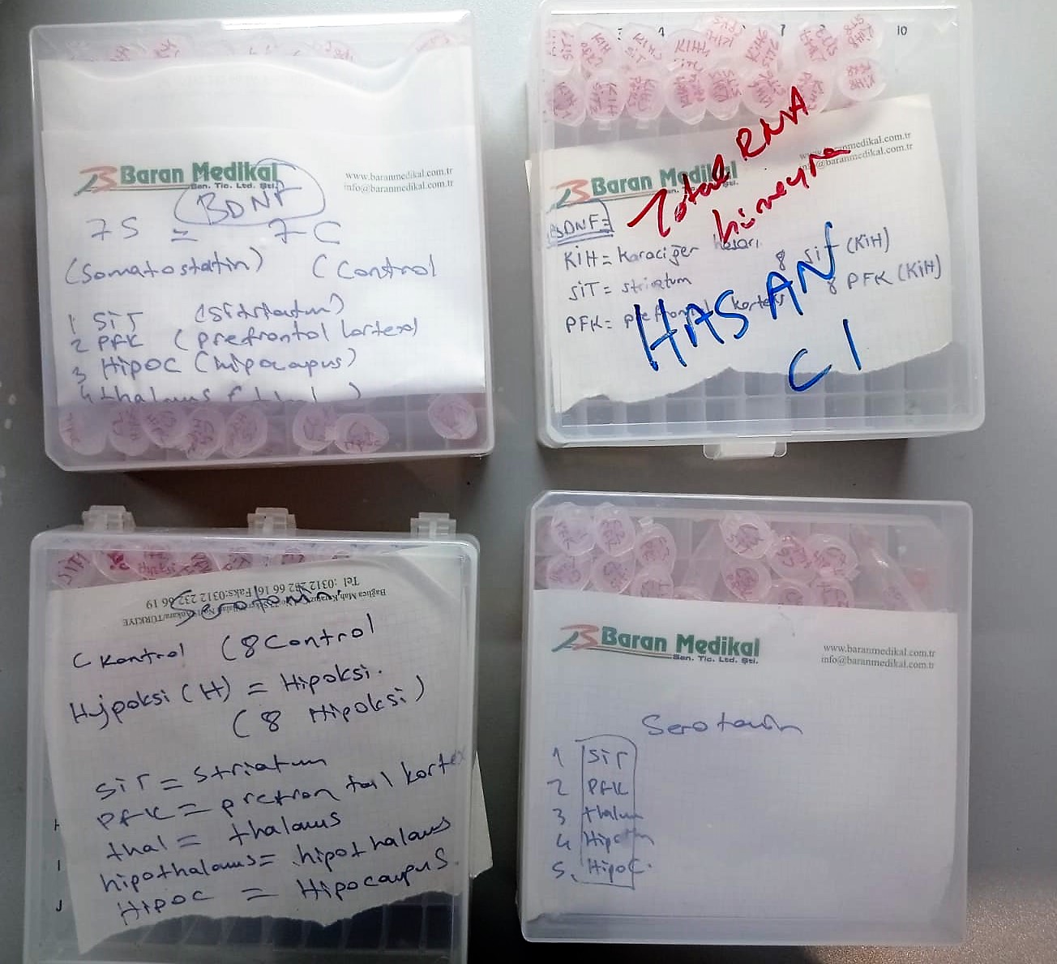
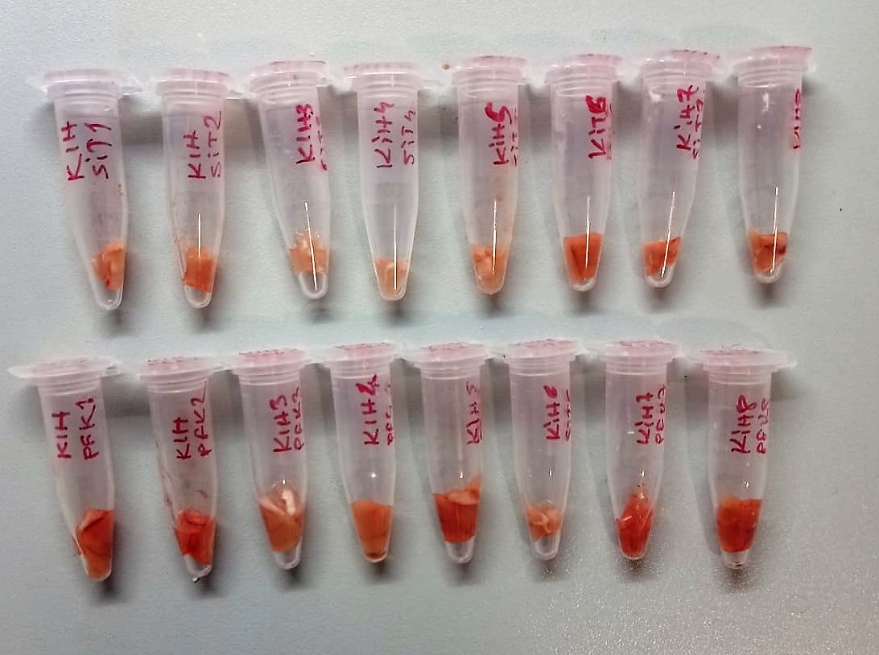

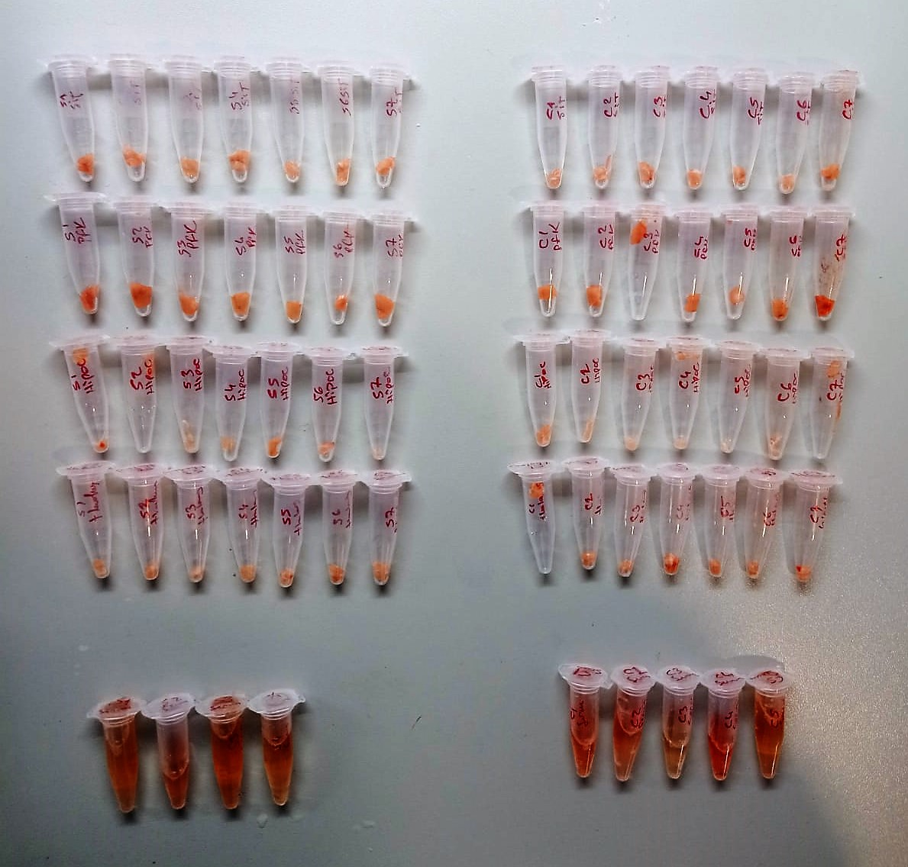
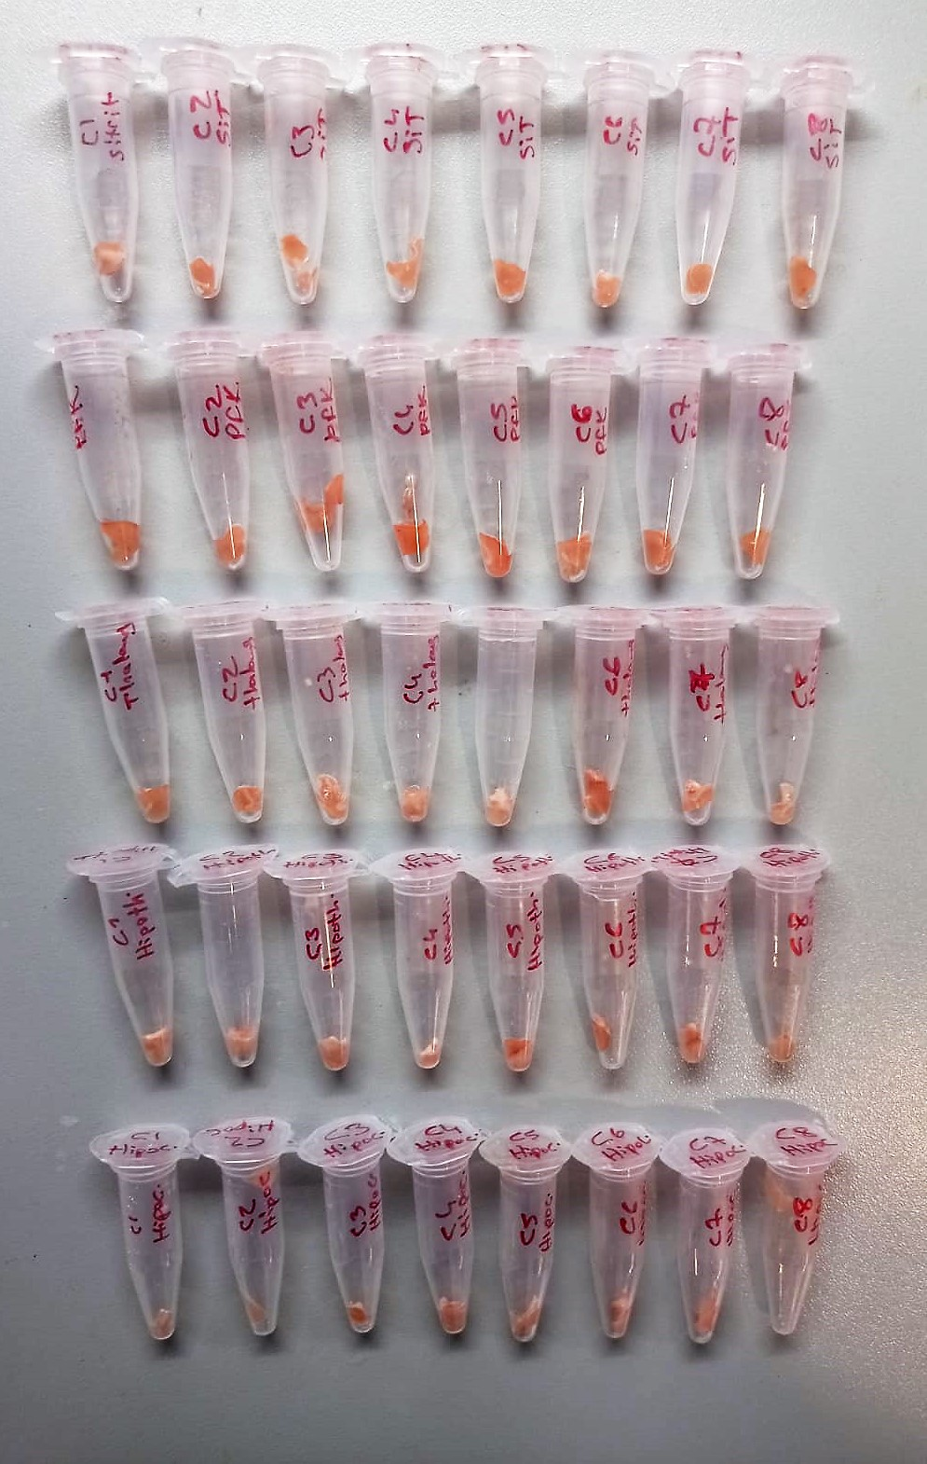

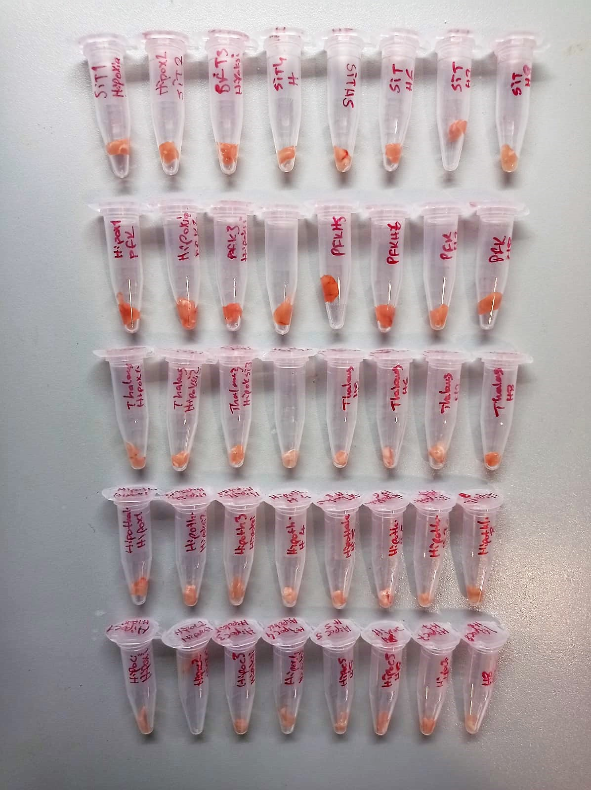

Brain Derived Neurotrophic Factor Assay Principle
This kit is an Enzyme-Linked Immunosorbent Assay (ELISA). The plate has been pre-coated with Rat BDNF antibody. BDNF present in the sample is added and binds to antibodies coated on the wells.
And then biotinylated Rat BDNF Antibody is added and binds to BDNF in the sample. Then Streptavidin-HRP is added and binds to the Biotinylated BDNF antibody.
After incubation unbound Streptavidin-HRP is washed away during a washing step. Substrate solution is then added and color develops in proportion to the amount of Rat BDNF.
The reaction is terminated by addition of acidic stop solution and absorbance is measured at 450 nm.

Seratonin Assay Principle
This kit is an Enzyme-Linked Immunosorbent Assay (ELISA). The plate has been pre-coated with Rat ST antibody. ST present in the sample is added and binds to antibodies coated on the wells.
And then biotinylated Rat ST Antibody is added and binds to ST in the sample. Then Streptavidin-HRP is added and binds to the Biotinylated ST antibody.
After incubation unbound Streptavidin-HRP is washed away during a washing step. Substrate solution is then added and color develops in proportion to the amount of Rat ST.
The reaction is terminated by addition of acidic stop solution and absorbance is measured at 450 nm.

