BRD4
2.372 | 0.821 | 0.309 | 0.472 | 0.569 | 0.284 | 1.116 | 0.936 | 0.419 | 0.357 | 0.336 | 1.357
1.485 | 0.321 | 0.352 | 0.3 | 0.327 | 0.374 | 0.871 | 0.383 | 0.396 | 0.751 | 0.338 | 0.395
0.947 | 0.386 | 0.374 | 0.421 | 0.592 | 0.362 | 0.495 | 0.375 | 0.411 | 0.39 | 0.382 | 0.333
0.606 | 1.378 | 0.406 | 1.306 | 0.318 | 1.136 | 0.753 | 0.373 | 0.576 | 0.359 | 0.374 | 0.361
0.345 | 0.358 | 0.789 | 0.412 | 0.358 | 1.11 | 1.931 | 1.807 | 0.696 | 0.361 | 0.45 | 0.374
0.106 | 0.722 | 0.529 | 0.391 | 1.629 | 0.301 | 0.377 | 1.376 | 0.765 | 2.558 | 0.335 | 0.493
0.617 | 0.392 | 0.37 | 1.158 | 0.353 | 1.963 | 2.375 | 0.352 | 0.389 | 0.533 | 2.109 | 0.295
0.305 | 0.492 | 0.499 | 0.348 | 0.343 | 0.381 | 0.69 | 0.341 | 0.337 | 0.38 | 0.34 | 0.387

BRD4

 | abs | abs-blank | expected | result
std1 | 2.372 | 2.266 | 1200 | 1202.81
std2 | 1.485 | 1.379 | 600 | 588.93
std3 | 0.947 | 0.841 | 300 | 305.72
std4 | 0.606 | 0.5 | 150 | 161.06
std5 | 0.345 | 0.239 | 75 | 68.60
blank | 0.106 | 0 | 0 | -2.17

 |  |  |  |  |  |  |  |  | concentration (ng/L)

Numune | absorbans | blank | abs-blank | result(ng/L)
1 | 0.617 | 0.106 | 0.511 | 165.30
2 | 0.305 | 0.106 | 0.199 | 55.83
3 | 0.821 | 0.106 | 0.715 | 249.12
4 | 0.321 | 0.106 | 0.215 | 60.90
Samah Selam Younis Mahmood | 0.386 | 0.106 | 0.28 | 82.08
Sena Muslu | 1.378 | 0.106 | 1.272 | 527.24
Gonca Gökdemir | 0.358 | 0.106 | 0.252 | 72.83
İlknur Kavlak | 0.722 | 0.106 | 0.616 | 207.23
Ceren Sema Özdemir | 0.392 | 0.106 | 0.286 | 84.08
Nazade Demir | 0.492 | 0.106 | 0.386 | 118.73
Merve Dost | 0.309 | 0.106 | 0.203 | 57.09
S. Yıldırım | 0.352 | 0.106 | 0.246 | 70.87
Merve Sungu | 0.374 | 0.106 | 0.268 | 78.09
Aynur Kıraç | 0.406 | 0.106 | 0.3 | 88.79
Tuğba Şekercioğlu | 0.789 | 0.106 | 0.683 | 235.33
N.Denur | 0.529 | 0.106 | 0.423 | 132.13
Esra Demirol | 0.37 | 0.106 | 0.264 | 76.77
Gizem Çapçı | 0.499 | 0.106 | 0.393 | 121.24
Miraç Erdoğan | 0.472 | 0.106 | 0.366 | 111.61
Leyla Cabu | 0.3 | 0.106 | 0.194 | 54.26
Hasret Şahingöz | 0.421 | 0.106 | 0.315 | 93.89
Yağmur Balaban | 1.306 | 0.106 | 1.2 | 487.23
Hasibe Akça | 0.412 | 0.106 | 0.306 | 90.82
Fatoş Kıraç Polat | 0.391 | 0.106 | 0.285 | 83.75
Derya Kalay | 1.158 | 0.106 | 1.052 | 408.77
Meryem Ulu | 0.348 | 0.106 | 0.242 | 69.57
İremsu Aydoğan | 0.569 | 0.106 | 0.463 | 146.99
Sevgi Kaynam | 0.327 | 0.106 | 0.221 | 62.81
İsimsiz | 0.592 | 0.106 | 0.486 | 155.70
S.Okumuş | 0.318 | 0.106 | 0.212 | 59.94
Dilan Alp | 0.358 | 0.106 | 0.252 | 72.83
Zehra Akçay | 1.629 | 0.106 | 1.523 | 676.15
Meryem Kavan | 0.353 | 0.106 | 0.247 | 71.20
Ceylan Dursun | 0.343 | 0.106 | 0.237 | 67.95
Sinem Kadam | 0.284 | 0.106 | 0.178 | 49.28
Cansu Elçi | 0.374 | 0.106 | 0.268 | 78.09
Keziban Pamukalan | 0.362 | 0.106 | 0.256 | 74.14
İpek Sarı | 1.136 | 0.106 | 1.03 | 397.54
Şule Yüce | 1.11 | 0.106 | 1.004 | 384.42
Mine Ulamış | 0.301 | 0.106 | 0.195 | 54.58
Nuray Şahinkoç | 1.963 | 0.106 | 1.857 | 897.02
Merve Sultan Kilit | 0.381 | 0.106 | 0.275 | 80.41
Sadegül Öztürk | 1.116 | 0.106 | 1.01 | 387.43
Tuğba Şekercioğlu | 0.871 | 0.106 | 0.765 | 271.14
Sevda Gök | 0.495 | 0.106 | 0.389 | 119.80
KONTROL-1 | 0.753 | 0.106 | 0.647 | 220.10
KONTROL-2 | 1.931 | 0.106 | 1.825 | 874.73
KONTROL-3 | 0.377 | 0.106 | 0.271 | 79.09
KONTROL-4 | 2.375 | 0.106 | 2.269 | 1205.20
KONTROL-5 | 0.69 | 0.106 | 0.584 | 194.18
KONTROL-6 | 0.936 | 0.106 | 0.83 | 300.63
KONTROL-7 | 0.383 | 0.106 | 0.277 | 81.08
KONTROL-8 | 0.375 | 0.106 | 0.269 | 78.42
KONTROL-9 | 0.373 | 0.106 | 0.267 | 77.76
KONTROL-10 | 1.807 | 0.106 | 1.701 | 790.63
KONTROL-11 | 1.376 | 0.106 | 1.27 | 526.11
KONTROL-12 | 0.352 | 0.106 | 0.246 | 70.87
KONTROL-13 | 0.341 | 0.106 | 0.235 | 67.31
KONTROL-14 | 0.419 | 0.106 | 0.313 | 93.21
KONTROL-15 | 0.396 | 0.106 | 0.29 | 85.42
KONTROL-16 | 0.411 | 0.106 | 0.305 | 90.49
KONTROL-17 | 0.576 | 0.106 | 0.47 | 149.62
KONTROL-18 | 0.696 | 0.106 | 0.59 | 196.61
KONTROL-19 | 0.765 | 0.106 | 0.659 | 225.14
KONTROL-20 | 0.389 | 0.106 | 0.283 | 83.08
KONTROL-21 | 0.337 | 0.106 | 0.231 | 66.02
KONTROL-22 | 0.357 | 0.106 | 0.251 | 72.51
KONTROL-23 | 0.751 | 0.106 | 0.645 | 219.27
KONTROL-24 | 0.39 | 0.106 | 0.284 | 83.41
KONTROL-25 | 0.359 | 0.106 | 0.253 | 73.16
KONTROL-26 | 0.361 | 0.106 | 0.255 | 73.81
KONTROL-27 | 2.558 | 0.106 | 2.452 | 1354.74
KONTROL-28 | 0.533 | 0.106 | 0.427 | 133.60
KONTROL-29 | 0.38 | 0.106 | 0.274 | 80.08
KONTROL-30 | 0.336 | 0.106 | 0.23 | 65.70
KONTROL-31 | 0.338 | 0.106 | 0.232 | 66.34
KONTROL-32 | 0.382 | 0.106 | 0.276 | 80.74
KONTROL-33 | 0.374 | 0.106 | 0.268 | 78.09
KONTROL-34 | 0.45 | 0.106 | 0.344 | 103.89
KONTROL-35 | 0.335 | 0.106 | 0.229 | 65.37
KONTROL-36 | 2.109 | 0.106 | 2.003 | 1001.71
KONTROL-37 | 0.34 | 0.106 | 0.234 | 66.99
KONTROL-38 | 1.357 | 0.106 | 1.251 | 515.45
KONTROL-39 | 0.395 | 0.106 | 0.289 | 85.09
KONTROL-40 | 0.333 | 0.106 | 0.227 | 64.73
KONTROL-41 | 0.361 | 0.106 | 0.255 | 73.81
KONTROL-42 | 0.374 | 0.106 | 0.268 | 78.09
KONTROL-43 | 0.493 | 0.106 | 0.387 | 119.08
KONTROL-44 | 0.295 | 0.106 | 0.189 | 52.70
KONTROL-45 | 0.387 | 0.106 | 0.281 | 82.41

Materyal-metod
KİT ADI | TÜR | MARKA | CAT. NO | Yöntem | Kullanılan Cihaz
Bromodomain-containing protein 4 | Human | BT | E6569Hu | ELİSA | Mıcroplate reader: BIO-TEK EL X 800-Aotu strıp washer:BIO TEK EL X 50

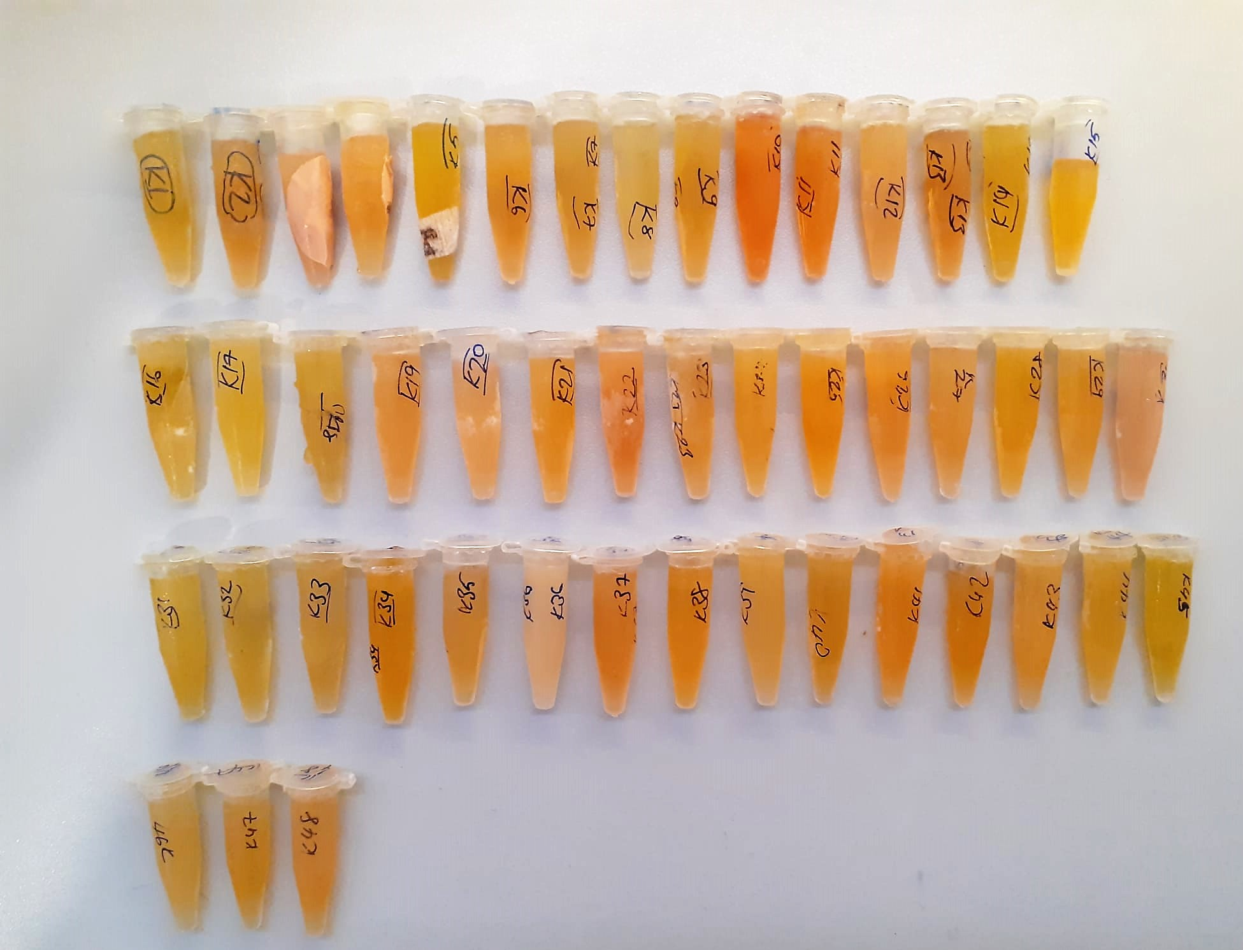

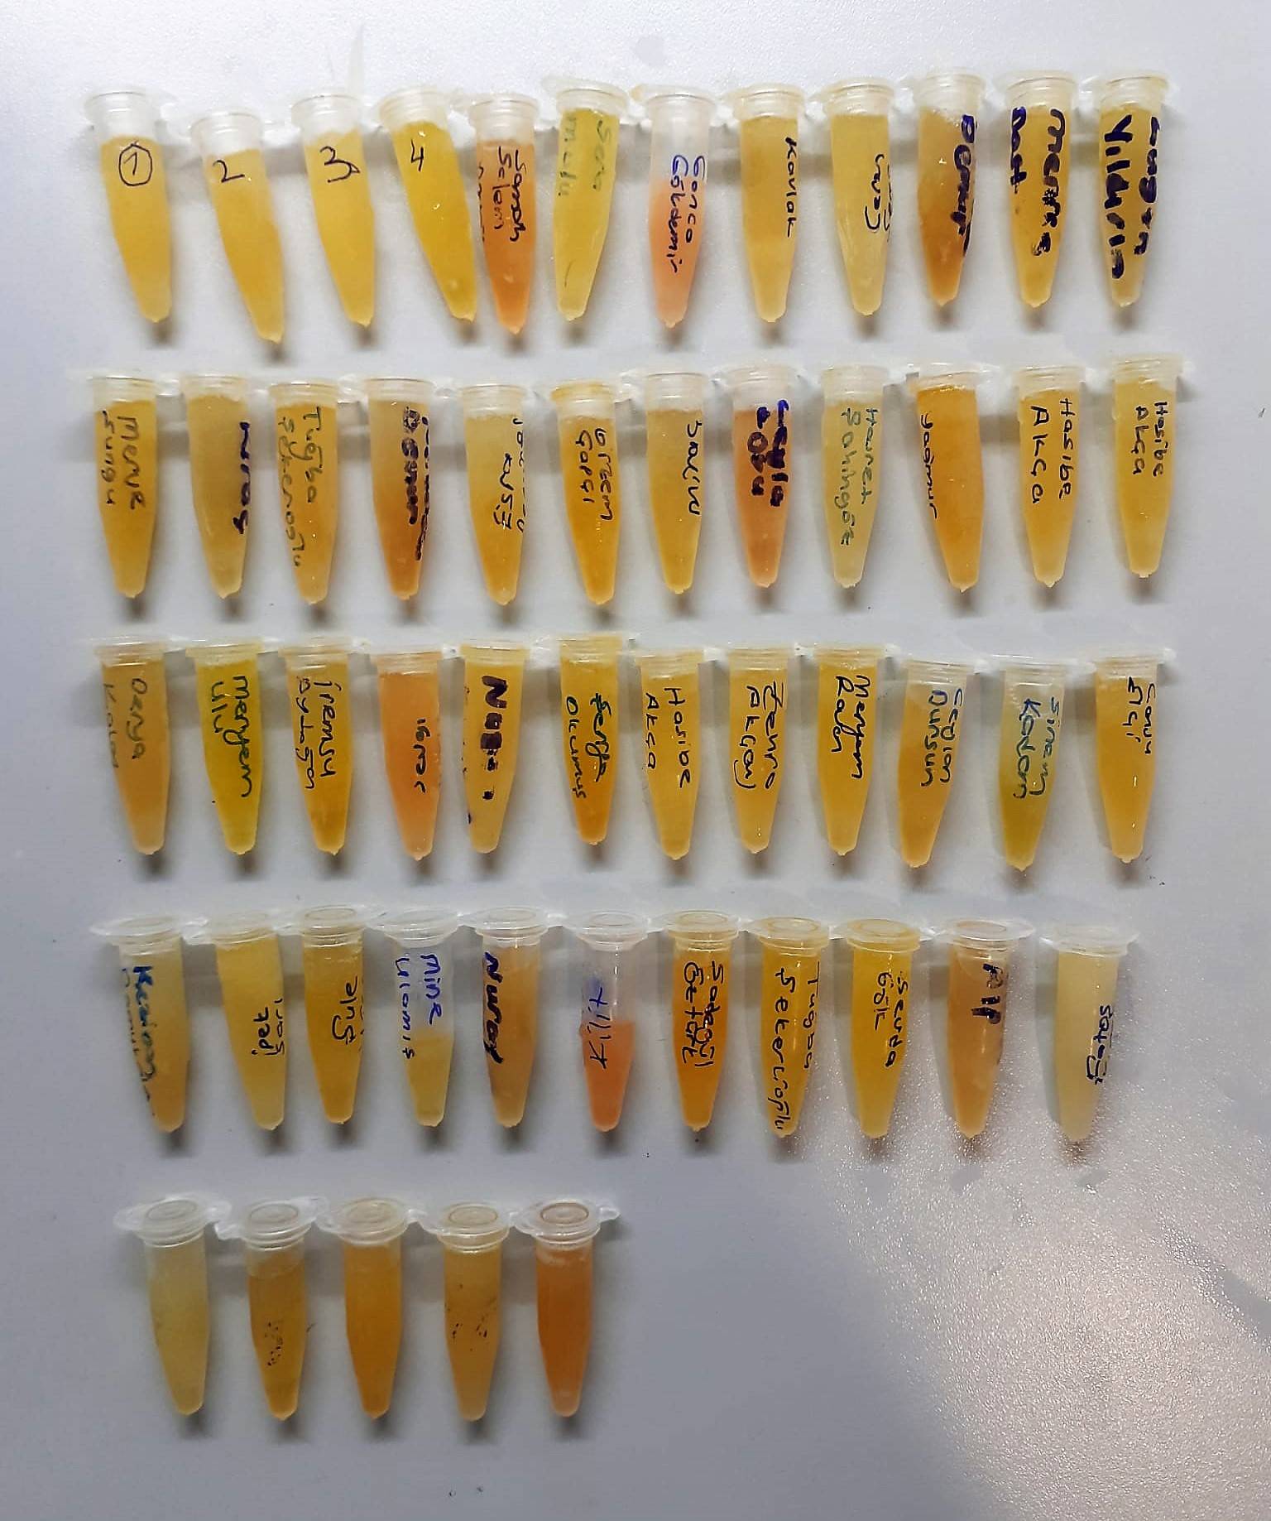

BRD4 Assay Principle
This kit is an Enzyme-Linked Immunosorbent Assay (ELISA). The plate has been pre-coated with Human BRD4 antibody. Human BRD4 present in the sample is added and binds to antibodies coated on the wells.
And then biotinylated Human BRD4 Antibody is added and binds to Human BRD4 in the sample. Then Streptavidin-HRP is added and binds to the Biotinylated Human BRD4 antibody.
After incubation unbound Streptavidin-HRP is washed away during a washing step. Substrate solution is then added and color develops in proportion to the amount of Human BRD4.
The reaction is terminated by addition of acidic stop solution and absorbance is measured at 450 nm.

