Fumonisin B1
0.16 | 1.12 | 2.037 | 1.901 | 1.9 | 1.808 | 1.836 | 1.993 | 2.013 | 0.51
0.752 | 1.302 | 1.937 | 1.989 | 2.007 | 1.951 | 2.032 | 1.798 | 2.037 | 0.64
1.01 | 1.586 | 1.79 | 1.842 | 1.851 | 1.797 | 1.96 | 1.912 | 1.976 | 0.646
1.32 | 1.731 | 2.127 | 1.945 | 2.007 | 2.005 | 2.003 | 2.08 | 2.186
1.5 | 2.086 | 2.047 | 2.061 | 2.07 | 1.963 | 1.964 | 2.042 | 2.149
1.73 | 2.091 | 1.986 | 2.235 | 2.08 | 2.018 | 2.243 | 2.031 | 2.217
0.145 | 2.078 | 2.256 | 2.317 | 2.446 | 2.091 | 2.387 | 2.051 | 2.158
0.75 | 2.212 | 2.214 | 2.257 | 2.122 | 2.111 | 2.183 | 2.242 | 2.107

Fumonisin B1

 | abs. Ort. | expected | result
std1 | 0.152 | 81 | 80.93
std2 | 0.751 | 27 | 26.76
std3 | 1.06 | 9 | 10.20
std4 | 1.311 | 3 | 2.44
std5 | 1.543 | 1 | -0.18
blank | 1.73 | 0 | 0.88

 |  |  |  |  |  |  |  |  | Concentration (ppb)

Numune | absorbans | result(ppb)
F1 | 2.086 | 10.74
H2 | 2.091 | 10.95
F2 | 2.078 | 10.40
D7 | 2.212 | 16.69
I4 | 2.037 | 8.77
C6 | 1.937 | 5.36
C2 | 1.79 | 1.82
A4 | 2.127 | 12.53
B7 | 2.047 | 9.16
A2 | 1.986 | 6.93
H11 | 2.256 | 19.07
J3 | 2.214 | 16.80
C7 | 1.901 | 4.33
İSİMSİZ | 1.989 | 7.03
F3 | 1.842 | 2.87
B6 | 1.945 | 5.60
F7 | 2.061 | 9.71
E7 | 2.235 | 17.92
G8 | 2.317 | 22.64
H11 | 2.257 | 19.13
C8 | 1.9 | 4.30
G6 | 2.007 | 7.66
D5 | 1.851 | 3.08
H3 | 2.007 | 7.66
D8 | 2.07 | 10.08
C10 | 2.08 | 10.49
J9 | 2.446 | 31.17
D9 | 2.122 | 12.31
J6 | 1.808 | 2.16
G10 | 1.951 | 5.79
B8 | 1.797 | 1.95
J10 | 2.005 | 7.59
A7 | 1.963 | 6.17
I8 | 2.018 | 8.06
H8 | 2.091 | 10.95
F10 | 2.111 | 11.82
C3 | 1.836 | 2.74
E3 | 2.032 | 8.58
A3 | 1.96 | 6.07
E2 | 2.003 | 7.52
E1 | 1.964 | 6.20
G5 | 2.243 | 18.35
J4 | 2.387 | 27.10
J10 | 2.183 | 15.21
G7 | 1.993 | 7.17
I3 | 1.798 | 1.97
B5 | 1.912 | 4.63
D2 | 2.08 | 10.49
E4 | 2.042 | 8.96
I7 | 2.031 | 8.54
B9 | 2.051 | 9.31
G10 | 2.242 | 18.30
H7 | 2.013 | 7.88
E9 | 2.037 | 8.77
A9 | 1.976 | 6.59
B10 | 2.186 | 15.36
A6 | 2.149 | 13.55
D10 | 2.217 | 16.96
J7 | 2.158 | 13.98
F4 | 2.107 | 11.64
YEM A | 0.51 | 45.06
YEM B | 0.64 | 34.60
YEM C | 0.646 | 34.15

Aflatoxin B1
0.26 | 1.212 | 1.571 | 1.39 | 1.513 | 1.365 | 1.594 | 1.394 | 1.332 | 0.172
0.791 | 1.487 | 1.436 | 1.439 | 1.514 | 1.42 | 1.563 | 1.335 | 1.447 | 0.185
1.168 | 1.776 | 1.534 | 1.467 | 1.577 | 1.449 | 1.508 | 1.337 | 1.457 | 0.203
1.491 | 2.377 | 1.578 | 1.464 | 1.453 | 1.446 | 1.425 | 1.441 | 1.468
1.756 | 1.585 | 1.477 | 1.548 | 1.526 | 1.5 | 1.532 | 1.444 | 1.481
2.357 | 1.518 | 1.56 | 1.566 | 1.635 | 1.395 | 1.491 | 1.323 | 1.492
0.208 | 1.545 | 1.506 | 1.469 | 1.433 | 1.473 | 1.539 | 1.324 | 1.416
0.788 | 1.465 | 1.492 | 1.464 | 1.427 | 1.472 | 1.45 | 1.292 | 1.449

Aflatoxin B1

 | abs. Ort. | expected | result
std1 | 0.234 | 0.48 | 0.48
std2 | 0.789 | 0.24 | 0.24
std3 | 1.19 | 0.12 | 0.12
std4 | 1.489 | 0.06 | 0.06
std5 | 1.766 | 0.03 | 0.02
blank | 2.367 | 0 | 0.00

 |  |  |  |  |  |  |  |  | Concentration (ppb)

Numune | absorbans | result(ppb)
F1 | 1.585 | 0.04
H2 | 1.518 | 0.06
F2 | 1.545 | 0.05
D7 | 1.465 | 0.06
I4 | 1.571 | 0.05
C6 | 1.436 | 0.07
C2 | 1.534 | 0.05
A4 | 1.578 | 0.05
B7 | 1.477 | 0.06
A2 | 1.56 | 0.05
H11 | 1.506 | 0.06
J3 | 1.492 | 0.06
C7 | 1.39 | 0.08
İSİMSİZ | 1.439 | 0.07
F3 | 1.467 | 0.06
B6 | 1.464 | 0.06
F7 | 1.548 | 0.05
E7 | 1.566 | 0.05
G8 | 1.469 | 0.06
H11 | 1.464 | 0.06
C8 | 1.513 | 0.06
G6 | 1.514 | 0.06
D5 | 1.577 | 0.05
H3 | 1.453 | 0.07
D8 | 1.526 | 0.05
C10 | 1.635 | 0.04
J9 | 1.433 | 0.07
D9 | 1.427 | 0.07
J6 | 1.365 | 0.08
G10 | 1.42 | 0.07
B8 | 1.449 | 0.07
J10 | 1.446 | 0.07
A7 | 1.5 | 0.06
I8 | 1.395 | 0.08
H8 | 1.473 | 0.06
F10 | 1.472 | 0.06
C3 | 1.594 | 0.04
E3 | 1.563 | 0.05
A3 | 1.508 | 0.06
E2 | 1.425 | 0.07
E1 | 1.532 | 0.05
G5 | 1.491 | 0.06
J4 | 1.539 | 0.05
J10 | 1.45 | 0.07
G7 | 1.394 | 0.08
I3 | 1.335 | 0.09
B5 | 1.337 | 0.09
D2 | 1.441 | 0.07
E4 | 1.444 | 0.07
I7 | 1.323 | 0.09
B9 | 1.324 | 0.09
G10 | 1.292 | 0.10
H7 | 1.332 | 0.09
E9 | 1.447 | 0.07
A9 | 1.457 | 0.07
B10 | 1.468 | 0.06
A6 | 1.481 | 0.06
D10 | 1.492 | 0.06
J7 | 1.416 | 0.07
F4 | 1.449 | 0.07
YEM A | 0.172 | 0.51
YEM B | 0.185 | 0.50
YEM C | 0.203 | 0.49

IgG
2.761 | 1.496 | 2.441 | 1.891 | 1.897
1.768 | 2.181 | 1.674 | 1.79 | 2.496
0.984 | 1.017 | 2.115 | 1.187 | 2.125
0.643 | 1.743 | 1.34 | 2.41 | 2.254
0.352 | 2.154 | 1.459 | 1.959
0.091 | 2.02 | 1.782 | 2.134
1.988 | 1.944 | 1.657 | 2.102
1.525 | 2.422 | 1.394 | 2.346

IgG

 | abs | abs-blank | expected | result
std1 | 2.761 | 2.67 | 64 | 63.73
std2 | 1.768 | 1.677 | 32 | 33.00
std3 | 0.984 | 0.893 | 16 | 14.72
std4 | 0.643 | 0.552 | 8 | 8.41
std5 | 0.352 | 0.261 | 4 | 3.82
blank | 0.091 | 0 | 0 | 0.32

 |  |  |  |  | concentration (ug/ml)

Numune | absorbans | blank | abs-blank | result(ug/ml)
Sample-1 | 1.988 | 0.091 | 1.897 | 39.08
Sample-2 | 1.525 | 0.091 | 1.434 | 26.77
Sample-3 | 1.496 | 0.091 | 1.405 | 26.06
Sample-4 | 2.181 | 0.091 | 2.09 | 44.76
Sample-5 | 1.017 | 0.091 | 0.926 | 15.38
Sample-6 | 1.743 | 0.091 | 1.652 | 32.34
Sample-7 | 2.154 | 0.091 | 2.063 | 43.94
Sample-8 | 2.02 | 0.091 | 1.929 | 40.00
Sample-9 | 1.944 | 0.091 | 1.853 | 37.83
Sample-10 | 2.422 | 0.091 | 2.331 | 52.29
Sample-11 | 2.441 | 0.091 | 2.35 | 52.91
Sample-12 | 1.674 | 0.091 | 1.583 | 30.53
Sample-13 | 2.115 | 0.091 | 2.024 | 42.78
Sample-14 | 1.34 | 0.091 | 1.249 | 22.37
Sample-15 | 1.459 | 0.091 | 1.368 | 25.17
Sample-16 | 1.782 | 0.091 | 1.691 | 33.38
Sample-17 | 1.657 | 0.091 | 1.566 | 30.09
Sample-18 | 1.394 | 0.091 | 1.303 | 23.62
Sample-19 | 1.891 | 0.091 | 1.8 | 36.35
Sample-20 | 1.79 | 0.091 | 1.699 | 33.59
Sample-21 | 1.187 | 0.091 | 1.096 | 18.95
Sample-22 | 2.41 | 0.091 | 2.319 | 51.90
Sample-23 | 1.959 | 0.091 | 1.868 | 38.26
Sample-24 | 2.134 | 0.091 | 2.043 | 43.34
Sample-25 | 2.102 | 0.091 | 2.011 | 42.39
Sample-26 | 2.346 | 0.091 | 2.255 | 49.86
Sample-27 | 1.897 | 0.091 | 1.806 | 36.52
Sample-28 | 2.496 | 0.091 | 2.405 | 54.70
Sample-29 | 2.125 | 0.091 | 2.034 | 43.08
Sample-30 | 2.254 | 0.091 | 2.163 | 46.99

Materyal-metod
KİT ADI | TÜR | Numune Türü | MARKA | CAT. NO | Yöntem | Kullanılan Cihaz
Immunoglobulin A | Universal | Serum | Otto Scientific | OttoBC146 | Kolorimetrik | MINDRAY-BS400
Immunoglobulin M | Universal | Serum | Otto Scientific | OttoBC149 | Kolorimetrik | MINDRAY-BS400
Fumonisin B1 | Universal | Doku-yem | Elabscience | E-TO-E020 | ELİSA | Mıcroplate reader: BIO-TEK EL X 800-Aotu strıp washer:BIO TEK EL X 50
Aflatoxin B1 | Universal | Doku-yem | Elabscience | E-TO-E008 | ELİSA | Mıcroplate reader: BIO-TEK EL X 800-Aotu strıp washer:BIO TEK EL X 50
Immunoglobulin G | Chicken | Serum | BT-LAB | E0019Ch | ELİSA | Mıcroplate reader: BIO-TEK EL X 800-Aotu strıp washer:BIO TEK EL X 50
NOT: Dokular 1/9 oranında( 0,1 gr doku: 0,9ml 140 mmol. lık KCl) Potasyum Klorür tamponu ile homojenize edildikten sonra 7000 rpm + 4' de 5 dk santrifüj edildi.

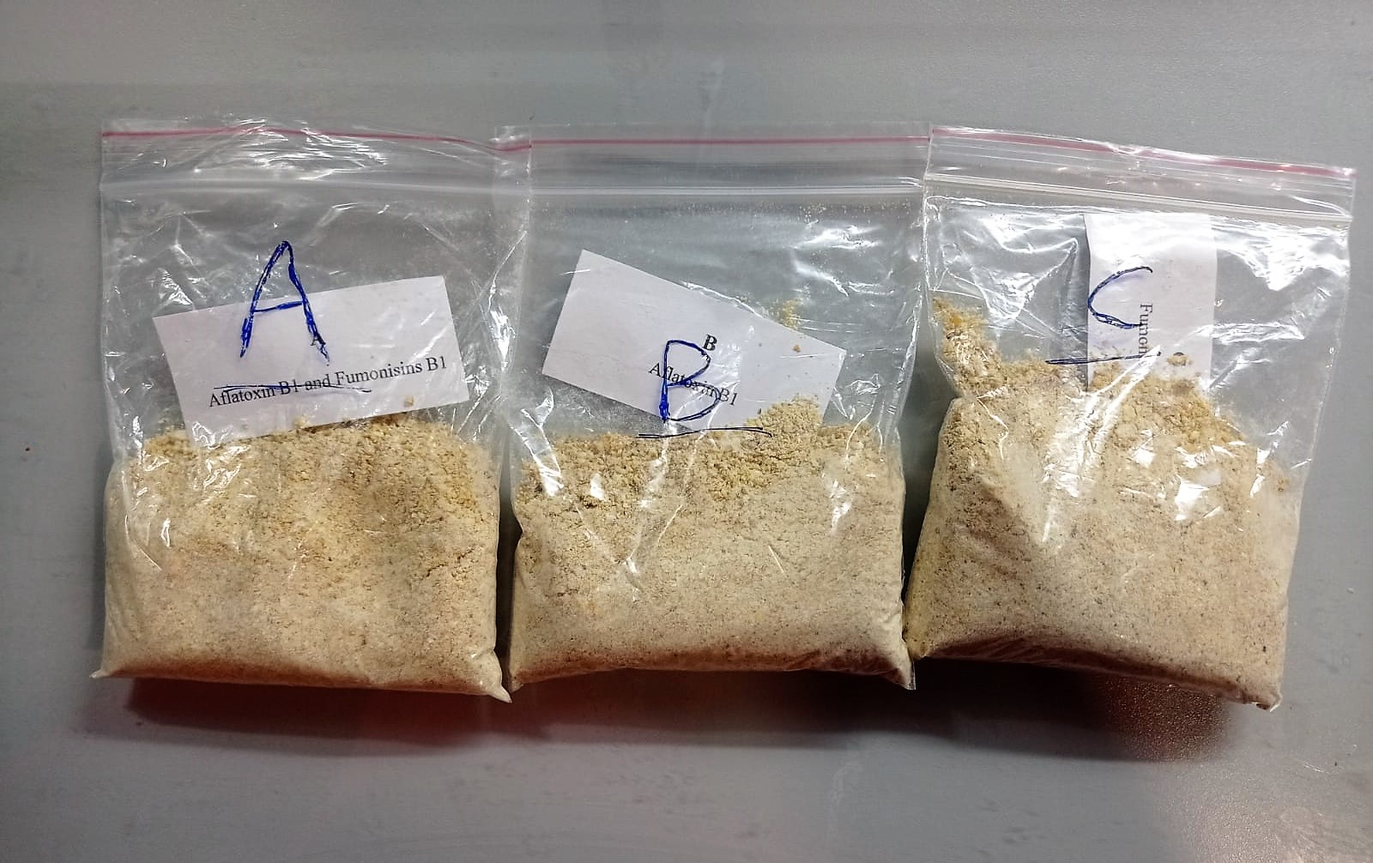

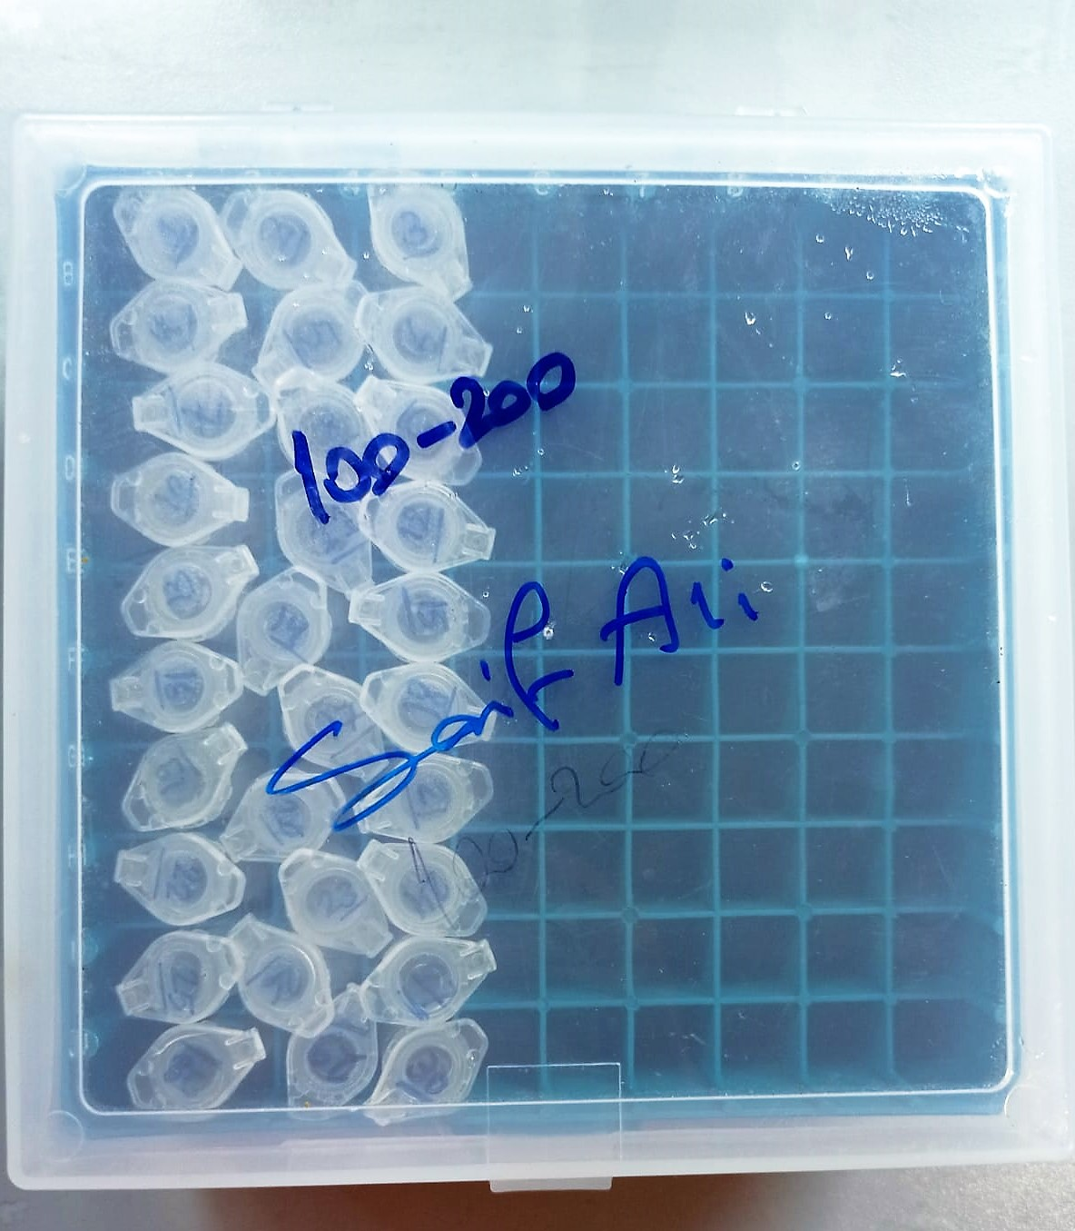
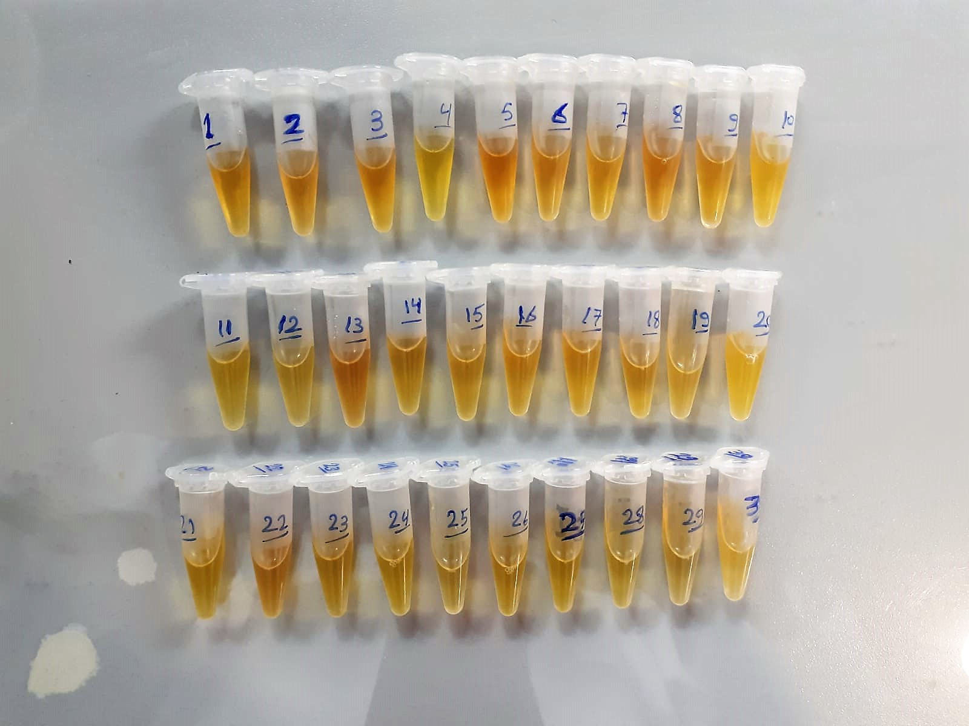

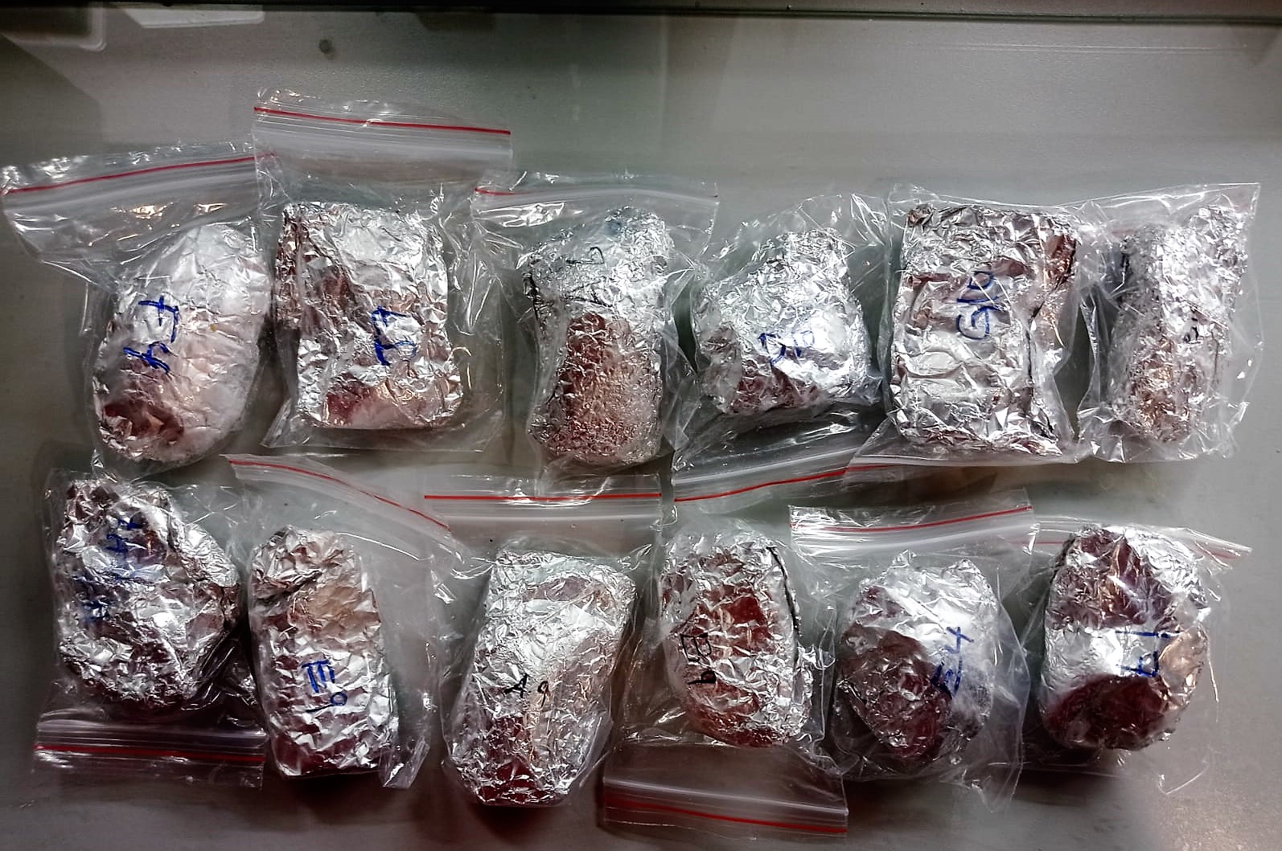

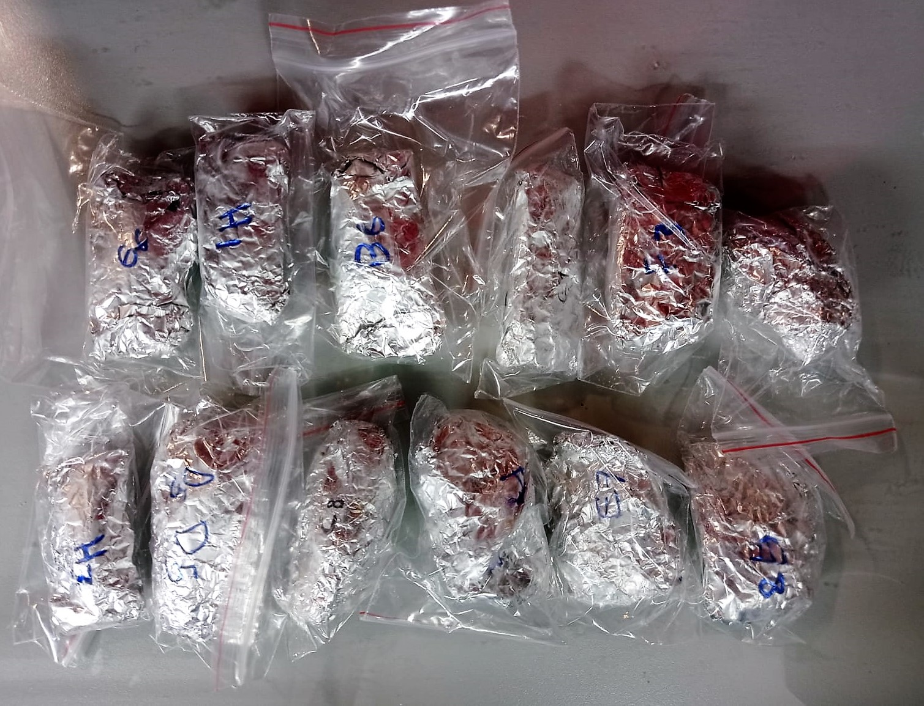

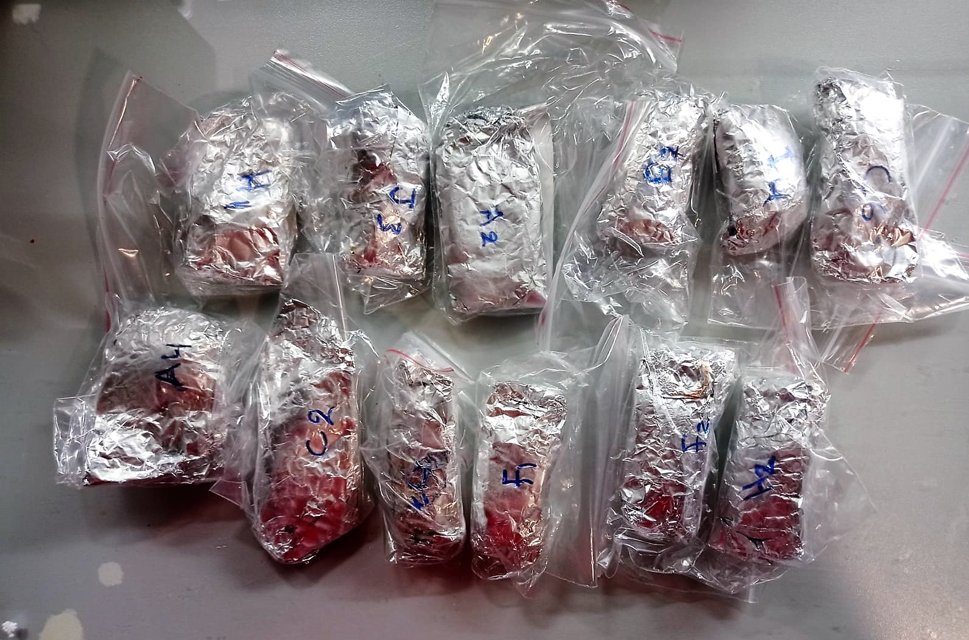

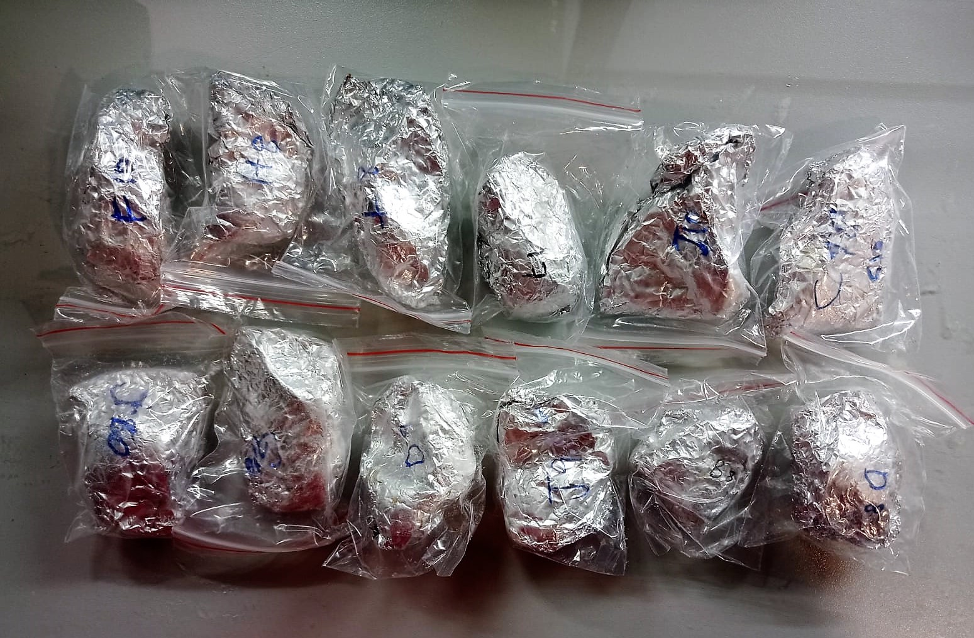

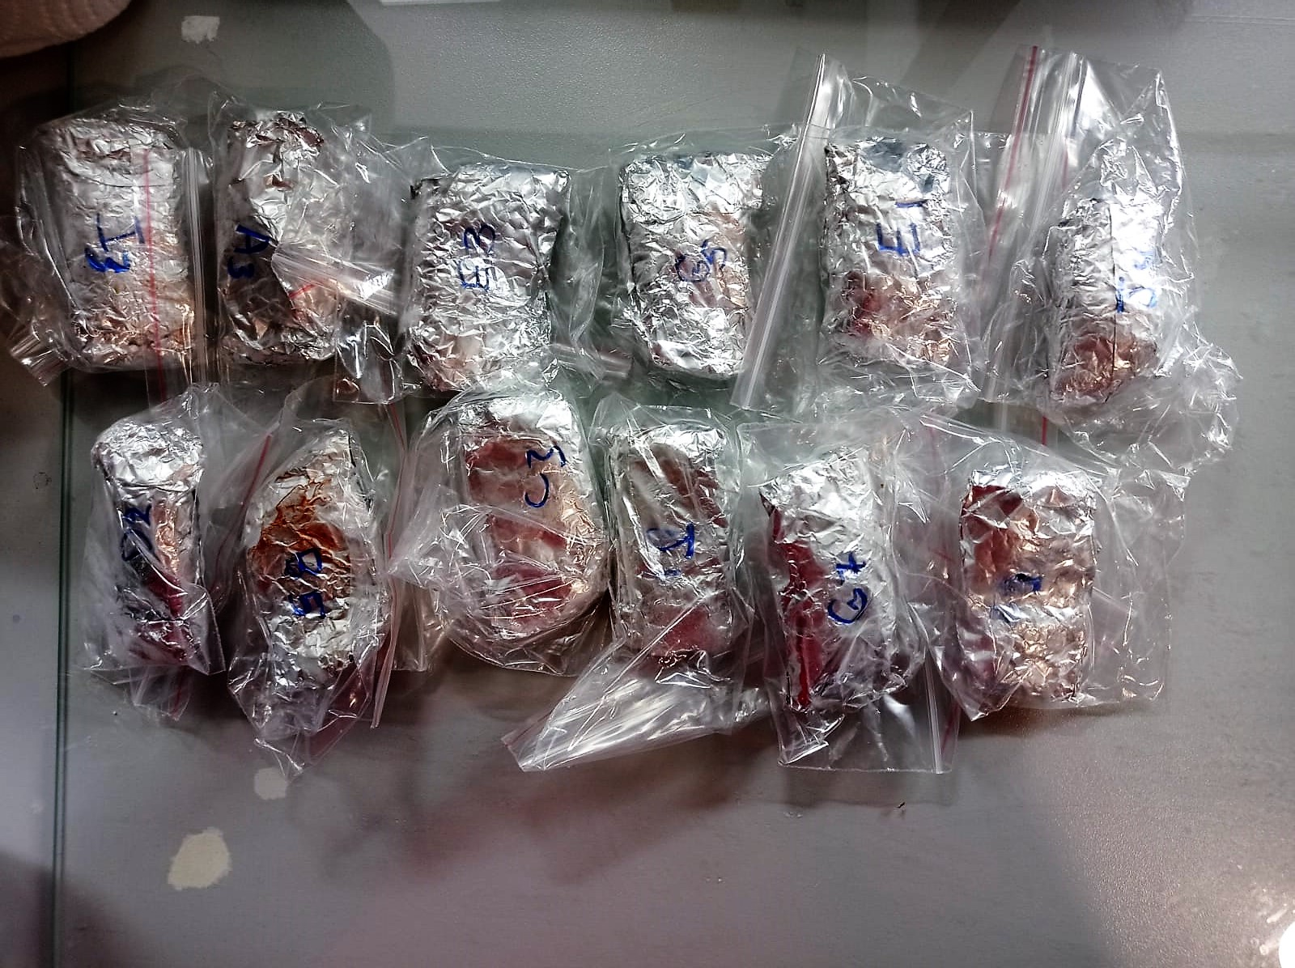

lgA mg/dL
Immunoglobulins A (IgA) selectively react with an anti-IgA antibody and form an immunocomplex.
The produced turbidity is proportional to the concentration of IgA in the sample, and can be measured at the wavelenght of 600 nm
(Otto Scientific)

lgM mg/dL
Immunoglobulins M (IgM) selectively react with an antiIgM antibody and form an immunocomplex.
The produced turbidity is proportional to the concentration of IgM in the sample, and can be measured at the wavelenght of 340 nm.
(Otto Scientific)

Chicken IgG Assay Principle
This kit is an Enzyme-Linked Immunosorbent Assay (ELISA). The plate has been pre-coated with Ch IgG antibody. Ch IgG present in the sample is added and binds to antibodies coated on the wells.
And then biotinylated Ch IgG Antibody is added and binds to Ch IgG in the sample. Then Streptavidin-HRP is added and binds to the Biotinylated Ch IgG antibody.
After incubation unbound Streptavidin-HRP is washed away during a washing step. Substrate solution is then added and color develops in proportion to the amount of Ch IgG.
The reaction is terminated by addition of acidic stop solution and absorbance is measured at 450 nm.

Fumonisin B1 Assay Principle
This kit uses Competitive-ELISA as the method. It can detect Fumonisin B1 (FB1) in samples, such as corn, feed, edible oil, etc.
This kit is composed of ELISA Microtiter plate, HRP conjugate, antibody working solution, standard and other supplementary reagents. The microtiter plate in this kit has been pre-coated with coupled antigen.
During the reaction, FB1 in the samples or standard competes with coupled antigen on the solid phase supporter for sites of anti-FB1 antibody.
Then Horseradish Peroxidase (HRP) conjugate is added to each microtiter plate well, and substrate reagent is added for color development.
There is a negative correlation between the OD value of samples and the concentration of FB1. The concentration of FB1 in the samples can be calculated by comparing the OD of the samples to the standard curve.

Aflatoxin B1 Assay Principle
This kit uses Competitive-ELISA as the method. It can detect Aflatoxin B1 (AFB1) in samples, such as Cereals, formula feed, edible oil, etc.
This kit is composed of ELISA Microtiter plate, HRP conjugate, antibody working solution, standard and other supplementary reagents. The microtiter plate in this kit has been pre-coated with coupled antigen.
During the reaction, AFB1 in the samples or standard competes with coupled antigen on the solid phase supporter for sites of anti-AFB1 antibody
Then Horseradish Peroxidase (HRP) conjugate is added to each microtiter plate well, and substrate reagent is added for color development
There is a negative correlation between the OD value of samples and the concentration of AFB1. The concentration of AFB1 in the samples can be calculated by comparing the OD of the samples to the standard curve.

