Haptoglobulin
1.902 | 0.646 | 2.022 | 1.03 | 0.805 | 0.285 | 0.284 | 0.321 | 2.534 | 2.402 | 0.451 | 0.458
1.162 | 0.527 | 0.8 | 0.301 | 0.34 | 0.638 | 0.757 | 0.349 | 2.334 | 2.436 | 1.004 | 0.476
0.588 | 1.945 | 0.306 | 0.373 | 0.32 | 0.703 | 0.42 | 0.471 | 2.535 | 2.485 | 0.572 | 0.497
0.352 | 0.442 | 1.324 | 0.398 | 0.363 | 0.456 | 1.226 | 2.098 | 2.311 | 2.509 | 0.512 | 0.551
0.27 | 0.595 | 1.728 | 0.644 | 0.403 | 0.619 | 0.357 | 0.351 | 2.802 | 0.499 | 0.518 | 0.475
0.094 | 1.106 | 0.418 | 0.351 | 0.308 | 0.484 | 1.072 | 0.512 | 2.54 | 0.411 | 0.361 | 0.346
1.895 | 2.007 | 0.465 | 2.008 | 0.603 | 0.292 | 0.659 | 1.5 | 2.358 | 0.463 | 0.453 | 0.315
0.862 | 0.708 | 1.358 | 0.388 | 0.286 | 0.509 | 0.337 | 2.172 | 1.639 | 0.321 | 0.235 | 0.382

Haptoglobulin
 | absorbans | abs-blank | expected | result
std1 | 1.902 | 1.808 | 400 | 398.123
std2 | 1.162 | 1.068 | 200 | 207.748
st3 | 0.588 | 0.494 | 100 | 88.680
std4 | 0.352 | 0.258 | 50 | 46.975
std5 | 0.27 | 0.176 | 25 | 33.473
blank | 0.094 | 0 | 0 | 6.215

 |  |  |  |  |  |  |  | concentratıon (ug/ml)

Numune | absorbans | blank | abs-blank | result
HS.TOX-H1 | 1.895 | 0.094 | 1.801 | 396.127
HS.TOX-H2 | 0.862 | 0.094 | 0.768 | 142.400
HS.TOX-H3 | 0.646 | 0.094 | 0.552 | 99.577
HS.TOX-H4 | 0.527 | 0.094 | 0.433 | 77.496
HS.TOX-H5 | 1.945 | 0.094 | 1.851 | 410.462
HS.TOX-H6 | 0.442 | 0.094 | 0.348 | 62.381
HS.TOX-H7 | 0.595 | 0.094 | 0.501 | 89.982
HS.TOX-H8 | 1.106 | 0.094 | 1.012 | 195.031
HS.TOX-H9 | 2.007 | 0.094 | 1.913 | 428.500
HS.TOX-H10 | 0.708 | 0.094 | 0.614 | 111.507
HS.TOX-H11 | 2.022 | 0.094 | 1.928 | 432.908
HS.TOX-H12 | 0.8 | 0.094 | 0.706 | 129.746
HS.TOX-H13 | 0.306 | 0.094 | 0.212 | 39.338
HS.TOX-H14 | 1.324 | 0.094 | 1.23 | 245.873
HS.TOX-H15 | 1.728 | 0.094 | 1.634 | 349.624
HS.TOX-H16 | 0.418 | 0.094 | 0.324 | 58.213
HS.TOX-H17 | 0.465 | 0.094 | 0.371 | 66.417
HS.TOX-H18 | 1.358 | 0.094 | 1.264 | 254.128
RG.AFM-1 | 1.03 | 0.094 | 0.936 | 178.154
RG.AFM-2 | 0.301 | 0.094 | 0.207 | 38.518
RG.AFM-3 | 0.373 | 0.094 | 0.279 | 50.515
RG.AFM-4 | 0.398 | 0.094 | 0.304 | 54.773
RG.AFM-5 | 0.644 | 0.094 | 0.55 | 99.197
RG.AFM-6 | 0.351 | 0.094 | 0.257 | 46.807
RG.AFM-7 | 2.008 | 0.094 | 1.914 | 428.793
RG.AFM-8 | 0.388 | 0.094 | 0.294 | 53.064
RG.AFM-9 | 0.805 | 0.094 | 0.711 | 130.756
RG.AFM-10 | 0.34 | 0.094 | 0.246 | 44.967
RG.AFM-11 | 0.32 | 0.094 | 0.226 | 41.645
RG.AFM-12 | 0.363 | 0.094 | 0.269 | 48.825
RG.AFM-13 | 0.403 | 0.094 | 0.309 | 55.630
RG.AFM-14 | 0.308 | 0.094 | 0.214 | 39.667
RG.AFM-15 | 0.603 | 0.094 | 0.509 | 91.474
RG.AFM-16 | 0.286 | 0.094 | 0.192 | 36.068
RG.AFM-17 | 0.285 | 0.094 | 0.191 | 35.905
RG.AFM-18 | 0.638 | 0.094 | 0.544 | 98.059
MG.ABORT-1 | 0.703 | 0.094 | 0.609 | 110.534
MG.ABORT-2 | 0.456 | 0.094 | 0.362 | 64.833
MG.ABORT-3 | 0.619 | 0.094 | 0.525 | 94.473
MG.ABORT-4 | 0.484 | 0.094 | 0.39 | 69.781
MG.ABORT-5 | 0.292 | 0.094 | 0.198 | 37.046
MG.ABORT-6 | 0.509 | 0.094 | 0.415 | 74.249
MG.ABORT-7 | 0.284 | 0.094 | 0.19 | 35.742
MG.ABORT-8 | 0.757 | 0.094 | 0.663 | 121.141
MG.ABORT-9 | 0.42 | 0.094 | 0.326 | 58.559
MG.ABORT-10 | 1.226 | 0.094 | 1.132 | 222.572
MG.ABORT-11 | 0.357 | 0.094 | 0.263 | 47.815
MG.ABORT-12 | 1.072 | 0.094 | 0.978 | 187.427
MG.ABORT-13 | 0.659 | 0.094 | 0.565 | 102.054
MG.ABORT-14 | 0.337 | 0.094 | 0.243 | 44.467
MG.ABORT-15 | 0.321 | 0.094 | 0.227 | 41.811
MG.ABORT-16 | 0.349 | 0.094 | 0.255 | 46.472
MG.ABORT-17 | 0.471 | 0.094 | 0.377 | 67.477
MG.ABORT-18 | 2.098 | 0.094 | 2.004 | 455.503
MG.ABORT-19 | 0.351 | 0.094 | 0.257 | 46.807
MG.ABORT-20 | 0.512 | 0.094 | 0.418 | 74.789
N.T-1 | 1.5 | 0.094 | 1.406 | 289.550
N.T-2 | 2.172 | 0.094 | 2.078 | 477.925
N.T-3 | 2.534 | 0.094 | 2.44 | 593.596
N.T-4 | 2.334 | 0.094 | 2.24 | 528.461
N.T-5 | 2.535 | 0.094 | 2.441 | 593.929
N.T-6 | 2.311 | 0.094 | 2.217 | 521.165
N.T-7 | 2.802 | 0.094 | 2.708 | 685.633
N.T-8 | 2.54 | 0.094 | 2.446 | 595.597
N.T-9 | 2.358 | 0.094 | 2.264 | 536.117
N.T-10 | 1.639 | 0.094 | 1.545 | 325.705
N.T-11 | 2.402 | 0.094 | 2.308 | 550.266
N.T-12 | 2.436 | 0.094 | 2.342 | 561.301
N.T-13 | 2.485 | 0.094 | 2.391 | 577.357
N.T-14 | 2.509 | 0.094 | 2.415 | 585.288
Keçi-Oğlak-7.gün-A3 | 0.499 | 0.094 | 0.405 | 72.456
Keçi-Oğlak-7.gün-A4 | 0.411 | 0.094 | 0.317 | 57.005
Keçi-Oğlak-7.gün-A5 | 0.463 | 0.094 | 0.369 | 66.065
Keçi-Oğlak-7.gün-A7 | 0.321 | 0.094 | 0.227 | 41.811
Keçi-Oğlak-7.gün-A8 | 0.451 | 0.094 | 0.357 | 63.956
Keçi-Oğlak-7.gün-A11 | 1.004 | 0.094 | 0.91 | 172.481
Keçi-Oğlak-7.gün-A12 | 0.572 | 0.094 | 0.478 | 85.719
Keçi-Oğlak-7.gün-A13 | 0.512 | 0.094 | 0.418 | 74.789
Keçi-Oğlak-7.gün-A14 | 0.518 | 0.094 | 0.424 | 75.870
Keçi-Oğlak-7.gün-A15 | 0.361 | 0.094 | 0.267 | 48.488
Oğlak-0.saat-A3 | 0.453 | 0.094 | 0.359 | 64.307
Oğlak-0.saat-A4 | 0.235 | 0.094 | 0.141 | 27.865
Oğlak-0.saat-A5 | 0.458 | 0.094 | 0.364 | 65.185
Oğlak-0.saat-A8 | 0.476 | 0.094 | 0.382 | 68.361
Oğlak-0.saat-A9 | 0.497 | 0.094 | 0.403 | 72.099
Oğlak-0.saat-A11 | 0.551 | 0.094 | 0.457 | 81.863
Oğlak-0.saat-A12 | 0.475 | 0.094 | 0.381 | 68.184
Oğlak-0.saat-A13 | 0.346 | 0.094 | 0.252 | 45.970
Oğlak-0.saat-A14 | 0.315 | 0.094 | 0.221 | 40.820
Oğlak-0.saat-A15 | 0.382 | 0.094 | 0.288 | 52.042

Materyal-metod
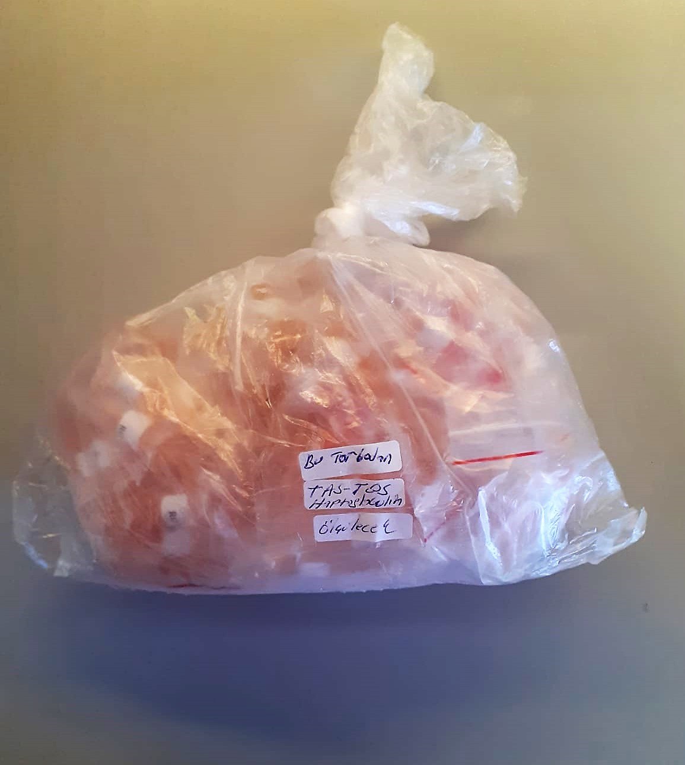
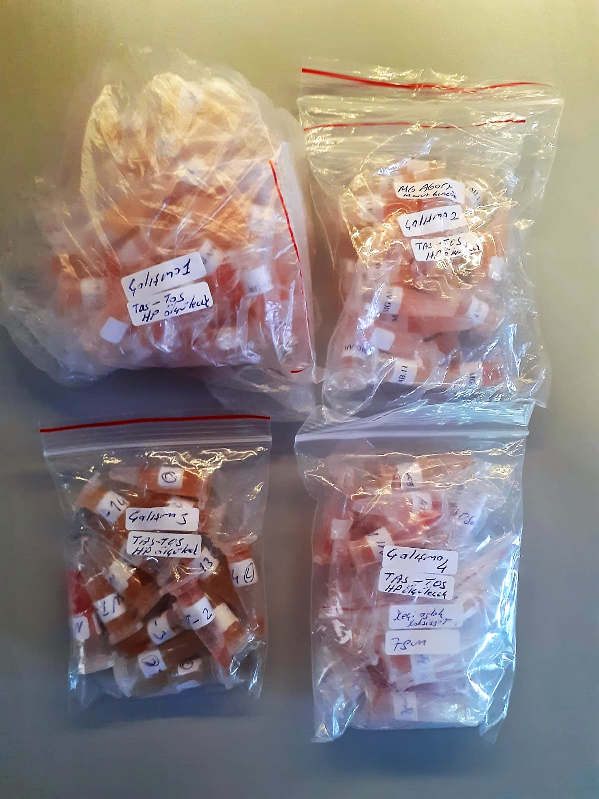
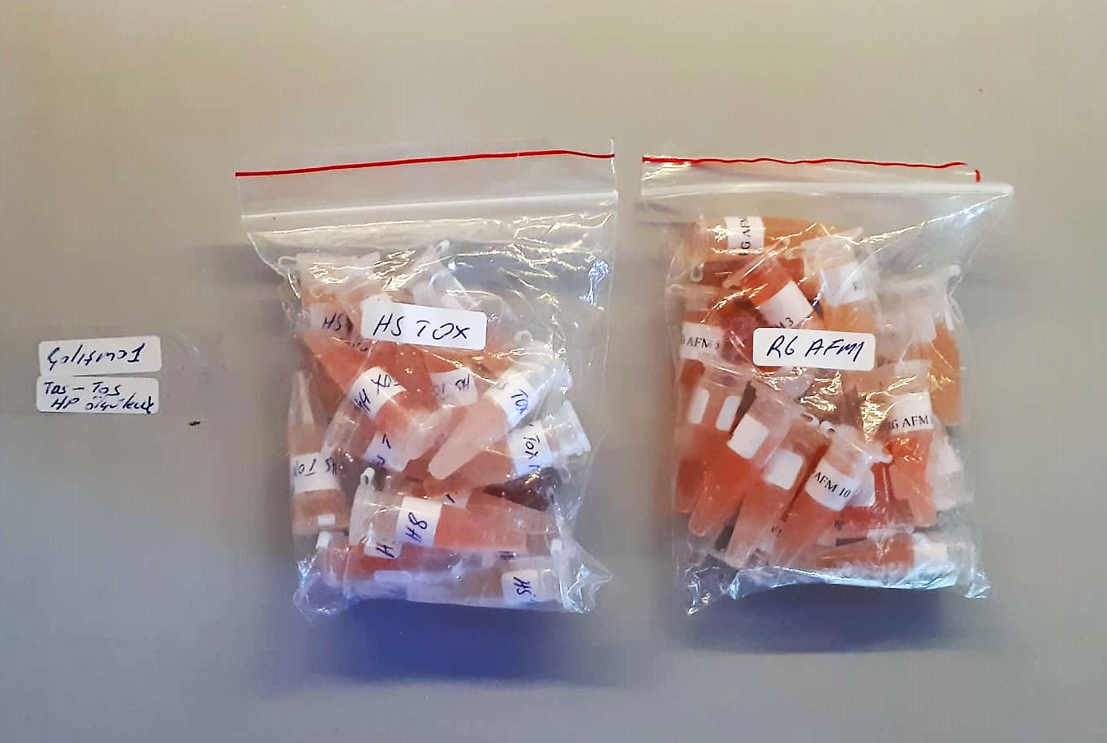
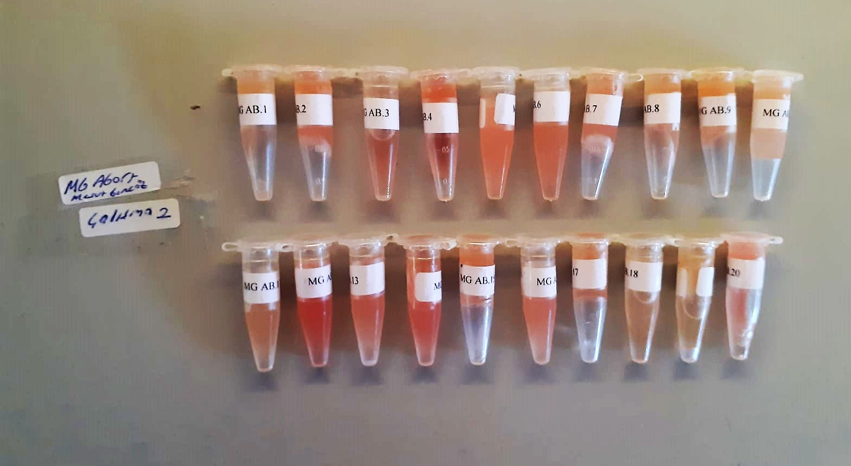
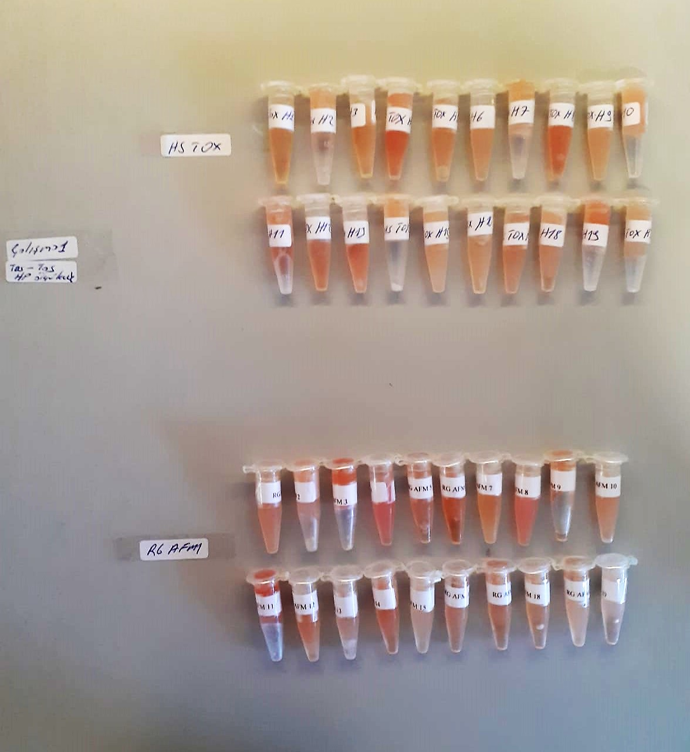
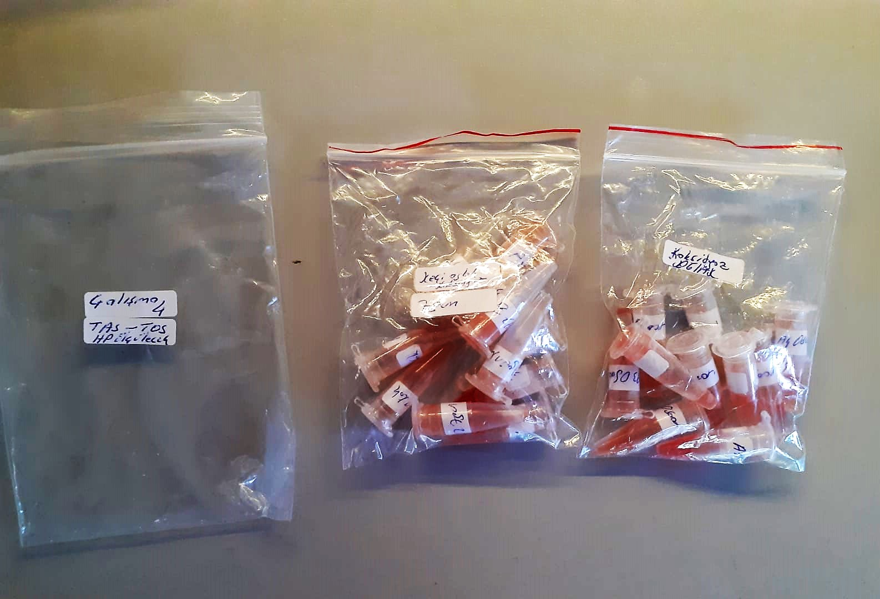
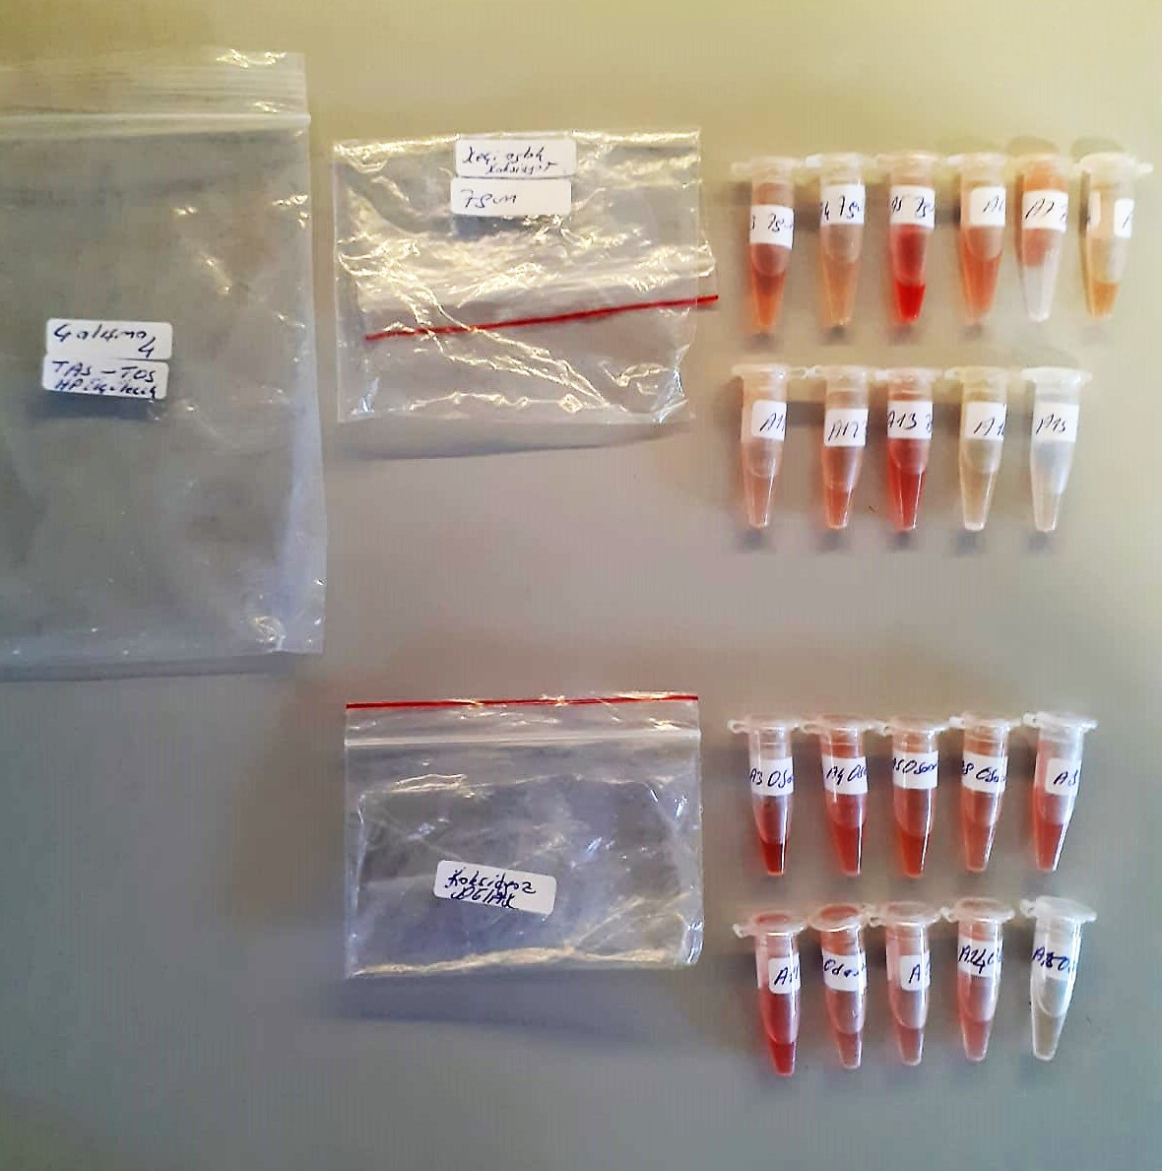
KİT ADI | TÜR | MARKA | CAT. NO | Yöntem
TAS | Universal | REL ASSAY | RL0017 | Kolorimetrik | TAS: Total Antıoxıdant Status
TOS | Universal | REL ASSAY | RL0024 | Kolorimetrik | TOS: Total Oxıdant Status
Haptoglobulin | Goat | BT | E0099Go | Elisa | OSI: Oxıdatıve Stress Index
Centrifuge: HETTICH Mıcro 200-R
Microplate Reader: BIO-TEK EL X 800
Auto Strip Washer: BIO-TEK EL X 50
BS-300 Tam Otomatik Analizör

 | YÖNTEMLER
TOTAL ANTIOXDANT STATUS (TAS) (mmol/L)
TAS levels were measured using commercially available kits (Relassay, Turkey). The novel
automated method is based on the bleaching of characteristic color of a more stable ABTS
(2,2 ′ - Azino-bis(3-ethylbenzothiazoline-6-sulfonic acid)) radical cation by antioxidants. The
assay has excellent precision values, which are lower than 3%. The results were expressed as
mmol Trolox equivalent/L (Erel O. A novel automated direct measurement method for total
antioxidant capacity using a new generation, more stable ABTS radicalcation. Clin Biochem
2004;37:277-85.)
(Relassay,Turkey)

TOTAL OXIDANT STATUS (TOS) (µmol/L)
TOS levels were measured using commercially available kits (Relassay, Turkey. In the new
method, oxidants present in the sample oxidized the ferrous ion-o-dianisidine complex to
ferric ion. The oxidation reaction was enhanced by glycerol molecules abundantly present in
the reaction medium. The ferric ion produced a colored complex with xylenol orange in an
acidic medium. The color intensity, which could be measured spectrophotometrically, was
related to the total amount of oxidant molecules present in the sample. The assay was
calibrated with hydrogen peroxide and the results were expressed in terms of
micromolar hydrogen peroxide equivalent per liter (μmol H2O2 equivalent/L). ( Erel O. A
new automated colorimetric method for measuringtotal oxidant status. Clin Biochem
2005;38:1103-11. ).
(Relassay,Turkey)

OXIDATIVE STRESS INDEX (OSI)
The ratio of TOS to TAS was accepted as the oxidative stress index (OSI). For calculation, the
resulting unit of TAS was converted to μmol/L, and the OSI value was calculated according to
the following Formula : OSI (arbitrary unit) =
TOS (μmol H2O2 equivalent/L) / TAC (μmol Trolox equivalent/L). (1-3).
1. Yumru M, Savas HA, Kalenderoglu A, Bulut M, Celik H, Erel O. Oxidative imbalance in
bipolar disorder subtypes: a comparative study. Prog Neuropsychopharmacol Biol Psychiatry.
2009 Aug 31;33(6):1070-4.
2. Kosecik M, Erel O, Sevinc E, Selek S. Increased oxidative stress in children exposed to
passive smoking. Int J Cardiol 2005;100:61–4.
3. (Harma M, Harma M, Erel O (2003) Increased oxidative stress in patients with
hydatidiform mole. Swiss Med Wkly 133:563-536).

Goat Haptoglobin
This kit is an Enzyme-Linked Immunosorbent Assay (ELISA). The plate has been pre-coated with Goat Hpt/Hp antibody.
Hpt/Hp present in the sample is added and binds to antibodies coated on the wells. And then biotinylated Goat Hpt/Hp Antibody is added and
binds to Hpt/Hp in the sample. Then Streptavidin-HRP is added and binds to the Biotinylated Hpt/Hp antibody. After incubation unbound
Streptavidin-HRP is washed away during a washing step. Substrate solution is then added and color develops in proportion to the amount of Goat Hpt/Hp.
The reaction is terminated by addition of acidic stop solution and absorbance is measured at 450 nm.

