Materyal-metod
KİT ADI | TÜR | MARKA | CAT. NO | Yöntem | Kullanılan Cihaz
N.O: Nitric Oxide | Universal | Elabscıence | E-BC-K035-S | Kolorimetrik | REL BIOCHEM-REL ASSAY

Nitric Oxide Kit Components:
Reagent 1: Sulphate solution
Reagent2: Alkali reagent
Reagent 3: Chromogenic reagent complex + acid solution
Standard: 2 mmol/L Sodium Nitirite
Blank: Double distilled water

Assay Protocol and Working Steps
1. Add 50 ul of double disstilled water to EP tubes.
2. Add 50 ul of 40 umol/L sodium nitrite standar solution to EP tubes.
3. Add 50 ul of sample to EP tubes.
4. Add 4000 ul of reagent 1 and mix fully with a vortex.
5. Add 200 ul reagent 2 and mix fully with a vortex.
6. Stand for 15 min at room temperature, and than centrifuge at 3100 g for 10 min.
7. Take 400 ul of supernatant to the tubes.
8. Add 200 ul of reagent 3 to each tube, mix fully and stand at room temperature for 20 min.
9. Set the spectrophotometer and measure the OD values of each tube at 550 nm with 1 cm optical path cuvette.

Calculation NO umol/L: ( ∆A1/∆A2)× c
∆A1: OD sample - OD blank
∆A2: OD standard - OD blank
C: Concentartıon of standard(40 umol/l)

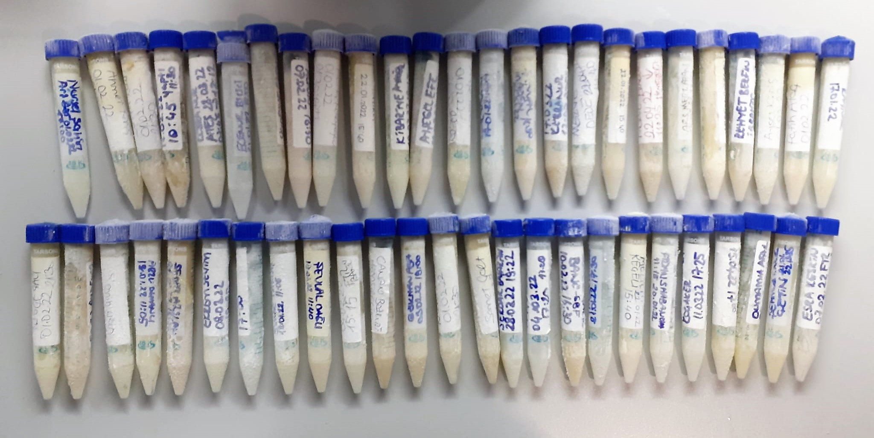

NO Test Principle
NO is easily oxidized to form N0² in vivo or in aqueous solution, and a reddish azo compoun is formed with the color developing agent, and the concentratıon of the azo compound is linearly related to the concentration of NO.
The concentration of NO can be calculated indirectly by measuring the OD value at 550 nm.

