NGF
2.309 | 1.298 | 1.197 | 1.397 | 0.754 | 0.921 | 1.953 | 1.129 | 1.187 | 0.724 | 1.872 | 0.874
1.33 | 1.264 | 1.191 | 1.036 | 1.886 | 1.881 | 1.362 | 1.421 | 1.435 | 1.843 | 1.283 | 0.889
0.709 | 0.84 | 0.928 | 2.021 | 0.961 | 1.99 | 0.923 | 1.188 | 0.86 | 0.888 | 0.966 | 1.162
0.405 | 1.086 | 0.965 | 1.646 | 0.73 | 0.726 | 0.815 | 1.426 | 1.086 | 1.059 | 0.912 | 1.329
0.269 | 2.016 | 1.846 | 1.093 | 1.234 | 0.9 | 0.689 | 0.64 | 0.923 | 0.931 | 0.897 | 0.799
0.074 | 1.852 | 1.707 | 1.744 | 1.749 | 1.057 | 0.77 | 1.011 | 1.239 | 0.622 | 0.978 | 1.401
1.953 | 2.84 | 1.927 | 1.953 | 2.057 | 1.612 | 0.987 | 1.054 | 1.287 | 1.178 | 1.281 | 0.873
1.589 | 2.274 | 1.243 | 1.577 | 1.425 | 0.699 | 0.76 | 0.804 | 0.756 | 0.876 | 0.904 | 0.827

NGF

 | abs | abs-blank | expected | result
std1 | 2.309 | 2.235 | 800 | 798.65
std2 | 1.33 | 1.256 | 400 | 406.39
std3 | 0.709 | 0.635 | 200 | 191.93
std4 | 0.405 | 0.331 | 100 | 96.67
std5 | 0.269 | 0.195 | 50 | 56.12
blank | 0.074 | 0 | 0 | 0.22

 |  |  |  |  |  |  |  |  | concentration (pg/ml)

Numune | absorbans | blank | abs-blank | result(pg/ml)
Sample-1 | 1.953 | 0.074 | 1.879 | 648.34
Sample-2 | 1.589 | 0.074 | 1.515 | 503.71
Sample-3 | 1.298 | 0.074 | 1.224 | 394.68
Sample-4 | 1.264 | 0.074 | 1.19 | 382.33
Sample-5 | 0.84 | 0.074 | 0.766 | 234.95
Sample-6 | 1.086 | 0.074 | 1.012 | 318.94
Sample-7 | 2.016 | 0.074 | 1.942 | 674.30
Sample-8 | 1.852 | 0.074 | 1.778 | 607.29
Sample-9 | 2.84 | 0.074 | 2.766 | 1039.14
Sample-10 | 2.274 | 0.074 | 2.2 | 783.49
Sample-11 | 1.197 | 0.074 | 1.123 | 358.21
Sample-12 | 1.191 | 0.074 | 1.117 | 356.07
Sample-13 | 0.928 | 0.074 | 0.854 | 264.51
Sample-14 | 0.965 | 0.074 | 0.891 | 277.10
Sample-15 | 1.846 | 0.074 | 1.772 | 604.87
Sample-16 | 1.707 | 0.074 | 1.633 | 549.59
Sample-17 | 1.927 | 0.074 | 1.853 | 637.70
Sample-18 | 1.243 | 0.074 | 1.169 | 374.73
Sample-19 | 1.397 | 0.074 | 1.323 | 431.12
Sample-20 | 1.036 | 0.074 | 0.962 | 301.53
Sample-21 | 2.021 | 0.074 | 1.947 | 676.37
Sample-22 | 1.646 | 0.074 | 1.572 | 525.76
Sample-23 | 1.093 | 0.074 | 1.019 | 321.39
Sample-24 | 1.744 | 0.074 | 1.67 | 564.18
Sample-25 | 1.953 | 0.074 | 1.879 | 648.34
Sample-26 | 1.577 | 0.074 | 1.503 | 499.10
Sample-27 | 0.754 | 0.074 | 0.68 | 206.57
Sample-28 | 1.886 | 0.074 | 1.812 | 621.03
Sample-29 | 0.961 | 0.074 | 0.887 | 275.74
Sample-30 | 0.73 | 0.074 | 0.656 | 198.75
Sample-31 | 1.234 | 0.074 | 1.16 | 371.49
Sample-32 | 1.749 | 0.074 | 1.675 | 566.16
Sample-33 | 2.057 | 0.074 | 1.983 | 691.34
Sample-34 | 1.425 | 0.074 | 1.351 | 441.55
Sample-35 | 0.921 | 0.074 | 0.847 | 262.14
Sample-36 | 1.881 | 0.074 | 1.807 | 619.00
Sample-37 | 1.99 | 0.074 | 1.916 | 663.55
Sample-38 | 0.726 | 0.074 | 0.652 | 197.44
Sample-39 | 0.9 | 0.074 | 0.826 | 255.05
Sample-40 | 1.057 | 0.074 | 0.983 | 308.82
Sample-41 | 1.612 | 0.074 | 1.538 | 512.58
Sample-42 | 0.699 | 0.074 | 0.625 | 188.69
Sample-43 | 1.953 | 0.074 | 1.879 | 648.34
Sample-44 | 1.362 | 0.074 | 1.288 | 418.16
Sample-45 | 0.923 | 0.074 | 0.849 | 262.82
Sample-46 | 0.815 | 0.074 | 0.741 | 226.65
Sample-47 | 0.689 | 0.074 | 0.615 | 185.47
Sample-48 | 0.77 | 0.074 | 0.696 | 211.81
Sample-49 | 0.987 | 0.074 | 0.913 | 284.64
Sample-50 | 0.76 | 0.074 | 0.686 | 208.54
Sample-51 | 1.129 | 0.074 | 1.055 | 334.05
Sample-52 | 1.421 | 0.074 | 1.347 | 440.05
Sample-53 | 1.188 | 0.074 | 1.114 | 355.00
Sample-54 | 1.426 | 0.074 | 1.352 | 441.92
Sample-55 | 0.64 | 0.074 | 0.566 | 169.75
Sample-56 | 1.011 | 0.074 | 0.937 | 292.89
Sample-57 | 1.054 | 0.074 | 0.98 | 307.78
Sample-58 | 0.804 | 0.074 | 0.73 | 223.01
Sample-59 | 1.187 | 0.074 | 1.113 | 354.64
Sample-60 | 1.435 | 0.074 | 1.361 | 445.28
Sample-61 | 0.86 | 0.074 | 0.786 | 241.62
Sample-62 | 1.086 | 0.074 | 1.012 | 318.94
Sample-63 | 0.923 | 0.074 | 0.849 | 262.82
Sample-64 | 1.239 | 0.074 | 1.165 | 373.29
Sample-65 | 1.287 | 0.074 | 1.213 | 390.68
Sample-66 | 0.756 | 0.074 | 0.682 | 207.23
Sample-67 | 0.724 | 0.074 | 0.65 | 196.79
Sample-68 | 1.843 | 0.074 | 1.769 | 603.67
Sample-69 | 0.888 | 0.074 | 0.814 | 251.01
Sample-70 | 1.059 | 0.074 | 0.985 | 309.52
Sample-71 | 0.931 | 0.074 | 0.857 | 265.53
Sample-72 | 0.622 | 0.074 | 0.548 | 164.01
Sample-73 | 1.178 | 0.074 | 1.104 | 351.43
Sample-74 | 0.876 | 0.074 | 0.802 | 246.98
Sample-75 | 1.872 | 0.074 | 1.798 | 615.36
Sample-76 | 1.283 | 0.074 | 1.209 | 389.22
Sample-77 | 0.966 | 0.074 | 0.892 | 277.45
Sample-78 | 0.912 | 0.074 | 0.838 | 259.10
Sample-79 | 0.897 | 0.074 | 0.823 | 254.04
Sample-80 | 0.978 | 0.074 | 0.904 | 281.55
Sample-81 | 1.281 | 0.074 | 1.207 | 388.50
Sample-82 | 0.904 | 0.074 | 0.83 | 256.40
Sample-83 | 0.874 | 0.074 | 0.8 | 246.31
Sample-84 | 0.889 | 0.074 | 0.815 | 251.35
Sample-85 | 1.162 | 0.074 | 1.088 | 345.74
Sample-86 | 1.329 | 0.074 | 1.255 | 406.02
Sample-87 | 0.799 | 0.074 | 0.725 | 221.36
Sample-88 | 1.401 | 0.074 | 1.327 | 432.60
Sample-89 | 0.873 | 0.074 | 0.799 | 245.97
Sample-90 | 0.827 | 0.074 | 0.753 | 230.63

Materyal-metod
KİT ADI | TÜR | MARKA | CAT. NO | Yöntem | Kullanılan Cihaz
Alpha Amylase | Universal | Otto Scientific | OttoBC125 | Kolorimetrik | MINDRAY-BS400
Nerve growth factor | Human | BT-lab | E2102Hu | ELİSA | Mıcroplate reader: BIO-TEK EL X 800-Aotu strıp washer:BIO TEK EL X 50
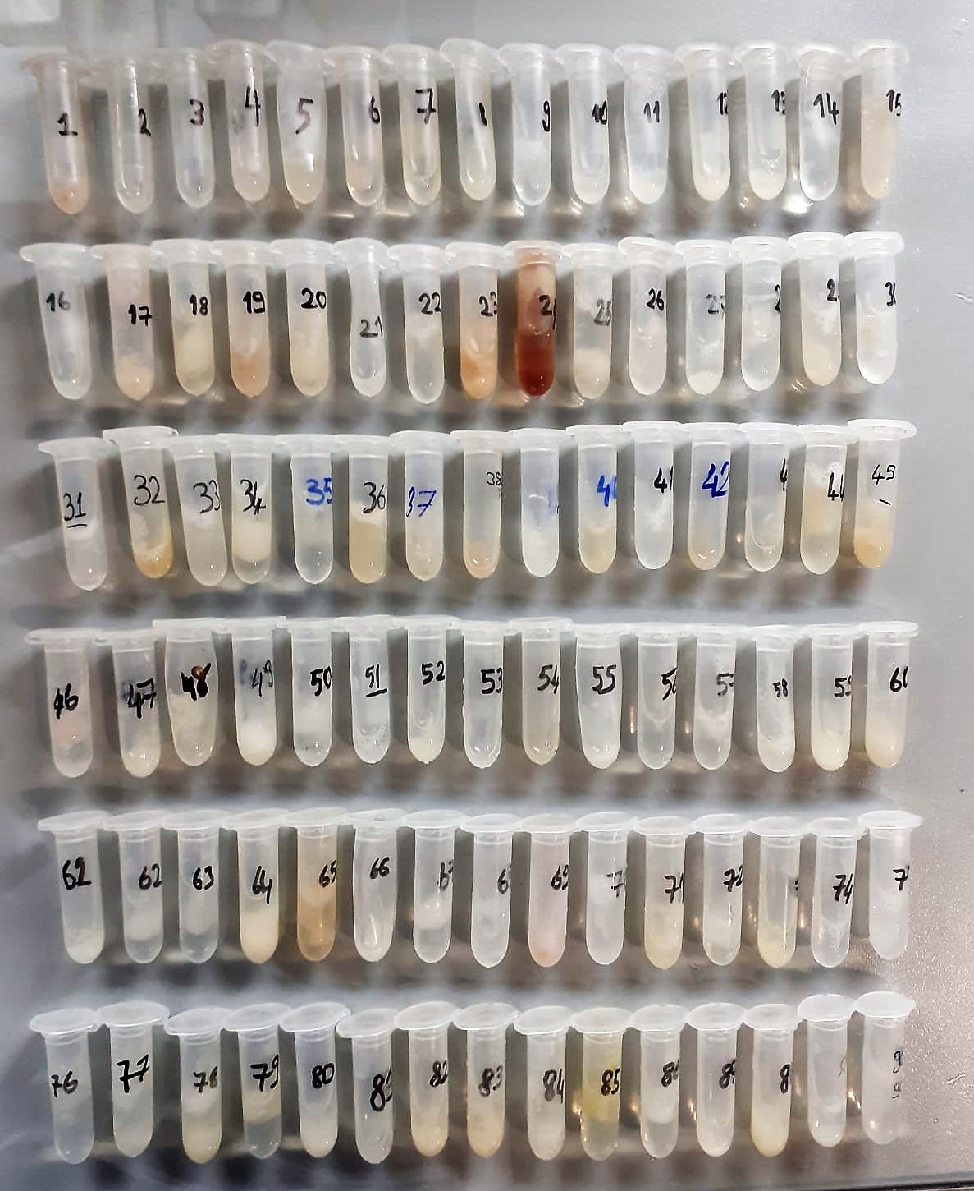

Alpha Amylase
Colorimetric test with 2-chloro-4-nitrophenyl-a-D-maltotriose (CNP-G3) as direct substrate. Colour is released directly as a result of a cleavage at the a-glycone:
CNP - G3 a-amylase CNP + G3
(CNP = chloro-nitrophenol; G = glucose)
The increase of absorption of chloro-nitrophenol is directly proportional to the a- amylase concentration. The hydrolysis pattern in the formulation of the reagent show about less than 10 % CNP-G2 and less than 1% CNP-G4 as by products.

Human NGF Assay Principle
This kit is an Enzyme-Linked Immunosorbent Assay (ELISA). The plate has been pre-coated with Human NGF antibody. Human NGF present in the sample is added and binds to antibodies coated on the wells.
And then biotinylated Human NGF Antibody is added and binds to Human NGF in the sample. Then Streptavidin-HRP is added and binds to the Biotinylated Human NGF antibody.
After incubation unbound Streptavidin-HRP is washed away during a washing step. Substrate solution is then added and color develops in proportion to the amount of Human NGF .
The reaction is terminated by addition of acidic stop solution and absorbance is measured at 450 nm.

