MDA
MDA
2.481 | 100
1.673 | 50
0.994 | 25
0.513 | 12.5
0.288 | 6.25
0.122 | 3.125
0 | 0
 | absorbans | abs-blank | expected | result
std1 | 2.511 | 2.481 | 100 | 99.11
std2 | 1.703 | 1.673 | 50 | 52.40
std3 | 1.024 | 0.994 | 25 | 24.30
std4 | 0.543 | 0.513 | 12.5 | 10.55
std5 | 0.318 | 0.288 | 6.25 | 5.87
std6 | 0.152 | 0.122 | 3.125 | 3.14
blank | 0.03 | 0 | 0 | 1.51

 |  |  |  |  | concentratıon (nmol/L)

Numune | absorbans | blank | abs-blank | result(nmol/L)
A-1 | 1.088 | 0.03 | 1.058 | 26.51
A-2 | 1.548 | 0.03 | 1.518 | 45.09
A-3 | 1.31 | 0.03 | 1.28 | 34.89
A-4 | 1.403 | 0.03 | 1.373 | 38.73
A-5 | 0.677 | 0.03 | 0.647 | 13.87
A-6 | 0.999 | 0.03 | 0.969 | 23.46
B-1 | 0.501 | 0.03 | 0.471 | 9.59
B-2 | 0.404 | 0.03 | 0.374 | 7.53
B-3 | 0.737 | 0.03 | 0.707 | 15.48
B-4 | 0.369 | 0.03 | 0.339 | 6.83
B-5 | 1.744 | 0.03 | 1.714 | 54.43
B-6 | 1.51 | 0.03 | 1.48 | 43.38
C-1 | 1.831 | 0.03 | 1.801 | 58.84
C-2 | 0.505 | 0.03 | 0.475 | 9.68
C-3 | 1.802 | 0.03 | 1.772 | 57.35
C-4 | 0.991 | 0.03 | 0.961 | 23.19
C-5 | 1.283 | 0.03 | 1.253 | 33.82
C-6 | 0.695 | 0.03 | 0.665 | 14.34
D-1 | 0.716 | 0.03 | 0.686 | 14.91
D-2 | 0.629 | 0.03 | 0.599 | 12.63
D-3 | 1.042 | 0.03 | 1.012 | 24.91
D-4 | 1.01 | 0.03 | 0.98 | 23.83
D-5 | 1.698 | 0.03 | 1.668 | 52.16
D-6 | 0.649 | 0.03 | 0.619 | 13.14
E-1 | 1.689 | 0.03 | 1.659 | 51.72
E-2 | 1.98 | 0.03 | 1.95 | 66.79
E-3 | 1.401 | 0.03 | 1.371 | 38.65
E-4 | 0.944 | 0.03 | 0.914 | 21.66
E-5 | 0.746 | 0.03 | 0.716 | 15.73
E-6 | 1.828 | 0.03 | 1.798 | 58.69
G-1 | 0.771 | 0.03 | 0.741 | 16.43
G-2 | 0.643 | 0.03 | 0.613 | 12.99
G-3 | 1.768 | 0.03 | 1.738 | 55.63
G-4 | 1.429 | 0.03 | 1.399 | 39.84
G-5 | 0.601 | 0.03 | 0.571 | 11.94
H-1 | 0.988 | 0.03 | 0.958 | 23.09
H-2 | 1.206 | 0.03 | 1.176 | 30.83
H-3 | 1.535 | 0.03 | 1.505 | 44.50
H-4 | 1.783 | 0.03 | 1.753 | 56.38
H-5 | 0.626 | 0.03 | 0.596 | 12.56
H-6 | 1.857 | 0.03 | 1.827 | 60.19
I-1 | 0.444 | 0.03 | 0.414 | 8.35
I-2 | 1.49 | 0.03 | 1.46 | 42.49
I-3 | 1.09 | 0.03 | 1.06 | 26.58
I-4 | 1.527 | 0.03 | 1.497 | 44.14
I-5 | 1.171 | 0.03 | 1.141 | 29.52
I-6 | 0.619 | 0.03 | 0.589 | 12.38
J-1 | 1.274 | 0.03 | 1.244 | 33.46
J-2 | 1.547 | 0.03 | 1.517 | 45.04
J-3 | 1.604 | 0.03 | 1.574 | 47.67
J-4.1 | 1.261 | 0.03 | 1.231 | 32.95
J-4.2 | 1.846 | 0.03 | 1.816 | 59.62
J-5 | 1.669 | 0.03 | 1.639 | 50.75
J-6 | 1.529 | 0.03 | 1.499 | 44.23
K-1 | 1.064 | 0.03 | 1.034 | 25.67
K-2 | 0.419 | 0.03 | 0.389 | 7.83
K-3 | 0.365 | 0.03 | 0.335 | 6.75
K-4 | 1.746 | 0.03 | 1.716 | 54.53
K-5 | 1.687 | 0.03 | 1.657 | 51.62
K-6 | 0.505 | 0.03 | 0.475 | 9.68
L-1 | 0.775 | 0.03 | 0.745 | 16.54
L-2 | 0.265 | 0.03 | 0.235 | 4.93
L-3 | 0.43 | 0.03 | 0.4 | 8.06
L-4 | 1.465 | 0.03 | 1.435 | 41.39
L-5 | 1.011 | 0.03 | 0.981 | 23.86
L-6 | 0.773 | 0.03 | 0.743 | 16.49
M-1 | 0.665 | 0.03 | 0.635 | 13.55
M-2 | 1.172 | 0.03 | 1.142 | 29.56
M-3 | 0.834 | 0.03 | 0.804 | 18.26
M-4 | 1.793 | 0.03 | 1.763 | 56.89
M-5 | 1.521 | 0.03 | 1.491 | 43.87
M-6 | 0.45 | 0.03 | 0.42 | 8.48
N-1 | 1.475 | 0.03 | 1.445 | 41.83
N-2 | 1.278 | 0.03 | 1.248 | 33.62
N-3 | 0.628 | 0.03 | 0.598 | 12.61
N-4 | 0.44 | 0.03 | 0.41 | 8.27
N-5 | 0.561 | 0.03 | 0.531 | 10.97
N-6 | 0.783 | 0.03 | 0.753 | 16.77

F2,F4,F6 nolu numuneler yetersiz

Materyal-metod
KİT ADI | TÜR | MARKA | CAT. NO | Yöntem | Kullanılan Cihaz
MDA: Malondialdehit | Universal | Otto Scientific | Otto1001 | Kolorimetrik | REL BIOCHEM-REL ASSAY

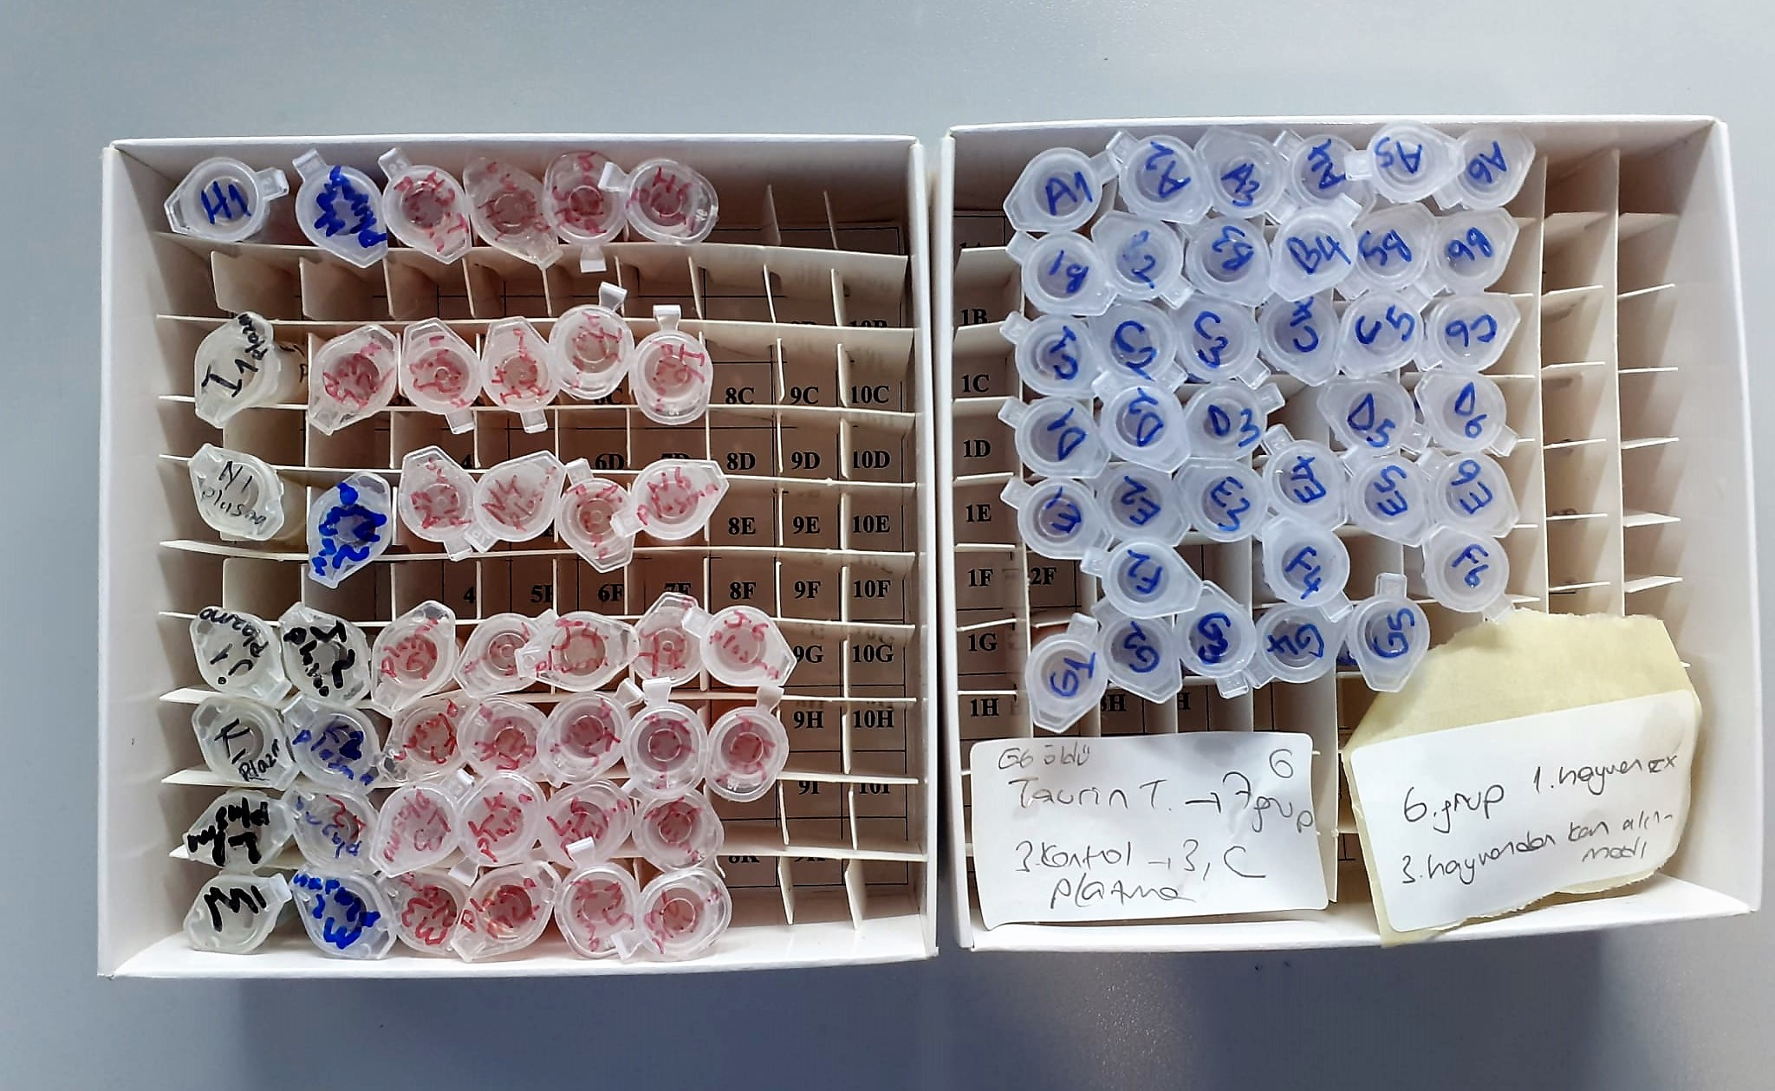

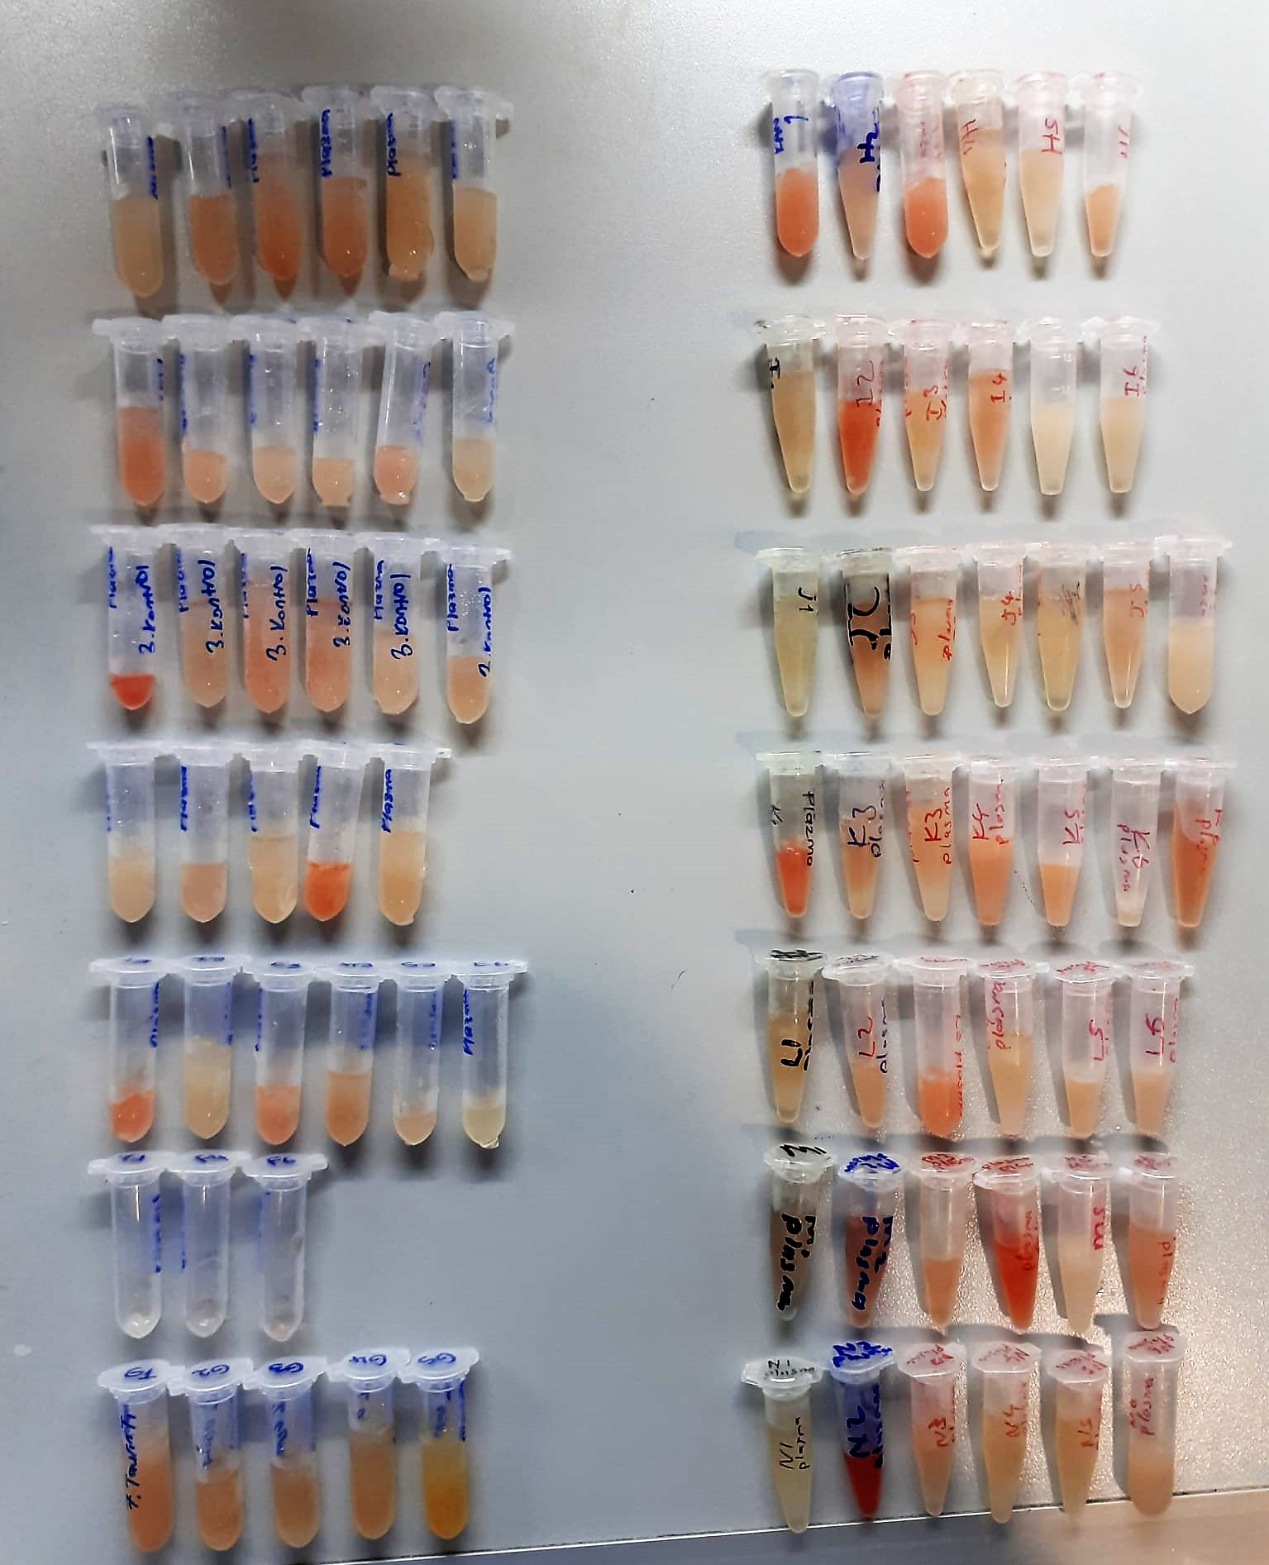

Malondialdehyde (MDA) nmol/L
The MDA level was determined by a method based
on the reaction with thiobarbituric acid (TBA) at 90–100_C
. In the TBA test reaction, MDA or MDA-like
substances and TBA react with the production of a pink
pigment with a maximum absorption at 532 nm. The
reaction was performed at pH 2–3 at 90_C for 15 min. The
sample was mixed with two volumes of cold 10% (w/v)
trichloroacetic acid for the precipitation of protein. The
precipitate was pelleted by centrifugation, and an aliquot of
the supernatant was reacted with an equal volume of 0.67%
(w/v) TBA in a boiling water bath for 10 min. After
cooling, the absorbance was read at 532 nm.

