Materyal-metod
KİT ADI | TÜR | MARKA | CAT. NO | Yöntem | Kullanılan Cihaz
AST: Aspartat Aminotransferaz | Universal | Otto Scientific | OttoBC127 | Kolorimetrik | MINDRAY-BS400
ALT: Alanin aminotransferaz | Universal | Otto Scientific | OttoBC128 | Kolorimetrik | MINDRAY-BS400
ALB: Albumin | Universal | Otto Scientific | OttoBC123 | Kolorimetrik | MINDRAY-BS400
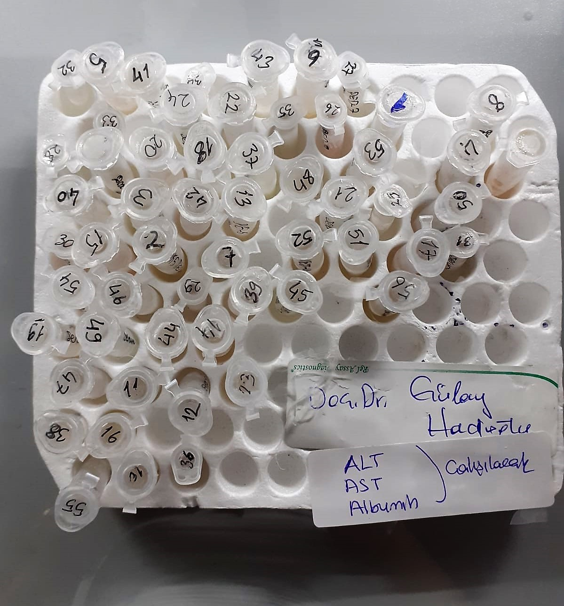
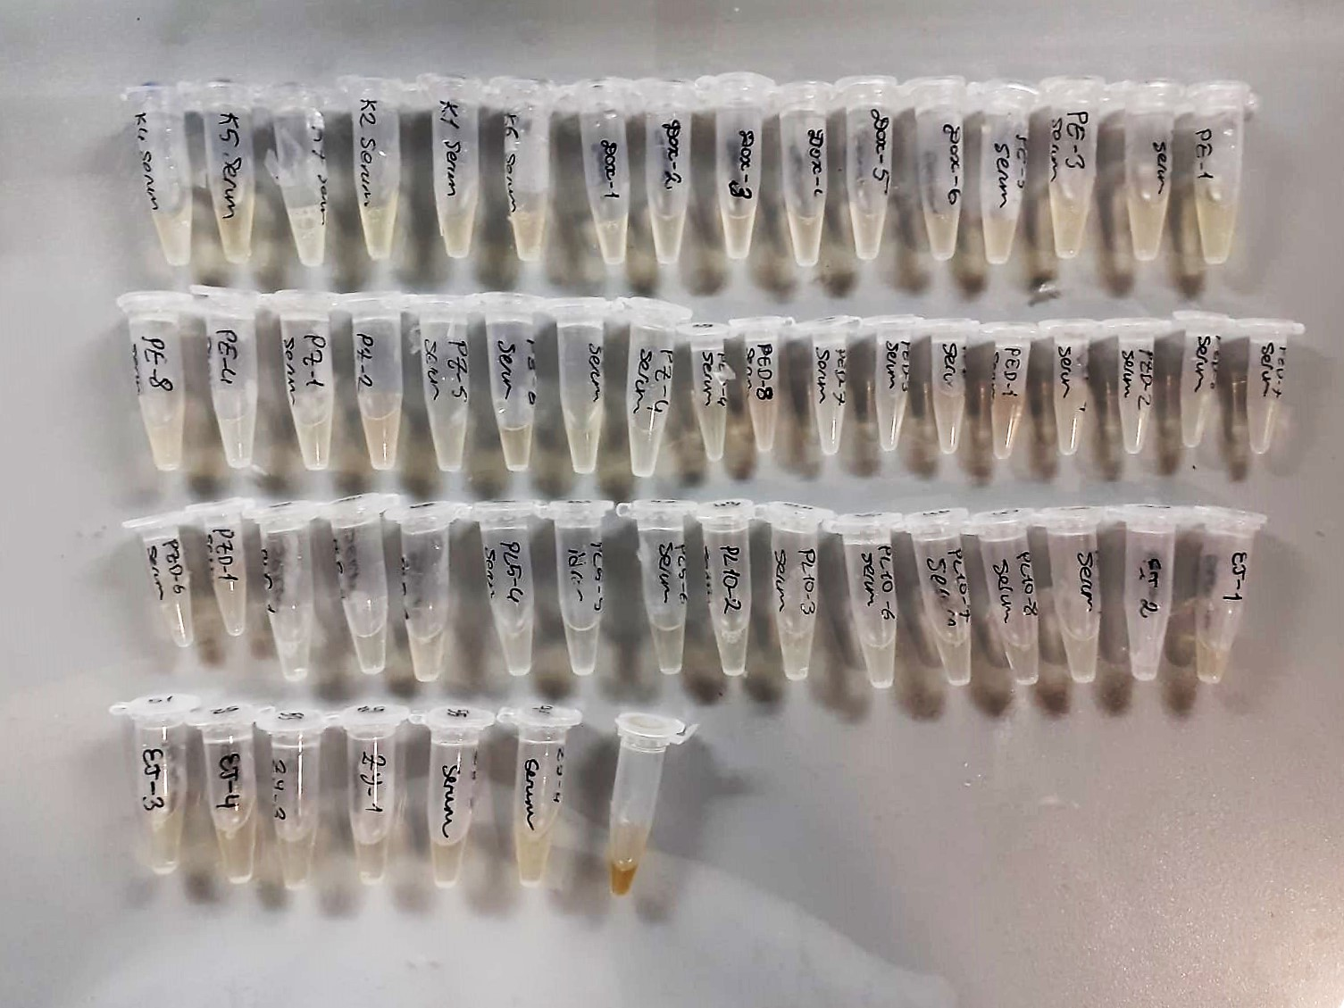

Albumin g/dl
Colorimetric assay, endpoint method
• Sample and addition of R1
• Start of the reaction:
At a pH value of 4.1 albumin displays a sufficiently cationic character to be able to bind with bromocresol green (BCG), any anionic dyestuff, to form a blue-green complex.
pH 4.1 albumin + BCG albumin BCG- complex
The color intensity of the blue-green color is directly proportional to the albumin concentration and can be determined photometrical

ALT U/L
UV test according to the IFCC method.
ALT
L-Alanin + 2-Oxoglutarate ⎯⎯ L-Glutamate + Pyruvat

AST U/L
UV test according to a standarrized method
Sample and addition of R1 (buffer)
Addition of R2 and start of reaction: AST
α-ketoglutarate + L-aspartate L- glutamate + oxaloasetate
AST is the enzyme which catalyzes this equilibrium reaction. The oxaloacetate in- crease is measured in a subsequent indicator reaction which is catalyzed by malate dehydrogenase.
MDH
oxalacetate + NADH + H+ L-Malate + NAD+
In the second reaction, NADH is oxidized to NAD. The rate of decrease in NADH
(Measured photometrically) is directly proportional to the rate of formation of
oxaloasetate, and thus the AST activity.

