MDA
MDA
2.481 | 100
1.673 | 50
0.994 | 25
0.513 | 12.5
0.288 | 6.25
0.122 | 3.125
0 | 0
 | absorbans | abs-blank | expected | result
std1 | 2.511 | 2.481 | 100 | 99.11
std2 | 1.703 | 1.673 | 50 | 52.40
std3 | 1.024 | 0.994 | 25 | 24.30
std4 | 0.543 | 0.513 | 12.5 | 10.55
std5 | 0.318 | 0.288 | 6.25 | 5.87
std6 | 0.152 | 0.122 | 3.125 | 3.14
blank | 0.03 | 0 | 0 | 1.51

 |  |  |  |  | concentratıon (nmol/L)

Numune | absorbans | blank | abs-blank | result(nmol/L)
Doğum-10303 | 0.474 | 0.03 | 0.444 | 8.99
Doğum-10985 | 1.796 | 0.03 | 1.766 | 57.04
Doğum-11432 | 1.69 | 0.03 | 1.66 | 51.77
Doğum-9370 | 2.099 | 0.03 | 2.069 | 73.49
Doğum-9607 | 1.881 | 0.03 | 1.851 | 61.45
Doğum-10800 | 2.108 | 0.03 | 2.078 | 74.01
Doğum-11143 | 2.317 | 0.03 | 2.287 | 86.58
10800-21 | 1.88 | 0.03 | 1.85 | 61.40
10102-21 | 1.974 | 0.03 | 1.944 | 66.46
11240-21 | 1.868 | 0.03 | 1.838 | 60.77
Doğum11338 | 2.197 | 0.03 | 2.167 | 79.25
11523-21 | 1.903 | 0.03 | 1.873 | 62.62
9370-21 | 1.59 | 0.03 | 1.56 | 47.02
10746-21 | 1.934 | 0.03 | 1.904 | 64.28
Doğum-11089 | 1.799 | 0.03 | 1.769 | 57.20
Doğum-1523 | 0.701 | 0.03 | 0.671 | 14.50
11338-21 | 1.655 | 0.03 | 1.625 | 50.08
Doğum-10657 | 1.703 | 0.03 | 1.673 | 52.40
1057-21 | 1.837 | 0.03 | 1.807 | 59.15
Doğum-11236 | 0.739 | 0.03 | 0.709 | 15.53
11089-21 | 0.736 | 0.03 | 0.706 | 15.45
11143-21 | 0.833 | 0.03 | 0.803 | 18.23
Doğum-11013 | 1.118 | 0.03 | 1.088 | 27.58
9607-21 | 1.114 | 0.03 | 1.084 | 27.44
11013-21 | 1.053 | 0.03 | 1.023 | 25.29
16985-21 | 1.473 | 0.03 | 1.443 | 41.74
1432-21 | 1.994 | 0.03 | 1.964 | 67.56
Doğum-10102 | 1.143 | 0.03 | 1.113 | 28.49
1236-21 | 2.095 | 0.03 | 2.065 | 73.26
10764 | 1.885 | 0.03 | 1.855 | 61.67
10303-21 | 1.1 | 0.03 | 1.07 | 26.94
1501425 | 2.145 | 0.03 | 2.115 | 76.17
1428 | 1.534 | 0.03 | 1.504 | 44.46
9634-1(1637) | 1.942 | 0.03 | 1.912 | 64.72
9634-2 | 1.981 | 0.03 | 1.951 | 66.85
1444 | 1.934 | 0.03 | 1.904 | 64.28
1447 | 1.15 | 0.03 | 1.12 | 28.74
1448 | 1.465 | 0.03 | 1.435 | 41.39
1451 | 1.635 | 0.03 | 1.605 | 49.13
1480 | 1.737 | 0.03 | 1.707 | 54.08
1496 | 0.252 | 0.03 | 0.222 | 4.71
1498 | 1.699 | 0.03 | 1.669 | 52.21
1429 | 1.908 | 0.03 | 1.878 | 62.89
1455 | 1.946 | 0.03 | 1.916 | 64.93
1482 | 1.106 | 0.03 | 1.076 | 27.15
1485 | 1.163 | 0.03 | 1.133 | 29.22
1492 | 1.9 | 0.03 | 1.87 | 62.46
627-D | 2.019 | 0.03 | 1.989 | 68.95
1469 19943 | 1.825 | 0.03 | 1.795 | 58.53
951-121 | 1.069 | 0.03 | 1.039 | 25.85
954-7826 | 1.862 | 0.03 | 1.832 | 60.45
960-161 | 1.819 | 0.03 | 1.789 | 58.22
966 | 1.306 | 0.03 | 1.276 | 34.73
967-7075 | 1.651 | 0.03 | 1.621 | 49.89
970-7830 | 1.237 | 0.03 | 1.207 | 32.02
972-486 | 1.503 | 0.03 | 1.473 | 43.07
974-529 | 1.933 | 0.03 | 1.903 | 64.23
976-9343 | 1.827 | 0.03 | 1.797 | 58.63
978 | 2.126 | 0.03 | 2.096 | 75.06
983-9709 | 1.848 | 0.03 | 1.818 | 59.72
990-0061 | 1.275 | 0.03 | 1.245 | 33.50
623-0saat | 1.884 | 0.03 | 1.854 | 61.61
623-24saat | 1.655 | 0.03 | 1.625 | 50.08
623-2gün | 2.104 | 0.03 | 2.074 | 73.78
623-3gün | 1.786 | 0.03 | 1.756 | 56.54
623-4gün | 2.007 | 0.03 | 1.977 | 68.28
1258-603 | 2.042 | 0.03 | 2.012 | 70.24
1260-7233 | 1.162 | 0.03 | 1.132 | 29.19
1265 | 1.184 | 0.03 | 1.154 | 30.00
1271 | 1.174 | 0.03 | 1.144 | 29.63
1272 | 1.939 | 0.03 | 1.909 | 64.55
1273 | 1.759 | 0.03 | 1.729 | 55.17
11127-D | 1.873 | 0.03 | 1.843 | 61.03
1280 | 1.488 | 0.03 | 1.458 | 42.40
1281 | 1.72 | 0.03 | 1.69 | 53.24
1282 | 1.453 | 0.03 | 1.423 | 40.87
1286 | 0.704 | 0.03 | 0.674 | 14.58
1288 | 1.079 | 0.03 | 1.049 | 26.20
1289 | 2.198 | 0.03 | 2.168 | 79.31
1297 | 1.168 | 0.03 | 1.138 | 29.41
1300-559 | 1.005 | 0.03 | 0.975 | 23.66
1303 | 1.183 | 0.03 | 1.153 | 29.97
1304 | 1.263 | 0.03 | 1.233 | 33.03
1310 | 1.694 | 0.03 | 1.664 | 51.96
1326 | 1.21 | 0.03 | 1.18 | 30.98
1349 | 1.801 | 0.03 | 1.771 | 57.30
1351 | 0.756 | 0.03 | 0.726 | 16.01
11291-doğum | 1.535 | 0.03 | 1.505 | 44.50
9128-doğum | 1.021 | 0.03 | 0.991 | 24.20
9406-21 | 1.158 | 0.03 | 1.128 | 29.04
9406-0 | 0.481 | 0.03 | 0.451 | 9.15
9562-21 | 0.613 | 0.03 | 0.583 | 12.23
9562-0 | 1.457 | 0.03 | 1.427 | 41.04
9634-21 | 0.553 | 0.03 | 0.523 | 10.78
9634-0 | 1.424 | 0.03 | 1.394 | 39.62
9868-21 | 1.863 | 0.03 | 1.833 | 60.51
9868-0 | 1.541 | 0.03 | 1.511 | 44.77
9943-21 | 1.136 | 0.03 | 1.106 | 28.23
9943-0 | 1.254 | 0.03 | 1.224 | 32.68
281-21 | 1.706 | 0.03 | 1.676 | 52.55
281-0 | 0.463 | 0.03 | 0.433 | 8.76
486-21 | 1.468 | 0.03 | 1.438 | 41.52
486-0 | 1.539 | 0.03 | 1.509 | 44.68
609-21 | 1.612 | 0.03 | 1.582 | 48.05
609-0 | 1.639 | 0.03 | 1.609 | 49.32
627-21 | 2.123 | 0.03 | 2.093 | 74.88
627-0 | 0.923 | 0.03 | 0.893 | 20.99
978-21 | 1.839 | 0.03 | 1.809 | 59.26
978-0 | 0.706 | 0.03 | 0.676 | 14.64
11121-21 | 1.219 | 0.03 | 1.189 | 31.33
11121-0 | 0.981 | 0.03 | 0.951 | 22.86
1275-21 | 1.556 | 0.03 | 1.526 | 45.45
1275-0 | 1.76 | 0.03 | 1.73 | 55.23
1300-21 | 1.927 | 0.03 | 1.897 | 63.91
1300-doğum | 2.073 | 0.03 | 2.043 | 72.00
1328-21 | 1.684 | 0.03 | 1.654 | 51.48
1328-5 | 1.875 | 0.03 | 1.845 | 61.14
7233-0 | 0.78 | 0.03 | 0.75 | 16.68
121-21 | 0.351 | 0.03 | 0.321 | 6.49
121-0 | 1.941 | 0.03 | 1.911 | 64.66
7826-21 | 0.248 | 0.03 | 0.218 | 4.64
7826-0 | 1.66 | 0.03 | 1.63 | 50.32
161-21 | 1.913 | 0.03 | 1.883 | 63.16
280-21 | 1.84 | 0.03 | 1.81 | 59.31
280-0 | 1.588 | 0.03 | 1.558 | 46.93
7075-21 | 1.661 | 0.03 | 1.631 | 50.37
7075-0 | 1.615 | 0.03 | 1.585 | 48.19
7830-21 | 2.03 | 0.03 | 2 | 69.57
7830-0 | 1.605 | 0.03 | 1.575 | 47.72
486-21 | 1.343 | 0.03 | 1.313 | 36.23
486-0 | 1.672 | 0.03 | 1.642 | 50.90
529-21 | 2.205 | 0.03 | 2.175 | 79.73
529-0 | 1.997 | 0.03 | 1.967 | 67.73
9343-21 | 1.735 | 0.03 | 1.705 | 53.98
9343-0 | 1.94 | 0.03 | 1.91 | 64.61
8006-21 | 0.671 | 0.03 | 0.641 | 13.71
8006-0 | 1.312 | 0.03 | 1.282 | 34.98
9709-0 | 1.779 | 0.03 | 1.749 | 56.18
0061-21 | 1.906 | 0.03 | 1.876 | 62.78
0061-0 | 0.583 | 0.03 | 0.553 | 11.50
7233-21 | 0.455 | 0.03 | 0.425 | 8.59
7657-21 | 0.608 | 0.03 | 0.578 | 12.11
7657-0 | 0.781 | 0.03 | 0.751 | 16.71
8521-21 | 1.19 | 0.03 | 1.16 | 30.23
8521-0 | 1.243 | 0.03 | 1.213 | 32.25
9704-21 | 1.254 | 0.03 | 1.224 | 32.68
9936-21 | 2.015 | 0.03 | 1.985 | 68.73
9936-0 | 0.5 | 0.03 | 0.47 | 9.57
9989-21 | 0.568 | 0.03 | 0.538 | 11.14
9989-0 | 1.186 | 0.03 | 1.156 | 30.08
0097-21 | 1.488 | 0.03 | 1.458 | 42.40
0097-5 | 1.021 | 0.03 | 0.991 | 24.20
119-21 | 1.363 | 0.03 | 1.333 | 37.06
119-0 | 0.583 | 0.03 | 0.553 | 11.50
387-21 | 1.044 | 0.03 | 1.014 | 24.98
387-0 | 1.725 | 0.03 | 1.695 | 53.48
505-15 | 0.199 | 0.03 | 0.169 | 3.85
505-0 | 1.535 | 0.03 | 1.505 | 44.50
544-21 | 0.723 | 0.03 | 0.693 | 15.10
544-0 | 2.146 | 0.03 | 2.116 | 76.23
559-21 | 1.263 | 0.03 | 1.233 | 33.03
559-0 | 1.527 | 0.03 | 1.497 | 44.14
603-21 | 1.071 | 0.03 | 1.041 | 25.92
603-0 | 0.393 | 0.03 | 0.363 | 7.31
998-21 | 0.456 | 0.03 | 0.426 | 8.61
998-0 | 0.9 | 0.03 | 0.87 | 20.26
1034-21 | 0.546 | 0.03 | 0.516 | 10.62
1034-0 | 0.111 | 0.03 | 0.081 | 2.55
1127-21 | 1.833 | 0.03 | 1.803 | 58.94
1127-0 | 1.845 | 0.03 | 1.815 | 59.57
1194-21 | 0.237 | 0.03 | 0.207 | 4.46
1194-0 | 1.945 | 0.03 | 1.915 | 64.88
1210-D | 1.464 | 0.03 | 1.434 | 41.35
1231-21 | 1.552 | 0.03 | 1.522 | 45.27
1231-0 | 1.603 | 0.03 | 1.573 | 47.62
1239-21 | 1.605 | 0.03 | 1.575 | 47.72
1239-0 | 0.725 | 0.03 | 0.695 | 15.15
1248-21 | 1.662 | 0.03 | 1.632 | 50.42
1248-0 | 0.138 | 0.03 | 0.108 | 2.93
8778-21 | 1.756 | 0.03 | 1.726 | 55.02
8778-0 | 1.809 | 0.03 | 1.779 | 57.71
8570-21 | 1.929 | 0.03 | 1.899 | 64.02
8570-0 | 0.345 | 0.03 | 0.315 | 6.37
1207-21 | 1.931 | 0.03 | 1.901 | 64.12
1245-21 | 1.83 | 0.03 | 1.8 | 58.79
1245-0 | 1.123 | 0.03 | 1.093 | 27.76
1210-21gün | 1.505 | 0.03 | 1.475 | 43.16
9704-doğum | 0.107 | 0.03 | 0.077 | 2.50
1207-doğum | 1.816 | 0.03 | 1.786 | 58.07

Materyal-metod
KİT ADI | TÜR | MARKA | Numune Türü | CAT. NO | Yöntem | Kullanılan Cihaz
SOD: Super Oxıde Dismutase | Universal | Otto Scientific | Serum | Otto3047 | Kolorimetrik | MINDRAY-BS400
GPx: Glutathione Peroxidase | Universal | Otto Scientific | Serum | Otto2085 | Kolorimetrik | MINDRAY-BS400
MDA: Malondialdehit | Universal | Otto Scientific | Serum | Otto1001 | Kolorimetrik | REL BIOCHEM-REL ASSAY
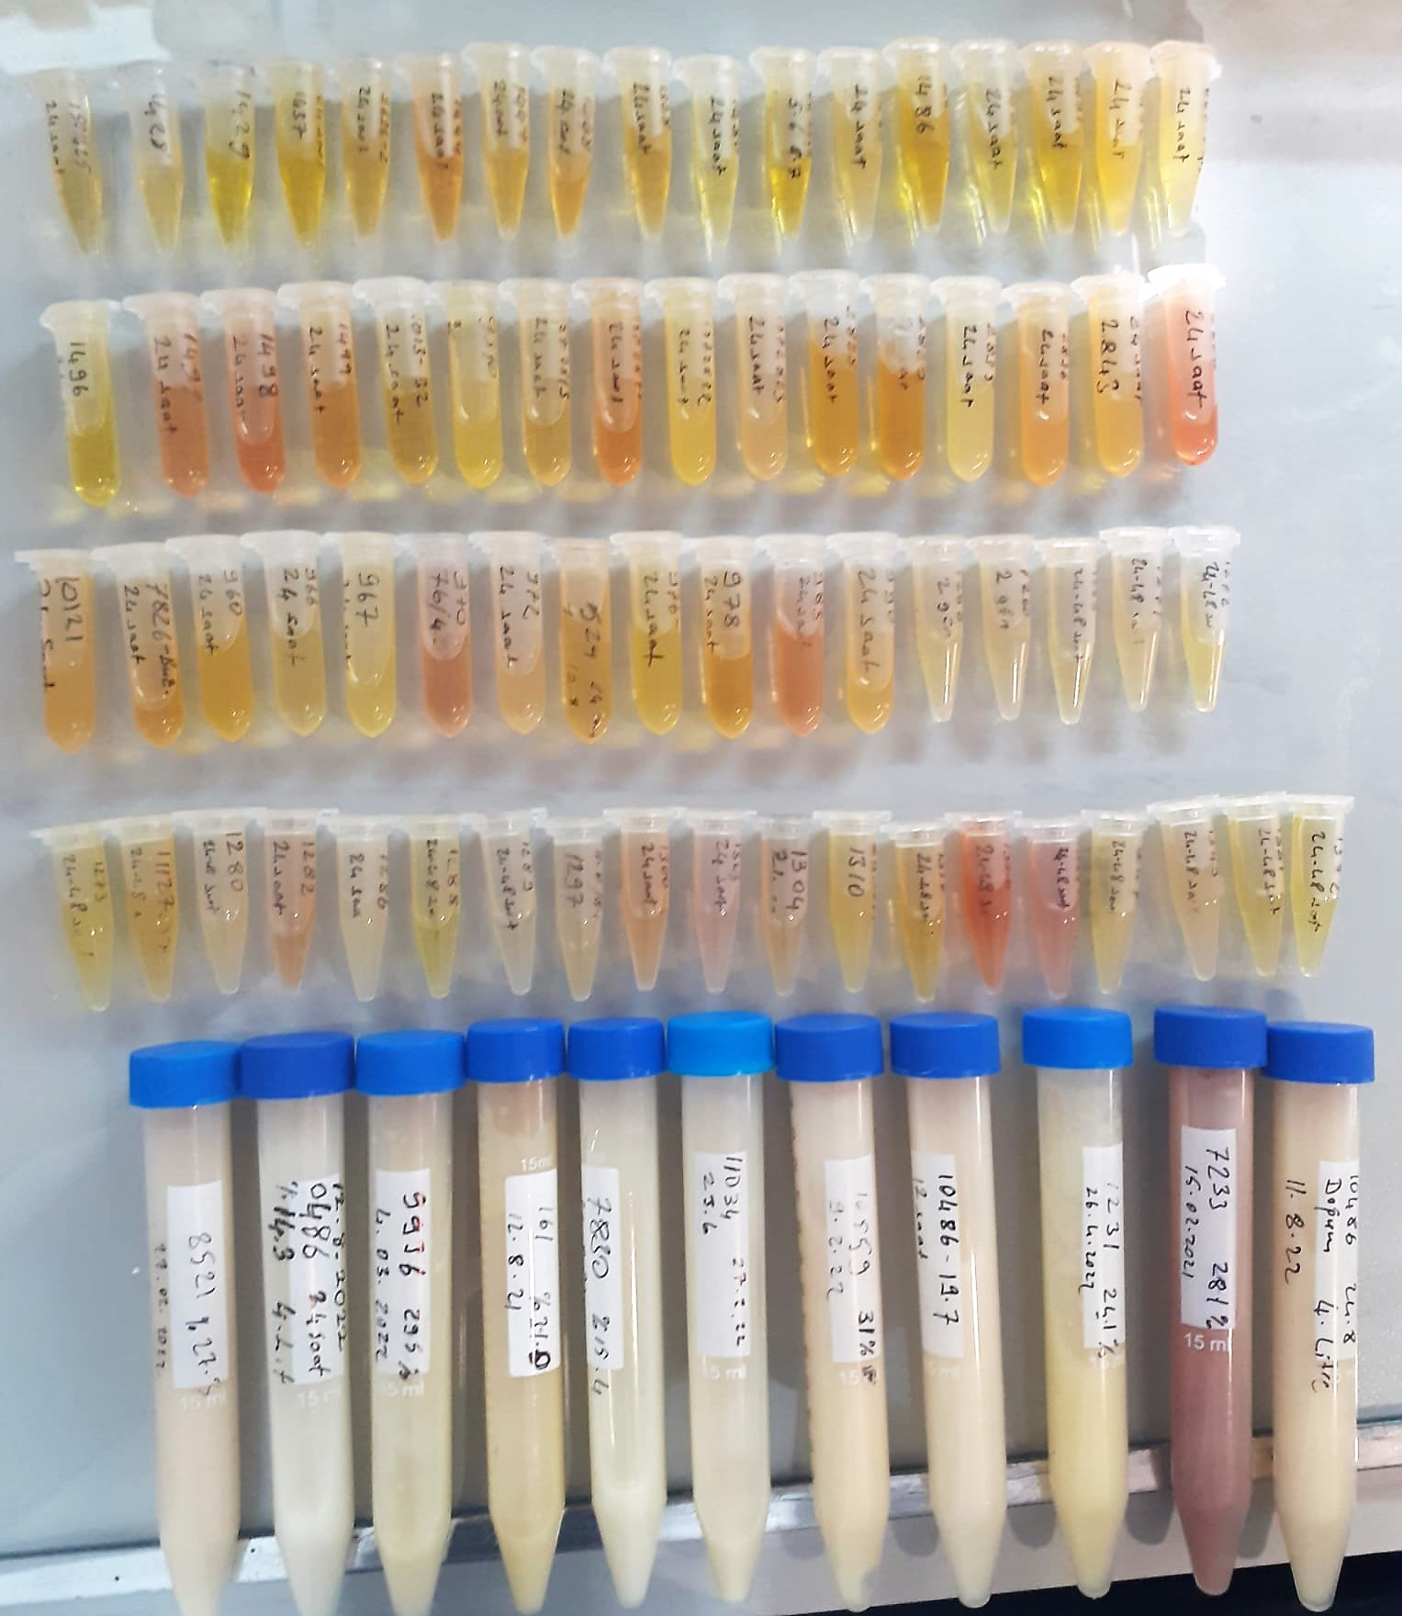
CAT: Catalase | Universal | Elabscience | Serum | E-BC-K031-S | Kolorimetrik | REL BIOCHEM-REL ASSAY
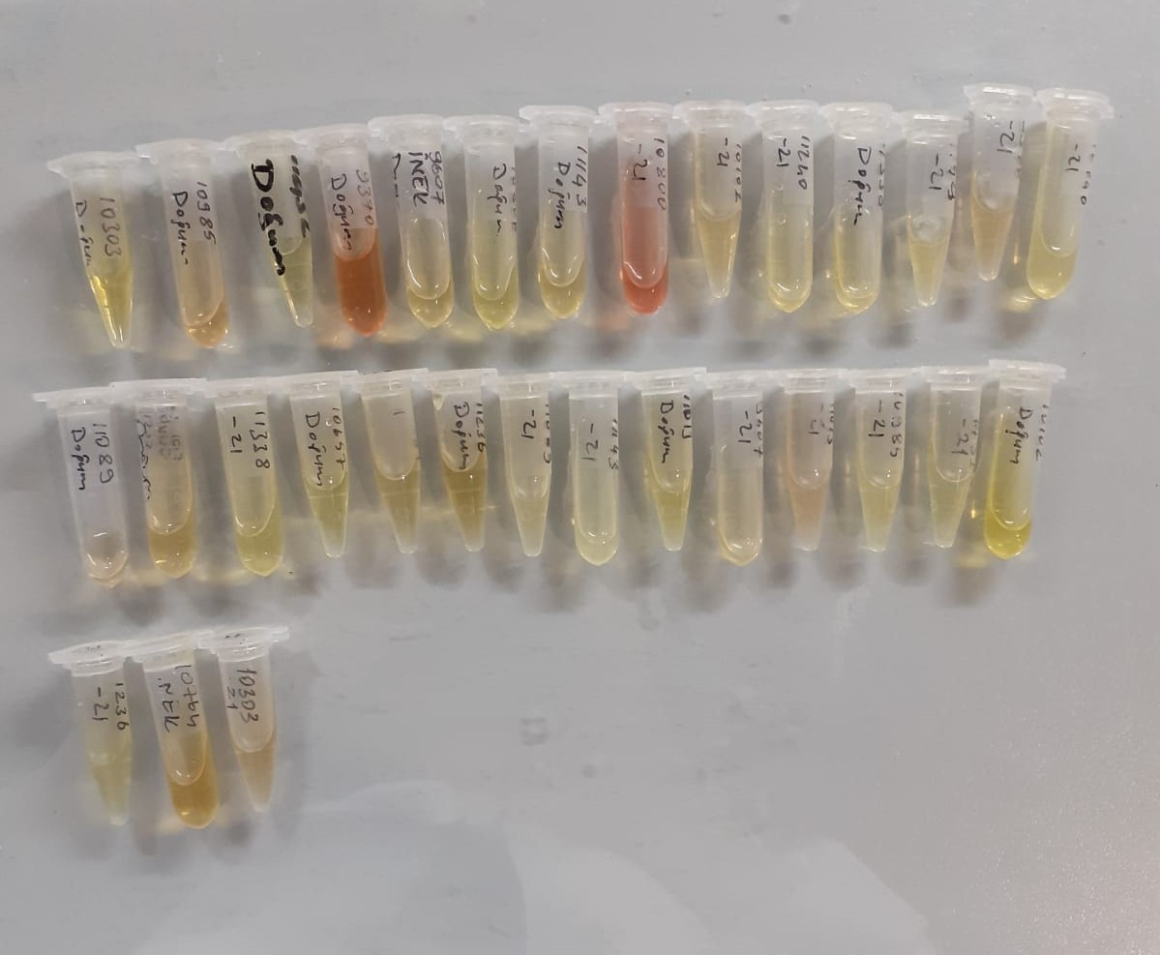

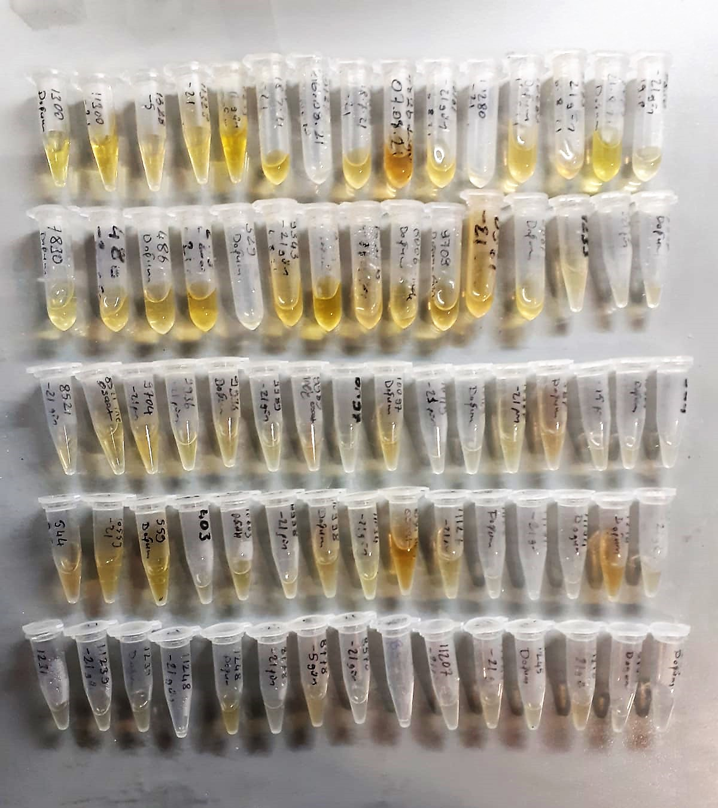

Super Oxide Dismutase (SOD) U/ml
The role of speroxide dismutase is to accelerate the dismutation of the toxic radical, produced
during oxidative energy processes to hydrogen peroxide and molecular oxygen. This method
employs xanthine and xanthine oxidase to generate superoxide radicals which react with 2-(4-
iodophenyl)-3-(4-nitrophenol)-5-phenyltetrazolium chloride to form a red formazan dye.. the
superoxide dismutase activity is then measured by the degree of inhibiton of this reaction

GPx (U/L)
This method is based on that of Paglia and Valentine. Glutathione Peroxidase (GPx) catalses of the
oxidation of glutathione by cumene hydroperoxide. In the presence of glutathione (GSSG) is
immediately converted to the reduced form with a concomitant oxidation of NADPH to NADP. The decrease in absorbance at 340 nm is measured
Referanslar
Paglia, D.E. and Valentine, W.N., J. Lab. Clin. Med., 1967; 70: 158.
Prohaska, J.R., Oh, S.H., Hoekstra, W.G. & Ganther,
H.E. Biochem. & Biophys. Res. Comm. 1977; 74: 64.
Kraus, R.J. & Ganther, H. E. Biochem. & Biophys. Res. Comm 1980; 96: 1116.

Malondialdehyde (MDA) nmol/L
The MDA level was determined by a method based
on the reaction with thiobarbituric acid (TBA) at 90–100_C
. In the TBA test reaction, MDA or MDA-like
substances and TBA react with the production of a pink
pigment with a maximum absorption at 532 nm. The
reaction was performed at pH 2–3 at 90_C for 15 min. The
sample was mixed with two volumes of cold 10% (w/v)
trichloroacetic acid for the precipitation of protein. The
precipitate was pelleted by centrifugation, and an aliquot of
the supernatant was reacted with an equal volume of 0.67%
(w/v) TBA in a boiling water bath for 10 min. After
cooling, the absorbance was read at 532 nm.

Catalase Assay Principle
The reaction that catalase (CAT) decomposes H2O2 can be quickly stopped by ammonium molybdate. The residual H2O2 reacts with ammonium molybdate to generate a yellowish complex.
CAT activity can be calculated by production of the yellowish complex at 405 nm.

