LEPTİN
2.526 | 0.077 | 0.069 | 0.183 | 0.062 | 0.48 | 0.567 | 0.836 | 0.824 | 0.152 | 1.078 | 0.239
1.519 | 0.23 | 0.061 | 0.062 | 0.062 | 0.196 | 1.216 | 1.03 | 0.319 | 0.167 | 0.711
0.976 | 0.077 | 0.103 | 0.107 | 0.065 | 0.125 | 0.281 | 0.663 | 1.542 | 0.127 | 1.266
0.516 | 0.076 | 0.062 | 0.079 | 0.366 | 0.062 | 0.631 | 0.558 | 0.437 | 0.468 | 0.165
0.298 | 0.075 | 0.063 | 0.066 | 0.068 | 0.064 | 1.408 | 0.204 | 0.182 | 0.368 | 1.056
0.168 | 0.12 | 0.067 | 0.062 | 0.067 | 0.63 | 0.616 | 0.622 | 0.108 | 0.521 | 1.515
0.106 | 0.093 | 0.075 | 0.079 | 0.075 | 0.175 | 0.671 | 0.548 | 0.189 | 0.503 | 1.576
0.057 | 0.21 | 0.09 | 0.077 | 0.08 | 1.089 | 1.236 | 0.402 | 0.164 | 0.144 | 0.728

LEP

 | abs | abs-blank | expected | result
std1 | 2.526 | 2.469 | 1000 | 1003.91
std2 | 1.519 | 1.462 | 500 | 481.88
std3 | 0.976 | 0.919 | 250 | 265.19
std4 | 0.516 | 0.516 | 125 | 133.71
std5 | 0.298 | 0.241 | 62.5 | 58.36
std6 | 0.168 | 0.111 | 31.25 | 26.78
std7 | 0.106 | 0.049 | 15.63 | 12.64
blank | 0.057 | 0 | 0 | 1.89

 |  |  |  |  |  |  |  |  |  | concentratıon (pg/ml)

Numune | absorbans | blank | abs-blank | result(pg/ml)
Ahmet Yılmaz Dağ | 0.077 | 0.057 | 0.02 | 6.23 |  | NOT: İlk 37 numune Kontrol, sonraki 44 numune Obez
Elif Güliz Demirel | 0.23 | 0.057 | 0.173 | 41.52
Suna Atak | 0.077 | 0.057 | 0.02 | 6.23
Ömer Yusuf Aktaş | 0.076 | 0.057 | 0.019 | 6.02
Ekrem Atak | 0.075 | 0.057 | 0.018 | 5.80
Dilek Atak | 0.12 | 0.057 | 0.063 | 15.79
Dilek Demir | 0.093 | 0.057 | 0.036 | 9.75
Havva Bayındır | 0.21 | 0.057 | 0.153 | 36.70
Tuğba Yıldız | 0.069 | 0.057 | 0.012 | 4.49
Enes Çalış | 0.061 | 0.057 | 0.004 | 2.75
Melike Küçükkarapınar | 0.103 | 0.057 | 0.046 | 11.98
Önder Uçar | 0.062 | 0.057 | 0.005 | 2.97
Ömer Erkan Batan | 0.063 | 0.057 | 0.006 | 3.19
Hale Müge Yetkin | 0.067 | 0.057 | 0.01 | 4.05
Şeyma Gürbüz | 0.075 | 0.057 | 0.018 | 5.80
Kontrol-16 | 0.09 | 0.057 | 0.033 | 9.09
Fatma Yaprak | 0.183 | 0.057 | 0.126 | 30.29
Sarper İçen | 0.062 | 0.057 | 0.005 | 2.97
Zeynep Kübra Çevik | 0.107 | 0.057 | 0.05 | 12.87
Aybike İlknur Bağcı | 0.079 | 0.057 | 0.022 | 6.67
Alper Özkök | 0.066 | 0.057 | 0.009 | 3.84
Mesut Çelik | 0.062 | 0.057 | 0.005 | 2.97
Esma Sayın | 0.079 | 0.057 | 0.022 | 6.67
Demet Sezen | 0.077 | 0.057 | 0.02 | 6.23
Osman Akay | 0.062 | 0.057 | 0.005 | 2.97
Kadir Okan | 0.062 | 0.057 | 0.005 | 2.97
İlayda İldaş | 0.065 | 0.057 | 0.008 | 3.62
Nazlıcan Sayılı | 0.366 | 0.057 | 0.309 | 75.91
Serya Güneş | 0.068 | 0.057 | 0.011 | 4.27
Ezgi Akgün | 0.067 | 0.057 | 0.01 | 4.05
Taha Yasin Yıldız | 0.075 | 0.057 | 0.018 | 5.80
Bengisu Gökulu | 0.08 | 0.057 | 0.023 | 6.89
Türkan Cantürk | 0.48 | 0.057 | 0.423 | 106.93
Merve Can | 0.196 | 0.057 | 0.139 | 33.36
Ayşenur Canpolat | 0.125 | 0.057 | 0.068 | 16.92
Bekir Bulut | 0.062 | 0.057 | 0.005 | 2.97
Muzaffer İlber Keleş | 0.064 | 0.057 | 0.007 | 3.40
Funda Kuralay | 0.63 | 0.057 | 0.573 | 150.79
Umut Furkan Demirkol | 0.175 | 0.057 | 0.118 | 28.42
Ekinsu Yılmaz | 1.089 | 0.057 | 1.032 | 306.54
Gamze Kahveci | 0.567 | 0.057 | 0.51 | 131.95
Büşra Abay | 1.216 | 0.057 | 1.159 | 355.36
Nükhet Saraçoğlu | 0.281 | 0.057 | 0.224 | 54.08
Benay Zengin | 0.631 | 0.057 | 0.574 | 151.10
Hicran Ayyıldız | 1.408 | 0.057 | 1.351 | 433.89
Gülcan Toker | 0.616 | 0.057 | 0.559 | 146.55
Nigar Aşutli | 0.671 | 0.057 | 0.614 | 163.38
Zahide Gürey | 1.236 | 0.057 | 1.179 | 363.28
Hatice Çakır | 0.836 | 0.057 | 0.779 | 216.68
Yaşar Bektaş | 1.03 | 0.057 | 0.973 | 284.70
Hakan Aksu | 0.663 | 0.057 | 0.606 | 160.91
Nazlı Koçak | 0.558 | 0.057 | 0.501 | 129.30
Zeynep Akar | 0.204 | 0.057 | 0.147 | 35.27
Ezgi Yüksel | 0.622 | 0.057 | 0.565 | 148.36
Satılmış Yağşuk | 0.548 | 0.057 | 0.491 | 126.38
Funda Turaç | 0.402 | 0.057 | 0.345 | 85.49
İpek Kıralı | 0.824 | 0.057 | 0.767 | 212.66
26-Ahmet | 0.319 | 0.057 | 0.262 | 63.70
Huriye Ece Özalp | 1.542 | 0.057 | 1.485 | 492.06
Seyithanım Tokgöz | 0.437 | 0.057 | 0.38 | 94.99
İbrahim Tokgöz | 0.182 | 0.057 | 0.125 | 30.06
Canan Ecüklü | 0.108 | 0.057 | 0.051 | 13.09
İrem Onbaşoğlu | 0.189 | 0.057 | 0.132 | 31.71
Ömer Faruk Karapınar | 0.164 | 0.057 | 0.107 | 25.85
Burak Morkoç | 0.152 | 0.057 | 0.095 | 23.08
Birsen Erciyas | 0.167 | 0.057 | 0.11 | 26.55
Seda Kablan | 0.127 | 0.057 | 0.07 | 17.37
Sebiha Özkaya | 0.468 | 0.057 | 0.411 | 103.57
Fatma Sakınan | 0.368 | 0.057 | 0.311 | 76.43
Hülya Aygül | 0.521 | 0.057 | 0.464 | 118.57
Buğra Türkbilek | 0.503 | 0.057 | 0.446 | 113.43
Büşra Sarı | 0.144 | 0.057 | 0.087 | 21.24
Muhammet Doğukan Eker | 1.078 | 0.057 | 1.021 | 302.43
Ahmet Özarslan | 0.711 | 0.057 | 0.654 | 175.92
Seyit Denizman | 1.266 | 0.057 | 1.209 | 375.27
Oğuzhan Doğan | 0.165 | 0.057 | 0.108 | 26.09
Hakan Aksu | 1.056 | 0.057 | 0.999 | 294.26
Emre Romis | 1.515 | 0.057 | 1.458 | 480.12
Yusuf Akıl | 1.576 | 0.057 | 1.519 | 507.26
Nejat Köroğlu | 0.728 | 0.057 | 0.671 | 181.32
Hacı Ali Şimşek | 0.239 | 0.057 | 0.182 | 43.70

GHRELİN
0.135 | 0.217 | 0.277 | 0.107 | 0.092 | 0.119 | 0.084 | 0.548 | 0.405 | 0.719 | 0.122 | 0.19
0.21 | 0.117 | 0.437 | 0.135 | 0.155 | 0.223 | 0.106 | 0.677 | 0.459 | 0.165 | 0.106
0.37 | 0.438 | 0.407 | 0.531 | 0.104 | 0.135 | 0.129 | 0.568 | 0.103 | 0.211 | 0.183
0.66 | 0.783 | 0.556 | 0.116 | 0.392 | 0.211 | 0.131 | 0.222 | 0.148 | 0.691 | 0.194
1.063 | 0.218 | 0.103 | 0.423 | 0.081 | 0.148 | 0.102 | 0.096 | 0.157 | 0.103 | 0.6
1.474 | 0.267 | 0.136 | 0.108 | 0.097 | 0.11 | 0.062 | 0.101 | 0.063 | 0.073 | 0.185
1.764 | 0.309 | 0.113 | 0.336 | 0.167 | 0.146 | 0.453 | 0.281 | 0.22 | 0.086 | 0.213
2.14 | 0.17 | 0.664 | 0.08 | 0.069 | 0.087 | 0.055 | 0.194 | 0.087 | 0.337 | 0.163

GHRL

 | abs | expected | result
std1 | 0.075 | 10 | 9.94
std2 | 0.51 | 5 | 5.14
std3 | 0.87 | 2.5 | 2.38
std4 | 1.06 | 1.25 | 1.36
std5 | 1.263 | 0.63 | 0.60
std6 | 1.474 | 0.31 | 0.19
blank | 1.764 | 0.16 | 0.23

 |  |  |  |  |  |  |  |  |  | concentratıon (ng/mL)

Numune | absorbans | result(ng/ml)
Ahmet Yılmaz Dağ | 0.217 | 8.20
Elif Güliz Demirel | 0.117 | 9.41
Suna Atak | 0.438 | 5.83
Ömer Yusuf Aktaş | 0.783 | 2.94
Ekrem Atak | 0.218 | 8.19
Dilek Atak | 0.267 | 7.63
Dilek Demir | 0.309 | 7.16
Havva Bayındır | 0.17 | 8.76
Tuğba Yıldız | 0.277 | 7.52
Enes Çalış | 0.437 | 5.84
Melike Küçükkarapınar | 0.407 | 6.13
Önder Uçar | 0.556 | 4.73
Ömer Erkan Batan | 0.103 | 9.59
Hale Müge Yetkin | 0.136 | 9.17
Şeyma Gürbüz | 0.113 | 9.46
Kontrol-16 | 0.664 | 3.82
Fatma Yaprak | 0.107 | 9.54
Sarper İçen | 0.135 | 9.19
Zeynep Kübra Çevik | 0.531 | 4.95
Aybike İlknur Bağcı | 0.116 | 9.42
Alper Özkök | 0.423 | 5.97
Mesut Çelik | 0.108 | 9.52
Esma Sayın | 0.336 | 6.87
Demet Sezen | 0.08 | 9.88
Osman Akay | 0.092 | 9.73
Kadir Okan | 0.155 | 8.94
İlayda İldaş | 0.104 | 9.57
Nazlıcan Sayılı | 0.392 | 6.29
Serya Güneş | 0.081 | 9.87
Ezgi Akgün | 0.097 | 9.66
Taha Yasin Yıldız | 0.167 | 8.80
Bengisu Gökulu | 0.069 | 10.02
Türkan Cantürk | 0.119 | 9.39
Merve Can | 0.223 | 8.13
Ayşenur Canpolat | 0.135 | 9.19
Bekir Bulut | 0.211 | 8.27
Muzaffer İlber Keleş | 0.148 | 9.03
Funda Kuralay | 0.11 | 9.50
Umut Furkan Demirkol | 0.146 | 9.05
Ekinsu Yılmaz | 0.087 | 9.79
Gamze Kahveci | 0.084 | 9.83
Büşra Abay | 0.106 | 9.55
Nükhet Saraçoğlu | 0.129 | 9.26
Benay Zengin | 0.131 | 9.24
Hicran Ayyıldız | 0.102 | 9.60
Gülcan Toker | 0.062 | 10.11
Nigar Aşutli | 0.453 | 5.68
Zahide Gürey | 0.055 | 10.20
Hatice Çakır | 0.548 | 4.80
Yaşar Bektaş | 0.677 | 3.72
Hakan Aksu | 0.568 | 4.62
Nazlı Koçak | 0.222 | 8.14
Zeynep Akar | 0.096 | 9.68
Ezgi Yüksel | 0.101 | 9.61
Satılmış Yağşuk | 0.281 | 7.47
Funda Turaç | 0.194 | 8.47
İpek Kıralı | 0.405 | 6.15
26-Ahmet | 0.459 | 5.62
Huriye Ece Özalp | 0.103 | 9.59
Seyithanım Tokgöz | 0.148 | 9.03
İbrahim Tokgöz | 0.157 | 8.92
Canan Ecüklü | 0.063 | 10.10
İrem Onbaşoğlu | 0.22 | 8.17
Ömer Faruk Karapınar | 0.087 | 9.79
Burak Morkoç | 0.719 | 3.40
Birsen Erciyas | 0.165 | 8.82
Seda Kablan | 0.211 | 8.27
Sebiha Özkaya | 0.691 | 3.61
Fatma Sakınan | 0.103 | 9.59
Hülya Aygül | 0.073 | 9.97
Buğra Türkbilek | 0.086 | 9.80
Büşra Sarı | 0.337 | 6.86
Muhammet Doğukan Eker | 0.122 | 9.35
Ahmet Özarslan | 0.106 | 9.55
Seyit Denizman | 0.183 | 8.60
Oğuzhan Doğan | 0.194 | 8.47
Hakan Aksu | 0.6 | 4.35
Emre Romis | 0.185 | 8.58
Yusuf Akıl | 0.213 | 8.25
Nejat Köroğlu | 0.163 | 8.84
Hacı Ali Şimşek | 0.19 | 8.52

Materyal-metod
KİT ADI | TÜR | MARKA | CAT. NO | Yöntem | Kullanılan Cihaz
Leptin | Human | Elabscience | E-EL-H6017 | ELİSA | Mıcroplate reader: BIO-TEK EL X 800-Aotu strıp washer:BIO TEK EL X 50
Ghrelin | Human | Elabscience | E-EL-H1919 | ELİSA | Mıcroplate reader: BIO-TEK EL X 800-Aotu strıp washer:BIO TEK EL X 50

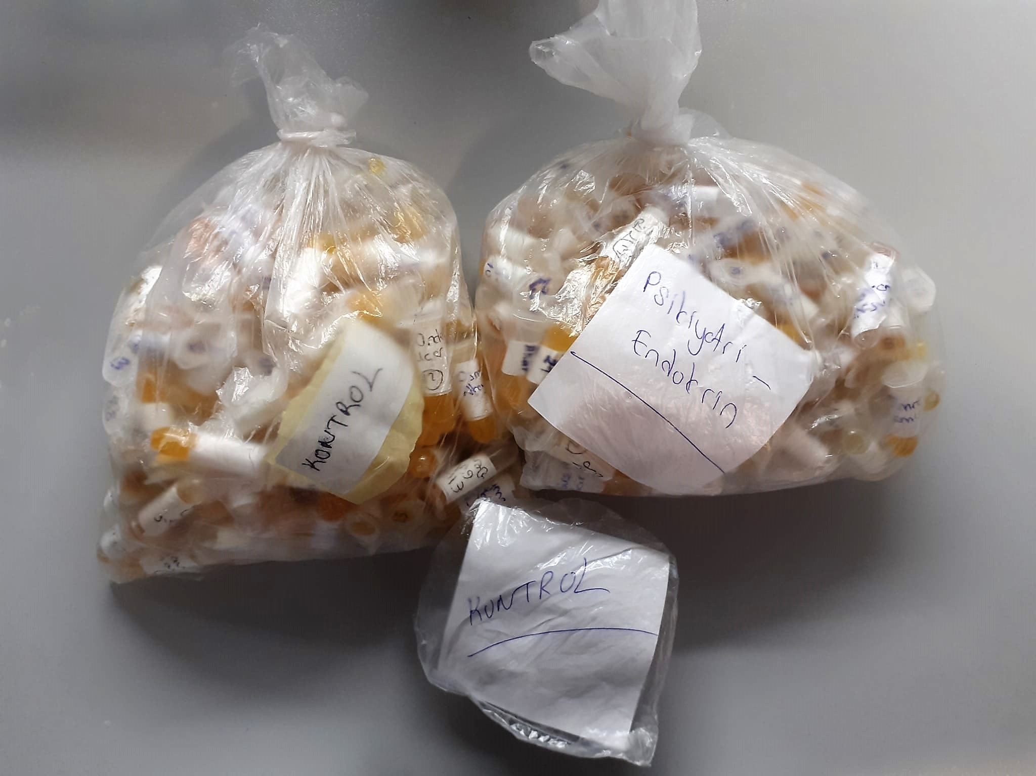

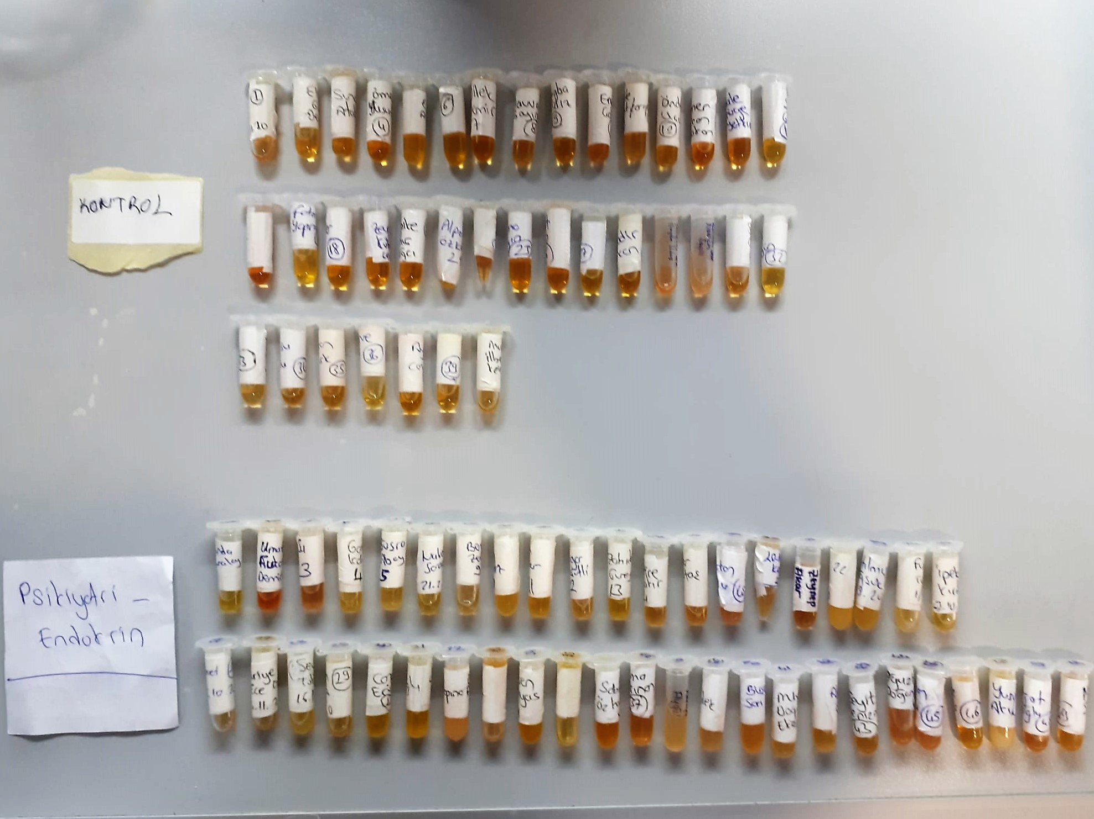

Human LEPTİN Test Principle
This ELISA kit uses the Sandwich-ELISA principle. The micro ELISA plate provided in this kit has been pre-coated with an antibody specific to Human LEP.
Samples (or Standards) are added to the micro ELISA plate wells and combined with the specific antibody.
Then a biotinylated detection antibody specific for Human LEP and Avidin-Horseradish Peroxidase (HRP) conjugate are added successively to each micro plate well and incubated.
Free components are washed away. The substrate solution is added to each well.
Only those wells that contain Human LEP, biotinylated detection antibody and Avidin HRP conjugate will appear blue in color.
The enzyme-substrate reaction is terminated by the addition of stop solution and the color turns yellow. The optical density (OD) is measured spectrophotometrically at a wavelength of 450 nm ± 2 nm.
The OD value is proportional to the concentration of Human LEP. You can calculate the concentration of Human LEP in the samples by comparing the OD of the samples to the standard curve.

Human GHRELİN Test Principle
This ELISA kit uses the Sandwich-ELISA principle. The micro ELISA plate provided in this kit has been pre-coated with an antibody specific to Human GHRL.
Samples (or Standards) are added to the micro ELISA plate wells and combined with the specific antibody.
Then a biotinylated detection antibody specific for Human GHRL and Avidin-Horseradish Peroxidase (HRP) conjugate are added successively to each micro plate well and incubated.
Free components are washed away. The substrate solution is added to each well.
Only those wells that contain Human GHRL, biotinylated detection antibody and Avidin HRP conjugate will appear blue in color.
The enzyme-substrate reaction is terminated by the addition of stop solution and the color turns yellow. The optical density (OD) is measured spectrophotometrically at a wavelength of 450 nm ± 2 nm.
The OD value is proportional to the concentration of Human GHRL. You can calculate the concentration of Human GHRL in the samples by comparing the OD of the samples to the standard curve.

