Materyal-metod
KİT ADI | TÜR | MARKA | CAT. NO | Yöntem | Kullanılan Cihaz
Tumor necrosis factor α antibody, Anti-TNF-α | Human | BT | ED0216Hu | ELİSA | Mıcroplate reader: BIO-TEK EL X 800-Aotu strıp washer:BIO TEK EL X 50

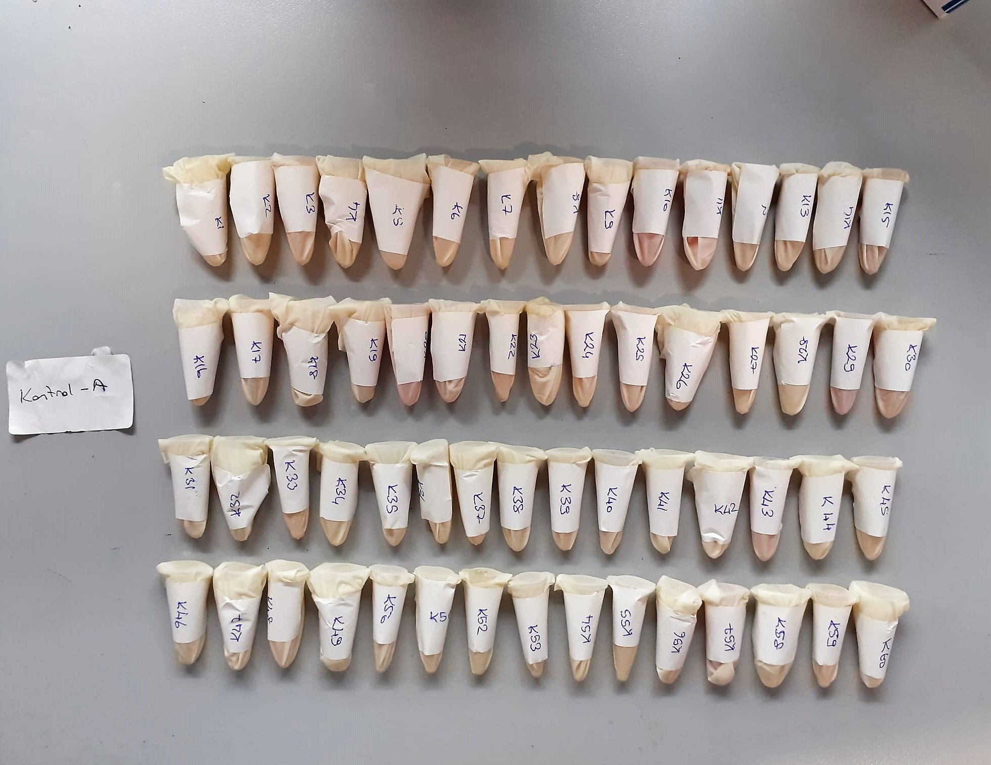

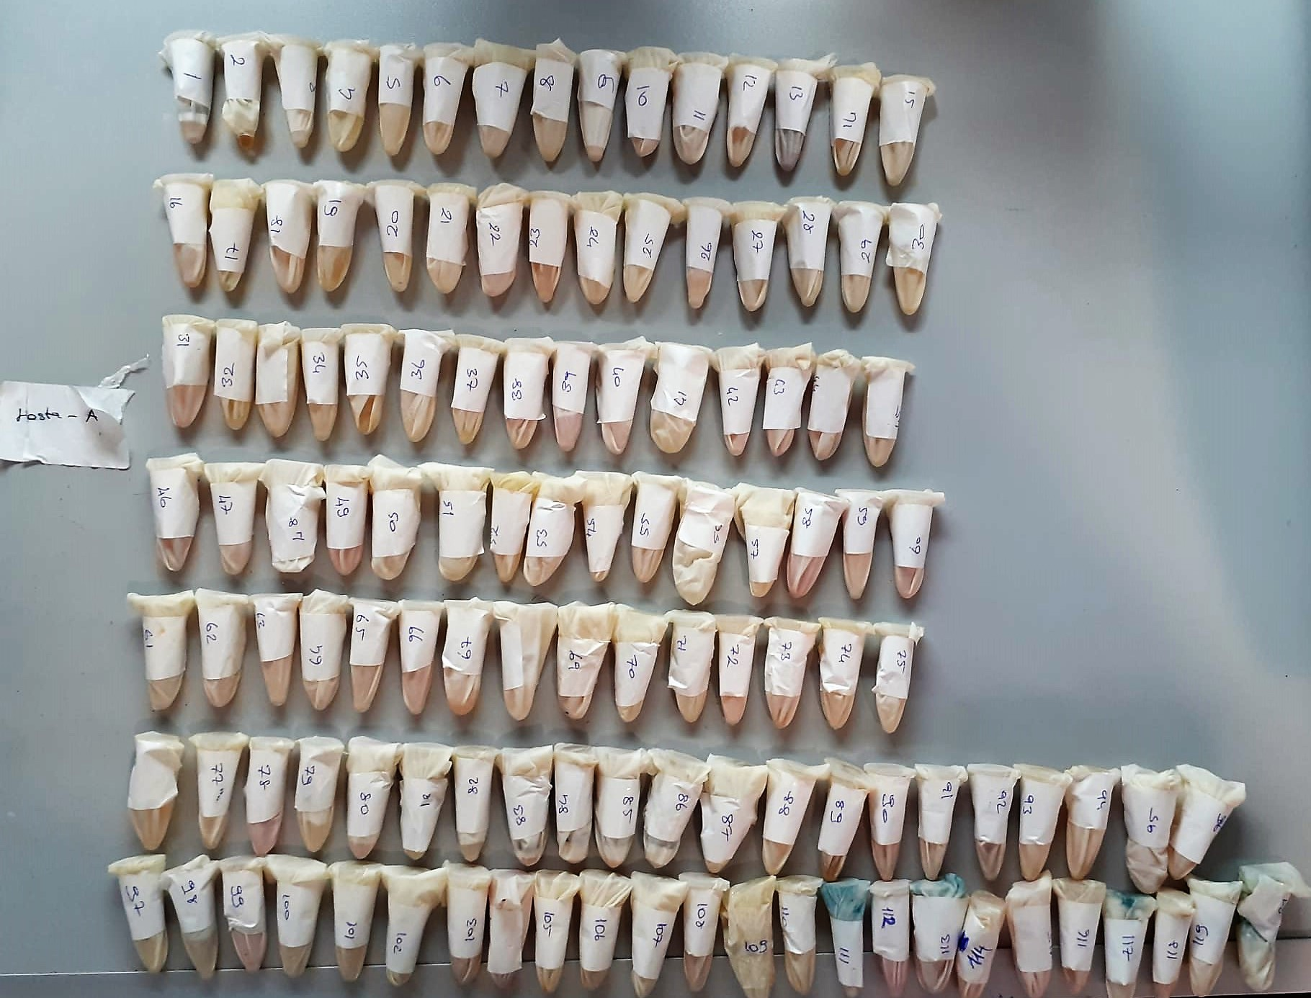

Tumor necrosis factor α antibody, Anti-TNF-α. Assay Principle
This kit is based on a qualitative reverse phase enzyme immuno assay technique.The microtiter plate has been pro-coated with target antigen.
Positive/Negative Controls or samples are added to the wells and incubate.Antibodies in the samples bind to the antigen on the plate.
Unbound antibody is washed away during a washing step.A Horseradish Peroxidase(HRP) conjugated detection antibody is then added and incubated.
Unbound HRP is washed Away during a washing step.TMB subsrate is then added and color develops.
The reaction is stopped by addition of acidic stop solution and color changes into yellow that can be measured at 450 nm.
The OD of an unknown sample can then be compared to the OD of the positive and negative controls in order to determine the presence of Tumor necrosis factor α antibody, Anti-TNF-α.

