CATALASE
2.713 | 0.53 | 1.029 | 0.952 | 1.002 | 1.157 | 1.065 | 1.067 | 1.122 | 0.953
1.921 | 0.072 | 0.856 | 0.91 | 0.987 | 1.014 | 0.975 | 0.91 | 0.909 | 0.932
1.141 | 0.069 | 0.815 | 0.799 | 0.918 | 0.826 | 0.825 | 0.823 | 1.056 | 1.136
0.715 | 0.069 | 0.836 | 0.919 | 1.126 | 1.012 | 0.985 | 1.257 | 1.295 | 1.262

CATALASE
 | abs | abs-blank | expected | result
std1 | 2.713 | 2.641 | 160 | 157.88
std2 | 1.921 | 1.849 | 80 | 85.88
std3 | 1.141 | 1.069 | 40 | 35.96
std4 | 0.715 | 0.643 | 20 | 17.49
std5 | 0.53 | 0.458 | 10 | 11.40
blank | 0.072 | 0 | 0 | 1.38

 |  |  |  |  |  |  |  |  | concentratıon (ng/ml)

Numune | absorbans | blank | abs-blank | result(ng/ml)
KONTROL-1 | 1.029 | 0.072 | 0.957 | 30.50
KONTROL-2 | 0.856 | 0.072 | 0.784 | 22.91
KONTROL-3 | 0.815 | 0.072 | 0.743 | 21.27
KONTROL-4 | 0.836 | 0.072 | 0.764 | 22.10
KONTROL-5 | 0.952 | 0.072 | 0.88 | 27.00
KONTROL-6 | 0.91 | 0.072 | 0.838 | 25.17
KONTROL-7 | 0.799 | 0.072 | 0.727 | 20.64
KONTROL-8 | 0.919 | 0.072 | 0.847 | 25.56
KİTOSAN-1 | 1.002 | 0.072 | 0.93 | 29.25
KİTOSAN-2 | 0.987 | 0.072 | 0.915 | 28.56
KİTOSAN-3 | 0.918 | 0.072 | 0.846 | 25.52
KİTOSAN-4 | 1.126 | 0.072 | 1.054 | 35.20
KİTOSAN-5 | 1.157 | 0.072 | 1.085 | 36.77
KİTOSAN-6 | 1.014 | 0.072 | 0.942 | 29.80
KİTOSAN-7 | 0.826 | 0.072 | 0.754 | 21.70
KİTOSAN-8 | 1.012 | 0.072 | 0.94 | 29.71
ARSENİK-1 | 1.065 | 0.072 | 0.993 | 32.21
ARSENİK-2 | 0.975 | 0.072 | 0.903 | 28.02
ARSENİK-3 | 0.825 | 0.072 | 0.753 | 21.66
ARSENİK-4 | 0.985 | 0.072 | 0.913 | 28.47
ARSENİK-5 | 1.067 | 0.072 | 0.995 | 32.30
ARSENİK-6 | 0.91 | 0.072 | 0.838 | 25.17
ARSENİK-7 | 0.823 | 0.072 | 0.751 | 21.58
ARSENİK-8 | 1.257 | 0.072 | 1.185 | 42.06
KİTOSAN+ARSENİK-1 | 1.122 | 0.072 | 1.05 | 35.00
KİTOSAN+ARSENİK-2 | 0.909 | 0.072 | 0.837 | 25.13
KİTOSAN+ARSENİK-3 | 1.056 | 0.072 | 0.984 | 31.78
KİTOSAN+ARSENİK-4 | 1.295 | 0.072 | 1.223 | 44.16
KİTOSAN+ARSENİK-5 | 0.953 | 0.072 | 0.881 | 27.04
KİTOSAN+ARSENİK-6 | 0.932 | 0.072 | 0.86 | 26.12
KİTOSAN+ARSENİK-7 | 1.136 | 0.072 | 1.064 | 35.71
KİTOSAN+ARSENİK-8 | 1.262 | 0.072 | 1.19 | 42.34

MDA
MDA
2.481 | 100
1.673 | 50
0.994 | 25
0.513 | 12.5
0.288 | 6.25
0.122 | 3.125
0 | 0
 | absorbans | abs-blank | expected | result
std1 | 2.511 | 2.481 | 100 | 99.11
std2 | 1.703 | 1.673 | 50 | 52.40
std3 | 1.024 | 0.994 | 25 | 24.30
std4 | 0.543 | 0.513 | 12.5 | 10.55
std5 | 0.318 | 0.288 | 6.25 | 5.87
std6 | 0.152 | 0.122 | 3.125 | 3.14
blank | 0.03 | 0 | 0 | 1.51

 |  |  |  |  | concentratıon (nmol/L)

Numune | absorbans | blank | abs-blank | result(nmol/L)
KONTROL-1 | 2.036 | 0.03 | 2.006 | 69.91
KONTROL-2 | 1.456 | 0.03 | 1.426 | 41.00
KONTROL-3 | 0.585 | 0.03 | 0.555 | 11.55
KONTROL-4 | 0.633 | 0.03 | 0.603 | 12.73
KONTROL-5 | 0.397 | 0.03 | 0.367 | 7.39
KONTROL-6 | 0.288 | 0.03 | 0.258 | 5.33
KONTROL-7 | 0.833 | 0.03 | 0.803 | 18.23
KONTROL-8 | 0.559 | 0.03 | 0.529 | 10.92
KİTOSAN-1 | 0.565 | 0.03 | 0.535 | 11.07
KİTOSAN-2 | 0.776 | 0.03 | 0.746 | 16.57
KİTOSAN-3 | 0.723 | 0.03 | 0.693 | 15.10
KİTOSAN-4 | 1.187 | 0.03 | 1.157 | 30.12
KİTOSAN-5 | 1.195 | 0.03 | 1.165 | 30.42
KİTOSAN-6 | 0.787 | 0.03 | 0.757 | 16.88
KİTOSAN-7 | 0.939 | 0.03 | 0.909 | 21.50
KİTOSAN-8 | 1.708 | 0.03 | 1.678 | 52.65
ARSENİK-1 | 1.727 | 0.03 | 1.697 | 53.58
ARSENİK-2 | 1.404 | 0.03 | 1.374 | 38.77
ARSENİK-3 | 1.042 | 0.03 | 1.012 | 24.91
ARSENİK-4 | 0.699 | 0.03 | 0.669 | 14.45
ARSENİK-5 | 1.041 | 0.03 | 1.011 | 24.88
ARSENİK-6 | 0.558 | 0.03 | 0.528 | 10.90
ARSENİK-7 | 0.686 | 0.03 | 0.656 | 14.10
ARSENİK-8 | 0.302 | 0.03 | 0.272 | 5.58
KİTOSAN+ARSENİK-1 | 0.85 | 0.03 | 0.82 | 18.73
KİTOSAN+ARSENİK-2 | 0.471 | 0.03 | 0.441 | 8.93
KİTOSAN+ARSENİK-3 | 0.687 | 0.03 | 0.657 | 14.13
KİTOSAN+ARSENİK-4 | 0.653 | 0.03 | 0.623 | 13.24
KİTOSAN+ARSENİK-5 | 0.494 | 0.03 | 0.464 | 9.43
KİTOSAN+ARSENİK-6 | 0.959 | 0.03 | 0.929 | 22.14
KİTOSAN+ARSENİK-7 | 2.026 | 0.03 | 1.996 | 69.35
KİTOSAN+ARSENİK-8 | 0.404 | 0.03 | 0.374 | 7.53

GSH
2.817 | 0.433 | 0.996 | 0.978 | 1.087 | 0.95 | 0.895 | 1.001 | 1.049 | 0.987
1.871 | 0.073 | 0.97 | 0.959 | 1.102 | 1.016 | 1.1 | 1.177 | 1.241 | 1.209
1.144 | 0.065 | 1.19 | 1.131 | 1.286 | 1.16 | 1.188 | 1.254 | 1.351 | 1.52
0.824 | 0.066 | 1.044 | 0.994 | 1.258 | 1.417 | 1.345 | 1.599 | 1.61 | 1.436

GSH

 | abs | abs-blank | expected | result
std1 | 2.817 | 2.744 | 1000 | 999.03
std2 | 1.871 | 1.798 | 500 | 505.46
std3 | 1.144 | 1.071 | 250 | 233.04
std4 | 0.824 | 0.751 | 125 | 142.57
std5 | 0.433 | 0.36 | 62.5 | 56.46
blank | 0.073 | 0 | 0 | 0.95

 |  |  |  |  |  |  |  |  |  | concentratıon (mg/L)

Numune | absorbans | blank | abs-blank | result(mg/L))
KONTROL-1 | 0.996 | 0.073 | 0.923 | 188.96
KONTROL-2 | 0.97 | 0.073 | 0.897 | 181.61
KONTROL-3 | 1.19 | 0.073 | 1.117 | 247.52
KONTROL-4 | 1.044 | 0.073 | 0.971 | 202.83
KONTROL-5 | 0.978 | 0.073 | 0.905 | 183.86
KONTROL-6 | 0.959 | 0.073 | 0.886 | 178.54
KONTROL-7 | 1.131 | 0.073 | 1.058 | 229.01
KONTROL-8 | 0.994 | 0.073 | 0.921 | 188.39
KİTOSAN-1 | 1.087 | 0.073 | 1.014 | 215.60
KİTOSAN-2 | 1.102 | 0.073 | 1.029 | 220.14
KİTOSAN-3 | 1.286 | 0.073 | 1.213 | 278.94
KİTOSAN-4 | 1.258 | 0.073 | 1.185 | 269.61
KİTOSAN-5 | 0.95 | 0.073 | 0.877 | 176.04
KİTOSAN-6 | 1.016 | 0.073 | 0.943 | 194.69
KİTOSAN-7 | 1.16 | 0.073 | 1.087 | 238.03
KİTOSAN-8 | 1.417 | 0.073 | 1.344 | 324.44
ARSENİK-1 | 0.895 | 0.073 | 0.822 | 161.09
ARSENİK-2 | 1.1 | 0.073 | 1.027 | 219.53
ARSENİK-3 | 1.188 | 0.073 | 1.115 | 246.88
ARSENİK-4 | 1.345 | 0.073 | 1.272 | 299.06
ARSENİK-5 | 1.001 | 0.073 | 0.928 | 190.38
ARSENİK-6 | 1.177 | 0.073 | 1.104 | 243.39
ARSENİK-7 | 1.254 | 0.073 | 1.181 | 268.29
ARSENİK-8 | 1.599 | 0.073 | 1.526 | 392.66
KİTOSAN+ARSENİK-1 | 1.049 | 0.073 | 0.976 | 204.30
KİTOSAN+ARSENİK-2 | 1.241 | 0.073 | 1.168 | 264.01
KİTOSAN+ARSENİK-3 | 1.351 | 0.073 | 1.278 | 301.14
KİTOSAN+ARSENİK-4 | 1.61 | 0.073 | 1.537 | 396.97
KİTOSAN+ARSENİK-5 | 0.987 | 0.073 | 0.914 | 186.40
KİTOSAN+ARSENİK-6 | 1.209 | 0.073 | 1.136 | 253.61
KİTOSAN+ARSENİK-7 | 1.52 | 0.073 | 1.447 | 362.33
KİTOSAN+ARSENİK-8 | 1.436 | 0.073 | 1.363 | 331.29

Materyal-metod
KİT ADI | TÜR | MARKA | CAT. NO | Yöntem | Kullanılan Cihaz
Catalase | Rat | BT | E0869Ra | ELİSA | Mıcroplate reader: BIO-TEK EL X 800-Aotu strıp washer:BIO TEK EL X 50
Glutathione | Rat | BT | E1101Ra | ELİSA | Mıcroplate reader: BIO-TEK EL X 800-Aotu strıp washer:BIO TEK EL X 50
MDA: Malondialdehit | Universal | REL ASSAY | RL0057 | Kolorimetrik | REL BIOCHEM-REL ASSAY
SOD: Super Oxıde Dismutase | Universal | REL ASSAY | RLD0123 | Kolorimetrik | MINDRAY-BS400
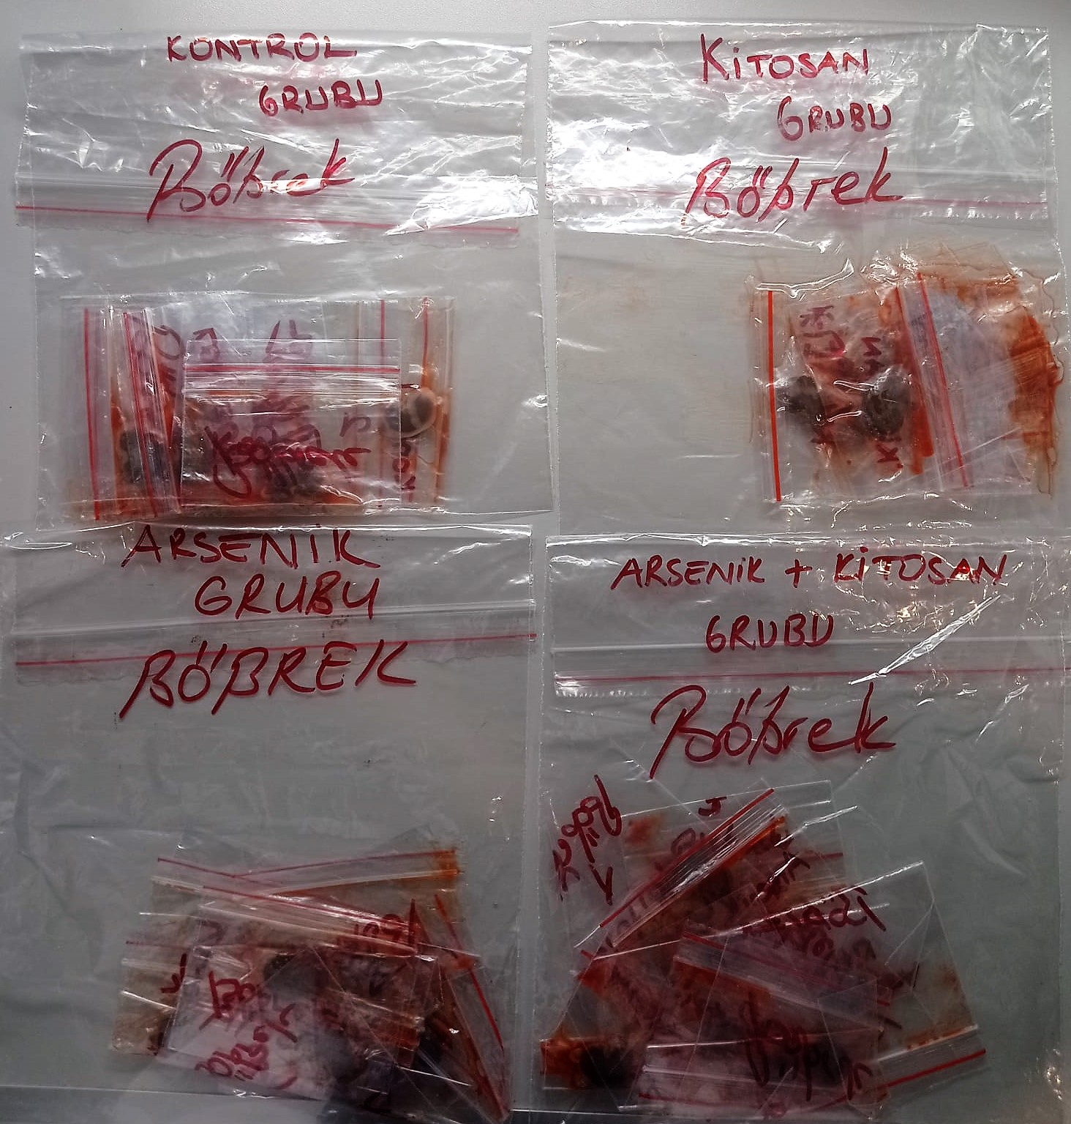
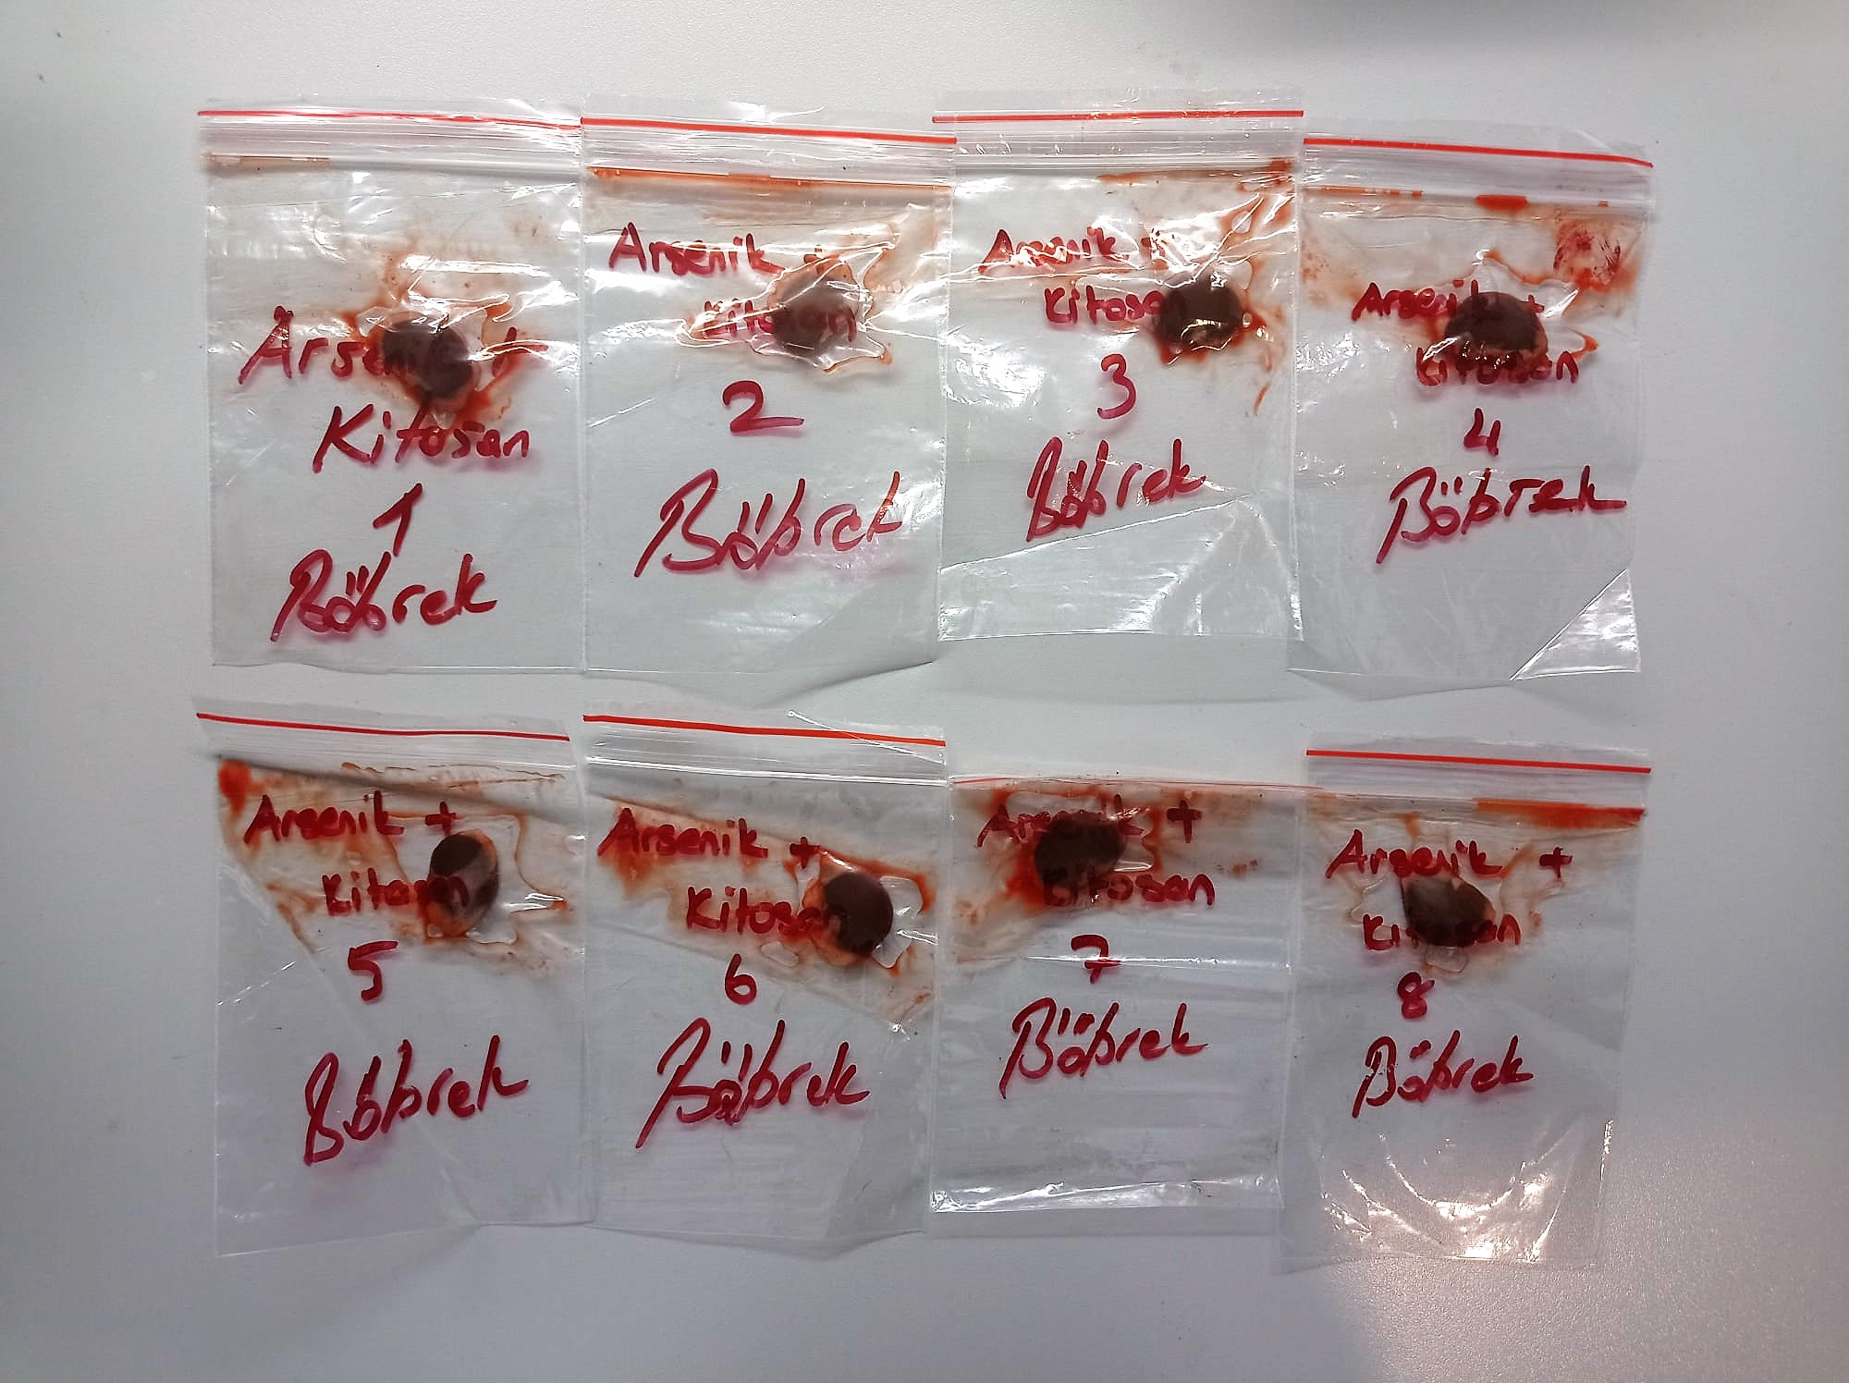

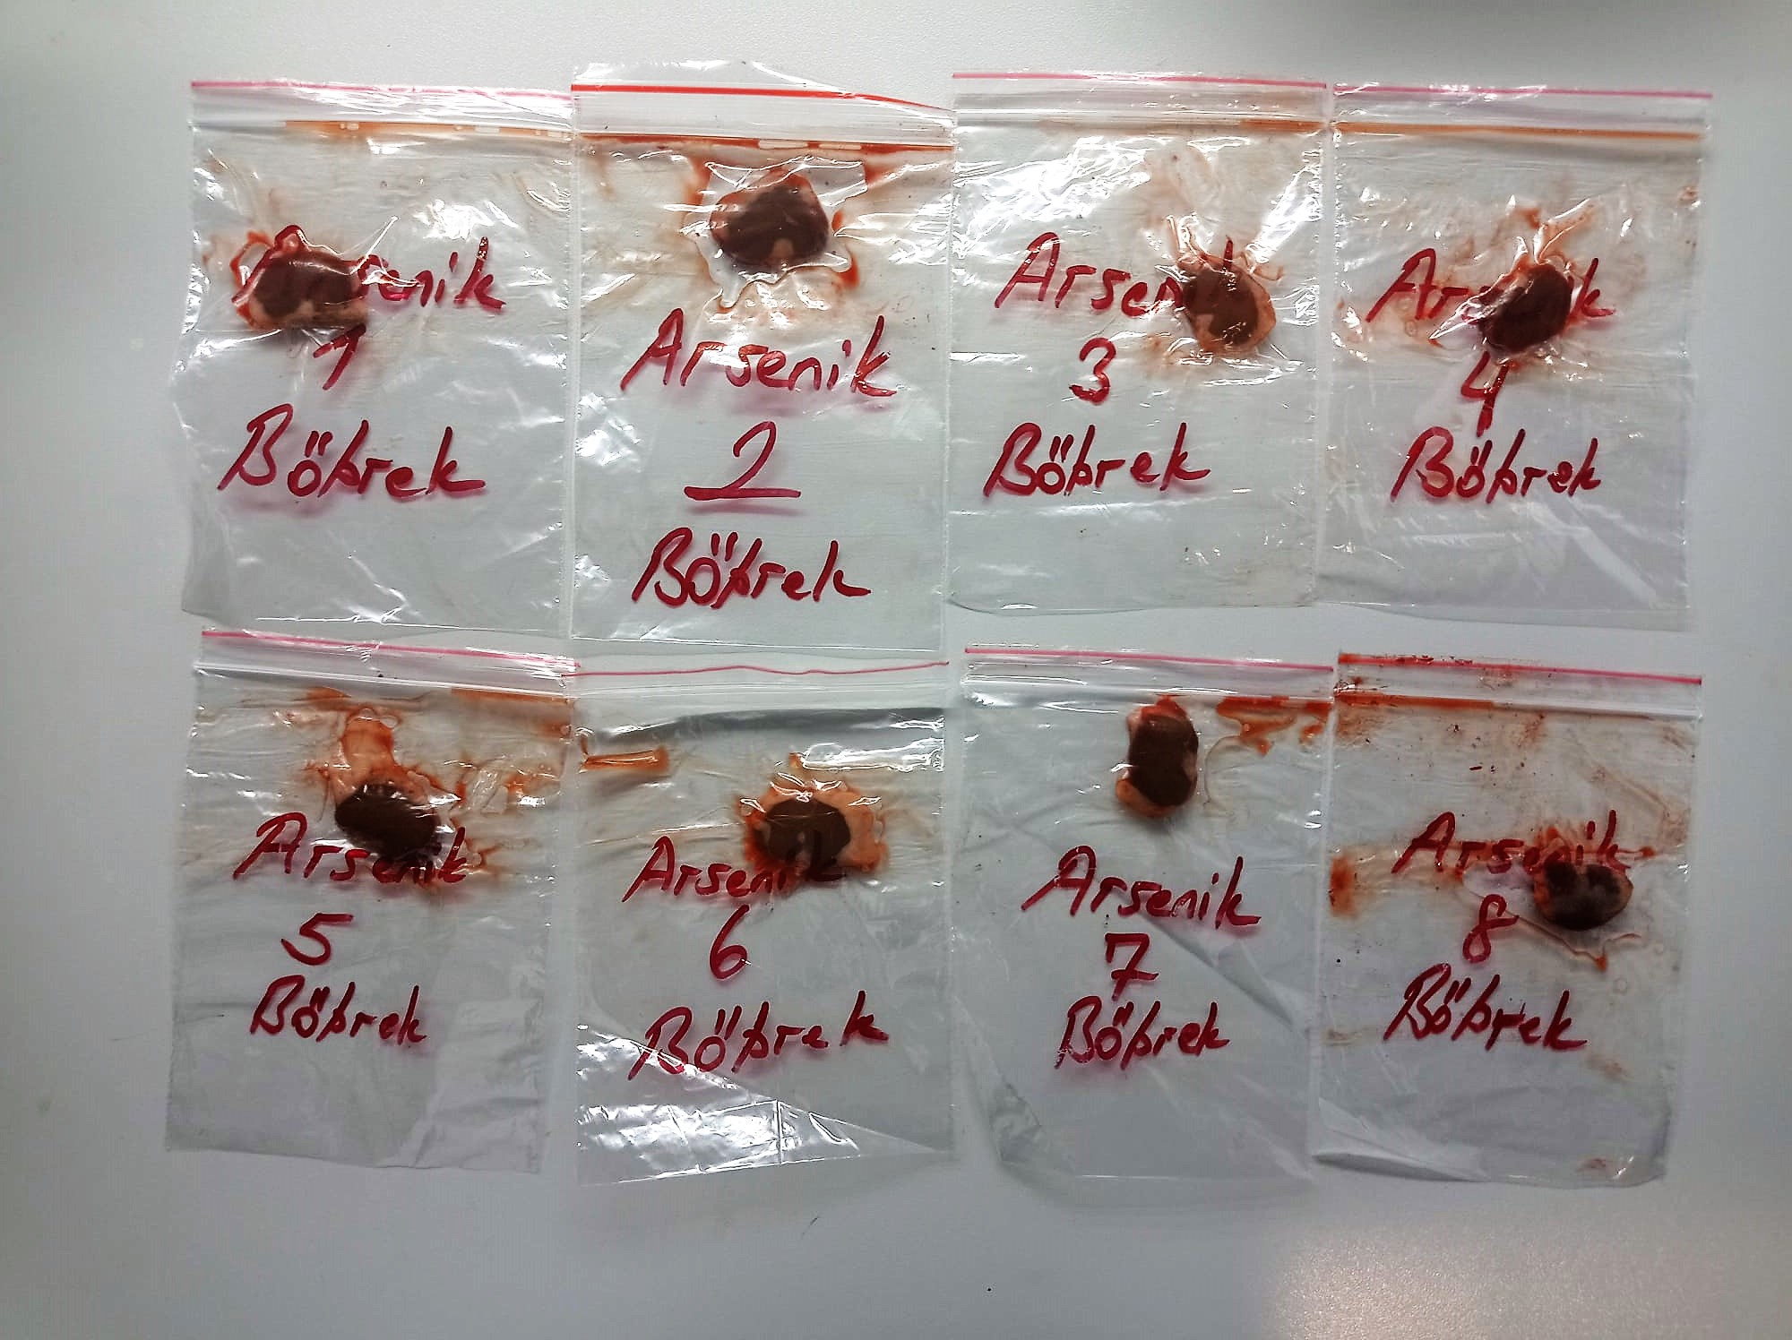
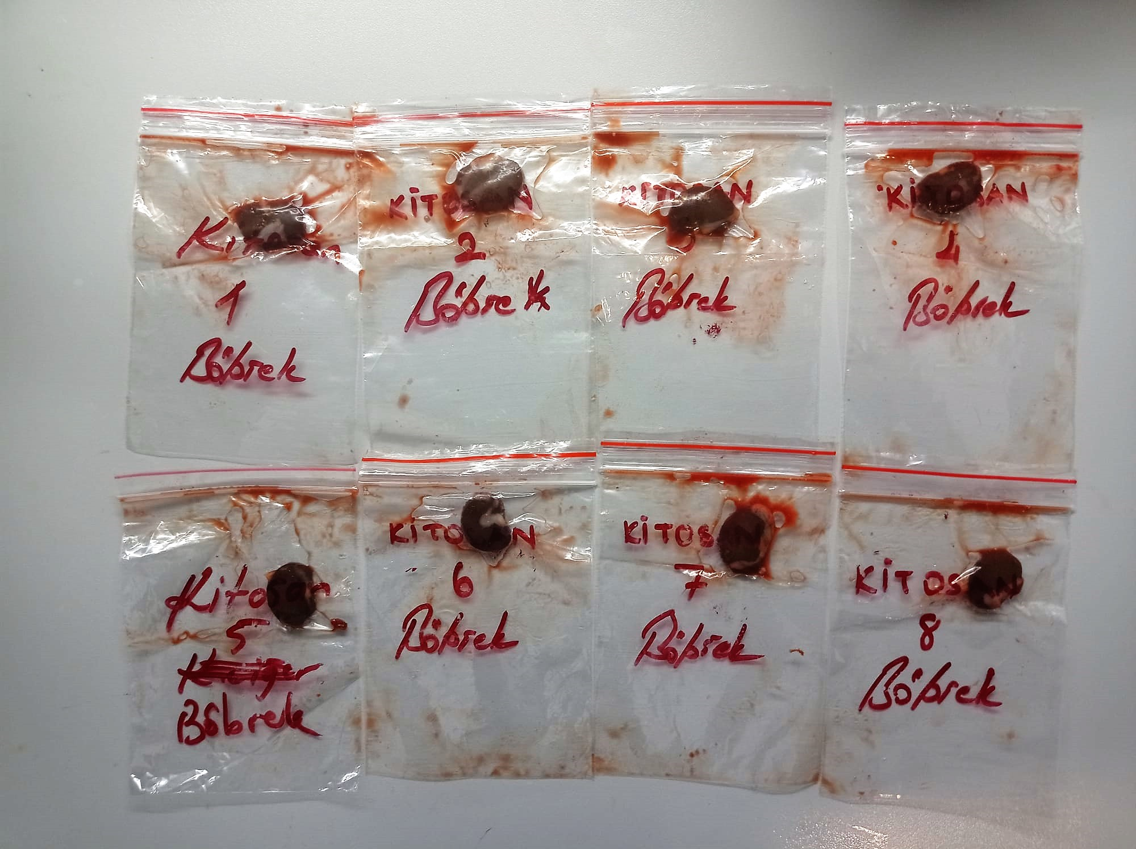

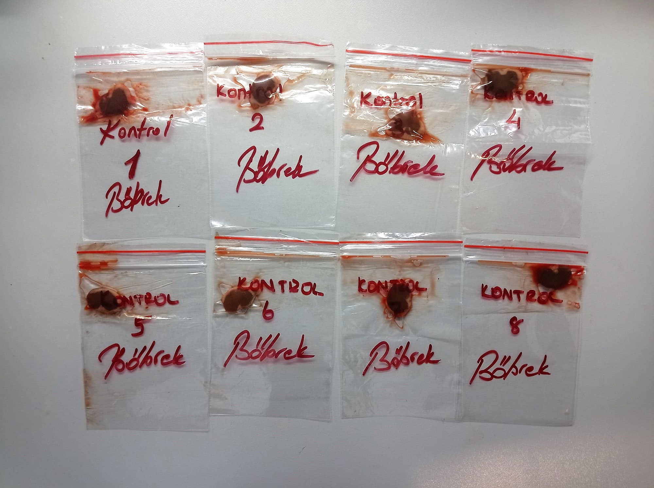

Malondialdehyde (MDA) nmol/L
The MDA level was determined by a method based
on the reaction with thiobarbituric acid (TBA) at 90–100_C
. In the TBA test reaction, MDA or MDA-like
substances and TBA react with the production of a pink
pigment with a maximum absorption at 532 nm. The
reaction was performed at pH 2–3 at 90_C for 15 min. The
sample was mixed with two volumes of cold 10% (w/v)
trichloroacetic acid for the precipitation of protein. The
precipitate was pelleted by centrifugation, and an aliquot of
the supernatant was reacted with an equal volume of 0.67%
(w/v) TBA in a boiling water bath for 10 min. After
cooling, the absorbance was read at 532 nm.

Super Oxide Dismutase (SOD) U/ml
The role of speroxide dismutase is to accelerate the dismutation of the toxic radical, produced
during oxidative energy processes to hydrogen peroxide and molecular oxygen. This method
employs xanthine and xanthine oxidase to generate superoxide radicals which react with 2-(4-
iodophenyl)-3-(4-nitrophenol)-5-phenyltetrazolium chloride to form a red formazan dye.. the
superoxide dismutase activity is then measured by the degree of inhibiton of this reaction

CAT Assay Principle
This kit is an Enzyme-Linked Immunosorbent Assay (ELISA). The plate has been pre-coated with Rat CAT antibody. CAT present in the sample is added and binds to antibodies coated on the wells.
And then biotinylated Rat CAT Antibody is added and binds to CAT in the sample. Then Streptavidin-HRP is added and binds to the Biotinylated CAT antibody.
After incubation unbound Streptavidin-HRP is washed away during a washing step. Substrate solution is then added and color develops in proportion to the amount of Rat CAT.
The reaction is terminated by addition of acidic stop solution and absorbance is measured at 450 nm.

Glutathione Assay Principle
This kit is an Enzyme-Linked Immunosorbent Assay (ELISA). The plate has been pre-coated with Rat GSH antibody. GSH present in the sample is added and binds to antibodies coated on the wells.
And then biotinylated Rat GSH Antibody is added and binds to GSH in the sample. Then Streptavidin-HRP is added and binds to the Biotinylated GSH antibody.
After incubation unbound Streptavidin-HRP is washed away during a washing step. Substrate solution is then added and color develops in proportion to the amount of Rat GSH.
The reaction is terminated by addition of acidic stop solution and absorbance is measured at 450 nm.

