Serum-Chicken Insulin
2.652 | 1.072 | 0.71
1.646 | 0.774 | 0.793
0.97 | 1.01 | 0.796
0.667 | 0.872 | 0.863
0.428 | 0.798 | 0.45
0.077 | 0.493 | 0.755
0.499 | 0.803 | 0.385
0.873 | 1.155 | 0.407
Insulin

 | abs | abs-blank | expected | result
std1 | 2.652 | 2.575 | 80 | 80.15
std2 | 1.646 | 1.569 | 40 | 39.73
std3 | 0.97 | 0.893 | 20 | 18.90
std4 | 0.667 | 0.59 | 10 | 11.20
std5 | 0.428 | 0.351 | 5 | 5.86
blank | 0.077 | 0 | 0 | -0.84

 |  |  |  |  | concentratıon (mlU/L)

Numune | absorbans | blank | abs-blank | result(mlU/L)
Serum-1 | 0.499 | 0.077 | 0.422 | 7.38
Serum-2 | 0.873 | 0.077 | 0.796 | 16.32
Serum-3 | 1.072 | 0.077 | 0.995 | 21.71
Serum-4 | 0.774 | 0.077 | 0.697 | 13.80
Serum-5 | 1.01 | 0.077 | 0.933 | 19.99
Serum-6 | 0.872 | 0.077 | 0.795 | 16.30
Serum-7 | 0.798 | 0.077 | 0.721 | 14.40
Serum-8 | 0.493 | 0.077 | 0.416 | 7.25
Serum-9 | 0.803 | 0.077 | 0.726 | 14.53
Serum-10 | 1.155 | 0.077 | 1.078 | 24.09
Serum-11 | 0.71 | 0.077 | 0.633 | 12.23
Serum-12 | 0.793 | 0.077 | 0.716 | 14.28
Serum-13 | 0.796 | 0.077 | 0.719 | 14.35
Serum-14 | 0.863 | 0.077 | 0.786 | 16.06
Serum-22 | 0.45 | 0.077 | 0.373 | 6.32
Serum-23 | 0.755 | 0.077 | 0.678 | 13.33
Serum-25 | 0.385 | 0.077 | 0.308 | 4.96
Serum-30 | 0.407 | 0.077 | 0.33 | 5.42

Materyal-metod
KİT ADI | TÜR | MARKA | Yöntem | Kullanılan Cihaz
Insulin | Chicken | BT | Elisa | Mıcroplate reader: BIO-TEK EL X 800-Aotu strıp washer:BIO TEK EL X 50
GLU: Glucose | Universal | REL ASSAY | Kolorimetrik | MINDRAY-BS400
CREA: Creatinine | Universal | REL ASSAY | Kolorimetrik | MINDRAY-BS400
Çinko | Universal | REL ASSAY | Kolorimetrik | MINDRAY-BS400
UA: Uric Acid | Universal | REL ASSAY | Kolorimetrik | MINDRAY-BS400
Calcium | Universal | REL ASSAY | Kolorimetrik | MINDRAY-BS400
CHOL: Total Cholesterol | Universal | REL ASSAY | Kolorimetrik | MINDRAY-BS400
Total Protein | Universal | REL ASSAY | Kolorimetrik | MINDRAY-BS400
Demir | Universal | REL ASSAY | Kolorimetrik | MINDRAY-BS400
Fosfor | Universal | REL ASSAY | Kolorimetrik | MINDRAY-BS400
Magnesium | Universal | REL ASSAY | Kolorimetrik | MINDRAY-BS400
TG: Triglycerides | Universal | REL ASSAY | Kolorimetrik | MINDRAY-BS400
ALB: Albumin | Universal | REL ASSAY | Kolorimetrik | MINDRAY-BS400

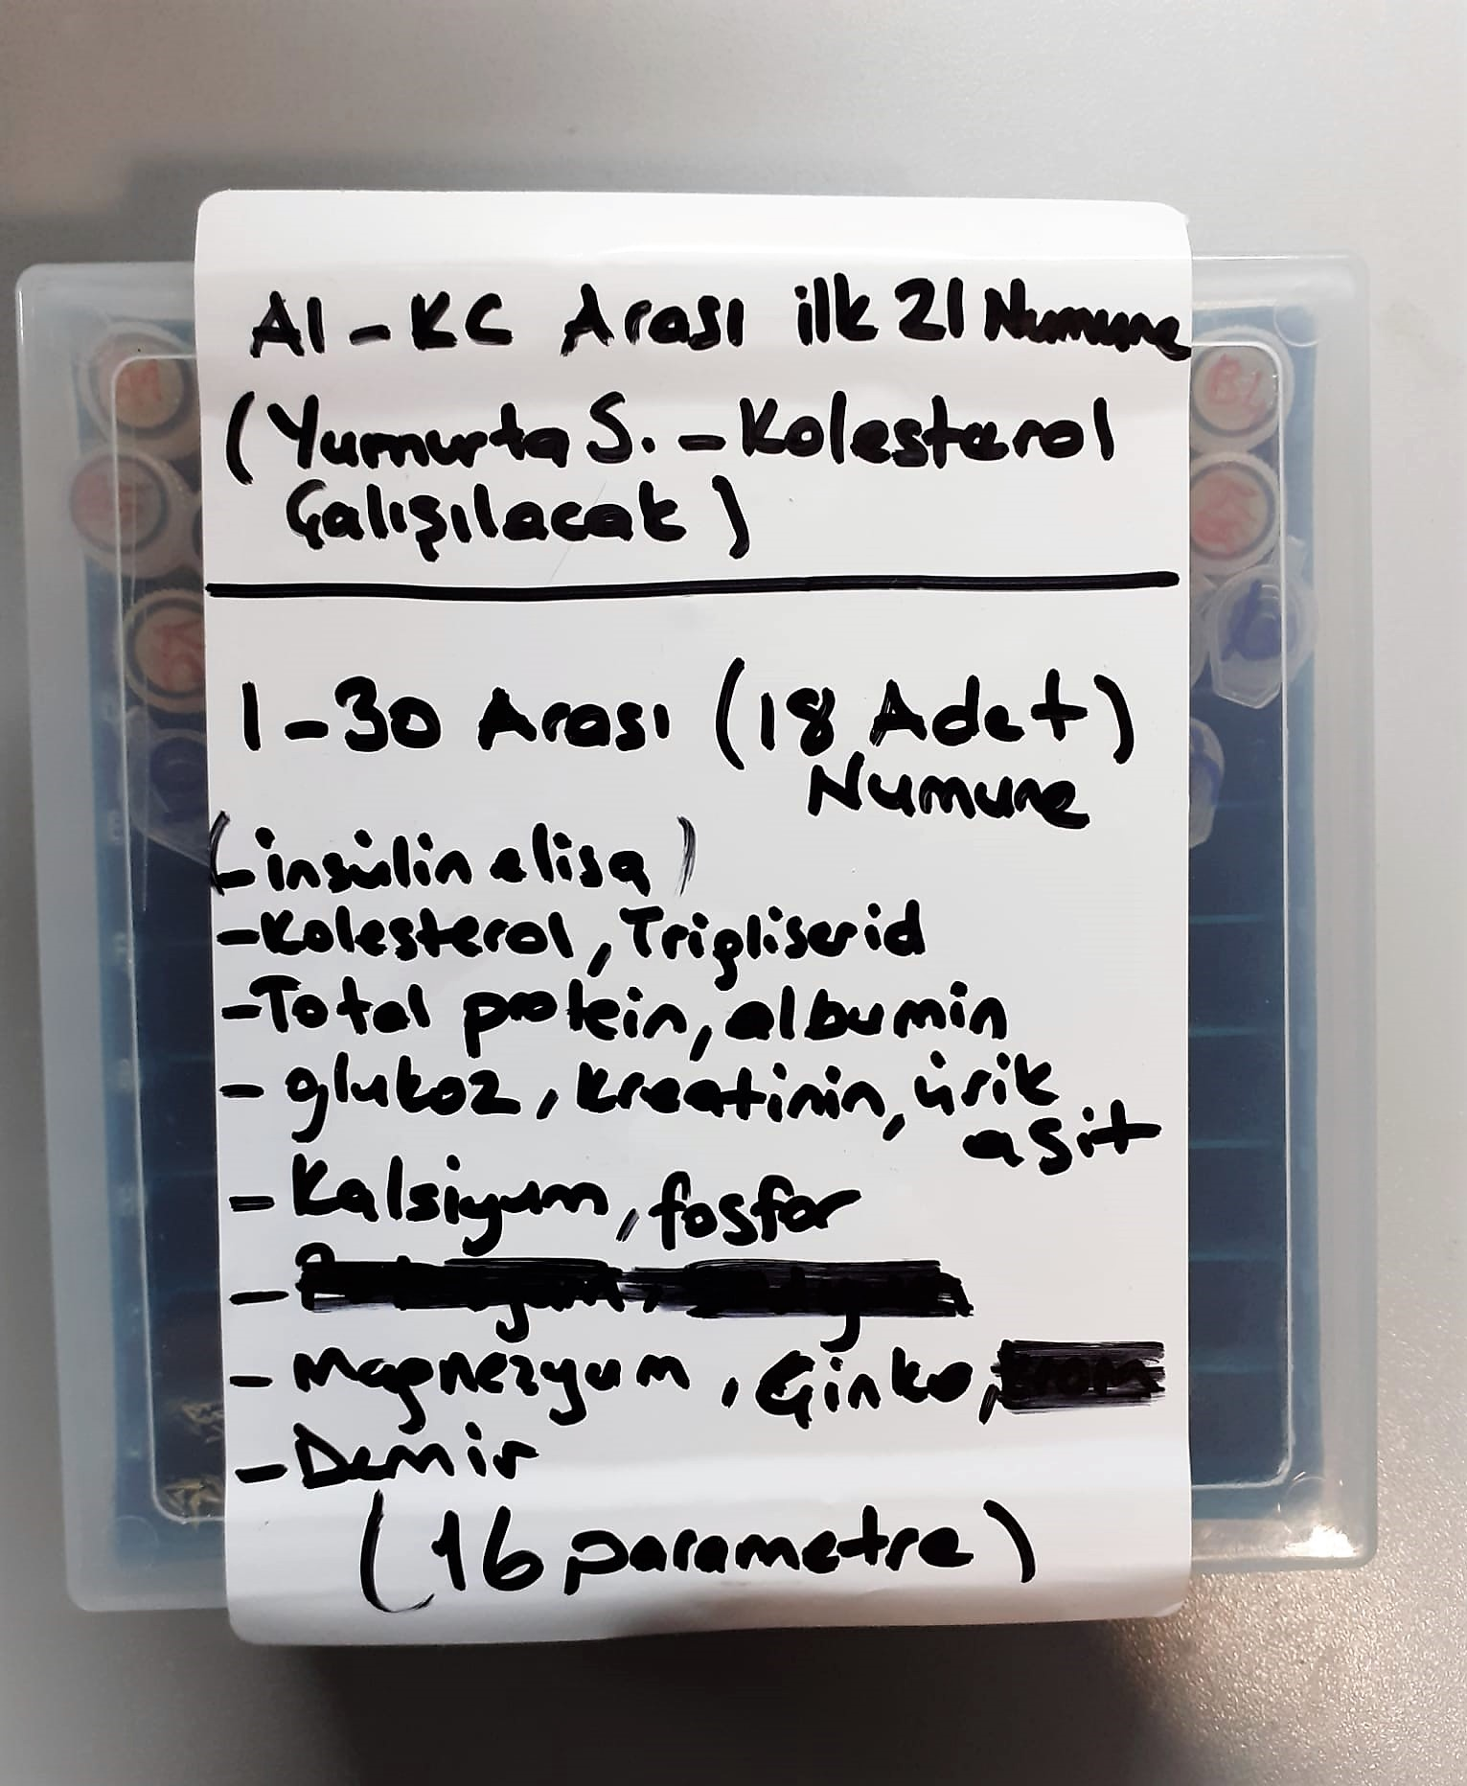
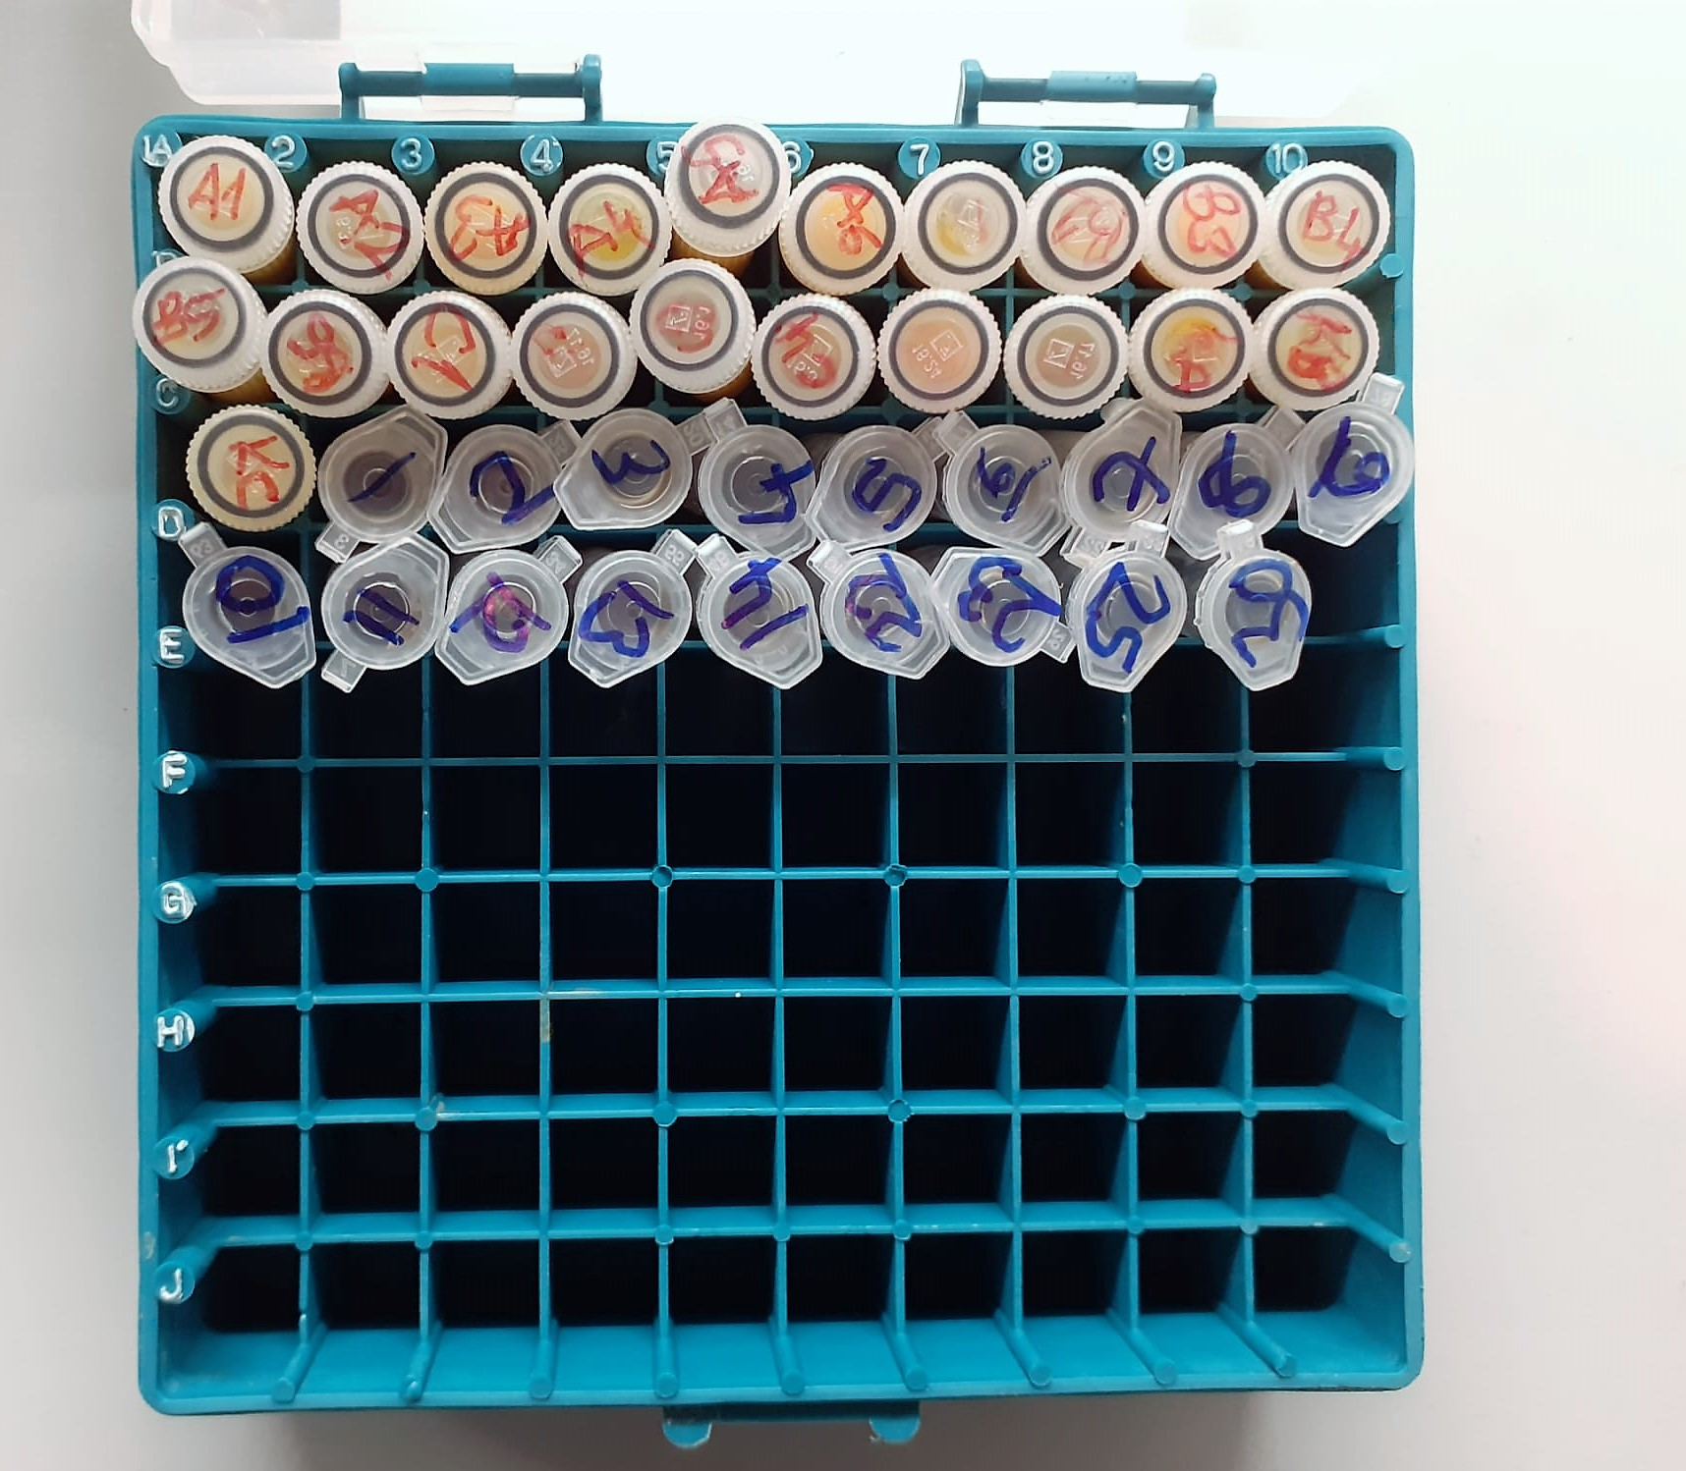

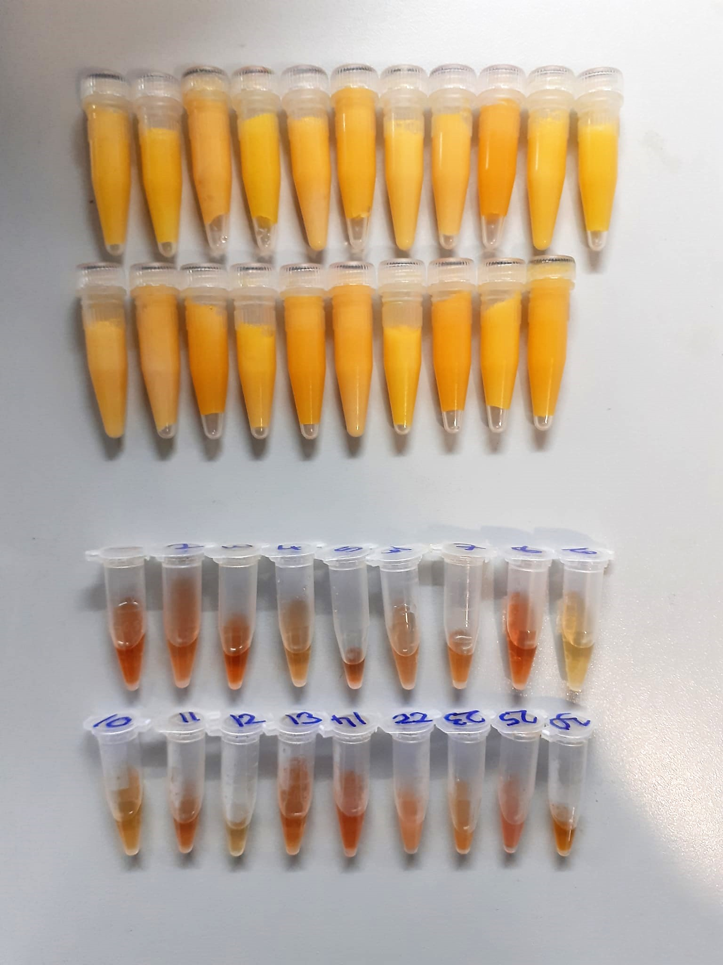

 |  |  |  |  | Yumurta Sarısında CHOL( kolesterol) Analizi:

 |  |  |  |  | 1- Yumurta su kaynadıktan sonra 10 dk haşlanır.( Çiğ çalışılacaksa bu adım atlanır.)
 |  |  |  |  | 2- Yumurta sarısından 0,1 gr tartılır, homojenizasyon tüpüne alınır.
 |  |  |  |  | 3- Üzerine 1 ml % 99,7'lik izopropil alkol ilave edilir.
 |  |  |  |  | 4- Pişmiş çalışılıyorsa tortu kalmayana kadar homojenize edilir, çiğ ise vortexte çözünüp homojen olana kadar karıştırılır.
 |  |  |  |  | 4- Tüpteki homojenat 37 derecede 10 dk inkübe edilir.
 |  |  |  |  | 5- Daha sonra 3000 rpm'de +4' de 5 dk santrifüj edilir.
 |  |  |  |  | 6- Elde edilen supernatan( üstteki sıvı kısım) kısmından serum alınıp cihazda çalışılır.

Calcium mg/dl
Calcium in the sample reacts with arsenazo III forming a coloured complex that
can be measured by spectrophotometry.

Cholesterol Total mg/dl
Cholesterol ester + H2O Cholesterol + fatty acids
Cholesterol esters are ceaved by the action of choesterol esterase to yield free
choesterol and fatty acids Cholesterol oxidase Cholesterol + O2 Cholesten-3-on + H2O2
Peroxidase
2H2O2 + Phenol + 4-Aminoantipyrine Quinoneimine dye + 4 H2O
Cholesterol is converted by oxygen with the aid of cholesterol oxidase to A4- Cholestenone and hydrogen peroxide.
Hydrogen peroxide created forms a red dyestuff by reacting with 4-aminoantipyrine and phenol under the catalytic action of peroxidase.
The color intensity is directly proportional to the concentration of cholesterol and can be determined photometrically.

Iron (FE) (μg/dl)
Colorimetric assay pH < 2,0 Transferrin-Fe-complex apotransferrin + Fe3+ ascorbate Fe3+ Fe2+ FerroZine® + Fe2+ colored complex Under acidic conditions,
iron is liberated from transferrin. Lipemic samples are clarified by the detergent. Ascorbate reduces the released Fe3+ ions to Fe'2+ ions which react with
FerroZine to form a colored complex. The color intensity is directly proportional to the iron concentration and can be measured photometrically.

Magnesium mEq/l
Colorimetric endpoint method
Sample and addition Reagent start of reaction:
In alkaline solution, magnesium forms a purple complex with xylidyl blue, a
diazonium salt. The magnesium concentration is measured photometrically via the decrease in the xylidyl blue absorbance.

Phosphorus mg/dl
Inorganic phosphate forms an ammonium phosphomolybdate complex having the formula(NH4)3[PO4(MoO3)12] with ammonium molybdate in the presence of sulfuric acid.
The complex is determined photometrically in the ultraviolet region (340 nm).

Total Protein g/dl
Colorimetric assay, Sample and addition of Reagent start of the reaction:
Divalent copper reacts in alkaline solution with protein peptide bonds to form the characteristic purple-colored biuret complex.
Sodium potassium tartrate prevents the precipitation of copper hydroxide and potassium iodide prevents auto reduction of copper. alkaline protein + Cu2+ solution Cu-protein complex
The color intensity is directly proportional to the protein concentration which can be determined photometrically.

Zinc (ZN) μg/dl
Zinc found in the samples change the red-orange color of 5-Br-PAPS to light pink under alkaline conditions.
The change of absorbance at 548 nm is proportional to total zinc level in the sample.
The assay can be calibrated with zinc sulfate dissolved in deionized water.
(Relassay, Turkey)

Triglycerides mg/dl
Triglycerides in the sample originates, by means of the coupled reactions described below, acoloured complex that can be measured by spectrophotometry.
Triglycerides + H2O lipase Glycerol + Fatty acids
Glycerol + ATP glycerol kinase Glycerol – 3 – P + ADP
Glycerol – 3 –P + O2 G-3-P-oxidase Dihidroxyacetone – P +H2O2
2 H2O2 + 4 – Aminoantipyrine + 4 – Chlorophenol G-3-P-oxidas Quinoneimine + 4 H2O

Glucose mg/dl
Enzymatic colorimetric test on basis of Trinder – Reaction:
Glucose oxidase Glucose + O2 Gluconic acid + H2O2
Peroxidase
2H2O2 + Phenol + 4–Aminoantipyrine Red Quinoneimine + 4H2O

Albumin g/dl
Colorimetric assay, endpoint method
• Sample and addition of R1
• Start of the reaction:
At a pH value of 4.1 albumin displays a sufficiently cationic character to be able to bind with bromocresol green (BCG), any anionic dyestuff, to form a blue-green complex.
pH 4.1 albumin + BCG albumin BCG- complex
The color intensity of the blue-green color is directly proportional to the albumin concentration and can be determined photometrical

Uric Asit mg/dl
Colorimetric endpoint assay
Uricase
Uric acid + 2 H2O + O2 Allantoin + CO 2 + H 2O 2
Uricase cleaves uric acid to form allantoin and hydrogen peroxide.
POD
2H2O2 + 4H+ + phenole + 4-aminoantipyrine quinonimine dye + 4H2O
The increase in absorbance is measured.

Creatinine mg/L
Immunoturbidimetric assay
Anti-CRP antibodies react with antigen in the sample to form an ntigen/antibody complex. Following agglutination, this is measured turbidimetrically.
Addition of PEG allows the reaction to progress rapidly to the end point,increases sensitivity, and reduces the risk of samples containing excess antigen
producing false negative results.

Chicken Insulin Assay Principle
This kit is an Enzyme-Linked Immunosorbent Assay (ELISA). The plate has been pre-coated with Chicken INS antibody. Chicken INS present in the sample is added and binds to antibodies coated on the wells.
And then biotinylated Chicken INS Antibody is added and binds to Chicken INS in the sample. Then Streptavidin-HRP is added and binds to the Biotinylated Chicken INS antibody
After incubation unbound Streptavidin-HRP is washed away during a washing step. Substrate solution is then added and color develops in proportion to the amount of Chicken INS.

