Lactoferrin
2.844 | 2.218 | 2.377 | 2.363 | 1.686 | 1.375 | 2.565 | 2.128 | 1.15 | 1.83 | 1.042 | 1.216
1.916 | 2.046 | 1.317 | 1.813 | 0.916 | 0.942 | 1.307 | 1.312 | 1.217 | 1.314 | 1.715 | 1.345
1.203 | 1.534 | 2.168 | 1.472 | 0.926 | 1.33 | 1.743 | 1.336 | 1.326 | 0.632 | 1.822 | 2.135
0.749 | 1.067 | 1.038 | 0.881 | 2.02 | 1.141 | 1.373 | 1.208 | 0.248 | 1.379 | 1.681 | 2.654
0.453 | 1.658 | 1.165 | 1.198 | 1.499 | 1.322 | 1.383 | 1.302 | 0.975 | 1.225 | 1.391 | 1.915
0.106 | 1.28 | 2.067 | 1.104 | 1.363 | 1.452 | 1.309 | 1.302 | 0.973 | 1.554 | 1.233 | 1.409
1.052 | 1.246 | 1.552 | 1.539 | 1.222 | 1.07 | 1.505 | 1.073 | 1.294 | 2.014 | 1.826 | 1.453
1.669 | 1.22 | 0.675 | 1.237 | 0.975 | 1.784 | 1.493 | 0.716 | 1.001 | 1.921 | 1.097 | 1.425

LTF

 | abs | abs-blank | expected | result
std1 | 2.844 | 2.738 | 1920 | 1912.17
std2 | 1.916 | 1.81 | 960 | 983.62
std3 | 1.203 | 1.097 | 480 | 468.53
std4 | 0.749 | 0.643 | 240 | 230.36
std5 | 0.453 | 0.347 | 120 | 112.71
blank | 0.106 | 0 | 0 | 12.61

 |  |  |  |  |  |  |  |  | concentration (ug/ml)

Numune | Tarih | absorbans | blank | abs-blank | result(ug/ml)
9704 | 2022-02-03 | 1.052 | 0.106 | 0.946 | 381.56
7075 | 2021-08-02 | 1.669 | 0.106 | 1.563 | 785.67
9989 | 2022-02-27 | 2.218 | 0.106 | 2.112 | 1253.76
1239 | 2022-04-21 | 2.046 | 0.106 | 1.94 | 1096.12
61 | 2021-09-03 | 1.534 | 0.106 | 1.428 | 686.22
1194 | 2022-03-18 | 1.067 | 0.106 | 0.961 | 389.86
505 | 2022-02-20 | 1.658 | 0.106 | 1.552 | 777.34
7826 | 2021-08-07 | 1.28 | 0.106 | 1.174 | 515.86
119 | 2022-03-13 | 1.246 | 0.106 | 1.14 | 494.72
486 | 2021-08-27 | 1.22 | 0.106 | 1.114 | 478.81
387 | 2022-03-01 | 2.377 | 0.106 | 2.271 | 1408.40
1127 |  | 1.317 | 0.106 | 1.211 | 539.32
1248 | 2022-04-24 | 2.168 | 0.106 | 2.062 | 1206.90
7657 | 2022-03-07 | 1.038 | 0.106 | 0.932 | 373.89
121 | 2021-08-06 | 1.165 | 0.106 | 1.059 | 445.92
998 |  | 2.067 | 0.106 | 1.961 | 1114.83
9343 | 2021-08-31 | 1.552 | 0.106 | 1.446 | 699.13
9709 | 2021-09-02 | 0.675 | 0.106 | 0.569 | 198.17
9370 | doğum | 2.363 | 0.106 | 2.257 | 1394.44
9370 | 12saat | 1.813 | 0.106 | 1.707 | 898.56
9370 | 24saat | 1.472 | 0.106 | 1.366 | 642.62
9607 | 24saat | 0.881 | 0.106 | 0.775 | 292.41
9607 | eritilmiş | 1.198 | 0.106 | 1.092 | 465.53
9607 | 12saat | 1.104 | 0.106 | 0.998 | 410.64
102 | doğum | 1.539 | 0.106 | 1.433 | 689.80
102(pelte verdi) | 12saat | 1.237 | 0.106 | 1.131 | 489.18
102 | 24saat | 1.686 | 0.106 | 1.58 | 798.64
303 |  | 0.916 | 0.106 | 0.81 | 309.85
303 | 12saat | 0.926 | 0.106 | 0.82 | 314.91
9868 | doğum | 2.02 | 0.106 | 1.914 | 1073.16
9128 | doğum | 1.499 | 0.106 | 1.393 | 661.45
9868 | 12saat | 1.363 | 0.106 | 1.257 | 569.12
9128 | 12saat | 1.222 | 0.106 | 1.116 | 480.03
9128 | 24saat | 0.975 | 0.106 | 0.869 | 340.19
529 | 2021-08-28 | 1.375 | 0.106 | 1.269 | 577.02
97 | 17.22 | 0.942 | 0.106 | 0.836 | 323.07
8006 | 2022-09-01 | 1.33 | 0.106 | 1.224 | 547.67
1210 | 2022-04-26 | 1.141 | 0.106 | 1.035 | 431.89
280 | 2021-09-19 | 1.322 | 0.106 | 1.216 | 542.52
603 | 2022-02-15 | 1.452 | 0.106 | 1.346 | 628.83
145 (9868'in buzağı içti) |  | 1.07 | 0.106 | 0.964 | 391.53
9943 | doğum | 1.784 | 0.106 | 1.678 | 875.26
9943 | 12saat | 2.565 | 0.106 | 2.459 | 1602.31
9406 | doğum | 1.307 | 0.106 | 1.201 | 532.93
9406 | 12saat | 1.743 | 0.106 | 1.637 | 842.81
9943 | 24saat | 1.373 | 0.106 | 1.267 | 575.70
281 | doğum | 1.383 | 0.106 | 1.277 | 582.31
281 | 12saat | 1.309 | 0.106 | 1.203 | 534.21
281 | 24saat | 1.505 | 0.106 | 1.399 | 665.67
609 | doğum | 1.493 | 0.106 | 1.387 | 657.24
609 | 12saat | 2.128 | 0.106 | 2.022 | 1170.02
9562 | doğum | 1.312 | 0.106 | 1.206 | 536.12
9562 | 12saat | 1.336 | 0.106 | 1.23 | 551.54
9562 | 24saat | 1.208 | 0.106 | 1.102 | 471.55
9634 | doğum | 1.302 | 0.106 | 1.196 | 529.75
9634 | 12saat | 1.302 | 0.106 | 1.196 | 529.75
9634 | doğum | 1.073 | 0.106 | 0.967 | 393.20
9868 | 24saat | 0.716 | 0.106 | 0.61 | 215.78
978 | 2022-08-05 | 1.15 | 0.106 | 1.044 | 437.13
1275 | 24saat | 1.217 | 0.106 | 1.111 | 476.99
1291 | doğum | 1.326 | 0.106 | 1.22 | 545.09
1328 | 24saat | 0.248 | 0.106 | 0.142 | 48.64
108 | doğum | 0.975 | 0.106 | 0.869 | 340.19
1300 | 12saat | 0.973 | 0.106 | 0.867 | 339.14
1300 | doğum | 1.294 | 0.106 | 1.188 | 524.68
1275 | doğum | 1.001 | 0.106 | 0.895 | 353.94
1121 | doğum | 1.83 | 0.106 | 1.724 | 912.36
627 | 24saat | 1.314 | 0.106 | 1.208 | 537.40
627 | 12saat | 0.632 | 0.106 | 0.526 | 180.31
627 | doğum | 1.379 | 0.106 | 1.273 | 579.66
1121 | 12saat | 1.225 | 0.106 | 1.119 | 481.85
1275 | 12saat | 1.554 | 0.106 | 1.448 | 700.57
1300 | 24saat | 2.014 | 0.106 | 1.908 | 1067.89
1291 | 12saat | 1.921 | 0.106 | 1.815 | 987.84
1291 | 24saat | 1.042 | 0.106 | 0.936 | 376.08
1328 | 12saat | 1.715 | 0.106 | 1.609 | 820.97
978 | 2022-08-05 | 1.822 | 0.106 | 1.716 | 905.85
978 | 24saat | 1.681 | 0.106 | 1.575 | 794.81
1121 | 24saat | 1.391 | 0.106 | 1.285 | 587.62
8521 | 2022-02-27 | 1.233 | 0.106 | 1.127 | 486.73
486 | 24saat | 1.826 | 0.106 | 1.72 | 909.10
9936 | 2022-03-04 | 1.097 | 0.106 | 0.991 | 406.67
161 | 2021-08-12 | 1.216 | 0.106 | 1.11 | 476.38
7830 | 2021-08-24 | 1.345 | 0.106 | 1.239 | 557.38
1034 | 2022-02-27 | 2.135 | 0.106 | 2.029 | 1176.43
559 | 2022-02-09 | 2.654 | 0.106 | 2.548 | 1698.29
486 | 12saat | 1.915 | 0.106 | 1.809 | 982.78
1231 | 2022-04-26 | 1.409 | 0.106 | 1.303 | 599.65
7233 | 2022-02-15 | 1.453 | 0.106 | 1.347 | 629.52
486 | doğum | 1.425 | 0.106 | 1.319 | 610.44

Retinol
2.894 | 1.634 | 1.662 | 1.216 | 1.805 | 1.389 | 1.122 | 1.393 | 1.333
1.943 | 1.275 | 1.105 | 1.626 | 1.596 | 1.285 | 1.027 | 1.134 | 1.033
1.215 | 1.671 | 1.42 | 1.401 | 1.216 | 1.354 | 1.226 | 1.242 | 0.881
0.825 | 1.281 | 1.344 | 1.375 | 1.022 | 1.169 | 1.159 | 1.765 | 1.454
0.433 | 1.783 | 2.382 | 0.976 | 0.817 | 0.684 | 1.36 | 1.874
0.078 | 1.866 | 2.27 | 1.21 | 0.934 | 0.695 | 1.142 | 1.399
 | 1.174 | 1.72 | 1.14 | 1.528 | 1.033 | 0.787 | 1.529
 | 1.4 | 1.658 | 1.148 | 1.529 | 1.401 | 1.138 | 1.081

Retinol

 | abs | abs-blank | expected | result
std1 | 2.894 | 2.816 | 1200 | 1197.23
std2 | 1.943 | 1.865 | 600 | 609.59
std3 | 1.215 | 1.137 | 300 | 287.41
std4 | 0.825 | 0.747 | 150 | 160.35
std5 | 0.433 | 0.355 | 75 | 64.65
blank | 0.078 | 0 | 0 | 5.69

 |  |  |  |  |  |  |  |  | concentration (ng/ml)

Numune | absorbans | blank | abs-blank | result(ng/ml)
9370-21 | 1.634 | 0.078 | 1.556 | 459.32
9370-0 | 1.275 | 0.078 | 1.197 | 309.78
9607-21 | 1.671 | 0.078 | 1.593 | 476.26
9607-0 | 1.281 | 0.078 | 1.203 | 312.06
102-21 | 1.783 | 0.078 | 1.705 | 529.29
102-0 | 1.866 | 0.078 | 1.788 | 570.28
303-21 | 1.174 | 0.078 | 1.096 | 272.56
303-0 | 1.4 | 0.078 | 1.322 | 358.79
657-21 | 1.662 | 0.078 | 1.584 | 472.12
657-0 | 1.105 | 0.078 | 1.027 | 248.36
764-21 | 1.42 | 0.078 | 1.342 | 366.94
764-0 | 1.344 | 0.078 | 1.266 | 336.43
800-21 | 2.382 | 0.078 | 2.304 | 857.38
800-0 | 2.27 | 0.078 | 2.192 | 790.34
985-21 | 1.72 | 0.078 | 1.642 | 499.14
985-0 | 1.658 | 0.078 | 1.58 | 470.28
1013-21 | 1.216 | 0.078 | 1.138 | 287.78
1013-0 | 1.626 | 0.078 | 1.548 | 455.70
1089-21 | 1.401 | 0.078 | 1.323 | 359.20
1089-0 | 1.375 | 0.078 | 1.297 | 348.73
1143-21 | 0.976 | 0.078 | 0.898 | 205.78
1143-0 | 1.21 | 0.078 | 1.132 | 285.58
1236-21 | 1.14 | 0.078 | 1.062 | 260.51
1236-0 | 1.148 | 0.078 | 1.07 | 263.32
1338-21 | 1.805 | 0.078 | 1.727 | 540.02
1338-0 | 1.596 | 0.078 | 1.518 | 442.22
1432-21 | 1.216 | 0.078 | 1.138 | 287.78
1432-0 | 1.022 | 0.078 | 0.944 | 220.56
1523-21 | 0.817 | 0.078 | 0.739 | 158.08
1523-0 | 0.934 | 0.078 | 0.856 | 192.66
1328-21 | 1.528 | 0.078 | 1.45 | 412.37
1328-0 | 1.529 | 0.078 | 1.451 | 412.80
1300-21 | 1.389 | 0.078 | 1.311 | 354.35
1300-0 | 1.285 | 0.078 | 1.207 | 313.58
1275-21 | 1.354 | 0.078 | 1.276 | 340.38
1275-0 | 1.169 | 0.078 | 1.091 | 270.77
1121-21 | 0.684 | 0.078 | 0.606 | 122.23
1121-0 | 0.695 | 0.078 | 0.617 | 125.06
978-21 | 1.033 | 0.078 | 0.955 | 224.16
978-0 | 1.401 | 0.078 | 1.323 | 359.20
627-21 | 1.122 | 0.078 | 1.044 | 254.23
627-0 | 1.027 | 0.078 | 0.949 | 222.19
609-21 | 1.226 | 0.078 | 1.148 | 291.45
609-0 | 1.159 | 0.078 | 1.081 | 267.21
486-21 | 1.36 | 0.078 | 1.282 | 342.75
486-0 | 1.142 | 0.078 | 1.064 | 261.21
1240-21 | 0.787 | 0.078 | 0.709 | 149.67
281-21 | 1.138 | 0.078 | 1.06 | 259.81
281-0 | 1.393 | 0.078 | 1.315 | 355.96
9943-21 | 1.134 | 0.078 | 1.056 | 258.41
9943-0 | 1.242 | 0.078 | 1.164 | 297.38
9868-21 | 1.765 | 0.078 | 1.687 | 520.59
9868-0 | 1.874 | 0.078 | 1.796 | 574.31
9634-21 | 1.399 | 0.078 | 1.321 | 358.39
9634-0 | 1.529 | 0.078 | 1.451 | 412.80
9562-21 | 1.081 | 0.078 | 1.003 | 240.17
9562-0 | 1.333 | 0.078 | 1.255 | 332.11
9406-21 | 1.033 | 0.078 | 0.955 | 224.16
9406-0 | 0.881 | 0.078 | 0.803 | 176.64
9128-0 | 1.454 | 0.078 | 1.376 | 380.98

Vit-E
2.764 | 2.069 | 2.122 | 1.825 | 1.814 | 1.815 | 1.861 | 1.927 | 1.852
1.765 | 2.129 | 2.207 | 2.297 | 2.167 | 2.089 | 1.82 | 1.688 | 1.706
1.197 | 1.851 | 2.031 | 1.943 | 2.08 | 2.052 | 2.147 | 2.011 | 1.782
0.794 | 1.883 | 1.996 | 1.791 | 2.002 | 1.993 | 1.78 | 2.021 | 1.866
0.436 | 2.143 | 2.536 | 1.582 | 1.409 | 1.283 | 1.567 | 1.994
0.094 | 2.365 | 2.719 | 2.098 | 1.868 | 1.752 | 1.859 | 2.088
 | 2.121 | 2.094 | 1.67 | 2.123 | 1.858 | 1.816 | 2.07
 | 1.995 | 2.171 | 2.099 | 2.376 | 1.956 | 1.921 | 1.611

VE

 | abs | abs-blank | expected | result
std1 | 2.764 | 2.67 | 72 | 72.36
std2 | 1.765 | 1.671 | 36 | 34.59
std3 | 1.197 | 1.103 | 18 | 18.77
std4 | 0.794 | 0.7 | 9 | 10.03
std5 | 0.436 | 0.342 | 4.5 | 4.00
blank | 0.094 | 0 | 0 | -0.25

 |  |  |  |  |  |  |  |  | concentration (ug/ml)

Numune | absorbans | blank | abs-blank | result(ug/ml)
9370-21 | 2.069 | 0.094 | 1.975 | 44.74
9370-0 | 2.129 | 0.094 | 2.035 | 46.88
9607-21 | 1.851 | 0.094 | 1.757 | 37.34
9607-0 | 1.883 | 0.094 | 1.789 | 38.39
102-21 | 2.143 | 0.094 | 2.049 | 47.39
102-0 | 2.365 | 0.094 | 2.271 | 55.75
303-21 | 2.121 | 0.094 | 2.027 | 46.59
303-0 | 1.995 | 0.094 | 1.901 | 42.16
657-21 | 2.122 | 0.094 | 2.028 | 46.63
657-0 | 2.207 | 0.094 | 2.113 | 49.74
764-21 | 2.031 | 0.094 | 1.937 | 43.41
764-0 | 1.996 | 0.094 | 1.902 | 42.20
800-21 | 2.536 | 0.094 | 2.442 | 62.62
800-0 | 2.719 | 0.094 | 2.625 | 70.38
985-21 | 2.094 | 0.094 | 2 | 45.63
985-0 | 2.171 | 0.094 | 2.077 | 48.41
1013-21 | 1.825 | 0.094 | 1.731 | 36.50
1013-0 | 2.297 | 0.094 | 2.203 | 53.12
1089-21 | 1.943 | 0.094 | 1.849 | 40.39
1089-0 | 1.791 | 0.094 | 1.697 | 35.41
1143-21 | 1.582 | 0.094 | 1.488 | 29.05
1143-0 | 2.098 | 0.094 | 2.004 | 45.77
1236-21 | 1.67 | 0.094 | 1.576 | 31.66
1236-0 | 2.099 | 0.094 | 2.005 | 45.81
1338-21 | 1.814 | 0.094 | 1.72 | 36.15
1338-0 | 2.167 | 0.094 | 2.073 | 48.26
1432-21 | 2.08 | 0.094 | 1.986 | 45.13
1432-0 | 2.002 | 0.094 | 1.908 | 42.40
1523-21 | 1.409 | 0.094 | 1.315 | 24.20
1523-0 | 1.868 | 0.094 | 1.774 | 37.90
1328-21 | 2.123 | 0.094 | 2.029 | 46.67
1328-0 | 2.376 | 0.094 | 2.282 | 56.18
1300-21 | 1.815 | 0.094 | 1.721 | 36.18
1300-0 | 2.089 | 0.094 | 1.995 | 45.45
1275-21 | 2.052 | 0.094 | 1.958 | 44.14
1275-0 | 1.993 | 0.094 | 1.899 | 42.09
1121-21 | 1.283 | 0.094 | 1.189 | 20.90
1121-0 | 1.752 | 0.094 | 1.658 | 34.18
978-21 | 1.858 | 0.094 | 1.764 | 37.57
978-0 | 1.956 | 0.094 | 1.862 | 40.83
627-21 | 1.861 | 0.094 | 1.767 | 37.67
627-0 | 1.82 | 0.094 | 1.726 | 36.34
609-21 | 2.147 | 0.094 | 2.053 | 47.53
609-0 | 1.78 | 0.094 | 1.686 | 35.06
486-21 | 1.567 | 0.094 | 1.473 | 28.61
486-0 | 1.859 | 0.094 | 1.765 | 37.60
1240-21 | 1.816 | 0.094 | 1.722 | 36.21
281-21 | 1.921 | 0.094 | 1.827 | 39.65
281-0 | 1.927 | 0.094 | 1.833 | 39.85
9943-21 | 1.688 | 0.094 | 1.594 | 32.21
9943-0 | 2.011 | 0.094 | 1.917 | 42.71
9868-21 | 2.021 | 0.094 | 1.927 | 43.06
9868-0 | 1.994 | 0.094 | 1.9 | 42.13
9634-21 | 2.088 | 0.094 | 1.994 | 45.41
9634-0 | 2.07 | 0.094 | 1.976 | 44.78
9562-21 | 1.611 | 0.094 | 1.517 | 29.90
9562-0 | 1.852 | 0.094 | 1.758 | 37.38
9406-21 | 1.706 | 0.094 | 1.612 | 32.76
9406-0 | 1.782 | 0.094 | 1.688 | 35.13
9128-0 | 1.866 | 0.094 | 1.772 | 37.83

IL-6-1.plate
2.781 | 0.933 | 2.605 | 2.563 | 2.189 | 2.045 | 1.729 | 1.724 | 1.784 | 1.445 | 1.604 | 1.892
1.642 | 0.583 | 2.092 | 2.324 | 1.887 | 1.83 | 1.913 | 1.768 | 2.008 | 1.71 | 1.447 | 1.715
0.932 | 0.338 | 2.964 | 2.807 | 2.415 | 2.268 | 2.208 | 2.218 | 2.218 | 2.518 | 1.817 | 1.358
0.575 | 0.096 | 2.606 | 2.247 | 2.112 | 1.997 | 1.505 | 1.716 | 1.918 | 2.162 | 1.797 | 1.249
0.322 | 2.278 | 2.331 | 2.224 | 2.071 | 1.715 | 1.987 | 1.835 | 1.663 | 2.143 | 1.634 | 1.787
0.098 | 2.068 | 2.268 | 2.095 | 2.226 | 1.801 | 2.013 | 1.773 | 1.568 | 2.176 | 1.489 | 1.689
2.76 | 2.067 | 1.512 | 1.666 | 1.444 | 1.664 | 2.052 | 1.672 | 1.469 | 1.635 | 1.85 | 1.032
1.838 | 2.465 | 1.824 | 1.579 | 1.682 | 1.473 | 1.515 | 1.572 | 1.64 | 1.307 | 1.292 | 0.686

IL-6

 | abs.ort | abs-blank | expected | result
std1 | 2.77 | 2.6735 | 3200 | 3183.89
std2 | 1.74 | 1.643 | 1600 | 1659.75
std3 | 0.933 | 0.8355 | 800 | 733.74
std4 | 0.579 | 0.482 | 400 | 402.54
std5 | 0.33 | 0.233 | 200 | 196.38
blank | 0.097 | 0 | 0 | 23.76

 |  |  |  |  |  |  |  |  |  | concentration (ng/L)

Numune | absorbans | blank | abs-blank | result(ng/L)
1501425 | 2.278 | 0.097 | 2.181 | 2407.57
1428 | 2.068 | 0.097 | 1.971 | 2103.22
9634-1(1637) | 2.067 | 0.097 | 1.97 | 2101.81
9634-2 | 2.465 | 0.097 | 2.368 | 2692.01
1444 | 2.605 | 0.097 | 2.508 | 2913.23
1447 | 2.092 | 0.097 | 1.995 | 2137.19
1448 | 2.964 | 0.097 | 2.867 | 3512.89
1451 | 2.606 | 0.097 | 2.509 | 2914.83
1480 | 2.331 | 0.097 | 2.234 | 2486.90
1496 | 2.268 | 0.097 | 2.171 | 2392.71
1498 | 1.512 | 0.097 | 1.415 | 1374.40
1429 | 1.824 | 0.097 | 1.727 | 1769.62
1455 | 2.563 | 0.097 | 2.466 | 2846.12
1482 | 2.324 | 0.097 | 2.227 | 2476.36
1485 | 2.807 | 0.097 | 2.71 | 3244.91
1492 | 2.247 | 0.097 | 2.15 | 2361.64
627-D | 2.224 | 0.097 | 2.127 | 2327.78
1469 19943 | 2.095 | 0.097 | 1.998 | 2141.46
951-121 | 1.666 | 0.097 | 1.569 | 1565.08
954-7826 | 1.579 | 0.097 | 1.482 | 1456.31
960-161 | 2.189 | 0.097 | 2.092 | 2276.64
966 | 1.887 | 0.097 | 1.79 | 1853.69
967-7075 | 2.415 | 0.097 | 2.318 | 2614.71
970-7830 | 2.112 | 0.097 | 2.015 | 2165.67
972-486 | 2.071 | 0.097 | 1.974 | 2107.45
974-529 | 2.226 | 0.097 | 2.129 | 2330.72
976-9343 | 1.444 | 0.097 | 1.347 | 1292.94
978 | 1.682 | 0.097 | 1.585 | 1585.38
983-9709 | 2.045 | 0.097 | 1.948 | 2070.85
990-0061 | 1.83 | 0.097 | 1.733 | 1777.56
623-0saat | 2.268 | 0.097 | 2.171 | 2392.71
623-24saat | 1.997 | 0.097 | 1.9 | 2003.93
623-2gün | 1.715 | 0.097 | 1.618 | 1627.55
623-3gün | 1.801 | 0.097 | 1.704 | 1739.28
623-4gün | 1.664 | 0.097 | 1.567 | 1562.55
1258-603 | 1.473 | 0.097 | 1.376 | 1327.48
1260-7233 | 1.729 | 0.097 | 1.632 | 1645.55
1265 | 1.913 | 0.097 | 1.816 | 1888.81
1271 | 2.208 | 0.097 | 2.111 | 2304.35
1272 | 1.505 | 0.097 | 1.408 | 1365.94
1273 | 1.987 | 0.097 | 1.89 | 1990.09
11127-D | 2.013 | 0.097 | 1.916 | 2026.14
1280 | 2.052 | 0.097 | 1.955 | 2080.68
1281 | 1.515 | 0.097 | 1.418 | 1378.04
1282 | 1.724 | 0.097 | 1.627 | 1639.11
1286 | 1.768 | 0.097 | 1.671 | 1696.09
1288 | 2.218 | 0.097 | 2.121 | 2318.98
1289 | 1.716 | 0.097 | 1.619 | 1628.83
1297 | 1.835 | 0.097 | 1.738 | 1784.19
1300-559 | 1.773 | 0.097 | 1.676 | 1702.61
1303 | 1.672 | 0.097 | 1.575 | 1572.68
1304 | 1.572 | 0.097 | 1.475 | 1447.67
1310 | 1.784 | 0.097 | 1.687 | 1716.98
1326 | 2.008 | 0.097 | 1.911 | 2019.19
1349 | 2.218 | 0.097 | 2.121 | 2318.98
1351 | 1.918 | 0.097 | 1.821 | 1895.59
11291-doğum | 1.663 | 0.097 | 1.566 | 1561.28
9128-doğum | 1.568 | 0.097 | 1.471 | 1442.75
9406-21 | 1.469 | 0.097 | 1.372 | 1322.70
9406-0 | 1.64 | 0.097 | 1.543 | 1532.29
9562-21 | 1.445 | 0.097 | 1.348 | 1294.12
9562-0 | 1.71 | 0.097 | 1.613 | 1621.13
9634-21 | 2.518 | 0.097 | 2.421 | 2774.92
9634-0 | 2.162 | 0.097 | 2.065 | 2237.48
9868-21 | 2.143 | 0.097 | 2.046 | 2210.08
9868-0 | 2.176 | 0.097 | 2.079 | 2257.75
9943-21 | 1.635 | 0.097 | 1.538 | 1526.01
9943-0 | 1.307 | 0.097 | 1.21 | 1133.89
281-21 | 1.604 | 0.097 | 1.507 | 1487.28
281-0 | 1.447 | 0.097 | 1.35 | 1296.50
486-21 | 1.817 | 0.097 | 1.72 | 1760.36
486-0 | 1.797 | 0.097 | 1.7 | 1734.03
609-21 | 1.634 | 0.097 | 1.537 | 1524.75
609-0 | 1.489 | 0.097 | 1.392 | 1346.66
627-21 | 1.85 | 0.097 | 1.753 | 1804.14
627-0 | 1.292 | 0.097 | 1.195 | 1116.89
978-21 | 1.892 | 0.097 | 1.795 | 1860.42
978-0 | 1.715 | 0.097 | 1.618 | 1627.55
11121-21 | 1.358 | 0.097 | 1.261 | 1192.30
11121-0 | 1.249 | 0.097 | 1.152 | 1068.60
1275-21 | 1.787 | 0.097 | 1.69 | 1720.91
1275-0 | 1.689 | 0.097 | 1.592 | 1594.29

IL-6-2.plate
2.818 | 2.877 | 1.856 | 1.607 | 1.626 | 1.784 | 1.132 | 1.366 | 2.999 | 2.088 | 1.688 | 1.358
1.958 | 1.906 | 1.314 | 1.408 | 1.431 | 1.776 | 1.511 | 1.627 | 1.835 | 1.956 | 1.779 | 2.157
1.302 | 1.266 | 2.282 | 2.042 | 1.363 | 1.692 | 1.672 | 1.525 | 1.601 | 1.901 | 1.927 | 2.389
0.815 | 0.776 | 1.734 | 1.841 | 1.573 | 2.065 | 1.621 | 1.727 | 2.651 | 1.682 | 1.887 | 2.838
0.536 | 0.52 | 1.827 | 1.971 | 1.599 | 2.308 | 1.78 | 1.934 | 2.231 | 1.921 | 2.581
0.093 | 0.081 | 2.397 | 2.091 | 1.407 | 2.164 | 1.974 | 1.262 | 2.401 | 1.697 | 1.84
 |  | 2.714 | 1.993 | 1.716 | 2.129 | 1.875 | 1.364 | 2.051 | 2.075 | 2.371
 |  | 2.052 | 1.912 | 1.778 | 2.06 | 2.152 | 2.026 | 2.393 | 2.236 | 2.41

IL-6

 | abs.ort | abs-blank | expected | result
std1 | 2.848 | 2.761 | 3200 | 3194.54
std2 | 1.932 | 1.845 | 1600 | 1612.59
std3 | 1.284 | 1.197 | 800 | 808.23
std4 | 0.796 | 0.709 | 400 | 374.67
std5 | 0.528 | 0.441 | 200 | 200.21
blank | 0.087 | 0 | 0 | 9.83

 |  |  |  |  |  |  |  |  | concentration (ng/L)

Numune | absorbans | blank | abs-blank | result(ng/L)
1300-21 | 1.856 | 0.087 | 1.769 | 1504.72
1300-doğum | 1.314 | 0.087 | 1.227 | 839.70
1328-21 | 2.282 | 0.087 | 2.195 | 2155.77
1328-5 | 1.734 | 0.087 | 1.647 | 1339.08
7233-0 | 1.827 | 0.087 | 1.740 | 1464.51
121-21 | 2.397 | 0.087 | 2.310 | 2350.89
121-0 | 2.714 | 0.087 | 2.627 | 2931.36
7826-21 | 2.052 | 0.087 | 1.965 | 1790.23
7826-0 | 1.607 | 0.087 | 1.520 | 1176.50
161-21 | 1.408 | 0.087 | 1.321 | 941.93
280-21 | 2.042 | 0.087 | 1.955 | 1775.09
280-0 | 1.841 | 0.087 | 1.754 | 1483.86
7075-21 | 1.971 | 0.087 | 1.884 | 1669.34
7075-0 | 2.091 | 0.087 | 2.004 | 1849.90
7830-21 | 1.993 | 0.087 | 1.906 | 1701.77
7830-0 | 1.912 | 0.087 | 1.825 | 1583.86
486-21 | 1.626 | 0.087 | 1.539 | 1200.18
486-0 | 1.431 | 0.087 | 1.344 | 967.78
529-21 | 1.363 | 0.087 | 1.276 | 892.30
529-0 | 1.573 | 0.087 | 1.486 | 1134.67
9343-21 | 1.599 | 0.087 | 1.512 | 1166.59
9343-0 | 1.407 | 0.087 | 1.320 | 940.81
8006-21 | 1.716 | 0.087 | 1.629 | 1315.43
8006-0 | 1.778 | 0.087 | 1.691 | 1397.75
9709-0 | 1.784 | 0.087 | 1.697 | 1405.85
0061-21 | 1.776 | 0.087 | 1.689 | 1395.06
0061-0 | 1.692 | 0.087 | 1.605 | 1284.20
7233-21 | 2.065 | 0.087 | 1.978 | 1810.02
...

IL-17-1.plate
1.149 | 1.806 | 2.36 | 2.65 | 1.642 | 2.062 | 1.992 | 2.038 | 1.772 | 1.347 | 1.173
0.799 | 2.639 | 2.585 | 2.408 | 2.317 | 2.094 | 2.202 | 1.451 | 2.09 | 1.894 | 2.023
0.326 | 2.514 | 2.268 | 2.193 | 2.099 | 2.165 | 2.195 | 2.084 | 2.22 | 1.745 | 1.5
0.078 | 2.782 | 2.624 | 2.109 | 2.47 | 2.409 | 1.589 | 1.907 | 1.935 | 1.657 | 1.618
2.817 | 2.342 | 2.199 | 1.932 | 2.008 | 1.984 | 1.345 | 1.798 | 1.845 | 1.391 | 1.918
0.814 | 2.321 | 2.023 | 2.141 | 1.976 | 1.865 | 1.474 | 1.806 | 1.892 | 1.907 | 2.084
1.763 | 2.621 | 2.539 | 2.34 | 2.407 | 2.279 | 2.255 | 1.859 | 1.778 | 1.755
1.872 | 2.691 | 2.384 | 2.191 | 1.54 | 1.86 | 1.871 | 1.937 | 1.719 | 1.525

IL-17

abs.ort | abs-blank | expected | result
2.75 | 2.674 | 240 | 237.11
1.924 | 1.848 | 120 | 128.22
1.09 | 1.014 | 60 | 51.77
0.791 | 0.715 | 30 | 32.56
0.323 | 0.247 | 15 | 11.18
0.076 | 0 | 0 | 4.16

 |  |  |  |  |  |  |  |  | concentration (pg/ml)

absorbans | blank | abs-blank | result(pg/ml)
2.817 | 0.076 | 2.741 | 247.39
0.814 | 0.076 | 0.738 | 33.89
1.763 | 0.076 | 1.687 | 110.84
1.872 | 0.076 | 1.796 | 122.47
1.806 | 0.076 | 1.73 | 115.36
2.639 | 0.076 | 2.563 | 220.56
...

IL-17-2.plate
2.492 | 2.482 | 1.591 | 1.594 | 1.23 | 1.422 | 1.049 | 1.487 | 1.812 | 1.526 | 1.392 | 1.271
1.522 | 1.52 | 0.962 | 1.147 | 0.766 | 1.222 | 1.273 | 1.278 | 1.201 | 1.214 | 0.992 | 1.359
0.825 | 0.782 | 1.674 | 1.245 | 0.948 | 1.36 | 1.332 | 1.269 | 1.306 | 1.181 | 1.359 | 1.729
0.587 | 0.559 | 1.264 | 1.093 | 0.94 | 0.989 | 0.935 | 1.127 | 1.823 | 1.036 | 1.096 | 1.665
0.301 | 0.304 | 0.809 | 1.538 | 1.207 | 1.778 | 1.292 | 1.078 | 0.951 | 1.148 | 1.869
0.084 | 0.089 | 1.436 | 1.568 | 1.08 | 1.603 | 1.448 | 0.984 | 1.868 | 1.18 | 1.459
 |  | 1.544 | 1.179 | 1.15 | 1.426 | 1.456 | 1.075 | 1.495 | 1.573 | 2.132
 |  | 0.955 | 1.165 | 1.112 | 1.252 | 1.487 | 1.569 | 1.96 | 0.101 | 1.512

IL-17

 | abs.ort | abs-blank | expected | result
std1 | 2.487 | 2.401 | 240 | 239.48
std2 | 1.521 | 1.435 | 120 | 122.53
std3 | 0.803 | 0.717 | 60 | 53.59
std4 | 0.573 | 0.487 | 30 | 34.76
std5 | 0.302 | 0.216 | 15 | 14.58
blank | 0.086 | 0 | 0 | 0.07

 |  |  |  |  |  |  |  |  | concentration (pg/ml)

Numune | absorbans | blank | abs-blank | result(pg/ml)
1300-21 | 1.591 | 0.086 | 1.505 | 130.07
1300-doğum | 0.962 | 0.086 | 0.876 | 67.53
1328-21 | 1.674 | 0.086 | 1.588 | 139.20
1328-5 | 1.264 | 0.086 | 1.178 | 96.09
7233-0 | 0.809 | 0.086 | 0.723 | 54.10
121-21 | 1.436 | 0.086 | 1.35 | 113.56
...

IL1-BETA-1.plate
2.543 | 1.183 | 1.646 | 1.943 | 1.787 | 1.624 | 2.16 | 1.487 | 1.406 | 1.321 | 1.349 | 1.539
1.684 | 0.744 | 2.021 | 1.667 | 1.742 | 1.94 | 1.533 | 1.943 | 1.503 | 1.781 | 1.616 | 1.764
1.167 | 0.347 | 2.312 | 1.464 | 1.745 | 1.588 | 1.604 | 1.401 | 1.1 | 1.687 | 1.381 | 1.224
0.753 | 0.084 | 2.131 | 1.356 | 1.741 | 1.715 | 1.445 | 1.772 | 1.523 | 2.057 | 1.952 | 1.608
0.357 | 2.321 | 1.966 | 2.077 | 2.095 | 1.663 | 1.792 | 1.764 | 1.741 | 2.032 | 1.9 | 2.361
0.083 | 2.701 | 2.417 | 1.59 | 2.175 | 2.125 | 2.118 | 1.769 | 1.927 | 2.165 | 1.803 | 2.378
2.567 | 2.459 | 1.978 | 2.262 | 2.253 | 2.271 | 2.15 | 1.697 | 1.81 | 2.007 | 1.858
1.696 | 2.564 | 2.1 | 2.174 | 2.265 | 0.825 | 2.104 | 2.17 | 1.824 | 1.849 | 1.826

IL1-BETA

 | abs.ort | abs-blank | expected | result
std1 | 2.555 | 2.472 | 240 | 240.61
std2 | 1.69 | 1.607 | 120 | 116.76
std3 | 1.175 | 1.092 | 60 | 63.64
std4 | 0.748 | 0.665 | 30 | 31.28
std5 | 0.352 | 0.269 | 15 | 10.73
blank | 0.083 | 0 | 0 | 1.96

 |  |  |  |  |  |  |  |  | concentration (pg/ml)

Numune | absorbans | blank | abs-blank | result(pg/ml)
1501425 | 2.321 | 0.083 | 2.238 | 202.82
1428 | 2.701 | 0.083 | 2.618 | 265.80
9634-1(1637) | 2.459 | 0.083 | 2.376 | 224.72
9634-2 | 2.564 | 0.083 | 2.481 | 242.13
...

IL1-BETA-2.plate
2.926 | 2.874 | 1.641 | 1.888 | 1.56 | 1.98 | 1.497 | 1.841 | 1.81 | 1.844 | 1.675 | 1.826
1.8 | 1.811 | 1.246 | 1.341 | 1.218 | 1.542 | 1.382 | 1.331 | 1.321 | 1.508 | 1.357 | 1.877
1.166 | 1.133 | 1.702 | 1.486 | 1.168 | 1.29 | 1.311 | 1.312 | 1.251 | 1.288 | 1.509 | 2.016
0.658 | 0.736 | 1.455 | 1.402 | 1.027 | 1.579 | 1.324 | 1.351 | 2.024 | 1.422 | 1.484 | 2.436
0.394 | 0.352 | 1.301 | 1.671 | 1.46 | 2.026 | 1.484 | 1.523 | 1.49 | 1.399 | 2.195
0.1 | 0.101 | 2.001 | 1.817 | 1.388 | 1.929 | 1.728 | 1.132 | 1.853 | 1.443 | 1.496
 |  | 1.931 | 1.497 | 1.135 | 1.568 | 1.366 | 1.197 | 1.504 | 1.578 | 2.251
 |  | 1.502 | 1.539 | 1.396 | 1.557 | 1.49 | 1.436 | 1.982 | 1.706 | 1.65

IL1-BETA

 | abs.ort | abs-blank | expected | result
std1 | 2.9 | 2.800 | 240 | 240.49
std2 | 1.805 | 1.705 | 120 | 117.82
std3 | 1.149 | 1.049 | 60 | 62.02
std4 | 0.697 | 0.597 | 30 | 31.27
std5 | 0.373 | 0.273 | 15 | 13.10
blank | 0.1 | 0 | 0 | 0.30

 |  |  |  |  |  |  |  |  | concentration (pg/ml)

Numune | absorbans | blank | abs-blank | result(pg/ml)
1300-21 | 1.641 | 0.1 | 1.541 | 102.63
1300-doğum | 1.246 | 0.1 | 1.146 | 69.43
1328-21 | 1.702 | 0.1 | 1.602 | 108.18
1328-5 | 1.455 | 0.1 | 1.355 | 86.40
7233-0 | 1.301 | 0.1 | 1.201 | 73.77
121-21 | 2.001 | 0.1 | 1.901 | 137.07
...

IFN-y-1.plate
2.633 | 0.896 | 1.981 | 1.738 | 1.84 | 1.902 | 1.796 | 2.054 | 1.759 | 1.265 | 1.39 | 1.64
1.563 | 0.592 | 1.319 | 1.414 | 1.12 | 1.057 | 1.026 | 1.134 | 0.893 | 0.885 | 0.806 | 1.099
0.819 | 0.317 | 1.266 | 1.259 | 1.322 | 0.896 | 1.358 | 1.24 | 1.308 | 1.329 | 1.237 | 0.588
0.568 | 0.065 | 1.438 | 1.623 | 1.407 | 1.189 | 0.889 | 1.074 | 1.081 | 1.106 | 0.898 | 0.703
0.32 | 1.821 | 1.104 | 1.744 | 1.271 | 1.062 | 1.423 | 1.469 | 1.103 | 1.715 | 1.418 | 1.29
0.063 | 1.232 | 1.293 | 0.088 | 1.122 | 1.249 | 0.999 | 0.763 | 0.88 | 1.848 | 0.879 | 0.852
2.664 | 1.535 | 1.533 | 1.294 | 1.113 | 1.036 | 1.279 | 1.01 | 0.867 | 1.092 | 1.137
1.591 | 1.664 | 1.439 | 1.592 | 1.502 | 1.043 | 1.179 | 1.324 | 1.314 | 1.11 | 0.853

IFN-Ɣ

 | abs.ort | abs-blank | expected | result
std1 | 2.648 | 2.584 | 240 | 239.98
std2 | 1.577 | 1.513 | 120 | 120.68
std3 | 0.857 | 0.793 | 60 | 55.86
std4 | 0.58 | 0.516 | 30 | 34.23
std5 | 0.318 | 0.254 | 15 | 15.44
blank | 0.064 | 0 | 0 | -1.20

 |  |  |  |  |  |  |  |  | concentration (ng/L)

Numune | absorbans | blank | abs-blank | result(ng/L)
1501425 | 1.821 | 0.064 | 1.757 | 145.45
1428 | 1.232 | 0.064 | 1.168 | 88.08
9634-1(1637) | 1.535 | 0.064 | 1.471 | 116.56
9634-2 | 1.664 | 0.064 | 1.6 | 129.35
1444 | 1.981 | 0.064 | 1.917 | 162.47
1447 | 1.319 | 0.064 | 1.255 | 96.03
...

IFN-y-2.plate
2.7 | 1.375 | 1.896 | 1.658 | 1.357 | 1.086 | 1.172 | 1.748 | 1.153 | 0.822 | 0.83
1.651 | 0.996 | 1.226 | 1.319 | 1.374 | 1.113 | 1.394 | 1.383 | 1.56 | 1.235 | 1.649
0.965 | 1.553 | 1.021 | 0.983 | 1.104 | 1.176 | 1.273 | 1.235 | 1.327 | 1.158 | 1.454
0.584 | 1.366 | 0.694 | 1.237 | 1.35 | 1.171 | 1.26 | 1.395 | 1.067 | 1.392 | 1.721
0.306 | 1.162 | 1.671 | 0.971 | 1.353 | 0.923 | 0.86 | 1.357 | 0.741 | 1.652
0.061 | 1.549 | 1.397 | 0.903 | 1.282 | 1.376 | 0.717 | 1.642 | 1.073 | 1.487
 | 1.523 | 1.451 | 1.048 | 1.003 | 1.331 | 1.074 | 1.641 | 1.475 | 1.825
 | 1.136 | 1.26 | 1.077 | 1.295 | 1.288 | 1.237 | 1.42 | 1.092 | 1.104

IFN-Ɣ

abs.ort | abs-blank | expected | result
2.706 | 2.642 | 240 | 240.52
1.603 | 1.539 | 120 | 117.42
0.989 | 0.925 | 60 | 62.91
0.552 | 0.488 | 30 | 30.23
0.308 | 0.244 | 15 | 14.19
0.064 | 0 | 0 | -0.26

 |  |  |  |  |  |  |  |  | concentration (ng/L)

absorbans | blank | abs-blank | result(ng/L)
1.375 | 0.064 | 1.311 | 96.00
0.996 | 0.064 | 0.932 | 63.48
1.553 | 0.064 | 1.489 | 112.60
1.366 | 0.064 | 1.302 | 95.19
1.162 | 0.064 | 1.098 | 77.25
1.549 | 0.064 | 1.485 | 112.22
...

IL-10-1.plate
2.687 | 1.119 | 1.787 | 2.626 | 1.664 | 1.783 | 1.623 | 1.236 | 1.741 | 1.493 | 1.453 | 1.48
1.874 | 0.726 | 1.369 | 1.631 | 1.266 | 1.273 | 1.443 | 1.436 | 1.436 | 1.321 | 0.989 | 1.321
1.096 | 0.491 | 1.584 | 1.698 | 1.671 | 1.504 | 1.692 | 1.796 | 2.006 | 1.916 | 1.294 | 1.105
0.738 | 0.087 | 1.763 | 1.872 | 1.421 | 1.507 | 1.601 | 1.583 | 1.71 | 1.799 | 1.568 | 0.995
0.488 | 1.467 | 1.782 | 1.813 | 1.452 | 1.472 | 1.658 | 1.416 | 1.532 | 1.872 | 1.498 | 1.676
0.085 | 1.803 | 1.87 | 1.77 | 1.624 | 1.317 | 1.575 | 1.636 | 1.575 | 1.943 | 1.481 | 1.562
2.668 | 1.968 | 1.803 | 1.484 | 1.459 | 1.573 | 1.481 | 1.289 | 1.129 | 1.199 | 1.095
1.716 | 2.23 | 2.062 | 1.931 | 1.603 | 1.151 | 1.592 | 0.73 | 0.867 | 1.488 | 1.621

IL-10

 | abs.ort | abs-blank | expected | result
std1 | 2.677 | 2.591 | 320 | 319.15
std2 | 1.795 | 1.709 | 160 | 163.40
std3 | 1.107 | 1.021 | 80 | 75.60
std4 | 0.732 | 0.646 | 40 | 40.19
std5 | 0.489 | 0.403 | 20 | 21.92
blank | 0.086 | 0 | 0 | -0.25

 |  |  |  |  |  |  |  |  | concentration (pg/ml)

Numune | absorbans | blank | abs-blank | result(pg/ml)
1501425 | 1.467 | 0.086 | 1.381 | 117.86
1428 | 1.803 | 0.086 | 1.717 | 164.59
9634-1(1637) | 1.968 | 0.086 | 1.882 | 190.12
9634-2 | 2.23 | 0.086 | 2.144 | 234.15
1444 | 1.787 | 0.086 | 1.701 | 162.21
...

IL-10-2.plate
2.557 | 2.524 | 1.654 | 2.049 | 1.812 | 1.908 | 1.543 | 1.719 | 2.687 | 1.972 | 1.763 | 1.659
1.719 | 1.708 | 1.166 | 1.18 | 1.122 | 1.28 | 1.286 | 1.059 | 1.072 | 1.224 | 1.254 | 1.733
0.929 | 0.943 | 1.902 | 1.563 | 1.29 | 1.342 | 1.716 | 1.274 | 1.424 | 1.323 | 1.452 | 1.998
0.692 | 0.659 | 1.335 | 1.326 | 1.204 | 1.395 | 1.084 | 1.107 | 1.749 | 1.3 | 1.366 | 2.172
0.397 | 0.414 | 1.448 | 1.839 | 1.299 | 1.739 | 1.429 | 1.243 | 1.85 | 1.609 | 2.286
0.082 | 0.083 | 1.962 | 1.627 | 1.16 | 1.338 | 1.921 | 0.941 | 2.061 | 1.472 | 1.938
 |  | 1.945 | 1.746 | 1.574 | 1.627 | 1.472 | 1.133 | 1.669 | 1.592 | 1.917
 |  | 1.257 | 1.439 | 1.405 | 1.374 | 1.718 | 1.537 | 1.899 | 1.585 | 1.696

IL-10

 | abs.ort | abs-blank | expected | result
std1 | 2.54 | 2.458 | 320 | 317.34
std2 | 1.713 | 1.631 | 160 | 168.82
std3 | 0.936 | 0.854 | 80 | 68.27
std4 | 0.675 | 0.593 | 40 | 42.97
std5 | 0.405 | 0.323 | 20 | 21.28
blank | 0.082 | 0 | 0 | 1.32

 |  |  |  |  |  |  |  |  | concentration (pg/ml)

Numune | absorbans | blank | abs-blank | result(pg/ml)
1300-21 | 1.654 | 0.082 | 1.572 | 159.86
1300-doğum | 1.166 | 0.082 | 1.084 | 94.10
1328-21 | 1.902 | 0.082 | 1.82 | 198.99
1328-5 | 1.335 | 0.082 | 1.253 | 115.19
7233-0 | 1.448 | 0.082 | 1.366 | 130.29
121-21 | 1.962 | 0.082 | 1.88 | 209.04
...

TNF-ALFA-1.plate
2.521 | 1.04 | 1.69 | 1.814 | 1.751 | 1.875 | 1.753 | 1.872 | 1.77 | 1.298 | 1.413 | 1.569
1.568 | 0.688 | 1.525 | 1.54 | 1.485 | 1.624 | 1.672 | 1.428 | 1.762 | 1.331 | 1.252 | 1.769
1.005 | 0.301 | 1.451 | 1.397 | 1.606 | 1.46 | 1.491 | 1.535 | 1.619 | 1.553 | 1.258 | 0.678
0.624 | 0.077 | 1.699 | 1.475 | 1.634 | 1.378 | 1.47 | 1.594 | 1.646 | 1.772 | 1.361 | 1
0.289 | 1.7 | 1.447 | 1.189 | 1.407 | 1.41 | 1.423 | 1.396 | 0.972 | 2.515 | 1.079 | 1.35
0.078 | 1.712 | 1.609 | 1.578 | 1.505 | 1.416 | 1.706 | 1.663 | 1.371 | 2.43 | 1.283 | 1.604
2.615 | 1.646 | 1.454 | 1.467 | 1.669 | 1.538 | 1.608 | 1.741 | 1.025 | 1.258 | 1.018
1.616 | 1.815 | 0.778 | 1.044 | 1.43 | 1.435 | 1.508 | 1.711 | 0.89 | 1.24 | 0.874

TNF-ALFA

 | abs.ort | abs-blank | expected | result
std1 | 2.568 | 2.490 | 2400 | 2408.31
std2 | 1.592 | 1.514 | 1200 | 1165.73
std3 | 1.02 | 0.942 | 600 | 617.70
std4 | 0.656 | 0.578 | 300 | 338.30
std5 | 0.295 | 0.217 | 150 | 114.47
blank | 0.078 | 0 | 0 | 5.45

 |  |  |  |  |  |  |  |  | concentration (ng/L)

Numune | absorbans | blank | abs-blank | result(ng/L)
1501425 | 1.7 | 0.078 | 1.622 | 1284.15
1428 | 1.712 | 0.078 | 1.634 | 1297.60
9634-1(1637) | 1.646 | 0.078 | 1.568 | 1224.34
9634-2 | 1.815 | 0.078 | 1.737 | 1415.46
1444 | 1.69 | 0.078 | 1.612 | 1272.98
...

TNF-ALFA-2.plate
2.572 | 2.639 | 2.05 | 2.489 | 1.895 | 2.224 | 1.476 | 1.854 | 2.52 | 2.112 | 1.561 | 2.018
1.477 | 1.341 | 1.662 | 1.759 | 1.761 | 2.031 | 1.848 | 1.741 | 1.91 | 1.963 | 1.785 | 2.256
0.874 | 0.776 | 2.383 | 2.092 | 1.66 | 1.686 | 2.024 | 1.89 | 1.842 | 1.875 | 1.681 | 2.376
0.518 | 0.491 | 1.823 | 1.629 | 1.547 | 1.579 | 1.723 | 1.723 | 2.55 | 1.708 | 2.065 | 2.45
0.323 | 0.287 | 1.621 | 2.224 | 1.644 | 2.218 | 1.126 | 1.403 | 2.197 | 1.701 | 2.513
0.097 | 0.109 | 2.467 | 2.342 | 1.899 | 2.281 | 1.807 | 1.435 | 2.409 | 1.73 | 2.172
 |  | 2.408 | 1.763 | 2.094 | 2.374 | 1.991 | 1.714 | 2.132 | 2.061 | 2.162
 |  | 1.949 | 1.553 | 1.719 | 2.042 | 1.007 | 1.418 | 2.362 | 2.001 | 2.104

TNF-ALFA

 | abs.ort | abs-blank | expected | result
std1 | 2.605 | 2.502 | 2400 | 2405.81
std2 | 1.409 | 1.306 | 1200 | 1170.87
std3 | 0.825 | 0.722 | 600 | 617.27
std4 | 0.504 | 0.401 | 300 | 326.78
std5 | 0.305 | 0.202 | 150 | 151.62
blank | 0.103 | 0 | 0 | -22.34

 |  |  |  |  |  |  |  |  | concentration (ng/L)

Numune | absorbans | blank | abs-blank | result(ng/L)
1300-21 | 2.05 | 0.103 | 1.947 | 1815.83
1300-doğum | 1.662 | 0.103 | 1.559 | 1420.77
1328-21 | 2.383 | 0.103 | 2.28 | 2166.31
1328-5 | 1.823 | 0.103 | 1.72 | 1582.96
7233-0 | 1.621 | 0.103 | 1.518 | 1379.86
121-21 | 2.467 | 0.103 | 2.364 | 2256.38
...

IgG-Serum-1.plate
2.818 | 1.762 | 1.845 | 1.324 | 1.329 | 1.112 | 1.462 | 1.144 | 0.843 | 1.199 | 1.755
1.942 | 1.211 | 1.172 | 1.307 | 1.594 | 1.727 | 1.154 | 1.301 | 1.238 | 1.264 | 1.485
1.12 | 1.066 | 0.794 | 1.165 | 0.778 | 1.408 | 1.308 | 1.846 | 2.335 | 1.208 | 2.267
0.7 | 1.842 | 0.824 | 0.954 | 1.467 | 1.547 | 1.069 | 2.064 | 1.483 | 1.481 | 2.991
0.422 | 1.668 | 1.316 | 1.665 | 0.99 | 1.155 | 1.492 | 1.026 | 1.475 | 1.182 | 1.936
0.083 | 1.325 | 1.432 | 1.77 | 1.64 | 1.366 | 0.979 | 1.228 | 1.19 | 1.626 | 1.422
 | 1.333 | 1.28 | 1.23 | 1.107 | 1.243 | 1.197 | 1.965 | 1.092 | 1.843 | 1.997
 | 0.714 | 1.151 | 1.424 | 1.07 | 1.395 | 1.427 | 1.438 | 1.082 | 1.624 | 1.772

IgG

 | abs.ort | abs-blank | expected | result
std1 | 2.818 | 2.735 | 36 | 35.60
std2 | 1.942 | 1.859 | 18 | 19.16
std3 | 1.12 | 1.037 | 9 | 8.17
std4 | 0.7 | 0.617 | 4.5 | 4.21
std5 | 0.422 | 0.339 | 2.25 | 2.20
blank | 0.083 | 0 | 0 | 0.42

 |  |  |  |  |  |  |  |  | concentration (mg/ml)

Numune | absorbans | blank | abs-blank | result(mg/ml)
1501425 | 1.762 | 0.083 | 1.679 | 16.39
1428 | 1.211 | 0.083 | 1.128 | 9.17
1429 | 1.066 | 0.083 | 0.983 | 7.60
...

IgG-Colostrum-2.plate
...
2.5 | 2.538 | 1.779 | 1.932 | 0.611 | 1.5 | 0.792 | 1.774 | 1.398 | 0.955 | 1.625 | 1.809
0.831 | 0.862 | 2.432 | 1.564 | 1.18 | 0.589 | 1.095 | 0.887 | 0.597 | 0.871 | 0.859 | 0.856
0.409 | 0.462 | 1.507 | 1.791 | 0.934 | 0.948 | 0.951 | 0.864 | 1.202 | 1.274 | 0.81 | 1.534
0.231 | 0.255 | 2.261 | 2.439 | 1.27 | 1.853 | 1.041 | 0.857 | 0.854 | 0.668 | 0.922 | 0.826
0.062 | 0.064 | 2.511 | 1.523 | 0.659 | 1.53 | 1.207 | 0.807 | 1.096 | 0.301 | 1.414 | 1.037
 |  | 1.66 | 1.322 | 0.856 | 1.52 | 1.554 | 1.075 | 1.361 | 2.06 | 1.201 | 0.911
 |  | 1.761 | 2.62 | 1.001 | 1.314 | 1.411 | 1.47 | 1.363 | 1.315 | 0.995

IgG
 | abs.ort | abs-blank | expected | result
std1 | 2.519 | 2.456 | 36 | 35.79
std2 | 1.573 | 1.510 | 18 | 18.71
std3 | 0.846 | 0.783 | 9 | 8.57
std4 | 0.435 | 0.372 | 4.5 | 3.99
std5 | 0.243 | 0.18 | 2.25 | 2.14
blank | 0.063 | 0 | 0 | 0.56

 |  |  |  |  |  |  |  |  | concentration (mg/ml)

Numune | Tarih | absorbans | blank | abs-blank | result(mg/ml)
9704 | 2022-02-03 | 1.779 | 0.063 | 1.716 | 22.05 | not: * ile işaretli numuneler 1:1 dilue edildi.Diğerleri 10 kat dilue edildi
7075 | 2021-08-02 | 2.039 | 0.063 | 1.976 | 26.57
9989 | 2022-02-27 | 2.432 | 0.063 | 2.369 | 34.03
1239 | 2022-04-21 | 1.507 | 0.063 | 1.444 | 17.68
61 | 2021-09-03 | 2.261 | 0.063 | 2.198 | 30.69
1194 | 2022-03-18 | 2.511 | 0.063 | 2.448 | 35.63
...

Haptoglobulin-1.plate
2.994 | 0.912 | 2.204 | 2.523 | 1.658 | 1.482 | 1.503 | 1.183 | 1.124 | 1.06 | 1.348 | 1.081
1.752 | 0.565 | 1.869 | 1.933 | 0.997 | 1.8 | 1.4 | 1.534 | 0.439 | 1.352 | 0.836 | 1.287
0.933 | 0.312 | 2.21 | 2.333 | 1.762 | 1.549 | 1.224 | 1.491 | 1.408 | 1.342 | 1.35 | 1.132
0.541 | 0.077 | 2.229 | 2.219 | 1.63 | 1.618 | 1.444 | 1.372 | 1.49 | 1.344 | 1.531 | 1.324
0.318 | 1.873 | 2.926 | 2.828 | 2.088 | 1.91 | 1.618 | 1.766 | 1.623 | 2.02 | 1.546 | 1.386
0.075 | 1.564 | 2.552 | 2.106 | 2.015 | 2.015 | 1.606 | 1.468 | 1.616 | 2.437 | 1.423 | 1.344
2.914 | 1.718 | 2.199 | 2.966 | 2.951 | 2.712 | 2.636 | 2.247 | 2.287 | 2.089 | 2.044 | 1.387
1.759 | 1.743 | 2.974 | 2.812 | 2.182 | 2.087 | 1.996 | 2.16 | 1.108 | 1.586 | 1.268 | 1.302

Hpt

 | abs.ort | abs-blank | expected | result
std1 | 2.954 | 2.878 | 480 | 478.71
std2 | 1.755 | 1.679 | 240 | 245.61
std3 | 0.922 | 0.846 | 120 | 112.52
std4 | 0.553 | 0.477 | 60 | 61.13
std5 | 0.315 | 0.239 | 30 | 30.45
blank | 0.076 | 0 | 0 | 1.59

 |  |  |  |  |  |  |  |  | concentration (ug/ml)

Numune | absorbans | blank | abs-blank | result(ug/ml)
1501425 | 1.873 | 0.076 | 1.797 | 266.37
1428 | 1.564 | 0.076 | 1.488 | 213.00
9634-1(1637) | 1.718 | 0.076 | 1.642 | 239.19
9634-2 | 1.743 | 0.076 | 1.667 | 243.52
1444 | 2.204 | 0.076 | 2.128 | 327.16
1447 | 1.869 | 0.076 | 1.793 | 265.66
...

Haptoglobulin-2.plate
2.674 | 2.745 | 1.892 | 0.698 | 2.432 | 0.272 | 1.964 | 1.223 | 1.467 | 1.683 | 0.788 | 1.322
1.732 | 1.709 | 2.834 | 2.038 | 1.379 | 1.673 | 1.112 | 1.459 | 1.937 | 1.724 | 0.748 | 0.944
0.925 | 0.984 | 2.134 | 2.077 | 2.245 | 2.136 | 0.691 | 2.569 | 1.131 | 1.041 | 0.852 | 0.729
0.535 | 0.582 | 1.987 | 1.042 | 2.042 | 0.783 | 1.744 | 2.499 | 1.938 | 1.21 | 0.644 | 0.614
0.362 | 0.397 | 0.985 | 0.722 | 1.283 | 0.629 | 2.206 | 2.071 | 0.874 | 0.887 | 1.294
0.272 | 0.284 | 1.294 | 0.647 | 0.676 | 0.475 | 0.649 | 1.172 | 1.391 | 0.537 | 0.652
0.151 | 0.132 | 0.724 | 0.526 | 0.511 | 0.681 | 0.565 | 0.834 | 0.481 | 0.687 | 0.68
0.054 | 0.059 | 0.514 | 0.389 | 0.329 | 0.281 | 0.606 | 0.797 | 0.514 | 0.246 | 0.492

Hpt

 | abs | abs-blank | expected | result
std1 | 2.709 | 2.653 | 1000 | 997.01
std2 | 1.72 | 1.664 | 500 | 513.17
std3 | 0.954 | 0.898 | 250 | 228.64
std4 | 0.558 | 0.558 | 125 | 127.58
std5 | 0.379 | 0.323 | 62.5 | 66.80
std6 | 0.278 | 0.222 | 31.2 | 42.95
std7 | 0.141 | 0.085 | 15.6 | 12.79
blank | 0.056 | 0 | 0 | -4.65

 |  |  |  |  |  |  |  |  | concentratıon (ng/ml)

Numune | absorbans | blank | abs-blank | result(ng/ml)
1300-21 | 1.892 | 0.056 | 1.836 | 587.89
1300-doğum | 2.834 | 0.056 | 2.778 | 1067.50
1328-21 | 2.134 | 0.056 | 2.078 | 699.73
1328-5 | 1.987 | 0.056 | 1.931 | 630.86
7233-0 | 0.985 | 0.056 | 0.929 | 238.63
121-21 | 1.294 | 0.056 | 1.238 | 345.21
...

Materyal-metod
...
KİT ADI | TÜR | MARKA | Numune Türü | CAT. NO | Yöntem | Kullanılan Cihaz
Interleukin 10 | Bovine | SunRed | Serum | 201-04-0170 | ELİSA | Mıcroplate reader: BIO-TEK EL X 800-Aotu strıp washer:BIO TEK EL X 50
Tumor necrosis factor alpha | Bovine | SunRed | Serum | 201-04-0007 | ELİSA | Mıcroplate reader: BIO-TEK EL X 800-Aotu strıp washer:BIO TEK EL X 50
Immunoglobulin G | Bovine | SunRed | Serum-Colostrum | 201-04-0108 | ELİSA | Mıcroplate reader: BIO-TEK EL X 800-Aotu strıp washer:BIO TEK EL X 50
Haptoglobin | Bovine | SunRed | Serum | 201-04-0121 | ELİSA | Mıcroplate reader: BIO-TEK EL X 800-Aotu strıp washer:BIO TEK EL X 50
Haptoglobin | Bovine | USCN | Serum | SEA817Bo | ELİSA | Mıcroplate reader: BIO-TEK EL X 800-Aotu strıp washer:BIO TEK EL X 50
Interleukin 6 | Bovine | SunRed | Serum | 201-04-0008 | ELİSA | Mıcroplate reader: BIO-TEK EL X 800-Aotu strıp washer:BIO TEK EL X 50
Vitamin E | Bovine | SunRed | Serum | 201-04-0227 | ELİSA | Mıcroplate reader: BIO-TEK EL X 800-Aotu strıp washer:BIO TEK EL X 50
Retinol | Bovine | SunRed | Serum | 201-04-1520 | ELİSA | Mıcroplate reader: BIO-TEK EL X 800-Aotu strıp washer:BIO TEK EL X 50
Lactoferrin | Bovine | SunRed | Colostrum | 201-04-0119 | ELİSA | Mıcroplate reader: BIO-TEK EL X 800-Aotu strıp washer:BIO TEK EL X 50

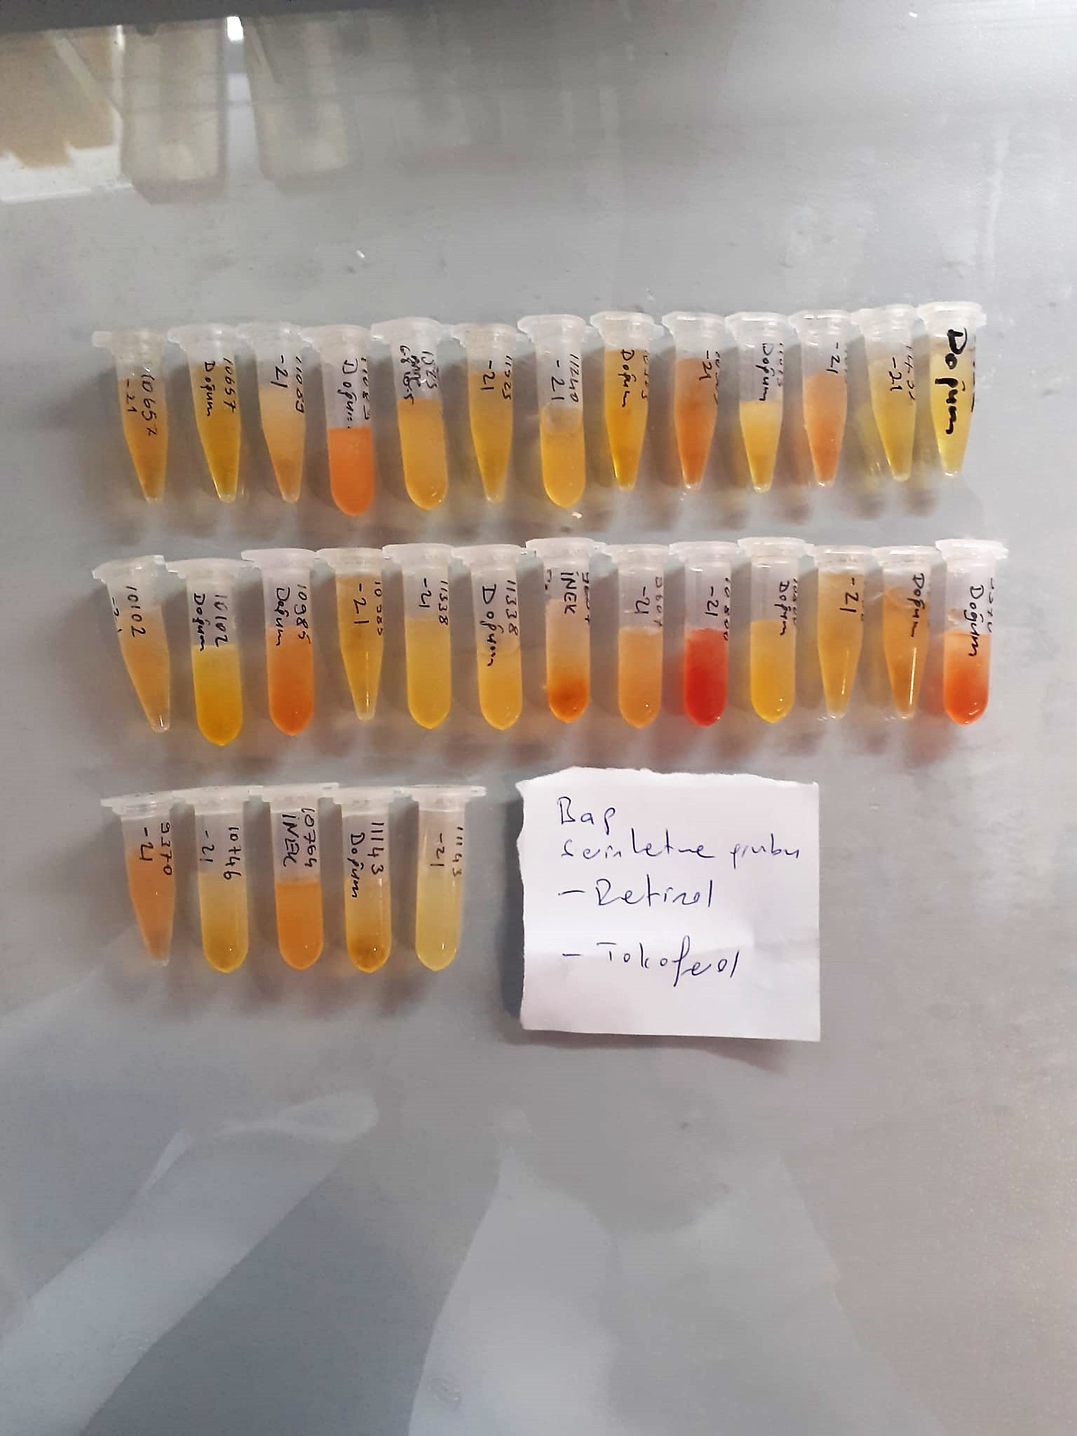
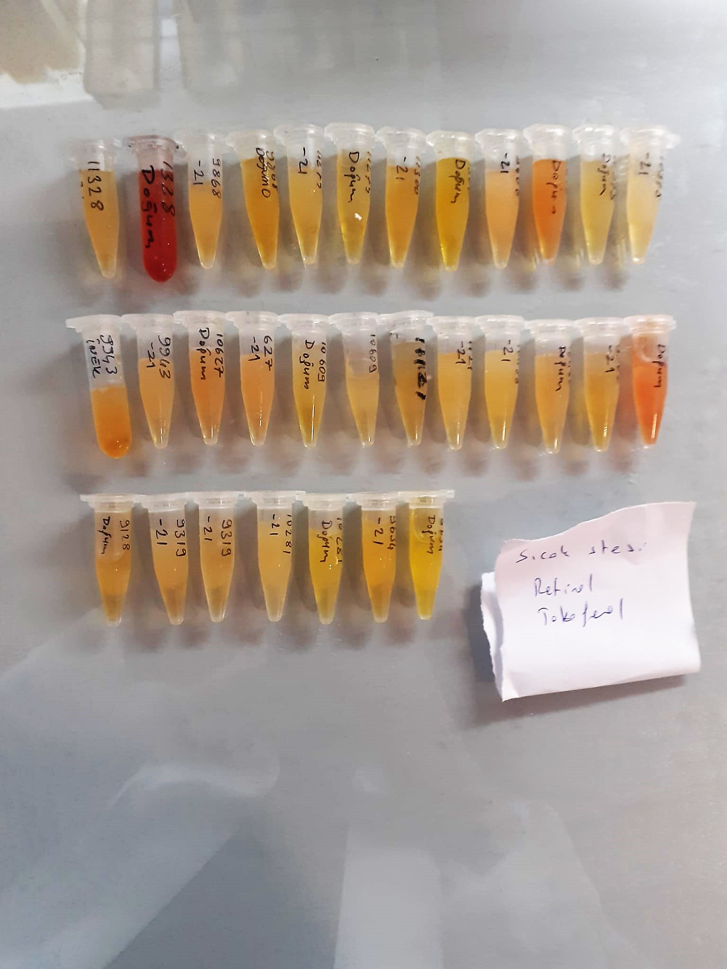

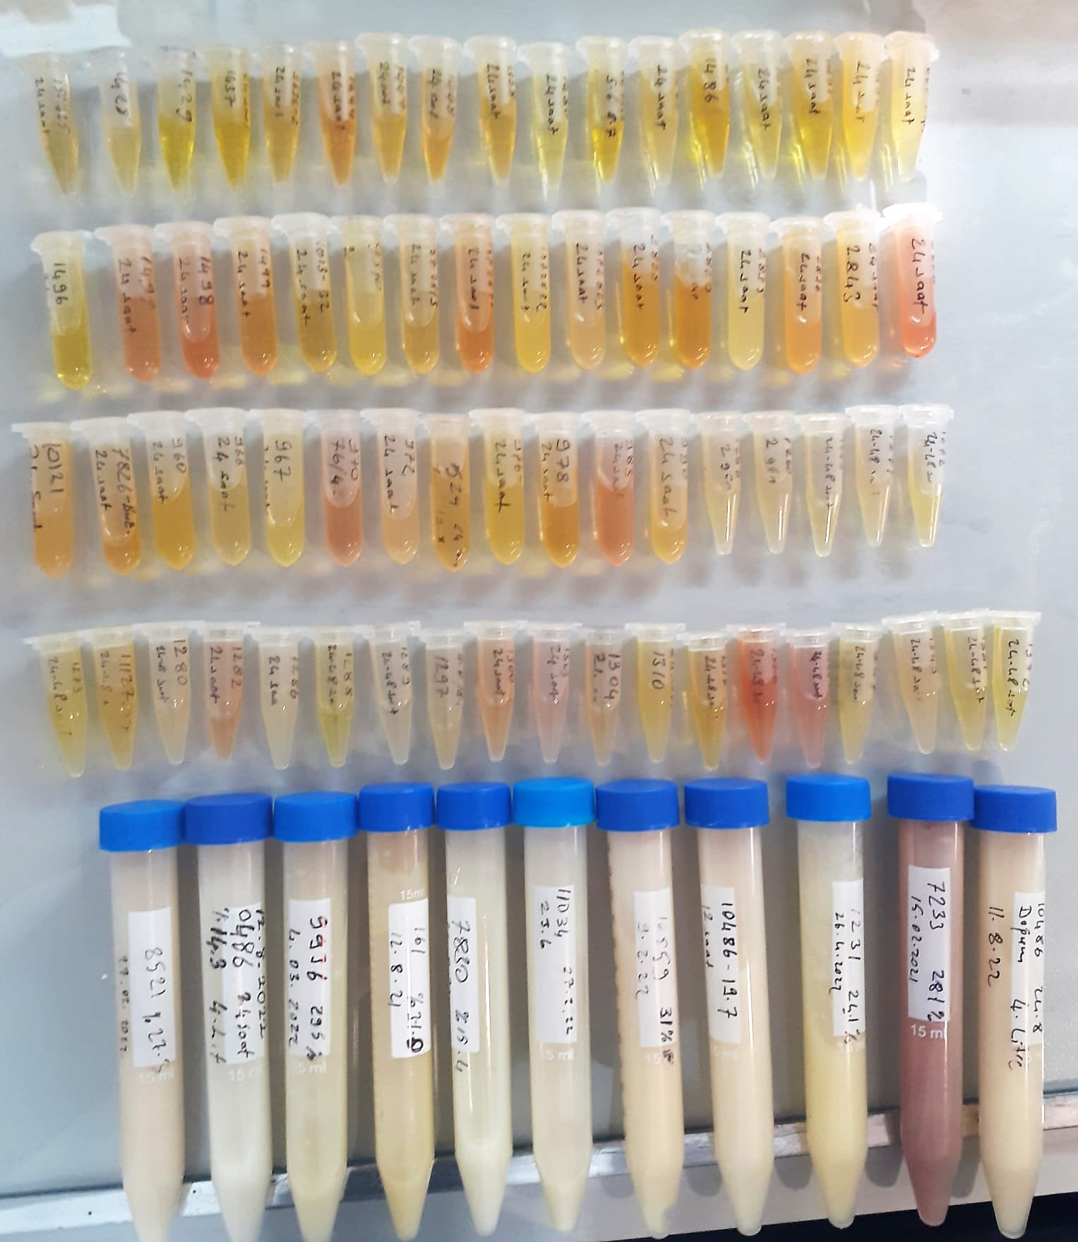

Lactoferrin Test Principle
The kit uses a double-antibody sandwich enzyme-linked immunosorbent assay to assay the level of Bovine Ltf in samples.
Add Bovine Ltf a to monoclonal antibody Enzyme well which is pre-coated with Bovine Ltf a monoclonal antibody, incubation.
Then, add Bovine Ltf a antibodies labeled with biotin, and combined with Stpertavidin-HRP to form immune complex; then carry out incubation and washing again to remove the uncombined enzyme.
Then add Chromogen Solutions A,B,the color of the liguid changes into the blue, and at he effect of acid, the color finally becomes yellow.
The chroma of color and the concentration of the Bovine Ltf of sample were positively correlated.

Retinol Test Principle
The kit uses a double-antibody sandwich enzyme-linked immunosorbent assay to assay the level of Bovine retinol in samples.
...

