Kolorimetrik
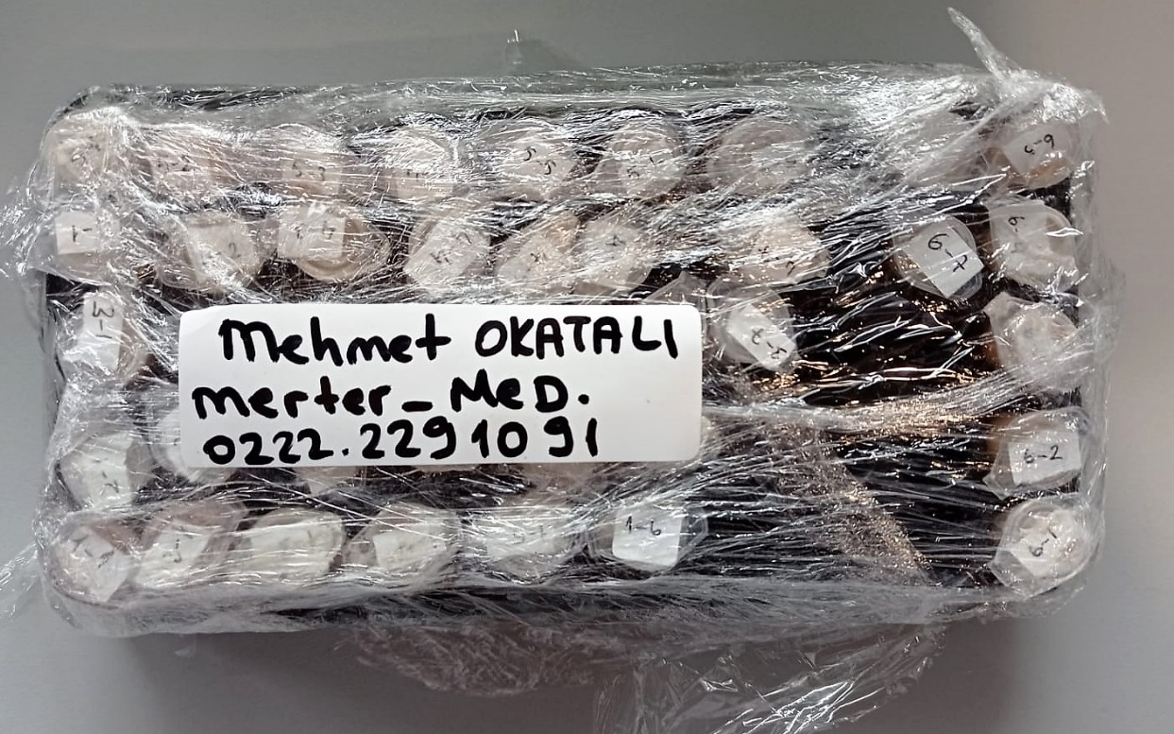
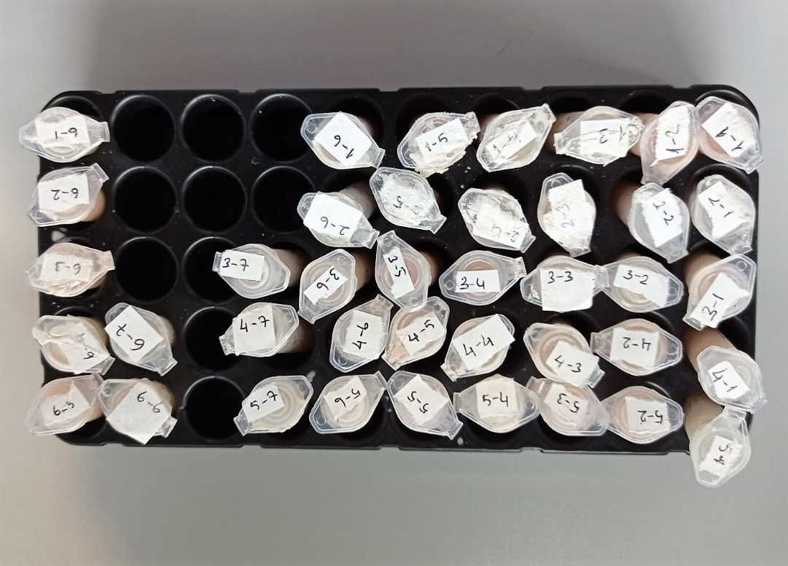
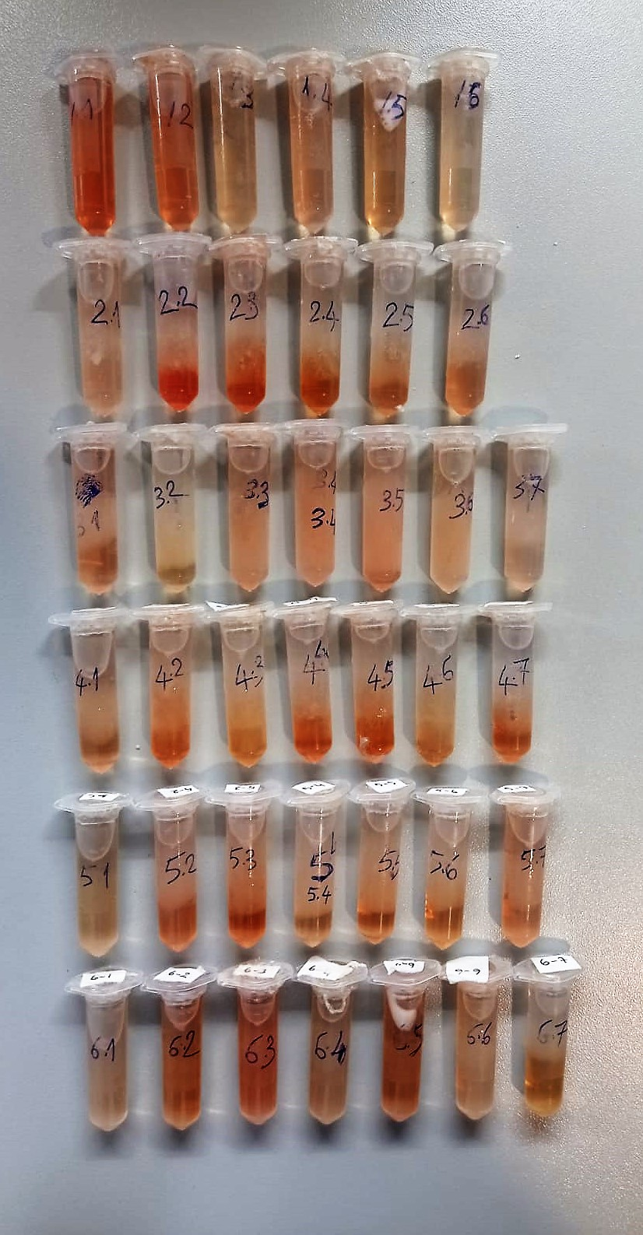
Numune Adı | TAS(mmol/L) | TOS (µmol/L) | OSI | IMA Abs (AU) | SOD (U/ml) | GPX (U/L) | CAT (U/L) | LDH (U/L) | ALP (U/L) | AST /U/L) | ALT (U/L) | BUN (mg/dl) | CREA (mg/dl) | CK-MB (U/l) | NOT
1(1) | 2.72 | 6.16 | 0.226 | 0.71 | 408 | 497 | 98 | 1751 | 292 | 171 | 56 | 27.1 | 1.03 | 585 | hemolizli
1(2) | 1.81 | 6.09 | 0.336 | 0.68 | 402 | 495 | 121 | 1617 | 412 | 132 | 50 | 26.1 | 1 | 471 | hemolizli | Kullanılan cihaz: Mindray marka BS300 model tam otomatik biyokimya cihazı
1(3) | 1.85 | 2.92 | 0.158 | 0.68 | 369 | 499 | 79 | 1347 | 324 | 103 | 37 | 26.6 | 0.91 | 487 |  | SOD: Super Oxıde Dismutase
1(4) | 1.91 | 4.01 | 0.210 | 0.72 | 511 | 492 | 81 | 1825 | 314 | 129 | 40 | 29.9 | 0.93 | 637 |  | CAT: Catalase
1(5) | 2 | 3.31 | 0.166 | 0.71 | 487 | 500 | 98 | 1693 | 445 | 140 | 39 | 29.4 | 0.99 | 566 |  | GPx: Glutathione Peroxidase
1(6) | 1.45 | 1.84 | 0.127 | 0.71 | 325 | 494 | 82 | 1855 | 291 | 115 | 28 | 23.8 | 0.66 | 656 |  | TAS: Total Antıoxıdant Status
2(1) | 1.76 | 2.94 | 0.167 | 0.74 | 133 | 498 | 142 | 2467 | 307 | 160 | 25 | 41.1 | 0.93 | 791 |  | TOS: Total Oxıdant Status
2(2) | 1.78 | 6.34 | 0.356 | 0.74 | 195 | 493 | 114 | 4760 | 340 | 316 | 39 | 59.8 | 1.07 | 1060 | hemolizli | OSI: Oxıdatıve Stress Index
2(3) | 1.88 | 5.2 | 0.277 | 0.74 | 271 | 494 | 111 | 1207 | 255 | 136 | 21 | 45.3 | 0.96 | 331 | hemolizli | MPO: Myeloperoxidase
2(4) | 1.83 | 2.33 | 0.127 | 0.74 | 263 | 490 | 73 | 935 | 242 | 87 | 35 | 33.6 | 1.09 | 323 | hemolizli | MDA: Malondialdehit
2(5) | 1.83 | 2.94 | 0.161 | 0.73 | 279 | 504 | 103 | 1501 | 299 | 151 | 30 | 71.9 | 1.26 | 413 |  | AST: Aspartat Aminotransferaz
2(6) | 2.63 | 3.63 | 0.138 | 0.91 | 405 | 504 | 49 | 3481 | 238 | 164 | 22 | 40.1 | 1.1 | 1364 | hemolizli | ALT: Alanin Aminotransferaz
3(1) | 2.08 | 3.94 | 0.189 | 0.74 | 439 | 488 | 102 | 2120 | 251 | 119 | 34 | 27.5 | 0.87 | 861 | hemolizli | UREA: Üre
3(2) | 1.92 | 1.74 | 0.091 | 0.67 | 337 | 490 | 77 | 878 | 296 | 94 | 50 | 25.2 | 0.87 | 306 |  | LDH: Lactate dehydrogenase
3(3) | 1.93 | 4.06 | 0.210 | 0.79 | 300 | 499 | 81 | 1530 | 299 | 116 | 50 | 26.6 | 0.93 | 677 | hemolizli | CREA: Creatinine
3(4) | 1.88 | 4.99 | 0.265 | 0.75 | 516 | 509 | 81 | 2433 | 269 | 186 | 49 | 27.1 | 1 | 866 | hemolizli | ALP: Alkaline Phosphatase
3(5) | 5.61 | 4.99 | 0.089 | 0.77 | 250 | 495 | 132 | 2456 | 364 | 150 | 43 | 26.3 | 0.93 | 803 | hemolizli | CK-MB: Creatinine Kinase-MB
3(6) | 2.19 | 3.13 | 0.143 | 0.74 | 451 | 498 | 91 | 2146 | 281 | 144 | 46 | 26.7 | 0.92 | 930 | hemolizli
3(7) | 1.88 | 2.57 | 0.137 | 0.7 | 339 | 496 | 105 | 1222 | 323 | 92 | 38 | 22.8 | 0.9 | 491
4(1) | 1.88 | 3.4 | 0.181 | 0.76 | 447 | 496 | 64 | 3246 | 307 | 156 | 31 | 23.9 | 1.03 | 941 | hemolizli
4(2) | 1.99 | 3.93 | 0.197 | 0.74 | 264 | 500 | 77 | 1312 | 216 | 113 | 39 | 27.3 | 1.03 | 424 | hemolizli
4(3) | 2 | 2.07 | 0.104 | 0.79 | 251 | 503 | 80 | 1619 | 255 | 113 | 38 | 36.9 | 1.05 | 646 | hemolizli
4(4) | 5.88 | 3.41 | 0.058 | 0.7 | 128 | 495 | 82 | 1174 | 293 | 105 | 26 | 38.3 | 1.08 | 409 | hemolizli
4(5) | 2 | 3.61 | 0.181 | 0.82 | 330 | 497 | 122 | 381 | 347 | 96 | 35 | 29.4 | 0.89 | 204 | hemolizli
4(6) | 6.22 | 2.61 | 0.042 | 0.91 | 342 | 492 | 158 | 666 | 176 | 77 | 29 | 32.2 | 0.86 | 347 | hemolizli
4(7) | 2.13 | 2.72 | 0.128 | 0.8 | 262 | 498 | 85 | 1107 | 198 | 97 | 28 | 27.2 | 0.88 | 529 | hemolizli
5(1) | 2.25 | 1.92 | 0.085 | 0.8 | 416 | 496 | 60 | 1094 | 259 | 110 | 53 | 25.7 | 0.97 | 496 | hemolizli
5(2) | 2.37 | 5.49 | 0.232 | 0.8 | 112 | 498 | 137 | 1963 | 358 | 130 | 32 | 22.4 | 0.87 | 697 | hemolizli
5(3) | 2.22 | 5.05 | 0.227 | 0.84 | 456 | 517 | 131 | 1902 | 291 | 123 | 45 | 24.2 | 0.98 | 606 | hemolizli
5(4) | 2.06 | 2.43 | 0.118 | 0.74 | 333 | 488 | 89 | 884 | 246 | 80 | 36 | 27.1 | 0.97 | 397
5(5) | 2.07 | 3.25 | 0.157 | 0.82 | 433 | 501 | 75 | 1812 | 401 | 136 | 47 | 24.7 | 1.01 | 562 | hemolizli
5(6) | 2.17 | 2.51 | 0.116 | 0.78 | 385 | 491 | 95 | 1169 | 356 | 94 | 42 | 24.4 | 0.99 | 448 | hemolizli
5(7) | 5.69 | 4.02 | 0.071 | 0.84 | 235 | 490 | 103 | 744 | 273 | 100 | 42 | 22.6 | 1.28 | 289 | hemolizli
6(1) | 4.77 | 2.43 | 0.051 | 0.81 | 183 | 492 | 80 | 2812 | 220 | 129 | 24 | 36.4 | 0.88 | 940
6(2) | 2.05 | 3.13 | 0.153 | 0.86 | 451 | 530 | 72 | 2145 | 237 | 137 | 35 | 35.5 | 0.91 | 795 | hemolizli
6(3) | 1.94 | 4.61 | 0.238 | 0.76 | 355 | 526 | 92 | 2286 | 278 | 144 | 33 | 30.3 | 0.93 | 749 | hemolizli
6(4) | 1.77 | 2.74 | 0.155 | 0.77 | 283 | 531 | 117 | 1942 | 238 | 127 | 21 | 41.1 | 1.02 | 529
6(5) | 1.46 | 3.54 | 0.242 | 0.72 | 364 | 527 | 33 | 1476 | 192 | 112 | 27 | 34.5 | 0.91 | 430 | hemolizli
6(6) | 2.12 | 2.33 | 0.110 | 0.81 | 188 | 540 | 82 | 2132 | 283 | 123 | 42 | 37.8 | 0.98 | 654 | lipemi
6(7) | 1.81 | 1.79 | 0.099 | 0.75 | 480 | 526 | 77 | 1470 | 239 | 117 | 34 | 27.5 | 0.94 | 606

GSH
1.012 | 0.294 | 0.109 | 0.151 | 0.085 | 0.081 | 0.095 | 0.087 | 0.079 | 0.097 | 0.089 | 0.081
0.774 | 0.055 | 0.092 | 0.075 | 0.103 | 0.097 | 0.086 | 0.078 | 0.093 | 0.115 | 0.086 | 0.079
0.607 | 0.165 | 0.14 | 0.107 | 0.093 | 0.088 | 0.284 | 0.138 | 0.094 | 0.081 | 0.11
0.409 | 0.184 | 0.171 | 0.118 | 0.14 | 0.108 | 0.105 | 0.109 | 0.087 | 0.11 | 0.08

Glutathione
0.957 | 24
0.719 | 12
0.552 | 6
0.354 | 3
0.239 | 1.5
0 | 0
 | abs | abs-blank | expected | result
std1 | 1.012 | 0.957 | 24 | 23.605159476
std2 | 0.774 | 0.719 | 12 | 12.473155964
std3 | 0.607 | 0.552 | 6 | 6.787406496
std4 | 0.409 | 0.354 | 3 | 2.317230984
std5 | 0.294 | 0.239 | 1.5 | 0.852023804
blank | 0.055 | 0 | 0 | 0.4656

Numune | absorbans | abs-blank | result |  |  |  |  | concentratıon (ng/ml)
1(1) | 0.165 | 0.11 | 0.1975454
1(2) | 0.184 | 0.129 | 0.228265284
1(3) | 0.109 | 0.054 | 0.238983384
1(4) | 0.092 | 0.037 | 0.290559956
1(5) | 0.14 | 0.085 | 0.1916909
1(6) | 0.171 | 0.116 | 0.204795344
2(1) | 0.151 | 0.096 | 0.189427584
2(2) | 0.075 | 0.02 | 0.3602996
2(3) | 0.107 | 0.052 | 0.244108496
2(4) | 0.118 | 0.063 | 0.219031356
2(5) | 0.085 | 0.03 | 0.3170766
2(6) | 0.103 | 0.048 | 0.255112896
3(1) | 0.093 | 0.038 | 0.287023256
3(2) | 0.14 | 0.085 | 0.1916909
3(3) | 0.081 | 0.026 | 0.333611624
3(4) | 0.097 | 0.042 | 0.273504936
3(5) | 0.088 | 0.033 | 0.305335236
3(6) | 0.108 | 0.053 | 0.241514516
3(7) | 0.095 | 0.04 | 0.2801384
4(1) | 0.086 | 0.031 | 0.313099964
4(2) | 0.284 | 0.229 | 0.763894484
4(3) | 0.105 | 0.05 | 0.249485
4(4) | 0.087 | 0.032 | 0.309186176
4(5) | 0.078 | 0.023 | 0.346672796
4(6) | 0.138 | 0.083 | 0.192919436
4(7) | 0.109 | 0.054 | 0.238983384
5(1) | 0.079 | 0.024 | 0.342256224
5(2) | 0.093 | 0.038 | 0.287023256
5(3) | 0.094 | 0.039 | 0.283549404
5(4) | 0.087 | 0.032 | 0.309186176
5(5) | 0.097 | 0.042 | 0.273504936
5(6) | 0.115 | 0.06 | 0.2251164
5(7) | 0.081 | 0.026 | 0.333611624
6(1) | 0.11 | 0.055 | 0.2365151
6(2) | 0.089 | 0.034 | 0.301547144
6(3) | 0.086 | 0.031 | 0.313099964
6(4) | 0.11 | 0.055 | 0.2365151
6(5) | 0.08 | 0.025 | 0.3379025
6(6) | 0.081 | 0.026 | 0.333611624
6(7) | 0.079 | 0.024 | 0.342256224

TROPONİN
2.31 | 0.531 | 0.621 | 0.548 | 0.442 | 0.799
1.488 | 0.705 | 0.726 | 0.604 | 0.643 | 0.829
0.846 | 0.569 | 0.796 | 0.498 | 0.586 | 0.423
0.447 | 0.63 | 0.775 | 0.628 | 0.575 | 0.826
0.324 | 0.504 | 0.574 | 0.519 | 0.564 | 0.629
0.14 | 0.556 | 0.627 | 0.483 | 0.492 | 0.564
0.058 | 0.799 | 0.683 | 0.681 | 0.602 | 0.72
 | 0.825 | 0.727 | 0.643 | 0.611 | 0.824

TROPONİN
2.252 | 1000
1.43 | 500
0.788 | 250
0.389 | 125
0.266 | 62.5
0.082 | 31.25
0 | 0
 | abs | abs-blank | expected | result
std1 | 2.31 | 2.252 | 1000 | 994.65624939
std2 | 1.488 | 1.43 | 500 | 517.5751877
std3 | 0.846 | 0.788 | 250 | 238.92785451
std4 | 0.447 | 0.389 | 125 | 107.27452433
std5 | 0.324 | 0.266 | 62.5 | 73.108529588
std6 | 0.14 | 0.082 | 31.25 | 27.645698452
blank | 0.058 | 0 | 0

Numune | absorbans | abs-blank | result
1(1) | 0.531 | 0.473 | 132.34572932 |  |  | concentratıon (pg/ml)
1(2) | 0.705 | 0.647 | 188.76692756
1(3) | 0.569 | 0.511 | 144.15093973
1(4) | 0.63 | 0.572 | 163.70514603
1(5) | 0.504 | 0.446 | 124.13326927
1(6) | 0.556 | 0.498 | 140.07982389
2(1) | 0.799 | 0.741 | 221.76586481
2(2) | 0.825 | 0.767 | 231.2051462
2(3) | 0.621 | 0.563 | 160.77331184
2(4) | 0.726 | 0.668 | 195.98577195
2(5) | 0.796 | 0.738 | 220.68541461
2(6) | 0.775 | 0.717 | 213.1726496
3(1) | 0.574 | 0.516 | 145.72575109
3(2) | 0.627 | 0.569 | 162.72606845
3(3) | 0.683 | 0.625 | 181.29890312
3(4) | 0.727 | 0.669 | 196.33172585
3(5) | 0.548 | 0.49 | 137.5913173
3(6) | 0.604 | 0.546 | 155.27959087
3(7) | 0.498 | 0.44 | 122.3280728
4(1) | 0.628 | 0.57 | 163.0522277
4(2) | 0.519 | 0.461 | 128.67775193
4(3) | 0.483 | 0.425 | 117.84657312
4(4) | 0.681 | 0.623 | 180.62479052
4(5) | 0.643 | 0.585 | 167.96860992
4(6) | 0.442 | 0.384 | 105.82667869
4(7) | 0.643 | 0.585 | 167.96860992
5(1) | 0.586 | 0.528 | 149.52569283
5(2) | 0.575 | 0.517 | 146.0413132
5(3) | 0.564 | 0.506 | 142.58112703
5(4) | 0.492 | 0.434 | 120.53007439
5(5) | 0.602 | 0.544 | 154.63706973
5(6) | 0.611 | 0.553 | 157.53471316
5(7) | 0.799 | 0.741 | 221.76586481
6(1) | 0.829 | 0.771 | 232.66934009
6(2) | 0.423 | 0.365 | 100.37045292
6(3) | 0.826 | 0.768 | 231.57089475
6(4) | 0.629 | 0.571 | 163.37858689
6(5) | 0.564 | 0.506 | 142.58112703
6(6) | 0.72 | 0.662 | 193.91424741
6(7) | 0.824 | 0.766 | 230.83959759

MDA
MDA
2.481 | 100
1.673 | 50
0.994 | 25
0.513 | 12.5
0.288 | 6.25
0.122 | 3.125
0 | 0

 | absorbans | abs-blank | expected | result
std3 | 2.511 | 2.481 | 100 | 99.11157344
std4 | 1.703 | 1.673 | 50 | 52.40258016
std5 | 1.024 | 0.994 | 25 | 24.29762944
std6 | 0.543 | 0.513 | 12.5 | 10.54810976
std7 | 0.318 | 0.288 | 6.25 | 5.87012576
std8 | 0.152 | 0.122 | 3.125 | 3.13537536
blank | 0.03 | 0 | 0 | 1.5134

 |  |  |  |  | concentratıon (mmol/L)

Numune | absorbans | abs-blank | result
1(1) | 0.51 | 0.48 | 9.792056
1(2) | 0.244 | 0.214 | 4.57585984
1(3) | 0.15 | 0.12 | 3.106136
1(4) | 0.158 | 0.128 | 3.22362336
1(5) | 0.15 | 0.12 | 3.106136
1(6) | 0.135 | 0.105 | 2.889656
2(1) | 0.264 | 0.234 | 4.91373824
2(2) | 0.184 | 0.154 | 3.61521664
2(3) | 0.197 | 0.167 | 3.81661056
2(4) | 0.195 | 0.165 | 3.785384
2(5) | 0.17 | 0.14 | 3.402504
2(6) | 0.172 | 0.142 | 3.43262656
3(1) | 0.202 | 0.172 | 3.89506336
3(2) | 0.183 | 0.153 | 3.59987936
3(3) | 0.153 | 0.123 | 3.15002816
3(4) | 0.313 | 0.283 | 5.77886656
3(5) | 0.271 | 0.241 | 5.03408224
3(6) | 0.154 | 0.124 | 3.16470304
3(7) | 0.163 | 0.133 | 3.29777056
4(1) | 0.177 | 0.147 | 3.50831936
4(2) | 0.188 | 0.158 | 3.67678656
4(3) | 0.176 | 0.146 | 3.49313664
4(4) | 0.202 | 0.172 | 3.89506336
4(5) | 0.153 | 0.123 | 3.15002816
4(6) | 0.252 | 0.222 | 4.70995136
4(7) | 0.156 | 0.126 | 3.19411904
5(1) | 0.16 | 0.13 | 3.253216
5(2) | 0.267 | 0.237 | 4.96518176
5(3) | 0.172 | 0.142 | 3.43262656
5(4) | 0.262 | 0.232 | 4.87955296
5(5) | 0.726 | 0.696 | 15.17716064
5(6) | 0.238 | 0.208 | 4.47621856
5(7) | 0.242 | 0.212 | 4.54255776
6(1) | 0.177 | 0.147 | 3.50831936
6(2) | 0.198 | 0.168 | 3.83225696
6(3) | 0.242 | 0.212 | 4.54255776
6(4) | 1.69 | 1.66 | 51.768904
6(5) | 0.182 | 0.152 | 3.58456416
6(6) | 0.229 | 0.199 | 4.32824704
6(7) | 0.126 | 0.096 | 2.76215264

MPO
0.078 | 0.964 | 0.486 | 0.669 | 0.651 | 0.557 | 0.588 | 0.628 | 0.638 | 0.431 | 0.529 | 0.514
0.232 | 1.42 | 0.567 | 0.583 | 0.601 | 0.563 | 0.515 | 0.589 | 0.543 | 0.479 | 0.508 | 0.416
0.489 | 2.362 | 0.572 | 0.58 | 0.589 | 0.572 | 0.524 | 0.496 | 0.506 | 0.429 | 0.5 | 0.438
0.066 | 0.061 | 0.568 | 0.537 | 0.604 | 0.498 | 0.525 | 0.56 | 0.474 | 0.39 | 0.48 | 0.444

MPO
2.301 | 640
1.359 | 320
0.903 | 160
0.428 | 80
0.171 | 40
0.017 | 20
0 | 0
 | abs | abs-blank | expected | result
std1 | 2.362 | 2.301 | 640 | 642.67872319
std2 | 1.42 | 1.359 | 320 | 303.97593498
std3 | 0.964 | 0.903 | 160 | 179.66008867
std4 | 0.489 | 0.428 | 80 | 77.66417704
std5 | 0.232 | 0.171 | 40 | 34.177511585
std6 | 0.078 | 0.017 | 20 | 12.055291465
blank | 0.061 | 0 | 0

 |  |  |  |  |  |  |  | concentratıon (U/L)

Numune | absorbans | abs-blank | result
1(1) | 0.486 | 0.425 | 77.109165625
1(2) | 0.567 | 0.506 | 92.48735866
1(3) | 0.572 | 0.511 | 93.463369385
1(4) | 0.568 | 0.507 | 92.682312065
1(5) | 0.669 | 0.608 | 113.01323584
1(6) | 0.583 | 0.522 | 95.62153754
2(1) | 0.58 | 0.519 | 95.031453785
2(2) | 0.537 | 0.476 | 86.69658856
2(3) | 0.651 | 0.59 | 109.2969985
2(4) | 0.601 | 0.54 | 99.185546
2(5) | 0.589 | 0.528 | 96.80506304
2(6) | 0.604 | 0.543 | 99.783465065
3(1) | 0.557 | 0.496 | 90.54466496
3(2) | 0.563 | 0.502 | 91.70878874
3(3) | 0.572 | 0.511 | 93.463369385
3(4) | 0.498 | 0.437 | 79.335927265
3(5) | 0.588 | 0.527 | 96.607497865
3(6) | 0.515 | 0.454 | 82.52116346
3(7) | 0.524 | 0.463 | 84.222016265
4(1) | 0.525 | 0.464 | 84.41162176
4(2) | 0.628 | 0.567 | 104.60711346
4(3) | 0.589 | 0.528 | 96.80506304
4(4) | 0.496 | 0.435 | 78.963556625
4(5) | 0.56 | 0.499 | 91.126167185
4(6) | 0.638 | 0.577 | 106.63810986
4(7) | 0.543 | 0.482 | 87.84578794
5(1) | 0.506 | 0.445 | 80.830384625
5(2) | 0.474 | 0.413 | 74.900313265
5(3) | 0.431 | 0.37 | 67.1323265
5(4) | 0.479 | 0.418 | 75.81849194
5(5) | 0.429 | 0.368 | 66.77662144
5(6) | 0.39 | 0.329 | 59.939806585
5(7) | 0.529 | 0.468 | 85.17128744
6(1) | 0.508 | 0.447 | 81.205242665
6(2) | 0.5 | 0.439 | 79.708795385
6(3) | 0.48 | 0.419 | 76.002500785
6(4) | 0.514 | 0.453 | 82.332801665
6(5) | 0.416 | 0.355 | 64.476664625
6(6) | 0.438 | 0.377 | 68.381211865
6(7) | 0.444 | 0.383 | 69.456535465

