Serum
2.577 | 0.293 | 0.298 | 0.898 | 0.532
1.503 | 0.391 | 0.363 | 1.01 | 0.493
0.901 | 0.415 | 0.419 | 1.744 | 0.503
0.499 | 0.399 | 0.434 | 0.542 | 0.431
0.266 | 0.478 | 0.414 | 0.89
0.179 | 0.264 | 0.407 | 0.836
0.116 | 0.377 | 0.249 | 1.502
AMH
0.063 | 0.269 | 0.247 | 1.134

 | abs | abs-blank | expected | result
std1 | 2.577 | 2.514 | 4000 | 4006.24
std2 | 1.503 | 1.44 | 2000 | 1967.78
std3 | 0.901 | 0.838 | 1000 | 1039.39
std4 | 0.499 | 0.436 | 500 | 505.14
std5 | 0.266 | 0.203 | 250 | 226.90
std6 | 0.179 | 0.116 | 125 | 128.91
std7 | 0.116 | 0.053 | 62.5 | 59.97
blank | 0.063 | 0 | 0 | 3.27

 |  |  |  |  | concentratıon (pg/ml)

Numune | absorbans | blank | abs-blank | result
Kontrol-1 | 0.293 | 0.063 | 0.23 | 257.96
Kontrol-2 | 0.391 | 0.063 | 0.328 | 373.30
Kontrol-3 | 0.415 | 0.063 | 0.352 | 402.17
Kontrol-4 | 0.399 | 0.063 | 0.336 | 382.90
Kontrol-5 | 0.478 | 0.063 | 0.415 | 479.12
Kontrol-6 | 0.264 | 0.063 | 0.201 | 224.61
Kontrol-7 | 0.377 | 0.063 | 0.314 | 356.57
Curcumin-1 | 0.269 | 0.063 | 0.206 | 230.33
Curcumin-2 | 0.298 | 0.063 | 0.235 | 263.74
Curcumin-3 | 0.363 | 0.063 | 0.3 | 339.93
Curcumin-4 | 0.419 | 0.063 | 0.356 | 407.01
Curcumin-5 | 0.434 | 0.063 | 0.371 | 425.20
Curcumin-6 | 0.414 | 0.063 | 0.351 | 400.96
Curcumin-7 | 0.407 | 0.063 | 0.344 | 392.52
MTX-1 | 0.249 | 0.063 | 0.186 | 207.50
MTX-2 | 0.247 | 0.063 | 0.184 | 205.22
MTX-3 | 0.898 | 0.063 | 0.835 | 1035.15
MTX-4 | 1.01 | 0.063 | 0.947 | 1196.08
MTX-5 | 1.744 | 0.063 | 1.681 | 2382.58
MTX-6 | 0.542 | 0.063 | 0.479 | 559.01
MTX-7 | 0.89 | 0.063 | 0.827 | 1023.86
MTX+Curcumin-1 | 0.836 | 0.063 | 0.773 | 948.36
MTX+Curcumin-2 | 1.502 | 0.063 | 1.439 | 1966.11
MTX+Curcumin-3 | 1.134 | 0.063 | 1.071 | 1380.46
MTX+Curcumin-4 | 0.532 | 0.063 | 0.469 | 546.41
MTX+Curcumin-5 | 0.493 | 0.063 | 0.43 | 497.68
MTX+Curcumin-6 | 0.503 | 0.063 | 0.44 | 510.12
MTX+Curcumin-7 | 0.431 | 0.063 | 0.368 | 421.55

Ovaryum-MDA
MDA
2.481 | 100
1.673 | 50
0.994 | 25
0.513 | 12.5
0.288 | 6.25
0.122 | 3.125
0 | 0
 | absorbans | abs-blank | expected | result
std1 | 2.511 | 2.481 | 100 | 99.11
std2 | 1.703 | 1.673 | 50 | 52.40
std3 | 1.024 | 0.994 | 25 | 24.30
std4 | 0.543 | 0.513 | 12.5 | 10.55
std5 | 0.318 | 0.288 | 6.25 | 5.87
std6 | 0.152 | 0.122 | 3.125 | 3.14
blank | 0.03 | 0 | 0 | 1.51

 |  |  |  |  | concentratıon (mmol/L)

Numune | absorbans | blank | abs-blank | result
Kontrol-1 | 2.24 | 0.03 | 2.21 | 81.84
Kontrol-2 | 0.98 | 0.03 | 0.95 | 22.83
Kontrol-3 | 2.59 | 0.03 | 2.56 | 104.45
Kontrol-4 | 0.79 | 0.03 | 0.76 | 16.97
Kontrol-5 | 0.9 | 0.03 | 0.87 | 20.26
Kontrol-6 | 0.41 | 0.03 | 0.38 | 7.65
Kontrol-7 | 0.68 | 0.03 | 0.65 | 13.94
Curcumin-1 | 0.29 | 0.03 | 0.26 | 5.37
Curcumin-2 | 0.16 | 0.03 | 0.13 | 3.25
Curcumin-3 | 0.57 | 0.03 | 0.54 | 11.18
Curcumin-4 | 1.82 | 0.03 | 1.79 | 58.27
Curcumin-5 | 0.33 | 0.03 | 0.3 | 6.09
Curcumin-6 | 0.42 | 0.03 | 0.39 | 7.85
Curcumin-7 | 0.17 | 0.03 | 0.14 | 3.40
MTX-1 | 0.21 | 0.03 | 0.18 | 4.02
MTX-2 | 0.62 | 0.03 | 0.59 | 12.41
MTX-3 | 0.43 | 0.03 | 0.4 | 8.06
MTX-4 | 1.12 | 0.03 | 1.09 | 27.65
MTX-5 | 0.21 | 0.03 | 0.18 | 4.02
MTX-6 | 0.22 | 0.03 | 0.19 | 4.18
MTX-7 | 1.62 | 0.03 | 1.59 | 48.42
MTX+Curcumin-1 | 0.2 | 0.03 | 0.17 | 3.86
MTX+Curcumin-2 | 1.79 | 0.03 | 1.76 | 56.74
MTX+Curcumin-3 | 0.29 | 0.03 | 0.26 | 5.37
MTX+Curcumin-4 | 0.46 | 0.03 | 0.43 | 8.69
MTX+Curcumin-5 | 0.9 | 0.03 | 0.87 | 20.26
MTX+Curcumin-6 | 0.48 | 0.03 | 0.45 | 9.13
MTX+Curcumin-7 | 0.29 | 0.03 | 0.26 | 5.37

Materyal-metod
KİT ADI | TÜR | MARKA | CAT. NO | Yöntem | Kullanılan Cihaz
AMH(Anti-Mullerian Hormone) | Rat | Elabscience | E-EL-R3022 | ELISA | Microplate reader: BIO-TEK EL X 800-Aotu strip washer:BIO TEK EL X 50
SOD: Super Oxide Dismutase | Universal | RELASSAY | RLD0123 | Kolorimetrik | MINDRAY-BS400
CAT: Catalase | Universal | RELASSAY | RL0253 | Kolorimetrik | MINDRAY-BS400
MDA: Malondialdehit | Universal | RELASSAY | RLMD0158 | Kolorimetrik | MINDRAY-BS400
NOT: Dokular 1/9 oranında( 0,1 gr doku: 0,9ml 140 mmol. lık KCl) Potasyum Klorür tamponu ile homojenize edildikten sonra 7000 rpm + 4' de 5 dk santrifüj edildi.
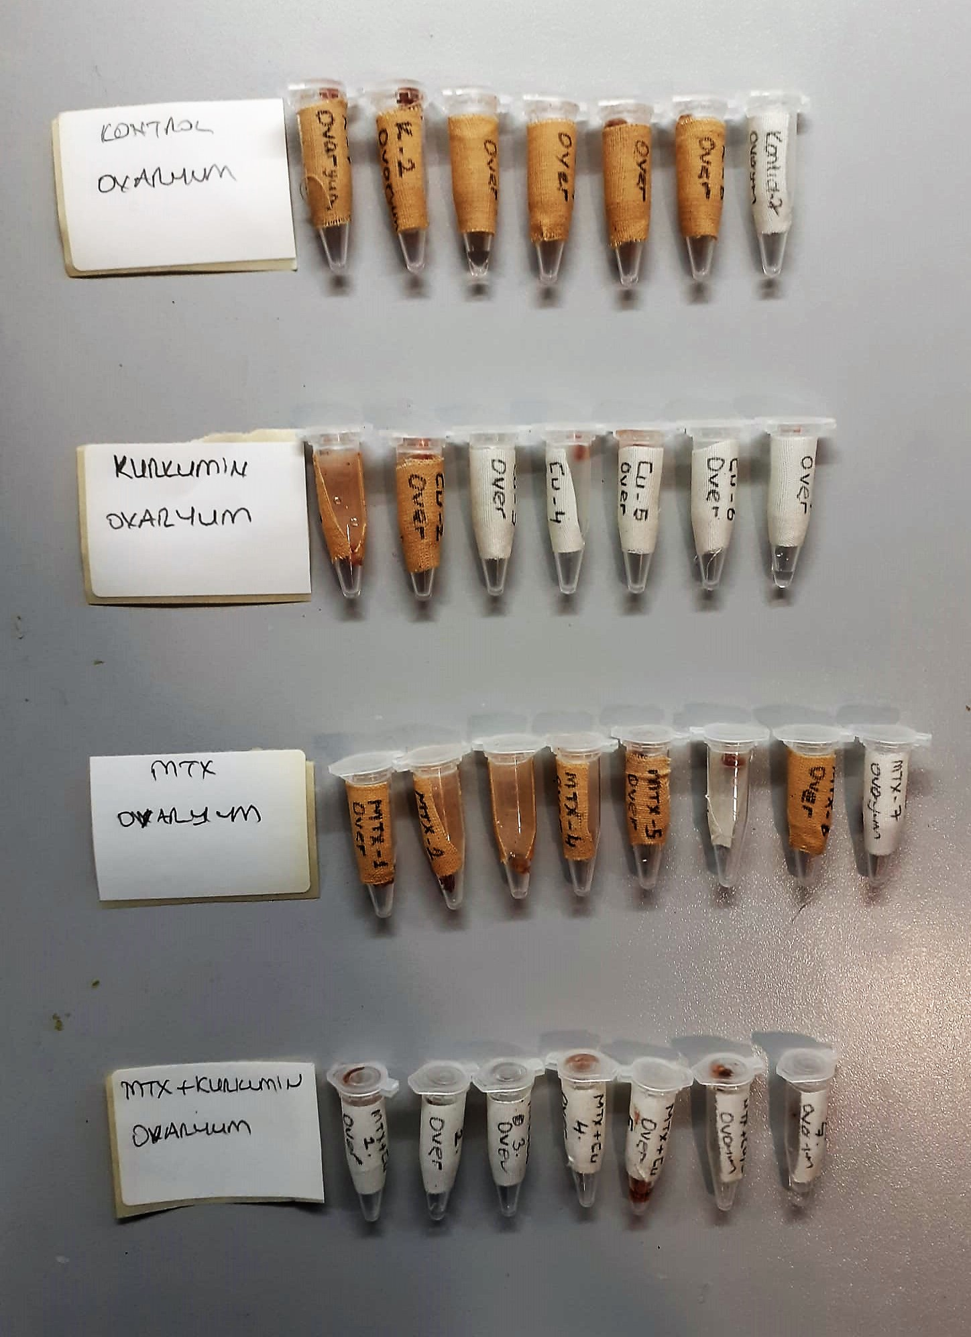
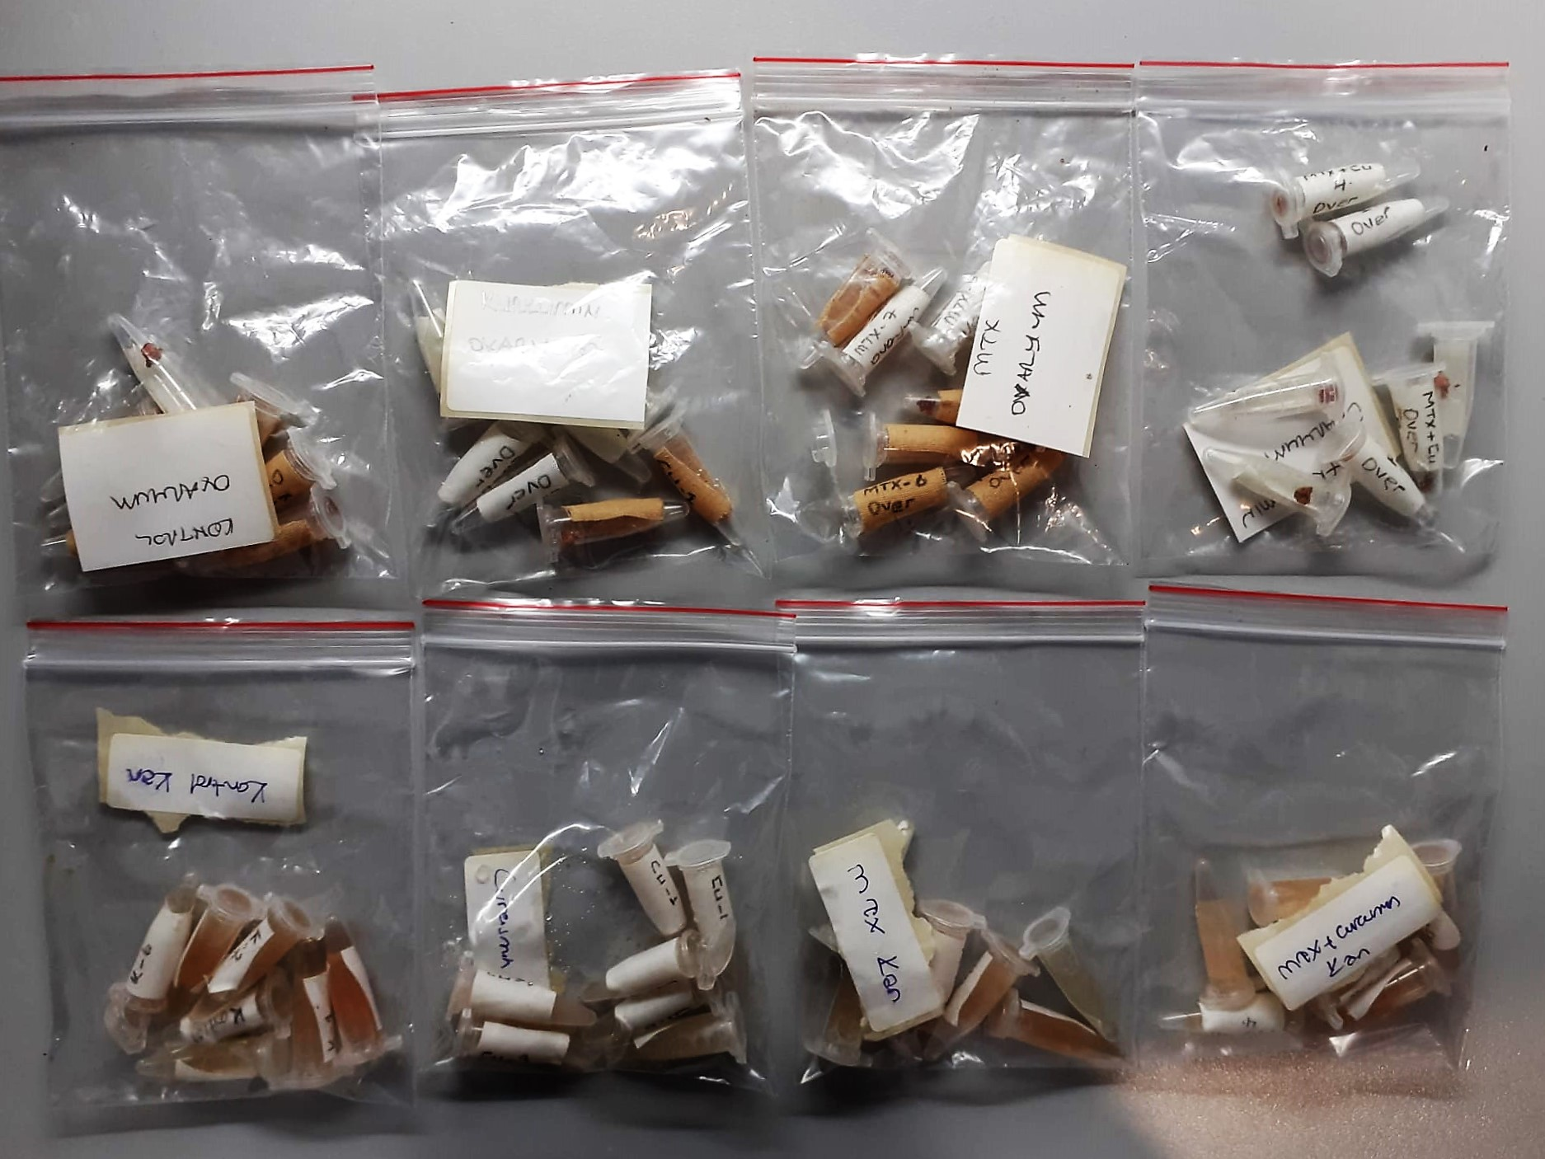

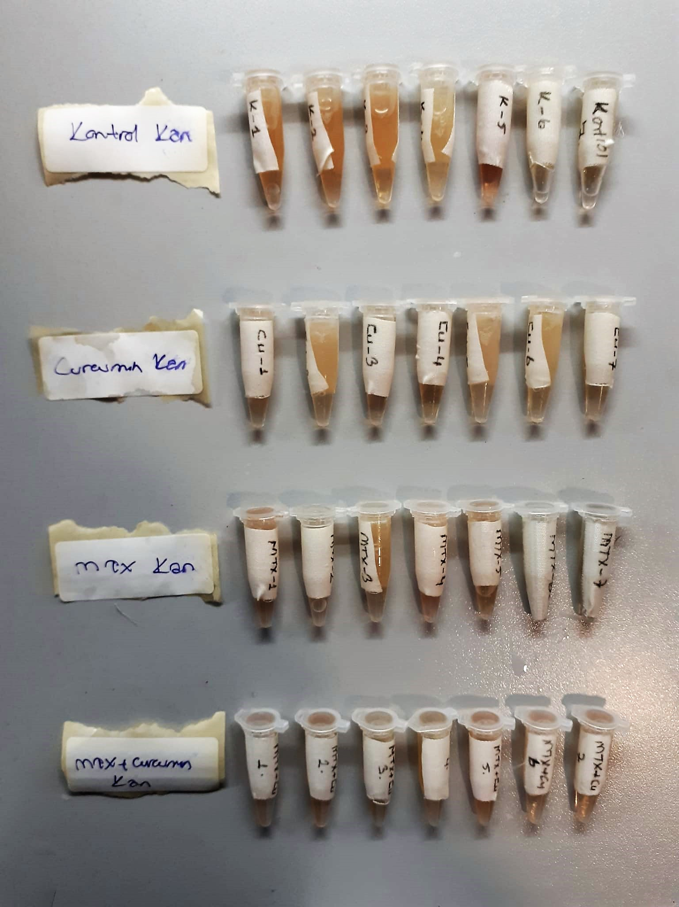

Super Oxide Dismutase (SOD) U/ml
The role of speroxide dismutase is to accelerate the dismutation of the toxic radical, produced
during oxidative energy processes to hydrogen peroxide and molecular oxygen. This method
employs xanthine and xanthine oxidase to generate superoxide radicals which react with 2-(4-
iodophenyl)-3-(4-nitrophenol)-5-phenyltetrazolium chloride to form a red formazan dye.. the
superoxide dismutase activity is then measured by the degree of inhibiton of this reaction
(Relassay, Turkey)

Catalase (CAT) U/L
This colorimetric assay involves two steps. Sample is first incubated with a known amount of
hydrogen peroxide. Sample converts hydrogen peroxide to water and oxygen. The ratio is
proportional to the concentration of catalase. The enzyme is stopped and the remaining
hydrogen peroxide, following a fixed incubation period, is determined using a chromogen.
The resulting absorbance is measured at 405 nm and the obtained results are expressed as U/L.
(Relassay, Turkey)

Malondialdehyde (MDA) nmol/L
The MDA level was determined by a method based
on the reaction with thiobarbituric acid (TBA) at 90–100_C
. In the TBA test reaction, MDA or MDA-like
substances and TBA react with the production of a pink
pigment with a maximum absorption at 532 nm. The
reaction was performed at pH 2–3 at 90_C for 15 min. The
sample was mixed with two volumes of cold 10% (w/v)
trichloroacetic acid for the precipitation of protein. The
precipitate was pelleted by centrifugation, and an aliquot of
the supernatant was reacted with an equal volume of 0.67%
(w/v) TBA in a boiling water bath for 10 min. After
cooling, the absorbance was read at 532 nm.

AMH Test Principle
This ELISA kit uses the Sandwich-ELISA principle. The micro ELISA plate provided in this kit has been pre-coated with an antibody specific to Rat AMH. Samples (or Standards) are added to the micro ELISA plate wells and combined with the specific antibody.
Then a biotinylated detection antibody specific for Rat AMH and Avidin-Horseradish Peroxidase (HRP) conjugate are added successively to each micro plate well and incubated. Free components are washed away
The substrate solution is added to each well. Only those wells that contain Rat AMH, biotinylated detection antibody and Avidin-HRP conjugate will appear blue in color.
The enzyme-substrate reaction is terminated by the addition of stop solution and the color turns yellow. The optical density (OD) is measured spectrophotometrically at a wavelength of 450 ± 2 nm.
The OD value is proportional to the concentration of Rat AMH. You can calculate the concentration of Rat AMH in the samples by comparing the OD of the samples to the standard curve.

