IgG
0.114 | 2.306 | 2.699 | 2.471 | 1.539 | 2.372 | 2.427 | 2.921 | 2.936 | 1.644 | 2.227 | 2.209 | 2.61
0.587 | 2.423 | 2.296 | 2.316 | 1.814 | 2.557 | 2.745 | 2.673 | 2.327 | 2.453 | 2.505 | 2.511 | 2.437
0.873 | 2.42 | 2.459 | 2.421 | 1.562 | 2.774 | 2.851 | 2.656 | 2.638 | 2.662 | 2.536 | 2.529 | 2.707
1.304 | 2.865 | 2.441 | 1.598 | 2.481 | 2.55 | 2.363 | 2.379 | 2.472 | 2.575 | 1.914 | 2.002 | 2.432
1.714 | 2.566 | 2.251 | 1.509 | 2.207 | 2.418 | 2.253 | 2.38 | 2.871 | 2.167 | 2.055 | 1.862 | 2.246
0.072 | 2.343 | 2.098 | 1.25 | 1.907 | 2.231 | 2.254 | 2.091 | 2.55 | 2.23 | 1.951 | 1.891 | 2.504
2.189 | 2.268 | 2.299 | 1.969 | 2.427 | 2.535 | 2.393 | 2.751 | 1.957 | 1.979 | 2.623 | 1.985
1.99 | 2.165 | 2.514 | 1.571 | 2.051 | 2.298 | 2.488 | 2.92 | 1.821 | 1.61 | 2.354 | 2.293

Immunoglobulin G

 | abs | abs-blank | expected | result
std1 | 0.114 | 0.042 | 320 | 319.41
std2 | 0.587 | 0.515 | 160 | 157.14
std3 | 0.873 | 0.801 | 80 | 89.45
std4 | 1.304 | 1.232 | 40 | 30.75
std5 | 1.714 | 1.642 | 20 | 23.24
blank | 0.072 | 0 | 0 | 336.85

 |  |  |  |  |  |  |  |  | concentratıon (ug/ml)

Numune | absorbans | blank | abs-blank | result(ug/ml)
1.(1) | 2.189 | 0.072 | 2.117 | 73.45
1.(2) | 1.99 | 0.072 | 1.918 | 44.72
1.(3) | 2.306 | 0.072 | 2.234 | 95.52
1.(4) | 2.423 | 0.072 | 2.351 | 121.43
1.(5) | 2.42 | 0.072 | 2.348 | 120.72
1.(6) | 2.865 | 0.072 | 2.793 | 253.95
1.(7) | 2.566 | 0.072 | 2.494 | 158.31
1.(8) | 2.343 | 0.072 | 2.271 | 103.30
1.(9) | 2.268 | 0.072 | 2.196 | 87.93
1.(10) | 2.165 | 0.072 | 2.093 | 69.39
1.(11) | 2.699 | 0.072 | 2.627 | 197.76
1.(12) | 2.296 | 0.072 | 2.224 | 93.49
1.(13) | 2.459 | 0.072 | 2.387 | 130.18
1.(15) | 2.441 | 0.072 | 2.369 | 125.76
1.(16) | 2.251 | 0.072 | 2.179 | 84.67
1.(17) | 2.098 | 0.072 | 2.026 | 58.93
1.(18) | 2.299 | 0.072 | 2.227 | 94.09
1.(19) | 2.514 | 0.072 | 2.442 | 144.24
1.(20) | 2.471 | 0.072 | 2.399 | 133.17
1.(21) | 2.316 | 0.072 | 2.244 | 97.59
1.(22) | 2.421 | 0.072 | 2.349 | 120.96
1.(23) | 1.598 | 0.072 | 1.526 | 20.58
1.(24) | 1.509 | 0.072 | 1.437 | 21.11
1.(25) | 1.25 | 0.072 | 1.178 | 35.25
1.(26) | 1.969 | 0.072 | 1.897 | 42.33
1.(27) | 1.571 | 0.072 | 1.499 | 20.51
1.(28) | 1.539 | 0.072 | 1.467 | 20.68
1.(29) | 1.814 | 0.072 | 1.742 | 28.55
1.(30) | 1.562 | 0.072 | 1.49 | 20.53
1.(31) | 2.481 | 0.072 | 2.409 | 135.70
1.(32) | 2.207 | 0.072 | 2.135 | 76.59
1.(34) | 1.907 | 0.072 | 1.835 | 36.01
2.(1) | 2.427 | 0.072 | 2.355 | 122.39
2.(2) | 2.051 | 0.072 | 1.979 | 52.34
2.(3) | 2.372 | 0.072 | 2.3 | 109.67
2.(4) | 2.557 | 0.072 | 2.485 | 155.82
2.(5) | 2.774 | 0.072 | 2.702 | 222.19
2.(6) | 2.55 | 0.072 | 2.478 | 153.90
2.(7) | 2.418 | 0.072 | 2.346 | 120.25
2.(8) | 2.231 | 0.072 | 2.159 | 80.93
2.(9) | 2.535 | 0.072 | 2.463 | 149.83
2.(10) | 2.298 | 0.072 | 2.226 | 93.89
2.(11) | 2.427 | 0.072 | 2.355 | 122.39
2.(12) | 2.745 | 0.072 | 2.673 | 212.56
2.(13) | 2.851 | 0.072 | 2.779 | 248.91
2.(15) | 2.363 | 0.072 | 2.291 | 107.67
2.(16) | 2.253 | 0.072 | 2.181 | 85.05
2.(17) | 2.254 | 0.072 | 2.182 | 85.24
2.(18) | 2.393 | 0.072 | 2.321 | 114.42
2.(19) | 2.488 | 0.072 | 2.416 | 137.49
2.(20) | 2.921 | 0.072 | 2.849 | 274.65
2.(21) | 2.673 | 0.072 | 2.601 | 189.66
2.(22) | 2.656 | 0.072 | 2.584 | 184.47
2.(23) | 2.379 | 0.072 | 2.307 | 111.24
2.(24) | 2.38 | 0.072 | 2.308 | 111.47
2.(25) | 2.091 | 0.072 | 2.019 | 57.91
2.(26) | 2.751 | 0.072 | 2.679 | 214.53
2.(27) | 2.92 | 0.072 | 2.848 | 274.27
2.(28) | 2.936 | 0.072 | 2.864 | 280.34
2.(29) | 2.327 | 0.072 | 2.255 | 99.89
2.(30) | 2.638 | 0.072 | 2.566 | 179.05
2.(31) | 2.472 | 0.072 | 2.4 | 133.43
2.(32) | 2.871 | 0.072 | 2.799 | 256.13
2.(34) | 2.55 | 0.072 | 2.478 | 153.90
3.(1) | 1.957 | 0.072 | 1.885 | 41.02
3.(2) | 1.821 | 0.072 | 1.749 | 29.03
3.(3) | 1.644 | 0.072 | 1.572 | 21.19
3.(4) | 2.453 | 0.072 | 2.381 | 128.70
3.(5) | 2.662 | 0.072 | 2.59 | 186.29
3.(6) | 2.575 | 0.072 | 2.503 | 160.83
3.(7) | 2.167 | 0.072 | 2.095 | 69.73
3.(8) | 2.23 | 0.072 | 2.158 | 80.75
3.(9) | 1.979 | 0.072 | 1.907 | 43.45
3.(10) | 1.61 | 0.072 | 1.538 | 20.68
3.(11) | 2.227 | 0.072 | 2.155 | 80.20
3.(12) | 2.505 | 0.072 | 2.433 | 141.88
3.(13) | 2.536 | 0.072 | 2.464 | 150.10
3.(15) | 1.914 | 0.072 | 1.842 | 36.67
3.(16) | 2.055 | 0.072 | 1.983 | 52.88
3.(17) | 1.951 | 0.072 | 1.879 | 40.38
3.(18) | 2.623 | 0.072 | 2.551 | 174.61
3.(19) | 2.354 | 0.072 | 2.282 | 105.69
3.(20) | 2.209 | 0.072 | 2.137 | 76.95
3.(21) | 2.511 | 0.072 | 2.439 | 143.45
3.(22) | 2.529 | 0.072 | 2.457 | 148.22
3.(23) | 2.002 | 0.072 | 1.93 | 46.13
3.(24) | 1.862 | 0.072 | 1.79 | 32.10
3.(25) | 1.891 | 0.072 | 1.819 | 34.56
3.(26) | 1.985 | 0.072 | 1.913 | 44.14
3.(27) | 2.293 | 0.072 | 2.221 | 92.88
3.(28) | 2.61 | 0.072 | 2.538 | 170.82
3.(29) | 2.437 | 0.072 | 2.365 | 124.79
3.(30) | 2.707 | 0.072 | 2.635 | 200.29
3.(31) | 2.432 | 0.072 | 2.36 | 123.59
3.(32) | 2.246 | 0.072 | 2.174 | 83.72
3.(34) | 2.504 | 0.072 | 2.432 | 141.62

IgM
0.124 | 2.275 | 2.243 | 2.633 | 2.377 | 2.328 | 2.044 | 2.343 | 2.279 | 1.458 | 1.694 | 2.076 | 2.208
0.587 | 2.523 | 2.776 | 2.339 | 2.713 | 2.516 | 2.554 | 2.407 | 2.369 | 1.586 | 1.855 | 1.767 | 2.736
0.896 | 2.622 | 2.322 | 2.471 | 2.43 | 2.688 | 2.353 | 2.427 | 2.006 | 2.07 | 2.05 | 2.357 | 2.487
1.266 | 2.764 | 2.723 | 2.269 | 2.285 | 2.295 | 2.337 | 2.265 | 2.249 | 2.052 | 2.003 | 2.037 | 2.315
1.614 | 2.796 | 2.703 | 2.725 | 2.912 | 2.877 | 2.833 | 2.708 | 2.628 | 2.359 | 2.065 | 2.233 | 2.437
0.068 | 2.453 | 2.174 | 2.476 | 2.185 | 2.357 | 2.135 | 2.234 | 2.175 | 1.644 | 1.674 | 1.707 | 2.324
2.459 | 2.775 | 2.364 | 2.401 | 2.46 | 2.509 | 2.075 | 2.136 | 2.154 | 2.011 | 1.733 | 2.031
2.325 | 2.779 | 2.434 | 2.309 | 2.607 | 2.309 | 2.212 | 2.446 | 1.601 | 2.002 | 1.891 | 1.83

Immunoglobulin M

 | abs | abs-blank | expected | result
std1 | 0.124 | 0.056 | 24 | 23.98
std2 | 0.587 | 0.519 | 12 | 11.89
std3 | 0.896 | 0.828 | 6 | 6.41
std4 | 1.266 | 1.198 | 3 | 2.56
std5 | 1.614 | 1.546 | 1.5 | 1.66
blank | 0.068 | 0 | 0 | 25.76

 |  |  |  |  |  |  |  |  | concentratıon (ug/ml)

Numune | absorbans | blank | abs-blank | result(ug/ml)
1.(1) | 2.459 | 0.068 | 2.391 | 10.38
1.(2) | 2.325 | 0.068 | 2.257 | 7.97
1.(3) | 2.275 | 0.068 | 2.207 | 7.16
1.(4) | 2.523 | 0.068 | 2.455 | 11.67
1.(5) | 2.622 | 0.068 | 2.554 | 13.85
1.(6) | 2.764 | 0.068 | 2.696 | 17.33
1.(7) | 2.796 | 0.068 | 2.728 | 18.18
1.(8) | 2.453 | 0.068 | 2.385 | 10.27
1.(9) | 2.775 | 0.068 | 2.707 | 17.62
1.(10) | 2.779 | 0.068 | 2.711 | 17.73
1.(11) | 2.243 | 0.068 | 2.175 | 6.68
1.(12) | 2.776 | 0.068 | 2.708 | 17.65
1.(13) | 2.322 | 0.068 | 2.254 | 7.92
1.(15) | 2.723 | 0.068 | 2.655 | 16.28
1.(16) | 2.703 | 0.068 | 2.635 | 15.78
1.(17) | 2.174 | 0.068 | 2.106 | 5.71
1.(18) | 2.364 | 0.068 | 2.296 | 8.63
1.(19) | 2.434 | 0.068 | 2.366 | 9.90
1.(20) | 2.633 | 0.068 | 2.565 | 14.10
1.(21) | 2.339 | 0.068 | 2.271 | 8.20
1.(22) | 2.471 | 0.068 | 2.403 | 10.62
1.(23) | 2.269 | 0.068 | 2.201 | 7.07
1.(24) | 2.725 | 0.068 | 2.657 | 16.33
1.(25) | 2.476 | 0.068 | 2.408 | 10.72
1.(26) | 2.401 | 0.068 | 2.333 | 9.29
1.(27) | 2.309 | 0.068 | 2.241 | 7.70
1.(28) | 2.377 | 0.068 | 2.309 | 8.86
1.(29) | 2.713 | 0.068 | 2.645 | 16.03
1.(30) | 2.43 | 0.068 | 2.362 | 9.83
1.(31) | 2.285 | 0.068 | 2.217 | 7.32
1.(32) | 2.912 | 0.068 | 2.844 | 21.43
1.(34) | 2.185 | 0.068 | 2.117 | 5.86
2.(1) | 2.46 | 0.068 | 2.392 | 10.40
2.(2) | 2.607 | 0.068 | 2.539 | 13.50
2.(3) | 2.328 | 0.068 | 2.26 | 8.02
2.(4) | 2.516 | 0.068 | 2.448 | 11.53
2.(5) | 2.688 | 0.068 | 2.62 | 15.41
2.(6) | 2.295 | 0.068 | 2.227 | 7.48
2.(7) | 2.877 | 0.068 | 2.809 | 20.42
2.(8) | 2.357 | 0.068 | 2.289 | 8.51
2.(9) | 2.509 | 0.068 | 2.441 | 11.38
2.(10) | 2.309 | 0.068 | 2.241 | 7.70
2.(11) | 2.044 | 0.068 | 1.976 | 4.16
2.(12) | 2.554 | 0.068 | 2.486 | 12.33
2.(13) | 2.353 | 0.068 | 2.285 | 8.44
2.(15) | 2.337 | 0.068 | 2.269 | 8.17
2.(16) | 2.833 | 0.068 | 2.765 | 19.19
2.(17) | 2.135 | 0.068 | 2.067 | 5.21
2.(18) | 2.075 | 0.068 | 2.007 | 4.50
2.(19) | 2.212 | 0.068 | 2.144 | 6.23
2.(20) | 2.343 | 0.068 | 2.275 | 8.27
2.(21) | 2.407 | 0.068 | 2.339 | 9.40
2.(22) | 2.427 | 0.068 | 2.359 | 9.77
2.(23) | 2.265 | 0.068 | 2.197 | 7.01
2.(24) | 2.708 | 0.068 | 2.64 | 15.91
2.(25) | 2.234 | 0.068 | 2.166 | 6.55
2.(26) | 2.136 | 0.068 | 2.068 | 5.22
2.(27) | 2.446 | 0.068 | 2.378 | 10.13
2.(28) | 2.279 | 0.068 | 2.211 | 7.23
2.(29) | 2.369 | 0.068 | 2.301 | 8.72
2.(30) | 2.006 | 0.068 | 1.938 | 3.78
2.(31) | 2.249 | 0.068 | 2.181 | 6.77
2.(32) | 2.628 | 0.068 | 2.56 | 13.99
2.(34) | 2.175 | 0.068 | 2.107 | 5.72
3.(1) | 2.154 | 0.068 | 2.086 | 5.45
3.(2) | 1.601 | 0.068 | 1.533 | 1.64
3.(3) | 1.458 | 0.068 | 1.39 | 1.74
3.(4) | 1.586 | 0.068 | 1.518 | 1.63
3.(5) | 2.07 | 0.068 | 2.002 | 4.44
3.(6) | 2.052 | 0.068 | 1.984 | 4.25
3.(7) | 2.359 | 0.068 | 2.291 | 8.54
3.(8) | 1.644 | 0.068 | 1.576 | 1.70
3.(9) | 2.011 | 0.068 | 1.943 | 3.83
3.(10) | 2.002 | 0.068 | 1.934 | 3.74
3.(11) | 1.694 | 0.068 | 1.626 | 1.82
3.(12) | 1.855 | 0.068 | 1.787 | 2.57
3.(13) | 2.05 | 0.068 | 1.982 | 4.23
3.(15) | 2.003 | 0.068 | 1.935 | 3.75
3.(16) | 2.065 | 0.068 | 1.997 | 4.39
3.(17) | 1.674 | 0.068 | 1.606 | 1.77
3.(18) | 1.733 | 0.068 | 1.665 | 1.95
3.(19) | 1.891 | 0.068 | 1.823 | 2.81
3.(20) | 2.076 | 0.068 | 2.008 | 4.51
3.(21) | 1.767 | 0.068 | 1.699 | 2.09
3.(22) | 2.357 | 0.068 | 2.289 | 8.51
3.(23) | 2.037 | 0.068 | 1.969 | 4.09
3.(24) | 2.233 | 0.068 | 2.165 | 6.53
3.(25) | 1.707 | 0.068 | 1.639 | 1.86
3.(26) | 2.031 | 0.068 | 1.963 | 4.03
3.(27) | 1.83 | 0.068 | 1.762 | 2.41
3.(28) | 2.208 | 0.068 | 2.14 | 6.17
3.(29) | 2.736 | 0.068 | 2.668 | 16.61
3.(30) | 2.487 | 0.068 | 2.419 | 10.94
3.(31) | 2.315 | 0.068 | 2.247 | 7.80
3.(32) | 2.437 | 0.068 | 2.369 | 9.96
3.(34) | 2.324 | 0.068 | 2.256 | 7.95

MDA
MDA
2.481 | 100
1.673 | 50
0.994 | 25
0.513 | 12.5
0.288 | 6.25
0.122 | 3.125
0 | 0
 | absorbans | abs-blank | expected | result
std1 | 2.511 | 2.481 | 100 | 99.11
std2 | 1.703 | 1.673 | 50 | 52.40
std3 | 1.024 | 0.994 | 25 | 24.30
std4 | 0.543 | 0.513 | 12.5 | 10.55
std5 | 0.318 | 0.288 | 6.25 | 5.87
std6 | 0.152 | 0.122 | 3.125 | 3.14
blank | 0.03 | 0 | 0 | 1.51

 |  |  |  |  | concentratıon (nmol/L)

Numune | absorbans | blank | abs-blank | result(nmol/L)
1.(1) | 0.27 | 0.03 | 0.24 | 5.02
1.(2) | 0.7 | 0.03 | 0.67 | 14.47
1.(3) | 1.97 | 0.03 | 1.94 | 66.24
1.(4) | 1.46 | 0.03 | 1.43 | 41.17
1.(5) | 2.01 | 0.03 | 1.98 | 68.45
1.(6) | 1.45 | 0.03 | 1.42 | 40.74
1.(7) | 0.53 | 0.03 | 0.5 | 10.25
1.(8) | 0.75 | 0.03 | 0.72 | 15.84
1.(9) | 2.11 | 0.03 | 2.08 | 74.13
1.(10) | 2.04 | 0.03 | 2.01 | 70.13
1.(11) | 2.01 | 0.03 | 1.98 | 68.45
1.(12) | 2.11 | 0.03 | 2.08 | 74.13
1.(13) | 1.92 | 0.03 | 1.89 | 63.53
1.(15) | 1.09 | 0.03 | 1.06 | 26.58
1.(16) | 1.63 | 0.03 | 1.6 | 48.89
1.(17) | 1.03 | 0.03 | 1 | 24.50
1.(18) | 0.85 | 0.03 | 0.82 | 18.73
1.(19) | 1.62 | 0.03 | 1.59 | 48.42
1.(20) | 1.56 | 0.03 | 1.53 | 45.64
1.(21) | 1.02 | 0.03 | 0.99 | 24.16
1.(22) | 0.5 | 0.03 | 0.47 | 9.57
1.(23) | 1.92 | 0.03 | 1.89 | 63.53
1.(24) | 1.74 | 0.03 | 1.71 | 54.23
1.(25) | 1.65 | 0.03 | 1.62 | 49.84
1.(26) | 1.01 | 0.03 | 0.98 | 23.83
1.(27) | 1.76 | 0.03 | 1.73 | 55.23
1.(28) | 1.69 | 0.03 | 1.66 | 51.77
1.(29) | 1.8 | 0.03 | 1.77 | 57.25
1.(30) | 1.57 | 0.03 | 1.54 | 46.10
1.(31) | 0.91 | 0.03 | 0.88 | 20.58
1.(32) | 0.24 | 0.03 | 0.21 | 4.51
1.(34) | 0.26 | 0.03 | 0.23 | 4.85
2.(1) | 1.09 | 0.03 | 1.06 | 26.58
2.(2) | 1.61 | 0.03 | 1.58 | 47.95
2.(3) | 1.77 | 0.03 | 1.74 | 55.73
2.(4) | 1.07 | 0.03 | 1.04 | 25.88
2.(5) | 0.68 | 0.03 | 0.65 | 13.94
2.(6) | 1.84 | 0.03 | 1.81 | 59.31
2.(7) | 0.92 | 0.03 | 0.89 | 20.89
2.(8) | 1.06 | 0.03 | 1.03 | 25.53
2.(9) | 1.19 | 0.03 | 1.16 | 30.23
2.(10) | 1.84 | 0.03 | 1.81 | 59.31
2.(11) | 0.82 | 0.03 | 0.79 | 17.84
2.(12) | 0.97 | 0.03 | 0.94 | 22.50
2.(13) | 0.49 | 0.03 | 0.46 | 9.35
2.(15) | 1.31 | 0.03 | 1.28 | 34.89
2.(16) | 0.81 | 0.03 | 0.78 | 17.55
2.(17) | 1.46 | 0.03 | 1.43 | 41.17
2.(18) | 0.57 | 0.03 | 0.54 | 11.18
2.(19) | 1 | 0.03 | 0.97 | 23.49
2.(20) | 1.43 | 0.03 | 1.4 | 39.88
2.(21) | 0.88 | 0.03 | 0.85 | 19.65
2.(22) | 2.12 | 0.03 | 2.09 | 74.71
2.(23) | 0.95 | 0.03 | 0.92 | 21.85
2.(24) | 1.89 | 0.03 | 1.86 | 61.93
2.(25) | 1.72 | 0.03 | 1.69 | 53.24
2.(26) | 1.69 | 0.03 | 1.66 | 51.77
2.(27) | 1.75 | 0.03 | 1.72 | 54.72
2.(28) | 1.93 | 0.03 | 1.9 | 64.07
2.(29) | 2.37 | 0.03 | 2.34 | 89.92
2.(30) | 0.88 | 0.03 | 0.85 | 19.65
2.(31) | 1.57 | 0.03 | 1.54 | 46.10
2.(32) | 0.82 | 0.03 | 0.79 | 17.84
2.(34) | 1.82 | 0.03 | 1.79 | 58.27
3.(1) | 1.78 | 0.03 | 1.75 | 56.23
3.(2) | 1.44 | 0.03 | 1.41 | 40.31
3.(3) | 1.82 | 0.03 | 1.79 | 58.27
3.(4) | 1.75 | 0.03 | 1.72 | 54.72
3.(5) | 1.48 | 0.03 | 1.45 | 42.05
3.(6) | 1.23 | 0.03 | 1.2 | 31.75
3.(7) | 1.64 | 0.03 | 1.61 | 49.37
3.(8) | 1.23 | 0.03 | 1.2 | 31.75
3.(9) | 1.94 | 0.03 | 1.91 | 64.61
3.(10) | 1.55 | 0.03 | 1.52 | 45.18
3.(11) | 1.53 | 0.03 | 1.5 | 44.28
3.(12) | 0.39 | 0.03 | 0.36 | 7.25
3.(13) | 1.28 | 0.03 | 1.25 | 33.70
3.(15) | 0.76 | 0.03 | 0.73 | 16.12
3.(16) | 0.99 | 0.03 | 0.96 | 23.16
3.(17) | 1.65 | 0.03 | 1.62 | 49.84
3.(18) | 1.26 | 0.03 | 1.23 | 32.91
3.(19) | 0.38 | 0.03 | 0.35 | 7.05
3.(20) | 0.94 | 0.03 | 0.91 | 21.53
3.(21) | 1.59 | 0.03 | 1.56 | 47.02
3.(22) | 1.18 | 0.03 | 1.15 | 29.85
3.(23) | 0.48 | 0.03 | 0.45 | 9.13
3.(24) | 0.66 | 0.03 | 0.63 | 13.42
3.(25) | 1.58 | 0.03 | 1.55 | 46.56
3.(26) | 1.74 | 0.03 | 1.71 | 54.23
3.(27) | 0.55 | 0.03 | 0.52 | 10.71
3.(28) | 0.056 | 0.03 | 0.026 | 1.83
3.(29) | 0.36 | 0.03 | 0.33 | 6.66
3.(30) | 1.15 | 0.03 | 1.12 | 28.74
3.(31) | 0.77 | 0.03 | 0.74 | 16.40
3.(32) | 0.66 | 0.03 | 0.63 | 13.42
3.(34) | 0.92 | 0.03 | 0.89 | 20.89

Materyal-metod
KİT ADI | TÜR | MARKA | CAT. NO | Yöntem | Kullanılan Cihaz
Immunoglobulin G | Bovine | BT | EA0005BO | ELİSA | Mıcroplate reader: BIO-TEK EL X 800-Aotu strıp washer:BIO TEK EL X 50
Immunoglobulin M | Bovine | BT | EA0039BO | ELİSA | Mıcroplate reader: BIO-TEK EL X 800-Aotu strıp washer:BIO TEK EL X 50
AST: Aspartat Aminotransferaz | Universal | Otto Scientific | OttoBC127 | Kolorimetrik | MINDRAY-BS400
ALT: Alanin aminotransferaz | Universal | Otto Scientific | OttoBC128 | Kolorimetrik | MINDRAY-BS400
CREA: Creatinine | Universal | Otto Scientific | OttoBC139 | Kolorimetrik | MINDRAY-BS400
UREA: Üre | Universal | Otto Scientific | OttoBC157 | Kolorimetrik | MINDRAY-BS400
GLU: Glucose | Universal | Otto Scientific | OttoBC142 | Kolorimetrik | MINDRAY-BS400
Immunoglobulin A | Universal | Otto Scientific | OttoBC146 | Kolorimetrik | MINDRAY-BS400
TP: Total protein | Universal | Otto Scientific | OttoBC154 | Kolorimetrik | MINDRAY-BS400
CHOL: Total Cholesterol | Universal | Otto Scientific | OttoBC135 | Kolorimetrik | MINDRAY-BS400
TG: Triglycerides | Universal | Otto Scientific | OttoBC155 | Kolorimetrik | MINDRAY-BS400
ALB: Albumin | Universal | Otto Scientific | OttoBC123 | Kolorimetrik | MINDRAY-BS400
SOD: Super Oxıde Dismutase | Universal | Otto Scientific | Otto1014 | Kolorimetrik | MINDRAY-BS400
GPx: Glutathione Peroxidase | Universal | Otto Scientific | Otto1028 | Kolorimetrik | MINDRAY-BS400
MDA: Malondialdehit | Universal | Otto Scientific | Otto1001 | Kolorimetrik | REL BIOCHEM-REL ASSAY

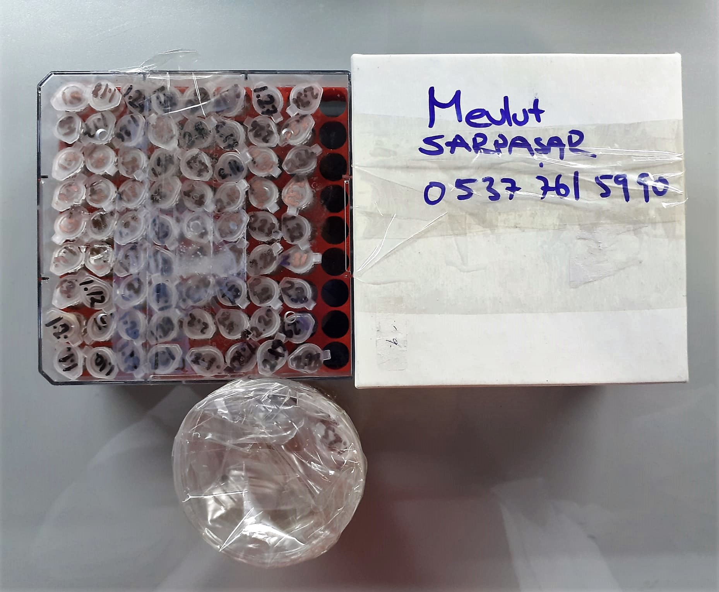

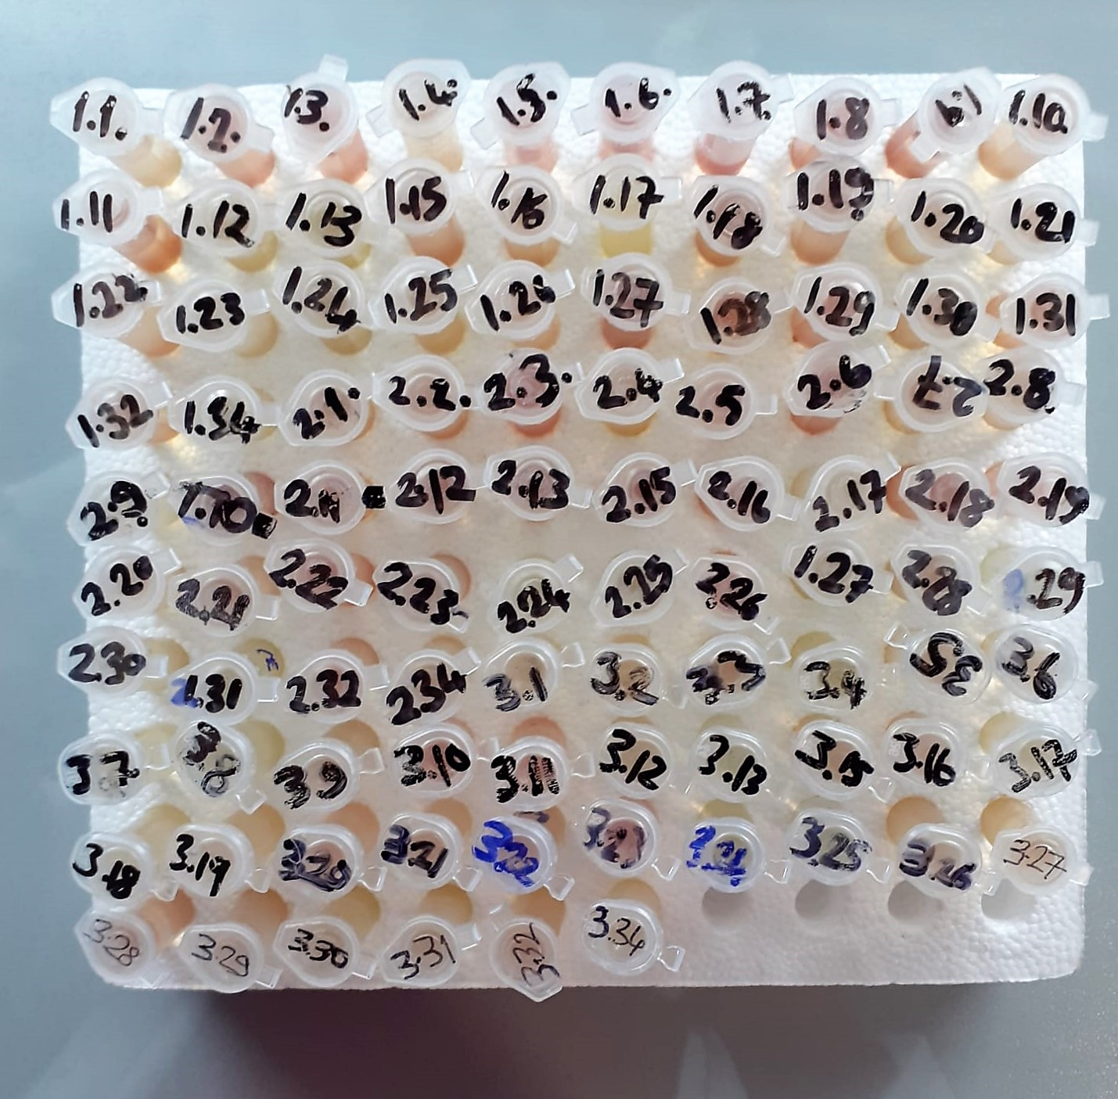

Malondialdehyde (MDA) nmol/L
The MDA level was determined by a method based
on the reaction with thiobarbituric acid (TBA) at 90–100_C
. In the TBA test reaction, MDA or MDA-like
substances and TBA react with the production of a pink
pigment with a maximum absorption at 532 nm. The
reaction was performed at pH 2–3 at 90_C for 15 min. The
sample was mixed with two volumes of cold 10% (w/v)
trichloroacetic acid for the precipitation of protein. The
precipitate was pelleted by centrifugation, and an aliquot of
the supernatant was reacted with an equal volume of 0.67%
(w/v) TBA in a boiling water bath for 10 min. After
cooling, the absorbance was read at 532 nm.

Super Oxide Dismutase (SOD) U/ml
The role of speroxide dismutase is to accelerate the dismutation of the toxic radical, produced
during oxidative energy processes to hydrogen peroxide and molecular oxygen. This method
employs xanthine and xanthine oxidase to generate superoxide radicals which react with 2-(4-
iodophenyl)-3-(4-nitrophenol)-5-phenyltetrazolium chloride to form a red formazan dye.. the
superoxide dismutase activity is then measured by the degree of inhibiton of this reaction

GPx (U/L)
This method is based on that of Paglia and Valentine. Glutathione Peroxidase (GPx) catalses of the
oxidation of glutathione by cumene hydroperoxide. In the presence of glutathione (GSSG) is
immediately converted to the reduced form with a concomitant oxidation of NADPH to NADP. The decrease in absorbance at 340 nm is measured
Referanslar
Paglia, D.E. and Valentine, W.N., J. Lab. Clin. Med., 1967; 70: 158.
Prohaska, J.R., Oh, S.H., Hoekstra, W.G. & Ganther,
H.E. Biochem. & Biophys. Res. Comm. 1977; 74: 64.
Kraus, R.J. & Ganther, H. E. Biochem. & Biophys. Res. Comm 1980; 96: 1116.

Total Protein g/dl
Colorimetric assay, Sample and addition of Reagent start of the reaction:
Divalent copper reacts in alkaline solution with protein peptide bonds to form the characteristic purple-colored biuret complex.
Sodium potassium tartrate prevents the precipitation of copper hydroxide and potassium iodide prevents auto reduction of copper. alkaline protein + Cu2+ solution Cu-protein complex
The color intensity is directly proportional to the protein concentration which can be determined photometrically.

Albumin g/dl
Colorimetric assay, endpoint method
• Sample and addition of R1
• Start of the reaction:
At a pH value of 4.1 albumin displays a sufficiently cationic character to be able to bind with bromocresol green (BCG), any anionic dyestuff, to form a blue-green complex.
pH 4.1 albumin + BCG albumin BCG- complex
The color intensity of the blue-green color is directly proportional to the albumin concentration and can be determined photometrical

Cholesterol Total mg/dl
Cholesterol ester + H2O Cholesterol + fatty acids
Cholesterol esters are ceaved by the action of choesterol esterase to yield free
choesterol and fatty acids Cholesterol oxidase Cholesterol + O2 Cholesten-3-on + H2O2
Peroxidase
2H2O2 + Phenol + 4-Aminoantipyrine Quinoneimine dye + 4 H2O
Cholesterol is converted by oxygen with the aid of cholesterol oxidase to A4- Cholestenone and hydrogen peroxide.
Hydrogen peroxide created forms a red dyestuff by reacting with 4-aminoantipyrine and phenol under the catalytic action of peroxidase.
The color intensity is directly proportional to the concentration of cholesterol and can be determined photometrically.

Triglycerides mg/dl
Triglycerides in the sample originates, by means of the coupled reactions described below, acoloured complex that can be measured by spectrophotometry.
Triglycerides + H2O lipase Glycerol + Fatty acids
Glycerol + ATP glycerol kinase Glycerol – 3 – P + ADP
Glycerol – 3 –P + O2 G-3-P-oxidase Dihidroxyacetone – P +H2O2
2 H2O2 + 4 – Aminoantipyrine + 4 – Chlorophenol G-3-P-oxidas Quinoneimine + 4 H2O

Glucose mg/dl
Enzymatic colorimetric test on basis of Trinder – Reaction:
Glucose oxidase Glucose + O2 Gluconic acid + H2O2
Peroxidase
2H2O2 + Phenol + 4–Aminoantipyrine Red Quinoneimine + 4H2O

Creatinine mg/L
Immunoturbidimetric assay
Anti-CRP antibodies react with antigen in the sample to form an ntigen/antibody complex. Following agglutination, this is measured turbidimetrically.
Addition of PEG allows the reaction to progress rapidly to the end point,increases sensitivity, and reduces the risk of samples containing excess antigen
producing false negative results.

Urea (BUN) mg/dl
Urea is hydrolysed in presence of urease to produce ammonia and CO2. The ammonia produced combines with 2 – oxoglutarate and NADH in presence of GLDH to yield glutamate and NAD.
urease
Urea+H2O+2H+ 2 NH4+ + 2+ CO2
GLDH
2 NH4+ + 2-Oxoglutarate + 2 NADH H2O + 2 NAD+ + Gl utamate The decrease in absorbance due to consumption of NADH is measured kinetically.

AST U/L
UV test according to a standarrized method
Sample and addition of R1 (buffer)
Addition of R2 and start of reaction: AST
α-ketoglutarate + L-aspartate L- glutamate + oxaloasetate
AST is the enzyme which catalyzes this equilibrium reaction. The oxaloacetate in- crease is measured in a subsequent indicator reaction which is catalyzed by malate dehydrogenase.
MDH
oxalacetate + NADH + H+ L-Malate + NAD+
In the second reaction, NADH is oxidized to NAD. The rate of decrease in NADH
(Measured photometrically) is directly proportional to the rate of formation of
oxaloasetate, and thus the AST activity.

ALT U/L
UV test according to the IFCC method.
ALT
L-Alanin + 2-Oxoglutarate ⎯⎯ L-Glutamate + Pyruvat

lgA mg/dL
Immunoglobulins A (IgA) selectively react with an anti-IgA antibody and form an immunocomplex.
The produced turbidity is proportional to the concentration of IgA in the sample, and can be measured at the wavelenght of 600 nm

Bovine Immunoglobulin M Assay Principle
This kit is an enzyme -linked ımmunosorbent assay.(elisa). Add samples to the wells pre-coated with a monoclonal antibody.
Then biotin-conjugated target antigen are added to the wells. The antigens in the standards or sample compete with the biotin-conjugated antigen to the bind to the capture antibody and incubate.
Unbound antigen is washed away during a washing step.An avidin-HRP is then added and then incubate.Unbound avidin hrp is washed away during a washing step.TMB Subsrate is then added and color develops.
The reaction is stopped by addition of acidic stop solution and color changes into yellow that can be measured at 450 nm. The intensity of the color developed in inversely proportional to the concentration of in the sample.
The concentratıon of IgM in the sample is then determined by comparing the O.D of the samples to the standard curve.

Bovine Immunoglobulin G Assay Principle
This kit is an enzyme -linked ımmunosorbent assay.(elisa). Add samples to the wells pre-coated with a monoclonal antibody.
Then biotin-conjugated target antigen are added to the wells. The antigens in the standards or sample compete with the biotin-conjugated antigen to the bind to the capture antibody and incubate.
Unbound antigen is washed away during a washing step.An avidin-HRP is then added and then incubate.Unbound avidin hrp is washed away during a washing step.TMB Subsrate is then added and color develops.
The reaction is stopped by addition of acidic stop solution and color changes into yellow that can be measured at 450 nm. The intensity of the color developed in inversely proportional to the concentration of in the sample.
The concentratıon of IgG in the sample is then determined by comparing the O.D of the samples to the standard curve.

