MDA
MDA
2.481 | 100
1.743 | 50
0.994 | 25
0.513 | 12.5
0.288 | 6.25
0.122 | 3.125
0 | 0
 | absorbans | abs-blank | expected | result
std3 | 2.511 | 2.481 | 100 | 98.255324199
std4 | 1.773 | 1.743 | 50 | 54.386747391
std5 | 1.024 | 0.994 | 25 | 23.072418324
std6 | 0.543 | 0.513 | 12.5 | 9.978822471
std7 | 0.318 | 0.288 | 6.25 | 5.737761696
std8 | 0.152 | 0.122 | 3.125 | 3.378521556
blank | 0.03 | 0 | 0 | 2.0613

 |  |  |  |  | concentratıon (mmol/L)
Numune | absorbans | abs-blank | result | NOT
1-1E | 0.733 | 0.703 | 14.495244831 | lipemi
1-2E | 0.36 | 0.33 | 6.4382781 | hemolizli
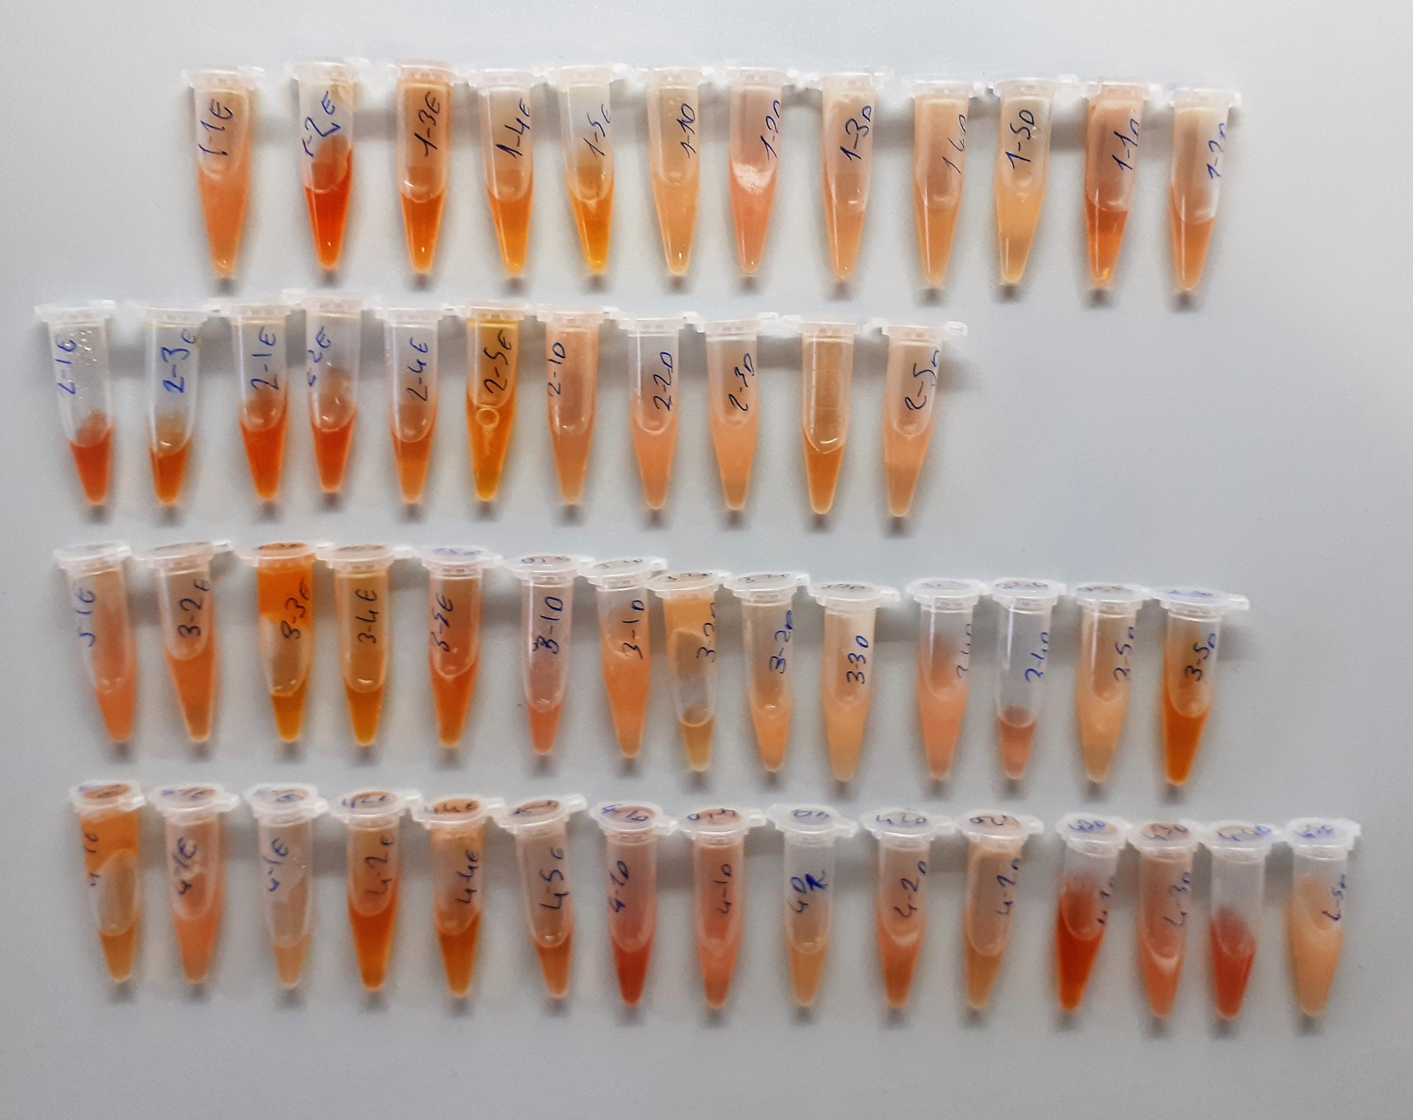
1-3E | 0.223 | 0.193 | 4.307605191
1-4E | 0.196 | 0.166 | 3.940203204
1-5E | 0.327 | 0.297 | 5.884350231
1-1D | 0.528 | 0.498 | 9.658729236 | lipemi
1-2D | 0.492 | 0.462 | 8.912278596 | lipemi
1-3D | 0.295 | 0.265 | 5.371874775
1-4D | 0.269 | 0.239 | 4.973371839
1-5D | 0.266 | 0.236 | 4.928422464
2-1E | 0.39 | 0.36 | 6.9642624 | hemolizli
2-4E | 0.107 | 0.077 | 2.851569711
2-5E | 0.186 | 0.156 | 3.808516224
2-1D | 0.247 | 0.217 | 4.648700151
2-2D | 0.316 | 0.286 | 5.705447364
2-3D | 0.321 | 0.291 | 5.786411079
2-4D | 0.232 | 0.202 | 4.433914836
2-5D | 0.266 | 0.236 | 4.928422464
3-1E | 0.431 | 0.401 | 7.717629159 | lipemi
3-2E | 0.198 | 0.168 | 3.966825216
3-3E | 0.181 | 0.151 | 3.743562159
3-4E | 0.169 | 0.139 | 3.590091639
3-5E | 0.217 | 0.187 | 4.224466071
3-1D | 0.49 | 0.46 | 8.8717104 | lipemi
3-2D | 0.319 | 0.289 | 5.753954439
3-3D | 0.325 | 0.295 | 5.851608975 | lipemi
3-4D | 0.426 | 0.396 | 7.623620544 | lipemi
3-5D | 0.331 | 0.301 | 5.950117359
4-1E | 0.177 | 0.147 | 3.692025831
4-2E | 0.22 | 0.19 | 4.2659289
4-4E | 0.193 | 0.163 | 3.900448071
4-5E | 0.195 | 0.165 | 3.926927775
4-D1 | 0.138 | 0.108 | 3.209434176
4-1D | 0.676 | 0.646 | 13.050415044 | hemolizli
4-2D | 0.437 | 0.407 | 7.831222191 | hemolizli
4-3D | 0.315 | 0.285 | 5.689325775 | hemolizli
4-4D | 0.192 | 0.162 | 3.887243796
4-5D | 0.38 | 0.35 | 6.7865625 | lipemi

