Materyal-metod
KİT ADI | TÜR | MARKA | Yöntem
AST: Aspartat Aminotransferaz | Universal | REL ASSAY | Kolorimetrik
ALT: Alanin aminotransferaz | Universal | REL ASSAY | Kolorimetrik
ALP: Alkaline Phosphatase | Universal | REL ASSAY | Kolorimetrik
CRP: C-Reactive Proteın | Universal | REL ASSAY | Kolorimetrik
Centrifuge: HETTICH Mıcro 200-R
MINDRAY BS-300 Tam Otomatik Analizör

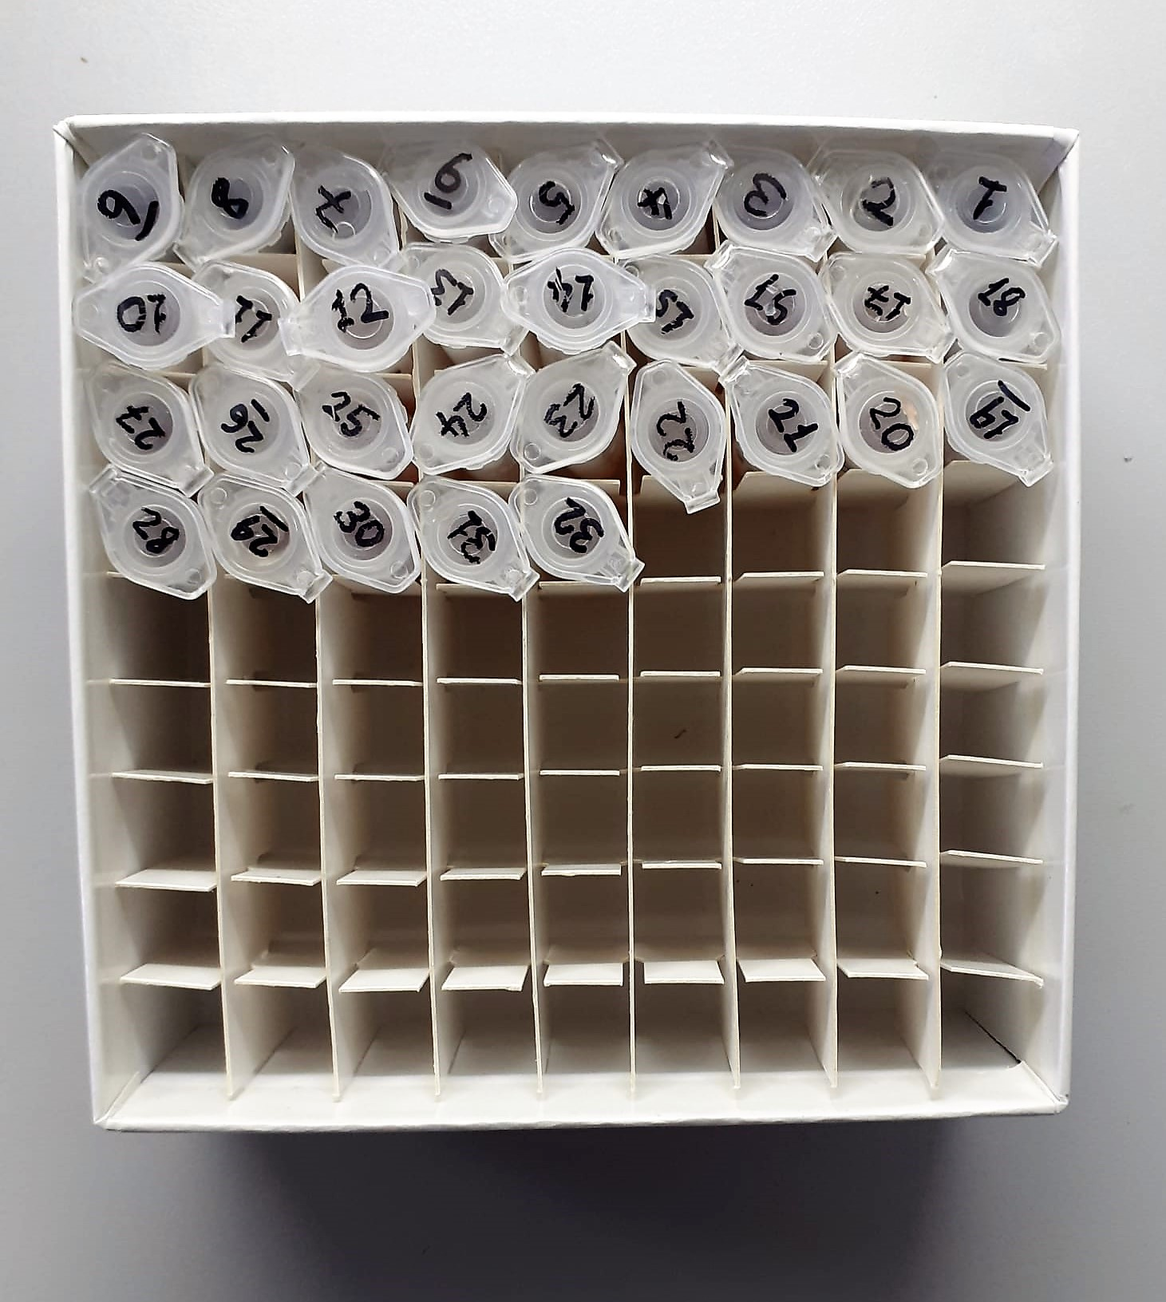
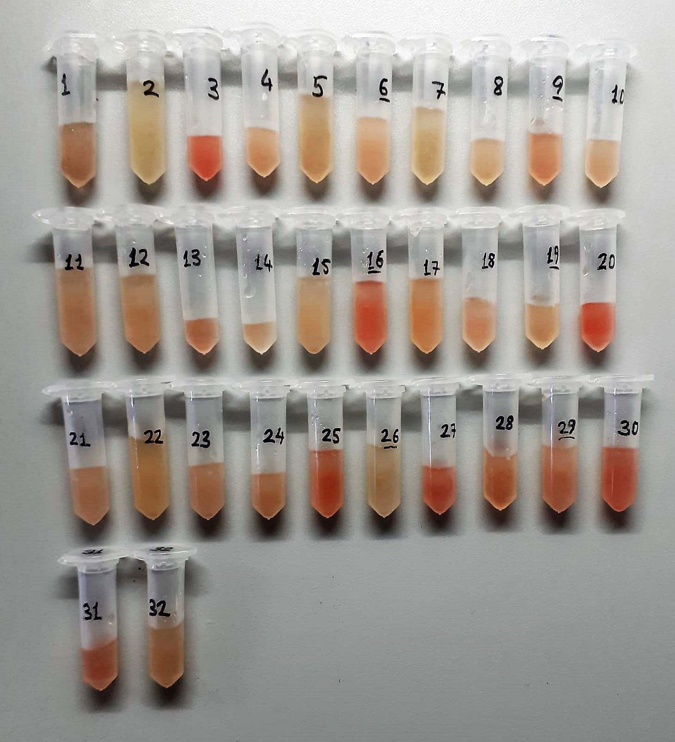

AST U/L
UV test according to a standarrized method
Sample and addition of R1 (buffer)
Addition of R2 and start of reaction: AST
α-ketoglutarate + L-aspartate L- glutamate + oxaloasetate
AST is the enzyme which catalyzes this equilibrium reaction. The oxaloacetate in- crease is measured in a subsequent indicator reaction which is catalyzed by malate dehydrogenase.
MDH
oxalacetate + NADH + H+ L-Malate + NAD+
In the second reaction, NADH is oxidized to NAD. The rate of decrease in NADH
(Measured photometrically) is directly proportional to the rate of formation of
oxaloasetate, and thus the AST activity.

ALT U/L
UV test according to the IFCC method.
ALT
L-Alanin + 2-Oxoglutarate ⎯⎯ L-Glutamate + Pyruvat

Alkaline Phosphatase (ALP) U/L
Colorimetric assay in accordance with a standardized method.
ALP, Mg2
p - Nitrophenylphosphate+ H2O Phosphate + p - Nitrophenol
In the presence of magnesium and zinc ions, p-nitrophenyl phosphate is hydrolyzed by phosphatases to form phosphate and p-nitrophenol.
In this process AMP serves as transient phosphate acceptor. The release of coloured p-nitrophenol is proportional to the ALP activity and can be measured photometrically.

CRP (C-Reactive Protein) mg/L
Immunoturbidimetric assay
Anti-CRP antibodies react with antigen in the sample to form an ntigen/antibody complex. Following agglutination, this is measured turbidimetrically.
Addition of PEG allows the reaction to progress rapidly to the end point,increases sensitivity, and reduces the risk of samples containing excess antigen producing false negative results.

