Sayfa1
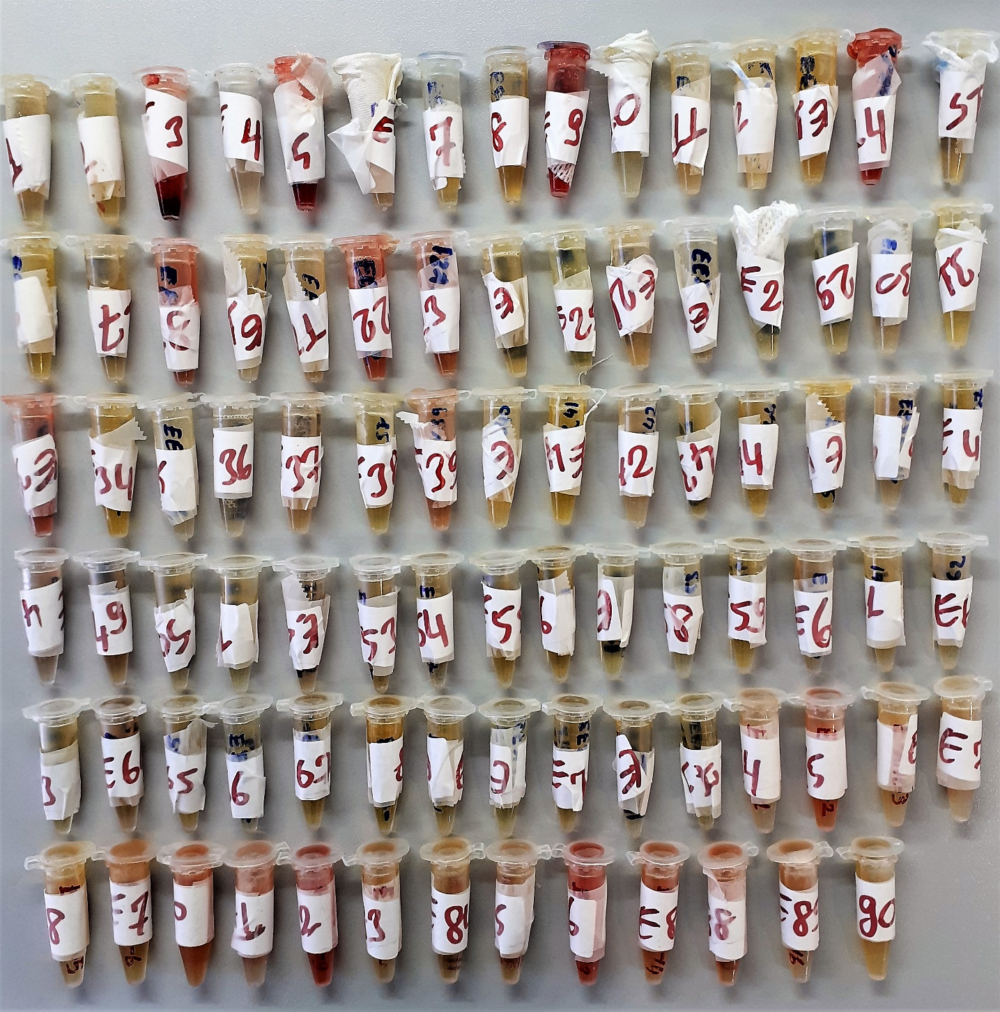
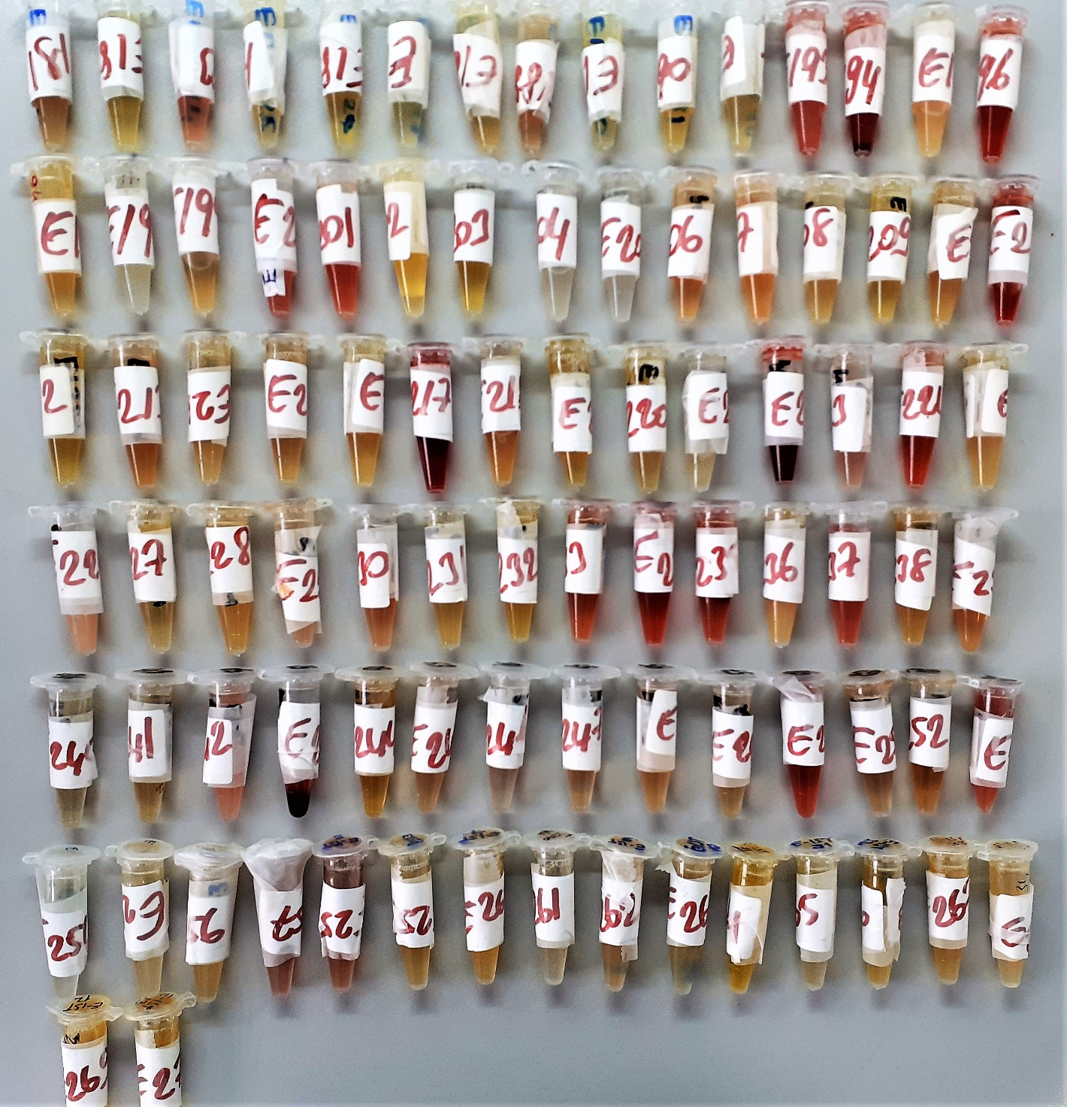
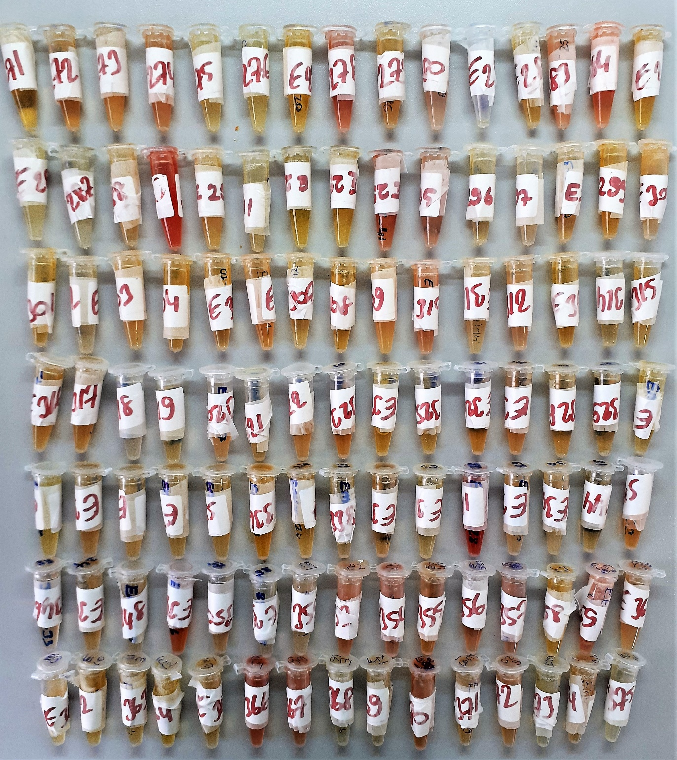
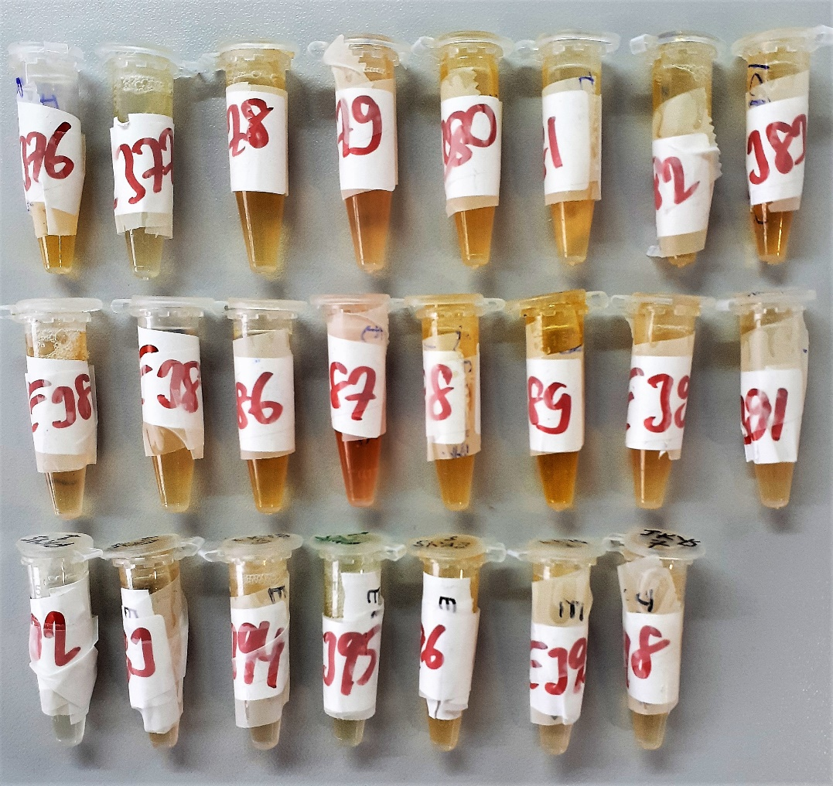
Numune Adı | Çinko (ug/dl) | Bakır (ug/dl) | Kalsiyum (mg/dL) | Albumin (g/dl) | Demir (ug/dl) | Fosfor (mg/dl) | Magnezyum (mmol/l) | Sodyum (mmol/L) | Potasyum (mmol/L) | Selenyum (ug/L) | Krom (ug/L) | Mangan (ug/L) | Folik Asit (ng/mL) | Vitamin A (ng/mL) | Vitamin E (ug/mL) | Vitamin D (ng/ml)
Referans aralıkları | 60-120 | 70-160 | 8.5-10.5 | 4.2-5.5 | 60-150 | 2.5-4.5 | 0.65-1.05 | 136-146 | 3.5-5.1 | 63-160 | <3.7 | <2.4 | >4.9 | 300-1000 | 2018-05-05 | 25-80
Yöntem | Fotometrik | Fotometrik | Fotometrik | Fotometrik | Fotometrik | Fotometrik | Fotometrik | ISE | ISE | ICP-MS | ICP-MS | ICP-MS | CLIA | HPLC | HPLC | (LC-MS/MS)
Numune-1 | 110 | 155 | 8.610 | 3.38 | 64 | 4.8 | 2.48 | NA=138 | K=5.74 | Selenyum=27.2351738397982 | Krom=1.23945656332102 | Mangan=0.885375612828902 | FOL=14.68 | A vit.=244.524 | VİT.E=10.157 | Vit-D 35.3661970550366
Numune-2 | 115 | 156 | 9.480 | 4.88 | 69 | 3.44 | 2.07 | NA=132 | K=3.88 | Selenyum=89.568827885479 | Krom=0.469477639885155 | Mangan=1.63643720693306 | FOL=8.32 | A vit.=691.52 | VİT.E=14.697 | Vit-D 10.9030600540367
Numune-3 | 174 | 65 | 31.180 | 4.66 | 1864 | 0.45 | 2.12 | NA=133 | K=3.33 | Selenyum=88.9657297468569 | Krom=0.872800964928715 | Mangan=0.487802448837055 | FOL=0.58 | A vit.=432.521 | VİT.E=10.097 | Vit-D 13.7758231441478
Numune-4 | 94 | 199 | 9.280 | 3.99 | 80 | 3.2 | 2.24 | NA=135 | K=5.13 | Selenyum=125.186981458267 | Krom=0.474397504319993 | Mangan=1.58277443351336 | FOL=23.99 | A vit.=502.789 | VİT.E=7.153 | Vit-D 6.96234842490102
Numune-5 | 127 | 102 | 6.830 | 4.31 | 421 | 6.54 | 1.87 | NA=134 | K=3.94 | Selenyum=34.6714808339756 | Krom=0.869940361854275 | Mangan=1.59538396158312 | FOL=3.48 | A vit.=135.47 | VİT.E=15.181 | Vit-D 9.39724543894774
Numune-6 | 126 | 141 | 8.630 | 4.78 | 84 | 2.69 | 2.01 | NA=144 | K=4.30 | Selenyum=117.517484961662 | Krom=0.162277575774131 | Mangan=1.57911592193603 | FOL=3.58 | A vit.=213.614 | VİT.E=5.492 | Vit-D 14.7691878090975
Numune-7 | 127 | 112 | 8.820 | 4.57 | 64 | 3.02 | 1.97 | NA=137 | K=2.74 | Selenyum=97.908705571507 | Krom=0.167216670892414 | Mangan=1.82676348566154 | Y.N. | A vit.=768.716 | VİT.E=9.732 | Y.N.
Numune-8 | 74 | 134 | 8.870 | 4.44 | 88 | 3.52 | 2.21 | NA=140 | K=4.01 | Selenyum=44.1252477024003 | Krom=0.384325556921748 | Mangan=0.20221492964761 | FOL=11.42 | A vit.=478.137 | VİT.E=13.062 | Vit-D 10.0741092532044
Numune-9 | 146 | 92 | 8.040 | 4.47 | 269 | 5.62 | 2.34 | NA=132 | K=4.39 | Selenyum=59.005882011829 | Krom=0.630612821010337 | Mangan=1.22877168781368 | FOL=11.54 | A vit.=286.517 | VİT.E=18.092 | Vit-D 19.8049884477295
Numune-10 | 142 | 154 | 8.330 | 3.01 | 67 | 3.79 | 2.26 | NA=132 | K=4.17 | Selenyum=75.7266961066118 | Krom=0.0869120412889945 | Mangan=0.43384931555768 | FOL=4.54 | A vit.=333.64 | VİT.E=13.67 | Vit-D 16.8845094932224
Numune-11 | 123 | 85 | 9.420 | 4.68 | 106 | 2.94 | 2.16 | NA=133 | K=3.77 | Selenyum=70.5626073309569 | Krom=0.246459687136927 | Mangan=0.600361684163359 | FOL=5.91 | A vit.=534.739 | VİT.E=12.975 | Vit-D 31.5684282450271
Numune-12 | 128 | 127 | 10.210 | 4.97 | 145 | 3.34 | 2.32 | NA=134 | K=4.07 | Selenyum=54.1328042848351 | Krom=0.391324174171764 | Mangan=0.675376661154358 | FOL=4.94 | A vit.=641.573 | VİT.E=14.521 | Vit-D 4.25899231179574
Numune-13 | 108 | 125 | 9.400 | 5.26 | 160 | 3.87 | 2.57 | NA=149 | K=4.93 | Selenyum=65.5961679703529 | Krom=1.16978934565432 | Mangan=1.12168427482467 | Y.N. | A vit.=374.433 | VİT.E=9.016 | Vit-D 9.0596163707956
Numune-14 | 131 | 49 | 10.650 | 5.12 | 348 | 6.07 | 2.39 | NA=143 | K=4.44 | Selenyum=57.2448063835094 | Krom=0.273491111243746 | Mangan=0.969162515219893 | FOL=10.44 | A vit.=369.362 | VİT.E=6.23 | Vit-D 28.6346223436789
Numune-15 | 123 | 136 | 10.570 | 5.38 | 99 | 3.89 | 2.05 | NA=135 | K=4.48 | Selenyum=94.8606590870095 | Krom=2.32146347414287 | Mangan=1.17014081241637 | FOL=11.91 | A vit.=377.381 | VİT.E=10.992 | Vit-D 37.9645392898807
Numune-16 | 98 | 89 | 10.570 | 5.4 | 149 | 3.83 | 2.14 | NA=135 | K=3.92 | Selenyum=45.4990798350423 | Krom=0.319863359023038 | Mangan=0.25211792938886 | FOL=5.15 | A vit.=444.67 | VİT.E=13.687 | Vit-D 17.0062140716436
Numune-17 | 132 | 126 | 9.810 | 4.54 | 59 | 4.57 | 2.11 | NA=138 | K=5.83 | Selenyum=71.6578243361706 | Krom=0.359357200220193 | Mangan=0.710477793720631 | FOL=9.09 | A vit.=345.252 | VİT.E=10.94 | Vit-D 23.2192694913734
Numune-18 | 132 | 166 | 9.910 | 3.74 | 91 | 4.78 | 2.03 | NA=132 | K=3.85 | Selenyum=99.142125331239 | Krom=0.56483059989414 | Mangan=0.509729162840805 | FOL=4.25 | A vit.=727.767 | VİT.E=17.326 | Vit-D 21.8390568792694
Numune-19 | 118 | 104 | 8.930 | 5.05 | 144 | 3.18 | 2.19 | NA=136 | K=2.85 | Selenyum=60.5690394538073 | Krom=1.51065708327534 | Mangan=0.717462670573544 | FOL=2.43 | A vit.=606.031 | VİT.E=13.476 | Vit-D 4.762
Numune-20 | 109 | 99 | 7.340 | 5.13 | 157 | 3.98 | 1.98 | NA=131 | K=2.93 | Selenyum=37.5198910301251 | Krom=0.345984303193571 | Mangan=0.859812082362264 | FOL=11.24 | A vit.=634.031 | VİT.E=16.454 | Vit-D 8.00309405241566
Numune-21 | 113 | 110 | 9.710 | 5.35 | 175 | 4.04 | 2.22 | NA=144 | K=3.99 | Selenyum=30.9946891684852 | Krom=0.464494328008697 | Mangan=0.280571787172709 | FOL=8.54 | A vit.=248.516 | VİT.E=6.563 | Vit-D 45.5605122043062
Numune-22 | 114 | 124 | 10.590 | 5.04 | 78 | 2.21 | 2.27 | NA=136 | K=4.19 | Selenyum=59.4575649052744 | Krom=0.44636311655554 | Mangan=0.550856782148193 | FOL=6.37 | A vit.=125.247 | VİT.E=3.435 | Vit-D 4.619
Numune-23 | 75 | 82 | 2.580 | 5.66 | 105 | 4.69 | 1.97 | NA=143 | K=4.61 | Selenyum=83.9005824877312 | Krom=0.261733090983271 | Mangan=1.20349098081355 | FOL=11.08 | A vit.=215.022 | VİT.E=8.747 | Vit-D 21.1847199179713
Numune-24 | 110 | 148 | 11.770 | 5.52 | 55 | 3.97 | 2.06 | NA=141 | K=5.71 | Selenyum=44.4489321402326 | Krom=0.509683599005929 | Mangan=0.82645392151691 | FOL=8.16 | A vit.=106.211 | VİT.E=2.982 | Vit-D 31.2613437346749
Numune-25 | 107 | 159 | 9.710 | 5.32 | 25 | 3.26 | 2.27 | NA=137 | K=4.00 | Selenyum=79.2558347079965 | Krom=0.210824576698951 | Mangan=0.908869950687337 | FOL=6.41 | A vit.=361.202 | VİT.E=8.604 | Vit-D 32.3465889386023
Numune-26 | 92 | 70 | 9.630 | 4.71 | 63 | 3.39 | 2.27 | NA=145 | K=6.36 | Selenyum=66.4349656914729 | Krom=0.41 | Mangan=4.26934644142698 | FOL=5.83 | A vit.=161.568 | VİT.E=6.369 | Vit-D 21.5707103058508
Numune-27 | 86 | 84 | 9.060 | 5.04 | 78 | 3.67 | 2.09 | NA=138 | K=4.10 | Selenyum=57.4435147733656 | Krom=0.222796470670748 | Mangan=1.1695331701849 | FOL=5.92 | A vit.=342.718 | VİT.E=3.838 | Vit-D 16.0574607793849
Numune-28 | 100 | 165 | 10.600 | 5.21 | 91 | 4.25 | 2.08 | NA=134 | K=3.99 | Selenyum=46.8510480446246 | Krom=0.917075572682629 | Mangan=0.582236977222618 | FOL=5.16 | A vit.=454.572 | VİT.E=13.999 | Vit-D 21.2053503852757
Numune-29 | 128 | 96 | 10.070 | 4.68 | 30 | 4.01 | 2.21 | NA=139 | K=4.16 | Selenyum=65.024905411091 | Krom=0.134478484412626 | Mangan=1.14684664753286 | FOL=2.43 | A vit.=588.888 | VİT.E=5.62 | Vit-D 12.5639117791861
Numune-30 | 140 | 98 | 9.490 | 5.11 | 64 | 3.55 | 2.07 | NA=142 | K=4.44 | Selenyum=73.4194828422718 | Krom=0.361289813517049 | Mangan=1.58211991298648 | FOL=6.90 | A vit.=117.633 | VİT.E=5.413 | Vit-D 19.4738817618749
Numune-31 | 106 | 117 | 10.680 | 5.52 | 84 | 3.1 | 2 | NA=134 | K=4.09 | Selenyum=69.8070775520092 | Krom=0.15491774631152 | Mangan=0.890925122394562 | FOL=4.55 | A vit.=628.273 | VİT.E=14.292 | Vit-D 18.1846638480708
Numune-32 | 113 | 110 | 10.543 | 5.49 | 99 | 4.2 | 2.22 | NA=135 | K=3.96 | Selenyum=47.0018716471933 | Krom=0.279045464030992 | Mangan=1.18742162322377 | FOL=4.45 | A vit.=270.526 | VİT.E=8.936 | Vit-D 4.375
Numune-33 | 91 | 133 | 10.650 | 5.16 | 179 | 5.19 | 2.1 | NA=137 | K=4.88 | Selenyum=88.6957348676129 | Krom=0.159589809767044 | Mangan=1.25821633036088 | FOL=3.75 | A vit.=597.564 | VİT.E=8.308 | Vit-D 5.6871832260061
Numune-34 | 85 | 107 | 10.580 | 0.41 | 215 | 3.9 | 2.09 | NA=136 | K=4.06 | Selenyum=61.1328352295432 | Krom=0.173400894767902 | Mangan=0.90674010471068 | FOL=8.45 | A vit.=505.976 | VİT.E=14.687 | Vit-D 7.17789136957035
Numune-35 | 111 | 151 | 12.410 | 5.11 | 164 | 3.97 | 2.24 | NA=133 | K=3.52 | Selenyum=108.867487662924 | Krom=1.29110133654461 | Mangan=1.17164443376096 | FOL=14.45 | A vit.=752.951 | VİT.E=20.003 | Vit-D 56.9922657723304
Numune-36 | 81 | 118 | 1.460 | 5.24 | 67 | 3.81 | 2.18 | NA=134 | K=4.11 | Selenyum=82.2600745836137 | Krom=0.304782874589283 | Mangan=2.15015087999168 | FOL=2.09 | A vit.=500.321 | VİT.E=15.031 | Vit-D 16.08595633692
Numune-37 | 94 | 144 | 10.100 | 4.96 | 63 | 3.33 | 2.34 | NA=139 | K=4.88 | Selenyum=51.5796432209466 | Krom=0.129736062689437 | Mangan=0.903717628439193 | FOL=10.11 | A vit.=278.288 | VİT.E=6.088 | Vit-D 11.6541239742193
Numune-38 | 78 | 173 | 9.330 | 4.94 | 92 | 3.39 | 1.78 | NA=135 | K=4.44 | Selenyum=53.902535920866 | Krom=0.246539651266451 | Mangan=1.38998513683644 | FOL=3.91 | A vit.=462.764 | VİT.E=11.928 | Vit-D 8.77292360657449
Numune-39 | 82 | 89 | 10.470 | 5.14 | 146 | 4.37 | 2.33 | NA=139 | K=4.68 | Selenyum=99.3501098233883 | Krom=0.0271343719310726 | Mangan=1.21069186352248 | FOL=7.36 | A vit.=525.543 | VİT.E=18.245 | Vit-D 23.1131065989326
Numune-40 | 89 | 159 | 11.010 | 5.39 | 92 | 2.76 | 2.16 | NA=136 | K=3.59 | Selenyum=47.4189978072563 | Krom=0.692359016366917 | Mangan=1.28844403133356 | FOL=2.76 | A vit.=480 | VİT.E=7.8 | Vit-D 6.36736790872011
Numune-41 | 126 | 152 | 9.920 | 5.09 | 112 | 3.24 | 2.12 | NA=146 | K=6.37 | Selenyum=54.6080384705386 | Krom=0.5417152448843 | Mangan=0.849111149831791 | FOL=2.61 | A vit.=264.088 | VİT.E=8.911 | Vit-D 59.9756970614661
Numune-42 | 113 | 162 | 11.040 | 5.45 | 123 | 3.03 | 2.05 | NA=134 | K=3.53 | Selenyum=134.020774482105 | Krom=0.574776556935817 | Mangan=0.737153259424294 | FOL=3.55 | A vit.=740.9 | VİT.E=19.744 | Vit-D 36.7109223569251
Numune-43 | 112 | 138 | 9.240 | 4.9 | 129 | 4.23 | 2.13 | NA=134 | K=2.73 | Selenyum=47.238104141843 | Krom=0.572429608666464 | Mangan=0.40296147147108 | FOL=3.81 | A vit.=399.131 | VİT.E=13.514 | Vit-D 13.7164703142642
Numune-44 | 98 | 117 | 10.850 | 4.89 | 79 | 3.9 | 2.45 | NA=138 | K=3.83 | Selenyum=222.884237748531 | Krom=0.660147619418579 | Mangan=1.67193761645336 | FOL=4.67 | A vit.=356.681 | VİT.E=11.028 | Vit-D 11.6936384532829
Numune-45 | 97 | 63 | 9.250 | 4.98 | 214 | 3.69 | 1.91 | NA=141 | K=2.83 | Selenyum=115.158246919362 | Krom=0.421362610959947 | Mangan=1.5298422144823 | FOL=0.78 | A vit.=948.899 | VİT.E=13.042 | Vit-D 39.223589559481
Numune-46 | 95 | 133 | 9.770 | 4.54 | 99 | 4.53 | 2.26 | NA=143 | K=4.29 | Selenyum=141.454080602042 | Krom=0.603038061301056 | Mangan=1.70269587859721 | FOL=0.85 | A vit.=329.476 | VİT.E=13.404 | Vit-D 11.1983511196428
Numune-47 | 91 | 162 | 10.140 | 5.27 | 71 | 3.48 | 2.24 | NA=132 | K=2.93 | Selenyum=111.959334476699 | Krom=0.425933577172096 | Mangan=1.31284544566877 | FOL=2.81 | A vit.=228.143 | VİT.E=8.49 | Vit-D 11.2402074914416
Numune-48 | 113 | 144 | 10.290 | 4.81 | 77 | 4.28 | 2.14 | NA=137 | K=3.66 | Selenyum=22.0625286015294 | Krom=0.222599008151303 | Mangan=0.306213111189047 | FOL=4.57 | A vit.=284.232 | VİT.E=9.622 | Vit-D 33.4836777727278
Numune-49 | 107 | 177 | 9.920 | 4.53 | 85 | 4.29 | 2.18 | NA=143 | K=4.58 | Selenyum=141.215969718408 | Krom=0.695033348208772 | Mangan=2.79581624482492 | FOL=3.66 | A vit.=502.032 | VİT.E=13.421 | Vit-D 25.161002610343
Numune-50 | 109 | 115 | 9.800 | 4.93 | 108 | 3.37 | 2.27 | NA=133 | K=4.29 | Selenyum=91.2469596981708 | Krom=0.16005674741276 | Mangan=0.868873610130304 | FOL=5.51 | A vit.=349.15 | VİT.E=7.739 | Vit-D 8.75784512373015
Numune-51 | 114 | 100 | 10.140 | 4.92 | 44 | 3.67 | 2.29 | NA=136 | K=4.59 | Selenyum=133.939139516374 | Krom=0.684015536086396 | Mangan=1.53631831806582 | Y.N. | A vit.=310.939 | VİT.E=7.207 | Y.N.
Numune-52 | 82 | 125 | 9.290 | 5.31 | 65 | 4.28 | 2.41 | NA=137 | K=3.28 | Selenyum=82.9843693900622 | Krom=0.124874655566602 | Mangan=1.76792562849979 | FOL=4.28 | A vit.=721.523 | VİT.E=18.261 | Vit-D 7.45259608690435
Numune-53 | 127 | 243 | 9.220 | 4.43 | 26 | 3.08 | 2 | NA=131 | K=2.96 | Selenyum=133.491684752316 | Krom=0.557393195966702 | Mangan=1.84415672975095 | FOL=3.44 | A vit.=251.557 | VİT.E=17.063 | Vit-D 18.8040494933698
Numune-54 | 73 | 188 | 9.590 | 4.77 | 39 | 4.24 | 2.16 | NA=145 | K=6.13 | Selenyum=84.8117776342385 | Krom=0.24629492203304 | Mangan=0.598480252195019 | FOL=3.10 | A vit.=381.004 | VİT.E=11.308 | Vit-D 20.5271810522827
Numune-55 | 101 | 127 | 10.500 | 4.83 | 87 | 3.44 | 2.24 | NA=130 | K=3.12 | Selenyum=89.8426590928783 | Krom=0.272394362984497 | Mangan=0.762990259079483 | FOL=5.01 | A vit.=454.07 | VİT.E=10.289 | Vit-D 24.9896423783294
Numune-56 | 98 | 126 | 8.880 | 4.7 | 185 | 3.51 | 2.21 | NA=134 | K=2.96 | Selenyum=141.302871857087 | Krom=0.220011562810249 | Mangan=1.40775184916091 | FOL=6.82 | A vit.=420.387 | VİT.E=9.151 | Vit-D 9.42352431664782
Numune-57 | 85 | 118 | 9.370 | 4.54 | 83 | 3.68 | 2.08 | NA=130 | K=2.77 | Selenyum=27.5333387545999 | Krom=0.380158376567 | Mangan=0.388362607879857 | FOL=1.10 | A vit.=361.264 | VİT.E=10.905 | Vit-D 24.4297546187671
Numune-58 | 86 | 120 | 9.330 | 4.74 | 79 | 4.65 | 2.32 | NA=142 | K=5.90 | Selenyum=97.5759105748904 | Krom=1.24928798718497 | Mangan=1.08107199937782 | FOL=0.88 | A vit.=461.392 | VİT.E=11.686 | Vit-D 8.68700481128622
Numune-59 | 62 | 143 | 9.790 | 4.55 | 77 | 3.76 | 2.17 | NA=142 | K=2.94 | Selenyum=46.9866980781901 | Krom=<0.03 | Mangan=0.681984811926482 | FOL=1.95 | A vit.=309.595 | VİT.E=9.261 | Vit-D 8.59400860441459
Numune-60 | 106 | 183 | 9.630 | 4.58 | 100 | 3.43 | 2.23 | NA=133 | K=3.14 | Selenyum=114.655045755791 | Krom=0.504914685299849 | Mangan=1.45359074116001 | FOL=3.18 | A vit.=444.347 | VİT.E=18.62 | Vit-D 13.7637038867717
Numune-61 | 86 | 115 | 9.730 | 5.1 | 80 | 2.62 | 2.11 | NA=134 | K=3.53 | Selenyum=39.7884394985384 | Krom=0.613188220259333 | Mangan=0.79172218544072 | FOL=2.11 | A vit.=571.789 | VİT.E=13.349 | Vit-D 6.9097442822609
Numune-62 | 112 | 125 | 10.790 | 4.85 | 126 | 3.32 | 2.69 | NA=139 | K=4.00 | Selenyum=89.560016836349 | Krom=0.215276482945987 | Mangan=1.35621073225462 | FOL=5.70 | A vit.=370.591 | VİT.E=7.27 | Vit-D 18.1571774916921
Numune-63 | 81 | 109 | 10.520 | 5.2 | 73 | 3.36 | 2.32 | NA=136 | K=4.24 | Selenyum=78.9986345540294 | Krom=0.455520975046071 | Mangan=2.28592821737767 | FOL=6.77 | A vit.=499.915 | VİT.E=13.713 | Vit-D 10.8406957335866
Numune-64 | 121 | 149 | 9.950 | 4.76 | 102 | 4.03 | 2.27 | NA=139 | K=4.22 | Selenyum=114.124184292803 | Krom=0.195496175802316 | Mangan=1.7234358676809 | FOL=7.12 | A vit.=319.807 | VİT.E=13.91 | Vit-D 54.1893739860261
Numune-65 | 90 | 108 | 11.150 | 5.08 | 259 | 8.13 | 2.57 | NA=142 | K=4.73 | Selenyum=70.9905388344169 | Krom=0.375286992263171 | Mangan=1.03001464050201 | FOL=2.07 | A vit.=439.076 | VİT.E=11.903 | Vit-D 4.438
Numune-66 | 117 | 147 | 10.400 | 4.74 | 24 | 4 | 2.39 | NA=138 | K=4.04 | Selenyum=58.1412113383896 | Krom=0.661245213044031 | Mangan=0.315260855145521 | FOL=5.47 | A vit.=242.055 | VİT.E=9.428 | Vit-D 11.0624410706635
Numune-67 | 85 | 138 | 9.980 | 4.78 | 70 | 3.62 | 2.05 | NA=134 | K=3.60 | Selenyum=107.218229167966 | Krom=0.288576157412977 | Mangan=1.31674856885286 | FOL=8.38 | A vit.=421.088 | VİT.E=17.847 | Vit-D 30.339661363892
Numune-68 | 68 | 135 | 10.390 | 5.14 | 97 | 3.56 | 2.27 | NA=138 | K=4.12 | Selenyum=178.197768170433 | Krom=0.666442814355644 | Mangan=1.73200771409266 | FOL=7.07 | A vit.=322.585 | VİT.E=11.292 | Vit-D 4.61676530366312
Numune-69 | 83 | 160 | 10.250 | 5.04 | 66 | 4.36 | 2.19 | NA=134 | K=3.77 | Selenyum=74.4691277715787 | Krom=0.150466861498736 | Mangan=0.488901473888273 | FOL=6.70 | A vit.=244.16 | VİT.E=9.442 | Vit-D 8.34759862182156
Numune-70 | 76 | 175 | 9.850 | 5.12 | 47 | 3.91 | 2.34 | NA=138 | K=3.37 | Selenyum=129.77028041382 | Krom=0.474558810076617 | Mangan=1.21918597501127 | FOL=7.61 | A vit.=427.681 | VİT.E=6.721 | Vit-D 8.61340327342951
Numune-71 | 80 | 162 | 10.360 | 5.03 | 72 | 3.19 | 2.17 | NA=133 | K=3.43 | Selenyum=80.3553431175588 | Krom=0.428376540589579 | Mangan=0.297834327534298 | FOL=3.92 | A vit.=379.784 | VİT.E=12.589 | Vit-D 16.7702649110745
Numune-72 | 71 | 172 | 10.330 | 4.61 | 40 | 4.21 | 2.27 | NA=135 | K=3.96 | Selenyum=64.1935420616722 | Krom=0.358346772729852 | Mangan=0.559506102937178 | FOL=6.10 | A vit.=196.645 | VİT.E=6.562 | Vit-D 5.05590550629592
Numune-73 | 84 | 122 | 9.730 | 4.92 | 59 | 4.08 | 2.01 | NA=133 | K=3.83 | Selenyum=59.4572613334784 | Krom=0.286964287319615 | Mangan=1.32983280957688 | FOL=4.63 | A vit.=441.157 | VİT.E=8.36 | Vit-D 11.9471678527006
Numune-74 | 107 | 152 | 9.860 | 4.8 | 50 | 2.64 | 2.3 | NA=133 | K=3.94 | Selenyum=64.3469854088411 | Krom=0.773166533548478 | Mangan=0.535203267280081 | FOL=3.40 | A vit.=220.33 | VİT.E=4.869 | Vit-D 19.3599576141159
Numune-75 | 97 | 123 | 8.960 | 4.3 | 45 | 2.69 | 2.21 | NA=127 | K=3.59 | Selenyum=54.1832586425863 | Krom=0.440833606049269 | Mangan=0.366842737382708 | FOL=4.23 | A vit.=609.96 | VİT.E=13.665 | Vit-D 4.6337638182232
Numune-76 | 153 | 116 | 10.03 | 4.68 | 96 | 3.45 | 2.2 | NA=137 | K=4.12 | Selenyum=54.6224805612086 | Krom=0.230407376418687 | Mangan=0.613704554672077 | FOL=7.68 | A vit.=361.875 | VİT.E=10.43 | Vit-D 19.1812613352822
Numune-77 | 104 | 125 | 11.98 | 4.84 | 671 | 4.96 | 2.56 | NA=145 | K=2.85 | Selenyum=56.1597149882359 | Krom=0.653869084200978 | Mangan=0.811520458862943 | FOL=3.08 | A vit.=496.645 | VİT.E=16.558 | Vit-D 24.0597716107356
Numune-78 | 71 | 89 | 9.85 | 4.9 | 116 | 3.16 | 2.1 | NA=132 | K=3.87 | Selenyum=57.6003993253462 | Krom=0.770799204563956 | Mangan=0.697063797347183 | FOL=4.63 | A vit.=338.989 | VİT.E=15.739 | Vit-D 7.1000897914321
Numune-79 | 95 | 162 | 8.93 | 4.68 | 45 | 3.11 | 2.12 | NA=139 | K=4.17 | Selenyum=108.375639903869 | Krom=0.217208607095826 | Mangan=1.23691541993731 | Y.N. | A vit.=194.296 | VİT.E=8.635 | Y.N.
Numune-80 | 92 | 134 | 12.16 | 5.57 | 130 | 3.43 | 2.62 | NA=139 | K=7.94 | Selenyum=89.6158240033606 | Krom=0.340377363830233 | Mangan=0.675605134642108 | FOL=9.36 | A vit.=507.466 | VİT.E=18.838 | Vit-D 10.0965821627197
Numune-81 | 123 | 74 | 10.17 | 4.52 | 97 | 3.25 | 2.31 | NA=131 | K=9.38 | Selenyum=53.192618343214 | Krom=0.428390838605956 | Mangan=0.393762149279661 | FOL=4.76 | A vit.=646.759 | VİT.E=15.387 | Vit-D 4.672
Numune-82 | 121 | 117 | 10.06 | 4.36 | 161 | 3.27 | 2.28 | NA=137 | K=4.38 | Selenyum=50.967313005375 | Krom=0.888491918756106 | Mangan=0.743327205375839 | FOL=2.91 | A vit.=201.867 | VİT.E=6.669 | Vit-D 4.21238374120448
Numune-83 | 92 | 113 | 10.3 | 4.83 | 58 | 1.8 | 2.13 | NA=133 | K=4.01 | Selenyum=68.9031571772402 | Krom=0.423709229296592 | Mangan=0.757652904785177 | FOL=7.08 | A vit.=398.833 | VİT.E=8.327 | Vit-D 16.1413417155017
Numune-84 | 85 | 173 | 10.49 | 5.22 | 66 | 3.87 | 2.23 | NA=132 | K=4.78 | Selenyum=58.6834822069914 | Krom=0.488728348107 | Mangan=0.437617161989136 | FOL=3.00 | A vit.=374.624 | VİT.E=13.107 | Vit-D 21.2571796673163
Numune-85 | 109 | 135 | 10.04 | 4.54 | 37 | 3.14 | 2.28 | NA=140 | K=3.36 | Selenyum=48.4832695635113 | Krom=0.67226486696883 | Mangan=0.600751730427642 | FOL=3.35 | A vit.=309.959 | VİT.E=9.651 | Vit-D 4.81696961886785
Numune-86 | 110 | 83 | 10.77 | 4.35 | 152 | 4.74 | 2.25 | NA=132 | K=4.10 | Selenyum=59.51 | Krom=0.55 | Mangan=1.19913656035794 | FOL=2.16 | A vit.=519.921 | VİT.E=17.03 | Vit-D 10.7418176448931
Numune-87 | 95 | 107 | 9.84 | 4.76 | 110 | 3.46 | 2.17 | NA=137 | K=4.04 | Selenyum=73.2721222197604 | Krom=0.396139980680479 | Mangan=0.545560968548923 | FOL=6.09 | A vit.=315.114 | VİT.E=7.926 | Vit-D 4.65174538102074
Numune-88 | 90 | 113 | 10.33 | 5.03 | 119 | 3.74 | 2.22 | NA=137 | K=4.09 | Selenyum=116.620949437112 | Krom=0.805895534454348 | Mangan=0.938174858843748 | FOL=4.39 | A vit.=320.726 | VİT.E=12.84 | Vit-D 19.0485183440475
Numune-89 | 106 | 107 | 9.38 | 4.66 | 86 | 3.51 | 1.99 | NA=141 | K=4.36 | Selenyum=72.5070987524908 | Krom=0.173898805153737 | Mangan=0.607038920828613 | FOL=9.50 | A vit.=270.087 | VİT.E=5.999 | Vit-D 20.4797255723708
Numune-90 | 108 | 95 | 9.66 | 4.76 | 52 | 3.3 | 2.24 | NA=139 | K=4.27 | Selenyum=49.9891662158356 | Krom=0.337709051623834 | Mangan=0.52932331734934 | FOL=5.25 | A vit.=336.848 | VİT.E=8.214 | Vit-D 11.8062746140263
Numune-91 | 107 | 133 | 9.57 | 4.49 | 68 | 3.18 | 2.28 | NA=134 | K=4.04 | Selenyum=57.9473693621185 | Krom=0.225333060752526 | Mangan=0.60600594222354 | FOL=3.38 | A vit.=256.28 | VİT.E=6.792 | Vit-D 8.51843531497335
Numune-92 | 124 | 134 | 9.95 | 4.19 | 89 | 3.3 | 2.17 | NA=138 | K=3.76 | Selenyum=51.4528903177889 | Krom=0.102022467729476 | Mangan=0.291291463727431 | FOL=0.71 | A vit.=255.137 | VİT.E=7.735 | Vit-D 38.6927570250829
Numune-93 | 125 | 101 | 8.83 | 5.33 | 34 | 3.21 | 2.07 | NA=137 | K=4.08 | Selenyum=64.3522572814766 | Krom=0.26145534661446 | Mangan=0.678849497503542 | FOL=5.90 | A vit.=367.047 | VİT.E=13.339 | Vit-D 15.8938719540168
Numune-94 | 94 | 141 | 10.06 | 5.17 | 127 | 3.81 | 2.13 |  |  | Selenyum=53.9844992114996 | Krom=<0.03 | Mangan=0.658071166901075 | Y.N. | A vit.=334.471 | VİT.E=8.076 | Y.N.
Numune-95 | 97 | 148 | 9.61 | 4.29 | 75 | 3.59 | 2.18 | NA=132 | K=4.02 | Selenyum=54.132378466049 | Krom=0.361446080897484 | Mangan=0.36294927131867 | FOL=3.37 | A vit.=369.524 | VİT.E=11.903 | Vit-D 16.3811787510646
Numune-96 | 101 | 83 | 9.63 | 4.37 | 81 | 2.75 | 2.28 | NA=134 | K=4.55 | Selenyum=55.0132247712356 | Krom=0.138117988575129 | Mangan=1.71898415289299 | FOL=15.82 | A vit.=358.063 | VİT.E=7.037 | Vit-D 4.65061215507626
Numune-97 | 125 | 171 | 10.04 | 4.83 | 49 | 3.41 | 2.08 | NA=133 | K=4.30 | Selenyum=93.8625015321387 | Krom=0.563552109514647 | Mangan=0.826513805564851 | FOL=5.50 | A vit.=308.314 | VİT.E=11.987 | Vit-D 11.3536269030401
Numune-98 | 98 | 173 | 8.6 | 4.26 | 54 | 3.46 | 1.93 | NA=135 | K=4.69 | Selenyum=54.0831324983016 | Krom=0.495374380602095 | Mangan=0.335075363563013 | FOL=4.36 | A vit.=390.407 | VİT.E=13.086 | Vit-D 8.80450011931259
Numune-99 | 98 | 102 | 8.45 | 4.19 | 39 | 3.61 | 1.72 | NA=133 | K=4.14 | Selenyum=45.8336649159652 | Krom=0.107913243051917 | Mangan=0.503831292818789 | FOL=2.25 | A vit.=289.689 | VİT.E=8.042 | Vit-D 26.0720259672787
Numune-100 | 97 | 122 | 8.6 | 4.42 | 58 | 3.26 | 2.1 | NA=132 | K=3.62 | Selenyum=77.7629777340215 | Krom=0.220821341346848 | Mangan=0.548536947284263 | FOL=8.19 | A vit.=563.061 | VİT.E=9.748 | Vit-D 12.9119871694437
Numune-101 | 74 | 125 | 9.88 | 4.91 | 129 | 2.68 | 2.19 | NA=138 | K=4.06 | Selenyum=46.1121312128422 | Krom=0.735106958521651 | Mangan=0.252693225208543 | FOL=4.17 | A vit.=455.91 | VİT.E=11.087 | Vit-D 4.64448237671784
Numune-102 | 80 | 107 | 10.72 | 4.86 | 111 | 2.9 | 2.19 | NA=129 | K=3.13 | Selenyum=68.7340576986093 | Krom=0.430768317993337 | Mangan=1.70131254773415 | FOL=10.07 | A vit.=677.7 | VİT.E=8.929 | Vit-D 9.05441123292985
Numune-103 | 104 | 140 | 9.42 | 4.99 | 45 | 2.92 | 2.12 | NA=131 | K=3.73 | Selenyum=51.7745052340011 | Krom=0.515112688712581 | Mangan=0.347601151961845 | FOL=9.94 | A vit.=468.892 | VİT.E=9.078 | Vit-D 9.1649415534941
Numune-104 | 83 | 167 | 9.35 | 4.56 | 34 | 3.2 | 2.15 | NA=132 | K=3.87 | Selenyum=38.1042271076816 | Krom=0.441290710565401 | Mangan=0.198410462446553 | FOL=9.66 | A vit.=540.609 | VİT.E=8.195 | Vit-D 4.72800307672517
Numune-105 | 90 | 99 | 9.89 | 4.37 | 61 | 4.02 | 2.32 | NA=129 | K=5.5 | Selenyum=40.9018400901023 | Krom=0.456677265892026 | Mangan=0.101797175958443 | FOL=0.38 | A vit.=216.377 | VİT.E=0.20 | Vit-D 13.1805308899888
Numune-106 | 93 | 94 | 9.37 | 4.33 | 100 | 3.58 | 1.93 | NA=134 | K=3.35 | Selenyum=40.1283406403891 | Krom=0.386341624916016 | Mangan=0.148768726219427 | FOL=2.40 | A vit.=515.688 | VİT.E=18.633 | Vit-D 5.25772573137402
Numune-107 | 77 | 111 | 9.36 | 4.76 | 110 | 2.98 | 1.98 | NA=137 | K=3.24 | Selenyum=61.979852922129 | Krom=0.424801046812828 | Mangan=0.57843756020959 | FOL=5.21 | A vit.=445.698 | VİT.E=14.497 | Vit-D 5.0845069611839
Numune-108 | 72 | 84 | 8.69 | 4.5 | 72 | 2.63 | 1.93 | NA=134 | K=3.13 | Selenyum=17.0150410144809 | Krom=0.396799413777403 | Mangan=0.12178030575411 | FOL=2.62 | A vit.=620.558 | VİT.E=8.238 | Vit-D 4.7009685207354
Numune-109 | 116 | 123 | 7.6 | 3.82 | 63 | 3.23 | 1.73 | NA=133 | K=4.08 | Selenyum=45.6295743285437 | Krom=0.594685357898264 | Mangan=0.407976158027044 | FOL=4.03 | A vit.=375.678 | VİT.E=14.283 | Vit-D 10.589396764479
Numune-110 | 101 | 141 | 8.55 | 4.36 | 78 | 3.12 | 2 | NA=134 | K=4.61 | Selenyum=30.6266826574071 | Krom=0.407192811262157 | Mangan=0.224887868576681 | FOL=5.38 | A vit.=593.175 | VİT.E=13.37 | Vit-D 6.56685221241881
Numune-111 | 86 | 84 | 8.7 | 4.06 | 74 | 2.35 | 1.99 | NA=130 | K=6.81 | Selenyum=29.4746852623917 | Krom=0.853814665754144 | Mangan=0.360884722862069 | FOL=14.95 | A vit.=449.721 | VİT.E=13.178 | Vit-D 9.53628941692233
Numune-112 | 50 | 78 | 8.59 | 4.44 | 64 | 2.41 | 2.09 | NA=135 | K=8.22 | Selenyum=32.1826631696235 | Krom=0.624551265052064 | Mangan=0.607850258590115 | FOL=7.83 | A vit.=392.795 | VİT.E=6.643 | Vit-D 6.89236995646286
Numune-113 | 103 | 105 | 8.55 | 4.25 | 86 | 3.31 | 1.87 | NA=133 | K=3.74 | Selenyum=60.174942372727 | Krom=0.472678402412884 | Mangan=0.51727828598125 | FOL=8.03 | A vit.=265.539 | VİT.E=12.426 | Vit-D 23.8567525567178
Numune-114 | 111 | 109 | 9.03 | 4.33 | 65 | 3.44 | 2.11 | NA=129 | K=3.27 | Selenyum=33.4415122005647 | Krom=0.728436536201529 | Mangan=0.103078914135601 | FOL=21.85 | A vit.=730.961 | VİT.E=16.137 | Vit-D 26.4853801109985
Numune-115 | 114 | 112 | 8.87 | 3.91 | 90 | 3.74 | 2.01 | NA=138 | K=4.40 | Selenyum=28.1051659336856 | Krom=1.08929508039692 | Mangan=0.237465555915917 | FOL=15.98 | A vit.=328.639 | VİT.E=9.823 | Vit-D 31.6423995370865
Numune-116 | 106 | 117 | 9.89 | 4.48 | 101 | 2.4 | 1.88 | NA=137 | K=3.60 | Selenyum=75.3985639950007 | Krom=0.339347883891714 | Mangan=0.369176067867066 | FOL=4.95 | A vit.=571.165 | VİT.E=9.804 | Vit-D 53.3653036891716
Numune-117 | 85 | 92 | 8.43 | 4.13 | 44 | 3.02 | 1.86 | NA=137 | K=3.46 | Selenyum=38.4493666828059 | Krom=0.463454402982603 | Mangan=0.0841741265782589 | FOL=1.87 | A vit.=381.19 | VİT.E=6.577 | Vit-D 5.2483459371286
Numune-118 | 99 | 154 | 9.41 | 4.62 | 42 | 2.74 | 2.06 | NA=132 | K=4.05 | Selenyum=53.7934673240361 | Krom=0.370398563686332 | Mangan=0.226690852975503 | FOL=5.49 | A vit.=426.182 | VİT.E=10.561 | Vit-D 15.6830083583878
Numune-119 | 77 | 118 | 9.74 | 5.36 | 73 | 2.9 | 1.95 | NA=132 | K=4.08 | Selenyum=75.7359441353061 | Krom=1.21966692178618 | Mangan=0.813783054305309 | FOL=6.26 | A vit.=625.634 | VİT.E=11.294 | Vit-D 13.2613914050538
Numune-120 | 98 | 112 | 9.28 | 4.36 | 142 | 3.14 | 1.9 | NA=135 | K=4.18 | Selenyum=110.591070812249 | Krom=0.599259988419553 | Mangan=1.27392995123384 | FOL=5.67 | A vit.=332.635 | VİT.E=6.274 | Vit-D 37.0931246049615
Numune-121 | 126 | 101 | 9.49 | 4.26 | 64 | 3.23 | 2.02 | NA=135 | K=4.41 | Selenyum=86.6403914056765 | Krom=0.58889566550921 | Mangan=0.489514334680614 | FOL=14.03 | A vit.=615.666 | VİT.E=13.283 | Vit-D 35.1105770047964
Numune-122 | 137 | 88 | 8.87 | 4.08 | 24 | 2.51 | 1.92 | NA=135 | K=4.03 | Selenyum=82.3485914388448 | Krom=0.894287125738439 | Mangan=0.437183529568632 | FOL=3.47 | A vit.=355.826 | VİT.E=5.603 | Vit-D 23.5800989165323
Numune-123 | 139 | 136 | 8.72 | 3.47 | 108 | 3.25 | 1.79 | NA=147 | K=4.93 | Selenyum=88.4961650951537 | Krom=0.361282552754375 | Mangan=0.517909362714644 | FOL=2.95 | A vit.=381.351 | VİT.E=10.908 | Vit-D 62.2865216993206
Numune-124 | 126 | 85 | 7.97 | 3.48 | 70 | 3.36 | 1.88 | NA=131 | K=3.51 | Selenyum=42.5615142978217 | Krom=1.00782558056065 | Mangan=0.252024184800677 | FOL=2.18 | A vit.=374.923 | VİT.E=10.166 | Vit-D 18.6929608256268
Numune-125 | 124 | 70 | 8.8 | 4.36 | 51 | 2.09 | 1.9 | NA=141 | K=4.40 | Selenyum=51.0829378407185 | Krom=0.76883129347364 | Mangan=0.502052809799125 | FOL=3.61 | A vit.=410.197 | VİT.E=9.518 | Vit-D 19.8546210617862
Numune-126 | 104 | 62 | 8.65 | 4.36 | 94 | 2 | 1.72 | NA=133 | K=3.81 | Selenyum=112.087749336146 | Krom=0.784542499203641 | Mangan=0.660598732908124 | FOL=1.33 | A vit.=893.143 | VİT.E=9.521 | Vit-D 12.596506862457
Numune-127 | 79 | 115 | 10.41 | 5.32 | 110 | 3.25 | 2.18 | NA=132 | K=2.93 | Selenyum=60.1053327101784 | Krom=0.609369910206897 | Mangan=0.423747929617021 | FOL=4.84 | A vit.=649.171 | VİT.E=14.051 | Vit-D 15.9414480793454
Numune-128 | 130 | 122 | 8.59 | 4.36 | 59 | 3.07 | 1.88 | NA=133 | K=3.96 | Selenyum=146.446417663876 | Krom=1.09828598066792 | Mangan=1.16315592869828 | FOL=7.99 | A vit.=657.217 | VİT.E=13.969 | Vit-D 9.74240077625795
Numune-129 | 90 | 130 | 9.35 | 5.23 | 72 | 3.54 | 2.25 | NA=137 | K=4.71 | Selenyum=105.370952808145 | Krom=0.319340078357761 | Mangan=0.872640166766688 | FOL=8.38 | A vit.=353.97 | VİT.E=8.404 | Vit-D 37.7214759973174
Numune-130 | 119 | 89 | 8.41 | 4.33 | 57 | 1.54 | 1.76 | NA=147 | K=4.30 | Selenyum=68.4640233367393 | Krom=0.738067587892238 | Mangan=3.0453130375823 | FOL=<0.35 | A vit.=268.874 | VİT.E=6.121 | Vit-D 10.2001954728956
Numune-131 | 104 | 74 | 8.3 | 3.94 | 91 | 2.73 | 1.91 | NA=137 | K=3.45 | Selenyum=81.5345577525284 | Krom=0.923119593560645 | Mangan=0.323247239063785 | FOL=2.99 | A vit.=334.652 | VİT.E=8.526 | Vit-D 7.01501712948913
Numune-132 | 96 | 113 | 8.75 | 4.21 | 176 | 3.24 | 1.84 | NA=131 | K=3.41 | Selenyum=56.6652092714485 | Krom=0.886802185881015 | Mangan=0.420982658403576 | FOL=2.38 | A vit.=489.435 | VİT.E=10.879 | Vit-D 19.3808704109709
Numune-133 | 103 | 55 | 7.87 | 3.36 | 91 | 3.03 | 1.74 | NA=132 | K=3.54 | Selenyum=34.1923374875359 | Krom=0.348516250310123 | Mangan=0.424712081080886 | FOL=5.83 | A vit.=340.923 | VİT.E=11.619 | Vit-D 39.1710454593148
Numune-134 | 109 | 64 | 7.32 | 3.34 | 88 | 2.98 | 1.82 | NA=139 | K=4.59 | Selenyum=74.1185056091819 | Krom=0.542194917437419 | Mangan=0.58070086192412 | FOL=2.46 | A vit.=242.634 | VİT.E=4.399 | Vit-D 16.6728671709122
Numune-135 | 113 | 124 | 7.61 | 3.65 | 42 | 2.84 | 1.91 | NA=146 | K=4.45 | Selenyum=52.9775125594131 | Krom=1.00791905484504 | Mangan=0.125361143136349 | FOL=4.25 | A vit.=379.864 | VİT.E=9.237 | Vit-D 37.9048363105614
Numune-136 | 91 | 84 | 9.07 | 4.12 | 90 | 3.49 | 1.88 | NA=134 | K=3.98 | Selenyum=56.7321544542612 | Krom=5.16143999064252 | Mangan=0.352422913169876 | FOL=3.36 | A vit.=363.942 | VİT.E=6.239 | Vit-D 17.9849673620949
Numune-137 | 120 | 120 | 8.78 | 4.01 | 74 | 2.29 | 1.85 | NA=142 | K=5.52 | Selenyum=79.0542126894392 | Krom=1.0639774770376 | Mangan=0.737207999351954 | FOL=11.92 | A vit.=266.906 | VİT.E=9.467 | Vit-D 110.446152923958
Numune-138 | 102 | 91 | 7.38 | 3.64 | 45 | 2.9 | 1.53 | NA=133 | K=4.39 | Selenyum=19.1929665024615 | Krom=1.58560191268124 | Mangan=0.425639766128648 | FOL=4.99 | A vit.=271.722 | VİT.E=4.886 | Vit-D 50.9399010850413
Numune-139 | 130 | 141 | 7.98 | 3.46 | 50 | 3.43 | 1.85 | NA=133 | K=3.74 | Selenyum=57.6743801567002 | Krom=1.03275225013689 | Mangan=0.73832556433854 | FOL=4.62 | A vit.=317.407 | VİT.E=16.854 | Vit-D 52.8480552377377
Numune-140 | 138 | 98 | 7.29 | 3.32 | 38 | 3.08 | 1.65 | NA=142 | K=4.36 | Selenyum=84.0035931505468 | Krom=1.31377639669282 | Mangan=0.315976119663861 | FOL=10.60 | A vit.=511.919 | VİT.E=10.788 | Vit-D 47.7070407282767
Numune-141 | 137 | 73 | 8.16 | 4.02 | 92 | 3.36 | 1.93 | NA=133 | K=3.31 | Selenyum=37.3326948757111 | Krom=<0.03 | Mangan=0.618076276108046 | FOL=11.46 | A vit.=401.252 | VİT.E=13.763 | Vit-D 16.2019255071238
Numune-142 | 118 | 111 | 9.11 | 4.26 | 23 | 3.59 | 1.99 | NA=135 | K=4.02 | Selenyum=23.6018835038261 | Krom=<0.03 | Mangan=0.211642237248854 | FOL=11.41 | A vit.=209.671 | VİT.E=7.505 | Vit-D 23.3368153897395
Numune-143 | 126 | 137 | 8.15 | 3.38 | 41 | 2.39 | 1.95 | NA=134 | K=3.49 | Selenyum=25.7855917806763 | Krom=<0.03 | Mangan=0.0843947025171455 | FOL=3.86 | A vit.=417.982 | VİT.E=17.847 | Vit-D 25.2220648704848
Numune-144 | 109 | 139 | 8.41 | 3.65 | 107 | 2.76 | 1.91 | NA=138 | K=3.34 | Selenyum=40.1413504331179 | Krom=0.461016749802234 | Mangan=0.200672144716157 | FOL=4.77 | A vit.=850.649 | VİT.E=23.154 | Vit-D 22.5272917527102
Numune-145 | 134 | 109 | 8.49 | 4 | 135 | 3.21 | 2.68 | NA=132 | K=3.37 | Selenyum=12.8453920779065 | Krom=<0.03 | Mangan=0.0537142673419713 | FOL=5.52 | A vit.=445.777 | VİT.E=19.942 | Vit-D 7.11692857374954
Numune-146 | 106 | 173 | 8.91 | 3.9 | 65 | 3.06 | 1.96 | NA=131 | K=4.03 | Selenyum=85.6810716561523 | Krom=0.276059060293644 | Mangan=0.508836121864826 | FOL=9.95 | A vit.=449.925 | VİT.E=17.438 | Vit-D 33.1685045007479
Numune-147 | 100 | 116 | 9.47 | 4.53 | 73 | 3.73 | 2.18 | NA=133 | K=4.14 | Selenyum=29.2458324693056 | Krom=0.213390156371609 | Mangan=0.114629251874947 | FOL=11.96 | A vit.=462.217 | VİT.E=19.98 | Vit-D 18.9383695028087
Numune-148 | 111 | 108 | 8.28 | 4.05 | 75 | 2.98 | 1.86 | NA=132 | K=3.22 | Selenyum=49.1355758166656 | Krom=<0.03 | Mangan=3.51480128884251 | FOL=5.57 | A vit.=296.802 | VİT.E=7.371 | Vit-D 19.1448757843711
Numune-149 | 135 | 144 | 9.66 | 4.37 | 105 | 4.43 | 2.13 | NA=131 | K=4.50 | Selenyum=87.7813378816999 | Krom=<0.03 | Mangan=0.557843826783178 | FOL=4.79 | A vit.=646.401 | VİT.E=17.423 | Vit-D 7.03027549074475
Numune-150 | 135 | 55 | 7.55 | 3.72 | 78 | 3.28 | 1.64 | NA=135 | K=4.00 | Selenyum=51.6372796515268 | Krom=<0.03 | Mangan=0.326801250050192 | FOL=3.20 | A vit.=261.341 | VİT.E=6.083 | Vit-D 5.84808778567731
Numune-151 | 129 | 111 | 8.14 | 4.04 | 14 | 3.39 | 1.69 | NA=134 | K=3.80 | Selenyum=48.1562632093554 | Krom=<0.03 | Mangan=0.552539525138439 | FOL=6.62 | A vit.=386.28 | VİT.E=12.417 | Vit-D 6.86310296043487
Numune-152 | 132 | 53 | 6.72 | 2.98 | 61 | 1.88 | 1.56 | NA=134 | K=3.25 | Selenyum=29.0301994171732 | Krom=0.256901909736575 | Mangan=0.730695016665006 | FOL=6.74 | A vit.=700.844 | VİT.E=15.184 | Vit-D 14.812532834107
Numune-153 | 130 | 66 | 8.11 | 3.46 | 41 | 2.46 | 1.81 | NA=133 | K=3.67 | Selenyum=48.6087159521244 | Krom=0.377824458136325 | Mangan=0.316952729394162 | FOL=2.56 | A vit.=493.366 | VİT.E=9.276 | Vit-D 20.9544316805087
Numune-154 | 126 | 70 | 7.46 | 4.08 | 365 | 10.35 | 2.64 | NA=131 | K=5.59 | Selenyum=41.0670678197324 | Krom=0.200360524653454 | Mangan=0.288895151833592 | FOL=1.57 | A vit.=854.515 | VİT.E=23.212 | Vit-D 4.7045021396041
Numune-155 | 61 | 476 | 9.91 | 6.55 | 535 | 47 | 8.41 | NA=132 | K=4.70 | Selenyum=53.0478362532916 | Krom=0.394157696260396 | Mangan=1.14994202919297 | FOL=1.31 | A vit.=695.384 | VİT.E=13.411 | Vit-D 7.4227668011638
Numune-156 | 336 | 748 | 12.19 | 7.54 | 768 | 65 | 12.88 | NA=134 | K=4.74 | Selenyum=48.2776824585451 | Krom=0.344872636985223 | Mangan=0.917105912764154 | FOL=8.32 | A vit.=644.768 | VİT.E=14.493 | Vit-D 13.2278530717178
Numune-157 | 127 | 82 | 6.54 | 2.75 | 94 | 2.63 | 1.59 | NA=134 | K=3.42 | Selenyum=149.918048607808 | Krom=0.207527278111072 | Mangan=1.97603222145072 | FOL=5.76 | A vit.=500.306 | VİT.E=11.068 | Vit-D 15.2584211226726
Numune-158 | 107 | 62 | 5.79 | 2.67 | 47 | 2.27 | 1.36 | NA=132 | K=4.02 | Selenyum=84.3724241709024 | Krom=0.308274627790739 | Mangan=1.26967101259095 | FOL=11.41 | A vit.=393.779 | VİT.E=10.803 | Vit-D 19.513025502897
Numune-159 | 100 | 150 | 8.26 | 3.78 | 231 | 4.41 | 1.88 | NA=133 | K=3.72 | Selenyum=20.5087270889189 | Krom=<0.03 | Mangan=0.236737267385157 | FOL=5.07 | A vit.=463.931 | VİT.E=12.85 | Vit-D 27.4384185089767
Numune-160 | 108 | 154 | 8.37 | 4.37 | 28 | 3.31 | 1.81 | NA=133 | K=4.02 | Selenyum=46.4823903862021 | Krom=<0.03 | Mangan=0.135618406117371 | FOL=8.76 | A vit.=342.487 | VİT.E=16.146 | Vit-D 11.6877703456185
Numune-161 | 150 | 74 | 8.35 | 3.88 | 149 | 3.67 | 1.75 | NA=133 | K=3.30 | Selenyum=58.6606163917922 | Krom=0.753973918958625 | Mangan=0.583898537361478 | FOL=3.91 | A vit.=541.52 | VİT.E=9.614 | Vit-D 11.2051163574844
Numune-162 | 111 | 84 | 9.93 | 4.62 | 99 | 3.75 | 2.24 | NA=137 | K=4.52 | Selenyum=77.2321684472967 | Krom=0.212848826017438 | Mangan=0.875486848587491 | FOL=8.65 | A vit.=504.248 | VİT.E=12.437 | Vit-D 28.1785738154546
Numune-163 | 121 | 104 | 8.6 | 3.77 | 144 | 4.15 | 1.97 | NA=138 | K=4.21 | Selenyum=64.3788543361502 | Krom=0.373161403146547 | Mangan=0.562978651564459 | FOL=5.63 | A vit.=287.316 | VİT.E=5.723 | Vit-D 17.1075660851326
Numune-164 | 102 | 183 | 9.18 | 4.43 | 43 | 3.45 | 2.07 | NA=135 | K=3.94 | Selenyum=64.2409121363788 | Krom=0.315334718779371 | Mangan=0.427706706971007 | FOL=5.42 | A vit.=451.932 | VİT.E=9.423 | Vit-D 15.9196023906417
Numune-165 | 133 | 147 | 8.79 | 4.23 | 50 | 3.58 | 2.12 | NA=140 | K=4.52 | Selenyum=63.7948714104368 | Krom=0.56261298357548 | Mangan=0.372039094490626 | FOL=5.62 | A vit.=341.406 | VİT.E=10.163 | Vit-D 26.0052451191462
Numune-166 | 124 | 107 | 8.99 | 4.21 | 66 | 3.46 | 1.9 | NA=134 | K=4.39 | Selenyum=44.5084229480286 | Krom=0.573903747447536 | Mangan=0.135125559958898 | FOL=5.90 | A vit.=664.622 | VİT.E=13.13 | Vit-D 29.7248710574328
Numune-167 | 106 | 115 | 9.16 | 3.94 | 71 | 3.42 | 1.94 | NA=136 | K=4.09 | Selenyum=58.6100891716756 | Krom=0.71765407429133 | Mangan=0.540654657647835 | FOL=6.10 | A vit.=345.854 | VİT.E=11.602 | Vit-D 29.2353081135697
Numune-168 | 91 | 158 | 9.76 | 4.58 | 87 | 3.44 | 1.89 | NA=133 | K=4.22 | Selenyum=104.157416250024 | Krom=0.410676051672416 | Mangan=0.553795227412316 | FOL=20.35 | A vit.=590.201 | VİT.E=12.204 | Vit-D 32.2909767891745
Numune-169 | 97 | 114 | 9.33 | 4.62 | 45 | 3.1 | 2.07 | NA=137 | K=4.46 | Selenyum=108.095894277078 | Krom=0.388724380251138 | Mangan=0.810936623450833 | FOL=3.29 | A vit.=390.189 | VİT.E=8.53 | Vit-D 24.7214117959591
Numune-170 | 116 | 141 | 9.73 | 4.52 | 81 | 3.67 | 2.11 |  |  | Selenyum=51.578857940903 | Krom=0.48659106023992 | Mangan=1.14126649250452 | Y.N. | A vit.=403.857 | VİT.E=10.017 | Y.N.
Numune-171 | 126 | 126 | 10 | 4.58 | 79 | 4.44 | 2.14 |  |  | Selenyum=52.9573455727683 | Krom=0.242845597754261 | Mangan=0.725877009562926 | Y.N. | A vit.=307.987 | VİT.E=6.13 | Y.N.
Numune-172 | 112 | 179 | 10.3 | 4.68 | 201 | 4.29 | 2.23 | NA=137 | K=5.07 | Selenyum=74.0851082299131 | Krom=0.292834586367719 | Mangan=0.33955246421052 | FOL=11.87 | A vit.=432.129 | VİT.E=9.513 | Vit-D 42.6109181046366
Numune-173 | 110 | 118 | 9.44 | 4.52 | 113 | 3.18 | 1.98 | NA=143 | K=4.13 | Selenyum=63.3067677159727 | Krom=0.259897069971242 | Mangan=0.593084927870328 | FOL=0.80 | A vit.=362.468 | VİT.E=10.379 | Vit-D 28.6009236121602
Numune-174 | 97 | 141 | 8.7 | 4.17 | 59 | 2.83 | 2.13 | NA=142 | K=4.13 | Selenyum=66.1619085074196 | Krom=0.536 | Mangan=0.533386286175616 | FOL=11.16 | A vit.=247.698 | VİT.E=10.402 | Vit-D 12.4872431661454
Numune-175 | 135 | 187 | 10.44 | 4.92 | 20 | 3.55 | 2.17 | NA=134 | K=4.01 | Selenyum=56.0352818258024 | Krom=0.305527877456775 | Mangan=0.422949115576389 | FOL=5.21 | A vit.=175.322 | VİT.E=13.605 | Vit-D 16.0009373590786
Numune-176 | 84 | 155 | 11.11 | 5.76 | 188 | 4.39 | 2.46 | NA=132 | K=5.18 | Selenyum=66.5143385171938 | Krom=0.432628492093806 | Mangan=0.571421544399556 | FOL=9.59 | A vit.=428.683 | VİT.E=13.632 | Vit-D 24.6370656758702
Numune-177 | 105 | 148 | 10.75 | 5.59 | 97 | 5.72 | 2.25 | NA=136 | K=4.30 | Selenyum=45.7707463178018 | Krom=0.231377687715845 | Mangan=0.229020610008993 | FOL=5.24 | A vit.=462.386 | VİT.E=13.02 | Vit-D 15.3629714101149
Numune-178 | 70 | 124 | 11.09 | 5.48 | 90 | 2.96 | 2.25 | NA=134 | K=4.58 | Selenyum=67.4056081251819 | Krom=0.25578192409158 | Mangan=0.342582974934145 | FOL=10.04 | A vit.=453.289 | VİT.E=12.539 | Vit-D 17.7488293998244
Numune-179 | 101 | 129 | 9.29 | 4.59 | 52 | 3.29 | 2.1 | NA=134 | K=4.42 | Selenyum=63.4731032962729 | Krom=0.311135676577715 | Mangan=0.45245278029944 | FOL=10.12 | A vit.=282.192 | VİT.E=10.367 | Vit-D 24.9326446773536
Numune-180 | 90 | 127 | 10.25 | 4.98 | 71 | 3.92 | 2.13 | NA=136 | K=3.83 | Selenyum=61.9766155954934 | Krom=1.66899844677492 | Mangan=1.00543563006976 | FOL=7.86 | A vit.=272.956 | VİT.E=9.873 | Vit-D 7.33278311793205
Numune-181 | 162 | 178 | 9.39 | 4.04 | 110 | 4.19 | 2.95 | NA=136 | K=5.18 | Selenyum=58.1228766422243 | Krom=0.853947461544899 | Mangan=0.91267720538214 | FOL=7.40 | A vit.=314.359 | VİT.E=11.727 | Vit-D 17.27226248611
Numune-182 | 137 | 134 | 9.18 | 4.48 | 71 | 4.55 | 2.27 | NA=143 | K=4.45 | Selenyum=88.8811189863371 | Krom=0.567375768197873 | Mangan=0.698014208930226 | FOL=6.74 | A vit.=314.123 | VİT.E=9.241 | Vit-D 9.60273678900014
Numune-183 | 123 | 141 | 9.95 | 4.54 | 57 | 3.41 | 2.25 | NA=133 | K=4.31 | Selenyum=70.8873743000609 | Krom=0.537728314847752 | Mangan=0.518958657943538 | FOL=11.65 | A vit.=444.635 | VİT.E=12.792 | Vit-D 29.6564617162056
Numune-184 | 137 | 76 | 9.54 | 4.76 | 61 | 2.92 | 2.16 | NA=130 | K=3.57 | Selenyum=89.8444194104238 | Krom=0.111352568299042 | Mangan=0.407781734780034 | FOL=5.70 | A vit.=453.8 | VİT.E=13.204 | Vit-D 25.0623249430031
Numune-185 | 124 | 133 | 9.84 | 5.01 | 42 | 4.3 | 2.16 | NA=136 | K=3.74 | Selenyum=84.7965763774404 | Krom=0.225434681158489 | Mangan=0.253508311136909 | FOL=7.63 | A vit.=379.288 | VİT.E=10.257 | Vit-D 4.34320308111812
Numune-186 | 107 | 197 | 10.05 | 4.83 | 27 | 3.95 | 2.43 | NA=140 | K=3.59 | Selenyum=76.3270700398822 | Krom=0.50832280246398 | Mangan=0.600615497212528 | FOL=5.68 | A vit.=473.633 | VİT.E=14.396 | Vit-D 30.7448528653928
Numune-187 | 80 | 145 | 9.56 | 4.55 | 110 | 4.78 | 1.94 | NA=131 | K=4.37 | Selenyum=50.4706219609125 | Krom=0.283404757848702 | Mangan=0.350399289192564 | FOL=5.86 | A vit.=447.715 | VİT.E=18.459 | Vit-D 22.0801115249975
Numune-188 | 127 | 149 | 9.76 | 4.38 | 90 | 3.7 | 1.81 | NA=136 | K=3.45 | Selenyum=80.4625584517544 | Krom=0.674059524427323 | Mangan=2.01261672158373 | FOL=6.09 | A vit.=518.09 | VİT.E=13.721 | Vit-D 24.4674714379746
Numune-189 | 154 | 80 | 8.57 | 4.05 | 101 | 2.89 | 2 | NA=138 | K=4.57 | Selenyum=109.774680993238 | Krom=0.150674512011108 | Mangan=0.595241562188199 | FOL=10.30 | A vit.=371.115 | VİT.E=9.857 | Vit-D 29.2063674167924
Numune-190 | 126 | 90 | 9.41 | 4.64 | 220 | 3.45 | 2.21 | NA=133 | K=3.69 | Selenyum=95.8784839859905 | Krom=0.320025901783977 | Mangan=0.447804714354916 | FOL=6.71 | A vit.=638.419 | VİT.E=13.679 | Vit-D 4.71
Numune-191 | 112 | 94 | 9.88 | 4.72 | 112 | 3.32 | 2.06 | NA=129 | K=2.98 | Selenyum=72.0983446073927 | Krom=0.314136844968438 | Mangan=1.47129493555384 | FOL=11.44 | A vit.=273 | VİT.E=9.556 | Vit-D 24.0422094331902
Numune-192 | 109 | 134 | 9.82 | 4.81 | 99 | 2.69 | 2 | NA=145 | K=4.47 | Selenyum=68.8158919471644 | Krom=0.408284951200793 | Mangan=0.344139204942381 | FOL=5.47 | A vit.=338.936 | VİT.E=12.512 | Vit-D 31.4934732096311
Numune-193 | 95 | 101 | 10.37 | 4.91 | 116 | 5.66 | 2.36 | NA=134 | K=3.21 | Selenyum=88.4225449555515 | Krom=0.622798939994895 | Mangan=1.74312831562402 | FOL=3.11 | A vit.=361.374 | VİT.E=8.733 | Vit-D 23.8836950958896
Numune-194 | 118 | 87 | 9.47 | 4.99 | 260 | 6.3 | 2.32 | NA=135 | K=4.36 | Selenyum=67.2680375047885 | Krom=0.46435170001195 | Mangan=1.27572101510061 | FOL=2.21 | A vit.=409.87 | VİT.E=11.981 | Vit-D 31.3396602460236
Numune-195 | 131 | 95 | 9.34 | 4.5 | 88 | 2.37 | 1.89 | NA=142 | K=8.18 | Selenyum=77.2682240842176 | Krom=0.649193327239738 | Mangan=0.354233193992141 | FOL=4.00 | A vit.=388.446 | VİT.E=12.065 | Vit-D 9.99794179931866
Numune-196 | 142 | 108 | 11.63 | 5.76 | 507 | 6.27 | 2.93 | NA=137 | K=4.02 | Selenyum=59.4113873651487 | Krom=0.337695136599097 | Mangan=0.482099505978747 | FOL=12.42 | A vit.=555.2 | VİT.E=11.536 | Vit-D 24.3543562555026
Numune-197 | 118 | 106 | 9.32 | 4.48 | 65 | 3.48 | 1.99 | NA=133 | K=4.08 | Selenyum=80.0219733855407 | Krom=0.560248248299437 | Mangan=0.313307718420043 | FOL=4.74 | A vit.=445.133 | VİT.E=15.972 | Vit-D 17.4500298156661
Numune-198 | 145 | 166 | 9.98 | 4.37 | 201 | 3.6 | 1.8 | NA=135 | K=3.27 | Selenyum=54.2878117972343 | Krom=0.589539604562514 | Mangan=0.163863757497011 | FOL=4.90 | A vit.=329.803 | VİT.E=12.416 | Vit-D 70.6265656765294
Numune-199 | 113 | 96 | 9.46 | 4.96 | 128 | 3.51 | 2.05 | NA=134 | K=3.11 | Selenyum=74.3134931230232 | Krom=0.429079494339816 | Mangan=0.500183320398233 | FOL=5.95 | A vit.=599.656 | VİT.E=13.358 | Vit-D 4.59821176283599
Numune-200 | 124 | 131 | 10.07 | 4.52 | 147 | 2.77 | 1.96 | NA=136 | K=4.34 | Selenyum=109.832155236644 | Krom=0.502474526169925 | Mangan=1.09870959204614 | FOL=13.44 | A vit.=380.041 | VİT.E=11.04 | Vit-D 59.2923970638297
Numune-201 | 139 | 130 | 10.18 | 4.97 | 177 | 4.66 | 2.19 | NA=135 | K=4.38 | Selenyum=76.2566922118805 | Krom=0.471540727378564 | Mangan=1.96735966397863 | FOL=13.36 | A vit.=379.796 | VİT.E=8.881 | Vit-D 39.5825842847591
Numune-202 | 126 | 106 | 8.79 | 4.59 | 13 | 2.21 | 1.82 | NA=136 | K=3.73 | Selenyum=69.29000802955 | Krom=0.0785244951819133 | Mangan=1.17465819985555 | FOL=5.36 | A vit.=313.684 | VİT.E=5.506 | Vit-D 4.49655349950663
Numune-203 | 111 | 140 | 9.05 | 4.52 | 54 | 4.1 | 1.97 | NA=134 | K=3.41 | Selenyum=73.8144294867244 | Krom=0.654195429543072 | Mangan=0.426512672227411 | FOL=> 24.00 | A vit.=531.756 | VİT.E=10.53 | Vit-D 31.7465410292364
Numune-204 | 118 | 142 | 9.51 | 4.08 | 122 | 3.41 | 1.91 | NA=134 | K=3.59 | Selenyum=61.8085032777708 | Krom=0.157901708762935 | Mangan=1.69171253063388 | FOL=8.92 | A vit.=429.759 | VİT.E=13.831 | Vit-D 46.1599582130634
Numune-205 | 159 | 131 | 8.28 | 3.34 | 61 | 1.69 | 1.86 | NA=137 | K=3.59 | Selenyum=53.0281890617045 | Krom=0.768988519473658 | Mangan=1.62315934461264 | FOL=7.40 | A vit.=236.86 | VİT.E=21.901 | Vit-D 30.2255386251886
Numune-206 | 126 | 88 | 8.97 | 4.41 | 48 | 2.4 | 1.8 | NA=135 | K=2.84 | Selenyum=75.8062586616427 | Krom=0.561778397664778 | Mangan=1.01976983599602 | FOL=5.60 | A vit.=563.566 | VİT.E=16.266 | Vit-D 7.93013138153493
Numune-207 | 115 | 101 | 9.37 | 4.41 | 70 | 3.46 | 1.94 | NA=134 | K=2.92 | Selenyum=64.7465744519466 | Krom=0.460807225369499 | Mangan=0.384237834415422 | FOL=3.66 | A vit.=575.053 | VİT.E=9.786 | Vit-D 22.6870367847581
Numune-208 | 109 | 148 | 9.9 | 4.76 | 87 | 3.66 | 2.2 | NA=134 | K=3.50 | Selenyum=93.0030092945742 | Krom=0.147246759461154 | Mangan=1.1165162467747 | FOL=7.78 | A vit.=426.841 | VİT.E=16.563 | Vit-D 23.7832618549259
Numune-209 | 116 | 115 | 9.31 | 4.82 | 45 | 3.11 | 1.99 | NA=138 | K=3.99 | Selenyum=65.0020162005516 | Krom=0.503087239254376 | Mangan=0.746882134210701 | FOL=15.15 | A vit.=244.009 | VİT.E=7.885 | Vit-D 35.4912712997866
Numune-210 | 118 | 114 | 9.22 | 4.53 | 92 | 2.56 | 2.1 | NA=133 | K=3.93 | Selenyum=58.5217249013473 | Krom=0.341256563054133 | Mangan=0.963578641299474 | FOL=7.42 | A vit.=510.32 | VİT.E=8.556 | Vit-D 6.33601131279523
Numune-211 | 124 | 117 | 9.95 | 5.28 | 487 | 6.01 | 2.89 | NA=132 | K=4.15 | Selenyum=51.2685571691253 | Krom=0.771192602972921 | Mangan=1.89587101859676 | FOL=4.16 | A vit.=433.013 | VİT.E=9.787 | Vit-D 7.11173642656273
Numune-212 | 100 | 104 | 8.57 | 4.11 | 38 | 3.37 | 1.75 | NA=137 | K=3.83 | Selenyum=66.2924920078532 | Krom=0.145376025481042 | Mangan=0.95972358523124 | FOL=15.31 | A vit.=165.907 | VİT.E=5.225 | Vit-D 18.6866185697443
Numune-213 | 104 | 135 | 9.39 | 4.9 | 36 | 3.09 | 2.11 | NA=130 | K=3.58 | Selenyum=32.0522508184875 | Krom=0.746667493917212 | Mangan=1.29675593441082 | FOL=6.52 | A vit.=481.698 | VİT.E=13.493 | Vit-D 12.7654634339176
Numune-214 | 74 | 82 | 9.73 | 4.97 | 157 | 2.25 | 2.06 | NA=132 | K=4.20 | Selenyum=108.897648726199 | Krom=1.3720952030131 | Mangan=1.27276463536301 | FOL=7.36 | A vit.=407.886 | VİT.E=5.743 | Vit-D 10.0814184268907
Numune-215 | 111 | 134 | 9.7 | 4.69 | 124 | 3.59 | 1.92 | NA=132 | K=4.56 | Selenyum=104.121385381318 | Krom=0.202011022222577 | Mangan=1.29644990989386 | FOL=9.37 | A vit.=519.356 | VİT.E=15.099 | Vit-D 16.5136510730542
Numune-216 | 128 | 71 | 7.39 | 3.38 | 69 | 2.99 | 1.54 | NA=133 | K=2.61 | Selenyum=65.9836517433959 | Krom=3.54429417050165 | Mangan=1.45620359653604 | FOL=15.49 | A vit.=435.611 | VİT.E=9.704 | Vit-D 9.09270618335065
Numune-217 | 221 | 102 | 10.86 | 5.78 | 914 | 10.06 | 3.44 | NA=136 | K=4.27 | Selenyum=60.4022775301609 | Krom=0.297845208740986 | Mangan=1.6835050564922 | FOL=5.65 | A vit.=531.158 | VİT.E=6.644 | Vit-D 16.0709414786369
Numune-218 | 114 | 134 | 9.27 | 4.94 | 117 | 3.83 | 2.07 | NA=132 | K=4.21 | Selenyum=87.8953872002704 | Krom=0.192096691201461 | Mangan=1.94588140327494 | Y.N. | A vit.=408.637 | VİT.E=11.892 | Vit-D 13.8043571322981
Numune-219 | 91 | 86 | 9.4 | 5.9 | 72 | 2.41 | 2.04 | NA=138 | K=4.00 | Selenyum=72.2571106755667 | Krom=0.529735820930172 | Mangan=1.29063600312383 | FOL=7.91 | A vit.=322.537 | VİT.E=7.086 | Vit-D 7.07790373674308
Numune-220 | 139 | 111 | 9.01 | 4.51 | 75 | 3.62 | 1.7 | NA=138 | K=4.10 | Selenyum=88.2037785217435 | Krom=0.882295421059648 | Mangan=1.15272099948759 | FOL=10.59 | A vit.=259.841 | VİT.E=6.486 | Vit-D 20.9655750666582
Numune-221 | 132 | 70 | 6.94 | 3.42 | 55 | 2.24 | 1.42 | NA=130 | K=3.40 | Selenyum=125.933525518654 | Krom=0.610467535038937 | Mangan=1.16030696986468 | FOL=3.63 | A vit.=731.388 | VİT.E=15.283 | Vit-D 4.29781017832799
Numune-222 | 212 | 21 | 4.57 | 3.45 | 1506 | 6.07 | 2.86 | NA=137 | K=3.58 | Selenyum=45.037771349744 | Krom=1.56246912527085 | Mangan=3.25534839899219 | FOL=4.82 | A vit.=273.05 | VİT.E=19.48 | Vit-D 12.2762681905515
Numune-223 | 131 | 172 | 10.08 | 3.94 | 89 | 3.27 | 2.32 | NA=136 | K=3.13 | Selenyum=62.9894275062921 | Krom=1.89130826744724 | Mangan=0.384712237900712 | FOL=4.55 | A vit.=146.682 | VİT.E=10.079 | Vit-D 11.6168374556262
Numune-224 | 142 | 79 | 9.18 | 3.78 | 253 | 4.81 | 2.39 | NA=139 | K=2.92 | Selenyum=56.3649896702738 | Krom=0.872212385771199 | Mangan=0.75568831310668 | FOL=10.82 | A vit.=259.783 | VİT.E=10.116 | Vit-D 18.6133262470408
Numune-225 | 111 | 159 | 9.98 | 5.26 | 156 | 4.21 | 2.29 | NA=133 | K=3.66 | Selenyum=73.4954155224143 | Krom=0.430413814674398 | Mangan=0.401693838925931 | FOL=4.96 | A vit.=372.879 | VİT.E=13.571 | Vit-D 16.991434151483
Numune-226 | 143 | 127 | 10.65 | 4.08 | 450 | 5.52 | 2.13 | NA=140 | K=6.92 | Selenyum=66.6220221992385 | Krom=0.723474456676386 | Mangan=0.43884625638994 | FOL=4.19 | A vit.=287.129 | VİT.E=11.949 | Vit-D 12.8037965933571
Numune-227 | 106 | 141 | 10.26 | 5.4 | 22 | 3.06 | 2.01 | NA=133 | K=4.12 | Selenyum=79.0205139825678 | Krom=0.463218102334326 | Mangan=1.07400594441907 | FOL=1.41 | A vit.=482.042 | VİT.E=14.331 | Vit-D 10.8132662188004
Numune-228 | 105 | 160 | 9.87 | 4.41 | 91 | 3.64 | 1.98 | NA=131 | K=4.25 | Selenyum=80.3126921725934 | Krom=0.846269592576399 | Mangan=0.480200663956822 | FOL=4.07 | A vit.=746.39 | VİT.E=23.547 | Vit-D 10.2867136956972
Numune-229 | 111 | 157 | 9.75 | 4.48 | 122 | 3.8 | 2.12 | NA=138 | K=4.78 | Selenyum=61.5079713257073 | Krom=0.478922596693622 | Mangan=0.698046876715398 | FOL=7.59 | A vit.=308.09 | VİT.E=11.541 | Vit-D 26.8512668817826
Numune-230 | 110 | 109 | 9.54 | 4.59 | 55 | 4.65 | 2.03 | NA=141 | K=4.75 | Selenyum=97.6272885583158 | Krom=0.344623385917594 | Mangan=3.32121626530372 | FOL=5.28 | A vit.=379.191 | VİT.E=6.591 | Vit-D 16.9984856560036
Numune-231 | 105 | 138 | 10.33 | 4.86 | 75 | 3.86 | 1.98 | NA=133 | K=4.10 | Selenyum=89.9939606433811 | Krom=0.710937000941855 | Mangan=0.461845876374856 | FOL=4.94 | A vit.=462.392 | VİT.E=12.573 | Vit-D 17.8193771333558
Numune-232 | 113 | 95 | 9.34 | 4.75 | 58 | 2.63 | 1.78 | NA=132 | K=3.70 | Selenyum=81.0516814606095 | Krom=0.507818774906723 | Mangan=0.255318282615699 | FOL=1.89 | A vit.=417.177 | VİT.E=12.576 | Vit-D 14.4394775874235
Numune-233 | 67 | 149 | 8.37 | 5.49 | 265 | 3.96 | 2.63 | NA=133 | K=3.49 | Selenyum=80.8680637393556 | Krom=0.427481923482162 | Mangan=0.673578689917583 | FOL=10.91 | A vit.=493.176 | VİT.E=13.422 | Vit-D 9.23554190789012
Numune-234 | 116 | 133 | 9.51 | 4.99 | 132 | 5.73 | 2.41 | NA=133 | K=5.03 | Selenyum=79.2606428384371 | Krom=0.107637639429291 | Mangan=0.513486301731831 | FOL=13.57 | A vit.=252.517 | VİT.E=5.219 | Vit-D 8.92886927322265
Numune-235 | 149 | 120 | 8.35 | 4.14 | 133 | 3.15 | 2.28 | NA=133 | K=3.55 | Selenyum=48.281877506739 | Krom=0.659747600781275 | Mangan=0.97946119400924 | FOL=1.92 | A vit.=241.801 | VİT.E=8.4 | Vit-D 6.34059456543156
Numune-236 | 109 | 141 | 10.89 | 4.95 | 459 | 4.81 | 2.22 | NA=134 | K=3.87 | Selenyum=114.880671637638 | Krom=0.526061072048043 | Mangan=1.13024243315003 | FOL=13.16 | A vit.=456.22 | VİT.E=13.351 | Vit-D 30.5128892377938
Numune-237 | 139 | 130 | 8.35 | 3.52 | 225 | 4.65 | 1.67 | NA=139 | K=3.85 | Selenyum=68.3947495650302 | Krom=0.2078128329908 | Mangan=0.500361167781042 | FOL=3.54 | A vit.=894.684 | VİT.E=15.707 | Vit-D 51.9468511221715
Numune-238 | 111 | 120 | 9.68 | 4.64 | 126 | 4.43 | 1.85 | NA=131 | K=3.78 | Selenyum=101.908896732709 | Krom=0.708574798489721 | Mangan=1.00968339716909 | FOL=3.23 | A vit.=488.392 | VİT.E=18.363 | Vit-D 12.9882602274568
Numune-239 | 94 | 110 | 9.84 | 4.86 | 139 | 3.89 | 2.14 | NA=137 | K=4.70 | Selenyum=115.203160979492 | Krom=0.375221363709134 | Mangan=0.937903736215031 | FOL=8.47 | A vit.=322.136 | VİT.E=13.029 | Vit-D 19.3364316279405
Numune-240 | 102 | 182 | 9.58 | 4.55 | 63 | 3.24 | 1.97 | NA=138 | K=4.51 | Selenyum=191.796446298003 | Krom=0.984178138783646 | Mangan=0.465230931207313 | FOL=6.23 | A vit.=478.047 | VİT.E=8.075 | Vit-D 26.6403845591527
Numune-241 | 99 | 125 | 9.59 | 4.38 | 128 | 2.39 | 1.91 | NA=135 | K=4.21 | Selenyum=90.3216333592737 | Krom=0.440884264075954 | Mangan=2.00463465403568 | FOL=> 24.00 | A vit.=383.45 | VİT.E=7.668 | Vit-D 29.5942608023331
Numune-242 | 106 | 129 | 10.48 | 4.72 | 450 | 5.29 | 2.16 | NA=136 | K=4.22 | Selenyum=126.896578721575 | Krom=0.473449564482919 | Mangan=1.07114461293634 | FOL=20.81 | A vit.=661.072 | VİT.E=14.626 | Vit-D 77.2948340992228
Numune-243 | 149 | 351 | 1.87 | 4.52 | 1702 | 5.74 | 3.06 | NA=135 | K=4.58 | Selenyum=79.083 | Krom=0.427333167250844 | Mangan=4.148 | FOL=5.70 | A vit.=446.598 | VİT.E=10.61 | Vit-D 40.5924641222636
Numune-244 | 90 | 103 | 9.13 | 4.6 | 78 | 3.38 | 1.94 | NA=133 | K=3.68 | Selenyum=52.9467041344587 | Krom=1.24849483031484 | Mangan=0.330367174776132 | FOL=10.79 | A vit.=328.875 | VİT.E=11.705 | Vit-D 18.010143263717
Numune-245 | 98 | 130 | 10.01 | 5.03 | 128 | 3.97 | 1.94 | NA=134 | K=4.10 | Selenyum=189.614210772945 | Krom=0.491796931187226 | Mangan=1.5757922618491 | FOL=6.00 | A vit.=602.483 | VİT.E=12.007 | Vit-D 33.850703157475
Numune-246 | 117 | 126 | 9.19 | 4.27 | 54 | 3.15 | 1.97 | NA=138 | K=4.11 | Selenyum=175.385956303636 | Krom=0.151632863097801 | Mangan=1.44523940957937 | FOL=13.16 | A vit.=171.412 | VİT.E=6.585 | Vit-D 42.1611295521822
Numune-247 | 102 | 143 | 9.15 | 4.3 | 57 | 3.63 | 2.03 | NA=135 | K=4.16 | Selenyum=68.8790098444255 | Krom=<0.03 | Mangan=0.86342831966238 | FOL=10.89 | A vit.=252.529 | VİT.E=7.857 | Vit-D 29.9926704387391
Numune-248 | 96 | 128 | 10.55 | 4.91 | 58 | 3.94 | 2.19 | NA=134 | K=4.31 | Selenyum=36.6840085387529 | Krom=0.419360609286601 | Mangan=0.449037212685301 | FOL=7.48 | A vit.=375.187 | VİT.E=10.027 | Vit-D 8.88414002948243
Numune-249 | 111 | 138 | 9.85 | 4.94 | 66 | 4.05 | 1.93 | NA=135 | K=4.06 | Selenyum=30.1242067604046 | Krom=0.121234578335185 | Mangan=0.30696262328732 | FOL=7.52 | A vit.=325.698 | VİT.E=7.727 | Vit-D 15.0356616476426
Numune-250 | 144 | 109 | 7.96 | 3.62 | 163 | 4.23 | 2.35 | NA=133 | K=4.41 | Selenyum=22.8843765967066 | Krom=0.26831422673164 | Mangan=0.654450026482114 | FOL=4.12 | A vit.=163.155 | VİT.E=8.454 | Vit-D 4.74015042560322
Numune-251 | 106 | 100 | 8.24 | 4.04 | 24 | 3.32 | 1.97 | NA=132 | K=4.61 | Selenyum=151.605725537008 | Krom=0.149027445421943 | Mangan=2.35073698722 | FOL=6.15 | A vit.=102.056 | VİT.E=2.982 | Vit-D 5.11445069803959
Numune-252 | 102 | 113 | 9.4 | 4.42 | 91 | 3.52 | 2.08 | NA=136 | K=5.09 | Selenyum=64.3036291319275 | Krom=0.124842507329277 | Mangan=0.772874052180616 | FOL=9.38 | A vit.=294.202 | VİT.E=8.042 | Vit-D 27.0515521011096
Numune-253 | 110 | 122 | 11.35 | 5.41 | 613 | 6.08 | 2.45 | NA=135 | K=3.82 | Selenyum=68.3116859929061 | Krom=<0.03 | Mangan=0.843328897190238 | FOL=10.48 | A vit.=489.454 | VİT.E=11.042 | Vit-D 32.894267470497
Numune-254 | 117 | 142 | 10.11 | 4.71 | 83 | 3.44 | 2.13 | NA=135 | K=3.83 | Selenyum=129.407269820029 | Krom=0.173902516244306 | Mangan=0.783580682229176 | FOL=> 24.00 | A vit.=322.544 | VİT.E=9.826 | Vit-D 39.5917589931195
Numune-255 | 122 | 98 | 9.38 | 4.19 | 141 | 2.56 | 1.91 | NA=138 | K=3.82 | Selenyum=59.8913433758206 | Krom=<0.03 | Mangan=0.162504929432291 | FOL=5.42 | A vit.=116.5 | VİT.E=4.394 | Vit-D 11.511109233283
Numune-256 | 123 | 110 | 9.31 | 4.66 | 110 | 3.26 | 1.94 | NA=133 | K=4.01 | Selenyum=71.2126805089877 | Krom=0.17715646801004 | Mangan=3.32024118533263 | FOL=8.22 | A vit.=265.795 | VİT.E=6.591 | Vit-D 10.6835748349964
Numune-257 | 93 | 197 | 9.8 | 4.98 | 87 | 4.04 | 2.17 | NA=148 | K=5.03 | Selenyum=69.3181692139295 | Krom=0.046238601579615 | Mangan=0.632875065102745 | FOL=7.83 | A vit.=517.79 | VİT.E=20.016 | Vit-D 26.1252898247308
Numune-258 | 111 | 172 | 9.24 | 4.46 | 45 | 3.39 | 2.2 | NA=138 | K=4.35 | Selenyum=52.9920824532188 | Krom=0.141762863561155 | Mangan=0.830999163473583 | FOL=5.09 | A vit.=239.526 | VİT.E=4.944 | Vit-D 24.5945141360809
Numune-259 | 126 | 184 | 9.95 | 4.92 | 62 | 3.37 | 1.86 | NA=138 | K=5.45 | Selenyum=37.9535868196875 | Krom=0.357194900036574 | Mangan=0.418981457015873 | FOL=5.43 | A vit.=318.946 | VİT.E=10.544 | Vit-D 24.8850602932992
Numune-260 | 129 | 79 | 9.76 | 5.03 | 35 | 3.24 | 1.99 | NA=134 | K=4.37 | Selenyum=40.8958306615396 | Krom=0.0251375695353743 | Mangan=0.213662893427801 | FOL=11.34 | A vit.=190.376 | VİT.E=7.473 | Vit-D 12.586216905651
Numune-261 | 119 | 134 | 10.04 | 5.28 | 64 | 2.35 | 1.93 | NA=136 | K=3.89 | Selenyum=114.496603095751 | Krom=0.418313653484376 | Mangan=1.43255459711978 | FOL=> 24.00 | A vit.=1002.938 | VİT.E=17.958 | Vit-D 50.5095215911554
Numune-262 | 112 | 136 | 9.29 | 4.52 | 80 | 3.47 | 1.79 | NA=136 | K=4.00 | Selenyum=75.7100099805702 | Krom=0.560788673799682 | Mangan=0.350899625771896 | FOL=10.81 | A vit.=382.036 | VİT.E=9.746 | Vit-D 38.2732351826518
Numune-263 | 102 | 113 | 9.65 | 4.61 | 164 | 4.07 | 2.13 | NA=136 | K=3.91 | Selenyum=75.9771648450254 | Krom=0.370522109335679 | Mangan=0.386945532456153 | FOL=10.76 | A vit.=563.658 | VİT.E=16.831 | Vit-D 30.1484623871319
Numune-264 | 101 | 76 | 9.77 | 4.8 | 77 | 3.53 | 2.06 | NA=132 | K=3.87 | Selenyum=55.6369414814045 | Krom=0.171619933853776 | Mangan=0.147443565362402 | FOL=14.09 | A vit.=513.958 | VİT.E=16.626 | Vit-D 7.6105788904772
Numune-265 | 107 | 120 | 8.89 | 4.49 | 118 | 3.97 | 1.73 | NA=136 | K=3.91 | Selenyum=81.6546195705854 | Krom=0.318163850288806 | Mangan=1.37115924713123 | FOL=5.18 | A vit.=617.45 | VİT.E=13.42 | Vit-D 11.7677291156137
Numune-266 | 120 | 123 | 9.6 | 4.71 | 129 | 4.34 | 1.82 | NA=133 | K=4.56 | Selenyum=89.6823944627269 | Krom=0.335920978791331 | Mangan=0.94052087766726 | FOL=11.32 | A vit.=559.291 | VİT.E=20.112 | Vit-D 32.0286478364495
Numune-267 | 83 | 88 | 9.33 | 4.76 | 89 | 2.67 | 1.81 | NA=132 | K=3.98 | Selenyum=87.3269136679962 | Krom=0.383536501857731 | Mangan=9.57426885371003 | FOL=3.91 | A vit.=627.051 | VİT.E=13.613 | Vit-D 8.40030144708737
Numune-268 | 69 | 127 | 10.03 | 4.57 | 63 | 3.97 | 2.01 | NA=142 | K=4.19 | Selenyum=91.7223071381171 | Krom=1.25005775314197 | Mangan=0.842092523336925 | FOL=4.71 | A vit.=646.251 | VİT.E=13.962 | Vit-D 20.0499692661271
Numune-269 | 100 | 98 | 9.66 | 4.51 | 82 | 3.47 | 1.99 | NA=132 | K=4.17 | Selenyum=49.5705838109397 | Krom=0.20666746063935 | Mangan=0.687059482495818 | FOL=8.61 | A vit.=498.177 | VİT.E=23.224 | Vit-D 12.6185055167123
Numune-270 | 108 | 143 | 9.48 | 4.74 | 64 | 3.41 | 1.89 | NA=134 | K=4.07 | Selenyum=103.350051848837 | Krom=0.466905760244998 | Mangan=0.642863686276264 | FOL=10.95 | A vit.=509.848 | VİT.E=16.861 | Vit-D 19.4284449114733
...
Numune Adı | Çinko (ug/dl) | Bakır (ug/dl) | Kalsiyum (mg/dL) | Albumin (g/dl) | Demir (ug/dl) | Fosfor (mg/dl) | Magnezyum (mmol/l) | Sodyum (mmol/L) | Potasyum (mmol/L) | Selenyum (ug/L) | Krom (ug/L) | Mangan (ug/L) | Folik Asit (ng/mL) | Vitamin A (ng/mL) | Vitamin E (ug/mL) | Vitamin D (ng/ml)
Numune-391 | 142 | 135 | 9.26 | 4.52 | 31 | 3.81 | 2.04 | NA=139 | K=3.98 | Selenyum=99.8563246867233 | Krom=0.505157323801502 | Mangan=2.40353757633151 | FOL=8.68 | A vit.=410.995 | VİT.E=10.331 | Vit-D 20.5845980756266
Numune-392 | 179 | 163 | 9.08 | 4.2 | 22 | 3.17 | 2.23 | NA=134 | K=2.99 | Selenyum=98.0489934486501 | Krom=0.909529305782534 | Mangan=0.852790757407942 | FOL=11.69 | A vit.=539.849 | VİT.E=15.793 | Vit-D 33.8092823518177
Numune-393 | 176 | 117 | 8.14 | 3.88 | 70 | 2.58 | 1.74 | NA=133 | K=3.06 | Selenyum=77.6786498329701 | Krom=0.326412455511191 | Mangan=0.640430900647023 | FOL=6.41 | A vit.=833.173 | VİT.E=14.382 | Vit-D 58.6037324261666
Numune-394 | 186 | 133 | 8.03 | 3.56 | 46 | 2.65 | 1.97 | NA=129 | K=3.03 | Selenyum=72.8717441578574 | Krom=0.240754641128806 | Mangan=0.931598321737361 | FOL=5.45 | A vit.=300.683 | VİT.E=7.684 | Vit-D 4.58196450973953
Numune-395 | 180 | 182 | 8.57 | 4.16 | 37 | 3.08 | 1.74 | NA=136 | K=3.54 | Selenyum=82.7007093247852 | Krom=0.558255181716899 | Mangan=0.598145300015403 | FOL=8.75 | A vit.=510.575 | VİT.E=13.107 | Vit-D 25.3523923704578
Numune-396 | 166 | 150 | 9.14 | 4.34 | 99 | 2.99 | 1.9 | NA=133 | K=3.85 | Selenyum=89.4056451581299 | Krom=0.785685812620901 | Mangan=1.16262805064576 | FOL=12.22 | A vit.=522.237 | VİT.E=18.733 | Vit-D 35.010680918678
Numune-397 | 183 | 132 | 8.72 | 4.01 | 75 | 2.84 | 1.8 | NA=132 | K=3.65 | Selenyum=78.3452254304733 | Krom=0.177223032411196 | Mangan=0.92270871401007 | FOL=12.11 | A vit.=395.294 | VİT.E=10.507 | Vit-D 26.09771282945
Numune-398 | 162 | 108 | 8.69 | 4.01 | 36 | 1.99 | 1.75 | NA=132 | K=3.91 | Selenyum=46.7789799469772 | Krom=0.425276176636436 | Mangan=5.51337876977637 | FOL=10.89 | A vit.=386.283 | VİT.E=9.149 | Vit-D 8.72109314294617
Numune-399 | 148 | 119 | 8.66 | 4.2 | 85 | 3.44 | 1.88 | NA=129 | K=3.48 | Selenyum=93.9757343588075 | Krom=0.329125728944747 | Mangan=0.349543940764532 | FOL=17.17 | A vit.=385.735 | VİT.E=6.95 | Vit-D 35.8384440264018
Numune-400 | 166 | 142 | 9.08 | 4.36 | 44 | 3.7 | 2.09 | NA=136 | K=4.06 | Selenyum=71.5480364121017 | Krom=0.07215052397905 | Mangan=0.862741598909055 | FOL=6.21 | A vit.=237.03 | VİT.E=5.612 | Vit-D 7.83829536866754
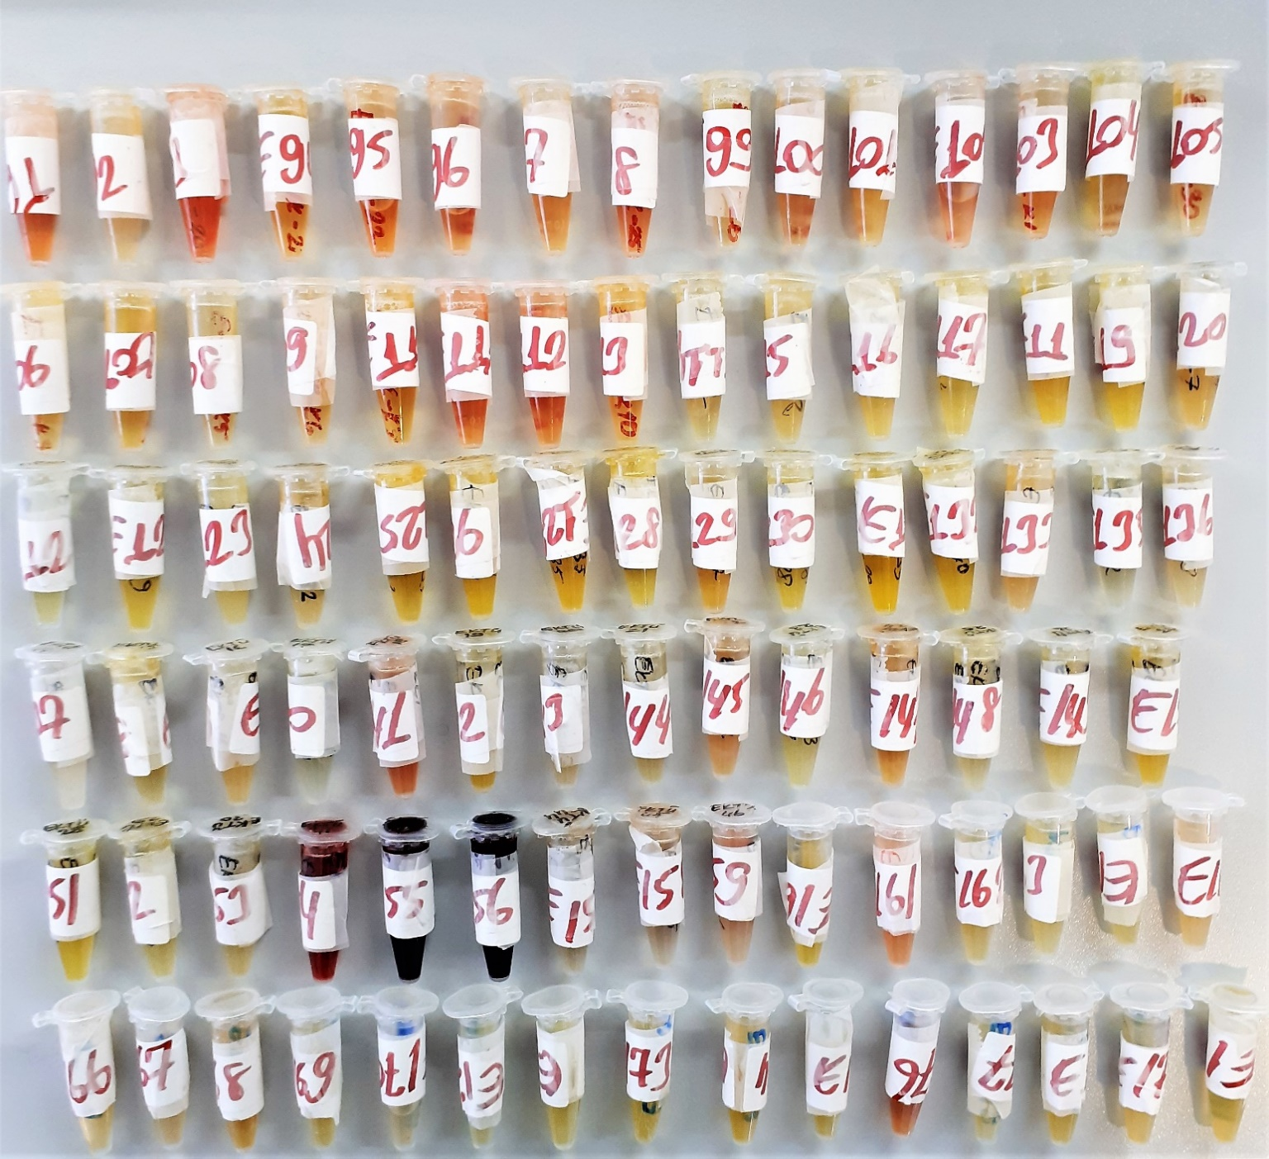
Hemolizli numuneleri görsellerden inceleyebilirsiniz |  |  |  |  |  |  | Y.N.:Yetersiz Numune

